analisis_SP_Lime
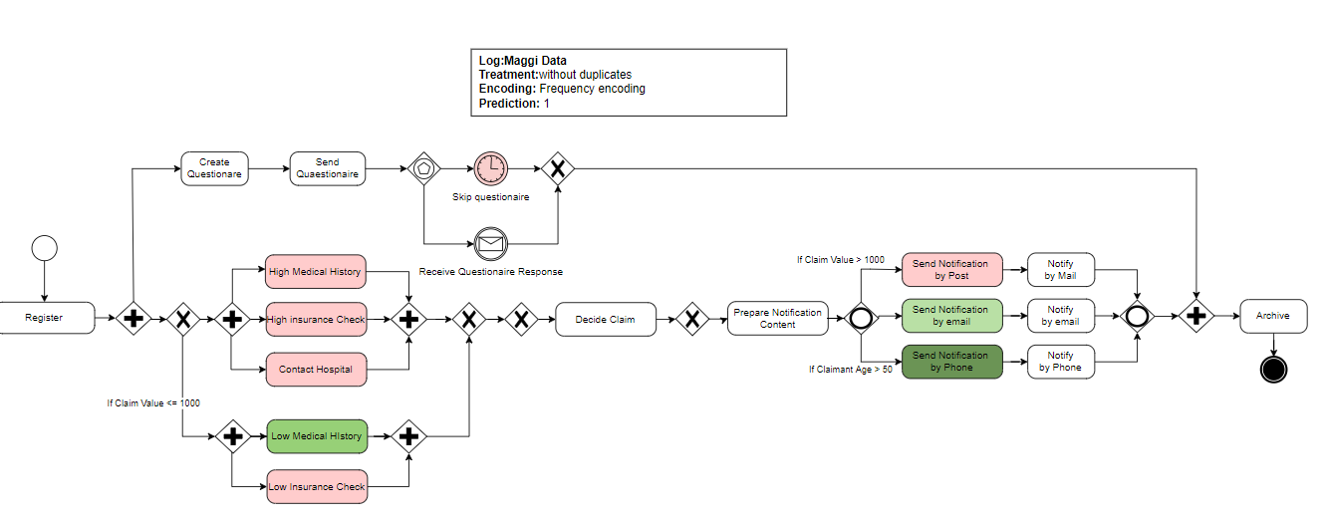
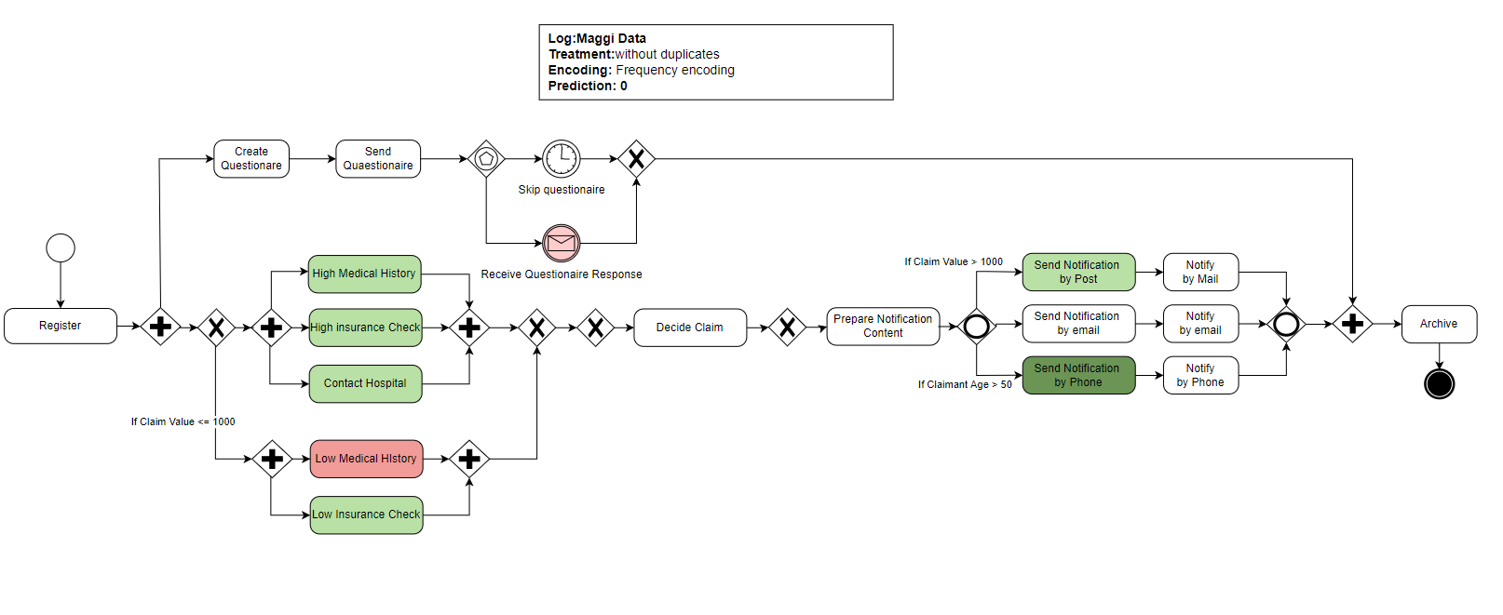
 | Send Notification by Phone | Low Medical History | Send Notification by Post | Contact Hospital | High Medical History | Receive Questionnaire Response | Low Insurance Check | High Insurance Check | Skip Questionnaire | Send Notification by e-mail | Archive | Prepare Notification Content | Create Questionnaire | Decide claim | Register | Send Questionnaire | Send Notification by Phone | Low Medical History | Send Notification by Post | High Insurance Check | High Medical History | Contact Hospital | Receive Questionnaire Response | Low Insurance Check | Skip Questionnaire | Send Notification by e-mail | prediction
Lime results | 1 | 0 | 1 | 1 | 1 | 1 | 1 | 1 | 0 | 1 | 1 | 1 | 1 | 1 | 1 | 1 | 0 | 1 | 0 | 0 | 0 | 0 | 0 | 1 | 1 | 0 | -
2 | 0.144 | -0.057 | -0.050 | -0.036 | -0.036 | 0.000 | -0.030 | -0.036 | 0.000 | -0.003 | 0.000 | 0.000 | 0.000 | 0.000 | 0.000 | 0.000 | 0.000 | 0.000 | 0.000 | 0.000 | 0.000 | 0.000 | -0.035 | 0.000 | -0.014 | 0.000 | 1
3 | 0.153 | -0.059 | -0.049 | -0.031 | -0.038 | 0.000 | -0.034 | -0.034 | 0.000 | 0.000 | 0.000 | 0.000 | 0.000 | 0.000 | 0.000 | 0.000 | 0.000 | 0.000 | 0.000 | 0.000 | 0.000 | 0.000 | -0.033 | 0.000 | -0.012 | 0.010 | 1
8 | 0.141 | 0.000 | 0.000 | 0.000 | 0.000 | 0.000 | 0.000 | 0.000 | 0.000 | -0.009 | 0.000 | 0.000 | 0.000 | 0.000 | 0.000 | 0.000 | 0.000 | 0.055 | 0.048 | 0.045 | 0.039 | 0.039 | -0.028 | 0.031 | -0.011 | 0.000 | 1
9 | 0.141 | 0.000 | 0.000 | 0.000 | 0.000 | 0.035 | 0.000 | 0.000 | 0.010 | 0.000 | 0.000 | 0.000 | 0.000 | 0.000 | 0.000 | 0.000 | 0.000 | 0.058 | 0.049 | 0.041 | 0.040 | 0.031 | 0.000 | 0.032 | 0.000 | 0.009 | 1
média | 0.145 | -0.029 | -0.025 | -0.017 | -0.018 | 0.009 | -0.016 | -0.018 | 0.003 | -0.003 | 0.000 | 0.000 | 0.000 | 0.000 | 0.000 | 0.000 | 0.000 | 0.028 | 0.024 | 0.021 | 0.020 | 0.018 | -0.024 | 0.016 | -0.009 | 0.005
0 | -0.141 | 0.053 | 0.046 | 0.035 | 0.034 | -0.032 | 0.031 | 0.026 | -0.014 | 0.005 | 0.000 | 0.000 | 0.000 | 0.000 | 0.000 | 0.000 | 0.000 | 0.000 | 0.000 | 0.000 | 0.000 | 0.000 | 0.000 | 0.000 | 0.000 | 0.000 | 0
1 | 0.000 | 0.000 | 0.000 | 0.000 | 0.000 | 0.000 | 0.000 | 0.000 | 0.000 | 0.000 | 0.000 | 0.000 | 0.000 | 0.000 | 0.000 | 0.000 | 0.155 | -0.057 | -0.050 | -0.043 | -0.035 | -0.033 | 0.031 | -0.031 | 0.009 | 0.002 | 0
4 | 0.000 | 0.059 | 0.048 | 0.040 | 0.041 | -0.041 | 0.032 | 0.038 | -0.015 | -0.009 | 0.000 | 0.000 | 0.000 | 0.000 | 0.000 | 0.000 | 0.138 | 0.000 | 0.000 | 0.000 | 0.000 | 0.000 | 0.000 | 0.000 | 0.000 | 0.000 | 0
5 | 0.000 | 0.000 | 0.000 | 0.000 | 0.000 | 0.000 | 0.000 | 0.000 | 0.000 | 0.000 | 0.000 | 0.000 | 0.000 | 0.000 | 0.000 | 0.000 | 0.156 | -0.054 | -0.051 | -0.033 | -0.037 | -0.035 | 0.035 | -0.037 | 0.012 | 0.001 | 0
6 | -0.149 | 0.062 | 0.051 | 0.031 | 0.036 | -0.031 | 0.029 | 0.034 | -0.017 | 0.000 | 0.000 | 0.000 | 0.000 | 0.000 | 0.000 | 0.000 | 0.000 | 0.000 | 0.000 | 0.000 | 0.000 | 0.000 | 0.000 | 0.000 | 0.000 | -0.004 | 0
7 | 0.000 | 0.056 | 0.045 | 0.034 | 0.036 | -0.033 | 0.032 | 0.034 | -0.016 | 0.000 | 0.000 | 0.000 | 0.000 | 0.000 | 0.000 | 0.000 | 0.148 | 0.000 | 0.000 | 0.000 | 0.000 | 0.000 | 0.000 | 0.000 | 0.000 | 0.000 | 0
média | -0.048 | 0.038 | 0.032 | 0.023 | 0.025 | -0.023 | 0.021 | 0.022 | -0.010 | -0.001 | 0.000 | 0.000 | 0.000 | 0.000 | 0.000 | 0.000 | 0.100 | -0.019 | -0.017 | -0.013 | -0.012 | -0.011 | 0.011 | -0.011 | 0.004 | 0.000

