analisis_SP_Lime
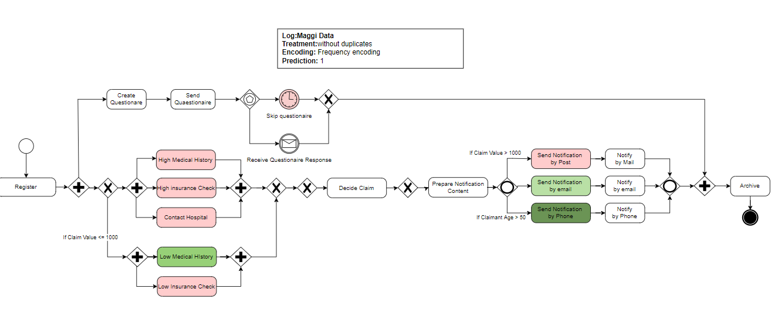
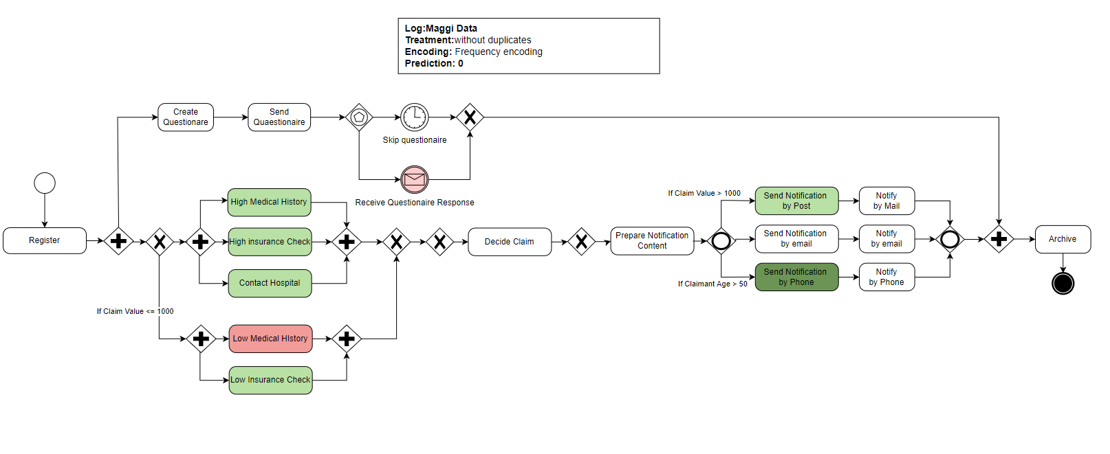
 | Send Notification by Phone | Low Medical History | Send Notification by Post | Contact Hospital | High Medical History | Receive Questionnaire Response | Low Insurance Check | High Insurance Check | Skip Questionnaire | Send Notification by e-mail | Archive | Prepare Notification Content | Create Questionnaire | Decide claim | Register | Send Questionnaire | Send Notification by Phone | Low Medical History | Send Notification by Post | High Insurance Check | High Medical History | Contact Hospital | Receive Questionnaire Response | Low Insurance Check | Skip Questionnaire | Send Notification by e-mail | prediction
Lime results | 1 | 0 | 1 | 1 | 1 | 1 | 1 | 1 | 0 | 1 | 1 | 1 | 1 | 1 | 1 | 1 | 0 | 1 | 0 | 0 | 0 | 0 | 0 | 1 | 1 | 0 | -
2 | 0.144 | -0.057 | -0.050 | -0.036 | -0.036 | 0.000 | -0.030 | -0.036 | 0.000 | -0.003 | 0.000 | 0.000 | 0.000 | 0.000 | 0.000 | 0.000 | 0.000 | 0.000 | 0.000 | 0.000 | 0.000 | 0.000 | -0.035 | 0.000 | -0.014 | 0.000 | 1
3 | 0.153 | -0.059 | -0.049 | -0.031 | -0.038 | 0.000 | -0.034 | -0.034 | 0.000 | 0.000 | 0.000 | 0.000 | 0.000 | 0.000 | 0.000 | 0.000 | 0.000 | 0.000 | 0.000 | 0.000 | 0.000 | 0.000 | -0.033 | 0.000 | -0.012 | 0.010 | 1
8 | 0.141 | 0.000 | 0.000 | 0.000 | 0.000 | 0.000 | 0.000 | 0.000 | 0.000 | -0.009 | 0.000 | 0.000 | 0.000 | 0.000 | 0.000 | 0.000 | 0.000 | 0.055 | 0.048 | 0.045 | 0.039 | 0.039 | -0.028 | 0.031 | -0.011 | 0.000 | 1
9 | 0.141 | 0.000 | 0.000 | 0.000 | 0.000 | 0.035 | 0.000 | 0.000 | 0.010 | 0.000 | 0.000 | 0.000 | 0.000 | 0.000 | 0.000 | 0.000 | 0.000 | 0.058 | 0.049 | 0.041 | 0.040 | 0.031 | 0.000 | 0.032 | 0.000 | 0.009 | 1
média | 0.145 | -0.029 | -0.025 | -0.017 | -0.018 | 0.009 | -0.016 | -0.018 | 0.003 | -0.003 | 0.000 | 0.000 | 0.000 | 0.000 | 0.000 | 0.000 | 0.000 | 0.028 | 0.024 | 0.021 | 0.020 | 0.018 | -0.024 | 0.016 | -0.009 | 0.005
0 | -0.141 | 0.053 | 0.046 | 0.035 | 0.034 | -0.032 | 0.031 | 0.026 | -0.014 | 0.005 | 0.000 | 0.000 | 0.000 | 0.000 | 0.000 | 0.000 | 0.000 | 0.000 | 0.000 | 0.000 | 0.000 | 0.000 | 0.000 | 0.000 | 0.000 | 0.000 | 0
1 | 0.000 | 0.000 | 0.000 | 0.000 | 0.000 | 0.000 | 0.000 | 0.000 | 0.000 | 0.000 | 0.000 | 0.000 | 0.000 | 0.000 | 0.000 | 0.000 | 0.155 | -0.057 | -0.050 | -0.043 | -0.035 | -0.033 | 0.031 | -0.031 | 0.009 | 0.002 | 0
4 | 0.000 | 0.059 | 0.048 | 0.040 | 0.041 | -0.041 | 0.032 | 0.038 | -0.015 | -0.009 | 0.000 | 0.000 | 0.000 | 0.000 | 0.000 | 0.000 | 0.138 | 0.000 | 0.000 | 0.000 | 0.000 | 0.000 | 0.000 | 0.000 | 0.000 | 0.000 | 0
5 | 0.000 | 0.000 | 0.000 | 0.000 | 0.000 | 0.000 | 0.000 | 0.000 | 0.000 | 0.000 | 0.000 | 0.000 | 0.000 | 0.000 | 0.000 | 0.000 | 0.156 | -0.054 | -0.051 | -0.033 | -0.037 | -0.035 | 0.035 | -0.037 | 0.012 | 0.001 | 0
6 | -0.149 | 0.062 | 0.051 | 0.031 | 0.036 | -0.031 | 0.029 | 0.034 | -0.017 | 0.000 | 0.000 | 0.000 | 0.000 | 0.000 | 0.000 | 0.000 | 0.000 | 0.000 | 0.000 | 0.000 | 0.000 | 0.000 | 0.000 | 0.000 | 0.000 | -0.004 | 0
7 | 0.000 | 0.056 | 0.045 | 0.034 | 0.036 | -0.033 | 0.032 | 0.034 | -0.016 | 0.000 | 0.000 | 0.000 | 0.000 | 0.000 | 0.000 | 0.000 | 0.148 | 0.000 | 0.000 | 0.000 | 0.000 | 0.000 | 0.000 | 0.000 | 0.000 | 0.000 | 0
média | -0.048 | 0.038 | 0.032 | 0.023 | 0.025 | -0.023 | 0.021 | 0.022 | -0.010 | -0.001 | 0.000 | 0.000 | 0.000 | 0.000 | 0.000 | 0.000 | 0.100 | -0.019 | -0.017 | -0.013 | -0.012 | -0.011 | 0.011 | %3CmxGraphModel%3E%3Croot%3E%3CmxCell%20id%3D%220%22%2F%3E%3CmxCell%20id%3D%221%22%20parent%3D%220%22%2F%3E%3CmxCell%20id%3D%222%22%20value%3D%22%22%20style%3D%22edgeStyle%3DorthogonalEdgeStyle%3Brounded%3D0%3BorthogonalLoop%3D1%3BjettySize%3Dauto%3Bhtml%3D1%3B%22%20edge%3D%221%22%20source%3D%223%22%20target%3D%2213%22%20parent%3D%221%22%3E%3CmxGeometry%20relative%3D%221%22%20as%3D%22geometry%22%3E%3CmxPoint%20x%3D%22-20%22%20y%3D%226878%22%20as%3D%22targetPoint%22%2F%3E%3C%2FmxGeometry%3E%3C%2FmxCell%3E%3CmxCell%20id%3D%223%22%20value%3D%22%22%20style%3D%22points%3D%5B%5B0.145%2C0.145%2C0%5D%2C%5B0.5%2C0%2C0%5D%2C%5B0.855%2C0.145%2C0%5D%2C%5B1%2C0.5%2C0%5D%2C%5B0.855%2C0.855%2C0%5D%2C%5B0.5%2C1%2C0%5D%2C%5B0.145%2C0.855%2C0%5D%2C%5B0%2C0.5%2C0%5D%5D%3Bshape%3Dmxgraph.bpmn.event%3Bhtml%3D1%3BverticalLabelPosition%3Dbottom%3BlabelBackgroundColor%3D%23ffffff%3BverticalAlign%3Dtop%3Balign%3Dcenter%3Bperimeter%3DellipsePerimeter%3BoutlineConnect%3D0%3Baspect%3Dfixed%3Boutline%3Dstandard%3Bsymbol%3Dgeneral%3B%22%20vertex%3D%221%22%20parent%3D%221%22%3E%3CmxGeometry%20x%3D%22-45%22%20y%3D%226848%22%20width%3D%2230%22%20height%3D%2230%22%20as%3D%22geometry%22%2F%3E%3C%2FmxCell%3E%3CmxCell%20id%3D%224%22%20value%3D%22%22%20style%3D%22edgeStyle%3DorthogonalEdgeStyle%3Brounded%3D0%3BorthogonalLoop%3D1%3BjettySize%3Dauto%3Bhtml%3D1%3BexitX%3D0.5%3BexitY%3D0%3BexitDx%3D0%3BexitDy%3D0%3BexitPerimeter%3D0%3B%22%20edge%3D%221%22%20source%3D%226%22%20target%3D%2211%22%20parent%3D%221%22%3E%3CmxGeometry%20relative%3D%221%22%20as%3D%22geometry%22%3E%3CmxPoint%20x%3D%2274.5%22%20y%3D%226928%22%20as%3D%22sourcePoint%22%2F%3E%3CmxPoint%20x%3D%22103%22%20y%3D%226798%22%20as%3D%22targetPoint%22%2F%3E%3CArray%20as%3D%22points%22%3E%3CmxPoint%20x%3D%2275%22%20y%3D%226927%22%2F%3E%3CmxPoint%20x%3D%2275%22%20y%3D%226768%22%2F%3E%3C%2FArray%3E%3C%2FmxGeometry%3E%3C%2FmxCell%3E%3CmxCell%20id%3D%225%22%20style%3D%22edgeStyle%3DorthogonalEdgeStyle%3Brounded%3D0%3BorthogonalLoop%3D1%3BjettySize%3D | 0.004 | 0.000

