1112
Title | Sales | Douban | Google Trends | Youtube | Twitch | MCUserRatings | Group
Grand Theft Auto V | 50000000 | 16544 | 2.2727272727 | 813421 | 304053 | 10853 | 2
PlayerUnknown's Battlegrounds | 50000000 | 4390 | 25 | 69046 | 579861 | 1719 | 2
Call of Duty: Black Ops III | 38171428.571 | 1536 | 1.0869565217 | 367258 | 167067 | 4187 | 1
Call of Duty: Advanced Warfare | 31114285.714 | 2162 | 12.5 | 617510 | 30640 | 3704 | 2
Red Dead Redemption 2 | 26500000 | 5889 | 33.333333333 | 175002 | 382860 | 10991 | 2
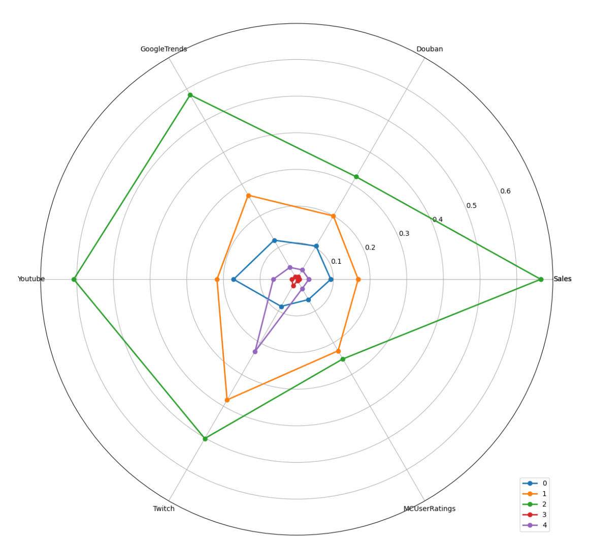
FIFA 18 | 24000000 | 693 | 25 | 543622 | 143683 | 1681 | 2
Fallout 4 | 21300000 | 4486 | 34 | 973227 | 144758 | 15283 | 2
The Witcher 3: Wild Hunt | 20000000 | 1361 | 11.111111111 | 270112 | 41007 | 32008 | 1
Call of Duty: Infinite Warfare | 19428571.429 | 1189 | 3.3333333333 | 207935 | 116685 | 2664 | 0
Mario Kart 8 Deluxe | 19010000 | 3000 | 3.8461538462 | 133081 | 186246 | 1544 | 1
Payday 2 | 18643807 | 617 | 7.1428571429 | 249917 | 37545 | 3673 | 0
Call of Duty: WWII | 16666666 | 1548 | 0.84 | 185548 | 170705 | 2543 | 0
Uncharted 4: A Thief's End | 16250000 | 685 | 9.0909090909 | 162276 | 102374 | 9875 | 1
Super Mario Odyssey | 15380000 | 8254 | 2.0408163265 | 240726 | 209812 | 4418 | 1
The Legend of Zelda: Breath of the Wild | 14540000 | 17540 | 1.8181818182 | 278949 | 191576 | 12952 | 1
Monster Hunter: World | 14100000 | 3561 | 14.285714286 | 243322 | 169921 | 2385 | 1
NBA 2K19 | 12000000 | 579 | 4.1666666667 | 94025 | 47830 | 642 | 0
Animal Crossing: New Horizons | 11770000 | 4275 | 7.6923076923 | 25094 | 232808 | 3166 | 1
Pokemon Let's Go | 11280000 | 1594 | 4.5454545455 | 166773 | 148108 | 3166 | 0
Mortal Kombat X | 11000000 | 274 | 16.666666667 | 449258 | 105232 | 1896 | 1
Ratchet & Clank | 11000000 | 714 | 0.77 | 93860 | 173332 | 1716 | 4
Rocket League | 10500000 | 259 | 5.2631578947 | 342106 | 207485 | 3008 | 1
Crash Bandicoot N. Sane Trilogy | 10000000 | 78 | 0.34 | 140293 | 158305 | 1468 | 4
God of War | 10000000 | 5007 | 20 | 273006 | 292083 | 10849 | 1
Horizon Zero Dawn | 10000000 | 2795 | 9.0909090909 | 209361 | 143742 | 7221 | 1
NBA 2K18 | 10000000 | 594 | 5.8823529412 | 177247 | 61960 | 1225 | 0
The Last of Us Remastered | 10000000 | 7674 | 0.57 | 129989 | 37803 | 7617 | 0
Titanfall | 10000000 | 1579 | 12.5 | 420593 | 29807 | 4218 | 0
Splatoon 2 | 9280000 | 2646 | 2.6315789474 | 175653 | 171642 | 1028 | 0
Rust | 9147240 | 112 | 8.3333333333 | 128558 | 57838 | 386 | 0
NBA 2K17 | 8500000 | 758 | 6.6666666667 | 179288 | 42215 | 486 | 0
The Elder Scrolls Online | 8500000 | 115 | 2.0408163265 | 322226 | 151951 | 2493 | 0
Tomb Raider | 8500000 | 7593 | 14.285714286 | 475705 | 112845 | 4077 | 1
Final Fantasy XV | 8400000 | 2292 | 4.1666666667 | 267796 | 110368 | 4738 | 0
Gran Turismo Sport | 8000000 | 256 | 1.9607843137 | 174485 | 13699 | 1489 | 0
Super Mario Party | 7590000 | 1146 | 1.0416666667 | 123679 | 52103 | 393 | 0
Borderlands 3 | 7000000 | 469 | 16.666666667 | 52118 | 360940 | 3195 | 1
Hitman | 7000000 | 632 | 6.6666666667 | 82363 | 56534 | 536 | 0
Rise of the Tomb Raider | 7000000 | 5079 | 2.4390243902 | 86822 | 120955 | 2790 | 0
Resident Evil 7: biohazard | 6800000 | 2699 | 9.0909090909 | 150371 | 224481 | 3701 | 1
Insurgency | 6007744 | 302 | 0.56 | 3242 | 22994 | 576 | 3
ARK: Survival Evolved | 6000000 | 402 | 4.1666666667 | 175098 | 57668 | 443 | 0
NBA 2K20 | 6000000 | 131 | 3.5714285714 | 76250 | 57229 | 1245 | 0
Pokemon Sword/Shield | 6000000 | 490 | 11.111111111 | 18284 | 184716 | 6573 | 1
Euro Truck Simulator 2 | 5982548 | 1042 | 2.8571428571 | 87626 | 41378 | 1202 | 0
Assassin's Creed Syndicate | 5500000 | 2645 | 1.0989010989 | 133670 | 5207 | 2939 | 0
Sid Meier's Civilization VI | 5500000 | 5010 | 0.52 | 39634 | 68833 | 1214 | 0
Luigi's Mansion 3 | 5370000 | 763 | 0.5 | 127541 | 53972 | 737 | 0
The Forest | 5300000 | 602 | 7.1428571429 | 149356 | 53419 | 326 | 0
Saints Row IV | 5275914 | 932 | 1.3157894737 | 168681 | 8832 | 1705 | 0
Batman: Arkham Knight | 5000000 | 2197 | 7.6923076923 | 299080 | 12640 | 6329 | 0
Cuphead | 5000000 | 179 | 7.1428571429 | 164130 | 184477 | 2060 | 4
Dying Light | 5000000 | 1017 | 12.5 | 331407 | 134887 | 3340 | 1
Far Cry 4 | 5000000 | 1760 | 14.285714286 | 495006 | 4862 | 3775 | 0
Halo 5: Guardians | 5000000 | 378 | 0.52 | 137608 | 128338 | 2837 | 4
Kingdom Hearts III | 5000000 | 251 | 0.12 | 93732 | 127041 | 2434 | 4
Quantum Break | 5000000 | 1032 | 3.0303030303 | 115445 | 63330 | 2759 | 0
South Park: The Stick of Truth | 5000000 | 264 | 3.5714285714 | 229588 | 29136 | 2069 | 0
Resident Evil 2 | 4700000 | 247 | 9.0909090909 | 190048 | 314244 | 4250 | 1
The Order: 1886 | 4700000 | 1325 | 3.2258064516 | 94538 | 4011 | 3552 | 0
Uncharted: The Lost Legacy | 4700000 | 1524 | 0.62 | 79796 | 59504 | 1123 | 0
Company of Heroes 2 | 4654955 | 375 | 1.6129032258 | 43498 | 7590 | 5724 | 3
BioShock Infinite | 4563627 | 3994 | 10 | 166104 | 16259 | 8158 | 0
Mafia III | 4500000 | 656 | 0.44 | 159509 | 79661 | 3203 | 0
This War of Mine | 4500000 | 5366 | 1.4492753623 | 64528 | 17603 | 828 | 0
Starbound | 4309358 | 432 | 10 | 47101 | 26630 | 404 | 0
Mortal Kombat 11 | 4200000 | 111 | 4.347826087 | 118247 | 202719 | 3010 | 4
Shadow of the Tomb Raider | 4120000 | 147 | 2.7777777778 | 115054 | 83572 | 1719 | 4
Days Gone | 4100000 | 261 | 5 | 143316 | 132741 | 4320 | 4
Arma 3 | 4000000 | 373 | 2.3255813953 | 571337 | 55686 | 990 | 0
Dark Souls III | 4000000 | 5101 | 0.45 | 348785 | 275893 | 6250 | 1
DayZ | 4000000 | 111 | 10 | 354055 | 79522 | 211 | 0
Dragon Quest XI: Echoes of an Elusive Age | 4000000 | 938 | 1.4705882353 | 18611 | 23595 | 1017 | 3
Human: Fall Flat | 4000000 | 1993 | 0.64 | 43390 | 73386 | 109 | 4
LEGO Jurassic World | 4000000 | 48 | 2.8571428571 | 171923 | 1987 | 185 | 0
NieR: Automata | 4000000 | 4416 | 4 | 132124 | 130151 | 4291 | 0
Tekken 7 | 4000000 | 324 | 3.8461538462 | 142706 | 236556 | 986 | 4
The Last of Us Part II | 4000000 | 3282 | 1.1764705882 | 217288 | 508463 | 35000 | 1
Wolfenstein: The New Order | 4000000 | 667 | 3.5714285714 | 171643 | 109501 | 3814 | 0
Super Mario Maker 2 | 3930000 | 384 | 0.76 | 152230 | 84896 | 525 | 4
Street Fighter V | 3900000 | 533 | 1.0309278351 | 181875 | 212889 | 1831 | 4
Sekiro: Shadows Die Twice | 3800000 | 4322 | 1.3888888889 | 163669 | 279037 | 3851 | 1
BattleBlock Theater | 3605148 | 1018 | 0.55 | 7912 | 152739 | 247 | 4
DOOM | 3600000 | 974 | 14.285714286 | 316336 | 169268 | 5463 | 1
Undertale | 3600000 | 2169 | 6.6666666667 | 108353 | 216515 | 4819 | 1
Far Cry 5 | 3571428.5714 | 1345 | 12.5 | 218459 | 258270 | 2822 | 1
Dragon Ball FighterZ | 3500000 | 278 | 3.0303030303 | 190212 | 241067 | 756 | 4
Final Fantasy VII Remake | 3500000 | 685 | 1.1904761905 | 15012 | 216303 | 3428 | 4
Stardew Valley | 3500000 | 4435 | 10 | 69373 | 50884 | 1480 | 0
Cities: Skylines | 3250000 | 162 | 4.1666666667 | 152842 | 29307 | 1668 | 0
Detroit: Become Human | 3200000 | 7082 | 3.5714285714 | 138020 | 236767 | 3158 | 1
The Legend of Zelda: Link's Awakening | 3130000 | 1201 | 0.02 | 28672 | 57713 | 641 | 3
Bloodborne | 3000000 | 3857 | 12.5 | 306124 | 245345 | 8820 | 1
Furi | 3000000 | 86 | 0.65 | 19892 | 129390 | 489 | 4
Gears 5 | 3000000 | 291 | 4.1666666667 | 35164 | 57682 | 2484 | 0
Halo: The Master Chief Collection | 3000000 | 295 | 0.32 | 7283 | 136672 | 1484 | 4
Life is Strange | 3000000 | 7093 | 2.8571428571 | 70557 | 21098 | 3923 | 0
Metal Gear Solid V: The Phantom Pain | 3000000 | 3555 | 1.3698630137 | 312740 | 9967 | 8289 | 0
The Evil Within | 3000000 | 1611 | 6.25 | 179825 | 18349 | 2946 | 0
Gang Beasts | 2939567 | 102 | 0.62 | 60276 | 48314 | 73 | 3
SpeedRunners | 2819052 | 101 | 0.15 | 14224 | 104100 | 78 | 4
Hollow Knight | 2800000 | 2918 | 1.4925373134 | 32919 | 177178 | 1495 | 4
Elite: Dangerous | 2750000 | 51 | 2.9411764706 | 24053 | 11021 | 1986 | 3
Mario Tennis Aces | 2750000 | 607 | 0.74 | 85030 | 56535 | 445 | 3
Persona 5 | 2700000 | 4221 | 10 | 114249 | 45615 | 3865 | 0
Sid Meier's Civilization: Beyond Earth | 2606575 | 415 | 0.04 | 13363 | 3242 | 1051 | 3
Sanctum 2 | 2602292 | 22 | 0.25 | 13075 | 6189 | 386 | 3
Kirby Star Allies | 2560000 | 854 | 0.61 | 87747 | 24135 | 410 | 3
Devil May Cry 5 | 2500000 | 2363 | 2.7027027027 | 104305 | 140428 | 2966 | 4
Dishonored 2 | 2500000 | 1030 | 4 | 103009 | 180946 | 2083 | 4
Enter the Gungeon | 2500000 | 379 | 1.1363636364 | 41840 | 139787 | 499 | 4
Forza Horizon 3 | 2500000 | 558 | 3.3333333333 | 177766 | 43679 | 1377 | 0
Nioh | 2500000 | 1819 | 5 | 76694 | 93044 | 1999 | 0
Shovel Knight | 2500000 | 409 | 0.72 | 57925 | 191303 | 939 | 4
Fallout 76 | 2460000 | 113 | 16.666666667 | 147632 | 209140 | 11993 | 1
Ghost of Tsushima | 2400000 | 349 | 5.88 | 145258 | 312594 | 10538 | 1
Tom Clancy's Ghost Recon: Wildlands | 2314285.7143 | 790 | 5 | 105053 | 87165 | 1540 | 0
Fire Emblem: Three Houses | 2290000 | 1742 | 3.125 | 58015 | 34642 | 1731 | 0
Donkey Kong Country: Tropical Freeze | 2250000 | 202 | 0.28 | 45527 | 166736 | 462 | 4
Ring Fit Adventure | 2170000 | 1253 | 0.41 | 23534 | 27148 | 140 | 3
Assassin's Creed Origins | 2157142.8571 | 3642 | 2.380952381 | 185879 | 80844 | 4070 | 0
Monaco: What's Yours Is Mine | 2153213 | 93 | 0.01 | 923 | 611 | 219 | 3
Banished | 2147445 | 388 | 2.2727272727 | 37885 | 10311 | 677 | 3
Alien: Isolation | 2100000 | 246 | 5.2631578947 | 229796 | 29261 | 3196 | 0
Killzone: Shadow Fall | 2100000 | 240 | 0.95 | 80238 | 573 | 2266 | 3
Shadow of the Colossus | 2100000 | 808 | 1.7857142857 | 89116 | 147930 | 1456 | 4
Total War: WARHAMMER | 2085605 | 235 | 2.5641025641 | 82720 | 40915 | 724 | 3
Assassin's Creed Odyssey | 2000000 | 3242 | 1.8518518519 | 144841 | 105475 | 3553 | 0
Darkest Dungeon | 2000000 | 713 | 1.724137931 | 22894 | 56136 | 742 | 3
Dead Cells | 2000000 | 1372 | 1.4705882353 | 64368 | 157015 | 688 | 4
Dragon Ball Z: Kakarot | 2000000 | 174 | 1.9230769231 | 36680 | 115615 | 821 | 4
Driveclub | 2000000 | 447 | 2.7027027027 | 98561 | 2362 | 1691 | 3
Farming Simulator 19 | 2000000 | 25 | 1.1363636364 | 82673 | 44919 | 84 | 3
Football Manager 2019 | 2000000 | 267 | 0.93 | 50206 | 23685 | 80 | 3
Jurassic World Evolution | 2000000 | 74 | 3.125 | 96838 | 202465 | 305 | 4
Kerbal Space Program | 2000000 | 482 | 1.25 | 31879 | 36181 | 661 | 3
Kingdom Come: Deliverance | 2000000 | 41 | 7.1428571429 | 80532 | 211281 | 2890 | 4
Knack | 2000000 | 210 | 1 | 45760 | 1050 | 1225 | 3
MudRunner | 2000000 | 22 | 0.37 | 48537 | 36489 | 82 | 3
Oceanhorn: Monster of Uncharted Seas | 2000000 | 193 | 0.28 | 1333 | 1634 | 171 | 3
Project CARS | 2000000 | 77 | 5 | 206947 | 9146 | 1020 | 0
Resident Evil 3 | 2000000 | 506 | 9.0909090909 | 24192 | 291639 | 2393 | 1
Slime Rancher | 2000000 | 106 | 1.724137931 | 45640 | 37991 | 119 | 3
SUPERHOT | 2000000 | 254 | 0.54 | 49704 | 121305 | 604 | 4
The Outer Worlds | 2000000 | 534 | 2.6315789474 | 102776 | 163569 | 3417 | 4
The Scroll of Taiwu | 2000000 | 1143 | 0.01 | 255 | 971 | 516 | 3
Warhammer: End Times - Vermintide | 2000000 | 28 | 1.8867924528 | 17993 | 30508 | 344 | 3
Wolfenstein II: The New Colossus | 2000000 | 706 | 0.44 | 83880 | 86606 | 2843 | 4
Europa Universalis IV | 1983657 | 1174 | 0.26 | 37461 | 9920 | 1144 | 3
Stellaris | 1967015 | 1132 | 4.1666666667 | 66162 | 32618 | 748 | 0
Depth | 1853782 | 48 | 7.1428571429 | 240291 | 42224 | 119 | 0
Batman: Arkham Origins | 1851868 | 943 | 5.2631578947 | 313557 | 1608 | 1361 | 0
Friday the 13th: The Game | 1800000 | 61 | 1.8181818182 | 97182 | 125328 | 450 | 4
Xenoblade Chronicles 2 | 1700000 | 1883 | 2.2727272727 | 86182 | 13177 | 1620 | 0
Game Dev Tycoon | 1696896 | 106 | 1.7857142857 | 11310 | 29563 | 1062 | 3
Planet Coaster | 1682734 | 541 | 1.4285714286 | 142572 | 57195 | 362 | 0
Car Mechanic Simulator 2015 | 1631855 | 39 | 0.25 | 23075 | 21255 | 113 | 3
SpinTires | 1566672 | 30 | 0.77 | 62979 | 35871 | 149 | 3
Endless Legend | 1516227 | 55 | 0.45 | 5630 | 14577 | 507 | 3
Dead or Alive 5 Last Round | 1500000 | 534 | 0.29 | 25275 | 7616 | 349 | 3
Devil May Cry 4: Special Edition | 1500000 | 3444 | 0.29 | 24691 | 122434 | 774 | 4
Dragon Ball: Xenoverse | 1500000 | 169 | 6.6666666667 | 152576 | 10716 | 968 | 0
Goat Simulator | 1500000 | 826 | 4.347826087 | 158841 | 18481 | 1029 | 0
Injustice 2 | 1500000 | 286 | 6.6666666667 | 177082 | 64375 | 1050 | 0
Metro Redux | 1500000 | 390 | 0.98 | 80090 | 16614 | 1175 | 3
One Piece: Pirate Warriors 3 | 1500000 | 653 | 0.73 | 43415 | 2836 | 197 | 3
Oxenfree | 1500000 | 476 | 0.23 | 4202 | 33124 | 506 | 3
Pro Evolution Soccer 2018 | 1500000 | 326 | 0.25 | 146261 | 29038 | 527 | 3
Slay the Spire | 1500000 | 1058 | 0.6 | 9793 | 48164 | 400 | 3
GRID 2 | 1498449 | 99 | 2.2222222222 | 166386 | 19387 | 609 | 0
Spyro Reignited Trilogy | 1488321.4286 | 7 | 0.68 | 80624 | 134470 | 863 | 4
Middle-earth: Shadow of Mordor | 1471428.5714 | 932 | 0.27 | 155796 | 16743 | 4907 | 0
Grim Dawn | 1464229 | 371 | 1.5625 | 9154 | 28389 | 644 | 3
Black Desert Online | 1413060 | 51 | 2.7027027027 | 49128 | 50609 | 1458 | 3
Assetto Corsa | 1400000 | 93 | 0.54 | 41878 | 5484 | 446 | 3
Conan Exiles | 1400000 | 45 | 4.1666666667 | 69595 | 174794 | 339 | 4
Death Stranding | 1400000 | 1578 | 10 | 17887 | 290087 | 16588 | 1
Frostpunk | 1400000 | 987 | 0.88 | 54510 | 58338 | 498 | 3
J-Stars Victory Vs+ | 1400000 | 23 | 0.11 | 12709 | 611 | 95 | 3
Persona 5 Royal | 1400000 | 452 | 6.6666666667 | 77451 | 18590 | 2176 | 0
Prey | 1376755 | 542 | 11.111111111 | 182473 | 162499 | 2159 | 1
Age of Mythology: Extended Edition | 1369504 | 249 | 0.2 | 1630 | 5453 | 136 | 3
Deus Ex: Human Revolution - Director's Cut | 1358070 | 483 | 5.8823529412 | 1689 | 3218 | 519 | 3
...

