Sheet1
Title | Sales | Youtube | TwitchPeakChannel | TwitchPeakViewer | MCUserRatings | Douban | Google Trends | Group | IP | PlayerType | Developer
Grand Theft Auto V | 75000000 | 813421 | 5847 | 304053 | 10853 | 12000 | 2.2727272727 | 2 | 10 | 2 | 10
PlayerUnknown's Battlegrounds | 50000000 | 69046 | 6473 | 500000 | 1719 | 4390 | 25 | 2 | 4 | 2 | 8
Call of Duty: Modern Warfare | 30000000 | 850000 | 13777 | 451470 | 13785 | 1076 | 6.25 | 2 | 10 | 2 | 9
Red Dead Redemption 2 | 26500000 | 175002 | 8785 | 382860 | 10991 | 5889 | 33.333333333 | 2 | 9 | 2 | 10
FIFA 18 | 24000000 | 543622 | 1550 | 143683 | 1681 | 693 | 25 | 1 | 10 | 2 | 9
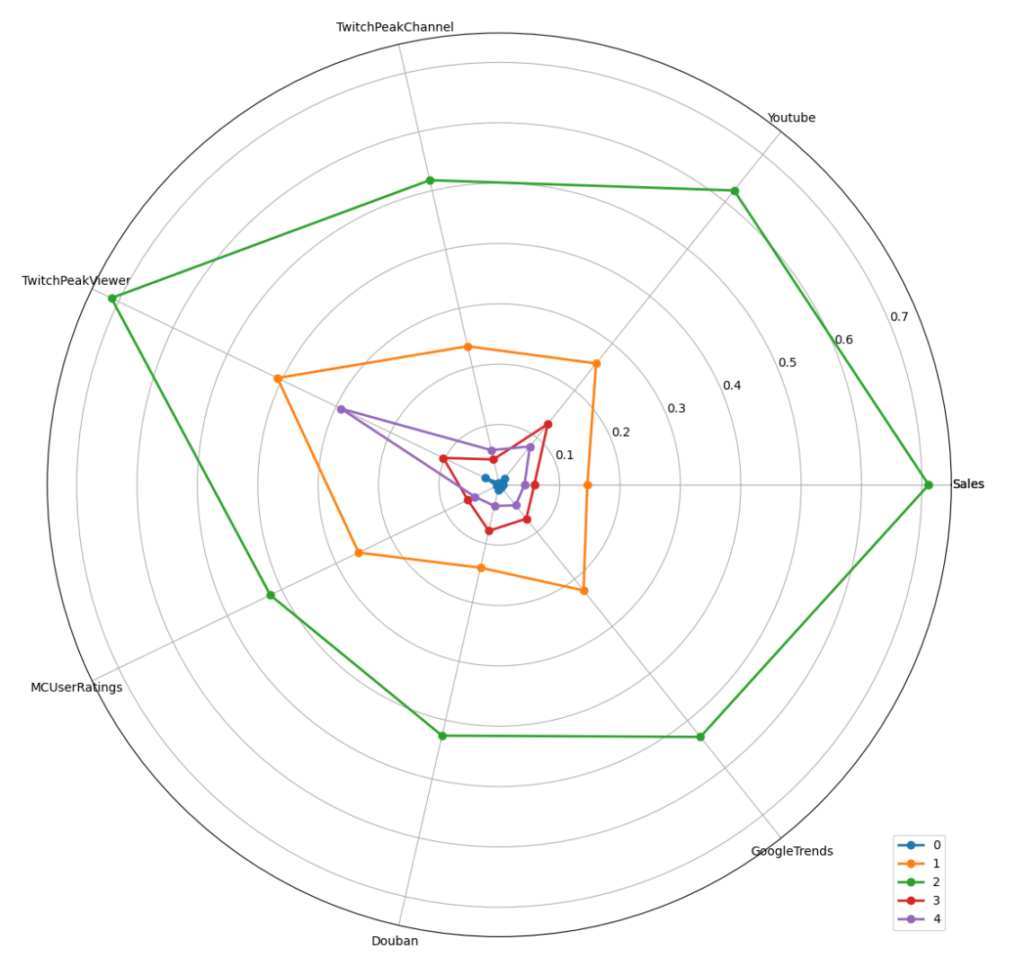
Fallout 4 | 21300000 | 900000 | 791 | 144758 | 15283 | 4486 | 40 | 2 | 9 | 0 | 9
The Witcher 3: Wild Hunt | 20000000 | 270112 | 700 | 41007 | 25000 | 1361 | 11.111111111 | 1 | 8 | 0 | 10
Uncharted 4: A Thief's End | 16250000 | 162276 | 739 | 102374 | 9875 | 685 | 9.0909090909 | 1 | 10 | 2 | 10
Monster Hunter: World | 14100000 | 243322 | 5262 | 169921 | 2385 | 3561 | 14.285714286 | 1 | 8 | 1 | 8
NBA 2K19 | 12000000 | 94025 | 2267 | 47830 | 642 | 579 | 4.1666666667 | 3 | 10 | 2 | 7
Animal Crossing: New Horizons | 11770000 | 25094 | 4403 | 232808 | 3166 | 4275 | 7.6923076923 | 1 | 7 | 1 | 9
Pokemon Let's Go | 11280000 | 166773 | 1601 | 161172 | 2416 | 1594 | 4.5454545455 | 4 | 10 | 0 | 8
Mortal Kombat X | 11000000 | 449258 | 235 | 105232 | 1896 | 274 | 16.666666667 | 1 | 8 | 2 | 7
Ratchet & Clank | 11000000 | 93860 | 117 | 173332 | 1716 | 714 | 0.77 | 4 | 6 | 0 | 6
Rocket League | 10500000 | 342106 | 1518 | 207485 | 3008 | 259 | 5.2631578947 | 1 | 2 | 2 | 5
Crash Bandicoot N. Sane Trilogy | 10000000 | 140293 | 364 | 158305 | 1468 | 78 | 0.34 | 4 | 1 | 0 | 5
God of War | 10000000 | 273006 | 5006 | 292083 | 10849 | 5007 | 20 | 1 | 9 | 0 | 10
Horizon Zero Dawn | 10000000 | 209361 | 1658 | 143742 | 7221 | 2795 | 9.0909090909 | 1 | 3 | 0 | 9
NBA 2K18 | 10000000 | 177247 | 1847 | 61960 | 1225 | 594 | 5.8823529412 | 3 | 10 | 2 | 7
Splatoon 2 | 9280000 | 175653 | 944 | 171642 | 1028 | 2646 | 2.6315789474 | 4 | 6 | 2 | 10
NBA 2K17 | 8500000 | 179288 | 1778 | 42215 | 486 | 758 | 6.6666666667 | 3 | 10 | 2 | 7
Final Fantasy XV | 8400000 | 267796 | 3562 | 110368 | 4738 | 2292 | 4.1666666667 | 1 | 10 | 1 | 9
Gran Turismo Sport | 8000000 | 174485 | 65 | 13699 | 1489 | 256 | 1.9607843137 | 3 | 8 | 2 | 7
Star Wars Jedi: Fallen Order | 8000000 | 461886 | 2908 | 213434 | 5242 | 1446 | 3.125 | 1 | 9 | 0 | 9
Super Mario Party | 7590000 | 123679 | 319 | 52103 | 393 | 1146 | 1.0416666667 | 3 | 10 | 2 | 10
Borderlands 3 | 7000000 | 52118 | 7217 | 360940 | 3195 | 469 | 16.666666667 | 1 | 8 | 1 | 7
Hitman | 7000000 | 82363 | 183 | 56534 | 536 | 632 | 6.6666666667 | 3 | 6 | 0 | 7
Rise of the Tomb Raider | 7000000 | 86822 | 461 | 120955 | 2790 | 5079 | 2.4390243902 | 3 | 8 | 0 | 8
Resident Evil 7: biohazard | 6800000 | 150371 | 92 | 224481 | 3701 | 2699 | 9.0909090909 | 1 | 8 | 0 | 8
ARK: Survival Evolved | 6000000 | 175098 | 815 | 57668 | 443 | 402 | 4.1666666667 | 3 | 3 | 2 | 5
NBA 2K20 | 6000000 | 76250 | 3034 | 57229 | 1245 | 131 | 3.5714285714 | 3 | 10 | 1 | 7
Pokemon Sword/Shield | 6000000 | 18284 | 4413 | 184716 | 6573 | 490 | 11.111111111 | 1 | 10 | 0 | 8
Assassin's Creed Syndicate | 5500000 | 133670 | 67 | 5207 | 2939 | 2645 | 1.0989010989 | 3 | 8 | 0 | 9
Sid Meier's Civilization VI | 5500000 | 39634 | 449 | 68833 | 1214 | 5010 | 0.52 | 3 | 9 | 2 | 8
Luigi's Mansion 3 | 5370000 | 127541 | 985 | 53972 | 737 | 763 | 0.5 | 3 | 10 | 1 | 10
The Forest | 5300000 | 149356 | 276 | 53419 | 326 | 602 | 7.1428571429 | 3 | 1 | 1 | 6
Super Mario 3D All-Stars | 5210000 | 88004 | 1571 | 45152 | 515 | 112 | 0.11 | 3 | 10 | 1 | 10
Batman: Arkham Knight | 5000000 | 299080 | 137 | 12640 | 6329 | 2197 | 7.6923076923 | 3 | 10 | 0 | 8
Cuphead | 5000000 | 164130 | 900 | 184477 | 2060 | 179 | 7.1428571429 | 4 | 1 | 0 | 5
Dying Light | 5000000 | 331407 | 544 | 134887 | 3340 | 1017 | 12.5 | 1 | 5 | 1 | 8
Halo 5: Guardians | 5000000 | 137608 | 289 | 128338 | 2837 | 378 | 0.52 | 4 | 10 | 2 | 9
Kingdom Hearts III | 5000000 | 93732 | 3855 | 127041 | 2434 | 251 | 0.12 | 4 | 10 | 0 | 9
NBA 2K21 | 5000000 | 364782 | 6873 | 112997 | 692 | 65 | 2.7027027027 | 1 | 10 | 2 | 7
Quantum Break | 5000000 | 115445 | 433 | 63330 | 2759 | 1032 | 3.0303030303 | 3 | 3 | 0 | 8
Resident Evil 2 | 4700000 | 190048 | 6488 | 314244 | 4250 | 247 | 9.0909090909 | 1 | 8 | 0 | 8
The Order: 1886 | 4700000 | 94538 | 18 | 4011 | 3552 | 1325 | 3.2258064516 | 3 | 1 | 0 | 8
Uncharted: The Lost Legacy | 4700000 | 79796 | 211 | 59504 | 1123 | 1524 | 0.62 | 3 | 10 | 2 | 10
Mafia III | 4500000 | 159509 | 1429 | 79661 | 3203 | 656 | 0.44 | 3 | 6 | 0 | 6
Starbound | 4309358 | 47101 | 165 | 26630 | 404 | 432 | 10 | 3 | 1 | 2 | 6
Mortal Kombat 11 | 4200000 | 118247 | 2195 | 202719 | 3010 | 111 | 4.347826087 | 4 | 8 | 2 | 7
Shadow of the Tomb Raider | 4120000 | 115054 | 1241 | 83572 | 1719 | 147 | 2.7777777778 | 3 | 8 | 0 | 8
Days Gone | 4100000 | 143316 | 1857 | 132741 | 4320 | 261 | 5 | 4 | 1 | 0 | 6
Dark Souls III | 4000000 | 348785 | 3238 | 275893 | 6250 | 5101 | 0.45 | 1 | 8 | 1 | 8
Dragon Quest XI: Echoes of an Elusive Age | 4000000 | 18611 | 18 | 23595 | 1017 | 938 | 1.4705882353 | 0 | 8 | 0 | 9
Human: Fall Flat | 4000000 | 43390 | 115 | 73386 | 109 | 1993 | 0.64 | 3 | 1 | 1 | 4
LEGO Jurassic World | 4000000 | 171923 | 10 | 1987 | 185 | 48 | 2.8571428571 | 3 | 8 | 0 | 7
NieR: Automata | 4000000 | 132124 | 537 | 130151 | 4291 | 4416 | 4 | 3 | 4 | 0 | 8
Tekken 7 | 4000000 | 142706 | 508 | 236556 | 986 | 324 | 3.8461538462 | 4 | 8 | 2 | 8
Super Mario Maker 2 | 3930000 | 152230 | 1028 | 84896 | 525 | 384 | 0.76 | 3 | 10 | 1 | 10
Street Fighter V | 3900000 | 181875 | 760 | 212889 | 1831 | 533 | 1.0309278351 | 4 | 8 | 1 | 8
Sekiro: Shadows Die Twice | 3800000 | 163669 | 4679 | 279037 | 3851 | 4322 | 1.3888888889 | 1 | 3 | 0 | 8
DOOM | 3600000 | 316336 | 1704 | 169268 | 5463 | 974 | 14.285714286 | 1 | 8 | 2 | 8
Undertale | 3600000 | 108353 | 233 | 216515 | 4819 | 2169 | 6.6666666667 | 4 | 3 | 0 | 5
Far Cry 5 | 3571428.5714 | 218459 | 2864 | 258270 | 2822 | 1345 | 12.5 | 1 | 8 | 2 | 9
Dragon Ball FighterZ | 3500000 | 190212 | 1894 | 241067 | 756 | 278 | 3.0303030303 | 4 | 10 | 1 | 7
Final Fantasy VII Remake | 3500000 | 15012 | 9298 | 216303 | 3428 | 685 | 1.1904761905 | 1 | 10 | 0 | 9
Stardew Valley | 3500000 | 69373 | 479 | 50884 | 1480 | 4435 | 10 | 3 | 1 | 0 | 5
Cities: Skylines | 3250000 | 152842 | 109 | 29307 | 1668 | 162 | 4.1666666667 | 3 | 2 | 0 | 6
The Legend of Zelda: Link's Awakening | 3130000 | 28672 | 1006 | 57713 | 641 | 1201 | 0.02 | 3 | 10 | 0 | 10
Bloodborne | 3000000 | 306124 | 476 | 245345 | 8820 | 3857 | 12.5 | 1 | 8 | 1 | 8
Furi | 3000000 | 19892 | 159 | 129390 | 489 | 86 | 0.65 | 4 | 1 | 0 | 2
Gears 5 | 3000000 | 35164 | 2273 | 57682 | 2484 | 291 | 4.1666666667 | 3 | 8 | 2 | 9
Halo: The Master Chief Collection | 3000000 | 7283 | 3441 | 136672 | 1484 | 295 | 0.32 | 4 | 10 | 2 | 9
Hyrule Warriors: Age of Calamity | 3000000 | 15137 | 512 | 17498 | 165 | 186 | 0.5 | 0 | 10 | 1 | 8
Marvel's Avengers | 3000000 | 554723 | 2454 | 202263 | 2591 | 128 | 0.33 | 1 | 9 | 1 | 9
Metal Gear Solid V: The Phantom Pain | 3000000 | 312740 | 149 | 9967 | 8289 | 3555 | 1.3698630137 | 3 | 8 | 2 | 7
Gang Beasts | 2939567 | 60276 | 56 | 48314 | 73 | 102 | 0.62 | 0 | 1 | 1 | 5
Paper Mario: The Origami King | 2820000 | 428506 | 935 | 40084 | 1459 | 481 | 0.24 | 3 | 6 | 0 | 6
SpeedRunners | 2819052 | 14224 | 57 | 104100 | 78 | 101 | 0.15 | 4 | 2 | 1 | 5
Hollow Knight | 2800000 | 32919 | 147 | 177178 | 1495 | 2918 | 1.4925373134 | 4 | 3 | 0 | 5
Elite: Dangerous | 2750000 | 24053 | 215 | 11021 | 1986 | 51 | 2.9411764706 | 0 | 3 | 2 | 6
Mario Tennis Aces | 2750000 | 85030 | 348 | 56535 | 445 | 607 | 0.74 | 3 | 10 | 1 | 7
Persona 5 | 2700000 | 114249 | 488 | 45615 | 3865 | 4221 | 10 | 3 | 8 | 0 | 5
Kirby Star Allies | 2560000 | 87747 | 186 | 24135 | 410 | 854 | 0.61 | 3 | 8 | 0 | 6
Devil May Cry 5 | 2500000 | 104305 | 2636 | 140428 | 2966 | 2363 | 2.7027027027 | 4 | 7 | 1 | 8
Dishonored 2 | 2500000 | 103009 | 389 | 180946 | 2083 | 1030 | 4 | 4 | 6 | 0 | 8
Enter the Gungeon | 2500000 | 41840 | 307 | 139787 | 499 | 379 | 1.1363636364 | 4 | 2 | 0 | 5
Forza Horizon 3 | 2500000 | 177766 | 430 | 43679 | 1377 | 558 | 3.3333333333 | 3 | 8 | 2 | 7
Nioh | 2500000 | 76694 | 1211 | 93044 | 1999 | 1819 | 5 | 3 | 4 | 1 | 8
RiME | 2500000 | 189916 | 84 | 16500 | 20275 | 443 | 1.5384615385 | 1 | 0 | 0 | 4
Fallout 76 | 2460000 | 147632 | 5476 | 209140 | 11993 | 113 | 16.666666667 | 1 | 9 | 2 | 9
Ghost of Tsushima | 2400000 | 145258 | 5993 | 312594 | 10538 | 349 | 5.88 | 1 | 4 | 0 | 7
Tom Clancy's Ghost Recon: Wildlands | 2314285.7143 | 105053 | 1193 | 87165 | 1540 | 790 | 5 | 3 | 8 | 1 | 9
Fire Emblem: Three Houses | 2290000 | 58015 | 833 | 34642 | 1731 | 1742 | 3.125 | 3 | 8 | 0 | 10
Donkey Kong Country: Tropical Freeze | 2250000 | 45527 | 74 | 166736 | 462 | 202 | 0.28 | 4 | 8 | 0 | 7
Ring Fit Adventure | 2170000 | 23534 | 28 | 27148 | 140 | 1253 | 0.41 | 0 | 4 | 0 | 10
Assassin's Creed Origins | 2157142.8571 | 185879 | 755 | 80844 | 4070 | 3642 | 2.380952381 | 3 | 8 | 0 | 9
Shadow of the Colossus | 2100000 | 89116 | 521 | 147930 | 1456 | 808 | 1.7857142857 | 4 | 8 | 0 | 6
Total War: WARHAMMER | 2085605 | 82720 | 418 | 40915 | 724 | 235 | 2.5641025641 | 3 | 8 | 2 | 8
Assassin's Creed Odyssey | 2000000 | 144841 | 1221 | 105475 | 3553 | 3242 | 1.8518518519 | 3 | 8 | 0 | 9
Darkest Dungeon | 2000000 | 22894 | 242 | 56136 | 742 | 713 | 1.724137931 | 0 | 2 | 0 | 5
Dead Cells | 2000000 | 64368 | 342 | 157015 | 688 | 1372 | 1.4705882353 | 4 | 1 | 0 | 5
Dragon Ball Z: Kakarot | 2000000 | 36680 | 2157 | 115615 | 821 | 174 | 1.9230769231 | 4 | 10 | 1 | 7
Farming Simulator 19 | 2000000 | 82673 | 783 | 44919 | 84 | 25 | 1.1363636364 | 3 | 4 | 1 | 7
Football Manager 2019 | 2000000 | 50206 | 89 | 23685 | 80 | 267 | 0.93 | 0 | 6 | 1 | 7
Football Manager 2020 | 2000000 | 117736 | 127 | 25275 | 84 | 185 | 0.94 | 3 | 6 | 0 | 7
Jurassic World Evolution | 2000000 | 96838 | 1717 | 202465 | 305 | 74 | 3.125 | 4 | 8 | 0 | 6
Kingdom Come: Deliverance | 2000000 | 80532 | 1561 | 211281 | 2890 | 41 | 7.1428571429 | 4 | 1 | 0 | 5
MudRunner | 2000000 | 48537 | 127 | 36489 | 82 | 22 | 0.37 | 0 | 6 | 1 | 6
Oceanhorn: Monster of Uncharted Seas | 2000000 | 1333 | 5 | 1634 | 171 | 193 | 0.28 | 0 | 1 | 0 | 3
Project CARS | 2000000 | 206947 | 52 | 9146 | 1020 | 77 | 5 | 3 | 2 | 2 | 6
Resident Evil 3 | 2000000 | 24192 | 5619 | 291639 | 2393 | 506 | 9.0909090909 | 1 | 8 | 0 | 8
Slime Rancher | 2000000 | 45640 | 251 | 37991 | 119 | 106 | 1.724137931 | 0 | 1 | 0 | 5
SUPERHOT | 2000000 | 49704 | 168 | 121305 | 604 | 254 | 0.54 | 4 | 2 | 0 | 5
The Outer Worlds | 2000000 | 102776 | 2045 | 163569 | 3417 | 534 | 2.6315789474 | 4 | 4 | 0 | 7
The Scroll of Taiwu | 2000000 | 255 | 13 | 971 | 516 | 1143 | 0.01 | 0 | 0 | 0 | 0
Warhammer: End Times - Vermintide | 2000000 | 17993 | 173 | 30508 | 344 | 28 | 1.8867924528 | 0 | 8 | 1 | 6
Wolfenstein II: The New Colossus | 2000000 | 83880 | 419 | 86606 | 2843 | 706 | 0.44 | 3 | 7 | 0 | 7
Stellaris | 1967015 | 66162 | 304 | 32618 | 748 | 1132 | 4.1666666667 | 3 | 5 | 0 | 7
Friday the 13th: The Game | 1800000 | 97182 | 1499 | 125328 | 450 | 61 | 1.8181818182 | 4 | 6 | 2 | 5
Xenoblade Chronicles 2 | 1700000 | 86182 | 246 | 13177 | 1620 | 1883 | 2.2727272727 | 3 | 6 | 0 | 8
Planet Coaster | 1682734 | 142572 | 218 | 57195 | 362 | 541 | 1.4285714286 | 3 | 5 | 0 | 6
Car Mechanic Simulator 2015 | 1631855 | 23075 | 12 | 21255 | 113 | 39 | 0.25 | 0 | 4 | 0 | 4
Dead or Alive 5 Last Round | 1500000 | 25275 | 22 | 7616 | 349 | 534 | 0.29 | 0 | 6 | 2 | 7
Devil May Cry 4: Special Edition | 1500000 | 24691 | 90 | 122434 | 774 | 3444 | 0.29 | 4 | 7 | 0 | 8
Dragon Ball: Xenoverse | 1500000 | 152576 | 52 | 10716 | 968 | 169 | 6.6666666667 | 3 | 10 | 1 | 7
Injustice 2 | 1500000 | 177082 | 947 | 64375 | 1050 | 286 | 6.6666666667 | 3 | 8 | 1 | 7
One Piece: Pirate Warriors 3 | 1500000 | 43415 | 15 | 2836 | 197 | 653 | 0.73 | 0 | 6 | 0 | 8
Oxenfree | 1500000 | 4202 | 66 | 33124 | 506 | 476 | 0.23 | 0 | 1 | 0 | 3
Pro Evolution Soccer 2018 | 1500000 | 146261 | 86 | 29038 | 527 | 326 | 0.25 | 3 | 6 | 2 | 7
Slay the Spire | 1500000 | 9793 | 213 | 48164 | 400 | 1058 | 0.6 | 0 | 1 | 0 | 5
Spyro Reignited Trilogy | 1488321.4286 | 80624 | 1346 | 134470 | 863 | 7 | 0.68 | 4 | 6 | 0 | 3
Grim Dawn | 1464229 | 9154 | 161 | 28389 | 644 | 371 | 1.5625 | 0 | 1 | 1 | 6
Black Desert Online | 1413060 | 49128 | 744 | 50609 | 1458 | 51 | 2.7027027027 | 3 | 3 | 2 | 7
Conan Exiles | 1400000 | 69595 | 847 | 174794 | 339 | 45 | 4.1666666667 | 4 | 5 | 2 | 6
Death Stranding | 1400000 | 17887 | 2230 | 290087 | 16588 | 1578 | 10 | 1 | 1 | 0 | 5
Frostpunk | 1400000 | 54510 | 689 | 58338 | 498 | 987 | 0.88 | 3 | 1 | 0 | 6
J-Stars Victory Vs+ | 1400000 | 12709 | 14 | 611 | 95 | 23 | 0.11 | 0 | 1 | 1 | 8
Persona 5 Royal | 1400000 | 77451 | 751 | 18590 | 2176 | 452 | 6.6666666667 | 3 | 8 | 0 | 6
Prey | 1376755 | 182473 | 781 | 162499 | 2159 | 542 | 11.111111111 | 4 | 4 | 0 | 8
Hearts of Iron IV | 1352834 | 103540 | 126 | 24555 | 482 | 52 | 0.22 | 0 | 6 | 1 | 7
Total War: Attila | 1331963 | 44256 | 11 | 838 | 577 | 28 | 1.1494252874 | 0 | 8 | 2 | 8
Xenoblade Chronicles: Definitive Edition | 1330000 | 5873 | 1 | 11820 | 810 | 522 | 0.34 | 0 | 6 | 0 | 8
Pillars of Eternity | 1323578 | 57224 | 32 | 16860 | 2423 | 412 | 3.5714285714 | 3 | 5 | 0 | 7
Middle-earth: Shadow of War | 1301428.5714 | 74770 | 978 | 120873 | 2341 | 578 | 0.07 | 4 | 10 | 0 | 8
Dead by Daylight | 1300000 | 116255 | 2915 | 146848 | 594 | 85 | 2.7027027027 | 4 | 1 | 2 | 7
Naruto Shippuden: Ultimate Ninja Storm 4 | 1300000 | 144083 | 339 | 34575 | 485 | 1104 | 0.86 | 3 | 6 | 2 | 6
The Long Dark | 1300000 | 65524 | 243 | 33607 | 279 | 512 | 0.94 | 0 | 1 | 0 | 4
Pokémon Mystery Dungeon: Rescue Team DX | 1260000 | 11916 | 420 | 16927 | 188 | 27 | 0.01 | 0 | 10 | 1 | 9
Hotline Miami 2: Wrong Number | 1236186 | 27115 | 14 | 28800 | 736 | 429 | 0.08 | 0 | 3 | 0 | 4
Homefront: The Revolution | 1200000 | 59965 | 85 | 44004 | 749 | 81 | 0.83 | 0 | 4 | 1 | 5
Puyo Puyo Tetris | 1181288 | 10568 | 58 | 138487 | 234 | 296 | 0.13 | 4 | 7 | 1 | 7
Captain Toad: Treasure Tracker | 1180000 | 31431 | 28 | 16519 | 173 | 683 | 0.19 | 0 | 8 | 1 | 10
Yoshi's Crafted World | 1110000 | 58073 | 155 | 12884 | 244 | 553 | 0.05 | 0 | 8 | 0 | 7
Dissidia: Final Fantasy NT | 1100000 | 43980 | 61 | 8902 | 344 | 23 | 0.2 | 0 | 10 | 1 | 8
Dragon Quest Builders 2 | 1100000 | 32498 | 159 | 11954 | 183 | 488 | 0.71 | 0 | 8 | 1 | 9
Totally Accurate Battle Simulator | 1100000 | 264916 | 241 | 74419 | 44 | 208 | 1.0752688172 | 3 | 3 | 0 | 4
...

