Tree
Node Rules | Variables:
 | t_sen_cnt_3
 | t_obs_cnt_8
 | t_experience_cnt_10
 | t_gold_cnt_12
 | t_experience_cnt_12
 | t_sen_cnt_12
 | t_item_power_treads
 | t_item_arcane_boots
 | t_item_tranquil_boots
 | t_item_magic_wand
 | Support
 | Carry
 | Initiator
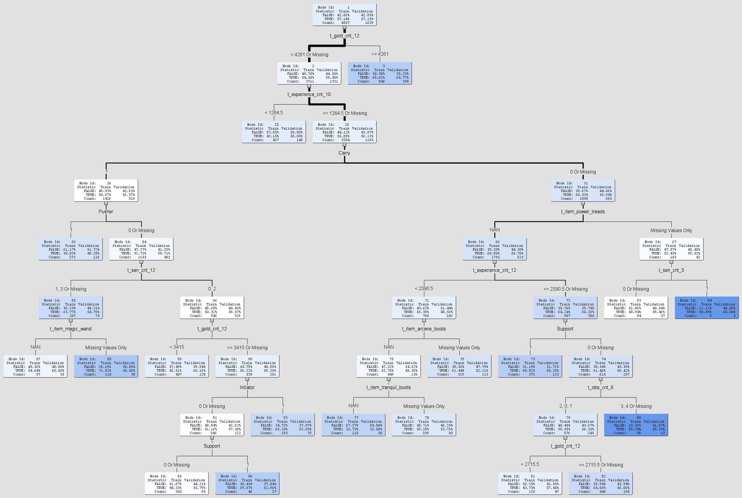
 | Pusher

