API
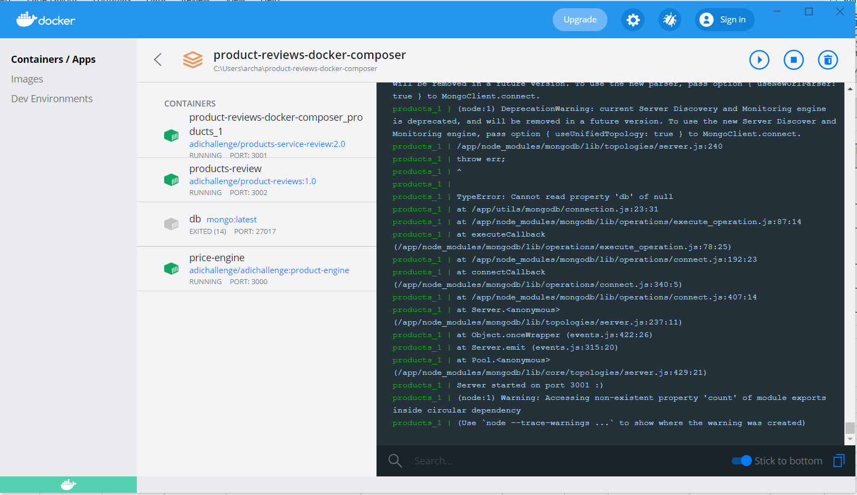
API Name | Test Case ID | Requirement ID | Type | Description OR Procedure | Expected Result | Result | Priority | Automation (Y/N) | Regression (Y/N) | Comments | Defect ID
GET /product | 1 |  | Functional - Usability | Verify that GET gives the http success code 200 and retrieves the product details
POST /product | 2 |  | Functional - Usability | Verify that POST successfully adds the product with different values for the fields
GET /product/{id} | 3 |  | Functional - Usability | Verify that GET product ID retrieves the product with the specific ID
PUT /product/{id} | 4 |  | Functional - Usability | Verify that PUT updates the product details with specific ID
DELETE /product/{id} | 5 |  | Functional - Usability | Verify that DELETE deletes the product with specific ID

NOTE : I was unable to run the APIs because there was the following error from MongoDB.

