A-IRS Summary
SUMMARY RATINGS | SCORE | RISKS | OPPORTUNITIES
QUANTITATIVE | 0
QUALITATIVE | 0
TOTAL SCORE | 0
NUMERIC RATING | 10 | Loss (At least 360 days past due)

Partnership Engagement Manager: | Thel Zapata
Reviewed by: | Rhein Cruz
Endorsed by: | Rhein Cruz
Date review concluded: | 01/26/2024
Recommendation:
Credit Line
Monthly Interest Rate | 4.25%
Collection Date | within 60 days from drawdown
Maturity Date

ESTIMATE
Loan Amount | 1,250,000.00
Processing Fee | 1.00%
Monthly add-on rate | 4.25%
Tenor | 60
Interest Payment | 106,250.00
Documentary Stamp | 1,562.50
Processing Fee | 12,500.00
Total Fees | 120,312.50
Total Amount Due | 1,370,312.50
Effective Interest Rate (EIR) | 9.63%

BUSINESS DETAILS:
Trade Name | ICONSTRATEGIES BPO INC.
Industry | IT INDUSTRY
Business Type | Corporation
Owner | VEENA DALIP
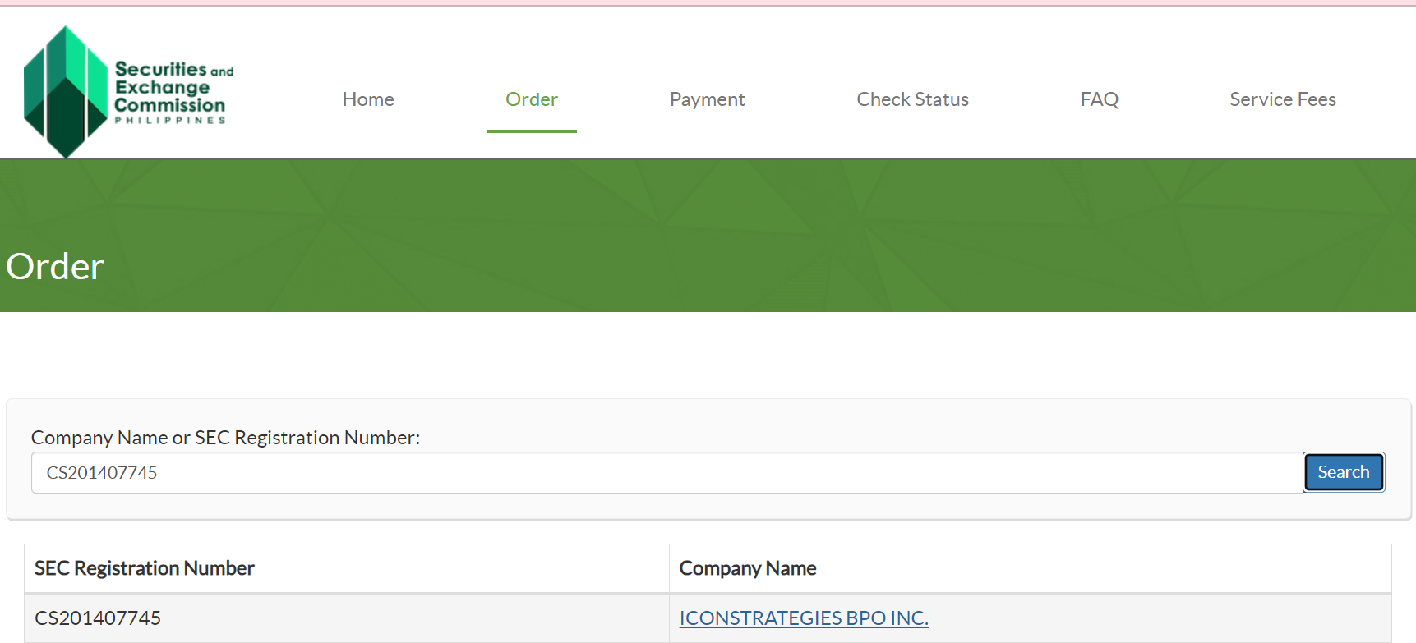
Services | IT Consultancy and Managed Services

Business Address | V OFFICE PHI. INC. LEVEL 10-1 FORT LEGEND TOWER 31ST ST & 3RD AVENUE BONIFACIO GLOBAL TAGUIG CITY

Email Address & Contact no. | iconstrategies2014@gmail.com/gracebayatan63@gmail.com
 | 9562788183

Business Requirements

Important Notes

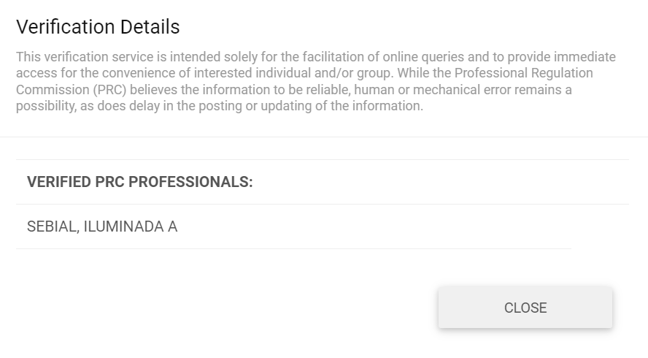

 | Disbursement | with template
 | Advance Account for Business
 | Advance payroll accounts

Financial Ratios Definition
 |  | FINANCIAL STATEMENTS | Alternative term/s
 |  | STATEMENT/S OF FINANCIAL POSITION | BALANCE SHEET
 |  | STATEMENTS OF COMPREHENSIVE INCOME | INCOME STATEMENT/S STATEMENTS OF INCOME
 |  | STATEMENTS OF CASH FLOWS | -

 | LINE ITEM | DESCRIPTION | OTHER TERM/s | WHERE IN FS? | FORMULA | ACCEPTED RATIO Guidelines | Notes
LEVERAGE |  | A leverage ratio is any kind of financial ratio that indicates the level of debt incurred by a business entity against several other accounts in its balance sheet, income statement, or cash flow statement. | Debt Ratio |  | -
 | Total Interest Bearing Liabilities or Financial Debt | Total Liabilities are the combined debts and obligations that an individual or company owes to outside parties. | Total Liabilities | STATEMENT/S OF FINANCIAL POSITION | - | -
 | Total Tangible Net Worth (Equity) | Shareholders' equity is the amount that the owners of a company have invested in their business. | Total Shareholders'Equity/Stockholders' Equity | STATEMENT/S OF FINANCIAL POSITION | Total Assets - Total Liabilities | -
 | Debt to Tangible Net Worth (DTN) | The DTN ratio provides insights into the proportion of a company's financing that comes from debt relative to its tangible net worth. | Debt-to-Equity Ratio | - |  | Generally, ratio < 1 is satisfactory because that means the company has the capability to pay off its debts using all of its tangible net worth. Lower the better.

 | Total Assets | Total assets represent the sum of all the resources owned or controlled by a business, institution, or individual. | None | STATEMENT/S OF FINANCIAL POSITION | Total Liabilities - Total Shareholders' Equity | -
 | Debt-to-Total-Assets (DTA) | The debt-to-total-assets ratio is a financial metric used to evaluate a company's financial leverage. It measures the proportion of a company's assets that are financed by debt. | None | - | Total Liabilities - Total Assets | Generally, ratio < 1 is satisfactory because that means that a greater proportion of the company is funded by equity and has lower risk of default. Lower the better.

 | Ave. Monthly Rev | - | - |  |  | -
 | Total Revenue | Total revenue refers to the overall income generated by a business from its primary operations, such as sales of goods or services. | Gross Revenue/Total Sales/Gross Sales | STATEMENTS OF COMPREHENSIVE INCOME | - | -
 | Debt-to Income-Ratio (DTI) | The Debt-to-Income Ratio (DTI) is a financial metric that measures the proportion of a business' income that goes towards paying debt obligations. | None | - |  | Generally, 35% or less is satisfactory as it deemed that the company’s debt is at a manageable level. Lower the better.

LIQUIDITY |  | A liquidity ratio is a type of financial ratio used to determine a company’s ability to pay its short-term debt obligations. | None |  | -
 | Working Capital | Working capital is the difference between a company's current assets and current liabilities. | None |  | Current Assets - Current Liabilities | -
 | Total Current Assets | Current assets are the resources that a business owns and expects to use or sell within a year. | None | STATEMENT/S OF FINANCIAL POSITION | - | -
 | Total Current Liabilities | Current liabilities are a company's short-term financial obligations that are due within one year or within a normal operating cycle. | None | STATEMENT/S OF FINANCIAL POSITION | - | -
 | Current Ratio (CR) | The current ratio is a liquidity ratio that measures a company's ability to cover its short-term obligations with its current assets. | None | - |  | Generally, ratio > 1 is satisfactory as it indicates that the company’s short term debts are lesser than its liquid assets (easily convertible to cash). Higher the better.

 | Cash and Easily Marketable Securities | Marketable Securities are short-term investments with high liquidity that could be sold and be converted into cash quickly (<90 days). | Cash | STATEMENT/S OF FINANCIAL POSITION | Cash & Cash Equivalents + Marketable Securities + Accounts Receivable | -
 | Cash Ratio | The cash ratio is a liquidity measure that shows a company's ability to cover its short-term obligations using only cash and cash equivalents | Quick Ratio/Acid-Test Ratio | - |  | Generally, ratio > 1 is satisfactory as it indicates that the company’s short term debts are lesser than its liquid assets (easily convertible to cash). Higher the better.

PROFITABILITY |  | Profitability ratios measure a company’s ability to generate profit relative to its sales, assets, and equity. | None
 | Cost of Sales | The cost of sales is the accumulated total of all costs used to create a product or service, which has been sold. | Cost Of Goods /Cost of Services | STATEMENTS OF COMPREHENSIVE INCOME | - | -
 | Cost-to-Sales (%) | A financial metric that assesses the proportion of a company's revenue that is consumed by the cost of producing or purchasing the goods or services sold. | None |  |  | -
 | Operating Expenses | Are the ongoing costs that a business incurs as part of its regular operations to generate revenue. | Operating Costs | STATEMENTS OF COMPREHENSIVE INCOME | - | -
 | Operating Expense to Revenue (%) | A financial metric that measures the efficiency of a company's operations by expressing its operating expenses as a percentage of its revenue. | None |  |  | -
 | Net Profit after Tax (NPaT) | A key financial metric that represents the profit a company has earned after deducting all expenses, taxes, and interest from its total revenue. It is a comprehensive measure of a company's overall profitability. | Net Income/Net Earnings | STATEMENTS OF COMPREHENSIVE INCOME | - | -
 | Net Profit Margin (%) | Net profit margin is a key profitability ratio that measures the percentage of profit a company earns from its total revenue after all expenses, including operating costs, interest, taxes, and other non-operational costs, have been deducted. | None | - |  | Generally, % > 10% is satisfactory as it shows that the company is profitable. Higher the better.

 | Gross Profit | It reflects the profitability of a company's core business operations before considering other operating expenses. | Gross Income | STATEMENTS OF COMPREHENSIVE INCOME | Total Revenue - COS/COGS | -
 | Gross Profit Margin (%) | A company's gross profit margin is the money it makes after accounting for the cost of doing business. | None | - |  | Generally, % > 60% is satisfactory as it shows that the company is profitable. Higher the better.

 | Return on Asset (ROA) (%) | ROA measures how effectively a company is generating profits from its total assets. | None | - |  | Generally, % > 5% is satisfactory as it shows that the company is profitable. Higher the better.
 | Return on Equity (ROE) (%) | ROE is a key financial ratio that provides insights into how well a company is utilizing shareholder capital to generate profits. It is often considered a measure of the efficiency and effectiveness of a company's management in delivering returns to shareholders. | None | - | 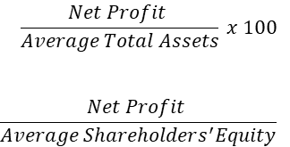 | Generally, % > 20% is satisfactory as it shows that the company is profitable. Higher the better.

COVERAGE |  | Measure of a company's ability to service its debt and meet its financial obligations. | None |  | -
 | Earnings Before Interest and Tax (EBIT) | It is a measure of a company's operating performance that reflects its profitability before taking into account interest expenses and income taxes. | Operating Income | STATEMENTS OF COMPREHENSIVE INCOME | Net Income + Interest Expense + Taxes | - | Interest Expense isn't indicated in the Comprehensive Income itself. It is located in the Notes of the FS. I'm okay with manually entering this figure.
 | Interest Expense* | Interest expense refers to the cost of borrowing money | - | Notes to the Financial Statements | - | -
 | Interest Coverage Ratio (ICR) | Interest coverage is a financial metric that measures a company's ability to meet its interest payments on outstanding debt. It is a ratio that indicates the extent to which a company's earnings can cover its interest expenses. | - | - |  | Generally, ratio > 2 is satisfactory as it indicates that the company has sufficient earnings to cover interest payments. Higher the better.

 | Earnings Before Interest Tax Depreciation Amortization (EBITDA) | Is a metric used to evaluate a company's operating performance. | Opearting Income/Profit | STATEMENTS OF COMPREHENSIVE INCOME + STATEMENTS OF CASH FLOWS | EBIT + Depreciation + Amortization | - | Depreciation and Amortization can be found on the Statement of Cash Flows.
 | Debt Service Coverage Ratio (DSCR) | The Debt Service Coverage Ratio (DSCR) is a financial metric used to evaluate a company's ability to cover its debt obligations, particularly interest and principal payments, with its operating income. | None | - |  | Generally, ratio > 1.5 is satisfactory as it indicates that the company has sufficient earnings to cover debt obligations. Higher the better.

 | Operating Cash Flow (OCF) | Operating Cash Flow (OCF) is a measure of the amount of cash generated by a company's normal business operations. | Net Cash Provided by/(Used) in Operating Activities or Cash Flow From Operations | STATEMENTS OF CASH FLOWS | - | -
 | Operating Cash Flow to Financial Debt Ratio (ODCR) | The Operating Cash to Debt Ratio measures the percentage of a company's total debt that is covered by its operating cash flow for a given accounting period. | - | - |  | Generally, ratio > 1 is satisfactory as it shows that the company has sufficient cashflow to cover debt obligations. Higher the better.

 | Intangible Asset* | An intangible asset is an asset that is not physical in nature, such as a patent, brand, trademark, or copyright. | - | STATEMENT/S OF FINANCIAL POSITION | -
 | Short-Term Debt | Is a firm's financial obligations that are expected to be paid off within a year. | Current Liabilities | STATEMENT/S OF FINANCIAL POSITION
 | Asset Coverage Ratio (ACR) | The asset coverage ratio is a financial metric that measures how well a company can repay its debts by selling or liquidating its assets. |  | - |  | Generally, ratio > 1 is satisfactory as it shows that the company has sufficient cashflow to cover debt obligations. Higher the better.

OPERATIONAL EFFICIENCY |  | Efficiency ratios are metrics that are used in analyzing a company's ability to effectively employ its resources, such as capital and assets, to produce income.
 | Total Accounts Receivable | Accounts receivable (AR) are the balance of money due to a firm for goods or services delivered or used but not yet paid for by customers. | Receivables | STATEMENT/S OF FINANCIAL POSITION | -
 | Accounts Receivable Turnover Ratio | It measures how efficiently a company is collecting revenue – and by extension, how efficiently it is using its assets. The accounts receivable turnover ratio measures the number of times over a given period that a company collects its average accounts receivable. |  | -
 | Days Sales Outstanding (DSO) | Days sales outstanding (DSO) is the average number of days it takes a company to receive payment for a sale. | Trade Debtor Collection Days (TDCD) | - |  | Generally, ratio > 1 is satisfactory as it indicates clients pay on time and the the company’s strength to collect. Higher the better.

 | Accounts Payable | Accounts payable (AP), or "payables," refer to a company's short-term obligations owed to its creditors or suppliers, which have not yet been paid | Trade Payables | STATEMENT/S OF FINANCIAL POSITION | -
 | Accounts Payable Turnover Ratio | The accounts payable turnover ratio is a short-term liquidity measure used to quantify the rate at which a company pays off its suppliers. | - | -
 | Days Payable Outstanding (DPO) | Days payable outstanding (DPO) is a financial ratio that indicates the average time (in days) that a company takes to pay its bills and invoices to its trade creditors, which may include suppliers, vendors, or financiers. | - | - |  | Generally, ratio > 1 is satisfactory as it indicates clients pay on time and the the company’s strength to collect. Higher the better.

 | Inventory* | The term inventory refers to the raw materials used in production as well as the goods produced that are available for sale. | - | STATEMENT/S OF FINANCIAL POSITION | -
 | Inventory Turnover Ratio | Inventory turnover, or the inventory turnover ratio, is the number of times a business sells and replaces its stock of goods during a given period. | - | -
 | Days Sales Inventory (DSI)* | Days sales of inventory (DSI) is the average number of days it takes for a firm to sell off inventory. DSI is a metric that analysts use to determine the efficiency of sales. | - | - |  | Generally, ratio > 1 is satisfactory as it indicates clients pay on time and the the company’s strength to collect. Higher the better.
 |  |  |  | -
 | Asset Turnover Ratio | Measures the efficiency with which a company uses its assets to produce sales. | - | - |  | Generally, ratio > 1 is satisfactory because that means the company can generate enough revenue for itself. Higher the better.

EARNINGS QUALITY |  | The quality of earnings ratio, or “QoE ratio”, is utilized to measure how reliable a company's reported net income is by comparing it to its cash from operations. | - |  | -
 | Operating Cash Flow to Sales (OCFS) | It shows the ability of a company to turn its sales into cash. | - | - |  | Generally, % > 20% to 50% is satisfactory as it shows the company’s ability to convert sales directly into cash which provides opportunity for growth and reinvestment. Higher the better.

*Not all FS have this line item

