Overview
 | WTP_CBD_h | WTP_CBD_m | WTP_CBD_l | WTP_MIX_h | WTP_MIX_m | WTP_MIX_l | WTP_RES_h | WTP_RES_m | WTP_RES_l
Absolute cost deviation from optimum | 3559 | 1955 | 1425 | 1006 | 404 | 906 | 0 | 0 | 0
% Cost deviation from optimum | 0.03% | 0.02% | 0.03% | 0.01% | 0.01% | 0.02% | 0.00% | 0.00% | 0.00%
Total span | 40780 | 38668 | 27043 | 11138 | 18776 | 14185 | 20712 | 19028 | 15441
% Placement within span | 9% | 5% | 5% | 9% | 2% | 6% | 0% | 0% | 0%

Validation of Anchor Load Plant Placement Assumption

WTP_CBD_h
 | individual | opex | capex | opex_heat | opex_pump | opex_dis_loads | opex_dis_build | opex_plant | opex_hex | capex_network | capex_hex | capex_pump | capex_dis_loads | capex_dis_build | capex_plant | total | plant_buildings | number_of_plants | supplied_loads | disconnected_buildings | has_loops
7 | [0.0, 0.0, 0.0, 0.0, 0.0, 0.0, 0.0, 0.0, 0.0, 0.0, 1.0, 0.0, 0.0, 0.0, 0.0, 0.0] | 10302235 | 80961 | 10264825 | 33313 | 0 | 0 | 186 | 3911 | 41820 | 15066 | 20357 | 0 | 0 | 3718 | 10383196 | B005 | 1 | ahuaruscu |  | 0
6 | [0.0, 0.0, 0.0, 0.0, 0.0, 0.0, 1.0, 0.0, 0.0, 0.0, 0.0, 0.0, 0.0, 0.0, 0.0, 0.0] | 10303102 | 81486 | 10264821 | 34183 | 0 | 0 | 186 | 3911 | 42253 | 15066 | 20449 | 0 | 0 | 3718 | 10384588 | B001 | 1 | ahuaruscu |  | 0
4 | [0.0, 0.0, 0.0, 0.0, 0.0, 0.0, 0.0, 0.0, 0.0, 1.0, 0.0, 0.0, 0.0, 0.0, 0.0, 0.0] | 10304349 | 80418 | 10264830 | 35422 | 0 | 0 | 186 | 3911 | 41443 | 15066 | 20191 | 0 | 0 | 3718 | 10384767 | B004 | 1 | ahuaruscu |  | 0
8 | [0.0, 0.0, 0.0, 0.0, 0.0, 0.0, 0.0, 0.0, 0.0, 0.0, 0.0, 0.0, 0.0, 1.0, 0.0, 0.0] | 10305107 | 80413 | 10264838 | 36171 | 0 | 0 | 186 | 3911 | 41238 | 15066 | 20390 | 0 | 0 | 3718 | 10385519 | B008 | 1 | ahuaruscu |  | 0
1 | [0.0, 0.0, 0.0, 0.0, 0.0, 0.0, 0.0, 0.0, 0.0, 0.0, 0.0, 1.0, 0.0, 0.0, 0.0, 0.0] | 10306072 | 80683 | 10264838 | 37137 | 0 | 0 | 186 | 3911 | 41611 | 15066 | 20287 | 0 | 0 | 3718 | 10386755 | B006 | 1 | ahuaruscu |  | 0
9 | [0.0, 0.0, 0.0, 0.0, 0.0, 0.0, 0.0, 1.0, 0.0, 0.0, 0.0, 0.0, 0.0, 0.0, 0.0, 0.0] | 10307238 | 88110 | 10264862 | 38278 | 0 | 0 | 186 | 3911 | 50276 | 15066 | 19050 | 0 | 0 | 3718 | 10395348 | B002 | 1 | ahuaruscu |  | 0
5 | [0.0, 0.0, 0.0, 0.0, 0.0, 0.0, 0.0, 0.0, 0.0, 0.0, 0.0, 0.0, 0.0, 0.0, 1.0, 0.0] | 10315704 | 82147 | 10264762 | 46845 | 0 | 0 | 186 | 3911 | 43233 | 15066 | 20130 | 0 | 0 | 3718 | 10397851 | B009 | 1 | ahuaruscu |  | 0
2 | [0.0, 0.0, 0.0, 0.0, 0.0, 0.0, 0.0, 0.0, 1.0, 0.0, 0.0, 0.0, 0.0, 0.0, 0.0, 0.0] | 10314912 | 93623 | 10264921 | 45893 | 0 | 0 | 186 | 3911 | 56878 | 15066 | 17961 | 0 | 0 | 3718 | 10408535 | B003 | 1 | ahuaruscu |  | 0
3 | [0.0, 0.0, 0.0, 0.0, 0.0, 0.0, 0.0, 0.0, 0.0, 0.0, 0.0, 0.0, 1.0, 0.0, 0.0, 0.0] | 10324320 | 84386 | 10264688 | 55534 | 0 | 0 | 186 | 3911 | 45355 | 15066 | 20247 | 0 | 0 | 3718 | 10408705 | B007 | 1 | ahuaruscu |  | 0
0 | [0.0, 0.0, 0.0, 0.0, 0.0, 0.0, 0.0, 0.0, 0.0, 0.0, 0.0, 0.0, 0.0, 0.0, 0.0, 1.0] | 10332404 | 91572 | 10264608 | 63698 | 0 | 0 | 186 | 3911 | 55372 | 15066 | 17416 | 0 | 0 | 3718 | 10423976 | B010 | 1 | ahuaruscu |  | 0
 |  | 30169 | 10611 | -216 | 30385 | 0 | 0 | 0 | 0 | 13552 | 0 | -2941 | 0 | 0 | 0 | 40780
 | Anchor Load
 | Price deviation from minimum: | Absolute |  | Span
 | 0.03% | 3559 |  | 40780

 | Price deviation maximum to minimum:
 | 0.39%
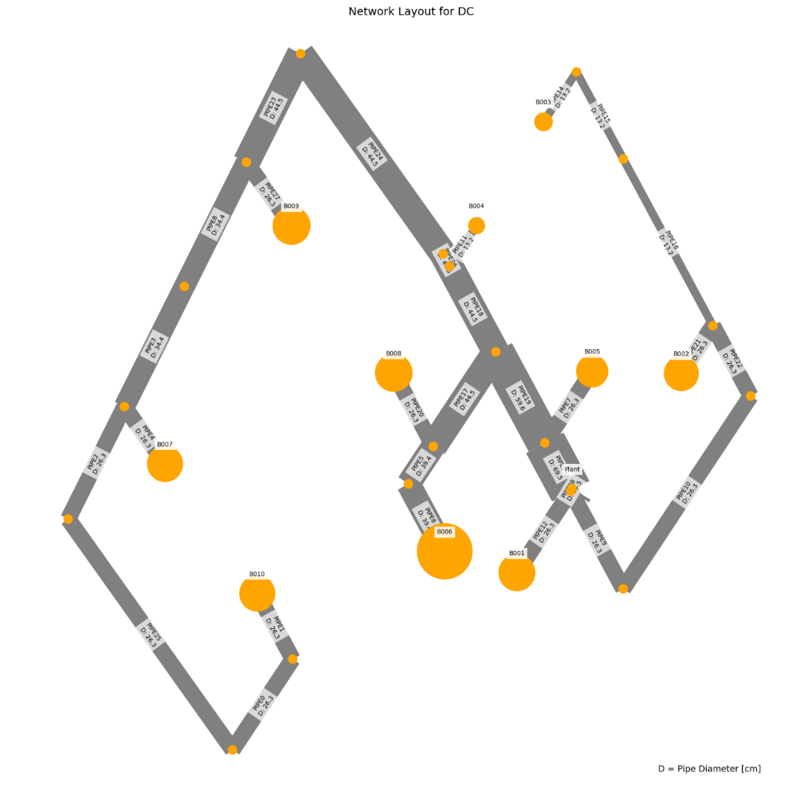
 | Anchor load deviation relative to total cost deviation: |  |  |  |  |  |  |  |  |  |  |  |  |  |  | Todo: Update Network image
 | 9%
Total annualized cost

WTP_CBD_m
 | individual | opex | capex | opex_heat | opex_pump | opex_dis_loads | opex_dis_build | opex_plant | opex_hex | capex_network | capex_hex | capex_pump | capex_dis_loads | capex_dis_build | capex_plant | total | plant_buildings | number_of_plants | supplied_loads | disconnected_buildings | has_loops
9 | [0.0, 0.0, 0.0, 0.0, 0.0, 0.0, 0.0, 0.0, 0.0, 0.0, 1.0, 0.0, 0.0, 0.0, 0.0, 0.0] | 7786786.2964 | 67096.081491 | 7758690.5562 | 25030.348168 | 0 | 0 | 139.01866928 | 2926.3733317 | 39153.954455 | 11589.597353 | 13572.156297 | 0 | 0 | 2780.3733856 | 7853882 | B005 | 1 | ahuaruscu |  | 0
3 | [0.0, 0.0, 0.0, 0.0, 0.0, 0.0, 1.0, 0.0, 0.0, 0.0, 0.0, 0.0, 0.0, 0.0, 0.0, 0.0] | 7787221.872 | 67538.097973 | 7758696.5678 | 25459.912228 | 0 | 0 | 139.01868271 | 2926.3733317 | 39571.178687 | 11589.597353 | 13596.948279 | 0 | 0 | 2780.3736542 | 7854760 | B001 | 1 | ahuaruscu |  | 0
6 | [0.0, 0.0, 0.0, 0.0, 0.0, 0.0, 0.0, 0.0, 0.0, 0.0, 0.0, 0.0, 0.0, 1.0, 0.0, 0.0] | 7788310.7987 | 66707.108595 | 7758690.2842 | 26555.122489 | 0 | 0 | 139.01871627 | 2926.3733317 | 38989.83453 | 11589.597353 | 13347.302387 | 0 | 0 | 2780.3743255 | 7855018 | B008 | 1 | ahuaruscu |  | 0
4 | [0.0, 0.0, 0.0, 0.0, 0.0, 0.0, 0.0, 0.0, 0.0, 1.0, 0.0, 0.0, 0.0, 0.0, 0.0, 0.0] | 7788506.1014 | 66783.558883 | 7758681.1714 | 26759.537971 | 0 | 0 | 139.01872746 | 2926.3733317 | 38934.322338 | 11589.597353 | 13479.264643 | 0 | 0 | 2780.3745492 | 7855290 | B004 | 1 | ahuaruscu |  | 0
0 | [0.0, 0.0, 0.0, 0.0, 0.0, 0.0, 0.0, 0.0, 0.0, 0.0, 0.0, 1.0, 0.0, 0.0, 0.0, 0.0] | 7788924.4761 | 66912.749019 | 7758697.5958 | 27161.488195 | 0 | 0 | 139.01875879 | 2926.3733317 | 39349.127492 | 11589.597353 | 13193.648998 | 0 | 0 | 2780.3751758 | 7855837 | B006 | 1 | ahuaruscu |  | 0
8 | [0.0, 0.0, 0.0, 0.0, 0.0, 0.0, 0.0, 0.0, 0.0, 0.0, 0.0, 0.0, 0.0, 0.0, 1.0, 0.0] | 7798195.2867 | 67943.438628 | 7758581.0244 | 36548.870059 | 0 | 0 | 139.01887067 | 2926.3733317 | 39942.706454 | 11589.597353 | 13630.757407 | 0 | 0 | 2780.3774134 | 7866139 | B009 | 1 | ahuaruscu |  | 0
7 | [0.0, 0.0, 0.0, 0.0, 0.0, 0.0, 0.0, 1.0, 0.0, 0.0, 0.0, 0.0, 0.0, 0.0, 0.0, 0.0] | 7795352.8603 | 73506.912044 | 7758702.7566 | 33584.711751 | 0 | 0 | 139.01866033 | 2926.3733317 | 45511.39488 | 11589.597353 | 13625.546604 | 0 | 0 | 2780.3732066 | 7868860 | B002 | 1 | ahuaruscu |  | 0
2 | [0.0, 0.0, 0.0, 0.0, 0.0, 0.0, 0.0, 0.0, 0.0, 0.0, 0.0, 0.0, 1.0, 0.0, 0.0, 0.0] | 7804245.6556 | 69774.421597 | 7758547.6138 | 42632.649294 | 0 | 0 | 139.01918842 | 2926.3733317 | 41988.227532 | 11589.597353 | 13416.212943 | 0 | 0 | 2780.3837684 | 7874020 | B007 | 1 | ahuaruscu |  | 0
5 | [0.0, 0.0, 0.0, 0.0, 0.0, 0.0, 0.0, 0.0, 1.0, 0.0, 0.0, 0.0, 0.0, 0.0, 0.0, 0.0] | 7804360.838 | 78715.181289 | 7758735.4782 | 42559.967286 | 0 | 0 | 139.01921975 | 2926.3733317 | 50729.155409 | 11589.597353 | 13616.044133 | 0 | 0 | 2780.3843949 | 7883076 | B003 | 1 | ahuaruscu |  | 0
1 | [0.0, 0.0, 0.0, 0.0, 0.0, 0.0, 0.0, 0.0, 0.0, 0.0, 0.0, 0.0, 0.0, 0.0, 0.0, 1.0] | 7815846.5623 | 76703.667838 | 7758426.4116 | 54354.757885 | 0 | 0 | 139.01950393 | 2926.3733317 | 49404.970411 | 11589.597353 | 12928.709995 | 0 | 0 | 2780.3900786 | 7892550 | B010 | 1 | ahuaruscu |  | 0


 | Anchor Load
 | Price deviation from minimum: | Absolute |  | Span
 | 0.02% | 1955 |  | 38668

 | Price deviation maximum to minimum:
 | 0.49%

 | Anchor load deviation relative to total cost deviation:
 | 5%
Total Cost

WTP_CBD_l
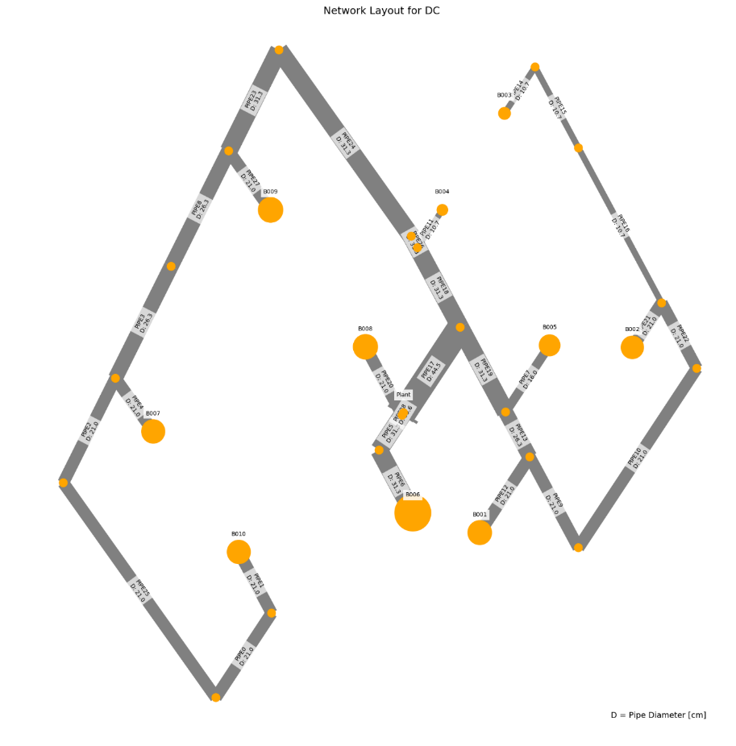
 | individual | opex | capex | opex_heat | opex_pump | opex_dis_loads | opex_dis_build | opex_plant | opex_hex | capex_network | capex_hex | capex_pump | capex_dis_loads | capex_dis_build | capex_plant | total | plant_buildings | number_of_plants | supplied_loads | disconnected_buildings | has_loops
6 | [0.0, 0.0, 0.0, 0.0, 0.0, 0.0, 0.0, 0.0, 0.0, 0.0, 1.0, 0.0, 0.0, 0.0, 0.0, 0.0] | 5251334.257 | 56600.012839 | 5227792.1628 | 21141.83713 | 0 | 0 | 96.824581295 | 2303.4324739 | 32528.288669 | 8692.1980148 | 13443.03453 | 0 | 0 | 1936.4916259 | 5307934 | B005 | 1 | ahuaruscu |  | 0
2 | [0.0, 0.0, 0.0, 0.0, 0.0, 0.0, 1.0, 0.0, 0.0, 0.0, 0.0, 0.0, 0.0, 0.0, 0.0, 0.0] | 5251251.058 | 57014.810267 | 5227793.1596 | 21057.641347 | 0 | 0 | 96.824565174 | 2303.4324739 | 32986.340743 | 8692.1980148 | 13399.780206 | 0 | 0 | 1936.4913035 | 5308266 | B001 | 1 | ahuaruscu |  | 0
4 | [0.0, 0.0, 0.0, 0.0, 0.0, 0.0, 0.0, 0.0, 0.0, 0.0, 0.0, 0.0, 0.0, 1.0, 0.0, 0.0] | 5252347.7975 | 56200.552384 | 5227798.2986 | 22149.241793 | 0 | 0 | 96.824664208 | 2303.4324739 | 32313.580322 | 8692.1980148 | 13258.280763 | 0 | 0 | 1936.4932842 | 5308548 | B008 | 1 | ahuaruscu |  | 0
5 | [0.0, 0.0, 0.0, 0.0, 0.0, 0.0, 0.0, 0.0, 0.0, 1.0, 0.0, 0.0, 0.0, 0.0, 0.0, 0.0] | 5252406.8784 | 56225.510602 | 5227786.621 | 22220.000212 | 0 | 0 | 96.824673421 | 2303.4324739 | 32246.090451 | 8692.1980148 | 13350.728667 | 0 | 0 | 1936.4934684 | 5308632 | B004 | 1 | ahuaruscu |  | 0
1 | [0.0, 0.0, 0.0, 0.0, 0.0, 0.0, 0.0, 0.0, 0.0, 0.0, 0.0, 1.0, 0.0, 0.0, 0.0, 0.0] | 5252901.708 | 56457.118948 | 5227802.4236 | 22699.027266 | 0 | 0 | 96.824694149 | 2303.4324739 | 32579.762944 | 8692.1980148 | 13248.664106 | 0 | 0 | 1936.493883 | 5309359 | B006 | 1 | ahuaruscu |  | 0
0 | [0.0, 0.0, 0.0, 0.0, 0.0, 0.0, 0.0, 0.0, 0.0, 0.0, 0.0, 0.0, 0.0, 0.0, 1.0, 0.0] | 5257537.0498 | 57283.15331 | 5227706.423 | 27430.369318 | 0 | 0 | 96.824988948 | 2303.4324739 | 33472.050215 | 8692.1980148 | 13182.405302 | 0 | 0 | 1936.499779 | 5314820 | B009 | 1 | ahuaruscu |  | 0
3 | [0.0, 0.0, 0.0, 0.0, 0.0, 0.0, 0.0, 0.0, 0.0, 0.0, 0.0, 0.0, 1.0, 0.0, 0.0, 0.0] | 5260114.7488 | 58921.01994 | 5227652.3088 | 30062.182371 | 0 | 0 | 96.825187017 | 2303.4324739 | 35717.73755 | 8692.1980148 | 12574.580635 | 0 | 0 | 1936.5037403 | 5319036 | B007 | 1 | ahuaruscu |  | 0
9 | [0.0, 0.0, 0.0, 0.0, 0.0, 0.0, 0.0, 1.0, 0.0, 0.0, 0.0, 0.0, 0.0, 0.0, 0.0, 0.0] | 5259071.2037 | 61339.56683 | 5227823.8462 | 28847.100329 | 0 | 0 | 96.824682633 | 2303.4324739 | 37577.498796 | 8692.1980148 | 13133.376366 | 0 | 0 | 1936.4936527 | 5320411 | B002 | 1 | ahuaruscu |  | 0
8 | [0.0, 0.0, 0.0, 0.0, 0.0, 0.0, 0.0, 0.0, 1.0, 0.0, 0.0, 0.0, 0.0, 0.0, 0.0, 0.0] | 5263974.1754 | 65261.99492 | 5227895.297 | 33678.620392 | 0 | 0 | 96.825527878 | 2303.4324739 | 42178.92163 | 8692.1980148 | 12454.364718 | 0 | 0 | 1936.5105576 | 5329236 | B003 | 1 | ahuaruscu |  | 0
7 | [0.0, 0.0, 0.0, 0.0, 0.0, 0.0, 0.0, 0.0, 0.0, 0.0, 0.0, 0.0, 0.0, 0.0, 0.0, 1.0] | 5271358.5351 | 63618.500644 | 5227558.41 | 41399.866907 | 0 | 0 | 96.825702914 | 2303.4324739 | 41450.094369 | 8692.1980148 | 11539.694203 | 0 | 0 | 1936.5140583 | 5334977 | B010 | 1 | ahuaruscu |  | 0

 | Anchor Load
 | Price deviation from minimum: | Absolute |  | Span
 | 0.03% | 1425 |  | 27043

 | Price deviation maximum to minimum:
 | 0.51%

 | Anchor load deviation relative to total cost deviation:
 | 5%

WTP_MIX_h
 | individual | opex | capex | opex_heat | opex_pump | opex_dis_loads | opex_dis_build | opex_plant | opex_hex | capex_network | capex_hex | capex_pump | capex_dis_loads | capex_dis_build | capex_plant | total | plant_buildings | number_of_plants | supplied_loads | disconnected_buildings | has_loops
9 | [0.0, 0.0, 0.0, 0.0, 0.0, 0.0, 0.0, 0.0, 0.0, 0.0, 0.0, 1.0, 0.0, 0.0, 0.0, 0.0] | 8860592.2853 | 73947.630005 | 8808679.7414 | 47558.183985 | 0 | 0 | 153 | 4201 | 45156 | 12459 | 13270 | 0 | 0 | 3063 | 8934540 | B006 | 1 | ahuaruscu |  | 0
8 | [0.0, 0.0, 0.0, 0.0, 0.0, 0.0, 0.0, 0.0, 0.0, 0.0, 0.0, 0.0, 0.0, 1.0, 0.0, 0.0] | 8861082.8152 | 73611.380197 | 8808678.3812 | 48050.074078 | 0 | 0 | 153 | 4201 | 44677 | 12459 | 13413 | 0 | 0 | 3063 | 8934694 | B008 | 1 | ahuaruscu |  | 0
3 | [0.0, 0.0, 0.0, 0.0, 0.0, 0.0, 0.0, 0.0, 0.0, 0.0, 1.0, 0.0, 0.0, 0.0, 0.0, 0.0] | 8859119.7273 | 75686.956153 | 8808679.7086 | 46085.658939 | 0 | 0 | 153 | 4201 | 47021 | 12459 | 13144 | 0 | 0 | 3063 | 8934807 | B005 | 1 | ahuaruscu |  | 0
2 | [0.0, 0.0, 0.0, 0.0, 0.0, 0.0, 1.0, 0.0, 0.0, 0.0, 0.0, 0.0, 0.0, 0.0, 0.0, 0.0] | 8862194.7593 | 73350.905411 | 8808685.706 | 49154.693297 | 0 | 0 | 153 | 4201 | 44187 | 12459 | 13643 | 0 | 0 | 3063 | 8935546 | B001 | 1 | ahuaruscu |  | 0
1 | [0.0, 0.0, 0.0, 0.0, 0.0, 0.0, 0.0, 0.0, 1.0, 0.0, 0.0, 0.0, 0.0, 0.0, 0.0, 0.0] | 8860893.2469 | 74882.731371 | 8808683.1994 | 47855.687704 | 0 | 0 | 153 | 4201 | 46145 | 12459 | 13217 | 0 | 0 | 3063 | 8935776 | B003 | 1 | ahuaruscu |  | 0
6 | [0.0, 0.0, 0.0, 0.0, 0.0, 0.0, 0.0, 0.0, 0.0, 0.0, 0.0, 0.0, 1.0, 0.0, 0.0, 0.0] | 8862693.1738 | 73115.002632 | 8808676.3122 | 49662.501614 | 0 | 0 | 153 | 4201 | 43841 | 12459 | 13752 | 0 | 0 | 3063 | 8935808 | B007 | 1 | ahuaruscu |  | 0
0 | [0.0, 0.0, 0.0, 0.0, 0.0, 0.0, 0.0, 0.0, 0.0, 1.0, 0.0, 0.0, 0.0, 0.0, 0.0, 0.0] | 8864290.0579 | 74143.967401 | 8808665.716 | 51269.981863 | 0 | 0 | 153 | 4201 | 44952 | 12459 | 13671 | 0 | 0 | 3063 | 8938434 | B004 | 1 | ahuaruscu |  | 0
7 | [0.0, 0.0, 0.0, 0.0, 0.0, 0.0, 0.0, 0.0, 0.0, 0.0, 0.0, 0.0, 0.0, 0.0, 1.0, 0.0] | 8865228.24 | 74494.946326 | 8808689.7114 | 52184.168342 | 0 | 0 | 153 | 4201 | 45899 | 12459 | 13075 | 0 | 0 | 3063 | 8939723 | B009 | 1 | ahuaruscu |  | 0
5 | [0.0, 0.0, 0.0, 0.0, 0.0, 0.0, 0.0, 0.0, 0.0, 0.0, 0.0, 0.0, 0.0, 0.0, 0.0, 1.0] | 8864726.428 | 77990.623698 | 8808619.4832 | 51752.585035 | 0 | 0 | 153 | 4201 | 48979 | 12459 | 13490 | 0 | 0 | 3063 | 8942717 | B010 | 1 | ahuaruscu |  | 0
4 | [0.0, 0.0, 0.0, 0.0, 0.0, 0.0, 0.0, 1.0, 0.0, 0.0, 0.0, 0.0, 0.0, 0.0, 0.0, 0.0] | 8867050.8807 | 78627.440116 | 8808614.9904 | 54081.530541 | 0 | 0 | 153 | 4201 | 49545 | 12459 | 13561 | 0 | 0 | 3063 | 8945678 | B002 | 1 | ahuaruscu |  | 0

 | Anchor Load
 | Price deviation from minimum: | Absolute |  | Span
 | 0.01% | 1006 |  | 11138

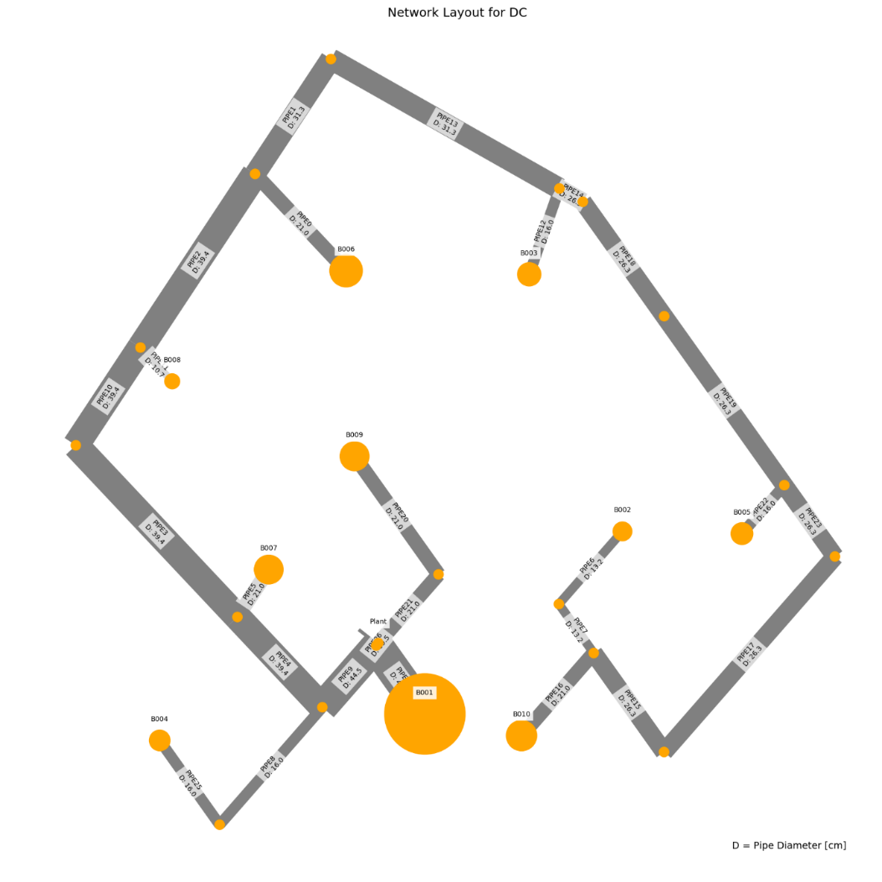
 | Price deviation maximum to minimum:
 | 0.12%

 | Anchor load deviation relative to total cost deviation:
 | 9%

WTP_MIX_m
 | individual | opex | capex | opex_heat | opex_pump | opex_dis_loads | opex_dis_build | opex_plant | opex_hex | capex_network | capex_hex | capex_pump | capex_dis_loads | capex_dis_build | capex_plant | total | plant_buildings | number_of_plants | supplied_loads | disconnected_buildings | has_loops
1 | [0.0, 0.0, 0.0, 0.0, 0.0, 0.0, 0.0, 0.0, 0.0, 0.0, 0.0, 0.0, 1.0, 0.0, 0.0, 0.0] | 6703363.8382 | 64412.810105 | 6664288.4492 | 35758.20284 | 0 | 0 | 115.55988312 | 3201.6262688 | 41418.601163 | 9561.4178163 | 11121.593463 | 0 | 0 | 2311.1976625 | 6767777 | B007 | 1 | ahuaruscu |  | 0
4 | [0.0, 0.0, 0.0, 0.0, 0.0, 0.0, 1.0, 0.0, 0.0, 0.0, 0.0, 0.0, 0.0, 0.0, 0.0, 0.0] | 6703566.8355 | 64613.391471 | 6664292.5048 | 35957.144514 | 0 | 0 | 115.55994733 | 3201.6262688 | 41613.387852 | 9561.4178163 | 11127.386857 | 0 | 0 | 2311.1989467 | 6768180 | B001 | 1 | ahuaruscu |  | 0
0 | [0.0, 0.0, 0.0, 0.0, 0.0, 0.0, 0.0, 0.0, 0.0, 1.0, 0.0, 0.0, 0.0, 0.0, 0.0, 0.0] | 6705562.1886 | 65345.440392 | 6664268.1822 | 37976.820238 | 0 | 0 | 115.55993183 | 3201.6262688 | 42241.240674 | 9561.4178163 | 11231.583265 | 0 | 0 | 2311.1986367 | 6770908 | B004 | 1 | ahuaruscu |  | 0
3 | [0.0, 0.0, 0.0, 0.0, 0.0, 0.0, 0.0, 0.0, 0.0, 0.0, 0.0, 0.0, 0.0, 1.0, 0.0, 0.0] | 6706345.6005 | 64618.986576 | 6664284.1222 | 38744.292261 | 0 | 0 | 115.5598012 | 3201.6262688 | 41418.601163 | 9561.4178163 | 11327.771573 | 0 | 0 | 2311.196024 | 6770965 | B008 | 1 | ahuaruscu |  | 0
8 | [0.0, 0.0, 0.0, 0.0, 0.0, 0.0, 0.0, 0.0, 0.0, 0.0, 0.0, 0.0, 0.0, 0.0, 1.0, 0.0] | 6705870.6309 | 65335.923297 | 6664310.705 | 38242.739369 | 0 | 0 | 115.5602706 | 3201.6262688 | 43057.853692 | 9561.4178163 | 10405.446377 | 0 | 0 | 2311.2054119 | 6771207 | B009 | 1 | ahuaruscu |  | 0
5 | [0.0, 0.0, 0.0, 0.0, 0.0, 0.0, 0.0, 0.0, 0.0, 0.0, 0.0, 1.0, 0.0, 0.0, 0.0, 0.0] | 6708524.921 | 64862.203698 | 6664281.7928 | 40925.94214 | 0 | 0 | 115.55975913 | 3201.6262688 | 41418.601163 | 9561.4178163 | 11570.989536 | 0 | 0 | 2311.1951826 | 6773387 | B006 | 1 | ahuaruscu |  | 0
2 | [0.0, 0.0, 0.0, 0.0, 0.0, 0.0, 0.0, 0.0, 1.0, 0.0, 0.0, 0.0, 0.0, 0.0, 0.0, 0.0] | 6709898.0954 | 65170.911029 | 6664268.8912 | 42312.018323 | 0 | 0 | 115.55961521 | 3201.6262688 | 41418.601163 | 9561.4178163 | 11879.699746 | 0 | 0 | 2311.1923042 | 6775069 | B003 | 1 | ahuaruscu |  | 0
9 | [0.0, 0.0, 0.0, 0.0, 0.0, 0.0, 0.0, 0.0, 0.0, 0.0, 1.0, 0.0, 0.0, 0.0, 0.0, 0.0] | 6712591.0648 | 65639.592538 | 6664258.4972 | 45015.381804 | 0 | 0 | 115.55948458 | 3201.6262688 | 41418.601163 | 9561.4178163 | 12348.383867 | 0 | 0 | 2311.1896916 | 6778231 | B005 | 1 | ahuaruscu |  | 0
7 | [0.0, 0.0, 0.0, 0.0, 0.0, 0.0, 0.0, 0.0, 0.0, 0.0, 0.0, 0.0, 0.0, 0.0, 0.0, 1.0] | 6716065.952 | 68221.239093 | 6664201.7142 | 48547.052012 | 0 | 0 | 115.5595665 | 3201.6262688 | 43862.275228 | 9561.4178163 | 12486.354719 | 0 | 0 | 2311.19133 | 6784287 | B010 | 1 | ahuaruscu |  | 0
6 | [0.0, 0.0, 0.0, 0.0, 0.0, 0.0, 0.0, 1.0, 0.0, 0.0, 0.0, 0.0, 0.0, 0.0, 0.0, 0.0] | 6717785.1081 | 68767.954405 | 6664195.6504 | 50272.271887 | 0 | 0 | 115.55958864 | 3201.6262688 | 44443.012615 | 9561.4178163 | 12452.332201 | 0 | 0 | 2311.1917728 | 6786553 | B002 | 1 | ahuaruscu |  | 0
 |  | 14421 | 4355 | -93 | 14514 | 0 | 0 | 0 | 0 | 3024 | 0 | 1331 | 0 | 0 | 0 | 18776
 | Anchor Load
 | Price deviation from minimum: | Absolute |  | Span
 | 0.01% | 404 |  | 18776
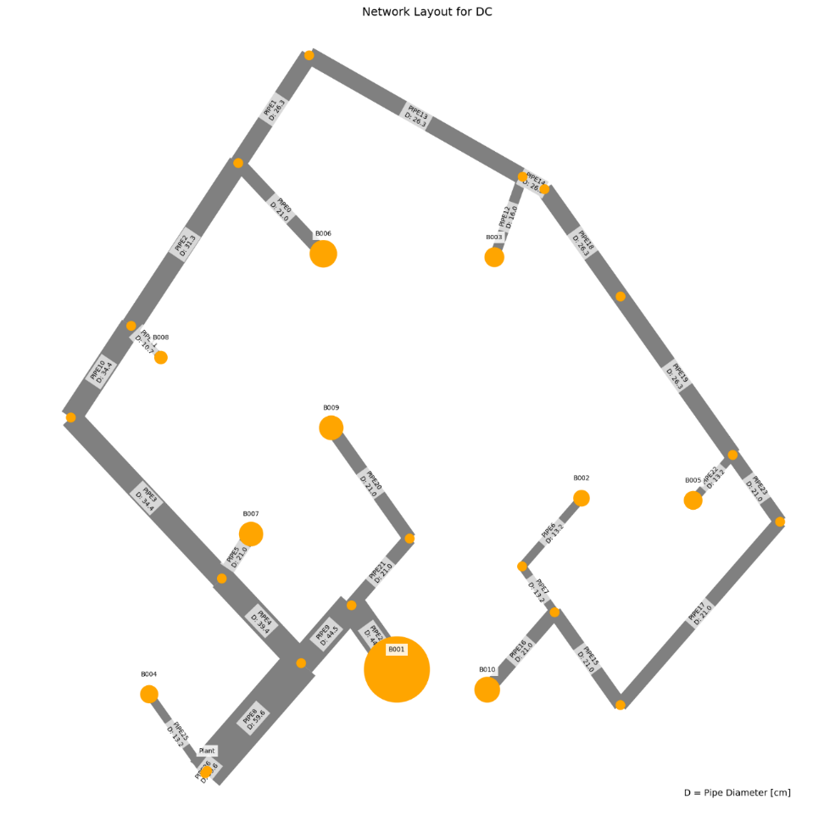
 | Price deviation maximum to minimum:
 | 0.28%

 | Anchor load deviation relative to total cost deviation:
 | 2%

WTP_mix_l
 | individual | opex | capex | opex_heat | opex_pump | opex_dis_loads | opex_dis_build | opex_plant | opex_hex | capex_network | capex_hex | capex_pump | capex_dis_loads | capex_dis_build | capex_plant | total | plant_buildings | number_of_plants | supplied_loads | disconnected_buildings | has_loops
5 | [0.0, 0.0, 0.0, 0.0, 0.0, 0.0, 0.0, 0.0, 0.0, 0.0, 0.0, 0.0, 1.0, 0.0, 0.0, 0.0] | 4511806.5879 | 51082.963282 | 4482126.0142 | 27178.675666 | 0 | 0 | 82.56953704 | 2419.3284475 | 34626.362127 | 7533.2382795 | 7271.9721349 | 0 | 0 | 1651.3907408 | 4562890 | B007 | 1 | ahuaruscu |  | 0
8 | [0.0, 0.0, 0.0, 0.0, 0.0, 0.0, 1.0, 0.0, 0.0, 0.0, 0.0, 0.0, 0.0, 0.0, 0.0, 0.0] | 4512358.953 | 51436.857158 | 4482137.2176 | 27719.837312 | 0 | 0 | 82.569644816 | 2419.3284475 | 34863.177284 | 7533.2382795 | 7389.0486985 | 0 | 0 | 1651.3928963 | 4563796 | B001 | 1 | ahuaruscu |  | 0
0 | [0.0, 0.0, 0.0, 0.0, 0.0, 0.0, 0.0, 0.0, 0.0, 0.0, 0.0, 0.0, 0.0, 1.0, 0.0, 0.0] | 4513992.5127 | 51356.256149 | 4482120.7148 | 29369.899972 | 0 | 0 | 82.569452693 | 2419.3284475 | 34626.362127 | 7533.2382795 | 7545.2666891 | 0 | 0 | 1651.3890538 | 4565349 | B008 | 1 | ahuaruscu |  | 0
6 | [0.0, 0.0, 0.0, 0.0, 0.0, 0.0, 0.0, 0.0, 0.0, 1.0, 0.0, 0.0, 0.0, 0.0, 0.0, 0.0] | 4514229.1216 | 52042.161723 | 4482104.4016 | 29622.82198 | 0 | 0 | 82.569572184 | 2419.3284475 | 35474.152514 | 7533.2382795 | 7383.379485 | 0 | 0 | 1651.3914437 | 4566271 | B004 | 1 | ahuaruscu |  | 0
1 | [0.0, 0.0, 0.0, 0.0, 0.0, 0.0, 0.0, 0.0, 0.0, 0.0, 0.0, 1.0, 0.0, 0.0, 0.0, 0.0] | 4515615.4762 | 51620.238169 | 4482117.8464 | 30995.731922 | 0 | 0 | 82.56940349 | 2419.3284475 | 34626.362127 | 7533.2382795 | 7809.2496927 | 0 | 0 | 1651.3880698 | 4567236 | B006 | 1 | ahuaruscu |  | 0
3 | [0.0, 0.0, 0.0, 0.0, 0.0, 0.0, 0.0, 0.0, 0.0, 0.0, 0.0, 0.0, 0.0, 0.0, 1.0, 0.0] | 4515045.0117 | 52357.646595 | 4482147.1124 | 30396.000908 | 0 | 0 | 82.569956431 | 2419.3284475 | 35908.216895 | 7533.2382795 | 7264.7922919 | 0 | 0 | 1651.3991286 | 4567403 | B009 | 1 | ahuaruscu |  | 0
2 | [0.0, 0.0, 0.0, 0.0, 0.0, 0.0, 0.0, 0.0, 1.0, 0.0, 0.0, 0.0, 0.0, 0.0, 0.0, 0.0] | 4514942.673 | 52763.477268 | 4482146.2302 | 30294.544864 | 0 | 0 | 82.569487837 | 2419.3284475 | 35828.447322 | 7533.2382795 | 7750.4019097 | 0 | 0 | 1651.3897568 | 4567706 | B003 | 1 | ahuaruscu |  | 0
4 | [0.0, 0.0, 0.0, 0.0, 0.0, 0.0, 0.0, 0.0, 0.0, 0.0, 1.0, 0.0, 0.0, 0.0, 0.0, 0.0] | 4515308.0348 | 53914.106872 | 4482172.2532 | 30633.883584 | 0 | 0 | 82.569555783 | 2419.3284475 | 36893.963617 | 7533.2382795 | 7835.5138605 | 0 | 0 | 1651.3911157 | 4569222 | B005 | 1 | ahuaruscu |  | 0
7 | [0.0, 0.0, 0.0, 0.0, 0.0, 0.0, 0.0, 0.0, 0.0, 0.0, 0.0, 0.0, 0.0, 0.0, 0.0, 1.0] | 4518951.6352 | 56699.959734 | 4482107.1568 | 34342.580349 | 0 | 0 | 82.5696003 | 2419.3284475 | 39412.349074 | 7533.2382795 | 8102.9803744 | 0 | 0 | 1651.392006 | 4575652 | B010 | 1 | ahuaruscu |  | 0
9 | [0.0, 0.0, 0.0, 0.0, 0.0, 0.0, 0.0, 1.0, 0.0, 0.0, 0.0, 0.0, 0.0, 0.0, 0.0, 0.0] | 4519928.4409 | 57146.421604 | 4482105.4064 | 35321.1364 | 0 | 0 | 82.569654188 | 2419.3284475 | 39944.960726 | 7533.2382795 | 8016.8295142 | 0 | 0 | 1651.3930838 | 4577075 | B002 | 1 | ahuaruscu |  | 0

 | Anchor Load
 | Price deviation from minimum: | Absolute |  | Span
 | 0.02% | 906 |  | 14185

 | Price deviation maximum to minimum:
 | 0.31%
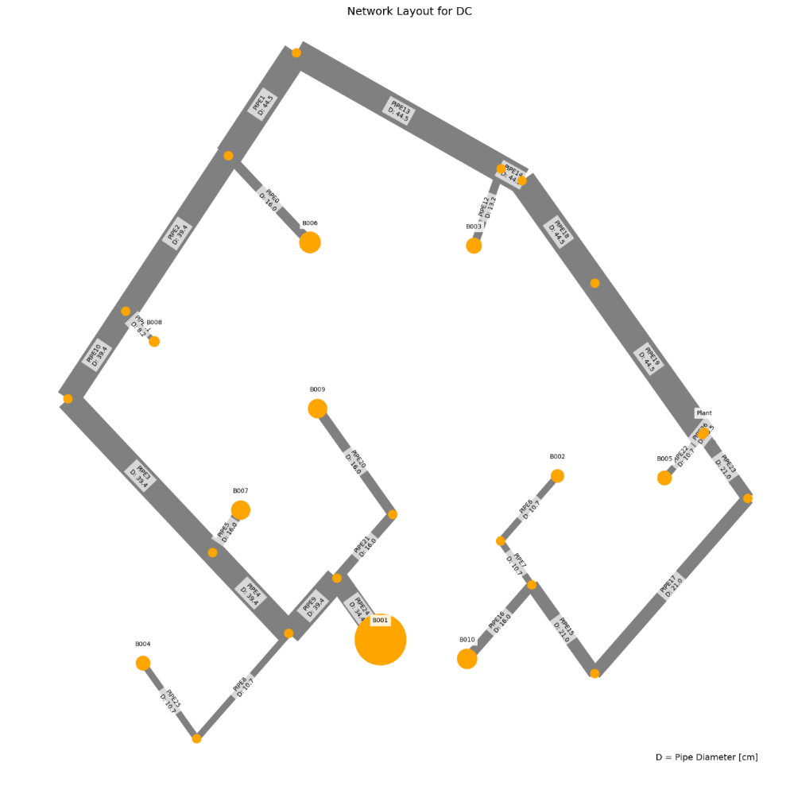
 | Anchor load deviation relative to total cost deviation:
 | 6%

WTP_RES_h
 | individual | opex | capex | opex_heat | opex_pump | opex_dis_loads | opex_dis_build | opex_plant | opex_hex | capex_network | capex_hex | capex_pump | capex_dis_loads | capex_dis_build | capex_plant | total | plant_buildings | number_of_plants | supplied_loads | disconnected_buildings | has_loops
7 | [0.0, 0.0, 0.0, 0.0, 0.0, 0.0, 0.0, 0.0, 0.0, 0.0, 0.0, 0.0, 0.0, 0.0, 0.0, 1.0] | 2793593.2475 | 39517.031273 | 2786254.0982 | 6205.6406255 | 0 | 0 | 61.47094808 | 1072.0377552 | 23802.489522 | 5505.0587427 | 8980.0640469 | 0 | 0 | 1229.4189616 | 2833110 | B010 | 1 | ahuaruscu |  | 0
1 | [0.0, 0.0, 0.0, 0.0, 0.0, 0.0, 0.0, 0.0, 0.0, 1.0, 0.0, 0.0, 0.0, 0.0, 0.0, 0.0] | 2795320.883 | 39917.970895 | 2786247.0966 | 7940.2774976 | 0 | 0 | 61.471109902 | 1072.0377552 | 24481.570694 | 5505.0587427 | 8701.91926 | 0 | 0 | 1229.422198 | 2835239 | B004 | 1 | ahuaruscu |  | 0
0 | [0.0, 0.0, 0.0, 0.0, 0.0, 0.0, 0.0, 0.0, 0.0, 0.0, 0.0, 1.0, 0.0, 0.0, 0.0, 0.0] | 2796477.3242 | 40680.793909 | 2786257.0874 | 9086.7278033 | 0 | 0 | 61.471276284 | 1072.0377552 | 25405.303808 | 5505.0587427 | 8541.0058317 | 0 | 0 | 1229.4255257 | 2837158 | B006 | 1 | ahuaruscu |  | 0
8 | [0.0, 0.0, 0.0, 0.0, 0.0, 0.0, 1.0, 0.0, 0.0, 0.0, 0.0, 0.0, 0.0, 0.0, 0.0, 0.0] | 2796572.1308 | 40670.173596 | 2786323.6436 | 9114.978049 | 0 | 0 | 61.471440385 | 1072.0377552 | 25294.267646 | 5505.0587427 | 8641.4184001 | 0 | 0 | 1229.4288077 | 2837242 | B001 | 1 | ahuaruscu |  | 0
4 | [0.0, 0.0, 0.0, 0.0, 0.0, 0.0, 0.0, 0.0, 0.0, 0.0, 0.0, 0.0, 0.0, 0.0, 1.0, 0.0] | 2796591.3527 | 40753.171423 | 2786257.6028 | 9200.2408502 | 0 | 0 | 61.471296796 | 1072.0377552 | 25496.262226 | 5505.0587427 | 8522.4245185 | 0 | 0 | 1229.4259359 | 2837345 | B009 | 1 | ahuaruscu |  | 0
9 | [0.0, 0.0, 0.0, 0.0, 0.0, 0.0, 0.0, 0.0, 0.0, 0.0, 1.0, 0.0, 0.0, 0.0, 0.0, 0.0] | 2797619.3657 | 41604.98683 | 2786189.2686 | 10296.588023 | 0 | 0 | 61.471346938 | 1072.0377552 | 26389.717372 | 5505.0587427 | 8480.7837758 | 0 | 0 | 1229.4269388 | 2839224 | B005 | 1 | ahuaruscu |  | 0
6 | [0.0, 0.0, 0.0, 0.0, 0.0, 0.0, 0.0, 0.0, 0.0, 0.0, 0.0, 0.0, 1.0, 0.0, 0.0, 0.0] | 2798523.5423 | 41609.00087 | 2786281.9258 | 11108.106957 | 0 | 0 | 61.471782262 | 1072.0377552 | 27124.59731 | 5505.0587427 | 7749.9091719 | 0 | 0 | 1229.4356452 | 2840133 | B007 | 1 | ahuaruscu |  | 0
3 | [0.0, 0.0, 0.0, 0.0, 0.0, 0.0, 0.0, 0.0, 1.0, 0.0, 0.0, 0.0, 0.0, 0.0, 0.0, 0.0] | 2798720.5576 | 42583.015847 | 2786161.4042 | 11425.644162 | 0 | 0 | 61.471522435 | 1072.0377552 | 27905.436948 | 5505.0587427 | 7943.089708 | 0 | 0 | 1229.4304487 | 2841304 | B003 | 1 | ahuaruscu |  | 0
2 | [0.0, 0.0, 0.0, 0.0, 0.0, 0.0, 0.0, 1.0, 0.0, 0.0, 0.0, 0.0, 0.0, 0.0, 0.0, 0.0] | 2802338.3872 | 45291.668018 | 2786099.3812 | 15105.496332 | 0 | 0 | 61.471877987 | 1072.0377552 | 31032.813066 | 5505.0587427 | 7524.35865 | 0 | 0 | 1229.4375597 | 2847630 | B002 | 1 | ahuaruscu |  | 0
5 | [0.0, 0.0, 0.0, 0.0, 0.0, 0.0, 0.0, 0.0, 0.0, 0.0, 0.0, 0.0, 0.0, 1.0, 0.0, 0.0] | 2806139.2067 | 47682.994764 | 2786116.9298 | 18888.766405 | 0 | 0 | 61.472728115 | 1072.0377552 | 34252.184957 | 5505.0587427 | 6696.2965024 | 0 | 0 | 1229.4545623 | 2853822 | B008 | 1 | ahuaruscu |  | 0

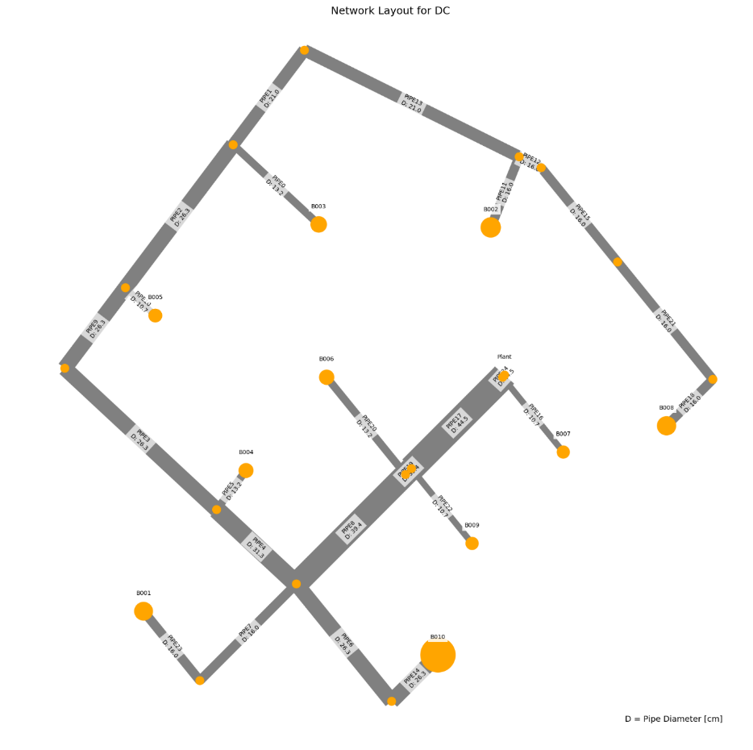
 | Anchor Load
 | Price deviation from minimum: | Absolute |  | Span
 | 0.00% | 0 |  | 20712

 | Price deviation maximum to minimum:
 | 0.73%

 | Anchor load deviation relative to total cost deviation:
 | 0%

WTP_RES_m
 | individual | opex | capex | opex_heat | opex_pump | opex_dis_loads | opex_dis_build | opex_plant | opex_hex | capex_network | capex_hex | capex_pump | capex_dis_loads | capex_dis_build | capex_plant | total | plant_buildings | number_of_plants | supplied_loads | disconnected_buildings | has_loops
8 | [0.0, 0.0, 0.0, 0.0, 0.0, 0.0, 0.0, 0.0, 0.0, 0.0, 0.0, 0.0, 0.0, 0.0, 0.0, 1.0] | 2125395.8654 | 34437.936607 | 2118657.562 | 5821.5795835 | 0 | 0 | 47.504028331 | 869.21980148 | 21357.855187 | 4346.0990074 | 7783.9018455 | 0 | 0 | 950.08056663 | 2159834 | B010 | 1 | ahuaruscu |  | 0
7 | [0.0, 0.0, 0.0, 0.0, 0.0, 0.0, 0.0, 0.0, 0.0, 1.0, 0.0, 0.0, 0.0, 0.0, 0.0, 0.0] | 2126154.1732 | 34875.456032 | 2118637.4998 | 6599.9495268 | 0 | 0 | 47.50411463 | 869.21980148 | 22109.110555 | 4346.0990074 | 7470.1641764 | 0 | 0 | 950.0822926 | 2161030 | B004 | 1 | ahuaruscu |  | 0
5 | [0.0, 0.0, 0.0, 0.0, 0.0, 0.0, 0.0, 0.0, 0.0, 0.0, 0.0, 1.0, 0.0, 0.0, 0.0, 0.0] | 2127107.5524 | 35204.434049 | 2118668.6952 | 7522.1329288 | 0 | 0 | 47.504441163 | 869.21980148 | 22968.009339 | 4346.0990074 | 6940.2368798 | 0 | 0 | 950.08882327 | 2162312 | B006 | 1 | ahuaruscu |  | 0
3 | [0.0, 0.0, 0.0, 0.0, 0.0, 0.0, 1.0, 0.0, 0.0, 0.0, 0.0, 0.0, 0.0, 0.0, 0.0, 0.0] | 2127181.4935 | 35194.369616 | 2118715.8602 | 7548.9089892 | 0 | 0 | 47.504499473 | 869.21980148 | 23012.605694 | 4346.0990074 | 6885.574925 | 0 | 0 | 950.08998946 | 2162376 | B001 | 1 | ahuaruscu |  | 0
1 | [0.0, 0.0, 0.0, 0.0, 0.0, 0.0, 0.0, 0.0, 0.0, 0.0, 0.0, 0.0, 0.0, 0.0, 1.0, 0.0] | 2127224.561 | 35249.40747 | 2118669.108 | 7638.7287799 | 0 | 0 | 47.50446682 | 869.21980148 | 23042.459134 | 4346.0990074 | 6910.7599918 | 0 | 0 | 950.08933639 | 2162474 | B009 | 1 | ahuaruscu |  | 0
6 | [0.0, 0.0, 0.0, 0.0, 0.0, 0.0, 0.0, 0.0, 0.0, 0.0, 1.0, 0.0, 0.0, 0.0, 0.0, 0.0] | 2128117.2941 | 35898.748565 | 2118566.6894 | 8633.8806342 | 0 | 0 | 47.504273232 | 869.21980148 | 23736.232675 | 4346.0990074 | 6866.331418 | 0 | 0 | 950.08546464 | 2164016 | B005 | 1 | ahuaruscu |  | 0
0 | [0.0, 0.0, 0.0, 0.0, 0.0, 0.0, 0.0, 0.0, 0.0, 0.0, 0.0, 0.0, 1.0, 0.0, 0.0, 0.0] | 2129405.2773 | 36247.761175 | 2118685.1992 | 9803.3534105 | 0 | 0 | 47.504898308 | 869.21980148 | 24244.527156 | 4346.0990074 | 6707.0370457 | 0 | 0 | 950.09796616 | 2165653 | B007 | 1 | ahuaruscu |  | 0
4 | [0.0, 0.0, 0.0, 0.0, 0.0, 0.0, 0.0, 0.0, 1.0, 0.0, 0.0, 0.0, 0.0, 0.0, 0.0, 0.0] | 2129674.5537 | 36712.524194 | 2118525.4106 | 10232.418985 | 0 | 0 | 47.50435953 | 869.21980148 | 24669.347539 | 4346.0990074 | 6746.990457 | 0 | 0 | 950.08719061 | 2166387 | B003 | 1 | ahuaruscu |  | 0
9 | [0.0, 0.0, 0.0, 0.0, 0.0, 0.0, 0.0, 1.0, 0.0, 0.0, 0.0, 0.0, 0.0, 0.0, 0.0, 0.0] | 2133456.1974 | 38810.188578 | 2118470.8066 | 14068.666219 | 0 | 0 | 47.504793352 | 869.21980148 | 27242.281824 | 4346.0990074 | 6271.7118798 | 0 | 0 | 950.09586703 | 2172266 | B002 | 1 | ahuaruscu |  | 0
2 | [0.0, 0.0, 0.0, 0.0, 0.0, 0.0, 0.0, 0.0, 0.0, 0.0, 0.0, 0.0, 0.0, 1.0, 0.0, 0.0] | 2137865.3755 | 40996.326536 | 2118466.8044 | 18481.845838 | 0 | 0 | 47.50550472 | 869.21980148 | 29487.55565 | 4346.0990074 | 6212.5617847 | 0 | 0 | 950.1100944 | 2178862 | B008 | 1 | ahuaruscu |  | 0

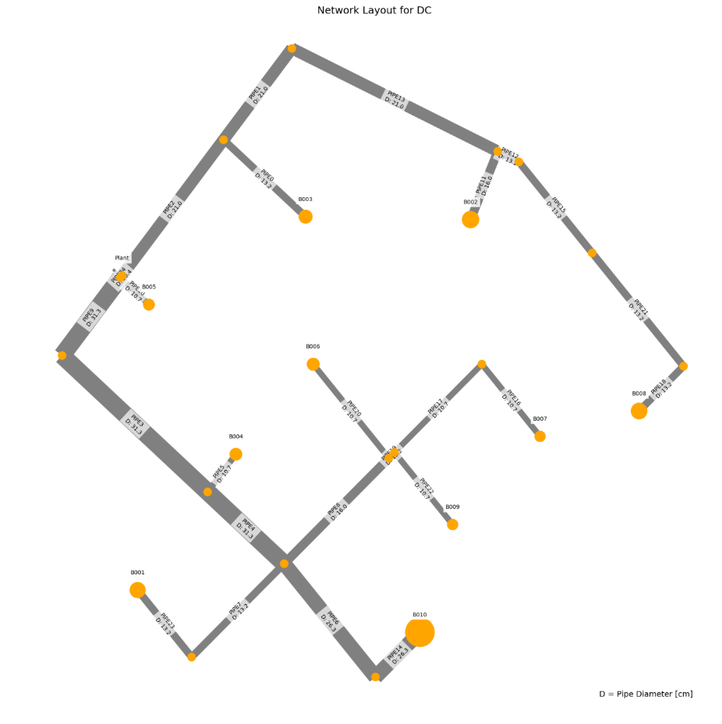
 | Anchor Load
 | Price deviation from minimum: | Absolute |  | Span
 | 0.00% | 0 |  | 19028

 | Price deviation maximum to minimum:
 | 0.88%

 | Anchor load deviation relative to total cost deviation:
 | 0%

WTP_RES_l
 | individual | opex | capex | opex_heat | opex_pump | opex_dis_loads | opex_dis_build | opex_plant | opex_hex | capex_network | capex_hex | capex_pump | capex_dis_loads | capex_dis_build | capex_plant | total | plant_buildings | number_of_plants | supplied_loads | disconnected_buildings | has_loops
4 | [0.0, 0.0, 0.0, 0.0, 0.0, 0.0, 0.0, 0.0, 0.0, 0.0, 0.0, 0.0, 0.0, 0.0, 0.0, 1.0] | 1436173 | 29624.576702 | 1430681.689 | 4617.3672327 | 0 | 0 | 33.365991593 | 840.2458081 | 19004.196458 | 3766.6191398 | 6186.4412724 | 0 | 0 | 667.31983187 | 1465797 | B010 | 1 | ahuaruscu |  | 0
0 | [0.0, 0.0, 0.0, 0.0, 0.0, 0.0, 0.0, 0.0, 0.0, 1.0, 0.0, 0.0, 0.0, 0.0, 0.0, 0.0] | 1437344 | 29789.446993 | 1430667.2178 | 5803.0475267 | 0 | 0 | 33.366135356 | 840.2458081 | 19265.734477 | 3766.6191398 | 6089.7706692 | 0 | 0 | 667.32270711 | 1467133 | B004 | 1 | ahuaruscu |  | 0
9 | [0.0, 0.0, 0.0, 0.0, 0.0, 0.0, 1.0, 0.0, 0.0, 0.0, 0.0, 0.0, 0.0, 0.0, 0.0, 0.0] | 1437136 | 30395.103506 | 1430741.7472 | 5520.8640692 | 0 | 0 | 33.366598316 | 840.2458081 | 20277.063482 | 3766.6191398 | 5684.0889176 | 0 | 0 | 667.33196632 | 1467531 | B001 | 1 | ahuaruscu |  | 0
6 | [0.0, 0.0, 0.0, 0.0, 0.0, 0.0, 0.0, 0.0, 0.0, 0.0, 0.0, 1.0, 0.0, 0.0, 0.0, 0.0] | 1437214 | 30620.080376 | 1430691.5682 | 5648.5060672 | 0 | 0 | 33.366430189 | 840.2458081 | 20180.625912 | 3766.6191398 | 6005.5067203 | 0 | 0 | 667.32860377 | 1467834 | B006 | 1 | ahuaruscu |  | 0
2 | [0.0, 0.0, 0.0, 0.0, 0.0, 0.0, 0.0, 0.0, 0.0, 0.0, 0.0, 0.0, 0.0, 0.0, 1.0, 0.0] | 1437246 | 30671.443403 | 1430692.7554 | 5680.0912249 | 0 | 0 | 33.366456992 | 840.2458081 | 20258.236629 | 3766.6191398 | 5979.2584943 | 0 | 0 | 667.32913983 | 1467918 | B009 | 1 | ahuaruscu |  | 0
5 | [0.0, 0.0, 0.0, 0.0, 0.0, 0.0, 0.0, 0.0, 0.0, 0.0, 0.0, 0.0, 1.0, 0.0, 0.0, 0.0] | 1437952 | 31553.700108 | 1430745.2642 | 6333.1183833 | 0 | 0 | 33.367180665 | 840.2458081 | 21511.591023 | 3766.6191398 | 5608.1463324 | 0 | 0 | 667.3436133 | 1469506 | B007 | 1 | ahuaruscu |  | 0
8 | [0.0, 0.0, 0.0, 0.0, 0.0, 0.0, 0.0, 0.0, 0.0, 0.0, 1.0, 0.0, 0.0, 0.0, 0.0, 0.0] | 1439448 | 30762.930638 | 1430638.5956 | 7935.8321053 | 0 | 0 | 33.366549583 | 840.2458081 | 20547.971978 | 3766.6191398 | 5781.0085293 | 0 | 0 | 667.33099167 | 1470211 | B005 | 1 | ahuaruscu |  | 0
7 | [0.0, 0.0, 0.0, 0.0, 0.0, 0.0, 0.0, 0.0, 1.0, 0.0, 0.0, 0.0, 0.0, 0.0, 0.0, 0.0] | 1441038 | 31421.434151 | 1430621.2342 | 9542.6970537 | 0 | 0 | 33.366785935 | 840.2458081 | 21283.303921 | 3766.6191398 | 5704.175371 | 0 | 0 | 667.3357187 | 1472459 | B003 | 1 | ahuaruscu |  | 0
1 | [0.0, 0.0, 0.0, 0.0, 0.0, 0.0, 0.0, 1.0, 0.0, 0.0, 0.0, 0.0, 0.0, 0.0, 0.0, 0.0] | 1444845 | 32886.794145 | 1430636.6402 | 13334.531377 | 0 | 0 | 33.367709403 | 840.2458081 | 22998.355077 | 3766.6191398 | 5454.4657401 | 0 | 0 | 667.35418805 | 1477732 | B002 | 1 | ahuaruscu |  | 0
3 | [0.0, 0.0, 0.0, 0.0, 0.0, 0.0, 0.0, 0.0, 0.0, 0.0, 0.0, 0.0, 0.0, 1.0, 0.0, 0.0] | 1446117 | 35121.161113 | 1430656.8724 | 14586.962899 | 0 | 0 | 33.36857194 | 840.2458081 | 25633.422656 | 3766.6191398 | 5053.7478784 | 0 | 0 | 667.3714388 | 1481239 | B008 | 1 | ahuaruscu |  | 0

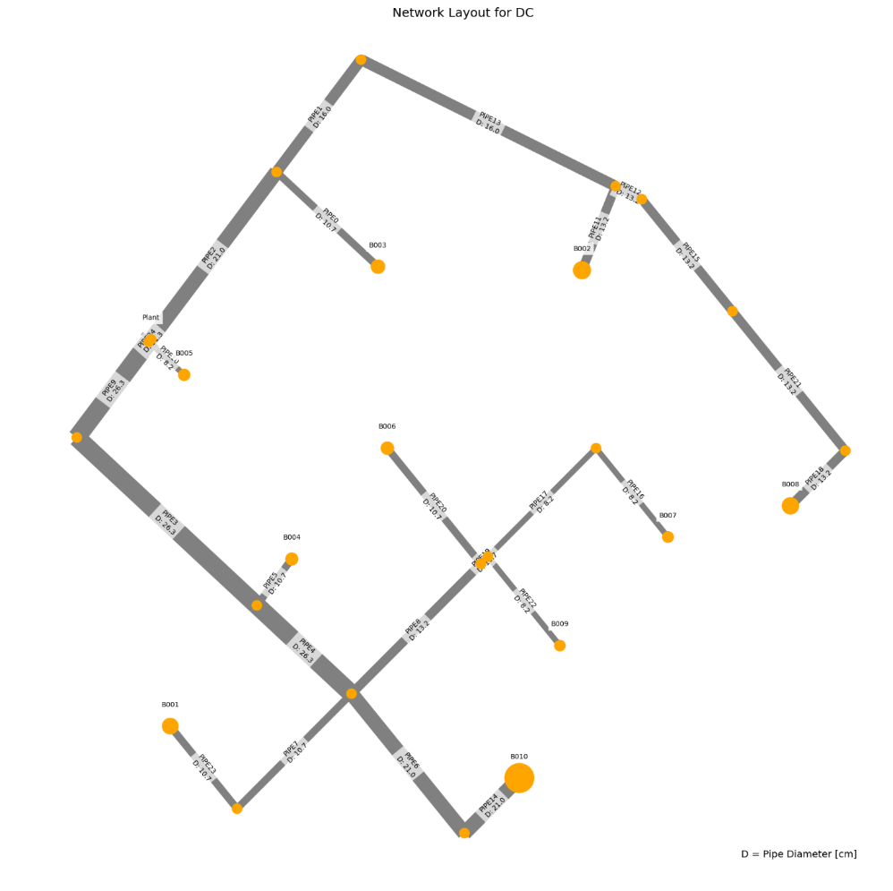
 | Anchor Load
 | Price deviation from minimum: | Absolute |  | Span
 | 0.00% | 0 |  | 15441

 | Price deviation maximum to minimum:
 | 1.05%

 | Anchor load deviation relative to total cost deviation:
 | 0%

WTP_mix_m_new
 | individual | opex | capex | opex_heat | opex_pump | opex_dis_loads | opex_dis_build | opex_plant | opex_CT | opex_hex | capex_network | capex_pump | capex_dis_loads | capex_dis_build | capex_plant | capex_CT | capex_hex | total | plant_buildings | number_of_plants | supplied_loads | disconnected_buildings | has_loops | length | avg_diam
7 | [0.0, 0.0, 0.0, 0.0, 0.0, 0.0, 0.0, 0.0, 0.0, 0.0, 0.0, 0.0, 1.0, 0.0, 0.0, 0.0] | 5034435.2748 | 932284.50052 | 4951966.3013 | 35758.20284 | 0 | 0 | 39435.21643 | 4073.9279741 | 3201.6262688 | 41418.601163 | 11121.593463 | 0 | 0 | 788704.32859 | 81478.559482 | 9561.4178163 | 5966719.7753 | B007 | 1 | ahuaruscu |  | 0 | 1382.1335741 | 0.23375555556
2 | [0.0, 0.0, 0.0, 0.0, 0.0, 0.0, 1.0, 0.0, 0.0, 0.0, 0.0, 0.0, 0.0, 0.0, 0.0, 0.0] | 5034637.2651 | 932485.78256 | 4951969.3148 | 35957.144514 | 0 | 0 | 39435.247798 | 4073.9317037 | 3201.6262688 | 41613.387852 | 11127.386857 | 0 | 0 | 788704.95596 | 81478.634075 | 9561.4178163 | 5967123.0477 | B001 | 1 | ahuaruscu |  | 0 | 1382.1335741 | 0.23675925926
3 | [0.0, 0.0, 0.0, 0.0, 0.0, 0.0, 0.0, 0.0, 0.0, 1.0, 0.0, 0.0, 0.0, 0.0, 0.0, 0.0] | 5036638.8592 | 933217.66235 | 4951951.2417 | 37976.820238 | 0 | 0 | 39435.240226 | 4073.9308035 | 3201.6262688 | 42241.240674 | 11231.583265 | 0 | 0 | 788704.80453 | 81478.616069 | 9561.4178163 | 5969856.5216 | B004 | 1 | ahuaruscu |  | 0 | 1382.1335741 | 0.2386
4 | [0.0, 0.0, 0.0, 0.0, 0.0, 0.0, 0.0, 0.0, 0.0, 0.0, 0.0, 0.0, 0.0, 1.0, 0.0, 0.0] | 5037418.1042 | 932489.78302 | 4951963.0861 | 38744.292261 | 0 | 0 | 39435.176408 | 4073.9232156 | 3201.6262688 | 41418.601163 | 11327.771573 | 0 | 0 | 788703.52816 | 81478.464312 | 9561.4178163 | 5969907.8872 | B008 | 1 | ahuaruscu |  | 0 | 1382.1335741 | 0.23375555556
6 | [0.0, 0.0, 0.0, 0.0, 0.0, 0.0, 0.0, 0.0, 0.0, 0.0, 0.0, 0.0, 0.0, 0.0, 1.0, 0.0] | 5036936.5605 | 933211.84193 | 4951982.8387 | 38242.739369 | 0 | 0 | 39435.405722 | 4073.9504805 | 3201.6262688 | 43057.853692 | 10405.446377 | 0 | 0 | 788708.11444 | 81479.00961 | 9561.4178163 | 5970148.4024 | B009 | 1 | ahuaruscu |  | 0 | 1382.1335741 | 0.25062222222
8 | [0.0, 0.0, 0.0, 0.0, 0.0, 0.0, 0.0, 0.0, 0.0, 0.0, 0.0, 1.0, 0.0, 0.0, 0.0, 0.0] | 5039598.0002 | 932732.54108 | 4951961.3552 | 40925.94214 | 0 | 0 | 39435.155856 | 4073.920772 | 3201.6262688 | 41418.601163 | 11570.989536 | 0 | 0 | 788703.11712 | 81478.415441 | 9561.4178163 | 5972330.5413 | B006 | 1 | ahuaruscu |  | 0 | 1382.1335741 | 0.23375555556
0 | [0.0, 0.0, 0.0, 0.0, 0.0, 0.0, 0.0, 0.0, 1.0, 0.0, 0.0, 0.0, 0.0, 0.0, 0.0, 0.0] | 5040974.4111 | 933039.67793 | 4951951.7685 | 42312.018323 | 0 | 0 | 39435.085548 | 4073.9124125 | 3201.6262688 | 41418.601163 | 11879.699746 | 0 | 0 | 788701.71095 | 81478.248251 | 9561.4178163 | 5974014.089 | B003 | 1 | ahuaruscu |  | 0 | 1382.1335741 | 0.2361037037
9 | [0.0, 0.0, 0.0, 0.0, 0.0, 0.0, 0.0, 0.0, 0.0, 0.0, 1.0, 0.0, 0.0, 0.0, 0.0, 0.0] | 5043669.9798 | 933506.93392 | 4951944.0451 | 45015.381804 | 0 | 0 | 39435.021729 | 4073.9048247 | 3201.6262688 | 41418.601163 | 12348.383867 | 0 | 0 | 788700.43458 | 81478.096493 | 9561.4178163 | 5977176.9137 | B005 | 1 | ahuaruscu |  | 0 | 1382.1335741 | 0.23962592593
1 | [0.0, 0.0, 0.0, 0.0, 0.0, 0.0, 0.0, 0.0, 0.0, 0.0, 0.0, 0.0, 0.0, 0.0, 0.0, 1.0] | 5047159.5016 | 936089.47444 | 4951901.852 | 48547.052012 | 0 | 0 | 39435.061751 | 4073.9095832 | 3201.6262688 | 43862.275228 | 12486.354719 | 0 | 0 | 788701.23502 | 81478.191663 | 9561.4178163 | 5983248.976 | B010 | 1 | ahuaruscu |  | 0 | 1382.1335741 | 0.25415925926
5 | [0.0, 0.0, 0.0, 0.0, 0.0, 0.0, 0.0, 1.0, 0.0, 0.0, 0.0, 0.0, 0.0, 0.0, 0.0, 0.0] | 5048880.2278 | 936636.43137 | 4951897.3462 | 50272.271887 | 0 | 0 | 39435.072567 | 4073.9108692 | 3201.6262688 | 44443.012615 | 12452.332201 | 0 | 0 | 788701.45135 | 81478.217385 | 9561.4178163 | 5985516.6592 | B002 | 1 | ahuaruscu |  | 0 | 1382.1335741 | 0.26280740741
 |  | 14445 | 4352 | -69 | 14514 | 0 | 0 | 0 | 0 | 0 | 3024 | 1331 | 0 | 0 | -3 | 0 | 0 | 18797
 | Anchor Load
 | Price deviation from minimum: | Absolute |  | Span
 | 0.01% | 403 |  | 18797

 | Price deviation maximum to minimum:
 | 0.32%

 | Anchor load deviation relative to total cost deviation:
 | 2%
Cost distribution for the MIX_m case

 | Lowest Cost | Highest Cost | Difference
opex_hex | 3202 | 3202 | 0
opex_CT | 4074 | 4074 | 0
capex_hex | 9561 | 9561 | 0
capex_pump | 11122 | 12452 | 1331
opex_pump | 35758 | 50272 | 14514
opex_chiller | 39435 | 39435 | 0
capex_network | 41419 | 44443 | 3024
capex_CT | 81479 | 81478 | 0
capex_chiller | 788704 | 788701 | -3
opex_heat | 4951966 | 4951897 | -69
avg_diam | 0.23 | 0.26 | 0.03

