WTP_CBD_h
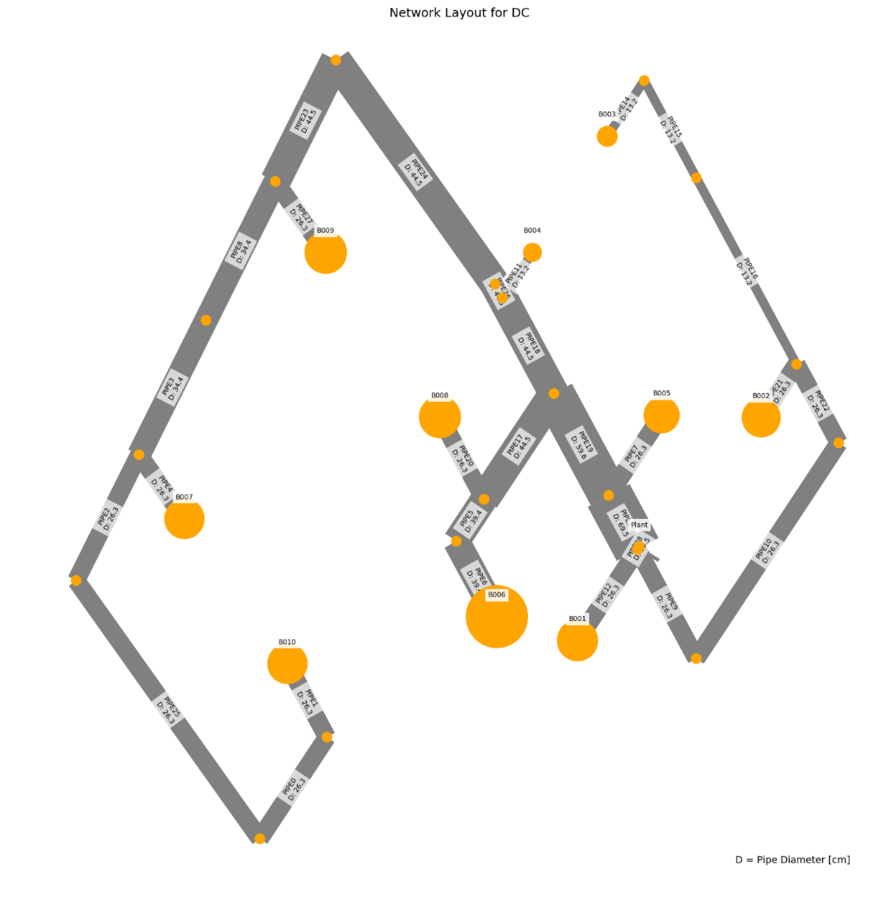
 | individual | opex | capex | opex_heat | opex_pump | opex_dis_loads | opex_dis_build | opex_plant |  | capex_network |  | capex_pump | capex_dis_loads | capex_dis_build | capex_plant | total | plant_buildings | number_of_plants | supplied_loads | disconnected_buildings | has_loops
31 | [0.0, 0.0, 0.0, 0.0, 0.0, 0.0, 0.0, 0.0, 0.0, 0.0, 0.0, 1.0, 1.0, 0.0, 0.0, 0.0] | 6539363.8784 | 68843.188756 | 6465401.1494 | 73838.73575 | 0 | 0 | 123.99328401 |  | 47049.697537 |  | 19313.625539 | 0 | 0 | 2479.8656802 | 6608207.0672 | B006B007 | 2 | ahuaruscu |  | 0
27 | [0.0, 0.0, 0.0, 0.0, 0.0, 0.0, 0.0, 0.0, 0.0, 0.0, 0.0, 1.0, 0.0, 0.0, 1.0, 0.0] | 6540755.8218 | 68178.033548 | 6465466.2122 | 75165.616396 | 0 | 0 | 123.99315544 |  | 45835.674347 |  | 19862.496093 | 0 | 0 | 2479.8631088 | 6608933.8553 | B006B009 | 2 | ahuaruscu |  | 0
22 | [0.0, 0.0, 0.0, 0.0, 0.0, 0.0, 0.0, 0.0, 0.0, 0.0, 0.0, 0.0, 0.0, 1.0, 1.0, 0.0] | 6540863.5219 | 68180.847905 | 6465466.0508 | 75273.47798 | 0 | 0 | 123.99315534 |  | 45835.674347 |  | 19865.310451 | 0 | 0 | 2479.8631068 | 6609044.3698 | B008B009 | 2 | ahuaruscu |  | 0
10 | [0.0, 0.0, 0.0, 0.0, 0.0, 0.0, 0.0, 0.0, 0.0, 0.0, 1.0, 0.0, 1.0, 0.0, 0.0, 0.0] | 6543490.5977 | 69139.145438 | 6465398.751 | 77967.853106 | 0 | 0 | 123.9936156 |  | 47120.29598 |  | 19538.977146 | 0 | 0 | 2479.8723119 | 6612629.7432 | B005B007 | 2 | ahuaruscu |  | 0
19 | [0.0, 0.0, 0.0, 0.0, 0.0, 0.0, 0.0, 0.0, 0.0, 0.0, 1.0, 0.0, 0.0, 0.0, 1.0, 0.0] | 6544880.5941 | 68471.043587 | 6465463.9522 | 79292.648384 | 0 | 0 | 123.99349315 |  | 45906.27279 |  | 20084.900934 | 0 | 0 | 2479.869863 | 6613351.6377 | B005B009 | 2 | ahuaruscu |  | 0
5 | [0.0, 0.0, 0.0, 0.0, 0.0, 0.0, 0.0, 0.0, 0.0, 1.0, 0.0, 0.0, 0.0, 1.0, 0.0, 0.0] | 6543970.2854 | 69644.363109 | 6465623.721 | 78222.571086 | 0 | 0 | 123.9933443 |  | 47625.629084 |  | 19538.867139 | 0 | 0 | 2479.8668861 | 6613614.6485 | B004B008 | 2 | ahuaruscu |  | 0
21 | [0.0, 0.0, 0.0, 0.0, 0.0, 0.0, 1.0, 0.0, 0.0, 0.0, 0.0, 0.0, 0.0, 0.0, 1.0, 0.0] | 6545864.5692 | 68542.746937 | 6465464.0644 | 80276.511318 | 0 | 0 | 123.99349087 |  | 45906.27279 |  | 20156.60433 | 0 | 0 | 2479.8698174 | 6614407.3162 | B001B009 | 2 | ahuaruscu |  | 0
6 | [0.0, 0.0, 0.0, 0.0, 0.0, 0.0, 0.0, 0.0, 0.0, 0.0, 1.0, 1.0, 0.0, 0.0, 0.0, 0.0] | 6545324.2467 | 69642.161122 | 6465621.5256 | 79578.727874 | 0 | 0 | 123.99319136 |  | 47597.689372 |  | 19564.607923 | 0 | 0 | 2479.8638273 | 6614966.4078 | B005B006 | 2 | ahuaruscu |  | 0
7 | [0.0, 0.0, 0.0, 0.0, 0.0, 0.0, 0.0, 0.0, 0.0, 0.0, 1.0, 0.0, 0.0, 1.0, 0.0, 0.0] | 6545432.0233 | 69644.98169 | 6465621.3594 | 79686.6707 | 0 | 0 | 123.99318898 |  | 47597.689372 |  | 19567.428538 | 0 | 0 | 2479.8637795 | 6615077.005 | B005B008 | 2 | ahuaruscu |  | 0
29 | [0.0, 0.0, 0.0, 0.0, 0.0, 0.0, 1.0, 0.0, 0.0, 0.0, 0.0, 1.0, 0.0, 0.0, 0.0, 0.0] | 6546307.6562 | 69714.613892 | 6465621.6792 | 80561.983842 | 0 | 0 | 123.99318897 |  | 47597.689372 |  | 19637.06074 | 0 | 0 | 2479.8637793 | 6616022.2701 | B001B006 | 2 | ahuaruscu |  | 0
0 | [0.0, 0.0, 0.0, 0.0, 0.0, 0.0, 1.0, 0.0, 0.0, 1.0, 0.0, 0.0, 0.0, 0.0, 0.0, 0.0] | 6548967.2715 | 70007.813703 | 6465622.0726 | 83221.2052 | 0 | 0 | 123.99368567 |  | 47696.227527 |  | 19831.712462 | 0 | 0 | 2479.8737133 | 6618975.0852 | B001B004 | 2 | ahuaruscu |  | 0
28 | [0.0, 0.0, 0.0, 0.0, 0.0, 0.0, 0.0, 0.0, 0.0, 1.0, 0.0, 0.0, 1.0, 0.0, 0.0, 0.0] | 6546882.0126 | 76676.657573 | 6465414.952 | 81343.06699 | 0 | 0 | 123.9936283 |  | 48821.772995 |  | 25375.012012 | 0 | 0 | 2479.8725661 | 6623558.6702 | B004B007 | 2 | ahuaruscu |  | 0
24 | [0.0, 0.0, 0.0, 0.0, 0.0, 0.0, 0.0, 0.0, 0.0, 0.0, 0.0, 1.0, 0.0, 0.0, 0.0, 1.0] | 6550093.8372 | 73622.758269 | 6465251.6834 | 84718.160287 | 0 | 0 | 123.99349379 |  | 52996.171228 |  | 18146.717165 | 0 | 0 | 2479.8698757 | 6623716.5954 | B006B010 | 2 | ahuaruscu |  | 0
4 | [0.0, 0.0, 0.0, 0.0, 0.0, 0.0, 0.0, 0.0, 0.0, 0.0, 0.0, 0.0, 0.0, 1.0, 0.0, 1.0] | 6550201.5596 | 73625.698854 | 6465251.5938 | 84825.972313 | 0 | 0 | 123.99349369 |  | 52996.171228 |  | 18149.657752 | 0 | 0 | 2479.8698738 | 6623827.2585 | B008B010 | 2 | ahuaruscu |  | 0
12 | [0.0, 0.0, 0.0, 0.0, 0.0, 0.0, 0.0, 0.0, 0.0, 0.0, 0.0, 1.0, 0.0, 1.0, 0.0, 0.0] | 6549893.3006 | 76680.47882 | 6465638.2858 | 84131.021417 | 0 | 0 | 123.99335968 |  | 49576.258945 |  | 24624.352682 | 0 | 0 | 2479.8671936 | 6626573.7794 | B006B008 | 2 | ahuaruscu |  | 0
3 | [0.0, 0.0, 0.0, 0.0, 0.0, 0.0, 0.0, 1.0, 0.0, 0.0, 0.0, 0.0, 1.0, 0.0, 0.0, 0.0] | 6556474.3884 | 71488.861037 | 6465467.3274 | 90883.066993 | 0 | 0 | 123.99397581 |  | 50418.761744 |  | 18590.219777 | 0 | 0 | 2479.8795163 | 6627963.2494 | B002B007 | 2 | ahuaruscu |  | 0
9 | [0.0, 0.0, 0.0, 0.0, 0.0, 0.0, 0.0, 0.0, 0.0, 0.0, 1.0, 0.0, 0.0, 0.0, 0.0, 1.0] | 6554224.4789 | 73926.085182 | 6465249.0688 | 88851.416285 | 0 | 0 | 123.99382647 |  | 53066.769671 |  | 18379.438981 | 0 | 0 | 2479.8765294 | 6628150.5641 | B005B010 | 2 | ahuaruscu |  | 0
23 | [0.0, 0.0, 0.0, 0.0, 0.0, 0.0, 0.0, 1.0, 0.0, 0.0, 0.0, 0.0, 0.0, 0.0, 1.0, 0.0] | 6557864.2714 | 70833.275672 | 6465532.5284 | 92207.749176 | 0 | 0 | 123.9938511 |  | 49204.738554 |  | 19148.660095 | 0 | 0 | 2479.877022 | 6628697.5471 | B002B009 | 2 | ahuaruscu |  | 0
11 | [0.0, 0.0, 0.0, 0.0, 0.0, 0.0, 1.0, 0.0, 0.0, 0.0, 0.0, 0.0, 0.0, 0.0, 0.0, 1.0] | 6555208.4191 | 74000.849717 | 6465249.097 | 89835.32831 | 0 | 0 | 123.99382646 |  | 53066.769671 |  | 18454.203517 | 0 | 0 | 2479.8765292 | 6629209.2688 | B001B010 | 2 | ahuaruscu |  | 0
15 | [0.0, 0.0, 0.0, 0.0, 0.0, 0.0, 0.0, 1.0, 0.0, 0.0, 0.0, 1.0, 0.0, 0.0, 0.0, 0.0] | 6558303.7625 | 71992.139337 | 6465690.6802 | 92489.088767 | 0 | 0 | 123.99355029 |  | 50896.155136 |  | 18616.113195 | 0 | 0 | 2479.8710058 | 6630295.9019 | B002B006 | 2 | ahuaruscu |  | 0
17 | [0.0, 0.0, 0.0, 0.0, 0.0, 0.0, 0.0, 1.0, 0.0, 0.0, 0.0, 0.0, 0.0, 1.0, 0.0, 0.0] | 6558411.5104 | 71995.02782 | 6465690.5222 | 92596.994652 | 0 | 0 | 123.9935479 |  | 50896.155136 |  | 18619.001726 | 0 | 0 | 2479.870958 | 6630406.5382 | B002B008 | 2 | ahuaruscu |  | 0
30 | [0.0, 0.0, 0.0, 0.0, 0.0, 0.0, 0.0, 1.0, 0.0, 1.0, 0.0, 0.0, 0.0, 0.0, 0.0, 0.0] | 6560966.5126 | 72290.549407 | 6465690.5738 | 95151.944708 | 0 | 0 | 123.99404136 |  | 50994.693292 |  | 18815.975289 | 0 | 0 | 2479.8808272 | 6633257.062 | B002B004 | 2 | ahuaruscu |  | 0
25 | [0.0, 0.0, 0.0, 0.0, 0.0, 0.0, 1.0, 0.0, 0.0, 0.0, 1.0, 0.0, 0.0, 0.0, 0.0, 0.0] | 6554800.8357 | 79114.383139 | 6465638.0496 | 89038.792307 | 0 | 0 | 123.99375976 |  | 49448.332227 |  | 27186.175717 | 0 | 0 | 2479.8751953 | 6633915.2188 | B001B005 | 2 | ahuaruscu |  | 0
13 | [0.0, 0.0, 0.0, 0.0, 0.0, 0.0, 0.0, 1.0, 0.0, 0.0, 0.0, 0.0, 0.0, 0.0, 0.0, 1.0] | 6567208.2557 | 76242.969438 | 6465317.6092 | 101766.65232 | 0 | 0 | 123.99418216 |  | 56365.235435 |  | 17397.85036 | 0 | 0 | 2479.8836431 | 6643451.2251 | B002B010 | 2 | ahuaruscu |  | 0
2 | [0.0, 0.0, 0.0, 0.0, 0.0, 0.0, 0.0, 0.0, 1.0, 0.0, 0.0, 0.0, 1.0, 0.0, 0.0, 0.0] | 6569536.3241 | 74705.645841 | 6465532.9582 | 103879.3716 | 0 | 0 | 123.99431567 |  | 55489.901382 |  | 16735.858146 | 0 | 0 | 2479.8863135 | 6644241.9699 | B003B007 | 2 | ahuaruscu |  | 0
Total Cost
20 | [0.0, 0.0, 0.0, 0.0, 0.0, 0.0, 0.0, 0.0, 1.0, 0.0, 0.0, 0.0, 0.0, 0.0, 1.0, 0.0] | 6570926.4639 | 74085.159526 | 6465598.1342 | 105204.33547 | 0 | 0 | 123.99418869 |  | 54275.878192 |  | 17329.39756 | 0 | 0 | 2479.8837738 | 6645011.6234 | B003B009 | 2 | ahuaruscu |  | 0
1 | [0.0, 0.0, 0.0, 0.0, 0.0, 0.0, 0.0, 0.0, 0.0, 0.0, 0.0, 0.0, 1.0, 0.0, 1.0, 0.0] | 6564743.7118 | 81979.143318 | 6465449.6392 | 99170.078699 | 0 | 0 | 123.99386713 |  | 53855.185033 |  | 25644.080942 | 0 | 0 | 2479.8773426 | 6646722.8551 | B007B009 | 2 | ahuaruscu |  | 0
8 | [0.0, 0.0, 0.0, 0.0, 0.0, 0.0, 0.0, 1.0, 0.0, 0.0, 1.0, 0.0, 0.0, 0.0, 0.0, 0.0] | 6566794.5796 | 80996.883058 | 6465706.539 | 100964.04644 | 0 | 0 | 123.99411979 |  | 52746.797991 |  | 25770.202671 | 0 | 0 | 2479.8823957 | 6647791.4626 | B002B005 | 2 | ahuaruscu |  | 0
16 | [0.0, 0.0, 0.0, 0.0, 0.0, 0.0, 0.0, 0.0, 1.0, 1.0, 0.0, 0.0, 0.0, 0.0, 0.0, 0.0] | 6574028.4019 | 75522.273464 | 6465756.2114 | 108148.19608 | 0 | 0 | 123.99438348 |  | 56065.832929 |  | 16976.552865 | 0 | 0 | 2479.8876696 | 6649550.6753 | B003B004 | 2 | ahuaruscu |  | 0
26 | [0.0, 0.0, 0.0, 0.0, 0.0, 0.0, 1.0, 1.0, 0.0, 0.0, 0.0, 0.0, 0.0, 0.0, 0.0, 0.0] | 6567141.7097 | 84322.610416 | 6465713.229 | 101304.48654 | 0 | 0 | 123.9941627 |  | 53798.66985 |  | 28044.057312 | 0 | 0 | 2479.883254 | 6651464.3201 | B001B002 | 2 | ahuaruscu |  | 0
18 | [0.0, 0.0, 0.0, 0.0, 0.0, 0.0, 0.0, 0.0, 0.0, 0.0, 0.0, 0.0, 0.0, 0.0, 1.0, 1.0] | 6575471.1136 | 86284.839396 | 6465299.9302 | 110047.18934 | 0 | 0 | 123.99407283 |  | 59801.658724 |  | 24003.299216 | 0 | 0 | 2479.8814567 | 6661755.953 | B009B010 | 2 | ahuaruscu |  | 0
14 | [0.0, 0.0, 0.0, 0.0, 0.0, 0.0, 0.0, 1.0, 1.0, 0.0, 0.0, 0.0, 0.0, 0.0, 0.0, 0.0] | 6585792.3846 | 95733.998817 | 6465800.7756 | 119867.61441 | 0 | 0 | 123.99461688 |  | 66330.84014 |  | 26923.266339 | 0 | 0 | 2479.8923377 | 6681526.3834 | B002B003 | 2 | ahuaruscu |  | 0
 |  | 46428.5062 | 26890.810061 | 399.6262 | 46028.878663 | 0 | 0 | 0.001332873 | 0 | 19281.142603 | 0 | 7609.6408004 | 0 | 0 | 0.02665745 | 73319.31626

 | Price deviation maximum to minimum:
 | 1.11%

 | One plant close to anchor load
 | One plant spacially distributed

WTP_CBD_m

 | individual | opex | capex | opex_heat | opex_pump | opex_dis_loads | opex_dis_build | opex_plant | capex_network | capex_pump | capex_dis_loads | capex_dis_build | capex_plant | total | plant_buildings | number_of_plants | supplied_loads | disconnected_buildings | has_loops
31 | [0.0, 0.0, 0.0, 0.0, 0.0, 0.0, 0.0, 0.0, 0.0, 0.0, 0.0, 1.0, 1.0, 0.0, 0.0, 0.0] | 4930142.1123 | 58506.13986 | 4882800.6498 | 47245.56827 | 0 | 0 | 95.894233314 | 45007.820732 | 11580.434461 | 0 | 0 | 1917.8846663 | 4988648.2522 | B006B007 | 2 | ahuaruscu |  | 0
24 | [0.0, 0.0, 0.0, 0.0, 0.0, 0.0, 0.0, 0.0, 0.0, 0.0, 0.0, 0.0, 0.0, 1.0, 1.0, 0.0] | 4930586.4469 | 58155.48235 | 4882888.2448 | 47602.307883 | 0 | 0 | 95.894233661 | 44323.891873 | 11913.705804 | 0 | 0 | 1917.8846732 | 4988741.9293 | B008B009 | 2 | ahuaruscu |  | 0
11 | [0.0, 0.0, 0.0, 0.0, 0.0, 0.0, 0.0, 0.0, 0.0, 0.0, 1.0, 0.0, 1.0, 0.0, 0.0, 0.0] | 4932492.8795 | 58926.360269 | 4882810.5638 | 49586.421199 | 0 | 0 | 95.894517171 | 45415.768538 | 11592.701387 | 0 | 0 | 1917.8903434 | 4991419.2398 | B005B007 | 2 | ahuaruscu |  | 0
30 | [0.0, 0.0, 0.0, 0.0, 0.0, 0.0, 1.0, 0.0, 0.0, 0.0, 0.0, 0.0, 1.0, 0.0, 0.0, 0.0] | 4932647.2332 | 58899.396316 | 4882809.3796 | 49741.959081 | 0 | 0 | 95.894507887 | 45415.768538 | 11565.73762 | 0 | 0 | 1917.8901578 | 4991546.6295 | B001B007 | 2 | ahuaruscu |  | 0
23 | [0.0, 0.0, 0.0, 0.0, 0.0, 0.0, 1.0, 0.0, 0.0, 0.0, 0.0, 0.0, 0.0, 0.0, 1.0, 0.0] | 4933042.5113 | 58549.850971 | 4882897.2538 | 50049.362935 | 0 | 0 | 95.894512468 | 44731.839679 | 11900.121042 | 0 | 0 | 1917.8902493 | 4991592.3622 | B001B009 | 2 | ahuaruscu |  | 0
7 | [0.0, 0.0, 0.0, 0.0, 0.0, 0.0, 0.0, 0.0, 0.0, 1.0, 0.0, 0.0, 0.0, 1.0, 0.0, 0.0] | 4934115.9151 | 59048.67096 | 4883017.215 | 51002.805828 | 0 | 0 | 95.894232396 | 45332.275989 | 11798.510322 | 0 | 0 | 1917.8846479 | 4993164.586 | B004B008 | 2 | ahuaruscu |  | 0
8 | [0.0, 0.0, 0.0, 0.0, 0.0, 0.0, 0.0, 0.0, 0.0, 0.0, 1.0, 1.0, 0.0, 0.0, 0.0, 0.0] | 4935940.7046 | 59196.952932 | 4883017.8958 | 52826.914628 | 0 | 0 | 95.894132362 | 45316.535948 | 11962.534337 | 0 | 0 | 1917.8826472 | 4995137.6575 | B005B006 | 2 | ahuaruscu |  | 0
29 | [0.0, 0.0, 0.0, 0.0, 0.0, 0.0, 1.0, 0.0, 0.0, 0.0, 0.0, 0.0, 0.0, 1.0, 0.0, 0.0] | 4936142.519 | 59169.081413 | 4883016.5684 | 53030.056495 | 0 | 0 | 95.894125171 | 45316.535948 | 11934.662962 | 0 | 0 | 1917.8825034 | 4995311.6004 | B001B008 | 2 | ahuaruscu |  | 0
0 | [0.0, 0.0, 0.0, 0.0, 0.0, 0.0, 1.0, 0.0, 0.0, 1.0, 0.0, 0.0, 0.0, 0.0, 0.0, 0.0] | 4936569.3202 | 59442.627425 | 4883026.5238 | 53446.901938 | 0 | 0 | 95.894514649 | 45740.223796 | 11784.513336 | 0 | 0 | 1917.890293 | 4996011.9477 | B001B004 | 2 | ahuaruscu |  | 0
27 | [0.0, 0.0, 0.0, 0.0, 0.0, 0.0, 0.0, 0.0, 0.0, 1.0, 0.0, 0.0, 1.0, 0.0, 0.0, 0.0] | 4934258.2642 | 63796.831287 | 4882817.2948 | 51345.074872 | 0 | 0 | 95.894505212 | 46913.353477 | 14965.587706 | 0 | 0 | 1917.8901042 | 4998055.0955 | B004B007 | 2 | ahuaruscu |  | 0
6 | [0.0, 0.0, 0.0, 0.0, 0.0, 0.0, 0.0, 0.0, 0.0, 0.0, 0.0, 0.0, 0.0, 1.0, 0.0, 1.0] | 4941133.0724 | 62588.38098 | 4882696.1146 | 58341.063099 | 0 | 0 | 95.894686336 | 49126.167888 | 11544.319365 | 0 | 0 | 1917.8937267 | 5003721.4534 | B008B010 | 2 | ahuaruscu |  | 0
13 | [0.0, 0.0, 0.0, 0.0, 0.0, 0.0, 0.0, 0.0, 0.0, 0.0, 0.0, 1.0, 0.0, 1.0, 0.0, 0.0] | 4941439.7698 | 63706.933247 | 4883026.4422 | 58317.433388 | 0 | 0 | 95.894237958 | 46887.377151 | 14901.671336 | 0 | 0 | 1917.8847592 | 5005146.7031 | B006B008 | 2 | ahuaruscu |  | 0
21 | [0.0, 0.0, 0.0, 0.0, 0.0, 0.0, 1.0, 0.0, 0.0, 0.0, 1.0, 0.0, 0.0, 0.0, 0.0, 0.0] | 4939749.1958 | 65455.347529 | 4883033.5142 | 56619.78702 | 0 | 0 | 95.894547654 | 47300.63609 | 16236.820486 | 0 | 0 | 1917.8909531 | 5005204.5433 | B001B005 | 2 | ahuaruscu |  | 0
10 | [0.0, 0.0, 0.0, 0.0, 0.0, 0.0, 0.0, 0.0, 0.0, 0.0, 1.0, 0.0, 0.0, 0.0, 0.0, 1.0] | 4943438.48 | 63009.929593 | 4882705.9872 | 60636.59787 | 0 | 0 | 95.894969319 | 49534.115694 | 11557.914512 | 0 | 0 | 1917.8993864 | 5006448.4096 | B005B010 | 2 | ahuaruscu |  | 0
12 | [0.0, 0.0, 0.0, 0.0, 0.0, 0.0, 1.0, 0.0, 0.0, 0.0, 0.0, 0.0, 0.0, 0.0, 0.0, 1.0] | 4943592.9531 | 62982.941003 | 4882704.7748 | 60792.283346 | 0 | 0 | 95.894962353 | 49534.115694 | 11530.926062 | 0 | 0 | 1917.8992471 | 5006575.8941 | B001B010 | 2 | ahuaruscu |  | 0
3 | [0.0, 0.0, 0.0, 0.0, 0.0, 0.0, 0.0, 0.0, 0.0, 0.0, 0.0, 0.0, 1.0, 0.0, 1.0, 0.0] | 4939510.6177 | 68392.403696 | 4882842.7102 | 56572.012861 | 0 | 0 | 95.894677695 | 51946.765515 | 14527.744627 | 0 | 0 | 1917.8935539 | 5007903.0214 | B007B009 | 2 | ahuaruscu |  | 0
5 | [0.0, 0.0, 0.0, 0.0, 0.0, 0.0, 0.0, 1.0, 0.0, 0.0, 0.0, 0.0, 1.0, 0.0, 0.0, 0.0] | 4946603.4377 | 61604.015866 | 4882848.5562 | 63658.986831 | 0 | 0 | 95.894718725 | 47859.440861 | 11826.68063 | 0 | 0 | 1917.8943745 | 5008207.4536 | B002B007 | 2 | ahuaruscu |  | 0
25 | [0.0, 0.0, 0.0, 0.0, 0.0, 0.0, 0.0, 1.0, 0.0, 0.0, 0.0, 1.0, 0.0, 0.0, 0.0, 0.0] | 4950047.6561 | 61872.097805 | 4883056.4474 | 66895.314312 | 0 | 0 | 95.894339825 | 47760.208271 | 12194.002738 | 0 | 0 | 1917.8867965 | 5011919.7539 | B002B006 | 2 | ahuaruscu |  | 0
19 | [0.0, 0.0, 0.0, 0.0, 0.0, 0.0, 0.0, 1.0, 0.0, 0.0, 0.0, 0.0, 0.0, 1.0, 0.0, 0.0] | 4950095.4564 | 61870.980633 | 4883056.2598 | 66943.302302 | 0 | 0 | 95.894335068 | 47760.208271 | 12192.885661 | 0 | 0 | 1917.8867014 | 5011966.4371 | B002B008 | 2 | ahuaruscu |  | 0
15 | [0.0, 0.0, 0.0, 0.0, 0.0, 0.0, 0.0, 1.0, 0.0, 1.0, 0.0, 0.0, 0.0, 0.0, 0.0, 0.0] | 4950525.1305 | 62145.73164 | 4883065.7258 | 67363.509955 | 0 | 0 | 95.894725483 | 48183.896119 | 12043.941012 | 0 | 0 | 1917.8945097 | 5012670.8621 | B002B004 | 2 | ahuaruscu |  | 0
1 | [0.0, 0.0, 0.0, 0.0, 0.0, 0.0, 0.0, 0.0, 0.0, 1.0, 0.0, 0.0, 0.0, 0.0, 0.0, 1.0] | 4945202.2757 | 67833.941929 | 4882712.8504 | 62393.530316 | 0 | 0 | 95.894958724 | 51031.700633 | 14884.342122 | 0 | 0 | 1917.8991745 | 5013036.2176 | B004B010 | 2 | ahuaruscu |  | 0
4 | [0.0, 0.0, 0.0, 0.0, 0.0, 0.0, 0.0, 0.0, 1.0, 0.0, 0.0, 0.0, 1.0, 0.0, 0.0, 0.0] | 4957843.5938 | 65220.821012 | 4882938.1008 | 74809.597859 | 0 | 0 | 95.895196128 | 51957.759724 | 11345.157365 | 0 | 0 | 1917.9039226 | 5023064.4149 | B003B007 | 2 | ahuaruscu |  | 0
Total Cost
22 | [0.0, 0.0, 0.0, 0.0, 0.0, 0.0, 0.0, 0.0, 1.0, 0.0, 0.0, 0.0, 0.0, 0.0, 1.0, 0.0] | 4958238.51 | 64873.302626 | 4883025.9776 | 75116.637203 | 0 | 0 | 95.89519607 | 51273.830865 | 11681.56784 | 0 | 0 | 1917.9039214 | 5023111.8126 | B003B009 | 2 | ahuaruscu |  | 0
14 | [0.0, 0.0, 0.0, 0.0, 0.0, 0.0, 0.0, 1.0, 0.0, 0.0, 0.0, 0.0, 0.0, 0.0, 0.0, 1.0] | 4957549.6865 | 65687.819563 | 4882743.943 | 74709.848286 | 0 | 0 | 95.895173193 | 51977.788017 | 11792.128081 | 0 | 0 | 1917.9034639 | 5023237.506 | B002B010 | 2 | ahuaruscu |  | 0
26 | [0.0, 0.0, 0.0, 0.0, 0.0, 0.0, 1.0, 1.0, 0.0, 0.0, 0.0, 0.0, 0.0, 0.0, 0.0, 0.0] | 4954232.3392 | 70531.561276 | 4883077.674 | 71058.77038 | 0 | 0 | 95.894788564 | 50440.635006 | 18173.0305 | 0 | 0 | 1917.8957713 | 5024763.9004 | B001B002 | 2 | ahuaruscu |  | 0
18 | [0.0, 0.0, 0.0, 0.0, 0.0, 0.0, 0.0, 0.0, 1.0, 0.0, 0.0, 1.0, 0.0, 0.0, 0.0, 0.0] | 4961285.8991 | 65493.548294 | 4883146.2296 | 78043.774654 | 0 | 0 | 95.894813922 | 51858.527133 | 11717.124882 | 0 | 0 | 1917.8962784 | 5026779.4474 | B003B006 | 2 | ahuaruscu |  | 0
2 | [0.0, 0.0, 0.0, 0.0, 0.0, 0.0, 0.0, 0.0, 1.0, 0.0, 0.0, 0.0, 0.0, 1.0, 0.0, 0.0] | 4961333.6832 | 65492.4159 | 4883146.0464 | 78091.74203 | 0 | 0 | 95.894813801 | 51858.527133 | 11715.992491 | 0 | 0 | 1917.896276 | 5026826.0991 | B003B008 | 2 | ahuaruscu |  | 0
17 | [0.0, 0.0, 0.0, 0.0, 0.0, 0.0, 0.0, 0.0, 1.0, 1.0, 0.0, 0.0, 0.0, 0.0, 0.0, 0.0] | 4961764.82 | 65765.37403 | 4883155.2328 | 78513.691975 | 0 | 0 | 95.895202882 | 52282.214981 | 11565.254992 | 0 | 0 | 1917.9040576 | 5027530.194 | B003B004 | 2 | ahuaruscu |  | 0
9 | [0.0, 0.0, 0.0, 0.0, 0.0, 0.0, 0.0, 0.0, 0.0, 0.0, 0.0, 0.0, 1.0, 0.0, 0.0, 1.0] | 4957581.9726 | 77532.351218 | 4882755.5328 | 74730.544607 | 0 | 0 | 95.895237145 | 58795.057254 | 16819.389221 | 0 | 0 | 1917.9047429 | 5035114.3239 | B007B010 | 2 | ahuaruscu |  | 0
20 | [0.0, 0.0, 0.0, 0.0, 0.0, 0.0, 0.0, 0.0, 1.0, 0.0, 1.0, 0.0, 0.0, 0.0, 0.0, 0.0] | 4964941.8151 | 71656.802583 | 4883162.2136 | 81683.706221 | 0 | 0 | 95.895233284 | 53842.627275 | 15896.270642 | 0 | 0 | 1917.9046657 | 5036598.6176 | B003B005 | 2 | ahuaruscu |  | 0
28 | [0.0, 0.0, 0.0, 0.0, 0.0, 0.0, 1.0, 0.0, 1.0, 0.0, 0.0, 0.0, 0.0, 0.0, 0.0, 0.0] | 4965468.6888 | 73865.717967 | 4883167.3058 | 82205.487703 | 0 | 0 | 95.895266104 | 54538.953868 | 17408.858777 | 0 | 0 | 1917.9053221 | 5039334.4067 | B001B003 | 2 | ahuaruscu |  | 0
16 | [0.0, 0.0, 0.0, 0.0, 0.0, 0.0, 0.0, 1.0, 1.0, 0.0, 0.0, 0.0, 0.0, 0.0, 0.0, 0.0] | 4974157.0412 | 79446.825054 | 4883195.6196 | 90865.526166 | 0 | 0 | 95.8954157 | 58941.073621 | 18587.843118 | 0 | 0 | 1917.908314 | 5053603.8662 | B002B003 | 2 | ahuaruscu |  | 0
 |  | 44014.92888 | 20940.685194 | 394.9698 | 43619.957897 | 0 | 0 | 0.0011823863 | 13933.252889 | 7007.4086574 | 0 | 0 | 0.02364773 | 64955.61408

 | Price deviation maximum to minimum:
 | 1.30%

WTP_CBD_l
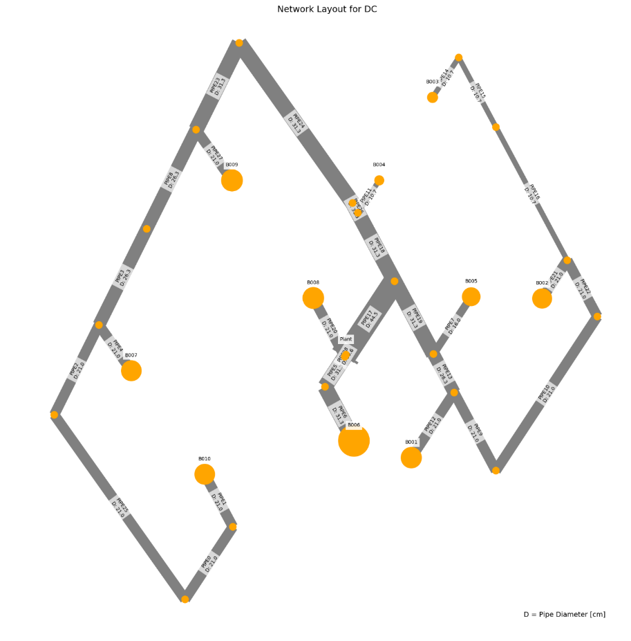
 | individual | opex | capex | opex_heat | opex_pump | opex_dis_loads | opex_dis_build | opex_plant | capex_network | capex_pump | capex_dis_loads | capex_dis_build | capex_plant | total | plant_buildings | number_of_plants | supplied_loads | disconnected_buildings | has_loops
18 | [0.0, 0.0, 0.0, 0.0, 0.0, 0.0, 1.0, 0.0, 0.0, 0.0, 0.0, 0.0, 0.0, 0.0, 1.0, 0.0] | 3331184.1615 | 48818.016189 | 3292767.5516 | 38349.108185 | 0 | 0 | 67.501747434 | 37572.063295 | 9895.9179454 | 0 | 0 | 1350.0349487 | 3380002.1777 | B001B009 | 2 | ahuaruscu |  | 0
16 | [0.0, 0.0, 0.0, 0.0, 0.0, 0.0, 0.0, 0.0, 0.0, 0.0, 1.0, 0.0, 0.0, 0.0, 1.0, 0.0] | 3331533.8752 | 48724.409067 | 3292762.482 | 38703.891462 | 0 | 0 | 67.501720854 | 37402.462957 | 9971.9116932 | 0 | 0 | 1350.0344171 | 3380258.2843 | B005B009 | 2 | ahuaruscu |  | 0
19 | [0.0, 0.0, 0.0, 0.0, 0.0, 0.0, 0.0, 0.0, 0.0, 0.0, 0.0, 0.0, 0.0, 1.0, 1.0, 0.0] | 3331666.9229 | 48595.325642 | 3292766.9182 | 38832.503081 | 0 | 0 | 67.501595551 | 37030.760111 | 10214.53362 | 0 | 0 | 1350.031911 | 3380262.2485 | B008B009 | 2 | ahuaruscu |  | 0
8 | [0.0, 0.0, 0.0, 0.0, 0.0, 0.0, 0.0, 0.0, 0.0, 0.0, 1.0, 0.0, 1.0, 0.0, 0.0, 0.0] | 3332642.8116 | 49445.354021 | 3292692.564 | 39882.745786 | 0 | 0 | 67.501853937 | 38233.960845 | 9861.3560978 | 0 | 0 | 1350.0370788 | 3382088.1657 | B005B007 | 2 | ahuaruscu |  | 0
28 | [0.0, 0.0, 0.0, 0.0, 0.0, 0.0, 0.0, 0.0, 0.0, 0.0, 0.0, 1.0, 1.0, 0.0, 0.0, 0.0] | 3332778.3782 | 49320.458729 | 3292697.251 | 40013.625466 | 0 | 0 | 67.501732859 | 37862.257999 | 10108.166073 | 0 | 0 | 1350.0346572 | 3382098.8369 | B006B007 | 2 | ahuaruscu |  | 0
0 | [0.0, 0.0, 0.0, 0.0, 0.0, 0.0, 1.0, 0.0, 0.0, 1.0, 0.0, 0.0, 0.0, 0.0, 0.0, 0.0] | 3336623.9331 | 50237.766578 | 3292933.0972 | 43623.333949 | 0 | 0 | 67.501955244 | 38798.023059 | 10089.704414 | 0 | 0 | 1350.0391049 | 3386861.6997 | B001B004 | 2 | ahuaruscu |  | 0
3 | [0.0, 0.0, 0.0, 0.0, 0.0, 0.0, 0.0, 0.0, 0.0, 1.0, 1.0, 0.0, 0.0, 0.0, 0.0, 0.0] | 3336973.6296 | 50143.541347 | 3292928.0292 | 43978.098506 | 0 | 0 | 67.501926248 | 38628.422721 | 10165.080102 | 0 | 0 | 1350.038525 | 3387117.171 | B004B005 | 2 | ahuaruscu |  | 0
4 | [0.0, 0.0, 0.0, 0.0, 0.0, 0.0, 0.0, 0.0, 0.0, 1.0, 0.0, 0.0, 0.0, 1.0, 0.0, 0.0] | 3337111.0761 | 50013.096313 | 3292932.0684 | 44111.50593 | 0 | 0 | 67.50179715 | 38256.719875 | 10406.340495 | 0 | 0 | 1350.035943 | 3387124.1724 | B004B008 | 2 | ahuaruscu |  | 0
17 | [0.0, 0.0, 0.0, 0.0, 0.0, 0.0, 0.0, 0.0, 0.0, 1.0, 0.0, 1.0, 0.0, 0.0, 0.0, 0.0] | 3337115.7156 | 50016.314442 | 3292932.253 | 44115.960771 | 0 | 0 | 67.501799657 | 38256.719875 | 10409.558574 | 0 | 0 | 1350.0359931 | 3387132.03 | B004B006 | 2 | ahuaruscu |  | 0
9 | [0.0, 0.0, 0.0, 0.0, 0.0, 0.0, 0.0, 0.0, 0.0, 1.0, 0.0, 0.0, 0.0, 0.0, 1.0, 0.0] | 3335076.8424 | 52714.613633 | 3292787.6958 | 42221.644764 | 0 | 0 | 67.501831639 | 38461.985108 | 12902.591893 | 0 | 0 | 1350.0366328 | 3387791.456 | B004B009 | 2 | ahuaruscu |  | 0
26 | [0.0, 0.0, 0.0, 0.0, 0.0, 0.0, 1.0, 0.0, 0.0, 0.0, 0.0, 0.0, 0.0, 1.0, 0.0, 0.0] | 3338360.7358 | 50231.055838 | 3292937.165 | 45356.069034 | 0 | 0 | 67.501748742 | 38407.183996 | 10473.836868 | 0 | 0 | 1350.0349748 | 3388591.7916 | B001B008 | 2 | ahuaruscu |  | 0
24 | [0.0, 0.0, 0.0, 0.0, 0.0, 0.0, 1.0, 0.0, 0.0, 0.0, 0.0, 1.0, 0.0, 0.0, 0.0, 0.0] | 3338365.1044 | 50234.272605 | 3292937.35 | 45360.252601 | 0 | 0 | 67.501748866 | 38407.183996 | 10477.053632 | 0 | 0 | 1350.0349773 | 3388599.377 | B001B006 | 2 | ahuaruscu |  | 0
6 | [0.0, 0.0, 0.0, 0.0, 0.0, 0.0, 0.0, 0.0, 0.0, 0.0, 1.0, 0.0, 0.0, 1.0, 0.0, 0.0] | 3338711.0213 | 50135.779808 | 3292932.0438 | 45711.475822 | 0 | 0 | 67.501719901 | 38237.583657 | 10548.161753 | 0 | 0 | 1350.034398 | 3388846.8012 | B005B008 | 2 | ahuaruscu |  | 0
5 | [0.0, 0.0, 0.0, 0.0, 0.0, 0.0, 0.0, 0.0, 0.0, 0.0, 1.0, 1.0, 0.0, 0.0, 0.0, 0.0] | 3338715.4367 | 50138.987624 | 3292932.1866 | 45715.748401 | 0 | 0 | 67.501720024 | 38237.583657 | 10551.369567 | 0 | 0 | 1350.0344005 | 3388854.4243 | B005B006 | 2 | ahuaruscu |  | 0
23 | [0.0, 0.0, 0.0, 0.0, 0.0, 0.0, 0.0, 0.0, 0.0, 1.0, 0.0, 0.0, 1.0, 0.0, 0.0, 0.0] | 3336184.5114 | 53412.231403 | 3292717.83 | 43399.179455 | 0 | 0 | 67.501969032 | 39293.482996 | 12768.709026 | 0 | 0 | 1350.0393806 | 3389596.7428 | B004B007 | 2 | ahuaruscu |  | 0
2 | [0.0, 0.0, 0.0, 0.0, 0.0, 0.0, 0.0, 1.0, 0.0, 0.0, 0.0, 0.0, 1.0, 0.0, 0.0, 0.0] | 3339083.1519 | 51708.877931 | 3292718.4052 | 46297.244696 | 0 | 0 | 67.501998898 | 40921.944846 | 9436.8931073 | 0 | 0 | 1350.039978 | 3390792.0298 | B002B007 | 2 | ahuaruscu |  | 0
12 | [0.0, 0.0, 0.0, 0.0, 0.0, 0.0, 0.0, 0.0, 0.0, 0.0, 0.0, 1.0, 0.0, 1.0, 0.0, 0.0] | 3341275.8781 | 54014.137637 | 3292957.8832 | 48250.49303 | 0 | 0 | 67.501907244 | 39786.483027 | 12877.616464 | 0 | 0 | 1350.0381449 | 3395290.0158 | B006B008 | 2 | ahuaruscu |  | 0
27 | [0.0, 0.0, 0.0, 0.0, 0.0, 0.0, 0.0, 1.0, 0.0, 1.0, 0.0, 0.0, 0.0, 0.0, 0.0, 0.0] | 3343413.7784 | 52412.980714 | 3292953.8976 | 50392.378711 | 0 | 0 | 67.502071203 | 41316.406722 | 9746.5325682 | 0 | 0 | 1350.0414241 | 3395826.7591 | B002B004 | 2 | ahuaruscu |  | 0
21 | [0.0, 0.0, 0.0, 0.0, 0.0, 0.0, 1.0, 0.0, 0.0, 0.0, 1.0, 0.0, 0.0, 0.0, 0.0, 0.0] | 3341846.3268 | 55021.507761 | 3292958.7232 | 48820.101475 | 0 | 0 | 67.502093382 | 39885.484923 | 13785.98097 | 0 | 0 | 1350.0418677 | 3396867.8345 | B001B005 | 2 | ahuaruscu |  | 0
15 | [0.0, 0.0, 0.0, 0.0, 0.0, 0.0, 0.0, 1.0, 0.0, 0.0, 0.0, 0.0, 0.0, 1.0, 0.0, 0.0] | 3345146.8994 | 52411.438184 | 3292958.5102 | 52120.887357 | 0 | 0 | 67.501866293 | 40925.567658 | 10135.8332 | 0 | 0 | 1350.0373259 | 3397558.3376 | B002B008 | 2 | ahuaruscu |  | 0
11 | [0.0, 0.0, 0.0, 0.0, 0.0, 0.0, 1.0, 0.0, 0.0, 0.0, 0.0, 0.0, 0.0, 0.0, 0.0, 1.0] | 3345277.174 | 52846.06983 | 3292536.5972 | 52673.074783 | 0 | 0 | 67.502023307 | 41547.925544 | 9948.1038201 | 0 | 0 | 1350.0404661 | 3398123.2438 | B001B010 | 2 | ahuaruscu |  | 0
7 | [0.0, 0.0, 0.0, 0.0, 0.0, 0.0, 0.0, 0.0, 0.0, 0.0, 1.0, 0.0, 0.0, 0.0, 0.0, 1.0] | 3345626.9167 | 52752.289555 | 3292531.5986 | 53027.81607 | 0 | 0 | 67.501994309 | 41378.325206 | 10023.924463 | 0 | 0 | 1350.0398862 | 3398379.2062 | B005B010 | 2 | ahuaruscu |  | 0
20 | [0.0, 0.0, 0.0, 0.0, 0.0, 0.0, 0.0, 0.0, 0.0, 0.0, 0.0, 1.0, 0.0, 0.0, 0.0, 1.0] | 3345758.5272 | 52625.444677 | 3292536.5236 | 53154.501753 | 0 | 0 | 67.501877082 | 41006.62236 | 10268.784776 | 0 | 0 | 1350.0375416 | 3398383.9719 | B006B010 | 2 | ahuaruscu |  | 0
1 | [0.0, 0.0, 0.0, 0.0, 0.0, 0.0, 0.0, 0.0, 1.0, 0.0, 0.0, 0.0, 1.0, 0.0, 0.0, 0.0] | 3344887.1463 | 54455.10681 | 3292846.8318 | 51972.811816 | 0 | 0 | 67.502714487 | 44598.949464 | 8506.1030563 | 0 | 0 | 1350.0542897 | 3399342.2531 | B003B007 | 2 | ahuaruscu |  | 0
13 | [0.0, 0.0, 0.0, 0.0, 0.0, 0.0, 0.0, 0.0, 1.0, 1.0, 0.0, 0.0, 0.0, 0.0, 0.0, 0.0] | 3349217.3866 | 55177.183685 | 3293082.2948 | 56067.588991 | 0 | 0 | 67.502786784 | 44993.411339 | 8833.7166099 | 0 | 0 | 1350.0557357 | 3404394.5703 | B003B004 | 2 | ahuaruscu |  | 0
14 | [0.0, 0.0, 0.0, 0.0, 0.0, 0.0, 0.0, 0.0, 1.0, 0.0, 0.0, 1.0, 0.0, 0.0, 0.0, 0.0] | 3350953.3433 | 55197.73073 | 3293087.4174 | 57798.423273 | 0 | 0 | 67.502583114 | 44602.572276 | 9245.1067916 | 0 | 0 | 1350.0516623 | 3406151.074 | B003B006 | 2 | ahuaruscu |  | 0
22 | [0.0, 0.0, 0.0, 0.0, 0.0, 0.0, 1.0, 1.0, 0.0, 0.0, 0.0, 0.0, 0.0, 0.0, 0.0, 0.0] | 3349741.6347 | 59030.292383 | 3292978.8356 | 56695.296862 | 0 | 0 | 67.502209171 | 42836.697528 | 14843.550672 | 0 | 0 | 1350.0441834 | 3408771.9271 | B001B002 | 2 | ahuaruscu |  | 0
10 | [0.0, 0.0, 0.0, 0.0, 0.0, 0.0, 0.0, 0.0, 1.0, 0.0, 0.0, 0.0, 0.0, 0.0, 0.0, 1.0] | 3357872.3438 | 57775.382755 | 3292685.8922 | 65118.948743 | 0 | 0 | 67.502854864 | 47743.313825 | 8682.0118337 | 0 | 0 | 1350.0570973 | 3415647.7265 | B003B010 | 2 | ahuaruscu |  | 0
25 | [0.0, 0.0, 0.0, 0.0, 0.0, 0.0, 1.0, 0.0, 1.0, 0.0, 0.0, 0.0, 0.0, 0.0, 0.0, 0.0] | 3355398.084 | 61231.226119 | 3293107.3522 | 62223.22892 | 0 | 0 | 67.502924988 | 46513.702145 | 13367.465474 | 0 | 0 | 1350.0584998 | 3416629.3102 | B001B003 | 2 | ahuaruscu |  | 0
 |  | 24213.92251 | 12413.209929 | 339.8006 | 23874.120735 | 0 | 0 | 0.0011775541 | 8941.6388498 | 3471.5475283 | 0 | 0 | 0.02355108 | 36627.13244

 | Price deviation maximum to minimum:
 | 1.08%

WTP_MIX_h
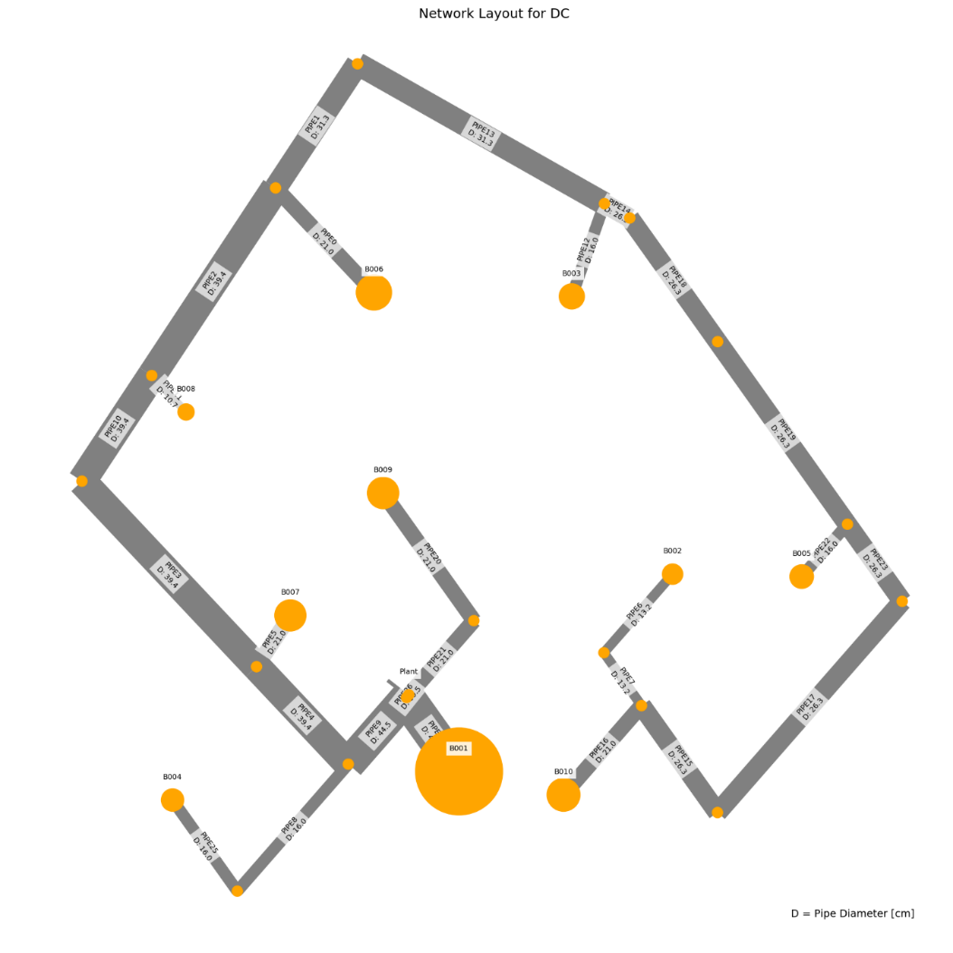
 | individual | opex | capex | opex_heat | opex_pump | opex_dis_loads | opex_dis_build | opex_plant | capex_network | capex_pump | capex_dis_loads | capex_dis_build | capex_plant | total | plant_buildings | number_of_plants | supplied_loads | disconnected_buildings | has_loops
33 | [0.0, 0.0, 0.0, 0.0, 0.0, 0.0, 1.0, 0.0, 0.0, 0.0, 0.0, 0.0, 1.0, 0.0, 0.0, 0.0] | 5436124.1589 | 60070.172308 | 5366585.2286 | 69440.02771 | 0 | 0 | 98.902538407 | 43148.630093 | 14943.491448 | 0 | 0 | 1978.0507681 | 5496194.3312 | B001B007 | 2 | ahuaruscu |  | 0
32 | [0.0, 0.0, 0.0, 0.0, 0.0, 0.0, 1.0, 0.0, 1.0, 0.0, 0.0, 0.0, 0.0, 0.0, 0.0, 0.0] | 5440399.7175 | 60090.310364 | 5366581.6642 | 73719.150742 | 0 | 0 | 98.902529398 | 42822.549089 | 15289.710687 | 0 | 0 | 1978.050588 | 5500490.0278 | B001B003 | 2 | ahuaruscu |  | 0
28 | [0.0, 0.0, 0.0, 0.0, 0.0, 0.0, 0.0, 0.0, 0.0, 0.0, 0.0, 0.0, 0.0, 1.0, 1.0, 0.0] | 5441091.4473 | 60591.193186 | 5366563.1494 | 74429.395301 | 0 | 0 | 98.902573891 | 43226.271091 | 15386.870617 | 0 | 0 | 1978.0514778 | 5501682.6405 | B008B009 | 2 | ahuaruscu |  | 0
26 | [0.0, 0.0, 0.0, 0.0, 0.0, 0.0, 0.0, 0.0, 1.0, 0.0, 0.0, 0.0, 0.0, 0.0, 1.0, 0.0] | 5444208.0524 | 60955.494004 | 5366558.9568 | 77550.193043 | 0 | 0 | 98.902559339 | 43735.810065 | 15241.632753 | 0 | 0 | 1978.0511868 | 5505163.5464 | B003B009 | 2 | ahuaruscu |  | 0
27 | [0.0, 0.0, 0.0, 0.0, 0.0, 0.0, 1.0, 0.0, 0.0, 0.0, 0.0, 0.0, 0.0, 0.0, 1.0, 0.0] | 5445215.4171 | 62176.698442 | 5366585.2518 | 78531.262289 | 0 | 0 | 98.903056243 | 45303.401974 | 14895.235343 | 0 | 0 | 1978.0611249 | 5507392.1156 | B001B009 | 2 | ahuaruscu |  | 0
35 | [0.0, 0.0, 0.0, 0.0, 0.0, 0.0, 0.0, 0.0, 0.0, 0.0, 0.0, 1.0, 1.0, 0.0, 0.0, 0.0] | 5443095.1442 | 64475.675339 | 5366631.1332 | 76365.108257 | 0 | 0 | 98.902786494 | 44520.947431 | 17976.672179 | 0 | 0 | 1978.0557299 | 5507570.8196 | B006B007 | 2 | ahuaruscu |  | 0
0 | [0.0, 0.0, 0.0, 0.0, 0.0, 0.0, 0.0, 0.0, 0.0, 0.0, 0.0, 0.0, 1.0, 1.0, 0.0, 0.0] | 5442715.1359 | 64855.894421 | 5366635.2276 | 75981.005527 | 0 | 0 | 98.90280621 | 45000.155113 | 17877.683184 | 0 | 0 | 1978.0561242 | 5507571.0303 | B007B008 | 2 | ahuaruscu |  | 0
1 | [0.0, 0.0, 0.0, 0.0, 0.0, 0.0, 1.0, 0.0, 0.0, 1.0, 0.0, 0.0, 0.0, 0.0, 0.0, 0.0] | 5446298.7414 | 62450.554636 | 5366623.2282 | 79576.610493 | 0 | 0 | 98.902731317 | 45640.894194 | 14831.605816 | 0 | 0 | 1978.0546264 | 5508749.2961 | B001B004 | 2 | ahuaruscu |  | 0
4 | [0.0, 0.0, 0.0, 0.0, 0.0, 0.0, 0.0, 0.0, 1.0, 0.0, 0.0, 0.0, 1.0, 0.0, 0.0, 0.0] | 5445829.629 | 65151.512145 | 5366631.434 | 79099.292197 | 0 | 0 | 98.902792109 | 45509.694087 | 17663.762215 | 0 | 0 | 1978.0558422 | 5510981.1411 | B003B007 | 2 | ahuaruscu |  | 0
31 | [0.0, 0.0, 0.0, 0.0, 0.0, 0.0, 0.0, 0.0, 0.0, 1.0, 0.0, 0.0, 1.0, 0.0, 0.0, 0.0] | 5447416.1322 | 64601.726148 | 5366644.0386 | 80673.19072 | 0 | 0 | 98.902844172 | 45823.13874 | 16800.530525 | 0 | 0 | 1978.0568834 | 5512017.8583 | B004B007 | 2 | ahuaruscu |  | 0
8 | [0.0, 0.0, 0.0, 0.0, 0.0, 0.0, 0.0, 0.0, 0.0, 1.0, 0.0, 0.0, 0.0, 1.0, 0.0, 0.0] | 5448576.066 | 64281.082771 | 5366644.946 | 81832.217165 | 0 | 0 | 98.902849718 | 44987.518763 | 17315.507014 | 0 | 0 | 1978.0569943 | 5512857.1488 | B004B008 | 2 | ahuaruscu |  | 0
34 | [0.0, 0.0, 0.0, 0.0, 0.0, 0.0, 0.0, 0.0, 0.0, 1.0, 0.0, 1.0, 0.0, 0.0, 0.0, 0.0] | 5448957.092 | 63955.927053 | 5366640.9068 | 82217.282369 | 0 | 0 | 98.902829794 | 44508.31108 | 17469.559377 | 0 | 0 | 1978.0565959 | 5512913.0191 | B004B006 | 2 | ahuaruscu |  | 0
14 | [0.0, 0.0, 0.0, 0.0, 0.0, 0.0, 0.0, 0.0, 0.0, 1.0, 0.0, 0.0, 0.0, 0.0, 1.0, 0.0] | 5450105.4806 | 63301.11374 | 5366600.7596 | 83405.818268 | 0 | 0 | 98.902763482 | 46554.155169 | 14768.903301 | 0 | 0 | 1978.0552696 | 5513406.5944 | B004B009 | 2 | ahuaruscu |  | 0
25 | [0.0, 0.0, 0.0, 0.0, 0.0, 0.0, 0.0, 0.0, 0.0, 0.0, 1.0, 0.0, 0.0, 0.0, 1.0, 0.0] | 5451237.6729 | 62290.864079 | 5366591.6382 | 84547.131976 | 0 | 0 | 98.902726001 | 45677.741507 | 14635.068052 | 0 | 0 | 1978.05452 | 5513528.537 | B005B009 | 2 | ahuaruscu |  | 0
21 | [0.0, 0.0, 0.0, 0.0, 0.0, 0.0, 0.0, 0.0, 1.0, 1.0, 0.0, 0.0, 0.0, 0.0, 0.0, 0.0] | 5451692.0161 | 64646.032073 | 5366641.2172 | 84951.896091 | 0 | 0 | 98.902837384 | 45497.057737 | 17170.917589 | 0 | 0 | 1978.0567477 | 5516338.0482 | B003B004 | 2 | ahuaruscu |  | 0
17 | [0.0, 0.0, 0.0, 0.0, 0.0, 0.0, 0.0, 0.0, 0.0, 0.0, 0.0, 1.0, 0.0, 1.0, 0.0, 0.0] | 5447098.2685 | 69507.795004 | 5366651.8044 | 80347.561113 | 0 | 0 | 98.902933679 | 48691.99652 | 18837.73981 | 0 | 0 | 1978.0586736 | 5516606.0635 | B006B008 | 2 | ahuaruscu |  | 0
13 | [0.0, 0.0, 0.0, 0.0, 0.0, 0.0, 0.0, 0.0, 0.0, 0.0, 1.0, 0.0, 1.0, 0.0, 0.0, 0.0] | 5452857.6327 | 66466.813573 | 5366664.02 | 86094.709783 | 0 | 0 | 98.902961177 | 47451.62553 | 17037.128819 | 0 | 0 | 1978.0592236 | 5519324.4463 | B005B007 | 2 | ahuaruscu |  | 0
3 | [0.0, 0.0, 0.0, 0.0, 0.0, 0.0, 0.0, 0.0, 1.0, 0.0, 0.0, 0.0, 0.0, 1.0, 0.0, 0.0] | 5449831.3084 | 70026.69565 | 5366652.2344 | 83080.171071 | 0 | 0 | 98.902941526 | 49680.743177 | 18367.893642 | 0 | 0 | 1978.0588305 | 5519858.0041 | B003B008 | 2 | ahuaruscu |  | 0
16 | [0.0, 0.0, 0.0, 0.0, 0.0, 0.0, 1.0, 0.0, 0.0, 0.0, 0.0, 0.0, 0.0, 0.0, 0.0, 1.0] | 5458618.7342 | 64443.626591 | 5366684.7066 | 91835.124561 | 0 | 0 | 98.903067385 | 48062.948648 | 14402.616596 | 0 | 0 | 1978.0613477 | 5523062.3608 | B001B010 | 2 | ahuaruscu |  | 0
7 | [0.0, 0.0, 0.0, 0.0, 0.0, 0.0, 0.0, 0.0, 0.0, 1.0, 1.0, 0.0, 0.0, 0.0, 0.0, 0.0] | 5458720.9805 | 65981.971029 | 5366674.0974 | 91947.980072 | 0 | 0 | 98.903006224 | 47438.98918 | 16564.921725 | 0 | 0 | 1978.0601245 | 5524702.9515 | B004B005 | 2 | ahuaruscu |  | 0
24 | [0.0, 0.0, 0.0, 0.0, 0.0, 0.0, 1.0, 1.0, 0.0, 0.0, 0.0, 0.0, 0.0, 0.0, 0.0, 0.0] | 5461019.5289 | 64837.739102 | 5366701.717 | 94218.908723 | 0 | 0 | 98.903153881 | 48843.184192 | 14016.491832 | 0 | 0 | 1978.0630776 | 5525857.268 | B001B002 | 2 | ahuaruscu |  | 0
10 | [0.0, 0.0, 0.0, 0.0, 0.0, 0.0, 0.0, 0.0, 1.0, 0.0, 0.0, 1.0, 0.0, 0.0, 0.0, 0.0] | 5454154.5459 | 72545.747602 | 5366668.5764 | 87387.066461 | 0 | 0 | 98.903042445 | 52072.738132 | 18494.948621 | 0 | 0 | 1978.0608489 | 5526700.2935 | B003B006 | 2 | ahuaruscu |  | 0
30 | [0.0, 0.0, 0.0, 0.0, 0.0, 0.0, 0.0, 0.0, 0.0, 0.0, 0.0, 0.0, 0.0, 0.0, 1.0, 1.0] | 5462428.0826 | 65300.539925 | 5366662.044 | 95667.135539 | 0 | 0 | 98.90309285 | 48976.209623 | 14346.268445 | 0 | 0 | 1978.061857 | 5527728.6226 | B009B010 | 2 | ahuaruscu |  | 0
22 | [0.0, 0.0, 0.0, 0.0, 0.0, 0.0, 0.0, 0.0, 0.0, 0.0, 0.0, 0.0, 1.0, 0.0, 0.0, 1.0] | 5464047.6265 | 69476.916024 | 5366734.6042 | 97214.118993 | 0 | 0 | 98.90333037 | 50750.093645 | 16748.755772 | 0 | 0 | 1978.0666074 | 5533524.5426 | B007B010 | 2 | ahuaruscu |  | 0
9 | [0.0, 0.0, 0.0, 0.0, 0.0, 0.0, 0.0, 0.0, 0.0, 0.0, 1.0, 1.0, 0.0, 0.0, 0.0, 0.0] | 5461180.1322 | 73773.674698 | 5366700.707 | 94380.521964 | 0 | 0 | 98.903211622 | 54014.669575 | 17780.940891 | 0 | 0 | 1978.0642324 | 5534953.8069 | B005B006 | 2 | ahuaruscu |  | 0
5 | [0.0, 0.0, 0.0, 0.0, 0.0, 0.0, 0.0, 1.0, 0.0, 0.0, 0.0, 0.0, 1.0, 0.0, 0.0, 0.0] | 5466589.8079 | 69967.974161 | 5366751.639 | 99739.265461 | 0 | 0 | 98.90341686 | 51530.32919 | 16459.576634 | 0 | 0 | 1978.0683372 | 5536557.782 | B002B007 | 2 | ahuaruscu |  | 0
2 | [0.0, 0.0, 0.0, 0.0, 0.0, 0.0, 0.0, 0.0, 0.0, 1.0, 0.0, 0.0, 0.0, 0.0, 0.0, 1.0] | 5469910.8197 | 69000.795929 | 5366744.7428 | 103067.17357 | 0 | 0 | 98.903375168 | 50737.457295 | 16285.27113 | 0 | 0 | 1978.0675034 | 5538911.6157 | B004B010 | 2 | ahuaruscu |  | 0
19 | [0.0, 0.0, 0.0, 0.0, 0.0, 0.0, 0.0, 1.0, 0.0, 1.0, 0.0, 0.0, 0.0, 0.0, 0.0, 0.0] | 5472453.0395 | 69499.965517 | 5366761.7732 | 105592.36287 | 0 | 0 | 98.903463902 | 51517.69284 | 16004.203399 | 0 | 0 | 1978.0692781 | 5541953.005 | B002B004 | 2 | ahuaruscu |  | 0
6 | [0.0, 0.0, 0.0, 0.0, 0.0, 0.0, 0.0, 0.0, 0.0, 0.0, 0.0, 0.0, 0.0, 1.0, 0.0, 1.0] | 5468048.8518 | 74275.577685 | 5366755.1712 | 101194.77715 | 0 | 0 | 98.903481934 | 54921.142735 | 17376.365312 | 0 | 0 | 1978.0696387 | 5542324.4295 | B008B010 | 2 | ahuaruscu |  | 0
23 | [0.0, 0.0, 0.0, 0.0, 0.0, 0.0, 0.0, 1.0, 0.0, 0.0, 0.0, 0.0, 0.0, 1.0, 0.0, 0.0] | 5470590.9082 | 74743.343937 | 5366772.2044 | 103719.80026 | 0 | 0 | 98.903568411 | 55701.37828 | 17063.894289 | 0 | 0 | 1978.0713682 | 5545334.2522 | B002B008 | 2 | ahuaruscu |  | 0
29 | [0.0, 0.0, 0.0, 0.0, 0.0, 0.0, 0.0, 1.0, 0.0, 0.0, 0.0, 1.0, 0.0, 0.0, 0.0, 0.0] | 5474912.7547 | 77224.142162 | 5366788.2256 | 108025.62539 | 0 | 0 | 98.903667388 | 58093.373235 | 17152.695579 | 0 | 0 | 1978.0733478 | 5552136.8968 | B002B006 | 2 | ahuaruscu |  | 0
15 | [0.0, 0.0, 0.0, 0.0, 0.0, 0.0, 0.0, 0.0, 1.0, 0.0, 0.0, 0.0, 0.0, 0.0, 0.0, 1.0] | 5485502.2481 | 82379.432404 | 5366795.466 | 118607.87831 | 0 | 0 | 98.903789136 | 61259.781469 | 19141.575152 | 0 | 0 | 1978.0757827 | 5567881.6805 | B003B010 | 2 | ahuaruscu |  | 0
20 | [0.0, 0.0, 0.0, 0.0, 0.0, 0.0, 0.0, 1.0, 1.0, 0.0, 0.0, 0.0, 0.0, 0.0, 0.0, 0.0] | 5488043.9645 | 82809.603191 | 5366812.5008 | 121132.55978 | 0 | 0 | 98.903877845 | 62040.017014 | 18791.50862 | 0 | 0 | 1978.0775569 | 5570853.5676 | B002B003 | 2 | ahuaruscu |  | 0
12 | [0.0, 0.0, 0.0, 0.0, 0.0, 0.0, 0.0, 0.0, 0.0, 0.0, 1.0, 0.0, 0.0, 0.0, 0.0, 1.0] | 5495645.0169 | 86133.718551 | 5366817.6752 | 128728.4378 | 0 | 0 | 98.903931488 | 64758.047044 | 19397.592877 | 0 | 0 | 1978.0786298 | 5581778.7355 | B005B010 | 2 | ahuaruscu |  | 0
11 | [0.0, 0.0, 0.0, 0.0, 0.0, 0.0, 0.0, 1.0, 0.0, 0.0, 1.0, 0.0, 0.0, 0.0, 0.0, 0.0] | 5498186.6048 | 86547.604427 | 5366834.6968 | 131253.00395 | 0 | 0 | 98.904020183 | 65538.282589 | 19031.241435 | 0 | 0 | 1978.0804037 | 5584734.2092 | B002B005 | 2 | ahuaruscu |  | 0
18 | [0.0, 0.0, 0.0, 0.0, 0.0, 0.0, 0.0, 1.0, 0.0, 0.0, 0.0, 0.0, 0.0, 0.0, 0.0, 1.0] | 5521494.2762 | 91030.443334 | 5366833.7122 | 154561.6599 | 0 | 0 | 98.90407516 | 69085.611429 | 19966.750401 | 0 | 0 | 1978.0815032 | 5612524.7195 | B002B010 | 2 | ahuaruscu |  | 0
 |  | 85370.11732 | 30960.271025 | 248.4836 | 85121.632189 | 0 | 0 | 0.0015367535 | 25936.981337 | 5023.2589534 | 0 | 0 | 0.03073507 | 116330.38835

 | Price deviation maximum to minimum:
 | 2.12%

WTP_MIX_m
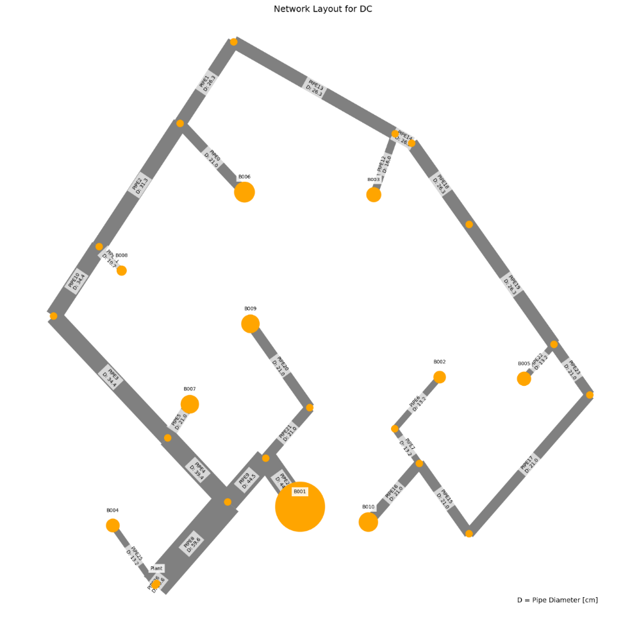
 | individual | opex | capex | opex_heat | opex_pump | opex_dis_loads | opex_dis_build | opex_plant | capex_network | capex_pump | capex_dis_loads | capex_dis_build | capex_plant | total | plant_buildings | number_of_plants | supplied_loads | disconnected_buildings | has_loops
27 | [0.0, 0.0, 0.0, 0.0, 0.0, 0.0, 1.0, 0.0, 0.0, 0.0, 0.0, 1.0, 0.0, 0.0, 0.0, 0.0] | 4109725.7087 | 51358.272985 | 4059647.713 | 50003.222688 | 0 | 0 | 74.773052505 | 38673.871658 | 11188.940278 | 0 | 0 | 1495.4610501 | 4161083.9817 | B001B006 | 2 | ahuaruscu |  | 0
28 | [0.0, 0.0, 0.0, 0.0, 0.0, 0.0, 1.0, 0.0, 1.0, 0.0, 0.0, 0.0, 0.0, 0.0, 0.0, 0.0] | 4109607.2024 | 52034.054125 | 4059674.4226 | 49858.006618 | 0 | 0 | 74.773198087 | 39875.956853 | 10662.63331 | 0 | 0 | 1495.4639617 | 4161641.2565 | B001B003 | 2 | ahuaruscu |  | 0
29 | [0.0, 0.0, 0.0, 0.0, 0.0, 0.0, 1.0, 0.0, 0.0, 0.0, 0.0, 0.0, 0.0, 1.0, 0.0, 0.0] | 4112758.621 | 51629.554855 | 4059647.661 | 53036.186907 | 0 | 0 | 74.773049707 | 38673.871658 | 11460.222204 | 0 | 0 | 1495.4609942 | 4164388.1758 | B001B008 | 2 | ahuaruscu |  | 0
25 | [0.0, 0.0, 0.0, 0.0, 0.0, 0.0, 0.0, 0.0, 0.0, 0.0, 0.0, 1.0, 0.0, 0.0, 1.0, 0.0] | 4113052.7244 | 52178.241306 | 4059619.1692 | 53358.782144 | 0 | 0 | 74.773064357 | 39412.726097 | 11270.053922 | 0 | 0 | 1495.4612871 | 4165230.9657 | B006B009 | 2 | ahuaruscu |  | 0
19 | [0.0, 0.0, 0.0, 0.0, 0.0, 0.0, 0.0, 0.0, 1.0, 0.0, 0.0, 0.0, 0.0, 0.0, 1.0, 0.0] | 4112934.6898 | 52855.417868 | 4059645.8152 | 53214.101429 | 0 | 0 | 74.773209951 | 40614.811292 | 10745.142377 | 0 | 0 | 1495.464199 | 4165790.1077 | B003B009 | 2 | ahuaruscu |  | 0
21 | [0.0, 0.0, 0.0, 0.0, 0.0, 0.0, 0.0, 0.0, 0.0, 0.0, 0.0, 0.0, 0.0, 1.0, 1.0, 0.0] | 4116085.2115 | 52439.289363 | 4059619.1264 | 56391.312045 | 0 | 0 | 74.773061551 | 39412.726097 | 11531.102035 | 0 | 0 | 1495.461231 | 4168524.5009 | B008B009 | 2 | ahuaruscu |  | 0
30 | [0.0, 0.0, 0.0, 0.0, 0.0, 0.0, 1.0, 0.0, 0.0, 0.0, 0.0, 0.0, 1.0, 0.0, 0.0, 0.0] | 4116738.4238 | 51888.253784 | 4059639.7104 | 57023.940365 | 0 | 0 | 74.773005697 | 38673.871658 | 11718.922013 | 0 | 0 | 1495.4601139 | 4168626.6776 | B001B007 | 2 | ahuaruscu |  | 0
23 | [0.0, 0.0, 0.0, 0.0, 0.0, 0.0, 1.0, 0.0, 0.0, 0.0, 1.0, 0.0, 0.0, 0.0, 0.0, 0.0] | 4119720.8147 | 53422.821723 | 4059699.2486 | 59946.792826 | 0 | 0 | 74.773325402 | 40941.473148 | 10985.882067 | 0 | 0 | 1495.466508 | 4173143.6365 | B001B005 | 2 | ahuaruscu |  | 0
14 | [0.0, 0.0, 0.0, 0.0, 0.0, 0.0, 0.0, 0.0, 1.0, 1.0, 0.0, 0.0, 0.0, 0.0, 0.0, 0.0] | 4118275.5408 | 55376.887351 | 4059746.672 | 58454.095183 | 0 | 0 | 74.773587335 | 42247.287844 | 11634.12776 | 0 | 0 | 1495.4717467 | 4173652.4281 | B003B004 | 2 | ahuaruscu |  | 0
31 | [0.0, 0.0, 0.0, 0.0, 0.0, 0.0, 0.0, 0.0, 0.0, 0.0, 0.0, 1.0, 1.0, 0.0, 0.0, 0.0] | 4119587.9626 | 55024.487658 | 4059702.1108 | 59811.078438 | 0 | 0 | 74.77335354 | 40145.877281 | 13383.143305 | 0 | 0 | 1495.4670708 | 4174612.4503 | B006B007 | 2 | ahuaruscu |  | 0
2 | [0.0, 0.0, 0.0, 0.0, 0.0, 0.0, 0.0, 0.0, 1.0, 0.0, 0.0, 0.0, 1.0, 0.0, 0.0, 0.0] | 4119467.9949 | 55625.933844 | 4059729.033 | 59664.188419 | 0 | 0 | 74.77349704 | 41347.962477 | 12782.501427 | 0 | 0 | 1495.4699408 | 4175093.9288 | B003B007 | 2 | ahuaruscu |  | 0
5 | [0.0, 0.0, 0.0, 0.0, 0.0, 0.0, 0.0, 0.0, 0.0, 1.0, 0.0, 0.0, 0.0, 1.0, 0.0, 0.0] | 4121426.5295 | 55010.740062 | 4059719.53 | 61632.226031 | 0 | 0 | 74.773439125 | 41045.202649 | 12470.068631 | 0 | 0 | 1495.4687825 | 4176437.2695 | B004B008 | 2 | ahuaruscu |  | 0
18 | [0.0, 0.0, 0.0, 0.0, 0.0, 0.0, 0.0, 0.0, 0.0, 0.0, 1.0, 0.0, 0.0, 0.0, 1.0, 0.0] | 4123048.8531 | 54243.316907 | 4059670.7434 | 63303.336331 | 0 | 0 | 74.77333502 | 41680.327587 | 11067.52262 | 0 | 0 | 1495.4667004 | 4177292.17 | B005B009 | 2 | ahuaruscu |  | 0
20 | [0.0, 0.0, 0.0, 0.0, 0.0, 0.0, 1.0, 0.0, 0.0, 0.0, 0.0, 0.0, 0.0, 0.0, 1.0, 0.0] | 4123758.4025 | 53911.381782 | 4059628.6254 | 64055.003708 | 0 | 0 | 74.773410602 | 40503.263231 | 11912.650338 | 0 | 0 | 1495.468212 | 4177669.7843 | B001B009 | 2 | ahuaruscu |  | 0
0 | [0.0, 0.0, 0.0, 0.0, 0.0, 0.0, 0.0, 0.0, 0.0, 0.0, 0.0, 0.0, 1.0, 1.0, 0.0, 0.0] | 4122622.1341 | 55348.485762 | 4059701.9402 | 62845.42056 | 0 | 0 | 74.773348325 | 40145.877281 | 13707.141514 | 0 | 0 | 1495.4669665 | 4177970.6199 | B007B008 | 2 | ahuaruscu |  | 0
26 | [0.0, 0.0, 0.0, 0.0, 0.0, 0.0, 0.0, 0.0, 0.0, 1.0, 0.0, 0.0, 1.0, 0.0, 0.0, 0.0] | 4125405.9649 | 55290.517237 | 4059711.2896 | 65619.901852 | 0 | 0 | 74.773395218 | 41045.202649 | 12749.846684 | 0 | 0 | 1495.4679044 | 4180696.4821 | B004B007 | 2 | ahuaruscu |  | 0
8 | [0.0, 0.0, 0.0, 0.0, 0.0, 0.0, 0.0, 0.0, 0.0, 1.0, 0.0, 0.0, 0.0, 0.0, 1.0, 0.0] | 4126658.5457 | 54780.751206 | 4059657.486 | 66926.286438 | 0 | 0 | 74.773256935 | 41860.416759 | 11424.869308 | 0 | 0 | 1495.4651387 | 4181439.2969 | B004B009 | 2 | ahuaruscu |  | 0
10 | [0.0, 0.0, 0.0, 0.0, 0.0, 0.0, 1.0, 0.0, 0.0, 0.0, 0.0, 0.0, 0.0, 0.0, 0.0, 1.0] | 4125658.9755 | 56000.61187 | 4059731.5166 | 65852.685388 | 0 | 0 | 74.773491241 | 44562.715751 | 9942.4262945 | 0 | 0 | 1495.4698248 | 4181659.5874 | B001B010 | 2 | ahuaruscu |  | 0
24 | [0.0, 0.0, 0.0, 0.0, 0.0, 0.0, 1.0, 1.0, 0.0, 0.0, 0.0, 0.0, 0.0, 0.0, 0.0, 0.0] | 4127958.9591 | 56623.312163 | 4059744.7036 | 68139.481973 | 0 | 0 | 74.773559186 | 45234.828137 | 9893.0128425 | 0 | 0 | 1495.4711837 | 4184582.2713 | B001B002 | 2 | ahuaruscu |  | 0
7 | [0.0, 0.0, 0.0, 0.0, 0.0, 0.0, 0.0, 0.0, 0.0, 0.0, 1.0, 0.0, 1.0, 0.0, 0.0, 0.0] | 4129580.9099 | 57055.710233 | 4059753.8584 | 69752.277895 | 0 | 0 | 74.773624477 | 42413.478771 | 13146.758972 | 0 | 0 | 1495.4724895 | 4186636.6201 | B005B007 | 2 | ahuaruscu |  | 0
11 | [0.0, 0.0, 0.0, 0.0, 0.0, 0.0, 0.0, 0.0, 0.0, 0.0, 0.0, 1.0, 0.0, 1.0, 0.0, 0.0] | 4131473.7701 | 59356.09073 | 4059696.315 | 71702.681756 | 0 | 0 | 74.773355923 | 42738.555465 | 15122.068147 | 0 | 0 | 1495.4671185 | 4190829.8608 | B006B008 | 2 | ahuaruscu |  | 0
1 | [0.0, 0.0, 0.0, 0.0, 0.0, 0.0, 0.0, 0.0, 1.0, 0.0, 0.0, 0.0, 0.0, 1.0, 0.0, 0.0] | 4131349.259 | 59645.040872 | 4059723.3354 | 71551.150097 | 0 | 0 | 74.773501603 | 43940.64066 | 14208.93018 | 0 | 0 | 1495.4700321 | 4190994.2999 | B003B008 | 2 | ahuaruscu |  | 0
3 | [0.0, 0.0, 0.0, 0.0, 0.0, 0.0, 0.0, 1.0, 0.0, 0.0, 0.0, 0.0, 1.0, 0.0, 0.0, 0.0] | 4137817.2767 | 60123.092989 | 4059799.4094 | 77943.093445 | 0 | 0 | 74.773862896 | 46706.833761 | 11920.78197 | 0 | 0 | 1495.4772579 | 4197940.3697 | B002B007 | 2 | ahuaruscu |  | 0
15 | [0.0, 0.0, 0.0, 0.0, 0.0, 0.0, 0.0, 0.0, 1.0, 0.0, 0.0, 1.0, 0.0, 0.0, 0.0, 0.0] | 4138094.7965 | 61552.989812 | 4059720.137 | 78299.886029 | 0 | 0 | 74.773499293 | 45427.478384 | 14630.041442 | 0 | 0 | 1495.4699859 | 4199647.7863 | B003B006 | 2 | ahuaruscu |  | 0
4 | [0.0, 0.0, 0.0, 0.0, 0.0, 0.0, 0.0, 0.0, 0.0, 0.0, 0.0, 0.0, 0.0, 1.0, 0.0, 1.0] | 4147254.5079 | 63354.607735 | 4059780.2828 | 87399.451267 | 0 | 0 | 74.773799393 | 48627.399558 | 13231.732189 | 0 | 0 | 1495.4759879 | 4210609.1156 | B008B010 | 2 | ahuaruscu |  | 0
17 | [0.0, 0.0, 0.0, 0.0, 0.0, 0.0, 0.0, 1.0, 0.0, 0.0, 0.0, 0.0, 0.0, 1.0, 0.0, 0.0] | 4149554.4899 | 63967.24883 | 4059793.5212 | 89686.19478 | 0 | 0 | 74.773867315 | 49299.511944 | 13172.25954 | 0 | 0 | 1495.4773463 | 4213521.7387 | B002B008 | 2 | ahuaruscu |  | 0
22 | [0.0, 0.0, 0.0, 0.0, 0.0, 0.0, 0.0, 0.0, 0.0, 0.0, 0.0, 1.0, 0.0, 0.0, 0.0, 1.0] | 4153996.5745 | 65124.811815 | 4059776.7604 | 94145.040291 | 0 | 0 | 74.773795118 | 50114.237282 | 13515.098631 | 0 | 0 | 1495.4759024 | 4219121.3863 | B006B010 | 2 | ahuaruscu |  | 0
13 | [0.0, 0.0, 0.0, 0.0, 0.0, 0.0, 0.0, 1.0, 0.0, 0.0, 0.0, 1.0, 0.0, 0.0, 0.0, 0.0] | 4156296.5096 | 65736.233968 | 4059790.0044 | 96431.731355 | 0 | 0 | 74.773865306 | 50786.349668 | 13454.406994 | 0 | 0 | 1495.4773061 | 4222032.7436 | B002B006 | 2 | ahuaruscu |  | 0
16 | [0.0, 0.0, 0.0, 0.0, 0.0, 0.0, 0.0, 0.0, 1.0, 0.0, 1.0, 0.0, 0.0, 0.0, 0.0, 0.0] | 4166158.7003 | 68143.519926 | 4059746.3366 | 106337.59003 | 0 | 0 | 74.773673748 | 49560.779026 | 17087.267425 | 0 | 0 | 1495.473475 | 4234302.2202 | B003B005 | 2 | ahuaruscu |  | 0
9 | [0.0, 0.0, 0.0, 0.0, 0.0, 0.0, 0.0, 0.0, 1.0, 0.0, 0.0, 0.0, 0.0, 0.0, 0.0, 1.0] | 4172087.9203 | 70071.234653 | 4059778.4462 | 112234.70022 | 0 | 0 | 74.773841919 | 53182.021629 | 15393.736186 | 0 | 0 | 1495.4768384 | 4242159.1549 | B003B010 | 2 | ahuaruscu |  | 0
6 | [0.0, 0.0, 0.0, 0.0, 0.0, 0.0, 0.0, 1.0, 0.0, 0.0, 1.0, 0.0, 0.0, 0.0, 0.0, 0.0] | 4171726.1267 | 74413.800628 | 4059821.8602 | 111829.49243 | 0 | 0 | 74.774093305 | 58228.814738 | 14689.504024 | 0 | 0 | 1495.4818661 | 4246139.9274 | B002B005 | 2 | ahuaruscu |  | 0
12 | [0.0, 0.0, 0.0, 0.0, 0.0, 0.0, 0.0, 1.0, 0.0, 0.0, 0.0, 0.0, 0.0, 0.0, 0.0, 1.0] | 4176220.5325 | 78800.835263 | 4059850.3076 | 116295.45063 | 0 | 0 | 74.774285346 | 62630.937629 | 14674.411927 | 0 | 0 | 1495.4857069 | 4255021.3678 | B002B010 | 2 | ahuaruscu |  | 0
 |  | 66494.82378 | 27442.562278 | 202.5946 | 66292.227946 | 0 | 0 | 0.0012328405 | 23957.065971 | 3485.4716497 | 0 | 0 | 0.02465681 | 93937.38605

 | Price deviation maximum to minimum:
 | 2.26%

WTP_mix_l
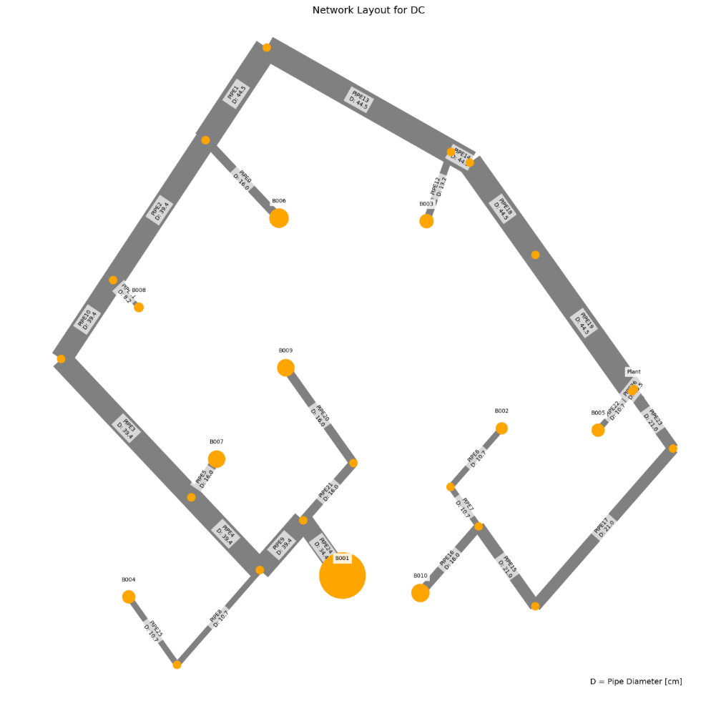
 | individual | opex | capex | opex_heat | opex_pump | opex_dis_loads | opex_dis_build | opex_plant | capex_network | capex_pump | capex_dis_loads | capex_dis_build | capex_plant | total | plant_buildings | number_of_plants | supplied_loads | disconnected_buildings | has_loops
24 | [0.0, 0.0, 0.0, 0.0, 0.0, 0.0, 1.0, 0.0, 0.0, 0.0, 0.0, 1.0, 0.0, 0.0, 0.0, 0.0] | 2773217.5409 | 43195.215297 | 2739162.8262 | 34004.558652 | 0 | 0 | 50.156030992 | 33710.411958 | 8481.6827195 | 0 | 0 | 1003.1206198 | 2816412.7562 | B001B006 | 2 | ahuaruscu |  | 0
26 | [0.0, 0.0, 0.0, 0.0, 0.0, 0.0, 1.0, 0.0, 0.0, 0.0, 0.0, 0.0, 0.0, 1.0, 0.0, 0.0] | 2775781.9604 | 43459.356496 | 2739162.7186 | 36569.085765 | 0 | 0 | 50.156028153 | 33710.411958 | 8745.823975 | 0 | 0 | 1003.1205631 | 2819241.3169 | B001B008 | 2 | ahuaruscu |  | 0
25 | [0.0, 0.0, 0.0, 0.0, 0.0, 0.0, 1.0, 0.0, 1.0, 0.0, 0.0, 0.0, 0.0, 0.0, 0.0, 0.0] | 2775151.3257 | 44356.421712 | 2739198.5488 | 35902.620686 | 0 | 0 | 50.156221057 | 34912.497153 | 8440.8001375 | 0 | 0 | 1003.1244211 | 2819507.7474 | B001B003 | 2 | ahuaruscu |  | 0
27 | [0.0, 0.0, 0.0, 0.0, 0.0, 0.0, 1.0, 0.0, 0.0, 0.0, 0.0, 0.0, 1.0, 0.0, 0.0, 0.0] | 2777091.6371 | 44500.590864 | 2739192.406 | 37849.074929 | 0 | 0 | 50.156180238 | 34726.330845 | 8771.1364143 | 0 | 0 | 1003.1236048 | 2821592.228 | B001B007 | 2 | ahuaruscu |  | 0
20 | [0.0, 0.0, 0.0, 0.0, 0.0, 0.0, 0.0, 0.0, 0.0, 0.0, 0.0, 0.0, 0.0, 1.0, 1.0, 0.0] | 2779058.756 | 44212.122264 | 2739136.9806 | 39871.619329 | 0 | 0 | 50.156068342 | 34422.142519 | 8786.8583786 | 0 | 0 | 1003.1213668 | 2823270.8783 | B008B009 | 2 | ahuaruscu |  | 0
18 | [0.0, 0.0, 0.0, 0.0, 0.0, 0.0, 0.0, 0.0, 0.0, 1.0, 0.0, 1.0, 0.0, 0.0, 0.0, 0.0] | 2777675.7074 | 45737.117033 | 2739255.8624 | 38369.688543 | 0 | 0 | 50.156456355 | 35841.774147 | 8892.2137596 | 0 | 0 | 1003.1291271 | 2823412.8244 | B004B006 | 2 | ahuaruscu |  | 0
28 | [0.0, 0.0, 0.0, 0.0, 0.0, 0.0, 0.0, 0.0, 1.0, 0.0, 0.0, 0.0, 0.0, 0.0, 1.0, 0.0] | 2778428.7436 | 45110.220977 | 2739172.774 | 39205.813365 | 0 | 0 | 50.156261257 | 35624.227714 | 8482.8680383 | 0 | 0 | 1003.1252251 | 2823538.9646 | B003B009 | 2 | ahuaruscu |  | 0
17 | [0.0, 0.0, 0.0, 0.0, 0.0, 0.0, 1.0, 0.0, 0.0, 0.0, 1.0, 0.0, 0.0, 0.0, 0.0, 0.0] | 2777908.8651 | 46031.098011 | 2739224.3804 | 38634.328394 | 0 | 0 | 50.156354609 | 36913.800017 | 8114.1709017 | 0 | 0 | 1003.1270922 | 2823939.9632 | B001B005 | 2 | ahuaruscu |  | 0
29 | [0.0, 0.0, 0.0, 0.0, 0.0, 0.0, 0.0, 0.0, 0.0, 0.0, 0.0, 1.0, 1.0, 0.0, 0.0, 0.0] | 2778328.1548 | 46480.609831 | 2739201.7894 | 39076.209225 | 0 | 0 | 50.156194246 | 35326.461982 | 10151.023965 | 0 | 0 | 1003.1238849 | 2824808.7646 | B006B007 | 2 | ahuaruscu |  | 0
3 | [0.0, 0.0, 0.0, 0.0, 0.0, 0.0, 0.0, 0.0, 0.0, 0.0, 0.0, 0.0, 1.0, 0.0, 1.0, 0.0] | 2780368.072 | 45253.266665 | 2739166.7352 | 41151.180574 | 0 | 0 | 50.156218182 | 35438.061406 | 8812.080896 | 0 | 0 | 1003.1243636 | 2825621.3387 | B007B009 | 2 | ahuaruscu |  | 0
6 | [0.0, 0.0, 0.0, 0.0, 0.0, 0.0, 0.0, 0.0, 0.0, 1.0, 0.0, 0.0, 0.0, 1.0, 0.0, 0.0] | 2780239.7504 | 46024.749507 | 2739255.5532 | 40934.040708 | 0 | 0 | 50.156451234 | 35841.774147 | 9179.8463361 | 0 | 0 | 1003.1290247 | 2826264.4999 | B004B008 | 2 | ahuaruscu |  | 0
14 | [0.0, 0.0, 0.0, 0.0, 0.0, 0.0, 0.0, 0.0, 1.0, 1.0, 0.0, 0.0, 0.0, 0.0, 0.0, 0.0] | 2779610.1646 | 46894.974637 | 2739291.7338 | 40268.274129 | 0 | 0 | 50.156644155 | 37043.859342 | 8847.9824123 | 0 | 0 | 1003.1328831 | 2826505.1392 | B003B004 | 2 | ahuaruscu |  | 0
0 | [0.0, 0.0, 0.0, 0.0, 0.0, 0.0, 0.0, 0.0, 0.0, 0.0, 0.0, 0.0, 1.0, 1.0, 0.0, 0.0] | 2780893.2538 | 46767.616197 | 2739201.505 | 41641.59265 | 0 | 0 | 50.156186654 | 35326.461982 | 10438.030482 | 0 | 0 | 1003.1237331 | 2827660.87 | B007B008 | 2 | ahuaruscu |  | 0
4 | [0.0, 0.0, 0.0, 0.0, 0.0, 0.0, 0.0, 0.0, 1.0, 0.0, 0.0, 0.0, 1.0, 0.0, 0.0, 0.0] | 2780261.7935 | 47638.716828 | 2739237.6562 | 40973.980885 | 0 | 0 | 50.156384572 | 36528.547177 | 10107.04196 | 0 | 0 | 1003.1276914 | 2827900.5103 | B003B007 | 2 | ahuaruscu |  | 0
19 | [0.0, 0.0, 0.0, 0.0, 0.0, 0.0, 1.0, 0.0, 0.0, 0.0, 0.0, 0.0, 0.0, 0.0, 1.0, 0.0] | 2784427.5794 | 46560.823509 | 2739180.4404 | 45196.982498 | 0 | 0 | 50.156512905 | 36561.939954 | 8995.7532968 | 0 | 0 | 1003.1302581 | 2830988.4029 | B001B009 | 2 | ahuaruscu |  | 0
9 | [0.0, 0.0, 0.0, 0.0, 0.0, 0.0, 1.0, 0.0, 0.0, 0.0, 0.0, 0.0, 0.0, 0.0, 0.0, 1.0] | 2788495.6353 | 48872.561048 | 2739256.4706 | 49189.008176 | 0 | 0 | 50.156522045 | 39432.185475 | 8437.2451326 | 0 | 0 | 1003.1304409 | 2837368.1963 | B001B010 | 2 | ahuaruscu |  | 0
23 | [0.0, 0.0, 0.0, 0.0, 0.0, 0.0, 1.0, 1.0, 0.0, 0.0, 0.0, 0.0, 0.0, 0.0, 0.0, 0.0] | 2789800.4744 | 49293.555322 | 2739279.4524 | 50470.865362 | 0 | 0 | 50.156643793 | 39992.710726 | 8297.7117197 | 0 | 0 | 1003.1328759 | 2839094.0297 | B001B002 | 2 | ahuaruscu |  | 0
10 | [0.0, 0.0, 0.0, 0.0, 0.0, 0.0, 0.0, 0.0, 0.0, 0.0, 0.0, 1.0, 0.0, 1.0, 0.0, 0.0] | 2791188.1834 | 49704.300513 | 2739230.9432 | 51907.083848 | 0 | 0 | 50.156369036 | 37178.000846 | 11523.172286 | 0 | 0 | 1003.1273807 | 2840892.4839 | B006B008 | 2 | ahuaruscu |  | 0
16 | [0.0, 0.0, 0.0, 0.0, 0.0, 0.0, 0.0, 0.0, 0.0, 0.0, 0.0, 0.0, 0.0, 0.0, 1.0, 1.0] | 2791773.9937 | 49626.394871 | 2739230.6684 | 52493.16876 | 0 | 0 | 50.156564514 | 40143.916036 | 8479.3475449 | 0 | 0 | 1003.1312903 | 2841400.3886 | B009B010 | 2 | ahuaruscu |  | 0
21 | [0.0, 0.0, 0.0, 0.0, 0.0, 0.0, 0.0, 1.0, 0.0, 0.0, 0.0, 0.0, 0.0, 0.0, 1.0, 0.0] | 2793078.9681 | 50047.93956 | 2739253.7232 | 53775.088211 | 0 | 0 | 50.156684015 | 40704.441287 | 8340.3645923 | 0 | 0 | 1003.1336803 | 2843126.9076 | B002B009 | 2 | ahuaruscu |  | 0
2 | [0.0, 0.0, 0.0, 0.0, 0.0, 0.0, 0.0, 0.0, 1.0, 0.0, 0.0, 0.0, 0.0, 1.0, 0.0, 0.0] | 2793120.6858 | 50859.730557 | 2739266.9664 | 53803.562858 | 0 | 0 | 50.156561545 | 38380.086041 | 11476.513286 | 0 | 0 | 1003.1312309 | 2843980.4164 | B003B008 | 2 | ahuaruscu |  | 0
15 | [0.0, 0.0, 0.0, 0.0, 0.0, 0.0, 0.0, 0.0, 0.0, 0.0, 0.0, 0.0, 1.0, 0.0, 0.0, 1.0] | 2793605.3891 | 52154.8673 | 2739295.6328 | 54259.599585 | 0 | 0 | 50.156688247 | 41048.235499 | 10103.498036 | 0 | 0 | 1003.1337649 | 2845760.2564 | B007B010 | 2 | ahuaruscu |  | 0
1 | [0.0, 0.0, 0.0, 0.0, 0.0, 0.0, 0.0, 0.0, 0.0, 0.0, 1.0, 0.0, 0.0, 1.0, 0.0, 0.0] | 2795875.3401 | 52490.6065 | 2739292.5856 | 56532.597802 | 0 | 0 | 50.156695258 | 40381.388905 | 11106.083689 | 0 | 0 | 1003.1339052 | 2848365.9466 | B005B008 | 2 | ahuaruscu |  | 0
7 | [0.0, 0.0, 0.0, 0.0, 0.0, 0.0, 0.0, 0.0, 0.0, 0.0, 1.0, 1.0, 0.0, 0.0, 0.0, 0.0] | 2803467.6392 | 53970.59339 | 2739309.2944 | 64108.187986 | 0 | 0 | 50.156799601 | 41443.2013 | 11524.256097 | 0 | 0 | 1003.135992 | 2857438.2326 | B005B006 | 2 | ahuaruscu |  | 0
5 | [0.0, 0.0, 0.0, 0.0, 0.0, 0.0, 0.0, 0.0, 0.0, 0.0, 0.0, 0.0, 0.0, 1.0, 0.0, 1.0] | 2806461.8045 | 55375.770854 | 2739324.7468 | 67086.900817 | 0 | 0 | 50.156865103 | 42899.774363 | 11472.859189 | 0 | 0 | 1003.1373021 | 2861837.5753 | B008B010 | 2 | ahuaruscu |  | 0
22 | [0.0, 0.0, 0.0, 0.0, 0.0, 0.0, 0.0, 0.0, 0.0, 0.0, 0.0, 1.0, 0.0, 0.0, 0.0, 1.0] | 2814053.3864 | 56861.496985 | 2739341.3952 | 74661.834273 | 0 | 0 | 50.156969587 | 43961.586758 | 11896.770835 | 0 | 0 | 1003.1393917 | 2870914.8834 | B006B010 | 2 | ahuaruscu |  | 0
13 | [0.0, 0.0, 0.0, 0.0, 0.0, 0.0, 0.0, 1.0, 0.0, 0.0, 0.0, 1.0, 0.0, 0.0, 0.0, 0.0] | 2815358.0286 | 57260.252994 | 2739364.4704 | 75943.401097 | 0 | 0 | 50.157089053 | 44522.112009 | 11734.999204 | 0 | 0 | 1003.1417811 | 2872618.2816 | B002B006 | 2 | ahuaruscu |  | 0
12 | [0.0, 0.0, 0.0, 0.0, 0.0, 0.0, 0.0, 1.0, 1.0, 0.0, 0.0, 0.0, 0.0, 0.0, 0.0, 0.0] | 2825553.2774 | 60416.470682 | 2739389.6536 | 86113.466532 | 0 | 0 | 50.157258386 | 46277.208835 | 13136.11668 | 0 | 0 | 1003.1451677 | 2885969.7481 | B002B003 | 2 | ahuaruscu |  | 0
8 | [0.0, 0.0, 0.0, 0.0, 0.0, 0.0, 0.0, 1.0, 0.0, 0.0, 1.0, 0.0, 0.0, 0.0, 0.0, 0.0] | 2834570.5776 | 62537.375003 | 2739412.9438 | 95107.476384 | 0 | 0 | 50.157398116 | 47832.909108 | 13701.317932 | 0 | 0 | 1003.1479623 | 2897107.9526 | B002B005 | 2 | ahuaruscu |  | 0
11 | [0.0, 0.0, 0.0, 0.0, 0.0, 0.0, 0.0, 1.0, 0.0, 0.0, 0.0, 0.0, 0.0, 0.0, 0.0, 1.0] | 2845465.4838 | 64796.505393 | 2739442.0726 | 105973.2536 | 0 | 0 | 50.157579252 | 49790.560304 | 14002.793504 | 0 | 0 | 1003.151585 | 2910261.9892 | B002B010 | 2 | ahuaruscu |  | 0
 |  | 72247.9429 | 21601.290096 | 279.2464 | 71968.694948 | 0 | 0 | 0.0015482601 | 16080.148346 | 5521.1107847 | 0 | 0 | 0.0309652 | 93849.23299

 | Price deviation maximum to minimum:
 | 3.33%

WTP_RES_h
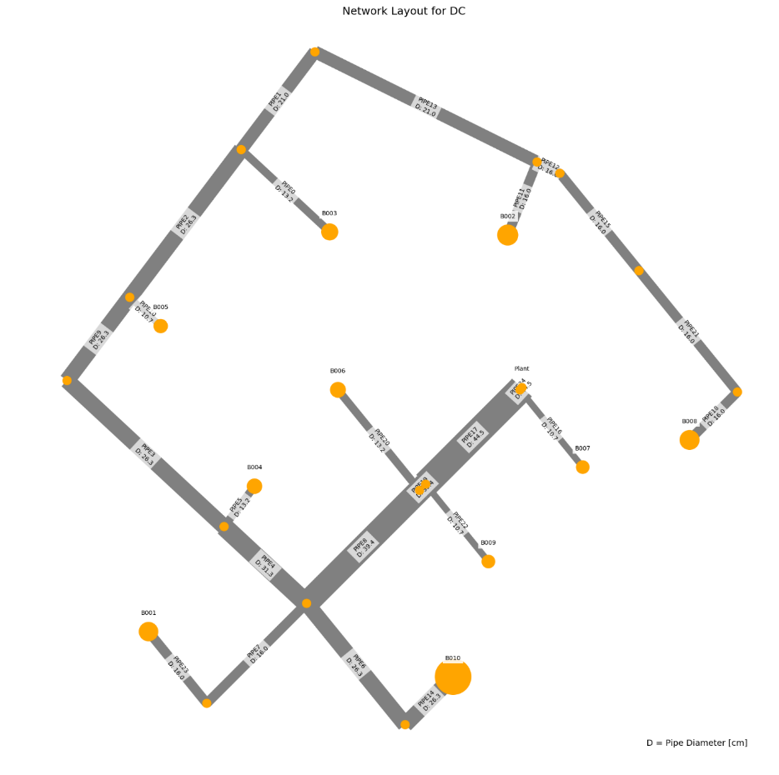
 | individual | opex | capex | opex_heat | opex_pump | opex_dis_loads | opex_dis_build | opex_plant | capex_network | capex_pump | capex_dis_loads | capex_dis_build | capex_plant | total | plant_buildings | number_of_plants | supplied_loads | disconnected_buildings | has_loops
16 | [0.0, 0.0, 0.0, 0.0, 0.0, 0.0, 0.0, 1.0, 0.0, 0.0, 0.0, 0.0, 0.0, 0.0, 0.0, 1.0] | 2508003.6806 | 36274.084695 | 2478420.5164 | 29540.770728 | 0 | 0 | 42.393499966 | 29117.239876 | 6308.9748196 | 0 | 0 | 847.86999932 | 2544277.7653 | B002B010 | 2 | ahuaruscu |  | 0
13 | [0.0, 0.0, 0.0, 0.0, 0.0, 0.0, 0.0, 0.0, 1.0, 0.0, 0.0, 0.0, 0.0, 0.0, 0.0, 1.0] | 2511361.6295 | 35626.08754 | 2478428.2942 | 32890.941766 | 0 | 0 | 42.393541373 | 28061.512069 | 6716.7046433 | 0 | 0 | 847.87082746 | 2546987.7171 | B003B010 | 2 | ahuaruscu |  | 0
11 | [0.0, 0.0, 0.0, 0.0, 0.0, 0.0, 0.0, 0.0, 0.0, 0.0, 1.0, 0.0, 0.0, 0.0, 0.0, 1.0] | 2511298.4874 | 36000.222731 | 2478425.0622 | 32831.031674 | 0 | 0 | 42.393520206 | 28573.182953 | 6579.1693737 | 0 | 0 | 847.87040411 | 2547298.7101 | B005B010 | 2 | ahuaruscu |  | 0
6 | [0.0, 0.0, 0.0, 0.0, 0.0, 0.0, 0.0, 0.0, 0.0, 0.0, 0.0, 0.0, 0.0, 1.0, 0.0, 1.0] | 2509501.7241 | 38457.100054 | 2478456.8884 | 31002.441951 | 0 | 0 | 42.393710253 | 31651.478744 | 5957.7471049 | 0 | 0 | 847.87420506 | 2547958.8241 | B008B010 | 2 | ahuaruscu |  | 0
19 | [0.0, 0.0, 0.0, 0.0, 0.0, 0.0, 1.0, 1.0, 0.0, 0.0, 0.0, 0.0, 0.0, 0.0, 0.0, 0.0] | 2510951.6406 | 37518.742526 | 2478525.9088 | 32383.337806 | 0 | 0 | 42.393989204 | 30291.544129 | 6379.3186126 | 0 | 0 | 847.87978408 | 2548470.3831 | B001B002 | 2 | ahuaruscu |  | 0
28 | [0.0, 0.0, 0.0, 0.0, 0.0, 0.0, 0.0, 1.0, 0.0, 1.0, 0.0, 0.0, 0.0, 0.0, 0.0, 0.0] | 2512702.9126 | 38694.427881 | 2478518.5882 | 34141.930453 | 0 | 0 | 42.394002313 | 30057.859067 | 7788.6887676 | 0 | 0 | 847.88004626 | 2551397.3405 | B002B004 | 2 | ahuaruscu |  | 0
27 | [0.0, 0.0, 0.0, 0.0, 0.0, 0.0, 1.0, 0.0, 0.0, 0.0, 0.0, 0.0, 0.0, 1.0, 0.0, 0.0] | 2512449.5686 | 39702.302368 | 2478562.3302 | 33844.844193 | 0 | 0 | 42.394201577 | 32825.782997 | 6028.635339 | 0 | 0 | 847.88403155 | 2552151.871 | B001B008 | 2 | ahuaruscu |  | 0
8 | [0.0, 0.0, 0.0, 0.0, 0.0, 0.0, 0.0, 0.0, 0.0, 0.0, 1.0, 1.0, 0.0, 0.0, 0.0, 0.0] | 2516131.6669 | 36729.690509 | 2478508.6154 | 37580.657536 | 0 | 0 | 42.393923799 | 29021.428485 | 6860.383548 | 0 | 0 | 847.87847598 | 2552861.3574 | B005B006 | 2 | ahuaruscu |  | 0
15 | [0.0, 0.0, 0.0, 0.0, 0.0, 0.0, 0.0, 0.0, 0.0, 0.0, 0.0, 1.0, 0.0, 1.0, 0.0, 0.0] | 2514335.4103 | 39190.256606 | 2478540.6574 | 35752.358798 | 0 | 0 | 42.394125143 | 32099.724275 | 6242.6498287 | 0 | 0 | 847.88250287 | 2553525.6669 | B006B008 | 2 | ahuaruscu |  | 0
22 | [0.0, 0.0, 0.0, 0.0, 0.0, 0.0, 0.0, 0.0, 0.0, 0.0, 0.0, 0.0, 0.0, 1.0, 1.0, 0.0] | 2514418.4263 | 39255.026357 | 2478541.6878 | 35834.344324 | 0 | 0 | 42.394130152 | 32171.325309 | 6235.8184449 | 0 | 0 | 847.88260304 | 2553673.4526 | B008B009 | 2 | ahuaruscu |  | 0
2 | [0.0, 0.0, 0.0, 0.0, 0.0, 0.0, 0.0, 0.0, 0.0, 1.0, 0.0, 0.0, 0.0, 0.0, 0.0, 1.0] | 2517336.8619 | 37063.942147 | 2478418.8892 | 38875.579219 | 0 | 0 | 42.393477565 | 29465.410745 | 6750.6618515 | 0 | 0 | 847.8695513 | 2554400.804 | B004B010 | 2 | ahuaruscu |  | 0
7 | [0.0, 0.0, 0.0, 0.0, 0.0, 0.0, 0.0, 0.0, 0.0, 1.0, 0.0, 0.0, 0.0, 1.0, 0.0, 0.0] | 2514199.021 | 40699.621538 | 2478555.0396 | 35601.587178 | 0 | 0 | 42.394214855 | 32592.097935 | 7259.6393054 | 0 | 0 | 847.8842971 | 2554898.6425 | B004B008 | 2 | ahuaruscu |  | 0
5 | [0.0, 0.0, 0.0, 0.0, 0.0, 0.0, 0.0, 0.0, 1.0, 0.0, 0.0, 0.0, 1.0, 0.0, 0.0, 0.0] | 2518391.8225 | 37519.598935 | 2478573.4606 | 39775.967632 | 0 | 0 | 42.39431117 | 29990.161553 | 6681.5511586 | 0 | 0 | 847.8862234 | 2555911.4215 | B003B007 | 2 | ahuaruscu |  | 0
12 | [0.0, 0.0, 0.0, 0.0, 0.0, 0.0, 0.0, 0.0, 0.0, 0.0, 1.0, 0.0, 1.0, 0.0, 0.0, 0.0] | 2518328.1291 | 37893.581436 | 2478570.125 | 39715.609852 | 0 | 0 | 42.394287822 | 30501.832438 | 6543.8632416 | 0 | 0 | 847.88575644 | 2556221.7106 | B005B007 | 2 | ahuaruscu |  | 0
0 | [0.0, 0.0, 0.0, 0.0, 0.0, 0.0, 0.0, 0.0, 0.0, 0.0, 0.0, 0.0, 1.0, 1.0, 0.0, 0.0] | 2516532.6814 | 40350.239592 | 2478602.1892 | 37888.097696 | 0 | 0 | 42.394486649 | 33580.128228 | 5922.221631 | 0 | 0 | 847.88973299 | 2556882.921 | B007B008 | 2 | ahuaruscu |  | 0
9 | [0.0, 0.0, 0.0, 0.0, 0.0, 0.0, 1.0, 0.0, 0.0, 1.0, 0.0, 0.0, 0.0, 0.0, 0.0, 0.0] | 2520284.6324 | 38307.826506 | 2478523.6742 | 41718.564263 | 0 | 0 | 42.393960319 | 30639.714998 | 6820.2323019 | 0 | 0 | 847.87920638 | 2558592.4589 | B001B004 | 2 | ahuaruscu |  | 0
23 | [0.0, 0.0, 0.0, 0.0, 0.0, 0.0, 0.0, 0.0, 0.0, 0.0, 0.0, 1.0, 0.0, 0.0, 0.0, 1.0] | 2520719.5321 | 38436.060585 | 2478428.6972 | 42248.441405 | 0 | 0 | 42.393530746 | 30854.275467 | 6733.9145025 | 0 | 0 | 847.87061491 | 2559155.5927 | B006B010 | 2 | ahuaruscu |  | 0
24 | [0.0, 0.0, 0.0, 0.0, 0.0, 0.0, 0.0, 0.0, 0.0, 0.0, 0.0, 0.0, 0.0, 0.0, 1.0, 1.0] | 2520802.4857 | 38500.946906 | 2478429.6938 | 42330.398397 | 0 | 0 | 42.393535844 | 30925.876501 | 6727.1996874 | 0 | 0 | 847.87071687 | 2559303.4326 | B009B010 | 2 | ahuaruscu |  | 0
20 | [0.0, 0.0, 0.0, 0.0, 0.0, 0.0, 0.0, 0.0, 0.0, 1.0, 0.0, 1.0, 0.0, 0.0, 0.0, 0.0] | 2522239.944 | 37844.719228 | 2478502.1866 | 43695.363499 | 0 | 0 | 42.393879408 | 29913.656276 | 7083.1853644 | 0 | 0 | 847.87758815 | 2560084.6632 | B004B006 | 2 | ahuaruscu |  | 0
14 | [0.0, 0.0, 0.0, 0.0, 0.0, 0.0, 0.0, 0.0, 0.0, 1.0, 0.0, 0.0, 0.0, 0.0, 1.0, 0.0] | 2522322.9458 | 37913.531972 | 2478503.179 | 43777.372954 | 0 | 0 | 42.393886926 | 29985.25731 | 7080.396923 | 0 | 0 | 847.87773853 | 2560236.4778 | B004B009 | 2 | ahuaruscu |  | 0
17 | [0.0, 0.0, 0.0, 0.0, 0.0, 0.0, 0.0, 0.0, 0.0, 0.0, 0.0, 0.0, 1.0, 0.0, 0.0, 1.0] | 2522914.1528 | 39599.146143 | 2478490.1526 | 44381.606308 | 0 | 0 | 42.393894814 | 32334.67942 | 6416.5888261 | 0 | 0 | 847.87789629 | 2562513.299 | B007B010 | 2 | ahuaruscu |  | 0
26 | [0.0, 0.0, 0.0, 0.0, 0.0, 0.0, 0.0, 0.0, 0.0, 1.0, 0.0, 0.0, 1.0, 0.0, 0.0, 0.0] | 2524365.1382 | 38957.261012 | 2478563.6608 | 45759.083179 | 0 | 0 | 42.394243428 | 31394.060229 | 6715.3159147 | 0 | 0 | 847.88486855 | 2563322.3992 | B004B007 | 2 | ahuaruscu |  | 0
21 | [0.0, 0.0, 0.0, 0.0, 0.0, 0.0, 1.0, 0.0, 0.0, 0.0, 0.0, 0.0, 0.0, 0.0, 1.0, 0.0] | 2523750.8559 | 39744.806912 | 2478534.4132 | 45174.048434 | 0 | 0 | 42.394238136 | 32100.180755 | 6796.7413951 | 0 | 0 | 847.88476271 | 2563495.6628 | B001B009 | 2 | ahuaruscu |  | 0
10 | [0.0, 0.0, 0.0, 0.0, 0.0, 0.0, 0.0, 1.0, 0.0, 0.0, 1.0, 0.0, 0.0, 0.0, 0.0, 0.0] | 2522391.2954 | 41629.388227 | 2478535.0472 | 43813.854079 | 0 | 0 | 42.394154189 | 31966.005746 | 8815.4993976 | 0 | 0 | 847.88308378 | 2564020.6837 | B002B005 | 2 | ahuaruscu |  | 0
18 | [0.0, 0.0, 0.0, 0.0, 0.0, 0.0, 0.0, 0.0, 1.0, 0.0, 1.0, 0.0, 0.0, 0.0, 0.0, 0.0] | 2525752.6988 | 41191.414412 | 2478542.5286 | 47167.776011 | 0 | 0 | 42.394195486 | 30910.277939 | 9433.2525633 | 0 | 0 | 847.88390972 | 2566944.1132 | B003B005 | 2 | ahuaruscu |  | 0
1 | [0.0, 0.0, 0.0, 0.0, 0.0, 0.0, 0.0, 0.0, 0.0, 0.0, 1.0, 0.0, 0.0, 1.0, 0.0, 0.0] | 2523886.6417 | 43613.089752 | 2478571.5428 | 45272.704523 | 0 | 0 | 42.39436915 | 34500.244613 | 8264.9577555 | 0 | 0 | 847.887383 | 2567499.7314 | B005B008 | 2 | ahuaruscu |  | 0
25 | [0.0, 0.0, 0.0, 0.0, 0.0, 0.0, 0.0, 0.0, 0.0, 0.0, 0.0, 1.0, 0.0, 0.0, 1.0, 0.0] | 2526273.544 | 44450.398988 | 2478531.529 | 47699.620756 | 0 | 0 | 42.394219728 | 31856.069474 | 11746.445119 | 0 | 0 | 847.88439457 | 2570723.943 | B006B009 | 2 | ahuaruscu |  | 0
3 | [0.0, 0.0, 0.0, 0.0, 0.0, 0.0, 0.0, 0.0, 1.0, 0.0, 0.0, 0.0, 0.0, 1.0, 0.0, 0.0] | 2525347.23 | 45512.854569 | 2478584.6324 | 46720.203071 | 0 | 0 | 42.394503935 | 36073.727893 | 8591.2365976 | 0 | 0 | 847.8900787 | 2570860.0845 | B003B008 | 2 | ahuaruscu |  | 0
29 | [0.0, 0.0, 0.0, 0.0, 0.0, 0.0, 0.0, 0.0, 0.0, 0.0, 0.0, 1.0, 1.0, 0.0, 0.0, 0.0] | 2528383.2132 | 45309.386806 | 2478592.056 | 49748.762594 | 0 | 0 | 42.394577282 | 33264.872393 | 11196.622868 | 0 | 0 | 847.89154564 | 2573692.6 | B006B007 | 2 | ahuaruscu |  | 0
4 | [0.0, 0.0, 0.0, 0.0, 0.0, 0.0, 0.0, 0.0, 0.0, 0.0, 0.0, 0.0, 1.0, 0.0, 1.0, 0.0] | 2528693.5587 | 46106.156143 | 2478592.0304 | 50059.133713 | 0 | 0 | 42.394580999 | 33287.509671 | 11970.754852 | 0 | 0 | 847.89161998 | 2574799.7148 | B007B009 | 2 | ahuaruscu |  | 0
 |  | 20689.87806 | 9832.071448 | 171.514 | 20518.362985 | 0 | 0 | 0.0010810332 | 4170.269795 | 5661.7800323 | 0 | 0 | 0.021620665 | 30521.94952

 | Price deviation maximum to minimum:
 | 1.20%

WTP_RES_m
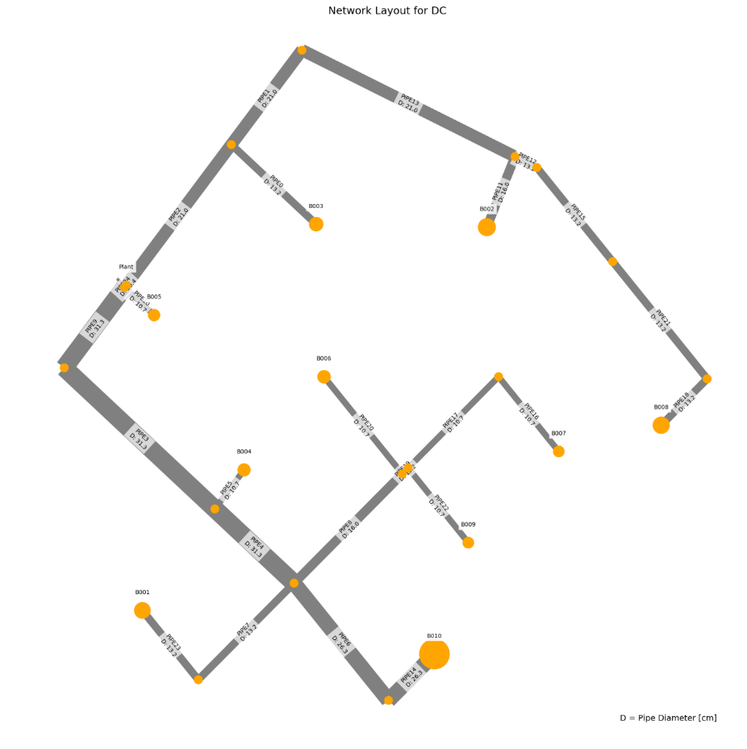
 | individual | opex | capex | opex_heat | opex_pump | opex_dis_loads | opex_dis_build | opex_plant | capex_network | capex_pump | capex_dis_loads | capex_dis_build | capex_plant | total | plant_buildings | number_of_plants | supplied_loads | disconnected_buildings | has_loops
13 | [0.0, 0.0, 0.0, 0.0, 0.0, 0.0, 0.0, 0.0, 1.0, 0.0, 0.0, 1.0, 0.0, 0.0, 0.0, 0.0] | 1923237.0602 | 32865.449988 | 1896639.4062 | 26561.414613 | 0 | 0 | 36.239398145 | 26605.334729 | 5535.3272958 | 0 | 0 | 724.78796291 | 1956102.5102 | B003B006 | 2 | ahuaruscu |  | 0
18 | [0.0, 0.0, 0.0, 0.0, 0.0, 0.0, 0.0, 0.0, 1.0, 0.0, 0.0, 0.0, 0.0, 0.0, 1.0, 0.0] | 1923320.6983 | 32914.583413 | 1896640.708 | 26643.750874 | 0 | 0 | 36.239406492 | 26664.24186 | 5525.5534231 | 0 | 0 | 724.78812985 | 1956235.2817 | B003B009 | 2 | ahuaruscu |  | 0
9 | [0.0, 0.0, 0.0, 0.0, 0.0, 0.0, 0.0, 1.0, 0.0, 0.0, 0.0, 0.0, 0.0, 0.0, 0.0, 1.0] | 1926492.593 | 32033.662057 | 1896551.8826 | 29904.471311 | 0 | 0 | 36.239068512 | 25354.161588 | 5954.7190981 | 0 | 0 | 724.78137023 | 1958526.255 | B002B010 | 2 | ahuaruscu |  | 0
6 | [0.0, 0.0, 0.0, 0.0, 0.0, 0.0, 0.0, 0.0, 0.0, 0.0, 1.0, 0.0, 0.0, 0.0, 0.0, 1.0] | 1926775.7818 | 31998.117213 | 1896552.4908 | 30187.051923 | 0 | 0 | 36.239065883 | 25354.161588 | 5919.1743065 | 0 | 0 | 724.78131765 | 1958773.899 | B005B010 | 2 | ahuaruscu |  | 0
21 | [0.0, 0.0, 0.0, 0.0, 0.0, 0.0, 0.0, 1.0, 0.0, 0.0, 0.0, 0.0, 0.0, 0.0, 1.0, 0.0] | 1926013.6643 | 33128.024991 | 1896640.61 | 29336.814849 | 0 | 0 | 36.239410416 | 26664.24186 | 5738.9949221 | 0 | 0 | 724.78820832 | 1959141.6893 | B002B009 | 2 | ahuaruscu |  | 0
4 | [0.0, 0.0, 0.0, 0.0, 0.0, 0.0, 0.0, 0.0, 0.0, 0.0, 1.0, 1.0, 0.0, 0.0, 0.0, 0.0] | 1926211.6566 | 33042.944259 | 1896639.8002 | 29535.617036 | 0 | 0 | 36.239394599 | 26605.334729 | 5712.8216379 | 0 | 0 | 724.78789197 | 1959254.6009 | B005B006 | 2 | ahuaruscu |  | 0
12 | [0.0, 0.0, 0.0, 0.0, 0.0, 0.0, 0.0, 0.0, 1.0, 1.0, 0.0, 0.0, 0.0, 0.0, 0.0, 0.0] | 1925740.0645 | 34178.469774 | 1896649.3594 | 29054.465611 | 0 | 0 | 36.239461916 | 26728.505477 | 6725.1750587 | 0 | 0 | 724.78923832 | 1959918.5343 | B003B004 | 2 | ahuaruscu |  | 0
16 | [0.0, 0.0, 0.0, 0.0, 0.0, 0.0, 1.0, 1.0, 0.0, 0.0, 0.0, 0.0, 0.0, 0.0, 0.0, 0.0] | 1926875.0447 | 33272.055708 | 1896658.8692 | 30179.935977 | 0 | 0 | 36.239494716 | 26754.002148 | 5793.2636656 | 0 | 0 | 724.78989432 | 1960147.1004 | B001B002 | 2 | ahuaruscu |  | 0
17 | [0.0, 0.0, 0.0, 0.0, 0.0, 0.0, 1.0, 0.0, 0.0, 0.0, 1.0, 0.0, 0.0, 0.0, 0.0, 0.0] | 1927157.3617 | 33236.240287 | 1896659.2538 | 30461.868403 | 0 | 0 | 36.239489865 | 26754.002148 | 5757.4483419 | 0 | 0 | 724.7897973 | 1960393.602 | B001B005 | 2 | ahuaruscu |  | 0
28 | [0.0, 0.0, 0.0, 0.0, 0.0, 0.0, 0.0, 0.0, 0.0, 1.0, 0.0, 1.0, 0.0, 0.0, 0.0, 0.0] | 1926271.1917 | 34276.041342 | 1896647.881 | 29587.071238 | 0 | 0 | 36.23943478 | 28232.456849 | 5318.795797 | 0 | 0 | 724.7886956 | 1960547.233 | B004B006 | 2 | ahuaruscu |  | 0
3 | [0.0, 0.0, 0.0, 0.0, 0.0, 0.0, 0.0, 0.0, 0.0, 0.0, 0.0, 0.0, 0.0, 1.0, 0.0, 1.0] | 1927691.875 | 33620.212378 | 1896598.3804 | 31057.255271 | 0 | 0 | 36.239369242 | 27439.113901 | 5456.3110922 | 0 | 0 | 724.78738485 | 1961312.0874 | B008B010 | 2 | ahuaruscu |  | 0
8 | [0.0, 0.0, 0.0, 0.0, 0.0, 0.0, 0.0, 0.0, 0.0, 0.0, 0.0, 1.0, 0.0, 1.0, 0.0, 0.0] | 1927129.7606 | 34663.11694 | 1896685.8598 | 30407.661037 | 0 | 0 | 36.239707741 | 28690.287041 | 5248.0357434 | 0 | 0 | 724.79415482 | 1961792.8775 | B006B008 | 2 | ahuaruscu |  | 0
20 | [0.0, 0.0, 0.0, 0.0, 0.0, 0.0, 0.0, 0.0, 0.0, 0.0, 0.0, 0.0, 0.0, 1.0, 1.0, 0.0] | 1927213.4246 | 34712.183769 | 1896687.1526 | 30490.032273 | 0 | 0 | 36.239716088 | 28749.194173 | 5238.1952742 | 0 | 0 | 724.79432176 | 1961925.6084 | B008B009 | 2 | ahuaruscu |  | 0
22 | [0.0, 0.0, 0.0, 0.0, 0.0, 0.0, 0.0, 0.0, 0.0, 0.0, 0.0, 0.0, 0.0, 0.0, 1.0, 1.0] | 1928187.5385 | 34610.377163 | 1896568.3828 | 31582.916554 | 0 | 0 | 36.23919112 | 28436.707973 | 5448.8853677 | 0 | 0 | 724.7838224 | 1962797.9157 | B009B010 | 2 | ahuaruscu |  | 0
27 | [0.0, 0.0, 0.0, 0.0, 0.0, 0.0, 0.0, 1.0, 0.0, 1.0, 0.0, 0.0, 0.0, 0.0, 0.0, 0.0] | 1928432.5996 | 34425.210538 | 1896649.3034 | 31747.056717 | 0 | 0 | 36.239469253 | 26728.505477 | 6971.9156753 | 0 | 0 | 724.78938506 | 1962857.8101 | B002B004 | 2 | ahuaruscu |  | 0
26 | [0.0, 0.0, 0.0, 0.0, 0.0, 0.0, 1.0, 0.0, 0.0, 0.0, 0.0, 0.0, 0.0, 1.0, 0.0, 0.0] | 1928074.5407 | 34856.826535 | 1896705.478 | 31332.822921 | 0 | 0 | 36.23980047 | 28838.95446 | 5293.0760653 | 0 | 0 | 724.79600941 | 1962931.3673 | B001B008 | 2 | ahuaruscu |  | 0
7 | [0.0, 0.0, 0.0, 0.0, 0.0, 0.0, 1.0, 0.0, 0.0, 0.0, 0.0, 0.0, 0.0, 0.0, 0.0, 1.0] | 1929050.7023 | 34739.667196 | 1896586.4146 | 32428.048475 | 0 | 0 | 36.239273202 | 28526.46826 | 5488.4134717 | 0 | 0 | 724.78546404 | 1963790.3695 | B001B010 | 2 | ahuaruscu |  | 0
25 | [0.0, 0.0, 0.0, 0.0, 0.0, 0.0, 1.0, 0.0, 0.0, 0.0, 0.0, 1.0, 0.0, 0.0, 0.0, 0.0] | 1928483.2658 | 35669.765051 | 1896673.45 | 31773.576026 | 0 | 0 | 36.239753011 | 29777.641401 | 5167.3285905 | 0 | 0 | 724.79506022 | 1964153.0308 | B001B006 | 2 | ahuaruscu |  | 0
19 | [0.0, 0.0, 0.0, 0.0, 0.0, 0.0, 1.0, 0.0, 0.0, 0.0, 0.0, 0.0, 0.0, 0.0, 1.0, 0.0] | 1928566.8473 | 35718.821603 | 1896674.7944 | 31855.813178 | 0 | 0 | 36.239761396 | 29836.548532 | 5157.4778426 | 0 | 0 | 724.79522791 | 1964285.6689 | B001B009 | 2 | ahuaruscu |  | 0
24 | [0.0, 0.0, 0.0, 0.0, 0.0, 0.0, 0.0, 0.0, 0.0, 1.0, 0.0, 0.0, 1.0, 0.0, 0.0, 0.0] | 1929169.7128 | 35255.802728 | 1896697.0588 | 32436.414217 | 0 | 0 | 36.239760808 | 29273.899837 | 5257.107675 | 0 | 0 | 724.79521616 | 1964425.5155 | B004B007 | 2 | ahuaruscu |  | 0
0 | [0.0, 0.0, 0.0, 0.0, 0.0, 0.0, 0.0, 0.0, 0.0, 0.0, 0.0, 0.0, 1.0, 1.0, 0.0, 0.0] | 1930029.9199 | 35642.809506 | 1896735.0206 | 33258.659269 | 0 | 0 | 36.240030979 | 29731.73003 | 5186.2788567 | 0 | 0 | 724.80061958 | 1965672.7294 | B007B008 | 2 | ahuaruscu |  | 0
15 | [0.0, 0.0, 0.0, 0.0, 0.0, 0.0, 0.0, 0.0, 1.0, 0.0, 1.0, 0.0, 0.0, 0.0, 0.0, 0.0] | 1930712.4148 | 37049.289446 | 1896687.8272 | 33988.347817 | 0 | 0 | 36.239764221 | 29371.546484 | 6952.9476768 | 0 | 0 | 724.79528441 | 1967761.7042 | B003B005 | 2 | ahuaruscu |  | 0
10 | [0.0, 0.0, 0.0, 0.0, 0.0, 0.0, 1.0, 0.0, 0.0, 0.0, 0.0, 0.0, 1.0, 0.0, 0.0, 0.0] | 1931380.6797 | 36649.268854 | 1896722.793 | 34621.646589 | 0 | 0 | 36.240079937 | 30819.084389 | 5105.3828668 | 0 | 0 | 724.80159873 | 1968029.9485 | B001B007 | 2 | ahuaruscu |  | 0
5 | [0.0, 0.0, 0.0, 0.0, 0.0, 0.0, 0.0, 1.0, 0.0, 0.0, 1.0, 0.0, 0.0, 0.0, 0.0, 0.0] | 1933477.2437 | 37496.52006 | 1896687.9066 | 36753.097346 | 0 | 0 | 36.239774312 | 29371.546484 | 7400.1780892 | 0 | 0 | 724.79548624 | 1970973.7638 | B002B005 | 2 | ahuaruscu |  | 0
23 | [0.0, 0.0, 0.0, 0.0, 0.0, 0.0, 0.0, 0.0, 0.0, 0.0, 0.0, 1.0, 0.0, 0.0, 1.0, 0.0] | 1932512.4219 | 39196.697222 | 1896663.2418 | 35812.940408 | 0 | 0 | 36.239683312 | 29380.819262 | 9091.0842946 | 0 | 0 | 724.79366624 | 1971709.1191 | B006B009 | 2 | ahuaruscu |  | 0
1 | [0.0, 0.0, 0.0, 0.0, 0.0, 0.0, 0.0, 0.0, 0.0, 0.0, 1.0, 0.0, 0.0, 1.0, 0.0, 0.0] | 1934603.6455 | 38770.570024 | 1896734.5294 | 37832.876017 | 0 | 0 | 36.240077397 | 31456.498797 | 6589.269679 | 0 | 0 | 724.80154794 | 1973374.2155 | B005B008 | 2 | ahuaruscu |  | 0
11 | [0.0, 0.0, 0.0, 0.0, 0.0, 0.0, 0.0, 1.0, 1.0, 0.0, 0.0, 0.0, 0.0, 0.0, 0.0, 0.0] | 1938582.7873 | 39368.786684 | 1896701.3384 | 41845.20901 | 0 | 0 | 36.239906954 | 30465.82208 | 8178.1664649 | 0 | 0 | 724.79813907 | 1977951.574 | B002B003 | 2 | ahuaruscu |  | 0
2 | [0.0, 0.0, 0.0, 0.0, 0.0, 0.0, 0.0, 0.0, 1.0, 0.0, 0.0, 0.0, 0.0, 1.0, 0.0, 0.0] | 1939777.5839 | 40574.593576 | 1896747.898 | 42993.445674 | 0 | 0 | 36.240212574 | 32550.774393 | 7299.0149311 | 0 | 0 | 724.80425148 | 1980352.1775 | B003B008 | 2 | ahuaruscu |  | 0
14 | [0.0, 0.0, 0.0, 0.0, 0.0, 0.0, 0.0, 1.0, 0.0, 0.0, 0.0, 0.0, 0.0, 1.0, 0.0, 0.0] | 1944227.8602 | 43203.313462 | 1896766.6168 | 47425.002971 | 0 | 0 | 36.240374658 | 34808.587395 | 7669.9185735 | 0 | 0 | 724.80749315 | 1987431.1736 | B002B008 | 2 | ahuaruscu |  | 0
 |  | 20990.79994 | 10337.863474 | 127.2106 | 20863.588358 | 0 | 0 | 0.00097651239999 | 8203.2526658 | 2134.5912777 | 0 | 0 | 0.019530248 | 31328.66341

 | Price deviation maximum to minimum:
 | 1.60%

WTP_RES_l
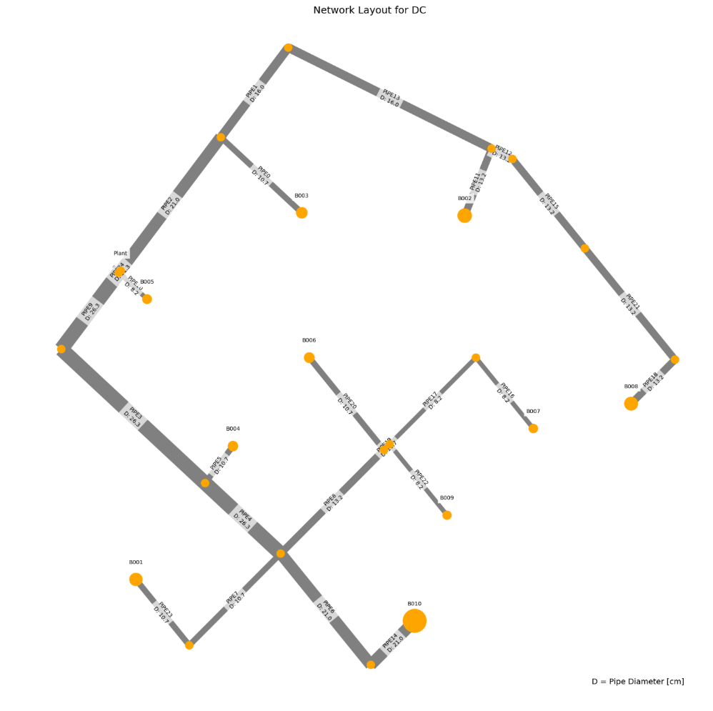
 | individual | opex | capex | opex_heat | opex_pump | opex_dis_loads | opex_dis_build | opex_plant | capex_network | capex_pump | capex_dis_loads | capex_dis_build | capex_plant | total | plant_buildings | number_of_plants | supplied_loads | disconnected_buildings | has_loops
16 | [0.0, 0.0, 0.0, 0.0, 0.0, 0.0, 0.0, 1.0, 0.0, 0.0, 0.0, 0.0, 0.0, 0.0, 0.0, 1.0] | 1314005.7096 | 27866.385372 | 1294864.8224 | 19118.895723 | 0 | 0 | 21.99148011 | 22927.941467 | 4498.6143035 | 0 | 0 | 439.8296022 | 1341872.095 | B002B010 | 2 | ahuaruscu |  | 0
24 | [0.0, 0.0, 0.0, 0.0, 0.0, 0.0, 0.0, 1.0, 0.0, 0.0, 0.0, 0.0, 0.0, 0.0, 1.0, 0.0] | 1314954.1257 | 28438.164318 | 1294980.849 | 19951.283437 | 0 | 0 | 21.993249693 | 23611.389594 | 4386.9097299 | 0 | 0 | 439.86499386 | 1343392.29 | B002B009 | 2 | ahuaruscu |  | 0
14 | [0.0, 0.0, 0.0, 0.0, 0.0, 0.0, 0.0, 0.0, 1.0, 0.0, 0.0, 0.0, 0.0, 0.0, 0.0, 1.0] | 1317025.526 | 27350.712424 | 1294847.965 | 22155.569584 | 0 | 0 | 21.991382805 | 22058.378351 | 4852.5064172 | 0 | 0 | 439.8276561 | 1344376.2384 | B003B010 | 2 | ahuaruscu |  | 0
11 | [0.0, 0.0, 0.0, 0.0, 0.0, 0.0, 0.0, 0.0, 0.0, 0.0, 1.0, 0.0, 0.0, 0.0, 0.0, 1.0] | 1316888.0441 | 27670.483182 | 1294856.5104 | 22009.542263 | 0 | 0 | 21.991426248 | 22479.82233 | 4750.8323267 | 0 | 0 | 439.82852497 | 1344558.5273 | B005B010 | 2 | ahuaruscu |  | 0
6 | [0.0, 0.0, 0.0, 0.0, 0.0, 0.0, 0.0, 1.0, 0.0, 0.0, 0.0, 0.0, 1.0, 0.0, 0.0, 0.0] | 1315564.3526 | 29350.256292 | 1295039.8336 | 20502.525406 | 0 | 0 | 21.993587761 | 24764.499897 | 4145.88464 | 0 | 0 | 439.87175522 | 1344914.6089 | B002B007 | 2 | ahuaruscu |  | 0
22 | [0.0, 0.0, 0.0, 0.0, 0.0, 0.0, 0.0, 0.0, 1.0, 0.0, 0.0, 0.0, 0.0, 0.0, 1.0, 0.0] | 1317972.7443 | 27923.400066 | 1294963.951 | 22986.800167 | 0 | 0 | 21.99314307 | 22741.826479 | 4741.7107259 | 0 | 0 | 439.8628614 | 1345896.1444 | B003B009 | 2 | ahuaruscu |  | 0
28 | [0.0, 0.0, 0.0, 0.0, 0.0, 0.0, 0.0, 1.0, 0.0, 1.0, 0.0, 0.0, 0.0, 0.0, 0.0, 0.0] | 1316584.6114 | 29457.616105 | 1294967.574 | 21595.045655 | 0 | 0 | 21.991756214 | 23701.801493 | 5315.9794877 | 0 | 0 | 439.83512427 | 1346042.2275 | B002B004 | 2 | ahuaruscu |  | 0
21 | [0.0, 0.0, 0.0, 0.0, 0.0, 0.0, 1.0, 0.0, 0.0, 0.0, 1.0, 0.0, 0.0, 0.0, 0.0, 0.0] | 1318433.0222 | 28205.444496 | 1294997.4398 | 23413.586471 | 0 | 0 | 21.995968707 | 23123.810067 | 4641.7150552 | 0 | 0 | 439.91937414 | 1346638.4667 | B001B005 | 2 | ahuaruscu |  | 0
7 | [0.0, 0.0, 0.0, 0.0, 0.0, 0.0, 0.0, 0.0, 0.0, 0.0, 0.0, 0.0, 0.0, 1.0, 0.0, 1.0] | 1317605.2293 | 29128.985185 | 1294917.6172 | 22665.620305 | 0 | 0 | 21.991783655 | 24157.395003 | 4531.7545095 | 0 | 0 | 439.8356731 | 1346734.2145 | B008B010 | 2 | ahuaruscu |  | 0
12 | [0.0, 0.0, 0.0, 0.0, 0.0, 0.0, 0.0, 0.0, 0.0, 1.0, 0.0, 0.0, 0.0, 0.0, 0.0, 1.0] | 1317997.9133 | 28740.881422 | 1294912.3044 | 23063.617188 | 0 | 0 | 21.991739095 | 23762.059831 | 4538.9868089 | 0 | 0 | 439.8347819 | 1346738.7947 | B004B010 | 2 | ahuaruscu |  | 0
5 | [0.0, 0.0, 0.0, 0.0, 0.0, 0.0, 0.0, 0.0, 1.0, 0.0, 0.0, 0.0, 1.0, 0.0, 0.0, 0.0] | 1318582.6412 | 28837.927816 | 1295022.8974 | 23537.750354 | 0 | 0 | 21.993483584 | 23894.936782 | 4503.1213628 | 0 | 0 | 439.86967169 | 1347420.5691 | B003B007 | 2 | ahuaruscu |  | 0
2 | [0.0, 0.0, 0.0, 0.0, 0.0, 0.0, 0.0, 0.0, 0.0, 0.0, 1.0, 0.0, 1.0, 0.0, 0.0, 0.0] | 1318444.1126 | 29156.596643 | 1295031.438 | 23390.681094 | 0 | 0 | 21.993522322 | 24316.380761 | 4400.3454359 | 0 | 0 | 439.87044644 | 1347600.7093 | B005B007 | 2 | ahuaruscu |  | 0
15 | [0.0, 0.0, 0.0, 0.0, 0.0, 0.0, 0.0, 0.0, 0.0, 1.0, 0.0, 0.0, 0.0, 0.0, 1.0, 0.0] | 1318941.25 | 29268.456573 | 1295028.0688 | 23891.187729 | 0 | 0 | 21.993485137 | 24445.507959 | 4383.0789111 | 0 | 0 | 439.86970274 | 1348209.7066 | B004B009 | 2 | ahuaruscu |  | 0
23 | [0.0, 0.0, 0.0, 0.0, 0.0, 0.0, 0.0, 0.0, 0.0, 0.0, 0.0, 0.0, 0.0, 1.0, 1.0, 0.0] | 1318554.5979 | 29700.969398 | 1295033.6788 | 23498.925492 | 0 | 0 | 21.993555125 | 24840.84313 | 4420.2551648 | 0 | 0 | 439.8711025 | 1348255.5672 | B008B009 | 2 | ahuaruscu |  | 0
17 | [0.0, 0.0, 0.0, 0.0, 0.0, 0.0, 0.0, 0.0, 1.0, 1.0, 0.0, 0.0, 0.0, 0.0, 0.0, 0.0] | 1319604.6154 | 28995.754306 | 1294950.646 | 24631.977788 | 0 | 0 | 21.991656423 | 22832.238378 | 5723.6828001 | 0 | 0 | 439.83312847 | 1348600.3698 | B003B004 | 2 | ahuaruscu |  | 0
8 | [0.0, 0.0, 0.0, 0.0, 0.0, 0.0, 0.0, 0.0, 0.0, 1.0, 1.0, 0.0, 0.0, 0.0, 0.0, 0.0] | 1319467.1898 | 29299.968066 | 1294959.1524 | 24486.045697 | 0 | 0 | 21.991699702 | 23253.682357 | 5606.4517142 | 0 | 0 | 439.83399405 | 1348767.1579 | B004B005 | 2 | ahuaruscu |  | 0
1 | [0.0, 0.0, 0.0, 0.0, 0.0, 0.0, 1.0, 0.0, 0.0, 1.0, 0.0, 0.0, 0.0, 0.0, 0.0, 0.0] | 1319540.6276 | 29243.551413 | 1295052.9858 | 24465.645585 | 0 | 0 | 21.996269411 | 24406.047568 | 4397.578457 | 0 | 0 | 439.92538821 | 1348784.1791 | B001B004 | 2 | ahuaruscu |  | 0
27 | [0.0, 0.0, 0.0, 0.0, 0.0, 0.0, 1.0, 0.0, 0.0, 0.0, 0.0, 0.0, 0.0, 1.0, 0.0, 0.0] | 1319152.2941 | 29663.592934 | 1295058.8106 | 24071.487194 | 0 | 0 | 21.996339818 | 24801.382739 | 4422.2833989 | 0 | 0 | 439.92679635 | 1348815.8871 | B001B008 | 2 | ahuaruscu |  | 0
25 | [0.0, 0.0, 0.0, 0.0, 0.0, 0.0, 0.0, 0.0, 0.0, 0.0, 0.0, 0.0, 0.0, 0.0, 1.0, 1.0] | 1319905.8708 | 29750.401953 | 1294962.498 | 24921.38078 | 0 | 0 | 21.992032204 | 24901.837315 | 4408.7239941 | 0 | 0 | 439.84064408 | 1349656.2728 | B009B010 | 2 | ahuaruscu |  | 0
26 | [0.0, 0.0, 0.0, 0.0, 0.0, 0.0, 0.0, 0.0, 0.0, 1.0, 0.0, 0.0, 1.0, 0.0, 0.0, 0.0] | 1319550.0023 | 30160.008947 | 1295087.0276 | 24440.980862 | 0 | 0 | 21.99382318 | 25598.618262 | 4121.5142217 | 0 | 0 | 439.87646359 | 1349710.0112 | B004B007 | 2 | ahuaruscu |  | 0
0 | [0.0, 0.0, 0.0, 0.0, 0.0, 0.0, 0.0, 0.0, 0.0, 0.0, 0.0, 0.0, 1.0, 1.0, 0.0, 0.0] | 1319165.1502 | 30613.308042 | 1295092.6676 | 24050.488707 | 0 | 0 | 21.993895644 | 25993.953433 | 4179.4766955 | 0 | 0 | 439.87791287 | 1349778.4582 | B007B008 | 2 | ahuaruscu |  | 0
13 | [0.0, 0.0, 0.0, 0.0, 0.0, 0.0, 1.0, 0.0, 0.0, 0.0, 0.0, 0.0, 0.0, 0.0, 0.0, 1.0] | 1320506.0012 | 29725.439253 | 1294987.358 | 25496.651054 | 0 | 0 | 21.992143857 | 24862.376924 | 4423.2194522 | 0 | 0 | 439.84287713 | 1350231.4405 | B001B010 | 2 | ahuaruscu |  | 0
9 | [0.0, 0.0, 0.0, 0.0, 0.0, 0.0, 0.0, 0.0, 0.0, 1.0, 0.0, 0.0, 0.0, 1.0, 0.0, 0.0] | 1320184.3559 | 30725.321526 | 1295020.3842 | 25141.979693 | 0 | 0 | 21.992061941 | 24931.255029 | 5354.2252577 | 0 | 0 | 439.84123881 | 1350909.6775 | B004B008 | 2 | ahuaruscu |  | 0
18 | [0.0, 0.0, 0.0, 0.0, 0.0, 0.0, 0.0, 0.0, 0.0, 0.0, 0.0, 0.0, 1.0, 0.0, 0.0, 1.0] | 1320513.045 | 30642.063244 | 1295021.459 | 25469.593642 | 0 | 0 | 21.992370043 | 26054.947618 | 4147.2682253 | 0 | 0 | 439.84740087 | 1351155.1083 | B007B010 | 2 | ahuaruscu |  | 0
10 | [0.0, 0.0, 0.0, 0.0, 0.0, 0.0, 0.0, 1.0, 0.0, 0.0, 1.0, 0.0, 0.0, 0.0, 0.0, 0.0] | 1320389.4775 | 31770.288633 | 1295017.2266 | 25350.258845 | 0 | 0 | 21.992069116 | 25876.266785 | 5454.1804655 | 0 | 0 | 439.84138231 | 1352159.7662 | B002B005 | 2 | ahuaruscu |  | 0
20 | [0.0, 0.0, 0.0, 0.0, 0.0, 0.0, 0.0, 0.0, 1.0, 0.0, 1.0, 0.0, 0.0, 0.0, 0.0, 0.0] | 1323409.7484 | 31349.167429 | 1295000.2504 | 28387.505984 | 0 | 0 | 21.991969414 | 25006.70367 | 5902.6243713 | 0 | 0 | 439.83938828 | 1354758.9158 | B003B005 | 2 | ahuaruscu |  | 0
29 | [0.0, 0.0, 0.0, 0.0, 0.0, 0.0, 0.0, 0.0, 0.0, 0.0, 0.0, 1.0, 1.0, 0.0, 0.0, 0.0] | 1323067.911 | 34084.375397 | 1295118.5702 | 27927.34812 | 0 | 0 | 21.992682265 | 27013.579741 | 6630.9420115 | 0 | 0 | 439.85364529 | 1357152.2864 | B006B007 | 2 | ahuaruscu |  | 0
4 | [0.0, 0.0, 0.0, 0.0, 0.0, 0.0, 0.0, 0.0, 0.0, 0.0, 0.0, 0.0, 1.0, 0.0, 1.0, 0.0] | 1323205.5303 | 34675.045718 | 1295119.1758 | 28064.361842 | 0 | 0 | 21.992689061 | 27065.272195 | 7169.9197421 | 0 | 0 | 439.85378123 | 1357880.5761 | B007B009 | 2 | ahuaruscu |  | 0
3 | [0.0, 0.0, 0.0, 0.0, 0.0, 0.0, 0.0, 0.0, 1.0, 0.0, 0.0, 0.0, 0.0, 1.0, 0.0, 0.0] | 1327369.7217 | 34339.79493 | 1295074.6152 | 32273.114091 | 0 | 0 | 21.992430939 | 28038.835185 | 5861.1111257 | 0 | 0 | 439.84861877 | 1361709.5166 | B003B008 | 2 | ahuaruscu |  | 0
19 | [0.0, 0.0, 0.0, 0.0, 0.0, 0.0, 0.0, 1.0, 0.0, 0.0, 0.0, 0.0, 0.0, 1.0, 0.0, 0.0] | 1331155.6332 | 37140.336093 | 1295102.4402 | 36031.200359 | 0 | 0 | 21.992600434 | 30296.648187 | 6403.8358968 | 0 | 0 | 439.85200867 | 1368295.9693 | B002B008 | 2 | ahuaruscu |  | 0
 |  | 17149.92356 | 9273.9507203 | 237.6178 | 16912.304636 | 0 | 0 | 0.0011203237 | 7368.7067207 | 1905.2215933 | 0 | 0 | 0.022406474 | 26423.87427

 | Price deviation maximum to minimum:
 | 1.97%

WTP_CBD_h_new
 | individual | opex | capex | opex_heat | opex_pump | opex_dis_loads | opex_dis_build | opex_plant | opex_CT | opex_hex | capex_network | capex_pump | capex_dis_loads | capex_dis_build | capex_plant | capex_CT | capex_hex | total | plant_buildings | number_of_plants | supplied_loads | disconnected_buildings | has_loops | length | avg_diam
21 | [0.0, 0.0, 0.0, 0.0, 0.0, 0.0, 0.0, 0.0, 0.0, 0.0, 0.0, 0.0, 0.0, 1.0, 1.0, 0.0] | 10372633.979 | 1478980.332 | 10264686.943 | 33286.880184 | 0 | 0 | 64350.480259 | 6398.1865065 | 3911.4891067 | 38835.674183 | 10104.845901 | 0 | 0 | 1287009.6052 | 127963.73013 | 15066.476559 | 11851614.311 | B008B009 | 2 | ahuaruscu |  | 0 | 1424.0479868 | 0.24077
9 | [0.0, 0.0, 0.0, 0.0, 0.0, 0.0, 0.0, 0.0, 0.0, 0.0, 0.0, 1.0, 0.0, 0.0, 1.0, 0.0] | 10372741.013 | 1478963.5262 | 10264687.057 | 33393.78991 | 0 | 0 | 64350.488913 | 6398.1875354 | 3911.4891067 | 38835.674183 | 10087.846481 | 0 | 0 | 1287009.7783 | 127963.75071 | 15066.476559 | 11851704.539 | B006B009 | 2 | ahuaruscu |  | 0 | 1424.0479868 | 0.24077
7 | [0.0, 0.0, 0.0, 0.0, 0.0, 0.0, 0.0, 0.0, 0.0, 1.0, 0.0, 0.0, 0.0, 1.0, 0.0, 0.0] | 10371836.048 | 1480334.6493 | 10264806.692 | 32369.246378 | 0 | 0 | 64350.439156 | 6398.1816194 | 3911.4891067 | 40061.633947 | 10234.123288 | 0 | 0 | 1287008.7831 | 127963.63239 | 15066.476559 | 11852170.698 | B004B008 | 2 | ahuaruscu |  | 0 | 1424.0479868 | 0.24891
0 | [0.0, 0.0, 0.0, 0.0, 0.0, 0.0, 0.0, 0.0, 0.0, 0.0, 0.0, 0.0, 1.0, 1.0, 0.0, 0.0] | 10377080.975 | 1479325.9738 | 10264618.869 | 37801.905486 | 0 | 0 | 64350.520281 | 6398.191265 | 3911.4891067 | 38835.674183 | 10449.592112 | 0 | 0 | 1287010.4056 | 127963.8253 | 15066.476559 | 11856406.948 | B007B008 | 2 | ahuaruscu |  | 0 | 1424.0479868 | 0.24077
27 | [0.0, 0.0, 0.0, 0.0, 0.0, 0.0, 0.0, 0.0, 0.0, 0.0, 0.0, 1.0, 1.0, 0.0, 0.0, 0.0] | 10377188.594 | 1479369.3657 | 10264618.981 | 37909.402669 | 0 | 0 | 64350.528935 | 6398.1922939 | 3911.4891067 | 38835.674183 | 10492.79043 | 0 | 0 | 1287010.5787 | 127963.84588 | 15066.476559 | 11856557.96 | B006B007 | 2 | ahuaruscu |  | 0 | 1424.0479868 | 0.24077
13 | [0.0, 0.0, 0.0, 0.0, 0.0, 0.0, 0.0, 0.0, 0.0, 0.0, 0.0, 1.0, 0.0, 1.0, 0.0, 0.0] | 10375691.926 | 1484565.8314 | 10264834.61 | 36160.452254 | 0 | 0 | 64383.287317 | 6402.0871867 | 3911.4891067 | 41268.047907 | 12523.816888 | 0 | 0 | 1287665.7463 | 128041.74373 | 15066.476559 | 11860257.757 | B006B008 | 2 | ahuaruscu |  | 0 | 1424.0479868 | 0.25767666667
24 | [0.0, 0.0, 0.0, 0.0, 0.0, 0.0, 0.0, 0.0, 0.0, 1.0, 0.0, 0.0, 1.0, 0.0, 0.0, 0.0] | 10380035.134 | 1483435.6968 | 10264626.209 | 40755.244331 | 0 | 0 | 64344.693324 | 6397.4984538 | 3911.4891067 | 40246.384137 | 13279.000605 | 0 | 0 | 1286893.8665 | 127949.96908 | 15066.476559 | 11863470.831 | B004B007 | 2 | ahuaruscu |  | 0 | 1424.0479868 | 0.25118333333
25 | [0.0, 0.0, 0.0, 0.0, 0.0, 0.0, 1.0, 0.0, 0.0, 0.0, 0.0, 0.0, 0.0, 1.0, 0.0, 0.0] | 10370805.878 | 1493616.8703 | 10264806.534 | 30702.069777 | 0 | 0 | 64919.896337 | 6465.8887071 | 3911.4891067 | 40362.319731 | 10472.373174 | 0 | 0 | 1298397.9267 | 129317.77414 | 15066.476559 | 11864422.749 | B001B008 | 2 | ahuaruscu |  | 0 | 1424.0479868 | 0.25162333333
20 | [0.0, 0.0, 0.0, 0.0, 0.0, 0.0, 1.0, 0.0, 0.0, 0.0, 0.0, 0.0, 0.0, 0.0, 1.0, 0.0] | 10371612.775 | 1493485.1939 | 10264671.184 | 31600.400499 | 0 | 0 | 64959.145823 | 6470.5553764 | 3911.4891067 | 39506.683989 | 10318.009384 | 0 | 0 | 1299182.9164 | 129411.10753 | 15066.476559 | 11865097.969 | B001B009 | 2 | ahuaruscu |  | 0 | 1424.0479868 | 0.24513
18 | [0.0, 0.0, 0.0, 0.0, 0.0, 0.0, 0.0, 0.0, 0.0, 0.0, 1.0, 0.0, 0.0, 0.0, 1.0, 0.0] | 10372009.479 | 1493436.8681 | 10264673.781 | 31994.500749 | 0 | 0 | 64959.152313 | 6470.5561481 | 3911.4891067 | 39506.683989 | 10269.538387 | 0 | 0 | 1299183.0462 | 129411.12296 | 15066.476559 | 11865446.348 | B005B009 | 2 | ahuaruscu |  | 0 | 1424.0479868 | 0.24407333333
1 | [0.0, 0.0, 0.0, 0.0, 0.0, 0.0, 1.0, 0.0, 0.0, 1.0, 0.0, 0.0, 0.0, 0.0, 0.0, 0.0] | 10370816.076 | 1494837.4558 | 10264805.13 | 30669.747766 | 0 | 0 | 64959.153394 | 6470.5562766 | 3911.4891067 | 40732.643753 | 10444.142091 | 0 | 0 | 1299183.0679 | 129411.12553 | 15066.476559 | 11865653.532 | B001B004 | 2 | ahuaruscu |  | 0 | 1424.0479868 | 0.25327
6 | [0.0, 0.0, 0.0, 0.0, 0.0, 0.0, 0.0, 0.0, 0.0, 1.0, 1.0, 0.0, 0.0, 0.0, 0.0, 0.0] | 10371212.78 | 1494789.3143 | 10264807.732 | 31063.844403 | 0 | 0 | 64959.157721 | 6470.5567911 | 3911.4891067 | 40732.643753 | 10395.903773 | 0 | 0 | 1299183.1544 | 129411.13582 | 15066.476559 | 11866002.094 | B004B005 | 2 | ahuaruscu |  | 0 | 1424.0479868 | 0.25221333333
23 | [0.0, 0.0, 0.0, 0.0, 0.0, 0.0, 1.0, 1.0, 0.0, 0.0, 0.0, 0.0, 0.0, 0.0, 0.0, 0.0] | 10375268.757 | 1492186.1058 | 10264831.063 | 35776.018362 | 0 | 0 | 64351.838837 | 6398.3480381 | 3911.4891067 | 45903.600995 | 16212.290703 | 0 | 0 | 1287036.7767 | 127966.96076 | 15066.476559 | 11867454.863 | B001B002 | 2 | ahuaruscu |  | 0 | 1424.0479868 | 0.28547666667
22 | [0.0, 0.0, 0.0, 0.0, 0.0, 0.0, 0.0, 1.0, 0.0, 0.0, 0.0, 1.0, 0.0, 0.0, 0.0, 0.0] | 10372458.847 | 1496811.7875 | 10264824.118 | 32337.400655 | 0 | 0 | 64919.945012 | 6465.8944945 | 3911.4891067 | 43983.559753 | 10044.961009 | 0 | 0 | 1298398.9002 | 129317.88989 | 15066.476559 | 11869270.635 | B002B006 | 2 | ahuaruscu |  | 0 | 1424.0479868 | 0.26999333333
15 | [0.0, 0.0, 0.0, 0.0, 0.0, 0.0, 1.0, 0.0, 0.0, 0.0, 0.0, 0.0, 1.0, 0.0, 0.0, 0.0] | 10376061.462 | 1493802.0751 | 10264597.054 | 36123.194552 | 0 | 0 | 64959.166374 | 6470.5578199 | 3911.4891067 | 39506.683989 | 10634.430702 | 0 | 0 | 1299183.3275 | 129411.1564 | 15066.476559 | 11869863.537 | B001B007 | 2 | ahuaruscu |  | 0 | 1424.0479868 | 0.24513
11 | [0.0, 0.0, 0.0, 0.0, 0.0, 0.0, 0.0, 0.0, 0.0, 0.0, 1.0, 0.0, 1.0, 0.0, 0.0, 0.0] | 10376458.229 | 1493754.2905 | 10264599.689 | 36517.320255 | 0 | 0 | 64959.171783 | 6470.558463 | 3911.4891067 | 39506.683989 | 10586.52502 | 0 | 0 | 1299183.4357 | 129411.16926 | 15066.476559 | 11870212.519 | B005B007 | 2 | ahuaruscu |  | 0 | 1424.0479868 | 0.24407333333
26 | [0.0, 0.0, 0.0, 0.0, 0.0, 0.0, 0.0, 1.0, 0.0, 1.0, 0.0, 0.0, 0.0, 0.0, 0.0, 0.0] | 10372361.165 | 1498081.8306 | 10264825.851 | 32194.058476 | 0 | 0 | 64959.204233 | 6470.5623212 | 3911.4891067 | 44353.883774 | 10066.139142 | 0 | 0 | 1299184.0847 | 129411.24643 | 15066.476559 | 11870442.996 | B002B004 | 2 | ahuaruscu |  | 0 | 1424.0479868 | 0.27164
2 | [0.0, 0.0, 0.0, 0.0, 0.0, 0.0, 0.0, 0.0, 0.0, 1.0, 0.0, 0.0, 0.0, 0.0, 0.0, 1.0] | 10385214.278 | 1486910.0271 | 10264506.642 | 46053.811053 | 0 | 0 | 64344.822043 | 6397.5137582 | 3911.4891067 | 44767.735763 | 12229.098753 | 0 | 0 | 1286896.4408 | 127950.27516 | 15066.476559 | 11872124.305 | B004B010 | 2 | ahuaruscu |  | 0 | 1424.0479868 | 0.26955333333
5 | [0.0, 0.0, 0.0, 0.0, 0.0, 0.0, 0.0, 1.0, 0.0, 0.0, 0.0, 0.0, 1.0, 0.0, 0.0, 0.0] | 10377606.684 | 1497049.2126 | 10264617.797 | 37647.61737 | 0 | 0 | 64959.217213 | 6470.5638645 | 3911.4891067 | 43127.924011 | 10259.190496 | 0 | 0 | 1299184.3443 | 129411.27729 | 15066.476559 | 11874655.897 | B002B007 | 2 | ahuaruscu |  | 0 | 1424.0479868 | 0.2635
3 | [0.0, 0.0, 0.0, 0.0, 0.0, 0.0, 0.0, 0.0, 0.0, 0.0, 0.0, 0.0, 1.0, 0.0, 1.0, 0.0] | 10390590.649 | 1486737.4486 | 10264688.589 | 51253.702525 | 0 | 0 | 64339.936138 | 6396.9328359 | 3911.4891067 | 43262.298639 | 13671.293968 | 0 | 0 | 1286798.7228 | 127938.65672 | 15066.476559 | 11877328.098 | B007B009 | 2 | ahuaruscu |  | 0 | 1424.0479868 | 0.26934333333
12 | [0.0, 0.0, 0.0, 0.0, 0.0, 0.0, 1.0, 0.0, 0.0, 0.0, 0.0, 0.0, 0.0, 0.0, 0.0, 1.0] | 10381240.417 | 1497243.5377 | 10264473.495 | 41425.57225 | 0 | 0 | 64959.288603 | 6470.5723526 | 3911.4891067 | 44028.035614 | 9551.8064623 | 0 | 0 | 1299185.7721 | 129411.44705 | 15066.476559 | 11878483.955 | B001B010 | 2 | ahuaruscu |  | 0 | 1424.0479868 | 0.2635
10 | [0.0, 0.0, 0.0, 0.0, 0.0, 0.0, 0.0, 0.0, 0.0, 0.0, 1.0, 0.0, 0.0, 0.0, 0.0, 1.0] | 10381637.211 | 1497199.9328 | 10264476.127 | 41819.72787 | 0 | 0 | 64959.294011 | 6470.5729957 | 3911.4891067 | 44028.035614 | 9508.0805214 | 0 | 0 | 1299185.8802 | 129411.45991 | 15066.476559 | 11878837.143 | B005B010 | 2 | ahuaruscu |  | 0 | 1424.0479868 | 0.26244333333
8 | [0.0, 0.0, 0.0, 0.0, 0.0, 0.0, 0.0, 0.0, 1.0, 0.0, 0.0, 1.0, 0.0, 0.0, 0.0, 0.0] | 10380120.708 | 1500348.0506 | 10264867.789 | 39955.312188 | 0 | 0 | 64920.193797 | 6465.9240743 | 3911.4891067 | 47660.564371 | 9898.6522843 | 0 | 0 | 1298403.8759 | 129318.48149 | 15066.476559 | 11880468.759 | B003B006 | 2 | ahuaruscu |  | 0 | 1424.0479868 | 0.28910666667
19 | [0.0, 0.0, 0.0, 0.0, 0.0, 0.0, 0.0, 0.0, 1.0, 0.0, 0.0, 0.0, 0.0, 0.0, 1.0, 0.0] | 10380818.844 | 1500263.2122 | 10264736.718 | 40740.600706 | 0 | 0 | 64959.445445 | 6470.5910008 | 3911.4891067 | 46804.928628 | 9791.078085 | 0 | 0 | 1299188.9089 | 129411.82002 | 15066.476559 | 11881082.056 | B003B009 | 2 | ahuaruscu |  | 0 | 1424.0479868 | 0.28261333333
14 | [0.0, 0.0, 0.0, 0.0, 0.0, 0.0, 0.0, 1.0, 0.0, 0.0, 0.0, 0.0, 0.0, 0.0, 0.0, 1.0] | 10382785.466 | 1500471.8966 | 10264494.206 | 42949.852821 | 0 | 0 | 64959.339442 | 6470.5783972 | 3911.4891067 | 47649.275636 | 9157.7875875 | 0 | 0 | 1299186.7888 | 129411.56795 | 15066.476559 | 11883257.362 | B002B010 | 2 | ahuaruscu |  | 0 | 1424.0479868 | 0.28187
4 | [0.0, 0.0, 0.0, 0.0, 0.0, 0.0, 0.0, 0.0, 1.0, 0.0, 0.0, 0.0, 1.0, 0.0, 0.0, 0.0] | 10385267.736 | 1500586.7553 | 10264662.607 | 45263.58174 | 0 | 0 | 64959.464915 | 6470.5933158 | 3911.4891067 | 46804.928628 | 10114.1855 | 0 | 0 | 1299189.2983 | 129411.86632 | 15066.476559 | 11885854.492 | B003B007 | 2 | ahuaruscu |  | 0 | 1424.0479868 | 0.28261333333
16 | [0.0, 0.0, 0.0, 0.0, 0.0, 0.0, 0.0, 1.0, 1.0, 0.0, 0.0, 0.0, 0.0, 0.0, 0.0, 0.0] | 10385531.765 | 1500927.052 | 10264898.844 | 45984.480181 | 0 | 0 | 64340.009692 | 6396.9415812 | 3911.4891067 | 53982.725366 | 17138.82462 | 0 | 0 | 1286800.1938 | 127938.83163 | 15066.476559 | 11886458.817 | B002B003 | 2 | ahuaruscu |  | 0 | 1424.0479868 | 0.32479
17 | [0.0, 0.0, 0.0, 0.0, 0.0, 0.0, 0.0, 0.0, 0.0, 0.0, 0.0, 0.0, 1.0, 0.0, 0.0, 1.0] | 10399954.725 | 1493744.0369 | 10264570.487 | 60735.704732 | 0 | 0 | 64340.09298 | 6396.951484 | 3911.4891067 | 49905.676403 | 14030.994678 | 0 | 0 | 1286801.8596 | 127939.02968 | 15066.476559 | 11893698.762 | B007B010 | 2 | ahuaruscu |  | 0 | 1424.0479868 | 0.29989333333
 |  | 27321 | 14764 | -116 | 27449 | 0 | 0 | -10 | -1 | 0 | 11070 | 3926 | 0 | 0 | -208 | -25 | 0 | 42084

Total Cost
 | Price deviation maximum to minimum:
 | 0.36% |  |  |  |  |  |  |  |  |  |  |  |  |  |  |  |  | B006
 |  |  |  |  |  |  |  |  |  |  |  |  |  |  |  |  |  | B001

 | One plant close to anchor load
 | One plant spacially distributed

WTP_CBD_m_new
 | individual | opex | capex | opex_heat | opex_pump | opex_dis_loads | opex_dis_build | opex_plant | opex_CT | opex_hex | capex_network | capex_pump | capex_dis_loads | capex_dis_build | capex_plant | capex_CT | capex_hex | total | plant_buildings | number_of_plants | supplied_loads | disconnected_buildings | has_loops | length | avg_diam
20 | [0.0, 0.0, 0.0, 0.0, 0.0, 0.0, 0.0, 0.0, 0.0, 0.0, 0.0, 0.0, 0.0, 1.0, 1.0, 0.0] | 7839735.0796 | 1180007.1847 | 7758540.4532 | 21981.919239 | 0 | 0 | 51445.76848 | 4840.5653091 | 2926.3733317 | 36513.295615 | 6177.6159152 | 0 | 0 | 1028915.3696 | 96811.306182 | 11589.597353 | 9019742.2642 | B008B009 | 2 | ahuaruscu |  | 0 | 1424.0479868 | 0.22458333333
8 | [0.0, 0.0, 0.0, 0.0, 0.0, 0.0, 0.0, 0.0, 0.0, 0.0, 0.0, 1.0, 0.0, 0.0, 1.0, 0.0] | 7839896.3758 | 1179971.7133 | 7758540.5218 | 22143.139654 | 0 | 0 | 51445.77497 | 4840.5660808 | 2926.3733317 | 36513.295615 | 6141.9993552 | 0 | 0 | 1028915.4994 | 96811.321615 | 11589.597353 | 9019868.0892 | B006B009 | 2 | ahuaruscu |  | 0 | 1424.0479868 | 0.22458333333
29 | [0.0, 0.0, 0.0, 0.0, 0.0, 0.0, 0.0, 0.0, 0.0, 0.0, 0.0, 1.0, 1.0, 0.0, 0.0, 0.0] | 7840624.0252 | 1180688.4563 | 7758490.8708 | 22920.311706 | 0 | 0 | 51445.889627 | 4840.5797132 | 2926.3733317 | 37344.793503 | 6024.6786428 | 0 | 0 | 1028917.7925 | 96811.594264 | 11589.597353 | 9021312.4815 | B006B007 | 2 | ahuaruscu |  | 0 | 1424.0479868 | 0.22789666667
5 | [0.0, 0.0, 0.0, 0.0, 0.0, 0.0, 0.0, 0.0, 0.0, 1.0, 0.0, 0.0, 0.0, 1.0, 0.0, 0.0] | 7841418.3257 | 1181592.2555 | 7758666.7054 | 23538.955542 | 0 | 0 | 51445.730621 | 4840.5608078 | 2926.3733317 | 37739.255379 | 6537.574216 | 0 | 0 | 1028914.6124 | 96811.216157 | 11589.597353 | 9023010.5812 | B004B008 | 2 | ahuaruscu |  | 0 | 1424.0479868 | 0.22955333333
10 | [0.0, 0.0, 0.0, 0.0, 0.0, 0.0, 0.0, 0.0, 0.0, 1.0, 0.0, 0.0, 0.0, 0.0, 1.0, 0.0] | 7842974.3354 | 1184965.3162 | 7758543.1724 | 25141.678268 | 0 | 0 | 51514.387474 | 4848.7239424 | 2926.3733317 | 37752.828207 | 8360.66232 | 0 | 0 | 1030287.7495 | 96974.478848 | 11589.597353 | 9027939.6516 | B004B009 | 2 | ahuaruscu |  | 0 | 1424.0479868 | 0.23236333333
11 | [0.0, 0.0, 0.0, 0.0, 0.0, 0.0, 0.0, 0.0, 0.0, 0.0, 0.0, 1.0, 0.0, 1.0, 0.0, 0.0] | 7844550.3362 | 1184691.4805 | 7758686.5064 | 26651.173564 | 0 | 0 | 51445.723049 | 4840.5599076 | 2926.3733317 | 39034.300163 | 8341.9238957 | 0 | 0 | 1028914.461 | 96811.198152 | 11589.597353 | 9029241.8168 | B006B008 | 2 | ahuaruscu |  | 0 | 1424.0479868 | 0.23733333333
19 | [0.0, 0.0, 0.0, 0.0, 0.0, 0.0, 1.0, 0.0, 0.0, 0.0, 0.0, 0.0, 0.0, 0.0, 1.0, 0.0] | 7839199.8298 | 1193337.5998 | 7758517.4246 | 20842.267506 | 0 | 0 | 51996.122283 | 4917.6420708 | 2926.3733317 | 37054.5988 | 6418.1165758 | 0 | 0 | 1039922.4457 | 98352.841415 | 11589.597353 | 9032537.4296 | B001B009 | 2 | ahuaruscu |  | 0 | 1424.0479868 | 0.22800333333
23 | [0.0, 0.0, 0.0, 0.0, 0.0, 0.0, 0.0, 0.0, 0.0, 0.0, 1.0, 0.0, 0.0, 0.0, 1.0, 0.0] | 7839775.405 | 1193161.9686 | 7758514.1254 | 21421.152796 | 0 | 0 | 51996.112548 | 4917.6409133 | 2926.3733317 | 36884.998461 | 6412.3035987 | 0 | 0 | 1039922.251 | 98352.818266 | 11589.597353 | 9032937.3736 | B005B009 | 2 | ahuaruscu |  | 0 | 1424.0479868 | 0.22634666667
27 | [0.0, 0.0, 0.0, 0.0, 0.0, 0.0, 1.0, 0.0, 0.0, 0.0, 0.0, 0.0, 0.0, 1.0, 0.0, 0.0] | 7841096.2226 | 1191968.2742 | 7758662.752 | 22723.078926 | 0 | 0 | 51890.567496 | 4893.4508411 | 2926.3733317 | 37889.7195 | 6808.5906284 | 0 | 0 | 1037811.3499 | 97869.016822 | 11589.597353 | 9033064.4968 | B001B008 | 2 | ahuaruscu |  | 0 | 1424.0479868 | 0.23121
25 | [0.0, 0.0, 0.0, 0.0, 0.0, 0.0, 1.0, 0.0, 0.0, 0.0, 0.0, 1.0, 0.0, 0.0, 0.0, 0.0] | 7841258.339 | 1191927.4303 | 7758661.3516 | 22886.596909 | 0 | 0 | 51890.566414 | 4893.4507125 | 2926.3733317 | 37889.7195 | 6767.7708851 | 0 | 0 | 1037811.3283 | 97869.01425 | 11589.597353 | 9033185.7692 | B001B006 | 2 | ahuaruscu |  | 0 | 1424.0479868 | 0.23121
0 | [0.0, 0.0, 0.0, 0.0, 0.0, 0.0, 0.0, 0.0, 0.0, 0.0, 1.0, 0.0, 0.0, 1.0, 0.0, 0.0] | 7841671.6944 | 1191792.6732 | 7758659.9286 | 23301.382574 | 0 | 0 | 51890.559924 | 4893.4499409 | 2926.3733317 | 37720.119161 | 6802.7594427 | 0 | 0 | 1037811.1985 | 97868.998817 | 11589.597353 | 9033464.3676 | B005B008 | 2 | ahuaruscu |  | 0 | 1424.0479868 | 0.22955333333
6 | [0.0, 0.0, 0.0, 0.0, 0.0, 0.0, 0.0, 0.0, 0.0, 0.0, 1.0, 1.0, 0.0, 0.0, 0.0, 0.0] | 7841833.8067 | 1191751.776 | 7758658.5306 | 23464.896548 | 0 | 0 | 51890.556679 | 4893.449555 | 2926.3733317 | 37720.119161 | 6761.93484 | 0 | 0 | 1037811.1336 | 97868.991101 | 11589.597353 | 9033585.5828 | B005B006 | 2 | ahuaruscu |  | 0 | 1424.0479868 | 0.22955333333
9 | [0.0, 0.0, 0.0, 0.0, 0.0, 0.0, 0.0, 0.0, 0.0, 0.0, 1.0, 0.0, 1.0, 0.0, 0.0, 0.0] | 7840500.1007 | 1193810.9747 | 7758458.5854 | 22201.291693 | 0 | 0 | 51996.199082 | 4917.6512019 | 2926.3733317 | 37716.496349 | 6227.8753129 | 0 | 0 | 1039923.9816 | 98353.024038 | 11589.597353 | 9034311.0754 | B005B007 | 2 | ahuaruscu |  | 0 | 1424.0479868 | 0.22966
3 | [0.0, 0.0, 0.0, 0.0, 0.0, 0.0, 0.0, 0.0, 0.0, 0.0, 0.0, 0.0, 0.0, 1.0, 0.0, 1.0] | 7851391.4257 | 1184300.8127 | 7758377.8432 | 33800.549784 | 0 | 0 | 51446.059449 | 4840.5999047 | 2926.3733317 | 40489.157864 | 6488.8704005 | 0 | 0 | 1028921.189 | 96811.998093 | 11589.597353 | 9035692.2384 | B008B010 | 2 | ahuaruscu |  | 0 | 1424.0479868 | 0.23815666667
7 | [0.0, 0.0, 0.0, 0.0, 0.0, 0.0, 1.0, 0.0, 0.0, 1.0, 0.0, 0.0, 0.0, 0.0, 0.0, 0.0] | 7840890.3166 | 1194921.4807 | 7758657.573 | 22392.573282 | 0 | 0 | 51996.151488 | 4917.6455432 | 2926.3733317 | 38280.558564 | 6775.3841613 | 0 | 0 | 1039923.0298 | 98352.910863 | 11589.597353 | 9035811.7974 | B001B004 | 2 | ahuaruscu |  | 0 | 1424.0479868 | 0.23297333333
22 | [0.0, 0.0, 0.0, 0.0, 0.0, 0.0, 0.0, 0.0, 0.0, 0.0, 0.0, 1.0, 0.0, 0.0, 0.0, 1.0] | 7851553.0488 | 1184294.29 | 7758377.9198 | 33962.090287 | 0 | 0 | 51446.064857 | 4840.6005477 | 2926.3733317 | 40489.157864 | 6482.2267354 | 0 | 0 | 1028921.2971 | 96812.010954 | 11589.597353 | 9035847.3389 | B006B010 | 2 | ahuaruscu |  | 0 | 1424.0479868 | 0.23815666667
4 | [0.0, 0.0, 0.0, 0.0, 0.0, 0.0, 0.0, 0.0, 0.0, 1.0, 1.0, 0.0, 0.0, 0.0, 0.0, 0.0] | 7841465.8849 | 1194745.9143 | 7758654.2844 | 22971.439837 | 0 | 0 | 51996.142835 | 4917.6445143 | 2926.3733317 | 38110.958225 | 6769.6117245 | 0 | 0 | 1039922.8567 | 98352.890286 | 11589.597353 | 9036211.7992 | B004B005 | 2 | ahuaruscu |  | 0 | 1424.0479868 | 0.23131666667
17 | [0.0, 0.0, 0.0, 0.0, 0.0, 0.0, 1.0, 0.0, 0.0, 0.0, 1.0, 0.0, 0.0, 0.0, 0.0, 0.0] | 7842638.0097 | 1193701.2219 | 7758689.5214 | 24404.066936 | 0 | 0 | 51742.233733 | 4875.8143139 | 2926.3733317 | 39368.020427 | 10382.643146 | 0 | 0 | 1034844.6747 | 97516.286278 | 11589.597353 | 9036339.2316 | B001B005 | 2 | ahuaruscu |  | 0 | 1424.0479868 | 0.24068333333
24 | [0.0, 0.0, 0.0, 0.0, 0.0, 0.0, 1.0, 1.0, 0.0, 0.0, 0.0, 0.0, 0.0, 0.0, 0.0, 0.0] | 7846915.779 | 1191029.9588 | 7758696.2876 | 29006.876218 | 0 | 0 | 51445.686273 | 4840.5555349 | 2926.3733317 | 42134.027983 | 11581.49732 | 0 | 0 | 1028913.7255 | 96811.110698 | 11589.597353 | 9037945.7378 | B001B002 | 2 | ahuaruscu |  | 0 | 1424.0479868 | 0.25851
21 | [0.0, 0.0, 0.0, 0.0, 0.0, 0.0, 0.0, 1.0, 0.0, 0.0, 0.0, 0.0, 0.0, 0.0, 1.0, 0.0] | 7842789.4951 | 1196057.06 | 7758528.24 | 24421.090806 | 0 | 0 | 51996.14608 | 4917.6449001 | 2926.3733317 | 39572.982462 | 6618.660617 | 0 | 0 | 1039922.9216 | 98352.898003 | 11589.597353 | 9038846.5552 | B002B009 | 2 | ahuaruscu |  | 0 | 1424.0479868 | 0.24143333333
14 | [0.0, 0.0, 0.0, 0.0, 0.0, 0.0, 0.0, 1.0, 0.0, 0.0, 0.0, 0.0, 0.0, 1.0, 0.0, 0.0] | 7844685.819 | 1194686.328 | 7758671.1794 | 26304.223726 | 0 | 0 | 51890.589129 | 4893.4534133 | 2926.3733317 | 40408.103162 | 7007.7765947 | 0 | 0 | 1037811.7826 | 97869.068266 | 11589.597353 | 9039372.147 | B002B008 | 2 | ahuaruscu |  | 0 | 1424.0479868 | 0.24464
2 | [0.0, 0.0, 0.0, 0.0, 0.0, 0.0, 0.0, 0.0, 0.0, 0.0, 0.0, 0.0, 1.0, 0.0, 1.0, 0.0] | 7855004.0695 | 1187099.7211 | 7758526.7974 | 37264.41491 | 0 | 0 | 51445.902607 | 4840.5812565 | 2926.3733317 | 40818.669975 | 8961.7765049 | 0 | 0 | 1028918.0521 | 96811.62513 | 11589.597353 | 9042103.7906 | B007B009 | 2 | ahuaruscu |  | 0 | 1424.0479868 | 0.24875666667
28 | [0.0, 0.0, 0.0, 0.0, 0.0, 0.0, 0.0, 1.0, 0.0, 1.0, 0.0, 0.0, 0.0, 0.0, 0.0, 0.0] | 7844479.955 | 1197639.6123 | 7758668.416 | 25971.340814 | 0 | 0 | 51996.176367 | 4917.6485011 | 2926.3733317 | 40798.942226 | 6974.5753999 | 0 | 0 | 1039923.5273 | 98352.970023 | 11589.597353 | 9042119.5674 | B002B004 | 2 | ahuaruscu |  | 0 | 1424.0479868 | 0.24640333333
1 | [0.0, 0.0, 0.0, 0.0, 0.0, 0.0, 0.0, 0.0, 0.0, 1.0, 0.0, 0.0, 0.0, 0.0, 0.0, 1.0] | 7854631.0409 | 1189399.9409 | 7758371.3806 | 36969.925047 | 0 | 0 | 51514.61138 | 4848.7505642 | 2926.3733317 | 41728.690456 | 8814.4142119 | 0 | 0 | 1030292.2276 | 96975.011285 | 11589.597353 | 9044030.9818 | B004B010 | 2 | ahuaruscu |  | 0 | 1424.0479868 | 0.24593666667
26 | [0.0, 0.0, 0.0, 0.0, 0.0, 0.0, 1.0, 0.0, 1.0, 0.0, 0.0, 0.0, 0.0, 0.0, 0.0, 0.0] | 7853894.8765 | 1194398.8578 | 7758727.8378 | 35954.125848 | 0 | 0 | 51445.952364 | 4840.5871725 | 2926.3733317 | 45078.281452 | 12000.188272 | 0 | 0 | 1028919.0473 | 96811.74345 | 11589.597353 | 9048293.7343 | B001B003 | 2 | ahuaruscu |  | 0 | 1424.0479868 | 0.27433
18 | [0.0, 0.0, 0.0, 0.0, 0.0, 0.0, 0.0, 0.0, 1.0, 0.0, 0.0, 0.0, 0.0, 0.0, 1.0, 0.0] | 7849765.2304 | 1199253.6672 | 7758563.8678 | 31360.936899 | 0 | 0 | 51996.379721 | 4917.6726795 | 2926.3733317 | 42517.235931 | 6865.7859147 | 0 | 0 | 1039927.5944 | 98353.453589 | 11589.597353 | 9049018.8976 | B003B009 | 2 | ahuaruscu |  | 0 | 1424.0479868 | 0.25725333333
13 | [0.0, 0.0, 0.0, 0.0, 0.0, 0.0, 0.0, 0.0, 1.0, 1.0, 0.0, 0.0, 0.0, 0.0, 0.0, 0.0] | 7851527.633 | 1201010.1731 | 7758704.0436 | 32983.128566 | 0 | 0 | 51996.411089 | 4917.6764091 | 2926.3733317 | 43743.195695 | 7395.6300839 | 0 | 0 | 1039928.2218 | 98353.528182 | 11589.597353 | 9052537.8061 | B003B004 | 2 | ahuaruscu |  | 0 | 1424.0479868 | 0.26222333333
15 | [0.0, 0.0, 0.0, 0.0, 0.0, 0.0, 0.0, 0.0, 1.0, 0.0, 1.0, 0.0, 0.0, 0.0, 0.0, 0.0] | 7853206.1443 | 1199887.3607 | 7758729.7266 | 34931.760353 | 0 | 0 | 51742.444659 | 4875.8393924 | 2926.3733317 | 44830.657559 | 11101.424804 | 0 | 0 | 1034848.8932 | 97516.787849 | 11589.597353 | 9053093.5051 | B003B005 | 2 | ahuaruscu |  | 0 | 1424.0479868 | 0.26993333333
16 | [0.0, 0.0, 0.0, 0.0, 0.0, 0.0, 0.0, 0.0, 0.0, 0.0, 0.0, 0.0, 0.0, 0.0, 1.0, 1.0] | 7865933.9774 | 1190966.1085 | 7758411.6562 | 48309.282412 | 0 | 0 | 51446.064857 | 4840.6005477 | 2926.3733317 | 43963.034336 | 9680.1686756 | 0 | 0 | 1028921.2971 | 96812.010954 | 11589.597353 | 9056900.0858 | B009B010 | 2 | ahuaruscu |  | 0 | 1424.0479868 | 0.25901666667
12 | [0.0, 0.0, 0.0, 0.0, 0.0, 0.0, 0.0, 1.0, 1.0, 0.0, 0.0, 0.0, 0.0, 0.0, 0.0, 0.0] | 7858449.0516 | 1198760.9672 | 7758730.0352 | 40506.097526 | 0 | 0 | 51445.957772 | 4840.5878155 | 2926.3733317 | 48500.113983 | 12940.344115 | 0 | 0 | 1028919.1554 | 96811.75631 | 11589.597353 | 9057210.0189 | B002B003 | 2 | ahuaruscu |  | 0 | 1424.0479868 | 0.28943
 |  | 18714 | 18754 | 190 | 18524 | 0 | 0 | 0 | 0 | 0 | 11987 | 6763 | 0 | 0 | 4 | 0 | 0 | 37468

 | Price deviation maximum to minimum:
 | 0.42%

Total Cost

Cost distribution
Cost distribution for the RES_h case
Res h
opex_hex | 1072.0377552
opex_CT | 2104.4680027
capex_pump | 5383.7573111
capex_hex | 5505.0587427
opex_pump | 8496.0447531
capex_network | 24480.676604
opex_chiller | 28629.366417
capex_CT | 42089.360055
capex_chiller | 572587.32834
opex_heat | 2070324.293

