WTP_CBD_m
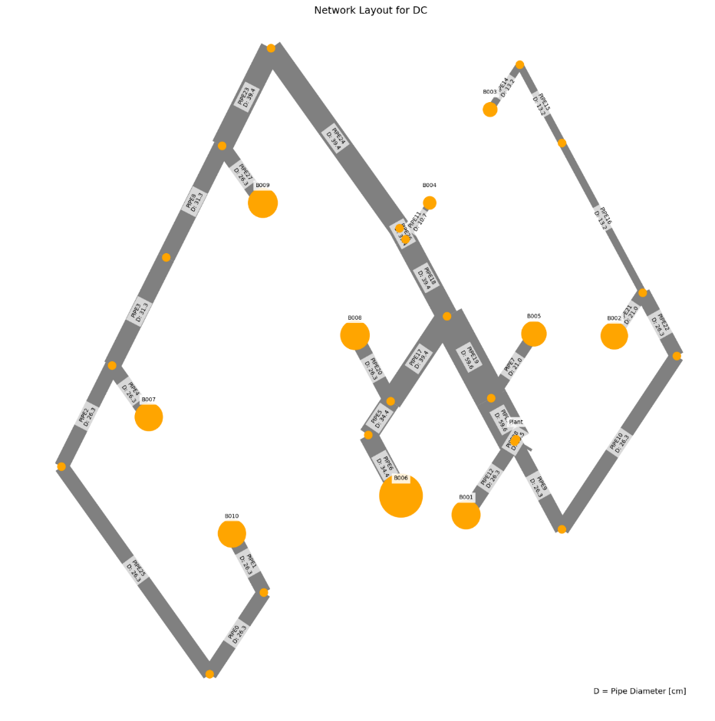
 | individual | opex | capex | opex_heat | opex_pump | opex_dis_loads | opex_dis_build | opex_chiller | opex_CT | opex_hex | capex_network | capex_pump | capex_dis_loads | capex_dis_build | capex_chiller | capex_CT | capex_hex | total | plant_buildings | number_of_plants | supplied_loads | disconnected_buildings | has_loops | length | avg_diam
8 | [0.0, 0.0, 0.0, 0.0, 0.0, 0.0, 0.0, 0.0, 0.0, 0.0, 0.0, 1.0, 2.0, 0.0, 0.0, 0.0] | 5832797.4065 | 1085726.8285 | 5308285.2869 | 18517.209153 | 0 | 457083 | 42153.702455 | 4397.1494169 | 2361.3804607 | 27802.294157 | 9505.2728026 | 0 | 106971.58647 | 843074.04911 | 87942.988338 | 10430.637618 | 6918524.235 | B006 | 1 | ahuaruscu | B007 | 0 | 848.44583979 | 0.20626666667
31 | [0.0, 0.0, 0.0, 0.0, 0.0, 0.0, 0.0, 0.0, 0.0, 0.0, 0.0, 1.0, 0.0, 0.0, 2.0, 0.0] | 5831856.3241 | 1090077.9858 | 5255014.7869 | 18335.718261 | 0 | 510071.31002 | 41752.638611 | 4349.4638915 | 2332.4064673 | 29406.414333 | 9401.6396253 | 0 | 119086.98411 | 835052.77222 | 86989.27783 | 10140.897684 | 6921934.3099 | B006 | 1 | ahuaruscu | B009 | 0 | 1262.3072385 | 0.25148846154
36 | [0.0, 0.0, 1.0, 0.0, 0.0, 0.0, 0.0, 0.0, 0.0, 0.0, 0.0, 1.0, 0.0, 0.0, 0.0, 0.0] | 5683870.7279 | 1239586.3907 | 0 | 0 | 0 | 5683870.7279 | 0 | 0 | 0 | 0 | 0 | 0 | 1239586.3907 | 0 | 0 | 0 | 6923457.1186 | B006 | 1 | ahuaruscu | B001B002B003B004B005B007B008B009B010 | 0 | 831.90331012 | 0.22270526316
 | [1.0, 1.0, 1.0, 0.0, 0.0, 0.0, 0.0, 0.0, 0.0, 0.0, 0.0, 1.0, 0.0, 0.0, 0.0, 0.0] | 5845989.4846 | 1078605.1851 | 5765177.9825 | 27161.488195 | 0 | 0 | 45883.077439 | 4840.5631228 | 2926.3733317 | 39349.127492 | 13193.648998 | 0 | 0 | 917661.54878 | 96811.262456 | 11589.597353 | 6924594.6696 | B006 | 1 | ahuaruscu |  | 0 | 1422.6337733 | 0.24170344828
0 | [0.0, 0.0, 0.0, 0.0, 0.0, 0.0, 0.0, 0.0, 0.0, 2.0, 0.0, 1.0, 2.0, 0.0, 2.0, 0.0] | 5813704.0205 | 1111314.8666 | 4695272.8005 | 15160.552587 | 0 | 1060281.9166 | 37530.398432 | 3835.8086811 | 1622.5436294 | 20759.49897 | 6172.3347409 | 0 | 248366.69262 | 750607.96864 | 76716.173623 | 8692.1980148 | 6925018.8871 | B006 | 1 | ahuaruscu | B004B007B009 | 0 | 495.35873878 | 0.23499166667
9 | [0.0, 0.0, 0.0, 0.0, 0.0, 0.0, 0.0, 0.0, 0.0, 0.0, 0.0, 1.0, 0.0, 0.0, 2.0, 2.0] | 5818478.5395 | 1109804.8646 | 4791398.2986 | 16188.715207 | 0 | 966959.84467 | 38181.460059 | 3924.8593605 | 1825.3615831 | 25518.226706 | 7269.3822291 | 0 | 225908.92928 | 763629.20118 | 78497.18721 | 8981.9379487 | 6928283.404 | B006 | 1 | ahuaruscu | B009B010 | 0 | 385.73284733 | 0.18197777778
32 | [0.0, 0.0, 0.0, 0.0, 0.0, 0.0, 0.0, 0.0, 2.0, 0.0, 0.0, 1.0, 0.0, 0.0, 0.0, 2.0] | 5833535.3896 | 1094895.7453 | 5190638.3512 | 23379.203516 | 0 | 571678.53185 | 41401.947067 | 4307.7675113 | 2129.5885136 | 26589.936247 | 10165.149116 | 0 | 133805.47074 | 828038.94133 | 86155.350226 | 10140.897684 | 6928431.135 | B006 | 1 | ahuaruscu | B003B010 | 0 | 337.52256015 | 0.21845
20 | [0.0, 0.0, 0.0, 0.0, 0.0, 0.0, 0.0, 0.0, 2.0, 0.0, 0.0, 1.0, 0.0, 0.0, 2.0, 2.0] | 5816661.3866 | 1116077.831 | 4673301.2596 | 18742.533158 | 0 | 1081749.8419 | 37422.257371 | 3822.9509693 | 1622.5436294 | 22109.146089 | 7479.8652547 | 0 | 252892.45485 | 748445.14742 | 76459.019387 | 8692.1980148 | 6932739.2176 | B006 | 1 | ahuaruscu | B003B009B010 | 0 | 451.59359048 | 0.19995454545
18 | [0.0, 0.0, 0.0, 0.0, 0.0, 0.0, 0.0, 0.0, 0.0, 0.0, 2.0, 1.0, 2.0, 0.0, 2.0, 0.0] | 5806064.333 | 1129112.9478 | 4305920.5603 | 14743.229064 | 0 | 1446191.9199 | 34255.54019 | 3446.4359214 | 1506.6476559 | 20278.655302 | 6391.1664351 | 0 | 340290.88573 | 685110.8038 | 68928.718428 | 8112.7181472 | 6935177.2808 | B006 | 1 | ahuaruscu | B005B007B009 | 0 | 1028.5845422 | 0.21450476191
2 | [0.0, 0.0, 0.0, 0.0, 0.0, 0.0, 0.0, 0.0, 2.0, 0.0, 0.0, 1.0, 0.0, 0.0, 0.0, 0.0] | 5851359.066 | 1084327.2879 | 5654822.2754 | 29223.050492 | 0 | 114789.9972 | 45083.648517 | 4745.5129489 | 2694.5813846 | 35940.046875 | 13520.628701 | 0 | 26983.525574 | 901672.97035 | 94910.258978 | 11299.857419 | 6935686.3539 | B006 | 1 | ahuaruscu | B003 | 0 | 1118.9146676 | 0.222104
1 | [0.0, 0.0, 0.0, 0.0, 0.0, 0.0, 0.0, 2.0, 0.0, 0.0, 0.0, 1.0, 0.0, 0.0, 2.0, 2.0] | 5798610.9014 | 1139128.4193 | 4146448.7655 | 11674.958616 | 0 | 1601637.4843 | 33986.540707 | 3414.4525306 | 1448.6996691 | 19577.547232 | 5598.9276055 | 0 | 357819.36161 | 679730.81413 | 68289.050611 | 8112.7181472 | 6937739.3207 | B006 | 1 | ahuaruscu | B002B009B010 | 0 | 1049.5719934 | 0.21306363636
11 | [0.0, 0.0, 0.0, 0.0, 0.0, 0.0, 0.0, 2.0, 0.0, 2.0, 0.0, 1.0, 2.0, 0.0, 2.0, 2.0] | 5781004.7148 | 1161576.1263 | 3586693.1244 | 8930.2766913 | 0 | 2151848.0909 | 29727.022927 | 2908.0061228 | 898.19379487 | 11456.435604 | 3656.0211268 | 0 | 487099.07013 | 594540.45854 | 58160.122455 | 6664.0184781 | 6942580.8412 | B006 | 1 | ahuaruscu | B002B004B007B009B010 | 0 | 650.09053328 | 0.21252666667
41 | [0.0, 0.0, 0.0, 0.0, 0.0, 0.0, 0.0, 0.0, 2.0, 2.0, 2.0, 1.0, 0.0, 0.0, 0.0, 2.0] | 5817846.2515 | 1126189.3975 | 4610786.5352 | 20855.896391 | 0 | 1143844.392 | 36993.844577 | 3772.0137197 | 1593.5696361 | 23194.013063 | 8350.3726286 | 0 | 270345.90794 | 739876.89154 | 75440.274394 | 8981.9379487 | 6944035.6491 | B006 | 1 | ahuaruscu | B003B004B005B010 | 0 | 495.81903881 | 0.21728333333
16 | [0.0, 0.0, 0.0, 0.0, 0.0, 0.0, 0.0, 2.0, 0.0, 2.0, 0.0, 1.0, 2.0, 0.0, 0.0, 0.0] | 5812692.5241 | 1132454.7726 | 4568557.3826 | 16009.07568 | 0 | 1184888.2462 | 37623.524829 | 3846.8811855 | 1767.4135964 | 24495.539986 | 8089.2935383 | 0 | 261190.14085 | 752470.49658 | 76937.62371 | 9271.6778825 | 6945147.2966 | B006 | 1 | ahuaruscu | B002B004B007 | 0 | 1018.900401 | 0.20207222222
22 | [0.0, 0.0, 0.0, 0.0, 0.0, 0.0, 0.0, 2.0, 2.0, 2.0, 0.0, 1.0, 0.0, 0.0, 0.0, 0.0] | 5822371.9029 | 1124221.7253 | 4914172.9547 | 18566.551102 | 0 | 842595.56529 | 40710.644063 | 4225.5732487 | 2100.6145203 | 25777.825734 | 8376.5756642 | 0 | 181202.07996 | 814212.88126 | 84511.464974 | 10140.897684 | 6946593.6282 | B006 | 1 | ahuaruscu | B002B003B004 | 0 | 944.00368597 | 0.20916111111
25 | [0.0, 0.0, 0.0, 0.0, 0.0, 0.0, 0.0, 2.0, 0.0, 2.0, 0.0, 1.0, 0.0, 0.0, 0.0, 0.0] | 5827638.7651 | 1120571.6017 | 5032368.9699 | 19321.8211 | 0 | 727805.56809 | 41543.365712 | 4324.5818477 | 2274.4584805 | 28589.650949 | 9973.8075155 | 0 | 154218.55438 | 830867.31424 | 86491.636954 | 10430.637618 | 6948210.3668 | B006 | 1 | ahuaruscu | B002B004 | 0 | 1227.6931983 | 0.230176
28 | [0.0, 0.0, 0.0, 0.0, 0.0, 0.0, 0.0, 0.0, 0.0, 2.0, 0.0, 1.0, 0.0, 2.0, 2.0, 0.0] | 5822443.4549 | 1126362.9848 | 4658720.4966 | 22941.398732 | 0 | 1098082.8108 | 37271.212943 | 3804.9921505 | 1622.5436294 | 31842.188036 | 7835.7726886 | 0 | 256468.72418 | 745424.25886 | 76099.84301 | 8692.1980148 | 6948806.4397 | B006 | 1 | ahuaruscu | B004B008B009 | 0 | 1375.7791141 | 0.23735357143
40 | [0.0, 0.0, 0.0, 0.0, 0.0, 0.0, 0.0, 0.0, 0.0, 2.0, 0.0, 1.0, 2.0, 2.0, 2.0, 0.0] | 5807408.5298 | 1142520.4917 | 4194213.4724 | 19771.888552 | 0 | 1555165.4889 | 33690.492978 | 3379.2531684 | 1187.9337287 | 24438.868743 | 5713.1511497 | 0 | 363440.31064 | 673809.85956 | 67585.063369 | 7533.2382795 | 6949929.0215 | B006 | 1 | ahuaruscu | B004B007B008B009 | 0 | 944.46108563 | 0.23132
3 | [0.0, 0.0, 0.0, 0.0, 0.0, 0.0, 0.0, 0.0, 2.0, 2.0, 2.0, 1.0, 2.0, 0.0, 2.0, 2.0] | 5787683.9741 | 1162494.1673 | 3628957.6321 | 14821.305726 | 0 | 2110998.3802 | 29283.565182 | 2855.2800646 | 767.81082465 | 12475.926718 | 4462.5785909 | 0 | 496404.47852 | 585671.30364 | 57105.601293 | 6374.2785442 | 6950178.1414 | B006 | 1 | ahuaruscu | B003B004B005B007B009B010 | 0 | 96.159126942 | 0.248975
35 | [0.0, 0.0, 0.0, 0.0, 0.0, 0.0, 0.0, 0.0, 2.0, 2.0, 0.0, 1.0, 2.0, 2.0, 2.0, 0.0] | 5803712.4798 | 1148890.0482 | 4076119.3865 | 20403.21955 | 0 | 1669955.4861 | 32931.30976 | 3288.9881118 | 1014.0897684 | 21277.771199 | 5538.9850016 | 0 | 390423.83622 | 658626.1952 | 65779.762236 | 7243.4983457 | 6952602.528 | B006 | 1 | ahuaruscu | B003B004B007B008B009 | 0 | 858.42853871 | 0.209295
21 | [0.0, 0.0, 0.0, 0.0, 0.0, 0.0, 0.0, 2.0, 2.0, 0.0, 0.0, 1.0, 0.0, 0.0, 0.0, 0.0] | 5828656.8749 | 1124247.6643 | 5009820.343 | 21360.511635 | 0 | 749467.63684 | 41423.584798 | 4310.3401854 | 2274.4584805 | 30871.688119 | 9372.8809958 | 0 | 158893.95791 | 828471.69595 | 86206.803708 | 10430.637618 | 6952904.5392 | B006 | 1 | ahuaruscu | B002B003 | 0 | 670.57450078 | 0.19306923077
5 | [0.0, 0.0, 0.0, 0.0, 0.0, 0.0, 0.0, 2.0, 2.0, 0.0, 2.0, 1.0, 2.0, 0.0, 2.0, 2.0] | 5768397.2691 | 1185827.1687 | 3079206.0093 | 7771.0537562 | 0 | 2652548.0914 | 25765.836282 | 2425.389549 | 680.8888445 | 8101.4809881 | 2099.5836165 | 0 | 606006.78881 | 515316.72564 | 48507.79098 | 5794.7986766 | 6954224.4378 | B006 | 1 | ahuaruscu | B002B003B005B007B009B010 | 0 | 889.2454587 | 0.2202631579
42 | [0.0, 0.0, 0.0, 0.0, 0.0, 0.0, 0.0, 2.0, 0.0, 0.0, 0.0, 1.0, 0.0, 0.0, 0.0, 0.0] | 5833806.1986 | 1120519.1923 | 5127982.1034 | 22018.01698 | 0 | 634677.63964 | 42256.301038 | 4409.3481414 | 2462.7894375 | 33683.513334 | 10891.885459 | 0 | 131910.43234 | 845126.02077 | 88186.962828 | 10720.377552 | 6954325.3909 | B006 | 1 | ahuaruscu | B002 | 0 | 1036.6859124 | 0.26109545454
23 | [0.0, 0.0, 0.0, 0.0, 0.0, 0.0, 0.0, 2.0, 0.0, 0.0, 2.0, 1.0, 0.0, 0.0, 2.0, 0.0] | 5800634.4796 | 1159972.9523 | 4125497.7364 | 11856.46342 | 0 | 1623786.8814 | 34432.368391 | 3467.4603687 | 1593.5696361 | 22204.239349 | 6139.948022 | 0 | 365229.7316 | 688647.36782 | 69349.207375 | 8402.458081 | 6960607.4318 | B006 | 1 | ahuaruscu | B002B005B009 | 0 | 888.59999655 | 0.2554
30 | [0.0, 0.0, 0.0, 0.0, 0.0, 0.0, 0.0, 2.0, 0.0, 2.0, 2.0, 1.0, 2.0, 0.0, 2.0, 0.0] | 5784274.8726 | 1177843.9403 | 3566336.1908 | 10195.371489 | 0 | 2173997.488 | 29800.502948 | 2916.7427203 | 1028.5767651 | 15879.905559 | 6155.9228729 | 0 | 494509.44011 | 596010.05896 | 58334.854406 | 6953.7584119 | 6962118.813 | B006 | 1 | ahuaruscu | B002B004B005B007B009 | 0 | 939.00868441 | 0.2093
12 | [0.0, 0.0, 0.0, 0.0, 0.0, 0.0, 0.0, 2.0, 0.0, 0.0, 0.0, 1.0, 0.0, 2.0, 2.0, 2.0] | 5794620.8284 | 1171976.9966 | 3645779.3436 | 18213.02663 | 0 | 2096521.0567 | 30110.711903 | 2953.6258181 | 1043.0637618 | 24664.657155 | 6178.8469933 | 0 | 472892.97963 | 602214.23806 | 59072.516362 | 6953.7584119 | 6966597.825 | B006 | 1 | ahuaruscu | B002B008B009B010 | 0 | 717.87568081 | 0.20012352941
24 | [0.0, 0.0, 0.0, 0.0, 0.0, 0.0, 2.0, 0.0, 0.0, 0.0, 0.0, 1.0, 2.0, 0.0, 2.0, 2.0] | 5782067.8793 | 1202644.8701 | 3445309.1959 | 9406.2335259 | 0 | 2295368.2353 | 28368.512205 | 2746.482469 | 869.21980148 | 16426.198845 | 4590.4965895 | 0 | 552954.00262 | 567370.2441 | 54929.649379 | 6374.2785442 | 6984712.7494 | B006 | 1 | ahuaruscu | B001B007B009B010 | 0 | 1073.4217038 | 0.23517727273
10 | [0.0, 0.0, 0.0, 0.0, 0.0, 0.0, 2.0, 0.0, 0.0, 2.0, 0.0, 1.0, 2.0, 0.0, 2.0, 2.0] | 5778663.1312 | 1207097.7706 | 3350073.3512 | 9021.0351381 | 0 | 2388496.1638 | 27657.332429 | 2661.924906 | 753.32382795 | 15394.93477 | 3971.025809 | 0 | 575262.12467 | 553146.64859 | 53238.498121 | 6084.5386104 | 6985760.9018 | B006 | 1 | ahuaruscu | B001B004B007B009B010 | 0 | 586.55170815 | 0.20565714286
34 | [0.0, 0.0, 0.0, 0.0, 0.0, 0.0, 2.0, 0.0, 0.0, 2.0, 0.0, 1.0, 2.0, 0.0, 2.0, 0.0] | 5791403.6959 | 1194566.6975 | 3813702.2801 | 10217.837339 | 0 | 1931607.6291 | 31626.590498 | 3133.860133 | 1115.4987452 | 18751.217211 | 4922.7898775 | 0 | 468440.1795 | 632531.80995 | 62677.202661 | 7243.4983457 | 6985970.3935 | B006 | 1 | ahuaruscu | B001B004B007B009 | 0 | 911.7334737 | 0.21442380952
37 | [0.0, 0.0, 0.0, 0.0, 0.0, 0.0, 2.0, 0.0, 2.0, 2.0, 0.0, 1.0, 2.0, 0.0, 2.0, 2.0] | 5780065.8309 | 1211258.6396 | 3231969.7368 | 14781.901066 | 0 | 2503286.161 | 26824.817379 | 2551.2998516 | 651.91485111 | 11112.885449 | 4582.9606311 | 0 | 602245.65025 | 536496.34759 | 51025.997032 | 5794.7986766 | 6991324.4706 | B006 | 1 | ahuaruscu | B001B003B004B007B009B010 | 0 | 1186.14953 | 0.22316190476
26 | [0.0, 0.0, 0.0, 0.0, 0.0, 0.0, 2.0, 0.0, 2.0, 2.0, 0.0, 1.0, 2.0, 2.0, 2.0, 0.0] | 5780259.7516 | 1215488.1972 | 3194044.247 | 15234.146753 | 0 | 2541281.1987 | 26531.785347 | 2516.4590486 | 651.91485111 | 13391.636195 | 4839.5513021 | 0 | 610497.32309 | 530635.70695 | 50329.180971 | 5794.7986766 | 6995747.9488 | B006 | 1 | ahuaruscu | B001B003B004B007B008B009 | 0 | 779.59521477 | 0.22137647059
6 | [0.0, 0.0, 0.0, 0.0, 0.0, 0.0, 2.0, 0.0, 2.0, 2.0, 0.0, 1.0, 2.0, 2.0, 2.0, 2.0] | 5767689.5077 | 1229080.2051 | 2730416.1599 | 14069.026066 | 0 | 2998169.7333 | 22620.943961 | 2051.4694243 | 362.17491728 | 10027.481649 | 3649.3485871 | 0 | 717319.26826 | 452418.87922 | 41029.388486 | 4635.8389413 | 6996769.7128 | B006 | 1 | ahuaruscu | B001B003B004B007B008B009B010 | 0 | 763.14876546 | 0.19077647059
7 | [0.0, 0.0, 0.0, 0.0, 0.0, 0.0, 2.0, 0.0, 0.0, 2.0, 0.0, 1.0, 0.0, 2.0, 2.0, 0.0] | 5794360.2324 | 1203283.8911 | 3776649.7243 | 12769.628425 | 0 | 1969408.5234 | 31319.508651 | 3097.3488409 | 1115.4987452 | 25261.103384 | 5899.9285023 | 0 | 476542.21106 | 626390.17302 | 61946.976818 | 7243.4983457 | 6997644.1235 | B006 | 1 | ahuaruscu | B001B004B008B009 | 0 | 1181.394757 | 0.218972
27 | [0.0, 0.0, 0.0, 0.0, 0.0, 0.0, 2.0, 0.0, 2.0, 0.0, 0.0, 1.0, 2.0, 0.0, 0.0, 0.0] | 5811654.0493 | 1188760.0177 | 4308631.6495 | 18521.095005 | 0 | 1443198.3879 | 36075.496833 | 3662.8243841 | 1564.5956427 | 22225.058447 | 9047.7380157 | 0 | 354028.59892 | 721509.93665 | 73256.487682 | 8692.1980148 | 7000414.067 | B006 | 1 | ahuaruscu | B001B003B007 | 0 | 980.82927983 | 0.24285909091
14 | [0.0, 0.0, 0.0, 0.0, 0.0, 0.0, 2.0, 0.0, 0.0, 2.0, 0.0, 1.0, 0.0, 0.0, 0.0, 0.0] | 5826140.4938 | 1184970.9633 | 4795749.4528 | 19418.494394 | 0 | 964453.641 | 40299.544482 | 4176.6944984 | 2042.6665335 | 32528.150115 | 10685.266878 | 0 | 242381.60893 | 805990.88964 | 83533.889968 | 9851.1577502 | 7011111.457 | B006 | 1 | ahuaruscu | B001B004 | 0 | 685.36070463 | 0.20591333333
15 | [0.0, 0.0, 0.0, 0.0, 0.0, 0.0, 2.0, 0.0, 0.0, 0.0, 0.0, 1.0, 0.0, 0.0, 0.0, 0.0] | 5832522.3172 | 1184867.4391 | 4891363.5947 | 22360.71059 | 0 | 871325.71255 | 41009.204511 | 4261.0713671 | 2202.0234971 | 37622.0125 | 11625.524516 | 0 | 220073.48688 | 820184.09023 | 85221.427342 | 10140.897684 | 7017389.7563 | B006 | 1 | ahuaruscu | B001 | 0 | 785.04865095 | 0.21212222222
4 | [0.0, 0.0, 0.0, 0.0, 0.0, 0.0, 2.0, 2.0, 0.0, 2.0, 0.0, 1.0, 2.0, 2.0, 2.0, 2.0] | 5747609.4118 | 1270536.9075 | 2203492.8918 | 4051.659996 | 0 | 3518057.3758 | 19993.194922 | 1739.0363908 | 275.25293714 | 7600.9174907 | 1988.8296019 | 0 | 822246.17502 | 399863.89845 | 34780.727816 | 4056.3590736 | 7018146.3193 | B006 | 1 | ahuaruscu | B001B002B004B007B008B009B010 | 0 | 744.11669592 | 0.23497857143
39 | [0.0, 0.0, 0.0, 0.0, 0.0, 0.0, 2.0, 2.0, 2.0, 2.0, 0.0, 1.0, 2.0, 2.0, 2.0, 2.0] | 5743444.3951 | 1274832.4549 | 2085295.3484 | 4264.7259604 | 0 | 3632847.373 | 19164.633377 | 1640.5224181 | 231.79194706 | 4417.1112088 | 1315.9080445 | 0 | 849229.7006 | 383292.66754 | 32810.448362 | 3766.6191398 | 7018276.85 | B006 | 1 | ahuaruscu | B001B002B003B004B007B008B009B010 | 0 | 1435.3616953 | 0.0216
19 | [0.0, 0.0, 0.0, 0.0, 0.0, 0.0, 2.0, 2.0, 0.0, 2.0, 0.0, 1.0, 0.0, 2.0, 2.0, 2.0] | 5762163.2163 | 1264853.7655 | 2668012.036 | 6315.2617521 | 0 | 3060974.6977 | 24098.102007 | 2227.0999592 | 536.01887758 | 14684.663592 | 3175.1552109 | 0 | 715274.58856 | 481962.04014 | 44541.999185 | 5215.3188089 | 7027016.9818 | B006 | 1 | ahuaruscu | B001B002B004B008B009B010 | 0 | 489.76399855 | 0.209325
33 | [0.0, 0.0, 0.0, 0.0, 0.0, 0.0, 2.0, 2.0, 2.0, 0.0, 0.0, 1.0, 0.0, 2.0, 2.0, 0.0] | 5775529.7874 | 1256124.3 | 3108698.3591 | 9442.9479066 | 0 | 2625748.2318 | 28074.044797 | 2711.4710031 | 854.73280479 | 16417.729892 | 4493.9286604 | 0 | 613128.04691 | 561480.89594 | 54229.420063 | 6374.2785442 | 7031654.0874 | B006 | 1 | ahuaruscu | B001B002B003B008B009 | 0 | 872.54530221 | 0.22345
Total Cost
38 | [0.0, 0.0, 0.0, 0.0, 0.0, 0.0, 2.0, 2.0, 0.0, 2.0, 0.0, 1.0, 2.0, 0.0, 0.0, 0.0] | 5792885.3503 | 1245288.7103 | 3686907.6488 | 12124.568499 | 0 | 2056213.9588 | 33072.973944 | 3305.8316422 | 1260.3687121 | 21826.65067 | 6799.3419115 | 0 | 481263.62773 | 661459.47889 | 66116.632844 | 7822.9782134 | 7038174.0606 | B006 | 1 | ahuaruscu | B001B002B004B007 | 0 | 200.91114009 | 0.20281666667
13 | [0.0, 0.0, 0.0, 0.0, 0.0, 0.0, 2.0, 2.0, 0.0, 0.0, 0.0, 1.0, 0.0, 2.0, 0.0, 2.0] | 5786115.7043 | 1255338.6339 | 3281282.2446 | 13860.908384 | 0 | 2457775.4592 | 29374.82029 | 2866.1300772 | 956.14178163 | 24053.52746 | 5632.8583455 | 0 | 573879.4824 | 587496.40579 | 57322.601544 | 6953.7584119 | 7041454.3383 | B006 | 1 | ahuaruscu | B001B002B008B010 | 0 | 904.44323065 | 0.21827058824
17 | [0.0, 0.0, 0.0, 0.0, 0.0, 0.0, 2.0, 2.0, 2.0, 2.0, 2.0, 1.0, 2.0, 0.0, 2.0, 2.0] | 5744156.5622 | 1303364.9902 | 2101925.6659 | 2500.1870611 | 0 | 3617001.7324 | 20573.281677 | 1808.0073092 | 347.68792059 | 2617.3455611 | 677.10811108 | 0 | 848388.39774 | 411465.63354 | 36160.146183 | 4056.3590736 | 7047521.5524 | B006 | 1 | ahuaruscu | B001B002B003B004B005B007B009B010 | 0 | 880.6747086 | 0.23539444444
43 | [0.0, 0.0, 0.0, 0.0, 0.0, 0.0, 2.0, 0.0, 2.0, 0.0, 2.0, 1.0, 0.0, 0.0, 0.0, 0.0] | 5819234.3658 | 1231170.3854 | 4288377.3057 | 23007.538482 | 0 | 1465153.6415 | 37178.016237 | 3793.9112866 | 1723.9526063 | 30982.833731 | 10477.735682 | 0 | 361289.32761 | 743560.32475 | 75878.225733 | 8981.9379487 | 7050404.7513 | B006 | 1 | ahuaruscu | B001B003B005 | 0 | 1221.5076196 | 0.242616
29 | [0.0, 0.0, 0.0, 0.0, 0.0, 0.0, 2.0, 2.0, 0.0, 0.0, 2.0, 1.0, 0.0, 0.0, 0.0, 2.0] | 5786057.485 | 1281693.8182 | 3297413.5543 | 11797.014012 | 0 | 2441929.8186 | 30782.577293 | 3033.5089953 | 1101.0117485 | 19550.0673 | 5540.3472545 | 0 | 573038.17954 | 615651.54586 | 60670.179906 | 7243.4983457 | 7067751.3032 | B006 | 1 | ahuaruscu | B001B002B005B010 | 0 | 1101.2072985 | 0.25149047619

SPAN |  | -46740 | 195967 | -2010872 | -6720 | 0 | 1984847 | -11371 | -1364 | -1260 | -8252 | -3965 | 0 | 466067 | -227423 | -27273 | -3187 | 149227
 |  | -0.8% | 15.3% | -61.0% | -57.0% | #DIV/0! | 81.3% | -36.9% | -45.0% | -114.5% | -42.2% | -71.6% | #DIV/0! | 81.3% | -36.9% | -45.0% | -44.0% | 2.1%
All connected |  | 13192 | -7122 | 456893 | 8644 | 0 | -457083 | 3729 | 443 | 565 | 11547 | 3688 | 0 | -106972 | 74587 | 8868 | 1159 | 6070
 |  | 0.2% | -0.7% | 7.9% | 31.8% | #DIV/0! | #DIV/0! | 8.1% | 9.2% | 19.3% | 29.3% | 28.0% | #DIV/0! | #DIV/0! | 8.1% | 9.2% | 10.0% | 0.1%

WTP_MIX_m
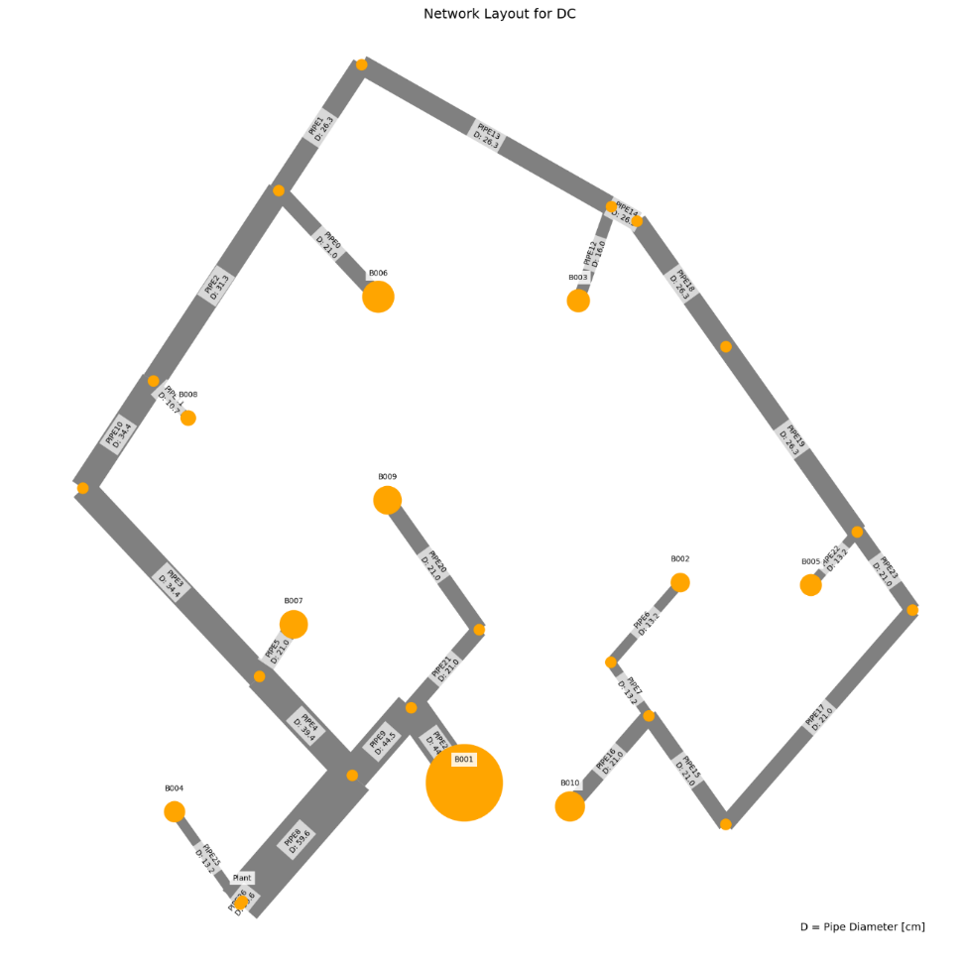
 | individual | opex | capex | opex_heat | opex_pump | opex_dis_loads | opex_dis_build | opex_chiller | opex_CT | opex_hex | capex_network | capex_pump | capex_dis_loads | capex_dis_build | capex_chiller | capex_CT | capex_hex | total | plant_buildings | number_of_plants | supplied_loads | disconnected_buildings | has_loops | length | avg_diam
31 | [0.0, 0.0, 0.0, 0.0, 0.0, 0.0, 1.0, 0.0, 0.0, 0.0, 0.0, 0.0, 2.0, 0.0, 0.0, 0.0] | 5022384.3171 | 925727.25585 | 4908617.6509 | 18455.462733 | 0 | 49371.379038 | 39121.672686 | 4036.6483779 | 2781.5033647 | 26963.661225 | 13439.058746 | 0 | 12886.436726 | 782433.45371 | 80732.967558 | 9271.6778825 | 5948111.5729 | B001 | 1 | ahuaruscu | B007 | 0 | 1237.8865352 | 0.194836
7 | [0.0, 0.0, 0.0, 0.0, 0.0, 0.0, 1.0, 0.0, 0.0, 0.0, 2.0, 0.0, 0.0, 0.0, 0.0, 0.0] | 5002416.3774 | 949345.35201 | 4314140.0777 | 12376.753592 | 0 | 634468.94127 | 35231.496608 | 3562.4747896 | 2636.6333978 | 22117.418032 | 10747.818694 | 0 | 131908.48931 | 704629.93216 | 71249.495792 | 8692.1980148 | 5951761.7294 | B001 | 1 | ahuaruscu | B005 | 0 | 1081.8846813 | 0.18126363636
15 | [0.0, 0.0, 0.0, 0.0, 0.0, 0.0, 1.0, 0.0, 2.0, 0.0, 0.0, 0.0, 2.0, 0.0, 0.0, 0.0] | 5017149.1215 | 934702.11498 | 4807720.0646 | 15842.791388 | 0 | 148667.04019 | 38468.476923 | 3958.9849745 | 2491.7634309 | 26244.787794 | 12228.820317 | 0 | 38697.330963 | 769369.53846 | 79179.69949 | 8981.9379487 | 5951851.2365 | B001 | 1 | ahuaruscu | B003B007 | 0 | 1202.161809 | 0.19531666667
13 | [0.0, 0.0, 0.0, 0.0, 0.0, 0.0, 1.0, 0.0, 2.0, 0.0, 0.0, 2.0, 2.0, 0.0, 0.0, 0.0] | 5016597.3078 | 937948.7073 | 4743610.4842 | 17467.884753 | 0 | 211471.08753 | 38039.282082 | 3907.9547413 | 2100.6145203 | 22614.634331 | 12808.674812 | 0 | 54888.463683 | 760785.64163 | 78159.094826 | 8692.1980148 | 5954546.0151 | B001 | 1 | ahuaruscu | B003B006B007 | 0 | 1079.2304548 | 0.1943
2 | [0.0, 0.0, 0.0, 0.0, 0.0, 0.0, 1.0, 0.0, 0.0, 0.0, 2.0, 2.0, 2.0, 0.0, 0.0, 0.0] | 4997802.1894 | 957225.83103 | 4199950.8334 | 11375.666462 | 0 | 746644.36765 | 34462.484253 | 3471.0410722 | 1897.7965666 | 19562.945893 | 9893.6017313 | 0 | 160986.05876 | 689249.68506 | 69420.821445 | 8112.7181472 | 5955028.0204 | B001 | 1 | ahuaruscu | B005B006B007 | 0 | 979.50006778 | 0.18357
32 | [0.0, 0.0, 0.0, 0.0, 0.0, 0.0, 1.0, 0.0, 0.0, 0.0, 0.0, 2.0, 2.0, 0.0, 2.0, 0.0] | 5021090.6087 | 937566.89923 | 4790304.0455 | 20334.810983 | 0 | 166198.65918 | 38326.294619 | 3942.0798409 | 1984.7185467 | 29541.042554 | 10885.541839 | 0 | 43080.627623 | 766525.89238 | 78841.596818 | 8692.1980148 | 5958657.5079 | B001 | 1 | ahuaruscu | B006B007B009 | 0 | 1230.8857565 | 0.20058181818
26 | [0.0, 0.0, 0.0, 0.0, 0.0, 0.0, 1.0, 0.0, 0.0, 0.0, 2.0, 0.0, 0.0, 0.0, 2.0, 0.0] | 5005456.746 | 958070.38049 | 4259826.3637 | 16494.416468 | 0 | 688492.17407 | 34864.92939 | 3518.89083 | 2259.9714839 | 26494.666207 | 9585.3043108 | 0 | 145911.54748 | 697298.58781 | 70377.8166 | 8402.458081 | 5963527.1265 | B001 | 1 | ahuaruscu | B005B009 | 0 | 1182.8001205 | 0.18805238095
24 | [0.0, 0.0, 0.0, 0.0, 0.0, 0.0, 1.0, 0.0, 0.0, 0.0, 2.0, 2.0, 0.0, 0.0, 2.0, 0.0] | 5002589.4523 | 961521.81334 | 4195906.8236 | 15583.896063 | 0 | 751296.22142 | 34436.735094 | 3467.9795592 | 1897.7965666 | 25487.910124 | 7724.2118116 | 0 | 162102.68021 | 688734.70187 | 69359.591184 | 8112.7181472 | 5964111.2656 | B001 | 1 | ahuaruscu | B005B006B009 | 0 | 1125.5398737 | 0.19067
21 | [0.0, 0.0, 0.0, 0.0, 0.0, 0.0, 1.0, 0.0, 0.0, 0.0, 2.0, 0.0, 2.0, 0.0, 2.0, 0.0] | 5007403.4962 | 964249.29933 | 4209800.247 | 19838.647667 | 0 | 737863.55311 | 34524.801437 | 3478.4504354 | 1897.7965666 | 26169.663341 | 11103.896175 | 0 | 158797.98421 | 690496.02875 | 69569.008708 | 8112.7181472 | 5971652.7955 | B001 | 1 | ahuaruscu | B005B007B009 | 0 | 1184.9345646 | 0.1891
1 | [0.0, 0.0, 0.0, 0.0, 0.0, 0.0, 1.0, 0.0, 0.0, 0.0, 0.0, 0.0, 0.0, 0.0, 0.0, 0.0] | 5042587.2898 | 933162.838 | 4959873.5296 | 35969.998533 | 0 | 0 | 39464.701678 | 4077.4336991 | 3201.6262688 | 41613.387852 | 11145.32479 | 0 | 0 | 789294.03356 | 81548.673983 | 9561.4178163 | 5975750.1278 | B001 | 1 | ahuaruscu |  | 0 | 1382.1335741 | 0.23675925926
12 | [0.0, 0.0, 0.0, 0.0, 0.0, 0.0, 1.0, 0.0, 0.0, 0.0, 0.0, 2.0, 0.0, 0.0, 0.0, 0.0] | 5039417.9723 | 937682.71737 | 4895982.7953 | 34786.431823 | 0 | 62804.04734 | 39036.654488 | 4026.539919 | 2781.5033647 | 40897.310852 | 10058.707764 | 0 | 16191.132721 | 780733.08977 | 80530.798379 | 9271.6778825 | 5977100.6896 | B001 | 1 | ahuaruscu | B006 | 0 | 1324.8733273 | 0.24269230769
34 | [0.0, 0.0, 0.0, 0.0, 0.0, 0.0, 1.0, 2.0, 0.0, 0.0, 0.0, 0.0, 0.0, 0.0, 0.0, 0.0] | 5034127.5577 | 954982.17781 | 4476618.4909 | 38043.678725 | 0 | 477471.05752 | 35709.423938 | 3619.2991983 | 2665.6073912 | 34682.584038 | 11113.557986 | 0 | 113919.37504 | 714188.47876 | 72385.983967 | 8692.1980148 | 5989109.7355 | B001 | 1 | ahuaruscu | B002 | 0 | 1315.8125309 | 0.214628
30 | [0.0, 0.0, 0.0, 0.0, 0.0, 0.0, 1.0, 0.0, 2.0, 0.0, 0.0, 2.0, 0.0, 0.0, 0.0, 2.0] | 4998900.499 | 991303.82683 | 3911237.5313 | 17010.531449 | 0 | 1033889.0476 | 31591.083591 | 3129.6384474 | 2042.6665335 | 18291.19489 | 8804.682454 | 0 | 262260.27043 | 631821.67182 | 62592.768947 | 7533.2382795 | 5990204.3258 | B001 | 1 | ahuaruscu | B003B006B010 | 0 | 903.95044201 | 0.174825
3 | [0.0, 0.0, 0.0, 0.0, 0.0, 0.0, 1.0, 0.0, 2.0, 0.0, 0.0, 0.0, 0.0, 0.0, 0.0, 2.0] | 5001764.7085 | 988747.30126 | 3975405.8985 | 17638.922497 | 0 | 971085.00031 | 32020.389845 | 3180.6819272 | 2433.8154442 | 20666.586685 | 10167.163207 | 0 | 246069.13771 | 640407.7969 | 63613.638544 | 7822.9782134 | 5990512.0098 | B001 | 1 | ahuaruscu | B003B010 | 0 | 1047.2997214 | 0.17093181818
33 | [0.0, 0.0, 0.0, 0.0, 0.0, 0.0, 1.0, 0.0, 2.0, 0.0, 0.0, 2.0, 2.0, 0.0, 2.0, 2.0] | 4995584.5388 | 1003137.7384 | 3806592.8239 | 16475.092174 | 0 | 1137283.6595 | 30883.611781 | 3045.5217526 | 1303.8297022 | 18902.22508 | 9549.3188805 | 0 | 289149.76534 | 617672.23562 | 60910.435052 | 6953.7584119 | 5998722.2771 | B001 | 1 | ahuaruscu | B003B006B007B009B010 | 0 | 971.92499481 | 0.17838947368
9 | [0.0, 0.0, 0.0, 0.0, 0.0, 0.0, 1.0, 0.0, 2.0, 0.0, 2.0, 2.0, 2.0, 0.0, 0.0, 2.0] | 4972640.7485 | 1027215.0988 | 3216593.7406 | 7476.1413721 | 0 | 1717729.368 | 27020.992334 | 2574.6245813 | 1245.8817155 | 13992.970814 | 7880.3147048 | 0 | 407055.19647 | 540419.84668 | 51492.491627 | 6374.2785442 | 5999855.8474 | B001 | 1 | ahuaruscu | B003B005B006B007B010 | 0 | 781.69320404 | 0.16396
19 | [0.0, 0.0, 0.0, 0.0, 0.0, 0.0, 1.0, 0.0, 2.0, 0.0, 2.0, 0.0, 2.0, 0.0, 0.0, 2.0] | 4975796.327 | 1024461.298 | 3280788.7809 | 8415.4117181 | 0 | 1654925.3206 | 27450.408918 | 2637.3221988 | 1579.0826394 | 17024.650091 | 8153.943313 | 0 | 390864.06375 | 549008.17836 | 52746.443975 | 6664.0184781 | 6000257.625 | B001 | 1 | ahuaruscu | B003B005B007B010 | 0 | 925.04248341 | 0.16303529412
18 | [0.0, 0.0, 0.0, 0.0, 0.0, 0.0, 1.0, 2.0, 0.0, 0.0, 2.0, 0.0, 0.0, 0.0, 2.0, 2.0] | 4965464.7688 | 1035058.0948 | 2893595.1841 | 6273.0831357 | 0 | 2037752.5708 | 24173.637201 | 2236.0809119 | 1434.2126724 | 14990.504395 | 5699.5235725 | 0 | 480089.166 | 483472.74402 | 44721.618239 | 6084.5386104 | 6000522.8636 | B001 | 1 | ahuaruscu | B002B005B009B010 | 0 | 785.014277 | 0.16657333333
22 | [0.0, 0.0, 0.0, 0.0, 0.0, 0.0, 1.0, 2.0, 2.0, 0.0, 2.0, 0.0, 0.0, 0.0, 0.0, 2.0] | 4963155.7609 | 1037976.0458 | 2847168.7112 | 5351.4011241 | 0 | 2083024.9991 | 23887.459713 | 2202.0550977 | 1521.1346526 | 12236.718549 | 5967.4904072 | 0 | 491897.00207 | 477749.19426 | 44041.101954 | 6084.5386104 | 6001131.8068 | B001 | 1 | ahuaruscu | B002B003B005B010 | 0 | 672.53780284 | 0.15637857143
25 | [0.0, 0.0, 0.0, 0.0, 0.0, 0.0, 1.0, 0.0, 0.0, 0.0, 2.0, 0.0, 0.0, 0.0, 2.0, 2.0] | 4982060.0577 | 1019608.1569 | 3377711.3956 | 11437.098293 | 0 | 1560281.5132 | 28078.233024 | 2711.9689732 | 1839.8485798 | 22236.686888 | 8443.8807463 | 0 | 366169.79096 | 561564.66048 | 54239.379465 | 6953.7584119 | 6001668.2147 | B001 | 1 | ahuaruscu | B005B009B010 | 0 | 1135.9454613 | 0.16749
29 | [0.0, 0.0, 0.0, 0.0, 0.0, 0.0, 1.0, 0.0, 0.0, 2.0, 0.0, 0.0, 0.0, 2.0, 0.0, 0.0] | 4997865.6945 | 1006582.5552 | 3879137.9622 | 15020.787022 | 0 | 1067554.7324 | 31109.591077 | 3072.3901467 | 1970.23155 | 22082.224759 | 11621.345671 | 0 | 281995.86193 | 622191.82153 | 61447.802935 | 7243.4983457 | 6004448.2497 | B001 | 1 | ahuaruscu | B004B008 | 0 | 1098.8996187 | 0.1761826087
10 | [0.0, 0.0, 0.0, 0.0, 0.0, 0.0, 1.0, 2.0, 2.0, 0.0, 0.0, 0.0, 0.0, 0.0, 0.0, 2.0] | 4992617.4052 | 1014154.6683 | 3492920.4485 | 18318.006519 | 0 | 1448556.0578 | 28121.107186 | 2717.0666079 | 1984.7185467 | 22685.465854 | 7763.4553888 | 0 | 359988.51276 | 562422.14372 | 54341.332158 | 6953.7584119 | 6006772.0735 | B001 | 1 | ahuaruscu | B002B003B010 | 0 | 1035.1063039 | 0.1806
0 | [0.0, 0.0, 0.0, 0.0, 0.0, 0.0, 1.0, 2.0, 2.0, 0.0, 2.0, 2.0, 2.0, 0.0, 0.0, 2.0] | 4959510.5742 | 1048694.7918 | 2733235.9989 | 4916.6546896 | 0 | 2195200.4255 | 23119.572295 | 2110.7551326 | 927.16778825 | 11181.348009 | 6427.2649558 | 0 | 520974.57151 | 462391.4459 | 42215.102653 | 5505.0587427 | 6008205.366 | B001 | 1 | ahuaruscu | B002B003B005B006B007B010 | 0 | 657.61387712 | 0.15473333333
37 | [0.0, 0.0, 0.0, 0.0, 0.0, 0.0, 1.0, 2.0, 2.0, 0.0, 2.0, 2.0, 2.0, 0.0, 2.0, 2.0] | 4957507.7065 | 1051246.5219 | 2678234.2442 | 4580.9165816 | 0 | 2249223.6583 | 22750.141896 | 2066.8307477 | 651.91485111 | 9998.2423911 | 4715.8781646 | 0 | 534977.62969 | 455002.83792 | 41336.614954 | 5215.3188089 | 6008754.2285 | B001 | 1 | ahuaruscu | B002B003B005B006B007B009B010 | 0 | 556.73858321 | 0.17162
11 | [0.0, 0.0, 0.0, 0.0, 0.0, 0.0, 1.0, 2.0, 0.0, 0.0, 0.0, 0.0, 2.0, 0.0, 2.0, 2.0] | 4994558.5596 | 1016583.8551 | 3489372.2819 | 20232.809931 | 0 | 1452655.0085 | 28066.724053 | 2710.6005843 | 1521.1346526 | 26869.737292 | 6436.4931399 | 0 | 361067.11342 | 561334.48105 | 54212.011686 | 6664.0184781 | 6011142.4147 | B001 | 1 | ahuaruscu | B002B007B009B010 | 0 | 1098.3810898 | 0.20355789474
17 | [0.0, 0.0, 0.0, 0.0, 0.0, 0.0, 1.0, 0.0, 0.0, 2.0, 2.0, 2.0, 2.0, 0.0, 0.0, 0.0] | 4974605.0227 | 1038641.259 | 3164906.9788 | 9290.6336961 | 0 | 1770215.3954 | 26401.682054 | 2500.9900803 | 1289.3427055 | 15092.076821 | 7831.1311138 | 0 | 431580.06981 | 528033.64109 | 50019.801606 | 6084.5386104 | 6013246.2818 | B001 | 1 | ahuaruscu | B004B005B006B007 | 0 | 834.65670604 | 0.16664705882
27 | [0.0, 0.0, 0.0, 0.0, 0.0, 0.0, 1.0, 0.0, 0.0, 0.0, 2.0, 0.0, 2.0, 0.0, 2.0, 2.0] | 4984761.8547 | 1028903.9694 | 3328347.9405 | 14857.567056 | 0 | 1609652.8923 | 27739.589122 | 2671.7050288 | 1492.1606592 | 28577.868603 | 6379.9715844 | 0 | 379056.22769 | 554791.78245 | 53434.100575 | 6664.0184781 | 6013665.824 | B001 | 1 | ahuaruscu | B005B007B009B010 | 0 | 1183.9004406 | 0.201395
4 | [0.0, 0.0, 0.0, 0.0, 0.0, 0.0, 1.0, 0.0, 0.0, 0.0, 2.0, 2.0, 2.0, 0.0, 2.0, 2.0] | 4981288.3753 | 1033390.2248 | 3264457.3543 | 13282.784233 | 0 | 1672456.9396 | 27311.527871 | 2620.8095767 | 1158.9597353 | 27861.791604 | 5260.0452563 | 0 | 395247.36041 | 546230.55742 | 52416.191534 | 6374.2785442 | 6014678.6001 | B001 | 1 | ahuaruscu | B005B006B007B009B010 | 0 | 1126.6401938 | 0.20765263158
23 | [0.0, 0.0, 0.0, 0.0, 0.0, 0.0, 1.0, 0.0, 2.0, 2.0, 0.0, 2.0, 2.0, 2.0, 2.0, 0.0] | 4993171.827 | 1023641.8838 | 3608724.4471 | 18354.255153 | 0 | 1333049.0528 | 29315.745953 | 2859.1062808 | 869.21980148 | 18791.737436 | 4381.1792465 | 0 | 350887.38379 | 586314.91905 | 57182.125616 | 6084.5386104 | 6016813.7108 | B001 | 1 | ahuaruscu | B003B004B006B007B008B009 | 0 | 644.15182602 | 0.239125
5 | [0.0, 0.0, 0.0, 0.0, 0.0, 0.0, 1.0, 2.0, 2.0, 0.0, 0.0, 0.0, 2.0, 0.0, 2.0, 2.0] | 4991841.0534 | 1025700.7524 | 3388492.3228 | 20047.701596 | 0 | 1551950.6697 | 27413.585619 | 2632.9439972 | 1303.8297022 | 25456.668289 | 6061.2055561 | 0 | 386878.00766 | 548271.71238 | 52658.879943 | 6374.2785442 | 6017541.8057 | B001 | 1 | ahuaruscu | B002B003B007B009B010 | 0 | 1062.6563636 | 0.20338333333
28 | [0.0, 0.0, 0.0, 0.0, 0.0, 0.0, 1.0, 0.0, 0.0, 0.0, 0.0, 0.0, 2.0, 0.0, 2.0, 2.0] | 5015683.9406 | 1003172.8611 | 3973178.6663 | 30249.801203 | 0 | 975183.951 | 31970.054321 | 3174.6971547 | 1926.77056 | 36610.6311 | 8986.2238273 | 0 | 247147.73838 | 639401.08643 | 63493.943094 | 7533.2382795 | 6018856.8017 | B001 | 1 | ahuaruscu | B007B009B010 | 0 | 1362.8289747 | 0.21825833333
6 | [0.0, 0.0, 0.0, 0.0, 0.0, 0.0, 1.0, 0.0, 0.0, 0.0, 0.0, 2.0, 2.0, 0.0, 2.0, 2.0] | 5011939.9888 | 1007460.2191 | 3909287.3611 | 28448.715008 | 0 | 1037987.9983 | 31542.002805 | 3123.8028601 | 1550.108646 | 35894.554101 | 7667.1822876 | 0 | 263338.8711 | 630840.05611 | 62476.057202 | 7243.4983457 | 6019400.2079 | B001 | 1 | ahuaruscu | B006B007B009B010 | 0 | 1305.5687279 | 0.22416086957
16 | [0.0, 0.0, 0.0, 0.0, 0.0, 0.0, 1.0, 0.0, 2.0, 2.0, 2.0, 2.0, 0.0, 0.0, 2.0, 0.0] | 4975211.3204 | 1048606.0187 | 3059313.2777 | 12552.438148 | 0 | 1874162.9103 | 25719.7236 | 2419.906862 | 1043.0637618 | 16552.928507 | 4958.0967707 | 0 | 458507.58549 | 514394.47199 | 48398.137241 | 5794.7986766 | 6023817.339 | B001 | 1 | ahuaruscu | B003B004B005B006B009 | 0 | 716.24888483 | 0.18417142857
20 | [0.0, 0.0, 0.0, 0.0, 0.0, 0.0, 1.0, 0.0, 2.0, 2.0, 2.0, 2.0, 2.0, 2.0, 2.0, 0.0] | 4971621.5673 | 1052574.9086 | 2964001.2315 | 12078.797729 | 0 | 1967517.9941 | 25085.12283 | 2344.4543585 | 593.96686435 | 13469.078042 | 2503.0949184 | 0 | 482795.87309 | 501702.45659 | 46889.08717 | 5215.3188089 | 6024196.476 | B001 | 1 | ahuaruscu | B003B004B005B006B007B008B009 | 0 | 469.18632982 | 0.24334444444
38 | [0.0, 0.0, 0.0, 0.0, 0.0, 0.0, 1.0, 2.0, 0.0, 2.0, 2.0, 0.0, 2.0, 0.0, 0.0, 0.0] | 4966355.0273 | 1062415.6463 | 2746007.2453 | 9122.5299635 | 0 | 2184882.4056 | 23091.014038 | 2107.3596246 | 1144.4727386 | 16190.604314 | 7444.1978478 | 0 | 529308.31213 | 461820.28076 | 42147.192493 | 5505.0587427 | 6028770.6735 | B001 | 1 | ahuaruscu | B002B004B005B007 | 0 | 907.25094905 | 0.15915555556
36 | [0.0, 0.0, 0.0, 0.0, 0.0, 0.0, 1.0, 0.0, 2.0, 2.0, 0.0, 0.0, 0.0, 2.0, 0.0, 2.0] | 4977319.2471 | 1083429.2672 | 2895836.7116 | 15240.362191 | 0 | 2038639.7327 | 24035.493853 | 2219.6560005 | 1347.2906923 | 16027.537195 | 8728.674584 | 0 | 528064.99964 | 480709.87707 | 44393.120011 | 5505.0587427 | 6060748.5143 | B001 | 1 | ahuaruscu | B003B004B008B010 | 0 | 917.45342506 | 0.15180526316
14 | [0.0, 0.0, 0.0, 0.0, 0.0, 0.0, 1.0, 0.0, 2.0, 2.0, 2.0, 2.0, 0.0, 0.0, 0.0, 2.0] | 4951698.4587 | 1128050.5084 | 2231400.9483 | 5135.4446236 | 0 | 2691929.0167 | 20454.096763 | 1793.8365099 | 985.11577502 | 8742.3288443 | 4950.9043614 | 0 | 664762.77079 | 409081.93526 | 35876.730198 | 4635.8389413 | 6079748.9671 | B001 | 1 | ahuaruscu | B003B004B005B006B010 | 0 | 543.41766215 | 0.13712307692
35 | [0.0, 0.0, 0.0, 0.0, 0.0, 0.0, 1.0, 2.0, 0.0, 2.0, 0.0, 0.0, 0.0, 2.0, 2.0, 2.0] | 4968450.3452 | 1119453.7961 | 2459287.7959 | 14305.815336 | 0 | 2470838.3619 | 21181.863951 | 1880.3662762 | 956.14178163 | 18851.342366 | 4545.4716446 | 0 | 630176.53862 | 423637.27903 | 37607.325525 | 4635.8389413 | 6087904.1413 | B001 | 1 | ahuaruscu | B002B004B008B009B010 | 0 | 840.10943985 | 0.1862
8 | [0.0, 0.0, 0.0, 0.0, 0.0, 0.0, 1.0, 2.0, 0.0, 2.0, 2.0, 2.0, 2.0, 2.0, 2.0, 2.0] | 4938948.9569 | 1175101.2291 | 1699906.1911 | 2843.5647425 | 0 | 3217482.7296 | 17026.000465 | 1386.2441143 | 304.22693052 | 9316.0006258 | 3190.6002538 | 0 | 791162.59738 | 340520.0093 | 27724.882286 | 3187.1392721 | 6114050.186 | B001 | 1 | ahuaruscu | B002B004B005B006B007B008B009B010 | 0 | 574.38410889 | 0.14325
SPAN |  | #REF! | #REF! | #REF! | #REF! |  | #REF! | #REF! | #REF! | #REF! | #REF! | #REF! |  | #REF! | #REF! | #REF! | #REF! | #REF!
 |  | #REF! | #REF! |  |  |  | #REF! |  |  |  |  |  |  | #REF! |  |  |  | #REF!

WTP_RES_m
 | individual | opex | capex | opex_heat | opex_pump | opex_dis_loads | opex_dis_build | opex_chiller | opex_CT | opex_hex | capex_network | capex_pump | capex_dis_loads | capex_dis_build | capex_chiller | capex_CT | capex_hex | total | plant_buildings | number_of_plants | supplied_loads | disconnected_buildings | has_loops | length | avg_diam
17 | [0.0, 0.0, 0.0, 0.0, 0.0, 0.0, 2.0, 2.0, 0.0, 0.0, 0.0, 0.0, 2.0, 2.0, 0.0, 1.0] | 1593047.7481 | 449078.72032 | 1244055.3809 | 2474.8497816 | 0 | 328499.91819 | 16347.058788 | 1293.8785642 | 376.66191398 | 10395.869048 | 3513.8661634 | 0 | 79163.098792 | 326941.17577 | 25877.571284 | 3187.1392721 | 2042126.4684 | B010 | 1 | ahuaruscu | B001B002B007B008 | 0 | 683.2314986 | 0.11832857143
30 | [0.0, 0.0, 0.0, 0.0, 0.0, 0.0, 2.0, 2.0, 2.0, 0.0, 0.0, 0.0, 2.0, 2.0, 2.0, 1.0] | 1589491.2303 | 453612.78479 | 1140046.5258 | 1849.5584172 | 0 | 430597.08724 | 15578.281156 | 1202.4727547 | 217.30495037 | 6898.5913843 | 3045.2557233 | 0 | 105446.20007 | 311565.62311 | 24049.455095 | 2607.6594044 | 2043104.0151 | B010 | 1 | ahuaruscu | B001B002B003B007B008B009 | 0 | 489.32460068 | 0.11874
25 | [0.0, 0.0, 0.0, 0.0, 0.0, 0.0, 2.0, 2.0, 2.0, 2.0, 2.0, 2.0, 2.0, 0.0, 2.0, 1.0] | 1587115.1216 | 456406.12121 | 1076422.7605 | 1270.5002174 | 0 | 493010.4684 | 15144.588729 | 1150.9077695 | 115.89597353 | 6414.8329221 | 1152.1177364 | 0 | 120901.06104 | 302891.77458 | 23018.15539 | 2028.1795368 | 2043521.2428 | B010 | 1 | ahuaruscu | B001B002B003B004B005B006B007B009 | 0 | 387.38289408 | 0.15906666667
29 | [0.0, 0.0, 0.0, 0.0, 0.0, 0.0, 2.0, 2.0, 0.0, 0.0, 0.0, 2.0, 0.0, 2.0, 0.0, 1.0] | 1592683.0151 | 450844.78308 | 1227495.4594 | 2523.9789796 | 0 | 344771.45427 | 16234.915547 | 1280.5450029 | 376.66191398 | 10769.811226 | 3823.4839548 | 0 | 82755.137617 | 324698.31095 | 25610.900057 | 3187.1392721 | 2043527.7982 | B010 | 1 | ahuaruscu | B001B002B006B008 | 0 | 732.25923859 | 0.1143
40 | [0.0, 0.0, 0.0, 0.0, 0.0, 0.0, 2.0, 0.0, 0.0, 2.0, 2.0, 0.0, 0.0, 2.0, 0.0, 1.0] | 1595421.2777 | 448106.87342 | 1286966.6871 | 3463.68044 | 0 | 286601.17163 | 16669.249404 | 1343.8272722 | 376.66191398 | 12840.211298 | 4213.4840034 | 0 | 67604.505322 | 333384.98808 | 26876.545444 | 3187.1392721 | 2043528.1512 | B010 | 1 | ahuaruscu | B001B004B005B008 | 0 | 823.35846028 | 0.1314
19 | [0.0, 0.0, 0.0, 0.0, 0.0, 0.0, 2.0, 2.0, 0.0, 2.0, 0.0, 0.0, 0.0, 2.0, 0.0, 1.0] | 1593073.2085 | 451472.83882 | 1231545.279 | 2742.3170708 | 0 | 340861.12347 | 16263.842654 | 1283.9843662 | 376.66191398 | 11347.637817 | 4101.9570822 | 0 | 81879.56425 | 325276.85308 | 25679.687324 | 3187.1392721 | 2044546.0473 | B010 | 1 | ahuaruscu | B001B002B004B008 | 0 | 769.18641442 | 0.11424666667
36 | [0.0, 0.0, 0.0, 0.0, 0.0, 0.0, 2.0, 0.0, 0.0, 0.0, 0.0, 0.0, 2.0, 0.0, 0.0, 1.0] | 1600681.8711 | 443994.66136 | 1434643.9076 | 4450.1495758 | 0 | 141698.68522 | 17815.096191 | 1480.0656961 | 593.96686435 | 18687.366935 | 5040.2795824 | 0 | 30597.15796 | 356301.92382 | 29601.313923 | 3766.6191398 | 2044676.5325 | B010 | 1 | ahuaruscu | B001B007 | 0 | 1072.5264551 | 0.13184285714
20 | [0.0, 0.0, 0.0, 0.0, 0.0, 0.0, 2.0, 0.0, 0.0, 0.0, 2.0, 2.0, 2.0, 2.0, 0.0, 1.0] | 1593983.1831 | 450786.32407 | 1244141.2062 | 2924.9768243 | 0 | 328986.44014 | 16346.953866 | 1293.8660892 | 289.73993383 | 12931.601155 | 3465.1364292 | 0 | 78675.788037 | 326939.07733 | 25877.321784 | 2897.3993383 | 2044769.5072 | B010 | 1 | ahuaruscu | B001B005B006B007B008 | 0 | 816.13635773 | 0.12675333333
38 | [0.0, 0.0, 0.0, 0.0, 0.0, 0.0, 2.0, 2.0, 2.0, 0.0, 0.0, 0.0, 2.0, 0.0, 0.0, 1.0] | 1594037.0423 | 451347.18407 | 1269523.2866 | 2568.0115431 | 0 | 303652.63665 | 16582.886691 | 1333.5589536 | 376.66191398 | 13139.51173 | 4242.3863106 | 0 | 72449.233861 | 331657.73382 | 26671.179071 | 3187.1392721 | 2045384.2264 | B010 | 1 | ahuaruscu | B001B002B003B007 | 0 | 893.8460598 | 0.112075
37 | [0.0, 0.0, 0.0, 0.0, 0.0, 0.0, 2.0, 2.0, 0.0, 2.0, 0.0, 0.0, 0.0, 2.0, 2.0, 1.0] | 1591983.1988 | 453573.44156 | 1191972.6305 | 2552.8495893 | 0 | 379950.31568 | 15968.76302 | 1248.9001082 | 289.73993383 | 10533.142213 | 3681.0789351 | 0 | 92108.558507 | 319375.2604 | 24978.002165 | 2897.3993383 | 2045556.6404 | B010 | 1 | ahuaruscu | B001B002B004B008B009 | 0 | 722.69555327 | 0.11452857143
13 | [0.0, 0.0, 0.0, 0.0, 0.0, 0.0, 2.0, 2.0, 2.0, 0.0, 0.0, 2.0, 2.0, 0.0, 2.0, 1.0] | 1590793.4505 | 454944.3453 | 1174065.9887 | 1903.956729 | 0 | 397488.30265 | 15879.598781 | 1238.2986949 | 217.30495037 | 10608.897181 | 2903.8629008 | 0 | 96465.97629 | 317591.97563 | 24765.973898 | 2607.6594044 | 2045737.7958 | B010 | 1 | ahuaruscu | B001B002B003B006B007B009 | 0 | 707.41997384 | 0.12081666667
23 | [0.0, 0.0, 0.0, 0.0, 0.0, 0.0, 2.0, 2.0, 0.0, 0.0, 0.0, 0.0, 2.0, 0.0, 0.0, 1.0] | 1596566.8478 | 449329.28353 | 1333950.7546 | 3046.9444673 | 0 | 240644.6598 | 17056.542505 | 1389.8754893 | 478.07089082 | 15780.974873 | 4747.9427255 | 0 | 56395.126838 | 341130.8501 | 27797.509787 | 3476.8792059 | 2045896.1313 | B010 | 1 | ahuaruscu | B001B002B007 | 0 | 1037.1953392 | 0.11583333333
7 | [0.0, 0.0, 0.0, 0.0, 0.0, 0.0, 2.0, 0.0, 2.0, 0.0, 0.0, 2.0, 2.0, 0.0, 2.0, 1.0] | 1595115.5138 | 450967.00474 | 1275065.0139 | 3238.5470903 | 0 | 298542.32807 | 16639.584599 | 1340.3001982 | 289.73993383 | 13700.845022 | 4103.0570278 | 0 | 70668.007412 | 332791.69197 | 26806.003964 | 2897.3993383 | 2046082.5186 | B010 | 1 | ahuaruscu | B001B003B006B007B009 | 0 | 887.08304854 | 0.12215
42 | [0.0, 0.0, 0.0, 0.0, 0.0, 0.0, 2.0, 0.0, 2.0, 2.0, 0.0, 2.0, 2.0, 2.0, 2.0, 1.0] | 1590008.6043 | 456138.41064 | 1133896.1073 | 1966.3563691 | 0 | 437233.72947 | 15553.524969 | 1199.5293038 | 159.35696361 | 10334.704627 | 2076.5469107 | 0 | 106348.15417 | 311070.49939 | 23990.586076 | 2317.9194706 | 2046147.015 | B010 | 1 | ahuaruscu | B001B003B004B006B007B008B009 | 0 | 629.37330892 | 0.14133636364
26 | [0.0, 0.0, 0.0, 0.0, 0.0, 0.0, 2.0, 2.0, 0.0, 0.0, 0.0, 2.0, 2.0, 0.0, 2.0, 1.0] | 1593405.4833 | 452782.56443 | 1238497.0411 | 2490.4932953 | 0 | 334480.32581 | 16353.266494 | 1294.6166454 | 289.73993383 | 13065.569513 | 3450.0635287 | 0 | 80411.869266 | 327065.32987 | 25892.332908 | 2897.3993383 | 2046188.0477 | B010 | 1 | ahuaruscu | B001B002B006B007B009 | 0 | 850.76925322 | 0.12422857143
...
 |  |  |  |  |  |  |  |  |  |  |  |  |  |  |  |  |  | 2047595.2717 | B010 | 1 | ahuaruscu | B005B008 | 0 | 1095.9158877 | 0.1188
 |  |  |  |  |  |  |  |  |  |  |  |  |  |  |  |  |  | 2047596.1404 | B010 | 1 | ahuaruscu | B001B002B007B009 | 0 | 986.63772064 | 0.1174875
 |  |  |  |  |  |  |  |  |  |  |  |  |  |  |  |  |  | 2047613.6146 | B010 | 1 | ahuaruscu | B001B006 | 0 | 1121.5541951 | 0.14048095238
 |  |  |  |  |  |  |  |  |  |  |  |  |  |  |  |  |  | 2047692.9147 | B010 | 1 | ahuaruscu | B001B002B005B006B007B009 | 0 | 830.77314513 | 0.12068461538
 |  |  |  |  |  |  |  |  |  |  |  |  |  |  |  |  |  | 2047957.869 | B010 | 1 | ahuaruscu | B001B009 | 0 | 1147.9441217 | 0.13273809524
 |  |  |  |  |  |  |  |  |  |  |  |  |  |  |  |  |  | 2048302.0966 | B010 | 1 | ahuaruscu | B002B003B007 | 0 | 1003.696248 | 0.11033333333
 |  |  |  |  |  |  |  |  |  |  |  |  |  |  |  |  |  | 2048323.3585 | B010 | 1 | ahuaruscu | B001B002B003B004B005B006B008B009 | 0 | 554.32787131 | 0.118475
 |  |  |  |  |  |  |  |  |  |  |  |  |  |  |  |  |  | 2048456.3179 | B010 | 1 | ahuaruscu | B001B006B008 | 0 | 1016.5748231 | 0.12532105263
 |  |  |  |  |  |  |  |  |  |  |  |  |  |  |  |  |  | 2048502.1783 | B010 | 1 | ahuaruscu | B001B003B004B005B006B008B009 | 0 | 661.01641395 | 0.12875454546
 |  |  |  |  |  |  |  |  |  |  |  |  |  |  |  |  |  | 2048603.1719 | B010 | 1 | ahuaruscu | B001B002B005B007B009 | 0 | 966.64161255 | 0.11566
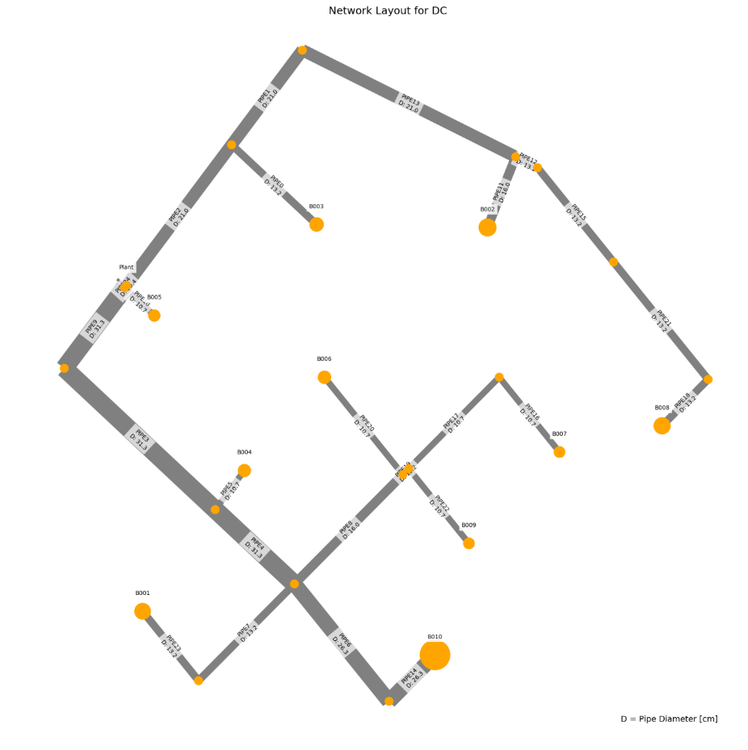
 |  |  |  |  |  |  |  |  |  |  |  |  |  |  |  |  |  | 2048692.3379 | B010 | 1 | ahuaruscu | B002B004B008B009 | 0 | 832.5457415 | 0.1122625
 |  |  |  |  |  |  |  |  |  |  |  |  |  |  |  |  |  | 2048968.9978 | B010 | 1 | ahuaruscu | B002B003 | 0 | 1113.1747889 | 0.10694
 |  |  |  |  |  |  |  |  |  |  |  |  |  |  |  |  |  | 2049162.3214 | B010 | 1 | ahuaruscu |  | 0 | 1291.8551842 | 0.125448
 |  |  |  |  |  |  |  |  |  |  |  |  |  |  |  |  |  | 2049335.6347 | B010 | 1 | ahuaruscu | B001B002B004B007B009 | 0 | 963.11409562 | 0.11894
 |  |  |  |  |  |  |  |  |  |  |  |  |  |  |  |  |  | 2049535.8047 | B010 | 1 | ahuaruscu | B002 | 0 | 1256.5240683 | 0.11148181818
 |  |  |  |  |  |  |  |  |  |  |  |  |  |  |  |  |  | 2050124.0882 | B010 | 1 | ahuaruscu | B003 | 0 | 1292.8378636 | 0.11014166667
 |  |  |  |  |  |  |  |  |  |  |  |  |  |  |  |  |  | 2050563.7551 | B010 | 1 | ahuaruscu | B002B007B009 | 0 | 1096.4879089 | 0.11514444444
 |  |  |  |  |  |  |  |  |  |  |  |  |  |  |  |  |  | 2050592.0407 | B010 | 1 | ahuaruscu | B001B004B005B006B008 | 0 | 973.05508999 | 0.13179411765
 |  |  |  |  |  |  |  |  |  |  |  |  |  |  |  |  |  | 2050610.6102 | B010 | 1 | ahuaruscu | B005B007 | 0 | 1248.1324689 | 0.11919090909
 |  |  |  |  |  |  |  |  |  |  |  |  |  |  |  |  |  | 2050697.0875 | B010 | 1 | ahuaruscu | B001B002B004B005B006B009 | 0 | 892.18381632 | 0.12077142857
 |  |  |  |  |  |  |  |  |  |  |  |  |  |  |  |  |  | 2051150.4788 | B010 | 1 | ahuaruscu | B001B002B003B004B006B009 | 0 | 882.84616599 | 0.10834285714
 |  |  |  |  |  |  |  |  |  |  |  |  |  |  |  |  |  | 2051179.7778 | B010 | 1 | ahuaruscu | B001B003B004B006 | 0 | 1086.2119773 | 0.12184444444
 |  |  |  |  |  |  |  |  |  |  |  |  |  |  |  |  |  | 2051588.0152 | B010 | 1 | ahuaruscu | B004B005B006B007 | 0 | 1110.7332555 | 0.12363684211
 |  |  |  |  |  |  |  |  |  |  |  |  |  |  |  |  |  | 2051845.6253 | B010 | 1 | ahuaruscu | B001B002B004B005B007B009 | 0 | 975.05152339 | 0.11576666667
 |  |  |  |  |  |  |  |  |  |  |  |  |  |  |  |  |  | 2053551.866 | B010 | 1 | ahuaruscu | B004B005B006B008B009 | 0 | 973.42673738 | 0.12154705882
 |  |  |  |  |  |  |  |  |  |  |  |  |  |  |  |  |  | 11425
 |  |  |  |  |  |  |  |  |  |  |  |  |  |  |  |  |  | 0.6%

