About Data
completejourney provides access to data sets characterizing household level transactions over one year from a group of 2,469 households who are frequent shoppers at a grocery store. It contains all of each household’s purchases, not just those from a limited number of categories. For certain households, demographic information as well as direct marketing contact history are captured.
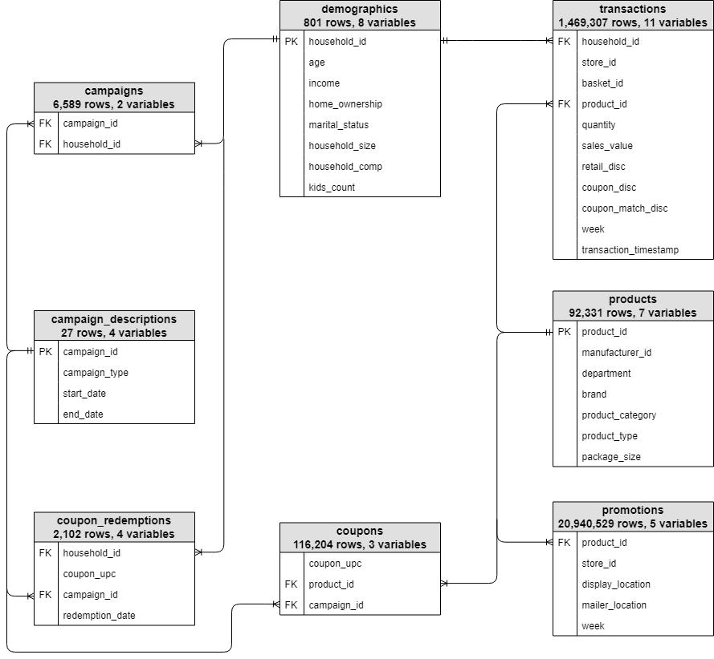

https://bradleyboehmke.github.io/completejourney/articles/completejourney.html

