Dashboard
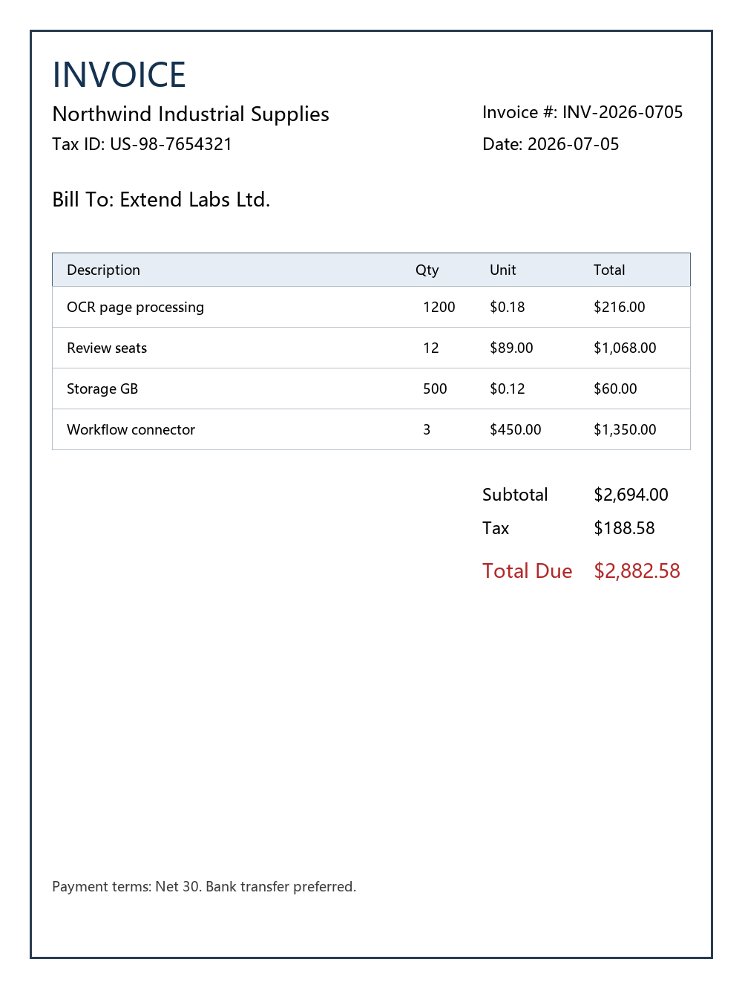
Revenue vs Quarter
Quarter | Revenue | Exceptions
Q1 | 120000 | 820
Q2 | 145000 | 690
Q3 | 168000 | 540
Q4 | 210000 | 410

