Sheet1
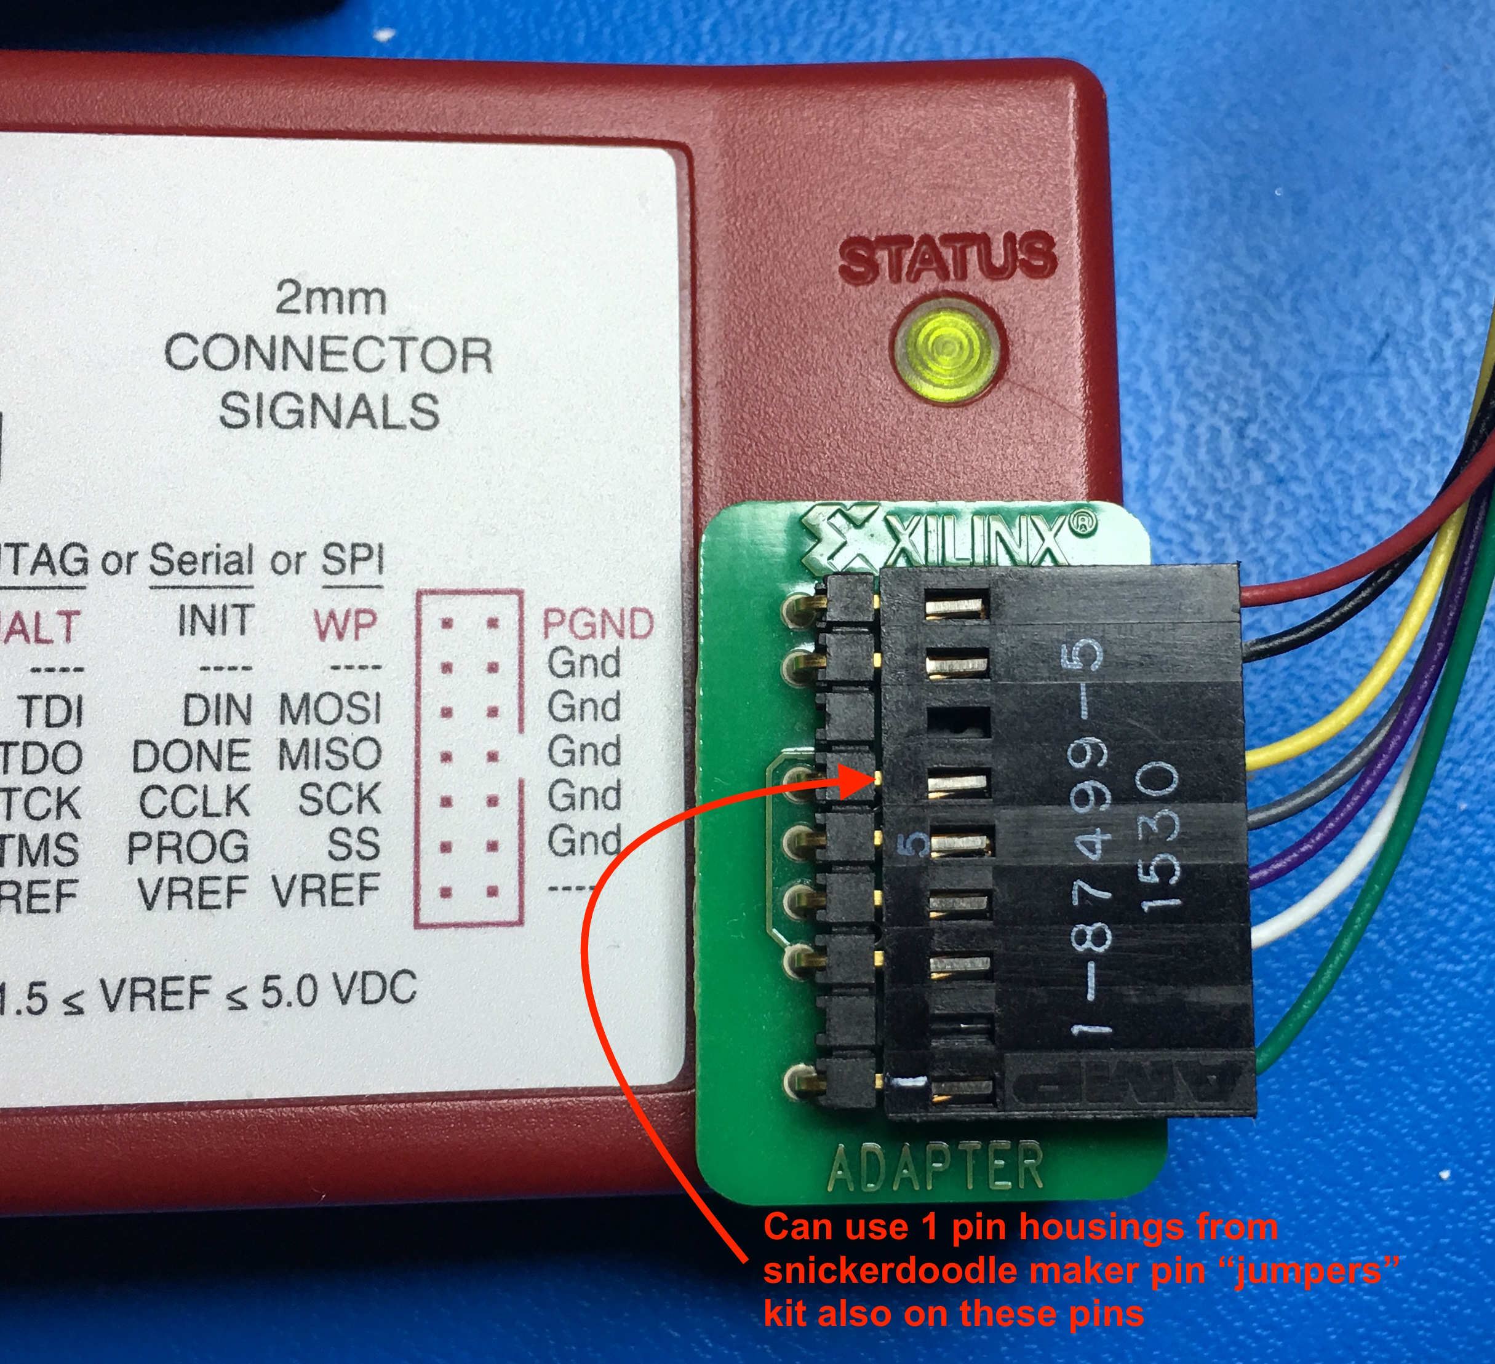
Platform USB II |  |  | snickerdoodle
Signal | 2mm connector | Wire Color | Signal | J2
TMS | 4 | Green | TMS_0 | 23
TDI | 10 | White | TDI_0 | 22
TDO | 8 | Purple | TDO_0 | 24
HALT | 14 | Gray | Zynq nRST | 19
TCK | 6 | Yellow | TCK_0 | 21
GND | 3,5,7,9,11,13 | Black | GND | 28
VREF | 2 | Red | VCCO_0 | 25

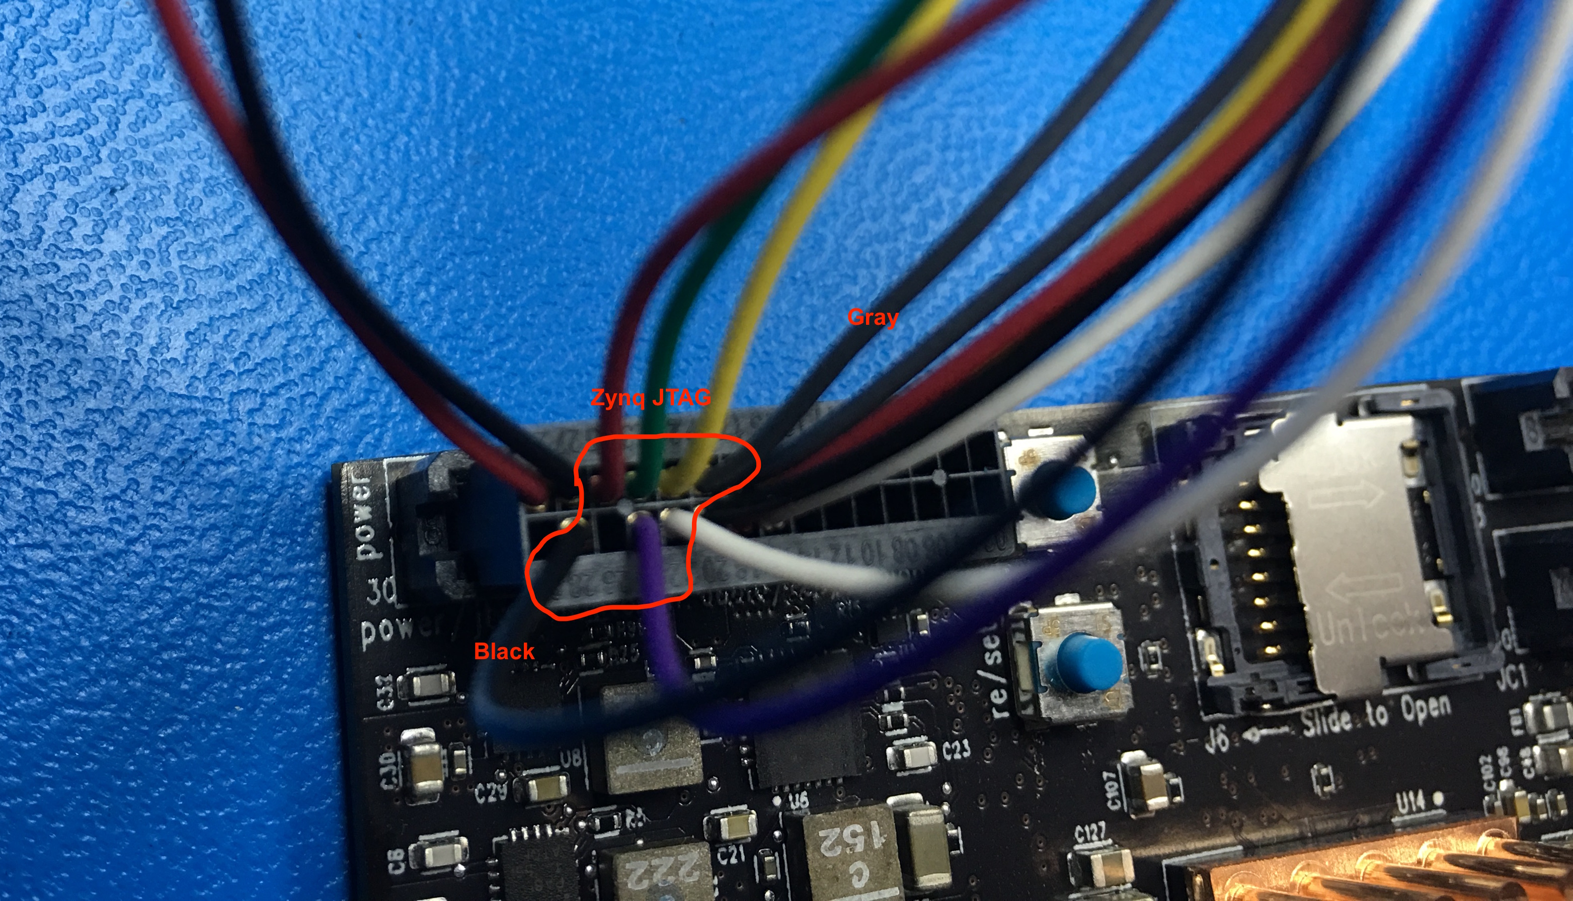
 |  |  |  |  | Signal | J2 |  | Signal
 |  |  |  |  | VP_0 | 1 | 2 | VN_0
 |  |  |  |  | DAC_OUT1/ADC_IN4 | 3 | 4 | DAC_OUT2/ADC_IN5
 |  |  |  |  | GND | 5 | 6 | GND
 |  |  |  |  | SMB_I2C_SCL7 | 7 | 8 | SMB_I2C_SDA7
 |  |  |  |  | GND | 9 | 10 | GND
 |  |  |  |  | BT_AUD_CLK | 11 | 12 | BT_AUD_FSYNC
 |  |  |  |  | BT_AUD_OUT | 13 | 14 | BT_AUD_IN
 |  |  |  |  | MCU_SWCLK/PA13 | 15 | 16 | MCU_SWDIO/PA14
 |  |  |  |  | MCU_nRST | 17 | 18 | MCU_VDDIO2 (+3.3V)
 |  |  |  |  | Zynq nRST(PS_SRST_B_501) | 19 | 20 | GND
 |  |  |  |  | TCK_0 | 21 | 22 | TDI_0
 |  |  |  |  | TMS_0 | 23 | 24 | TDO_0
 |  |  |  |  | VCCO_0 (+3.3V) | 25 | 26 | PGND
 |  |  |  |  | GND | 27 | 28 | GND
 |  |  |  |  | VIN (+3.7-17V) | 29 | 30 | VIN (+3.7-17V)

