Sheet1
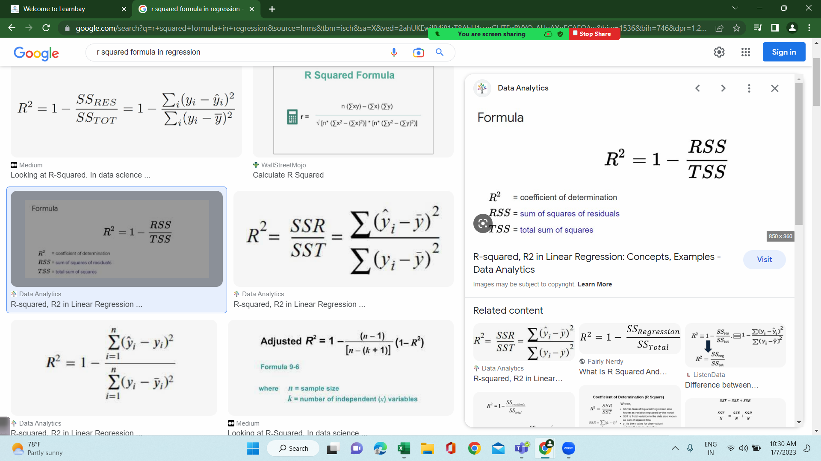
Given Data |  |  |  | SST(Sum of square Total) = summation(actual - avg)^2 |  |  | SSE(Sum of square Error) = summation(Act - Pred)^2
Experience | Salary | Avg Salary | Sal - Avg Sal |  | predicted | Act - Pred
2 | 10000 | 12500 | -2500 | 6250000 | 10250 | -250 | 62500
3 | 13000 | 12500 | 500 | 250000 | 12500 | 500 | 250000
4 | 14500 | 12500 | 2000 | 4000000 | 14750 | -250 | 62500
5 | ? |  |  | 10500000 |  |  | 375000
7 | ? |  |  | Total Error |  |  | Residual / Loss/Cost / SSE
10 | ?
0 | ? |  | R-Square | 1 - SSE/SST
 |  |  |  | 0.96428571429 | 96.40%
12500
 | Target is to predict slope and intercept value

x | y |  |  |  | Y = m*X + C
Experience | Salary | Xi-Xavg | Yi - Yavg | Cov(Xi-Xavg)*Cov(Yi-Yavg) | (Xi-Xavg)^2
2 | 10000 | -1 | -2500 | 2500 | 1
3 | 13000 | 0 | 500 | 0 | 0
4 | 14500 | 1 | 2000 | 2000 | 1
avg | avg |  |  | 4500 | 2
3 | 12500
 |  |  | Slope/Coefficient = Summation{Cov(Idv)*Cov(Dv)/Cov(Idv)^2}
 |  |  | 2250 | Slope /Co-efficient / weight / m

 |  |  | m = 2250
 |  |  | C = ?
 |  |  | Y = m*X + C
 |  |  | C = Y - m*X
 |  |  | 5750

Experience | Salary
2 | 10000 | C + m*X | 5500
3 | 13000 | 12500 | 6250
4 | 14500
5 | 17000 | MX + C
7 | 21500
10 | 28250
0 | 5750

