Sheet1
y | y_pred | residuals | abs_residuals | LogS | SMILES | MolWt | MolLogP | TPSA | MolMR | NumHAcceptors | NumHDonors | Heteroatoms | ValenceElectrons | NHOHCount | RingCount | NumAromaticRings | NumSaturatedRings | BalabanJ | Phi | NumAmideBonds | FractionCSP3 | NumSpiroAtoms | Asphericity | InertialShapeFactor | PEOE_VSA_series | PMI_series | NPR_series | MQNs_ | AUTOCORR3D | BCUT2D | WHIM | GETAWAY | image
-4.36 | -3.5766062737 | -0.78339372635 | 0.78339372635 | -4.36 | c1ccc(c(c1)C(=O)O)Nc1cccc(c1)C(F)(F)F | 281.06636322 | 4.1472 | 49.33 | 68.128 | 2 | 2 | 6 | 104 | 2 | 2 | 2 | 0 | 2.3379305116 | 3.6485007305 | 0 | 0.071428571429 | 0 | 0.49517758204 | 0.0010207206872 | 111.56731421 | 22.782263376 | 1 | 98 | 45.136782546 | 35.784148653 | 693.305 | 185.70943623 | 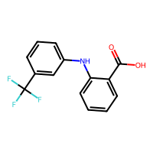
-4.51 | -4.9348835945 | 0.42488359451 | 0.42488359451 | -4.51 | [C@@H]1([C@@H]([C@@H]([C@@H]([C@H]([C@H]1Cl)Cl)Cl)Cl)Cl)Cl | 287.86006627 | 3.6444 | 0 | 57.846 | 0 | 0 | 6 | 72 | 0 | 1 | 0 | 1 | 2.7602520756 | 4.4359046499 | 0 | 1 | 0 | 0.25 | 0.00048155395535 | 101.86816655 | 21.531589194 | 1 | 49 | 32.420272943 | 52.437469574 | 310.064 | 0 | 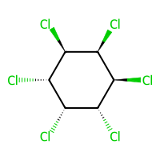
-0.85 | -1.1850233078 | 0.3350233078 | 0.3350233078 | -0.85 | Cc1cccc(c1)N | 107.07349929 | 1.57722 | 26.02 | 35.5914 | 1 | 1 | 1 | 42 | 2 | 1 | 1 | 0 | 3.077660438 | 1.2032523924 | 0 | 0.14285714286 | 0 | 0.34139335383 | 0.0054468819372 | 48.173710717 | 16.322834032 | 1 | 38 | 20.620801388 | 31.720036689 | 154.606 | 0 | 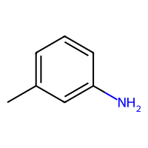
-6.81 | -6.4834704399 | -0.32652956009 | 0.32652956009 | -6.81 | CCCCCCCCCCCCCCCC(=O)O | 256.24023026 | 5.5523 | 37.3 | 77.9478 | 1 | 1 | 2 | 108 | 1 | 0 | 0 | 0 | 2.922965609 | 14.102867581 | 0 | 0.9375 | 0 | 0.97690377821 | 0.012852260836 | 112.68560979 | 22.762439845 | 1 | 93 | 34.27320052 | 32.069752032 | 1179.123 | 123.96402728 | 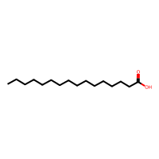
0.36 | 0.20395159721 | 0.15604840279 | 0.15604840279 | 0.36 | Cc1ccncc1C | 107.07349929 | 1.69844 | 12.89 | 33.711 | 1 | 0 | 1 | 42 | 0 | 1 | 1 | 0 | 3.1348615113 | 1.2882542636 | 0 | 0.28571428571 | 0 | 0.2843392448 | 0.0044594315251 | 48.418410115 | 16.123995072 | 1 | 35 | 19.80230935 | 31.325499942 | 150.135 | 0 | 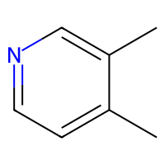
-1.41 | -1.516947031 | 0.10694703102 | 0.10694703102 | -1.41 | c1ccc(cc1)CCC(=O)O | 150.06807956 | 1.7038 | 37.3 | 42.3988 | 1 | 1 | 2 | 58 | 1 | 1 | 1 | 0 | 2.4530187435 | 2.6641981624 | 0 | 0.22222222222 | 0 | 0.69659462267 | 0.0063263116269 | 64.607299947 | 19.053180019 | 1 | 56 | 33.182094752 | 32.070010054 | 316.483 | 140.63294894 | 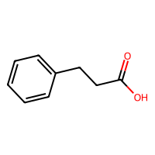
-2.92 | -2.2683272362 | -0.65167276382 | 0.65167276382 | -2.92 | c1cc2c(cccc2O)c(c1)O | 160.0524295 | 2.251 | 40.46 | 47.2776 | 2 | 2 | 2 | 60 | 2 | 2 | 2 | 0 | 2.9433728521 | 1.4019383412 | 0 | 0 | 0 | 0.30859350276 | 0.0019820405334 | 68.882729296 | 18.932086567 | 1 | 64 | 25.562134786 | 33.311412792 | 263.404 | 0 | 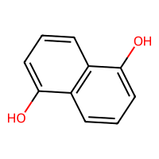
-3.14 | -3.3521051407 | 0.21210514069 | 0.21210514069 | -3.14 | C(Br)(Br)(Br)Br | 327.6733484 | 3.1773 | 0 | 38.439 | 0 | 0 | 4 | 32 | 0 | 0 | 0 | 0 | 3.0237157841 | 3.161823618 | 0 | 1 | 0 | 0.25 | 0.001390557558 | 64.771838158 | 18.354801215 | 1 | 19 | 20.208249975 | 104.36689965 | 95.741 | 0 | 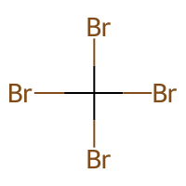
-2.57 | -3.529197216 | 0.95919721603 | 0.95919721603 | -2.57 | CN(C(=O)Nc1ccc(cc1)Cl)OC | 214.05090527 | 2.3651 | 41.57 | 55.2427 | 2 | 1 | 5 | 76 | 1 | 1 | 1 | 0 | 2.6048709717 | 3.7342593964 | 2 | 0.22222222222 | 0 | 0.76102860392 | 0.0041346278485 | 86.777143886 | 20.982552962 | 1 | 71 | 39.603355065 | 51.797633335 | 430.787 | 156.71320363 | 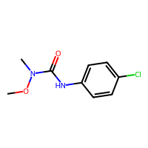
-2.09 | -1.981754899 | -0.10824510098 | 0.10824510098 | -2.09 | C=CCC=C | 68.062600256 | 1.7485 | 0 | 25.011 | 0 | 0 | 0 | 28 | 0 | 0 | 0 | 0 | 2.6531630747 | 3.11808 | 0 | 0.2 | 0 | 0.88905325444 | 0.11859973562 | 31.730733204 | 12.881277385 | 1 | 21 | 19.159133174 | 30.416618705 | 122.204 | 0 | 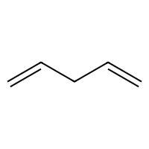
-6.47 | -6.7641854286 | 0.29418542862 | 0.29418542862 | -6.47 | c1cc(c2cc(ccc2Cl)Cl)c(c(c1)Cl)Cl | 289.92236091 | 5.9672 | 0 | 71.918 | 0 | 0 | 4 | 82 | 0 | 2 | 2 | 0 | 2.6713764166 | 3.6567967119 | 0 | 0 | 0 | 0.33195292772 | 0.00067846629806 | 114.01939821 | 22.447639506 | 1 | 68 | 38.654265084 | 54.187716296 | 484.818 | 179.77117146 | 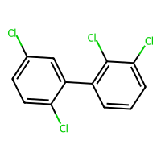
0.59 | -0.55054175854 | 1.1405417585 | 1.1405417585 | 0.59 | c1cncnc1O | 96.032362748 | 0.1822 | 46.01 | 23.6968 | 3 | 1 | 3 | 36 | 1 | 1 | 1 | 0 | 3.0214653097 | 0.89798829257 | 0 | 0 | 0 | 0.38310634132 | 0.008423267784 | 39.545003488 | 15.464091794 | 1 | 38 | 19.540011793 | 32.55479096 | 123.093 | 0 | 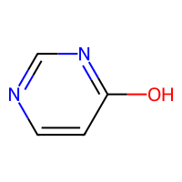
-1.92 | -1.8177201748 | -0.10227982521 | 0.10227982521 | -1.92 | CCCCCN=C(O)OC | 145.11027872 | 1.737 | 41.82 | 41.4648 | 2 | 1 | 3 | 60 | 1 | 0 | 0 | 0 | 3.1605678817 | 5.9243818984 | 0 | 0.85714285714 | 0 | 0.78365313355 | 0.0086786190475 | 60.760356783 | 19.021753965 | 1 | 53 | 28.975027439 | 32.636540587 | 353.755 | 103.03615544 | 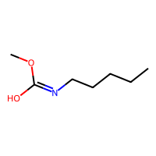
-3.39 | -3.4607415199 | 0.070741519928 | 0.070741519928 | -3.39 | CCCCCCCC(=O)OCC | 172.14632988 | 2.91 | 26.3 | 50.009 | 2 | 0 | 2 | 72 | 0 | 0 | 0 | 0 | 3.0296226215 | 8.1872009153 | 0 | 0.9 | 0 | 0.91682232118 | 0.013902917855 | 74.479991527 | 19.839051485 | 1 | 60 | 36.347578078 | 32.210111072 | 469.731 | 124.96683137 | 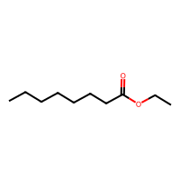
-6.01 | -6.1588096619 | 0.14880966187 | 0.14880966187 | -6.01 | c1cc(cc(c1)Cl)c1cc(ccc1Cl)Cl | 255.96133326 | 5.3138 | 0 | 66.908 | 0 | 0 | 3 | 76 | 0 | 2 | 2 | 0 | 2.5789507733 | 3.2024426877 | 0 | 0 | 0 | 0.36368057222 | 0.00082661907953 | 103.46219207 | 22.211934726 | 1 | 64 | 38.7098619 | 54.038113259 | 488.847 | 171.2074214 | 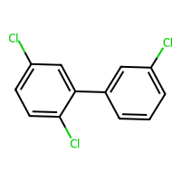
-3.28 | -3.0242357254 | -0.2557642746 | 0.2557642746 | -3.28 | COc1ccc(nn1)NS(=O)(=O)c1ccc(cc1)N | 280.06301124 | 0.8682 | 107.2 | 70.2469 | 6 | 2 | 8 | 100 | 3 | 2 | 2 | 0 | 2.2260999224 | 3.5173432607 | 0 | 0.090909090909 | 0 | 0.7005975072 | 0.0020707284754 | 109.61979787 | 22.435903983 | 1 | 105 | 43.914368721 | 50.962037146 | 632.719 | 164.05817651 | 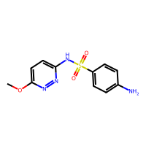
-4.47 | -4.2206554413 | -0.24934455872 | 0.24934455872 | -4.47 | Cc1c(cc(c(c1N(=O)=O)OC(=O)C)C(C)(C)C)N(=O)=O | 296.10083623 | 3.03422 | 112.58 | 74.4968 | 6 | 0 | 8 | 114 | 0 | 1 | 1 | 0 | 3.8780997787 | 4.3082905937 | 0 | 0.46153846154 | 0 | 0.301336958 | 0.00056926214783 | 119.92719496 | 22.565204897 | 1 | 116 | 35.225866111 | 32.232357788 | 617.132 | 179.02476716 | 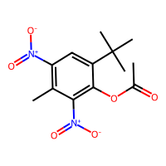
-4.17 | -4.3662743568 | 0.19627435684 | 0.19627435684 | -4.17 | CCc1cccc2ccccc12 | 156.09390038 | 3.4022 | 0 | 53.326 | 0 | 0 | 0 | 60 | 0 | 2 | 2 | 0 | 2.7909670297 | 1.8255141825 | 0 | 0.16666666667 | 0 | 0.33693888588 | 0.0023320038056 | 72.145028222 | 18.80764359 | 1 | 55 | 27.293978702 | 31.340168694 | 271.926 | 136.3412351 | 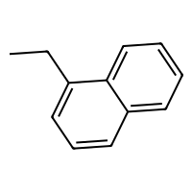
-0.89 | -1.2364637852 | 0.34646378517 | 0.34646378517 | -0.89 | CC[C@@H](C)C(C)(C)O | 116.12011513 | 1.8034 | 20.23 | 35.7528 | 1 | 1 | 1 | 50 | 1 | 0 | 0 | 0 | 3.6232810037 | 2.4797400881 | 0 | 1 | 0 | 0.26849764699 | 0.0041102086749 | 50.741254674 | 16.036950407 | 1 | 38 | 15.768717536 | 30.776017622 | 133.612 | 0 | 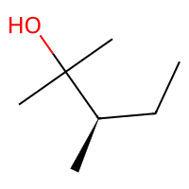
-2.52 | -3.6069588661 | 1.0869588661 | 1.0869588661 | -2.52 | CN(C)[C@@H]1[C@H]2C[C@H]3C(=C([C@@]2(C(=O)C(=C1O)C(=N)O)O)O)C(=O)c1c(ccc(c1[C@@H]3O)Cl)O | 464.09864331 | 1.31487 | 182.61 | 111.101 | 9 | 7 | 11 | 170 | 7 | 4 | 1 | 0 | 2.0221762107 | 4.9021993628 | 0 | 0.38095238095 | 0 | 0.45836766703 | 0.00037352407974 | 186.39776398 | 25.483200315 | 1 | 188 | 41.436224919 | 51.303232413 | 1283.136 | 178.21530747 | 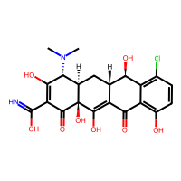
-1.71 | -2.1603372097 | 0.4503372097 | 0.4503372097 | -1.71 | C=CCC1(C(C)C)C(=NC(=O)N=C1O)O | 210.10044231 | 2.2515 | 82.25 | 57.6086 | 1 | 2 | 5 | 82 | 2 | 1 | 0 | 0 | 3.2736456532 | 2.9261140131 | 2 | 0.5 | 0 | 0.35831779012 | 0.001628784297 | 87.075154968 | 20.122215545 | 1 | 81 | 26.31554964 | 32.438523603 | 310.258 | 142.19506491 | 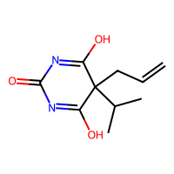
0.3 | -0.11551594734 | 0.41551594734 | 0.41551594734 | 0.3 | C1CC(=O)N=C1O | 99.0320284 | 0.2633 | 49.66 | 24.3048 | 1 | 1 | 3 | 38 | 1 | 1 | 0 | 0 | 2.6704581717 | 0.81728742781 | 1 | 0.5 | 0 | 0.52799267589 | 0.012166349811 | 39.540037631 | 15.641734116 | 1 | 39 | 18.896628149 | 32.995750686 | 135.885 | 0 | 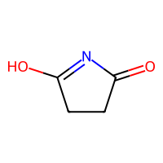
-3.66 | -4.2197127342 | 0.55971273422 | 0.55971273422 | -3.66 | CCOC(=O)C(c1c(c2ccccc2oc1=O)O)c1c(c2ccccc2oc1=O)O | 408.08451747 | 3.0056 | 127.18 | 106.7736 | 8 | 2 | 8 | 152 | 2 | 4 | 4 | 0 | 2.0893836866 | 4.7480383813 | 0 | 0.13636363636 | 0 | 0.42970101058 | 0.00044316169934 | 167.93218622 | 24.717815062 | 1 | 165 | 44.563796952 | 32.518593773 | 1181.218 | 188.18212308 | 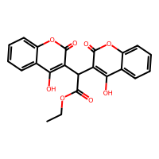
-3.12 | -1.9474239349 | -1.1725760651 | 1.1725760651 | -3.12 | C(C(Cl)(F)F)(Cl)(F)F | 169.93131824 | 2.6496 | 0 | 21.6 | 0 | 0 | 6 | 50 | 0 | 0 | 0 | 0 | 4.0203915432 | 1.9869266805 | 0 | 1 | 0 | 0.26707352878 | 0.0026464287102 | 51.526961951 | 17.316480336 | 1 | 32 | 22.576479276 | 52.976504148 | 132.597 | 0 | 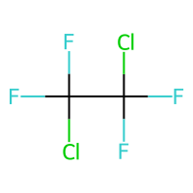
-2.38 | -2.9614901543 | 0.58149015427 | 0.58149015427 | -2.38 | C([C@@H](CCl)Br)Br | 233.84465204 | 2.3836 | 0 | 37.229 | 0 | 0 | 3 | 38 | 0 | 0 | 0 | 0 | 2.754184786 | 5.32875 | 0 | 1 | 0 | 0.59979036432 | 0.0058326671123 | 59.498094848 | 18.435230509 | 1 | 25 | 28.088513815 | 100.86011032 | 145.48 | 0 | 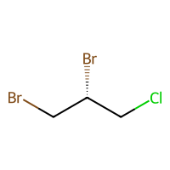
-1.97 | -1.8339853287 | -0.13601467133 | 0.13601467133 | -1.97 | c1cc(ccc1F)F | 114.02810657 | 1.9648 | 0 | 26.358 | 0 | 0 | 2 | 42 | 0 | 1 | 1 | 0 | 3.032455532 | 1.2420618444 | 0 | 0 | 0 | 0.59511759995 | 0.010350688307 | 44.680740051 | 16.682229166 | 1 | 33 | 27.341066818 | 35.416517729 | 169.552 | 0 | 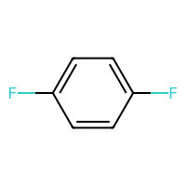
-2.06 | -2.4011435509 | 0.34114355087 | 0.34114355087 | -2.06 | C=C(C)[C@@H]1CC=C(C)C(=O)C1 | 150.10446507 | 2.4879 | 17.07 | 46.302 | 1 | 0 | 1 | 60 | 0 | 1 | 0 | 0 | 2.6982942003 | 2.2761815174 | 0 | 0.5 | 0 | 0.46028663936 | 0.0037982023295 | 66.985970672 | 18.548795909 | 1 | 49 | 24.764834126 | 31.934471639 | 260.542 | 125.38764823 | 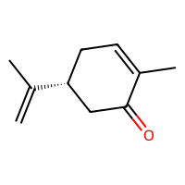
-4.4 | -4.0598664284 | -0.34013357162 | 0.34013357162 | -4.4 | C[C@]12CC[C@H](C[C@@H]1CC[C@@H]1[C@@H]3CCC(=O)[C@@]3(C)CC[C@@H]21)O | 290.2245802 | 3.9591 | 37.3 | 82.7408 | 2 | 1 | 2 | 118 | 1 | 4 | 0 | 4 | 1.6375393767 | 3.0952068815 | 0 | 0.94736842105 | 0 | 0.64477987904 | 0.0018860355991 | 127.92475004 | 22.204198835 | 1 | 108 | 32.336836969 | 31.55381265 | 552.83 | 143.32806336 | 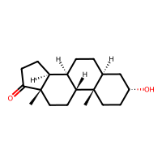
-7.33 | -6.941473484 | -0.38852651596 | 0.38852651596 | -7.33 | C1=C[C@@H]2C[C@H]1[C@@H]1[C@H]2[C@@]2(C(=C([C@]1(C2(Cl)Cl)Cl)Cl)Cl)Cl | 361.87571634 | 5.2702 | 0 | 78.054 | 0 | 0 | 6 | 98 | 0 | 4 | 0 | 2 | 2.0323446491 | 2.3978391606 | 0 | 0.66666666667 | 0 | 0.31085197185 | 0.00075677070374 | 135.99639676 | 21.848367229 | 1 | 92 | 31.057228888 | 53.084546389 | 318.938 | 185.74920581 | 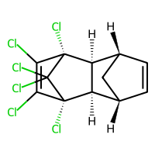
-2.63 | -2.2401502132 | -0.38984978676 | 0.38984978676 | -2.63 | CCC(CC)Cl | 106.05492803 | 2.4138 | 0 | 30.223 | 0 | 0 | 1 | 38 | 0 | 0 | 0 | 0 | 2.754184786 | 3.6471893195 | 0 | 1 | 0 | 0.39016192604 | 0.0089144591732 | 43.667145404 | 15.364212579 | 1 | 25 | 18.680721075 | 52.841817837 | 130.41 | 0 | 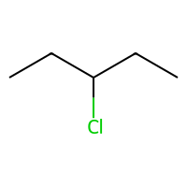
-2.18 | -2.5242862701 | 0.34428627014 | 0.34428627014 | -2.18 | C=C(C)[C@@H]1CC[C@@H](C)C(=O)C1 | 152.12011513 | 2.5678 | 17.07 | 46.326 | 1 | 0 | 1 | 62 | 0 | 1 | 0 | 1 | 2.5274249005 | 2.4785032093 | 0 | 0.7 | 0 | 0.46028663936 | 0.0037982023295 | 67.675573705 | 18.548795909 | 1 | 49 | 24.002482405 | 31.685641942 | 260.461 | 122.0788018 | 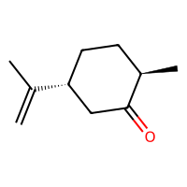
-2.54 | -2.6139631271 | 0.073963127136 | 0.073963127136 | -2.54 | C(=C(Cl)Cl)(Cl)Cl | 163.87541072 | 3.0682 | 0 | 30.438 | 0 | 0 | 4 | 36 | 0 | 0 | 0 | 0 | 3.6759487646 | 3.4217149758 | 0 | 0 | 0 | 0.26995343373 | 0.0024301534309 | 55.386695909 | 17.642537377 | 1 | 23 | 24.195963941 | 56.531754243 | 145.809 | 0 | 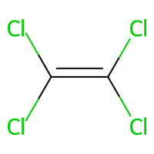
-1.27 | -1.6488382816 | 0.37883828163 | 0.37883828163 | -1.27 | CC[C@@](C)(C(C)(C)C)O | 130.1357652 | 2.1935 | 20.23 | 40.3698 | 1 | 1 | 1 | 56 | 1 | 0 | 0 | 0 | 4.1447263667 | 2.2855306203 | 0 | 1 | 0 | 0.25929319231 | 0.0035903718959 | 57.162076297 | 16.174863646 | 1 | 41 | 14.616717804 | 30.738380561 | 126.81 | 0 | 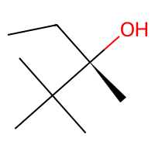
-3.1 | -2.8494415283 | -0.25055847168 | 0.25055847168 | -3.1 | C1CCCCC1 | 84.093900384 | 2.3406 | 0 | 27.702 | 0 | 0 | 0 | 36 | 0 | 1 | 0 | 1 | 2 | 1.5432098765 | 0 | 1 | 0 | 0.25 | 0.0061671862521 | 38.524929738 | 13.90990948 | 1 | 25 | 13.226726029 | 29.225588054 | 110.92 | 0 | 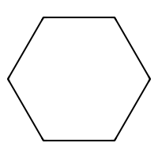
-2.02 | -1.8808742762 | -0.13912572384 | 0.13912572384 | -2.02 | Cc1ccccc1S(=O)(=O)N | 171.03539953 | 0.64242 | 60.16 | 42.5522 | 2 | 1 | 4 | 60 | 2 | 1 | 1 | 0 | 3.372194811 | 1.9720296356 | 0 | 0.14285714286 | 0 | 0.35852428384 | 0.0030269226087 | 65.228202316 | 18.268846844 | 1 | 57 | 26.530016279 | 51.017321962 | 202.365 | 0 | 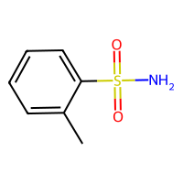
-1.5 | -1.7024353743 | 0.20243537426 | 0.20243537426 | -1.5 | C=CCBr | 119.95746226 | 1.5673 | 0 | 23.991 | 0 | 0 | 1 | 24 | 0 | 0 | 0 | 0 | 2.2968352619 | 3.3971 | 0 | 0.33333333333 | 0 | 0.92552728003 | 0.17478611433 | 33.914989335 | 12.643830138 | 1 | 16 | 19.923385753 | 101.87797831 | 101.907 | 0 | 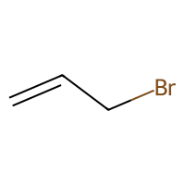
-3.21 | -3.2458071709 | 0.035807170868 | 0.035807170868 | -3.21 | C[C@@]12C=CC(=O)C=C1CC[C@@H]1[C@@H]3CC[C@](C(=O)CO)([C@@]3(C)C[C@H]([C@@H]21)O)O | 360.193674 | 1.5576 | 94.83 | 95.0484 | 5 | 3 | 5 | 142 | 3 | 4 | 0 | 3 | 1.747281448 | 3.8942789618 | 0 | 0.71428571429 | 0 | 0.6846739689 | 0.0013079388811 | 153.12349205 | 23.662693987 | 1 | 143 | 38.382850299 | 31.740543353 | 784.802 | 166.20714734 | 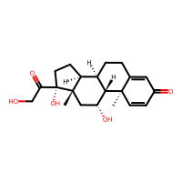
0.58 | -0.0050847530365 | 0.58508475304 | 0.58508475304 | 0.58 | COC=O | 60.021129368 | -0.2108 | 26.3 | 13.073 | 2 | 0 | 2 | 24 | 0 | 0 | 0 | 0 | 2.2968352619 | 2.142725 | 0 | 0.5 | 0 | 0.86081853984 | 0.15552116378 | 23.113418544 | 11.591804808 | 1 | 22 | 18.529118369 | 32.689403478 | 98.233 | 0 | 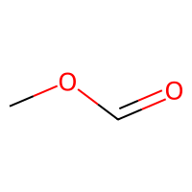
-1.96 | -2.4993128777 | 0.53931287766 | 0.53931287766 | -1.96 | COc1ccccc1N(=O)=O | 153.04259308 | 1.6034 | 52.37 | 39.6484 | 3 | 0 | 4 | 58 | 0 | 1 | 1 | 0 | 3.1212193189 | 2.0561618899 | 0 | 0.14285714286 | 0 | 0.2571065904 | 0.0014980170452 | 62.586656194 | 18.707132382 | 1 | 61 | 27.789789708 | 32.431213906 | 254.133 | 0 | 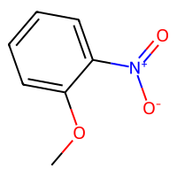
-3.99 | -3.0053071976 | -0.98469280243 | 0.98469280243 | -3.99 | CC(C)Cc1ccc(cc1)C(C)C(=O)O | 206.13067982 | 3.0732 | 37.3 | 61.0348 | 1 | 1 | 2 | 82 | 1 | 1 | 1 | 0 | 2.7590371333 | 3.8931449943 | 0 | 0.46153846154 | 0 | 0.63786393241 | 0.0029268002611 | 90.290586438 | 20.82670163 | 1 | 73 | 34.673915542 | 32.084657857 | 442.788 | 139.36916039 | 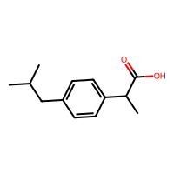
-1.85 | -1.9051214457 | 0.055121445656 | 0.055121445656 | -1.85 | COC(=O)c1ccccc1 | 136.0524295 | 1.4732 | 26.3 | 37.7815 | 2 | 0 | 2 | 52 | 0 | 1 | 1 | 0 | 2.8526279288 | 2.0495384398 | 0 | 0.125 | 0 | 0.52759594029 | 0.0054839928754 | 58.505789801 | 18.017107642 | 1 | 48 | 28.711809955 | 32.727141902 | 230.314 | 138.3433244 | 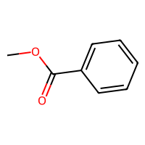
-2.08 | -2.3666887283 | 0.28668872833 | 0.28668872833 | -2.08 | CC(C)c1ccc(C)c(c1)O | 150.10446507 | 2.82402 | 20.23 | 46.9328 | 1 | 1 | 1 | 60 | 1 | 1 | 1 | 0 | 3.051645449 | 2.1787726514 | 0 | 0.4 | 0 | 0.46028663936 | 0.0037982023295 | 66.871161062 | 18.548795909 | 1 | 51 | 24.222555385 | 32.399616389 | 246.336 | 119.37827996 | 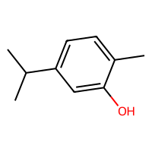
-4.89 | -4.8656401634 | -0.024359836578 | 0.024359836578 | -4.89 | Cc1ccc2cc(C)ccc2c1 | 156.09390038 | 3.45664 | 0 | 53.422 | 0 | 0 | 0 | 60 | 0 | 2 | 2 | 0 | 2.7866530814 | 1.6134353719 | 0 | 0.16666666667 | 0 | 0.56770833333 | 0.0048600151163 | 72.145028222 | 18.711691528 | 1 | 54 | 27.734604666 | 31.664266206 | 274.281 | 134.96894074 | 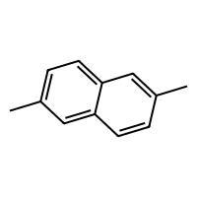
-4.95 | -4.3764476776 | -0.57355232239 | 0.57355232239 | -4.95 | CC(=O)OCCN1CCN(CCCN2c3ccccc3Sc3ccc(cc23)Cl)CC1 | 445.15907582 | 4.5135 | 36.02 | 123.153 | 6 | 0 | 7 | 160 | 0 | 4 | 2 | 1 | 1.3073080351 | 7.2036161039 | 0 | 0.4347826087 | 0 | 0.62761271714 | 0.00049175431313 | 187.98093738 | 26.084770169 | 1 | 152 | 37.623576939 | 53.401406285 | 2143.971 | 168.32288102 | 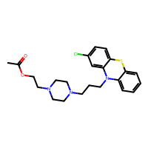
-3.84 | -3.8644723892 | 0.024472389221 | 0.024472389221 | -3.84 | CCCCCC | 86.109550448 | 2.5866 | 0 | 29.816 | 0 | 0 | 0 | 38 | 0 | 0 | 0 | 0 | 2.339092315 | 5 | 0 | 1 | 0 | 0.92592592593 | 0.10545616704 | 39.530760891 | 14.105306405 | 1 | 26 | 19.244709547 | 29.218628875 | 164.26 | 0 | 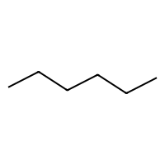
-1.87 | -1.5074510574 | -0.36254894257 | 0.36254894257 | -1.87 | C=CC=C | 54.046950192 | 1.3584 | 0 | 20.394 | 0 | 0 | 0 | 22 | 0 | 0 | 0 | 0 | 2.7320508076 | 2.1576 | 0 | 0 | 0 | 0.859375 | 0.17836862568 | 25.309911581 | 11.179714202 | 1 | 16 | 15.792097394 | 31.212298093 | 94.233 | 0 | 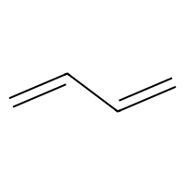
-4.11 | -4.0008430481 | -0.1091569519 | 0.1091569519 | -4.11 | CCOP(=S)(OCC)SCSCC | 260.01282941 | 3.7277 | 18.46 | 68.127 | 5 | 0 | 6 | 80 | 0 | 0 | 0 | 0 | 3.8459343999 | 9.4050821869 | 0 | 1 | 0 | 0.40226699128 | 0.0015921671761 | 94.514212484 | 20.630950357 | 1 | 65 | 30.728814862 | 53.478535539 | 363.325 | 126.91167903 | 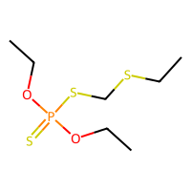
-1.55 | -1.0904794931 | -0.45952050686 | 0.45952050686 | -1.55 | c1ccc(cc1)C(=O)O | 122.03677943 | 1.3848 | 37.3 | 33.4013 | 1 | 1 | 2 | 46 | 1 | 1 | 1 | 0 | 2.981454614 | 1.49171715 | 0 | 0 | 0 | 0.45392550097 | 0.0056320096892 | 51.765656701 | 17.31562755 | 1 | 46 | 26.287422834 | 32.628369884 | 194.272 | 0 | 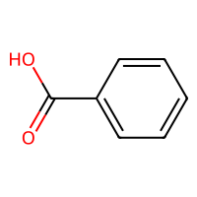
-3.63 | -3.8580031395 | 0.2280031395 | 0.2280031395 | -3.63 | c1cc(ccc1Br)Cl | 189.91848991 | 3.1025 | 0 | 39.152 | 0 | 0 | 2 | 42 | 0 | 1 | 1 | 0 | 3.032455532 | 1.9209560527 | 0 | 0 | 0 | 0.79612005232 | 0.011429787864 | 61.291704892 | 18.349406603 | 1 | 33 | 29.01773886 | 101.53587498 | 177.681 | 0 | 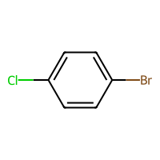
-4.88 | -4.6079010963 | -0.27209890366 | 0.27209890366 | -4.88 | CC(C)N(C(C)C)C(=O)SCC(=C(Cl)Cl)Cl | 303.00181817 | 4.8439 | 20.31 | 74.55 | 2 | 0 | 6 | 94 | 0 | 0 | 0 | 0 | 4.3951021082 | 7.9045915864 | 1 | 0.7 | 0 | 0.60734675366 | 0.001524021734 | 116.55360184 | 22.518920346 | 1 | 72 | 39.84523302 | 53.858071032 | 585.734 | 161.1941917 | 