Sheet1
 | y | y_pred | residuals | abs_residuals | LogS | SMILES | MolWt | MolLogP | TPSA | MolMR | HeavyAtomCount | NumHAcceptors | ValenceElectrons | NOCount | LabuteASA | BalabanJ | Ipc | HallKierAlpha | NumAmideBonds | NumSpiroAtoms | NumBridgeheadAtoms | InertialShapeFactor | SpherocityIndex | Ipc(log) | SlogP_VSA_series | PMI_series | PMI_series(log) | NPR_series | MQNs_ | AUTOCORR2D | AUTOCORR2D(log) | MORSE | MORSE(log) | GETAWAY | GETAWAY(log)
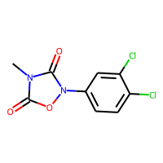 | -2.82 | -2.6294789314 | -0.19052106857 | 0.19052106857 | -2.82 | Cn1c(=O)on(-c2ccc(Cl)c(Cl)c2)c1=O | 259.97554741 | 1.436 | 57.14 | 59.566 | 16 | 5 | 84 | 5 | 99.387940599 | 2.6812561056 | 4622.9778054 | -1.46 | 0 | 0 | 0 | 0.0017725162589 | 0.037380393808 | 8.4390106321 | 99.046165428 | 6227.5588081 | 22.092295873 | 1 | 81 | 498.498 | 135.76247469 | 2104.821 | 0 | 729.048 | 174.04507178
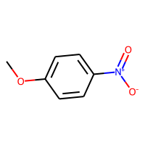 | -2.41 | -2.1311016083 | -0.27889839172 | 0.27889839172 | -2.41 | COc1ccc(cc1)[N+]([O-])=O | 153.04259308 | 1.6034 | 52.37 | 39.6484 | 11 | 3 | 58 | 4 | 63.562866186 | 2.9138015627 | 335.47938979 | -1.58 | 0 | 0 | 0 | 0.0058323094515 | 1.8561726049E-10 | 5.8185371956 | 62.586656194 | 2182.2192149 | 18.851039704 | 1 | 61 | 266.531 | 0 | 1113.667 | 0 | 668.276 | 0
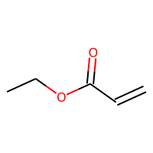 | -0.74 | -0.52246665955 | -0.21753334045 | 0.21753334045 | -0.74 | CCOC(=O)C=C | 100.0524295 | 0.7355 | 26.3 | 26.83 | 7 | 2 | 40 | 2 | 42.784483783 | 3.1728995339 | 31.916635236 | -0.79 | 0 | 0 | 0 | 0.016137753543 | 0.084151664943 | 3.4939811982 | 41.68628038 | 841.17386906 | 15.958460402 | 1 | 35 | 141.467 | 55.888203276 | 312.546 | 0 | 0 | 0
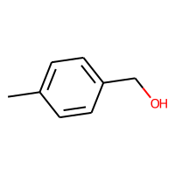 | -1.2 | -1.1802140474 | -0.019785952568 | 0.019785952568 | -1.2 | Cc1ccc(CO)cc1 | 122.07316494 | 1.48732 | 20.23 | 37.1018 | 9 | 1 | 48 | 1 | 54.9555211 | 2.8815558776 | 129.2253387 | -0.82 | 0 | 0 | 0 | 0.0090726037655 | 0.077997364839 | 4.8692670924 | 54.029517816 | 1188.7263779 | 17.15161111 | 1 | 43 | 185.554 | 29.195388849 | 497.116 | 0 | 0 | 0
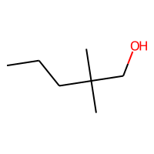 | -1.52 | -1.2565866709 | -0.26341332912 | 0.26341332912 | -1.52 | CCCC(C)(C)CO | 116.12011513 | 1.805 | 20.23 | 35.7748 | 8 | 1 | 50 | 1 | 51.723137466 | 3.3733815526 | 41.815729807 | -0.04 | 0 | 0 | 0 | 0.0086838194598 | 0.49704478212 | 3.7569078895 | 50.741254674 | 892.66522281 | 16.505283709 | 1 | 39 | 88.011 | 3.6338698671 | 228.972 | 0 | 0 | 0
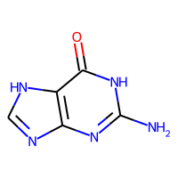 | -4.0045 | -3.4884624481 | -0.51603755188 | 0.51603755188 | -4.0045 | Nc1nc2nc[nH]c2c(=O)[nH]1 | 151.04940978 | -0.7716 | 100.45 | 38.9218 | 11 | 4 | 56 | 6 | 60.482584812 | 3.0243071364 | 514.32503941 | -1.85 | 0 | 0 | 0 | 0.0021733805456 | 9.7736032923E-12 | 6.2447980401 | 59.462922934 | 1595.6507002 | 18.591219795 | 1 | 70 | 233.659 | 70.757423725 | 934.639 | 0 | 0 | 0
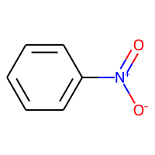 | -1.8 | -1.883584857 | 0.083584856987 | 0.083584856987 | -1.8 | [O-][N+](=O)c1ccccc1 | 123.0320284 | 1.5948 | 43.14 | 33.0964 | 9 | 2 | 46 | 3 | 52.084378842 | 2.981454614 | 129.2253387 | -1.38 | 0 | 0 | 0 | 0.0056487341145 | 4.3490514715E-10 | 4.8692670924 | 51.056850935 | 1139.7398277 | 17.337518469 | 1 | 49 | 155.008 | 0 | 901.531 | 0 | 0 | 0
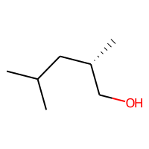 | -1.6 | -1.2858430147 | -0.31415698528 | 0.31415698528 | -1.6 | CC(C)C[C@H](C)CO | 116.12011513 | 1.6609 | 20.23 | 35.7048 | 8 | 1 | 50 | 1 | 51.723137466 | 3.0988280941 | 42.844591407 | -0.04 | 0 | 0 | 0 | 0.0069537294259 | 0.39858610559 | 3.7806536489 | 50.741254674 | 938.04852634 | 16.748870065 | 1 | 39 | 93.658 | 7.0220032519 | 239.566 | 0 | 0 | 0
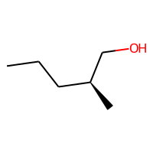 | -1.11 | -0.81999921799 | -0.29000078201 | 0.29000078201 | -1.11 | CCC[C@H](C)CO | 102.10446507 | 1.4149 | 20.23 | 31.1578 | 7 | 1 | 44 | 1 | 45.358195352 | 2.8318199661 | 31.916635236 | -0.04 | 0 | 0 | 0 | 0.010937761884 | 0.10228214454 | 3.4939811982 | 44.320433051 | 827.70274394 | 16.185970037 | 1 | 35 | 80.461 | 1.9748476882 | 175.519 | 0 | 0 | 0
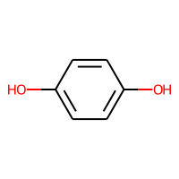 | -0.1695 | 0.3990830183 | -0.5685830183 | 0.5685830183 | -0.1695 | Oc1ccc(O)cc1 | 110.03677943 | 1.0978 | 40.46 | 29.7716 | 8 | 2 | 42 | 2 | 47.019870624 | 3.032455532 | 70.798923761 | -1.18 | 0 | 0 | 0 | 0.01011279454 | 1.5479577684E-12 | 4.2738708793 | 45.97754673 | 900.261 | 16.433036001 | 1 | 43 | 146.451 | 18.711270972 | 428.595 | 0 | 0 | 0
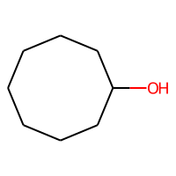 | -1.29 | -1.2723430395 | -0.017656960487 | 0.017656960487 | -1.29 | OC1CCCCCCC1 | 128.12011513 | 2.0916 | 20.23 | 38.3258 | 9 | 1 | 54 | 1 | 57.082248427 | 2.1247885073 | 117.97782152 | -0.04 | 0 | 0 | 0 | 0.0035436984106 | 0.32415039832 | 4.7789379425 | 56.156245143 | 1066.5058737 | 17.361243756 | 1 | 42 | 98.838 | 8.6601590344 | 290.511 | 0 | 0 | 0
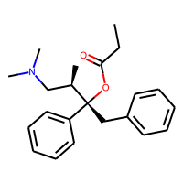 | -4.985 | -4.8047704697 | -0.18022953033 | 0.18022953033 | -4.985 | CCC(=O)O[C@@](Cc1ccccc1)([C@H](C)CN(C)C)c1ccccc1 | 339.21982917 | 4.2755 | 29.54 | 102.367 | 25 | 3 | 134 | 3 | 151.17281947 | 2.5262965181 | 360052.7037 | -2.13 | 0 | 0 | 0 | 0.00045371458136 | 0.28421160479 | 12.794008477 | 151.0393637 | 7630.2313041 | 23.280937559 | 1 | 119 | 846.26 | 145.88856278 | 4145.047 | 0 | 747.339 | 175.67139992
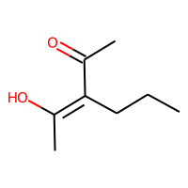 | -0.88 | -1.4361768961 | 0.5561768961 | 0.5561768961 | -0.88 | CCC\C(=C(/C)O)C(C)=O | 142.09937969 | 2.2075 | 37.3 | 40.9178 | 10 | 2 | 58 | 2 | 61.559998649 | 4.2798542592 | 113.90380541 | -0.79 | 0 | 0 | 0 | 0.0027255384091 | 0.25454172622 | 4.7440961739 | 60.629433772 | 1443.7082818 | 18.254377106 | 1 | 50 | 140.933 | 65.465743501 | 438.49 | 0 | 0 | 0
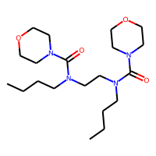 | 0.098 | -1.0466480255 | 1.1446480255 | 1.1446480255 | 0.098 | CCCCN(CCN(CCCC)C(=O)N1CCOCC1)C(=O)N1CCOCC1 | 398.2893057 | 2.095 | 65.56 | 108.538 | 28 | 4 | 162 | 8 | 169.25095823 | 1.9549148388 | 2091325.6824 | -1.54 | 4 | 0 | 0 | 0.00030121333445 | 0.15631091142 | 14.553309199 | 169.04100822 | 13612.389963 | 24.965116046 | 1 | 144 | 543.86 | 148.04560871 | 3559.673 | 0 | 545.821 | 148.56392376
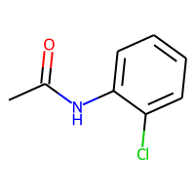 | -1.4 | -2.5013253689 | 1.1013253689 | 1.1013253689 | -1.4 | CC(=O)Nc1ccccc1Cl | 169.02944156 | 2.2984 | 29.1 | 45.7557 | 11 | 1 | 58 | 2 | 70.175937859 | 2.8574541536 | 291.1518278 | -1.02 | 1 | 0 | 0 | 0.0019304262935 | 1.9594134557E-10 | 5.6772739676 | 69.51867047 | 2013.0910709 | 19.253618801 | 1 | 53 | 244.328 | 87.210238148 | 1065.549 | 0 | 0 | 0
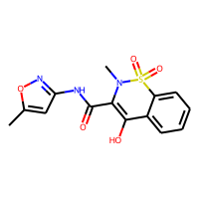 | -5.61 | -4.1712865829 | -1.4387134171 | 1.4387134171 | -5.61 | CN1C(C(=O)Nc2cc(C)on2)=C(O)c2ccccc2S1(=O)=O | 335.05759152 | 1.48242 | 112.74 | 80.8093 | 23 | 6 | 120 | 8 | 131.60933486 | 2.0868272197 | 168046.91473 | -2.81 | 1 | 0 | 0 | 0.0010500843742 | 0.027411957518 | 12.032004425 | 131.34758911 | 9951.4429608 | 23.534984974 | 1 | 127 | 908.119 | 161.12442929 | 4040.502 | 0 | 817.118 | 180.03351332
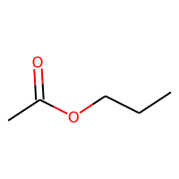 | -0.72 | -0.64601588249 | -0.073984117508 | 0.073984117508 | -0.72 | CCCOC(C)=O | 102.06807956 | 0.9595 | 26.3 | 26.924 | 7 | 2 | 42 | 2 | 43.474086815 | 2.8219389371 | 29.019550009 | -0.53 | 0 | 0 | 0 | 0.015816098452 | 0.37456935198 | 3.4018521675 | 42.375883413 | 925.7190936 | 16.18791884 | 1 | 35 | 134.321 | 58.178454814 | 257.134 | 0 | 0 | 0
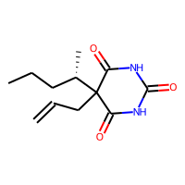 | -2.333 | -2.3429861069 | 0.0099861068726 | 0.0099861068726 | -2.333 | CCC[C@H](C)C1(CC=C)C(=O)NC(=O)NC1=O | 238.13174244 | 1.3511 | 75.27 | 63.0004 | 17 | 3 | 94 | 5 | 100.64247077 | 3.1136488912 | 4566.5379462 | -1.65 | 4 | 0 | 0 | 0.0016961891644 | 0.38729073229 | 8.426729618 | 99.960454305 | 3733.5797257 | 20.897882143 | 1 | 91 | 774.267 | 0 | 1992.182 | 0 | 703.145 | 162.97187604
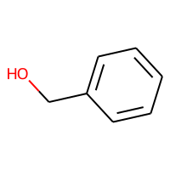 | -0.4 | -0.46051856875 | 0.060518568754 | 0.060518568754 | -0.4 | OCc1ccccc1 | 108.05751488 | 1.1789 | 20.23 | 32.3648 | 8 | 1 | 42 | 1 | 48.590578986 | 2.832085835 | 91.367577279 | -0.82 | 0 | 0 | 0 | 0.0088491005718 | 0.10974511878 | 4.5257771045 | 47.608696193 | 851.53886558 | 16.380883375 | 1 | 39 | 147.167 | 0 | 482.713 | 0 | 0 | 0
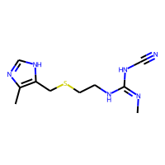 | -1.655 | -1.766649127 | 0.11164912701 | 0.11164912701 | -1.655 | C\N=C(/NCCSCc1[nH]cnc1C)NC#N | 252.11571551 | 0.5974 | 88.89 | 69.5971 | 17 | 4 | 92 | 6 | 104.92554288 | 2.1309410302 | 8399.7099222 | -1.68 | 0 | 0 | 0 | 0.0021818107287 | 0.10450286506 | 9.0360715077 | 104.50747502 | 9458.8189031 | 22.868547813 | 1 | 92 | 437.942 | 130.38169188 | 1915.132 | 0 | 532.477 | 135.58625426
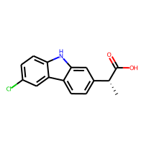 | -4.699 | -4.1556634903 | -0.5433365097 | 0.5433365097 | -4.699 | C[C@@H](C(O)=O)c1ccc2c(c1)[nH]c1ccc(Cl)cc21 | 273.0556563 | 4.1626 | 53.09 | 76.8655 | 19 | 1 | 96 | 3 | 114.35774103 | 2.2432169558 | 29682.384786 | -2 | 0 | 0 | 0 | 0.00214688843 | 0.044019622985 | 10.298342737 | 114.0870686 | 8527.796273 | 22.655135972 | 1 | 101 | 543.417 | 136.66991128 | 2647.001 | 0 | 691.57 | 169.02829162
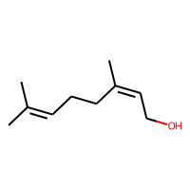 | -2.46 | -2.1551549435 | -0.30484505653 | 0.30484505653 | -2.46 | CC(C)=CCC\C(C)=C/CO | 154.1357652 | 2.6714 | 20.23 | 49.5078 | 11 | 1 | 64 | 1 | 69.438757745 | 3.5443874314 | 203.69506176 | -0.56 | 0 | 0 | 0 | 0.0052584109263 | 0.25522170037 | 5.3215218566 | 68.624513478 | 2929.0493413 | 19.589702462 | 1 | 52 | 196.715 | 51.77401762 | 522.868 | 0 | 250.707 | 105.20127845
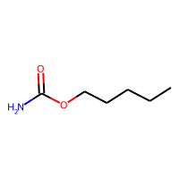 | -1.47 | -1.4118802547 | -0.058119745255 | 0.058119745255 | -1.47 | CCCCCOC(N)=O | 131.09462866 | 1.2719 | 52.32 | 35.0604 | 9 | 2 | 54 | 3 | 55.178919626 | 2.8288681349 | 84.627114131 | -0.73 | 1 | 0 | 0 | 0.015390311369 | 0.046651928998 | 4.4500031547 | 54.151391719 | 2200.8075894 | 18.084180437 | 1 | 50 | 188.142 | 0 | 395.046 | 0 | 375.171 | 113.16191928
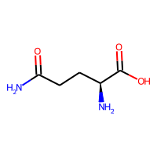 | -0.55 | 0.12386887521 | -0.67386887521 | 0.67386887521 | -0.55 | N[C@@H](CCC(N)=O)C(O)=O | 146.06914218 | -1.3362 | 106.41 | 34.0396 | 10 | 3 | 58 | 5 | 57.996078832 | 3.4907296604 | 111.04175222 | -1.1 | 1 | 0 | 0 | 0.0050608597072 | 0.16816137822 | 4.7188724821 | 56.92290581 | 2124.244156 | 18.889072348 | 1 | 64 | 263.205 | 83.249126622 | 548.76 | 0 | 0 | 0
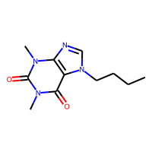 | -1.805 | -1.2118538618 | -0.59314613819 | 0.59314613819 | -1.805 | CCCCn1cnc2n(C)c(=O)n(C)c(=O)c12 | 236.12732575 | 0.2338 | 61.82 | 65.123 | 17 | 6 | 92 | 6 | 98.123783361 | 2.7663397916 | 8945.960659 | -1.85 | 0 | 0 | 0 | 0.0015933610666 | 0.085061924055 | 9.0990691736 | 97.420040956 | 4960.6803434 | 21.6259827 | 1 | 91 | 433.187 | 126.64430938 | 1597.616 | 0 | 477.145 | 142.08923734
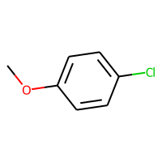 | -2.78 | -2.4686129093 | -0.31138709068 | 0.31138709068 | -2.78 | COc1ccc(Cl)cc1 | 142.01854252 | 2.3486 | 9.23 | 38.004 | 9 | 1 | 48 | 1 | 59.21315669 | 2.8815558776 | 129.2253387 | -0.69 | 0 | 0 | 0 | 0.0094382619338 | 6.7412498289E-12 | 4.8692670924 | 58.485213806 | 1622.568459 | 17.827966623 | 1 | 41 | 164.969 | 0 | 649.575 | 0 | 0 | 0
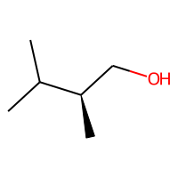 | -0.39 | -0.65432912111 | 0.26432912111 | 0.26432912111 | -0.39 | CC(C)[C@H](C)CO | 102.10446507 | 1.2708 | 20.23 | 31.0878 | 7 | 1 | 44 | 1 | 45.358195352 | 3.1442082074 | 27.977093297 | -0.04 | 0 | 0 | 0 | 0.0086846369756 | 0.25420258302 | 3.3665090825 | 44.320433051 | 685.22171942 | 15.858248319 | 1 | 34 | 73.147 | -2.8722180233 | 188.682 | 0 | 0 | 0
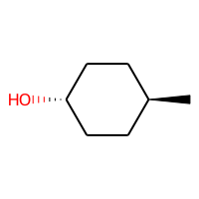 | -0.88 | -1.1604218483 | 0.2804218483 | 0.2804218483 | -0.88 | C[C@H]1CC[C@H](O)CC1 | 114.10446507 | 1.5574 | 20.23 | 33.6388 | 8 | 1 | 48 | 1 | 50.717306313 | 2.192377158 | 70.798923761 | -0.04 | 0 | 0 | 0 | 0.0099119400866 | 0 | 4.2738708793 | 49.73542352 | 825.61642811 | 16.240370205 | 1 | 38 | 94.708 | -2.4118227365 | 246.74 | 0 | 0 | 0
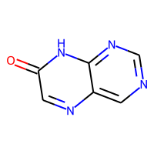 | -2.124 | -2.2676284313 | 0.14362843132 | 0.14362843132 | -2.124 | O=c1cnc2cncnc2[nH]1 | 148.03851075 | -0.2869 | 71.53 | 37.9537 | 11 | 4 | 54 | 5 | 61.153181675 | 2.935350798 | 487.85297312 | -1.78 | 0 | 0 | 0 | 0.0043680568312 | 2.550776373E-12 | 6.1920619804 | 60.174603319 | 1683.7407428 | 18.43184638 | 1 | 63 | 212.072 | 79.182931693 | 1059.876 | 0 | 0 | 0
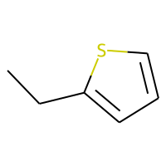 | -2.59 | -2.2564065456 | -0.33359345436 | 0.33359345436 | -2.59 | CCc1cccs1 | 112.03467126 | 2.3105 | 0 | 33.697 | 7 | 1 | 38 | 0 | 47.801650619 | 2.7626083414 | 66.313109827 | -0.3 | 0 | 0 | 0 | 0.0098764456323 | 0.12572949291 | 4.2093565001 | 47.071288802 | 620.29166253 | 15.547159021 | 1 | 30 | 104.496 | 0 | 329.164 | 0 | 0 | 0
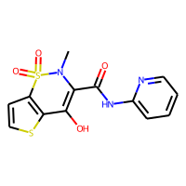 | -3.875 | -4.1869077682 | 0.31190776825 | 0.31190776825 | -3.875 | CN1C(C(=O)Nc2ccccn2)=C(O)c2sccc2S1(=O)=O | 337.01909783 | 1.6425 | 99.6 | 81.6833 | 22 | 6 | 114 | 7 | 130.13907045 | 2.0606667496 | 123740.03282 | -2.39 | 1 | 0 | 0 | 0.0009168863958 | 0.030312454084 | 11.725946217 | 130.12884567 | 9354.3839454 | 23.477841498 | 1 | 120 | 880.347 | 160.17161959 | 3944.52 | 0 | 850.372 | 183.65438026
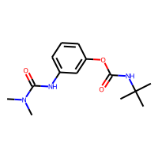 | -2.93 | -2.5784287453 | -0.35157125473 | 0.35157125473 | -2.93 | CN(C)C(=O)Nc1cccc(OC(=O)NC(C)(C)C)c1 | 279.15829153 | 2.667 | 70.67 | 78.0604 | 20 | 3 | 110 | 6 | 118.6470875 | 2.687869436 | 14171.378534 | -2.24 | 3 | 0 | 0 | 0.0011283826592 | 0.073938396019 | 9.5590501827 | 118.09162604 | 8653.1436569 | 23.161217894 | 1 | 102 | 681.215 | 141.01472608 | 2879.385 | 0 | 584.721 | 152.17349929
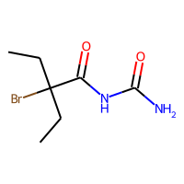 | -2.68 | -2.2712397575 | -0.40876024246 | 0.40876024246 | -2.68 | CCC(Br)(CC)C(=O)NC(N)=O | 236.01603976 | 1.135 | 72.19 | 49.9661 | 12 | 2 | 70 | 4 | 80.009248401 | 4.3183677964 | 298.23068238 | -0.58 | 3 | 0 | 0 | 0.002802836067 | 0.21917018438 | 5.7012151231 | 79.521144728 | 2894.8486879 | 19.996574768 | 1 | 65 | 401.885 | 0 | 960.035 | 0 | 0 | 0
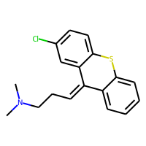 | -6.308 | -4.7244753838 | -1.5835246162 | 1.5835246162 | -6.308 | CN(C)CC\C=C1\c2ccccc2Sc2ccc(Cl)cc12 | 315.08484826 | 5.188 | 3.24 | 92.267 | 21 | 2 | 108 | 1 | 135.16892575 | 2.0628909751 | 72649.159941 | -1.22 | 0 | 0 | 0 | 0.00049703888027 | 0.052540899582 | 11.193410872 | 135.37785393 | 8072.401531 | 23.405438103 | 1 | 100 | 548.297 | 143.00974788 | 2861.561 | 0 | 641.749 | 162.89092598
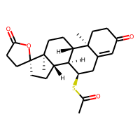 | -4.173 | -4.5454640388 | 0.37246403885 | 0.37246403885 | -4.173 | CC(=O)S[C@@H]1CC2=CC(=O)CC[C@]2(C)[C@H]2CC[C@@]3(C)[C@@H](CC[C@@]33CCC(=O)O3)[C@H]12 | 416.2021305 | 4.8523 | 60.44 | 112.21 | 29 | 5 | 158 | 4 | 177.13538241 | 1.5572210087 | 4382705.7378 | -1.1 | 0 | 1 | 0 | 0.00035644455673 | 0.17339086815 | 15.293177068 | 177.39260538 | 12809.7668 | 24.743318603 | 1 | 148 | 727.968 | 153.80526324 | 4394.641 | 0 | 711.621 | 170.54133336
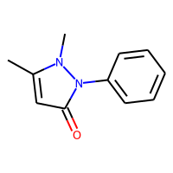 | 0.48 | -1.25639534 | 1.73639534 | 1.73639534 | 0.48 | Cc1cc(=O)n(-c2ccccc2)n1C | 188.094963 | 1.48442 | 26.93 | 55.747 | 14 | 3 | 72 | 3 | 82.197108598 | 2.6880057867 | 2116.423894 | -1.77 | 0 | 0 | 0 | 0.0021071358699 | 0.14273036017 | 7.6579555317 | 81.468335812 | 2702.5047372 | 19.982576397 | 1 | 67 | 335.24 | 99.799062272 | 1426.505 | 0 | 585.394 | 0
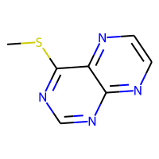 | -2.365 | -1.425349474 | -0.93965052605 | 0.93965052605 | -2.365 | CSc1ncnc2nccnc12 | 178.03131719 | 1.1417 | 51.56 | 46.909 | 12 | 5 | 60 | 4 | 73.479711715 | 2.7909670297 | 902.11384951 | -1.23 | 0 | 0 | 0 | 0.0019950583679 | 0.082350298892 | 6.8058487354 | 72.864413352 | 2076.7640884 | 19.325518887 | 1 | 63 | 185.55 | 0 | 951.288 | 0 | 0 | 0
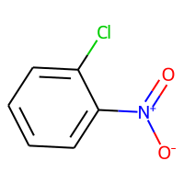 | -2.55 | -2.6002788544 | 0.05027885437 | 0.05027885437 | -2.55 | [O-][N+](=O)c1ccccc1Cl | 156.99305605 | 2.2482 | 43.14 | 38.1064 | 10 | 2 | 52 | 3 | 62.387645069 | 3.1529414467 | 182.23821927 | -1.09 | 0 | 0 | 0 | 0.0018149400816 | 0.043630631331 | 5.2107875967 | 61.61405707 | 1508.7206529 | 18.473493227 | 1 | 53 | 184.488 | 0 | 1041.801 | 0 | 0 | 0
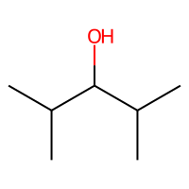 | -1.13725 | -1.0250877142 | -0.1121622858 | 0.1121622858 | -1.13725 | CC(C)C(O)C(C)C | 116.12011513 | 1.6593 | 20.23 | 35.6828 | 8 | 1 | 50 | 1 | 51.723137466 | 3.4642268472 | 39.368065554 | -0.04 | 0 | 0 | 0 | 0.0041993305863 | 0.43554713262 | 3.698041493 | 50.741254674 | 782.51390157 | 16.474173646 | 1 | 38 | 76.283 | 41.388763488 | 255.658 | 0 | 0 | 0
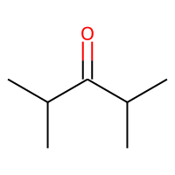 | -1.3 | -1.1710478067 | -0.12895219326 | 0.12895219326 | -1.3 | CC(C)C(=O)C(C)C | 114.10446507 | 1.8675 | 17.07 | 34.683 | 8 | 1 | 48 | 1 | 51.090425814 | 3.6512335789 | 39.368065554 | -0.33 | 0 | 0 | 0 | 0.0041993305863 | 0.36100183717 | 3.698041493 | 50.108543022 | 782.51390157 | 16.474173646 | 1 | 36 | 106.005 | 45.558523292 | 316.512 | 0 | 0 | 0
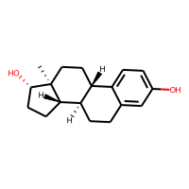 | -4.845 | -4.6526608467 | -0.19233915329 | 0.19233915329 | -4.845 | C[C@]12CC[C@H]3[C@@H](CCc4cc(O)ccc34)[C@@H]1CC[C@@H]2O | 272.17763001 | 3.6092 | 40.46 | 78.7306 | 20 | 2 | 108 | 2 | 120.38168254 | 1.7111998765 | 62569.188964 | -1.02 | 0 | 0 | 0 | 0.0020426096418 | 0.11714312508 | 11.044044231 | 120.00991274 | 6579.7058267 | 22.116263364 | 1 | 106 | 314.121 | 118.70459194 | 1837.142 | 0 | 442.703 | 142.5254755
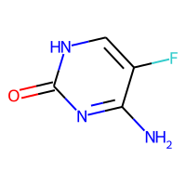 | -0.959 | -0.97918331623 | 0.020183316231 | 0.020183316231 | -0.959 | Nc1nc(=O)[nH]cc1F | 129.03383997 | -0.5088 | 71.77 | 29.2281 | 9 | 3 | 48 | 4 | 49.537647281 | 3.336092887 | 104.20091931 | -1.39 | 0 | 0 | 0 | 0.00444174839 | 8.9872394099E-12 | 4.6558729895 | 48.40824734 | 1191.4844527 | 17.565277631 | 1 | 51 | 256.902 | 0 | 738.186 | 0 | 0 | 0
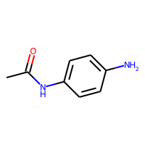 | -0.98 | -1.6332988739 | 0.6532988739 | 0.6532988739 | -0.98 | CC(=O)Nc1ccc(N)cc1 | 150.07931294 | 1.2272 | 55.12 | 45.1581 | 11 | 2 | 58 | 3 | 65.212562329 | 2.7362980721 | 285.51074053 | -1.51 | 1 | 0 | 0 | 0.0061032996994 | 5.2232766585E-10 | 5.6577763732 | 64.316151017 | 1990.0738073 | 18.608879175 | 1 | 58 | 288.408 | 99.152264189 | 946.979 | 0 | 537.679 | 0
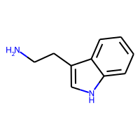 | -3.301029996 | -1.8365852833 | -1.4644447127 | 1.4644447127 | -3.301029996 | NCCc1c[nH]c2ccccc12 | 160.10004838 | 1.6691 | 41.81 | 51.0571 | 12 | 1 | 62 | 2 | 71.392002998 | 2.5484054472 | 1058.2687598 | -1.28 | 0 | 0 | 0 | 0.0038125388584 | 0.16767719247 | 6.9653341942 | 70.611912296 | 2238.8201595 | 19.196234775 | 1 | 65 | 283.363 | 0 | 974.796 | 0 | 508.23 | 138.38289368
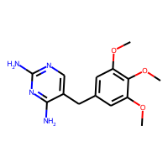 | -2.87 | -2.4083149433 | -0.46168505669 | 0.46168505669 | -2.87 | COc1cc(Cc2cnc(N)nc2N)cc(OC)c1OC | 290.13789044 | 1.2576 | 105.51 | 79.7608 | 21 | 7 | 112 | 7 | 122.40797883 | 2.3975621374 | 52230.227379 | -2.7 | 0 | 0 | 0 | 0.00095131458823 | 0.13307599474 | 10.863435823 | 121.86731335 | 8424.765665 | 23.20539706 | 1 | 115 | 437.917 | 139.63257848 | 2388.375 | 0 | 480.124 | 144.73407116
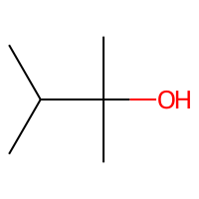 | -0.41 | -0.39012420177 | -0.019875798225 | 0.019875798225 | -0.41 | CC(C)C(C)(C)O | 102.10446507 | 1.4133 | 20.23 | 31.1358 | 7 | 1 | 44 | 1 | 45.358195352 | 3.5411969651 | 17.086166327 | -0.04 | 0 | 0 | 0 | 0.0066195059611 | 0.4925141836 | 2.8951528838 | 44.320433051 | 505.96874527 | 15.16870828 | 1 | 33 | 54.423 | 30.520415695 | 191.144 | 0 | 0 | 0
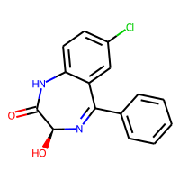 | -3.952 | -3.4484291077 | -0.50357089233 | 0.50357089233 | -3.952 | O[C@@H]1N=C(c2ccccc2)c2cc(Cl)ccc2NC1=O | 286.05090527 | 2.4479 | 61.69 | 78.1695 | 20 | 3 | 100 | 4 | 120.28169926 | 2.2315864555 | 48535.896584 | -2.17 | 1 | 0 | 0 | 0.00043136155836 | 0.13331864015 | 10.790079544 | 120.02582283 | 6604.6722649 | 22.89127832 | 1 | 103 | 541.987 | 139.79513969 | 3277.922 | 0 | 796.916 | 175.74563684
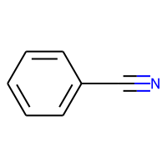 | -1 | -1.6077071428 | 0.60770714283 | 0.60770714283 | -1 | N#Cc1ccccc1 | 103.04219916 | 1.55828 | 23.79 | 31.157 | 8 | 1 | 38 | 1 | 48.188924915 | 3.0493889082 | 91.367577279 | -1.29 | 0 | 0 | 0 | 0.010130925843 | 4.1708254787E-06 | 4.5257771045 | 47.226399702 | 907.6688968 | 16.451172239 | 1 | 35 | 121.964 | 13.11225442 | 624.71 | 0 | 0 | 0
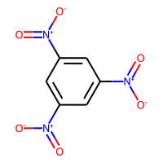 | -2.89 | -2.891078949 | 0.0010789489746 | 0.0010789489746 | -2.89 | [O-][N+](=O)c1cc(cc(c1)[N+]([O-])=O)[N+]([O-])=O | 213.00218482 | 1.4112 | 129.42 | 46.4052 | 15 | 6 | 78 | 9 | 81.390330287 | 3.3873800755 | 1695.9998622 | -2.58 | 0 | 0 | 0 | 0.00048727173147 | 4.0137479269E-10 | 7.4366172429 | 80.374147982 | 4104.486 | 21.496206791 | 1 | 97 | 637.253 | 99.578246011 | 2682.388 | 0 | 0 | 0
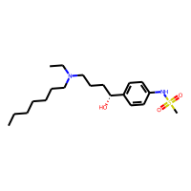 | -1.81 | -3.5792341232 | 1.7692341232 | 1.7692341232 | -1.81 | CCCCCCCN(CC)CCC[C@@H](O)c1ccc(NS(C)(=O)=O)cc1 | 384.24466401 | 4.164 | 69.64 | 109.9753 | 26 | 4 | 150 | 5 | 159.40529822 | 2.3224081976 | 365747.77474 | -1.11 | 0 | 0 | 0 | 0.00097177405702 | 0.17186393516 | 12.809701969 | 159.47315672 | 28161.399934 | 25.901627616 | 1 | 136 | 690.361 | 145.97286538 | 3712.451 | 0 | 594.582 | 150.06872577
 | -2.689 | -2.7628309727 | 0.073830972672 | 0.073830972672 | -2.689 | NS(=O)(=O)c1cc2c(NCNS2(=O)=O)cc1Cl | 296.96447542 | -0.3513 | 118.36 | 61.6364 | 17 | 5 | 94 | 7 | 103.05494716 | 2.790493724 | 4303.8575209 | -0.87 | 0 | 0 | 0 | 0.001167531583 | 0.12776378121 | 8.3674993434 | 102.96338524 | 5172.3445397 | 21.899043285 | 1 | 100 | 830.614 | 0 | 2716.922 | 0 | 879.865 | 0
 | -2.432 | -2.1671690941 | -0.26483090591 | 0.26483090591 | -2.432 | Nc1ncnc2nc[nH]c12 | 135.05449516 | -0.0649 | 80.48 | 36.0961 | 10 | 4 | 50 | 5 | 56.321062712 | 2.9500903053 | 372.42214004 | -1.65 | 0 | 0 | 0 | 0.0026657741109 | 7.0754483763E-13 | 5.9227097902 | 55.305962427 | 1169.6932841 | 17.687727889 | 1 | 61 | 138.782 | 56.401822942 | 695.956 | 0 | 0 | 0
 | -3.92 | -3.9225087166 | 0.0025087165833 | 0.0025087165833 | -3.92 | CNCC[C@H](Oc1ccc(cc1)C(F)(F)F)c1ccccc1 | 309.13404886 | 4.435 | 21.26 | 79.7987 | 22 | 2 | 118 | 2 | 127.47322152 | 2.1304560501 | 84553.517706 | -2.01 | 0 | 0 | 0 | 0.001208839269 | 0.12416001686 | 11.345151786 | 126.99213005 | 9434.3464058 | 23.314743515 | 1 | 104 | 693.166 | 145.90614147 | 4574.579 | 0 | 945.545 | 175.88517108
 | -0.66 | -0.95357358456 | 0.29357358456 | 0.29357358456 | -0.66 | CCCOCC | 88.088815004 | 1.4329 | 9.23 | 26.784 | 6 | 1 | 38 | 1 | 39.312564715 | 2.339092315 | 20.986300857 | -0.04 | 0 | 0 | 0 | 0.10056895553 | 0.048296284443 | 3.0904241194 | 38.218922905 | 733.91949397 | 14.157760376 | 1 | 29 | 67.205 | 39.696401606 | 139.674 | 0 | 0 | 0
 | 0.22 | -0.077848158777 | 0.29784815878 | 0.29784815878 | 0.22 | C\C(O)=C\C(C)=O | 100.0524295 | 1.0372 | 37.3 | 27.0668 | 7 | 2 | 40 | 2 | 42.465172305 | 3.679228032 | 19.09358393 | -0.79 | 0 | 0 | 0 | 0.0085248450277 | 1.9906729757E-11 | 3.0004055333 | 41.366968903 | 688.33649386 | 15.87860352 | 1 | 36 | 129.834 | 50.812975357 | 282.669 | 0 | 0 | 0
 | -3.434 | -3.1594703197 | -0.27452968025 | 0.27452968025 | -3.434 | C[C@]12C[C@H](O)[C@@]3(F)[C@@H](CCC4=CC(=O)CC[C@]34C)[C@@H]1CC[C@]2(O)C(=O)CO | 380.19990225 | 1.8737 | 94.83 | 95.4914 | 27 | 5 | 150 | 5 | 158.19644653 | 1.7976551043 | 1033877.2036 | -1.11 | 0 | 0 | 0 | 0.0013097229107 | 0.27569972296 | 13.848827536 | 157.9543639 | 11261.507968 | 23.657483229 | 1 | 147 | 761.38 | 158.63017786 | 3724.31 | 0 | 600.063 | 161.8107496
 | -6.137 | -5.9380850792 | -0.19891492081 | 0.19891492081 | -6.137 | OC(=O)c1cc(ccc1O)\N=N\c1ccc(cc1)S(=O)(=O)Nc1ccccn1 | 398.06849055 | 3.7016 | 141.31 | 100.7296 | 28 | 7 | 142 | 9 | 159.63758715 | 1.7658464965 | 1798099.9738 | -3.79 | 0 | 0 | 0 | 0.00084300712836 | 0.076271364072 | 14.402241651 | 159.61415542 | 25606.578811 | 25.817321508 | 1 | 152 | 724.215 | 157.35768795 | 6777.839 | 0 | 906.342 | 174.33092817
 | -1.696 | -1.9326732159 | 0.23667321587 | 0.23667321587 | -1.696 | NC[C@@H](CC(O)=O)c1ccc(Cl)cc1 | 213.0556563 | 1.857 | 63.32 | 55.5002 | 14 | 2 | 76 | 3 | 87.490084353 | 2.7829771877 | 1291.5977247 | -1.06 | 0 | 0 | 0 | 0.0035678519487 | 0.07437153234 | 7.16440929 | 86.940014389 | 4758.2046036 | 20.966876992 | 1 | 74 | 413.977 | 0 | 1340.595 | 0 | 494.137 | 149.4491274
 | -5.454 | -5.1826553345 | -0.27134466553 | 0.27134466553 | -5.454 | Cc1cnc(cn1)C(=O)NCCc1ccc(cc1)S(=O)(=O)NC(=O)NC1CCCCC1 | 445.17837534 | 2.07812 | 130.15 | 114.9744 | 31 | 6 | 166 | 9 | 181.66973204 | 1.480862253 | 7718338.4114 | -3.01 | 3 | 0 | 0 | 0.000703485354 | 0.035452902794 | 15.859109797 | 181.83329641 | 36079.421608 | 26.709303912 | 1 | 164 | 1214.897 | 164.46184444 | 7316.468 | 0 | 840.679 | 171.91403975
 | -2.598 | -3.5733032227 | 0.97530322266 | 0.97530322266 | -2.598 | COc1ccc(cc1)[C@@](O)(C1CC1)c1cncnc1 | 256.12117775 | 2.1311 | 55.24 | 70.7488 | 19 | 4 | 98 | 4 | 111.65445169 | 2.0457220869 | 60301.395246 | -1.94 | 0 | 0 | 0 | 0.0010283806517 | 0.17269341768 | 11.007127106 | 111.14463534 | 4981.8954681 | 21.863848833 | 1 | 97 | 450.932 | 131.33237926 | 2281.759 | 0 | 557.908 | 153.12381524
 | 0.0205 | -0.33537897468 | 0.35587897468 | 0.35587897468 | 0.0205 | c1cnc2ncncc2n1 | 132.04359613 | 0.4198 | 51.56 | 35.128 | 10 | 4 | 48 | 4 | 56.991659575 | 2.8880516017 | 348.57046184 | -1.58 | 0 | 0 | 0 | 0.004438038427 | 3.9110706412E-12 | 5.856705435 | 56.017642812 | 1184.2217897 | 17.550098661 | 1 | 54 | 125.389 | 62.449044561 | 786.169 | 0 | 0 | 0
 | -2.453 | -1.9751226902 | -0.4778773098 | 0.4778773098 | -2.453 | O=c1nc[nH]c2n[nH]cc12 | 136.03851075 | -0.3538 | 74.43 | 34.5094 | 10 | 3 | 50 | 5 | 55.111147684 | 3.09291205 | 372.42214004 | -1.65 | 0 | 0 | 0 | 0.0026150386395 | 9.1104207417E-11 | 5.9227097902 | 54.076689819 | 1214.6800287 | 17.796517163 | 1 | 61 | 179.222 | 58.854742808 | 918.029 | 0 | 0 | 0
 | -2.313 | -1.8158557415 | -0.4971442585 | 0.4971442585 | -2.313 | Nc1ncnc2nccnc12 | 147.05449516 | 0.002 | 77.58 | 39.5404 | 11 | 5 | 54 | 5 | 62.331550272 | 2.9131611636 | 505.76373456 | -1.78 | 0 | 0 | 0 | 0.0023998205793 | 3.4996900061E-12 | 6.2280450855 | 61.372329495 | 1454.5658508 | 18.312387078 | 1 | 63 | 154.822 | 68.399164804 | 804.996 | 0 | 0 | 0
 | -1.93 | -2.3828680515 | 0.45286805153 | 0.45286805153 | -1.93 | CC(C)NC[C@H](O)COc1ccc(COCCOC(C)C)cc1 | 325.22530847 | 2.3659 | 59.95 | 91.8265 | 23 | 5 | 132 | 5 | 139.49544012 | 2.1971600403 | 97254.297524 | -1.14 | 0 | 0 | 0 | 0.0030812373202 | 0.088072011244 | 11.485094734 | 139.12934313 | 23356.665621 | 24.46191813 | 1 | 123 | 482.148 | 135.6181102 | 2890.197 | 0 | 492.787 | 140.5583315
 | -1.96 | -2.2028210163 | 0.24282101631 | 0.24282101631 | -1.96 | Nc1ccccc1[N+]([O-])=O | 138.04292743 | 1.177 | 69.16 | 37.5088 | 10 | 3 | 52 | 4 | 57.424269539 | 3.1529414467 | 182.23821927 | -1.58 | 0 | 0 | 0 | 0.0030279171274 | 0.042531336845 | 5.2107875967 | 56.411537618 | 1309.1898885 | 17.959325577 | 1 | 58 | 225.114 | 0 | 907.104 | 0 | 0 | 0
 | -2.25 | -2.3989300728 | 0.14893007278 | 0.14893007278 | -2.25 | CCCCCOC(=O)CC | 144.11502975 | 2.1298 | 26.3 | 40.775 | 10 | 2 | 60 | 2 | 62.568913158 | 2.9617756062 | 160.01692703 | -0.53 | 0 | 0 | 0 | 0.015873960634 | 3.2843268066E-10 | 5.0815101174 | 61.638348281 | 2754.5574042 | 18.527304639 | 1 | 50 | 205.266 | 93.162599989 | 470.891 | 0 | 376.645 | 119.38405877
 | 0.54 | 0.076281309128 | 0.46371869087 | 0.46371869087 | 0.54 | CO[P@@](=O)(NC(C)=O)SC | 183.01190081 | 1.24 | 55.4 | 41.9472 | 10 | 4 | 60 | 4 | 63.963181067 | 4.0741188846 | 111.99670435 | 0.01 | 1 | 0 | 0 | 0.001901829272 | 0.30911586047 | 4.7273595383 | 63.270254943 | 1295.5598613 | 18.03127373 | 1 | 55 | 318.746 | 81.702601566 | 778.615 | 0 | 0 | 0
 | -5.25 | -4.7763967514 | -0.4736032486 | 0.4736032486 | -5.25 | CN(CCOc1ccc(C[C@H]2SC(=O)NC2=O)cc1)c1ccccn1 | 357.11471247 | 2.4909 | 71.53 | 98.0657 | 25 | 6 | 130 | 6 | 150.12630426 | 1.4618097017 | 630076.07943 | -2.54 | 2 | 0 | 0 | 0.0012410061266 | 0.12976025647 | 13.353597439 | 150.09719973 | 18517.273346 | 24.793128402 | 1 | 129 | 657.532 | 146.95685671 | 4782.359 | 0 | 793.259 | 168.76868143
 | -2.24 | -3.366546154 | 1.126546154 | 1.126546154 | -2.24 | COc1cccc(c1)[C@@]1(O)CCCC[C@@H]1CN(C)C | 263.18852904 | 2.6346 | 32.7 | 77.4028 | 19 | 3 | 106 | 3 | 115.74260576 | 2.2975939053 | 19617.522536 | -1.06 | 0 | 0 | 0 | 0.0015855778732 | 0.099551808751 | 9.8842294314 | 115.27387294 | 5834.4584488 | 22.014820332 | 1 | 93 | 384.794 | 126.37987576 | 1768.641 | 0 | 450.402 | 142.53010169
 | -0.46 | -0.79864758253 | 0.33864758253 | 0.33864758253 | -0.46 | COC(=O)c1cccnc1 | 137.04767846 | 0.8682 | 39.19 | 35.5765 | 10 | 3 | 52 | 3 | 58.656002659 | 2.8526279288 | 237.58741731 | -1.38 | 0 | 0 | 0 | 0.0054041077314 | 9.995439101E-11 | 5.4747361919 | 57.68435426 | 1529.5485469 | 18.075995193 | 1 | 50 | 181.797 | 73.990220651 | 840.155 | 0 | 0 | 0
 | -0.88 | -0.54076457024 | -0.33923542976 | 0.33923542976 | -0.88 | OC1CCCCCC1 | 114.10446507 | 1.7015 | 20.23 | 33.7088 | 8 | 1 | 48 | 1 | 50.717306313 | 2.1659635855 | 85.398652129 | -0.04 | 0 | 0 | 0 | 0.0054057633222 | 0.52765596277 | 4.4589732328 | 49.73542352 | 782.65365918 | 16.399392798 | 1 | 38 | 77.901 | -1.5676622183 | 236.656 | 0 | 0 | 0
 | -8.7585 | -5.7437109947 | -3.0147890053 | 3.0147890053 | -8.7585 | CC(C)(C)NC(=O)[C@H]1CC[C@H]2[C@@H]3CC=C4C=C(CC[C@]4(C)[C@H]3CC[C@]12C)C(O)=O | 399.27734404 | 5.101 | 66.4 | 114.1905 | 29 | 2 | 160 | 4 | 174.76247123 | 1.600582646 | 2464987.4109 | -1.58 | 1 | 0 | 0 | 0.0013410464849 | 0.076875710474 | 14.717697664 | 174.79209239 | 17772.562244 | 24.639362136 | 1 | 149 | 611.876 | 140.36135643 | 4204.952 | 0 | 641.616 | 164.59647734
 | -4.3125 | -4.4106216431 | 0.098121643066 | 0.098121643066 | -4.3125 | CN(C)CCCN1c2ccccc2CCc2ccccc12 | 280.19394877 | 3.875 | 6.48 | 90.469 | 21 | 2 | 110 | 2 | 127.55692831 | 1.9460857282 | 89136.522508 | -1.8 | 0 | 0 | 0 | 0.00063864496533 | 0.041976804468 | 11.397935654 | 127.27975319 | 6680.3771248 | 22.816538604 | 1 | 103 | 532.887 | 132.31646059 | 2556.748 | 0 | 592.384 | 154.89255017
 | -1.92 | -1.7653731108 | -0.15462688923 | 0.15462688923 | -1.92 | CCCOC(=O)CCC | 130.09937969 | 1.7397 | 26.3 | 36.158 | 9 | 2 | 54 | 2 | 56.203971044 | 3.0613168394 | 90.44046466 | -0.53 | 0 | 0 | 0 | 0.014716027021 | 0.24476821769 | 4.5156891947 | 55.217526658 | 1845.0161282 | 17.748784309 | 1 | 45 | 176.709 | 77.123746463 | 387.775 | 0 | 360.597 | 0
 | -1.92 | -1.4861297607 | -0.43387023926 | 0.43387023926 | -1.92 | CC(C)CCOC(C)=O | 130.09937969 | 1.5956 | 26.3 | 36.088 | 9 | 2 | 54 | 2 | 56.203971044 | 3.0061050301 | 65.146951031 | -0.53 | 0 | 0 | 0 | 0.0096950017066 | 0.2975280853 | 4.1918803095 | 55.217526658 | 1706.8989928 | 17.919820772 | 1 | 44 | 171.852 | 73.460253332 | 405.275 | 0 | 0 | 0
 | -4.7 | -5.0793433189 | 0.37934331894 | 0.37934331894 | -4.7 | O[C@@](CCN1CCCC1)(C1CCCCC1)c1ccccc1 | 287.22491455 | 3.9404 | 23.47 | 87.2048 | 21 | 2 | 116 | 2 | 128.71805572 | 1.7530078069 | 128998.60319 | -0.86 | 0 | 0 | 0 | 0.0012100314945 | 0.23781721903 | 11.767564608 | 128.42152302 | 6234.1861845 | 22.338332766 | 1 | 101 | 433.124 | 127.20377572 | 2074.615 | 0 | 494.424 | 150.31851897
 | -2.46 | -2.4554729462 | -0.004527053833 | 0.004527053833 | -2.46 | CCCCCCOC(C)=O | 144.11502975 | 2.1298 | 26.3 | 40.775 | 10 | 2 | 60 | 2 | 62.568913158 | 2.8385891218 | 142.19516057 | -0.53 | 0 | 0 | 0 | 0.015901724156 | 0.17496168161 | 4.9642091574 | 61.638348281 | 3024.5074095 | 18.720331145 | 1 | 50 | 213.401 | 96.484994577 | 471.199 | 0 | 389.26 | 119.40310152
 | -1.618 | -2.1983704567 | 0.5803704567 | 0.5803704567 | -1.618 | c1cnc2c(c1)ccc1cccnc21 | 180.06874826 | 2.783 | 25.78 | 57.044 | 14 | 2 | 66 | 2 | 81.234028145 | 2.6103186874 | 3408.8077628 | -1.96 | 0 | 0 | 0 | 0.0023895732012 | 6.7322921549E-12 | 8.1344112235 | 80.56569646 | 2452.6433289 | 19.678090463 | 1 | 71 | 224.933 | 90.123025972 | 1563.853 | 0 | 628.721 | 0
 | -1.67 | -1.8181363344 | 0.14813633442 | 0.14813633442 | -1.67 | CC(=O)OC1CCCCC1 | 142.09937969 | 1.8822 | 26.3 | 38.639 | 10 | 2 | 58 | 2 | 61.563082005 | 2.1919163912 | 195.62546202 | -0.53 | 0 | 0 | 0 | 0.0060985481407 | 0.076890235519 | 5.2813012197 | 60.632517128 | 1464.1404664 | 17.897704461 | 1 | 48 | 183.508 | 76.551419131 | 485.671 | 0 | 0 | 0
 | -1.91 | -2.5824205875 | 0.67242058754 | 0.67242058754 | -1.91 | CC(=O)Nc1ccccc1[N+]([O-])=O | 180.05349212 | 1.5532 | 72.24 | 47.4001 | 13 | 3 | 68 | 5 | 74.525647354 | 3.0435273546 | 729.68075288 | -1.91 | 1 | 0 | 0 | 0.0013452307613 | 0.019522229131 | 6.5939767746 | 73.620112858 | 2463.0294306 | 19.902930825 | 1 | 73 | 375.976 | 99.505100645 | 1646.236 | 0 | 0 | 0
 | -2.63 | -1.7874059677 | -0.84259403229 | 0.84259403229 | -2.63 | [O-][N+](=O)O[C@@H]1CO[C@@H]2[C@H](CO[C@H]12)O[N+]([O-])=O | 236.02806522 | -1.0622 | 123.2 | 43.2148 | 16 | 8 | 90 | 10 | 88.220508655 | 1.948118235 | 5167.713715 | -1.68 | 0 | 0 | 0 | 0.0024550452492 | 0 | 8.550379158 | 87.180407178 | 4799.5766811 | 21.266101406 | 1 | 108 | 504.818 | 0 | 2308.29 | 0 | 739.685 | 161.77257768
 | -4.217 | -5.2516722679 | 1.0346722679 | 1.0346722679 | -4.217 | C[C@]12CC[C@H]3[C@@H](CCc4cc(O)ccc34)[C@@H]1CC[C@@]2(O)C#C | 296.17763001 | 3.6126 | 40.46 | 86.5066 | 22 | 2 | 116 | 2 | 132.11079216 | 1.7217049645 | 148000.49097 | -1.46 | 0 | 0 | 0 | 0.0019854340574 | 0.19698303618 | 11.904977627 | 131.85078138 | 8242.4921114 | 22.641875326 | 1 | 114 | 337.801 | 123.73762627 | 2194.849 | 0 | 480.891 | 147.67173001
 | -0.143 | -1.7894074917 | 1.6464074917 | 1.6464074917 | -0.143 | Cn1nnnc1SCC1=C(N2[C@H](SC1)[C@H](NC(=O)[C@H](O)c1ccccc1)C2=O)C(O)=O | 462.07800968 | -0.2256 | 150.54 | 110.6083 | 31 | 10 | 162 | 11 | 184.41398151 | 1.4610850555 | 11036106.907 | -2.9 | 2 | 0 | 0 | 0.00084297213602 | 0.28997162416 | 16.216682992 | 184.72298064 | 28269.770063 | 26.031261107 | 1 | 174 | 1019.039 | 175.99096388 | 6585.866 | 0 | 855.059 | 179.90850264

