Sheet1
y | y_pred | residuals | abs_residuals | LogS | SMILES | MolWt | MolLogP | TPSA | MolMR | HeavyAtomCount | NumHAcceptors | ValenceElectrons | NOCount | LabuteASA | BalabanJ | Ipc | HallKierAlpha | NumAmideBonds | NumSpiroAtoms | NumBridgeheadAtoms | InertialShapeFactor | SpherocityIndex | SlogP_VSA_series | PMI_series | NPR_series | MQNs_ | AUTOCORR2D | MORSE | GETAWAY | image
-2.82 | -2.6294782162 | -0.19052178383 | 0.19052178383 | -2.82 | Cn1c(=O)on(-c2ccc(Cl)c(Cl)c2)c1=O | 259.97554741 | 1.436 | 57.14 | 59.566 | 16 | 5 | 84 | 5 | 99.387940599 | 2.6812561056 | 8.4390106321 | -1.46 | 0 | 0 | 0 | 0.0017725162589 | 0.13596606008 | 99.046165428 | 22.092295873 | 1 | 81 | 135.76247469 | 0 | 174.04507178 | 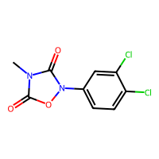
-2.41 | -2.126496315 | -0.283503685 | 0.283503685 | -2.41 | COc1ccc(cc1)[N+]([O-])=O | 153.04259308 | 1.6034 | 52.37 | 39.6484 | 11 | 3 | 58 | 4 | 63.562866186 | 2.9138015627 | 5.8185371956 | -1.58 | 0 | 0 | 0 | 0.0058323094515 | 9.0878005065E-10 | 62.586656194 | 18.851039704 | 1 | 61 | 0 | 0 | 150.13600176 | 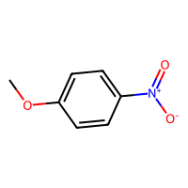
-0.74 | -0.53230756521 | -0.20769243479 | 0.20769243479 | -0.74 | CCOC(=O)C=C | 100.0524295 | 0.7355 | 26.3 | 26.83 | 7 | 2 | 40 | 2 | 42.784483783 | 3.1728995339 | 3.4939811982 | -0.79 | 0 | 0 | 0 | 0.016137753543 | 1.8619318032E-12 | 41.68628038 | 15.958460402 | 1 | 35 | 55.888203276 | 0 | 0 | 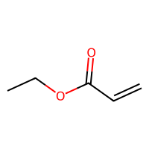
-1.2 | -1.1822228432 | -0.01777715683 | 0.01777715683 | -1.2 | Cc1ccc(CO)cc1 | 122.07316494 | 1.48732 | 20.23 | 37.1018 | 9 | 1 | 48 | 1 | 54.9555211 | 2.8815558776 | 4.8692670924 | -0.82 | 0 | 0 | 0 | 0.0090726037655 | 0.080150788202 | 54.029517816 | 17.15161111 | 1 | 43 | 29.195388849 | 0 | 120.98398523 | 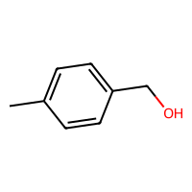
-1.52 | -1.2978469133 | -0.22215308666 | 0.22215308666 | -1.52 | CCCC(C)(C)CO | 116.12011513 | 1.805 | 20.23 | 35.7748 | 8 | 1 | 50 | 1 | 51.723137466 | 3.3733815526 | 3.7569078895 | -0.04 | 0 | 0 | 0 | 0.0086838194598 | 0.34326214748 | 50.741254674 | 16.505283709 | 1 | 39 | 3.6338698671 | 0 | 0 | 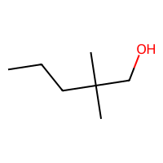
-4.0045 | -3.4308691025 | -0.57363089752 | 0.57363089752 | -4.0045 | Nc1nc2nc[nH]c2c(=O)[nH]1 | 151.04940978 | -0.7716 | 100.45 | 38.9218 | 11 | 4 | 56 | 6 | 60.482584812 | 3.0243071364 | 6.2447980401 | -1.85 | 0 | 0 | 0 | 0.0021733805456 | 3.4982016459E-12 | 59.462922934 | 18.591219795 | 1 | 70 | 70.757423725 | 0 | 0 | 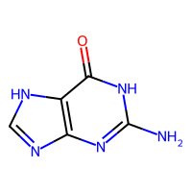
-1.8 | -1.8720934391 | 0.072093439102 | 0.072093439102 | -1.8 | [O-][N+](=O)c1ccccc1 | 123.0320284 | 1.5948 | 43.14 | 33.0964 | 9 | 2 | 46 | 3 | 52.084378842 | 2.981454614 | 4.8692670924 | -1.38 | 0 | 0 | 0 | 0.0056487341145 | 4.2394663253E-12 | 51.056850935 | 17.337518469 | 1 | 49 | 0 | 0 | 0 | 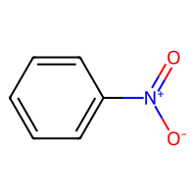
-1.6 | -1.2872922421 | -0.31270775795 | 0.31270775795 | -1.6 | CC(C)C[C@H](C)CO | 116.12011513 | 1.6609 | 20.23 | 35.7048 | 8 | 1 | 50 | 1 | 51.723137466 | 3.0988280941 | 3.7806536489 | -0.04 | 0 | 0 | 0 | 0.0069537294259 | 0.35520304946 | 50.741254674 | 16.748870065 | 1 | 39 | 7.0220032519 | 0 | 0 | 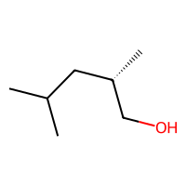
-1.11 | -0.84034520388 | -0.26965479612 | 0.26965479612 | -1.11 | CCC[C@H](C)CO | 102.10446507 | 1.4149 | 20.23 | 31.1578 | 7 | 1 | 44 | 1 | 45.358195352 | 2.8318199661 | 3.4939811982 | -0.04 | 0 | 0 | 0 | 0.010937761884 | 0.21035502638 | 44.320433051 | 16.185970037 | 1 | 35 | 1.9748476882 | 0 | 0 | 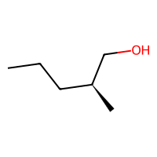
-0.1695 | 0.32311996818 | -0.49261996818 | 0.49261996818 | -0.1695 | Oc1ccc(O)cc1 | 110.03677943 | 1.0978 | 40.46 | 29.7716 | 8 | 2 | 42 | 2 | 47.019870624 | 3.032455532 | 4.2738708793 | -1.18 | 0 | 0 | 0 | 0.01011279454 | 4.0262986244E-14 | 45.97754673 | 16.433036001 | 1 | 43 | 18.711270972 | 0 | 0 | 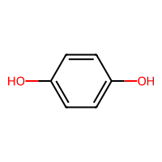
-1.29 | -1.375161171 | 0.085161170959 | 0.085161170959 | -1.29 | OC1CCCCCCC1 | 128.12011513 | 2.0916 | 20.23 | 38.3258 | 9 | 1 | 54 | 1 | 57.082248427 | 2.1247885073 | 4.7789379425 | -0.04 | 0 | 0 | 0 | 0.0035436984106 | 0.12583184157 | 56.156245143 | 17.361243756 | 1 | 42 | 8.6601590344 | 0 | 0 | 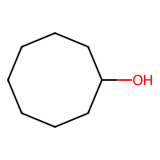
-4.985 | -4.8047719002 | -0.18022809982 | 0.18022809982 | -4.985 | CCC(=O)O[C@@](Cc1ccccc1)([C@H](C)CN(C)C)c1ccccc1 | 339.21982917 | 4.2755 | 29.54 | 102.367 | 25 | 3 | 134 | 3 | 151.17281947 | 2.5262965181 | 12.794008477 | -2.13 | 0 | 0 | 0 | 0.00045371458136 | 0.66059387282 | 151.0393637 | 23.280937559 | 1 | 119 | 145.88856278 | 0 | 175.67139992 | 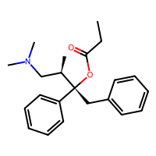
-0.88 | -1.457642436 | 0.57764243603 | 0.57764243603 | -0.88 | CCC\C(=C(/C)O)C(C)=O | 142.09937969 | 2.2075 | 37.3 | 40.9178 | 10 | 2 | 58 | 2 | 61.559998649 | 4.2798542592 | 4.7440961739 | -0.79 | 0 | 0 | 0 | 0.0027255384091 | 0.077278302004 | 60.629433772 | 18.254377106 | 1 | 50 | 65.465743501 | 0 | 0 | 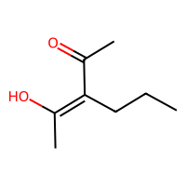
0.098 | -1.0466501713 | 1.1446501713 | 1.1446501713 | 0.098 | CCCCN(CCN(CCCC)C(=O)N1CCOCC1)C(=O)N1CCOCC1 | 398.2893057 | 2.095 | 65.56 | 108.538 | 28 | 4 | 162 | 8 | 169.25095823 | 1.9549148388 | 14.553309199 | -1.54 | 4 | 0 | 0 | 0.00030121333445 | 0.11328882126 | 169.04100822 | 24.965116046 | 1 | 144 | 148.04560871 | 0 | 148.56392376 | 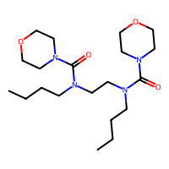
-1.4 | -2.3786635399 | 0.97866353989 | 0.97866353989 | -1.4 | CC(=O)Nc1ccccc1Cl | 169.02944156 | 2.2984 | 29.1 | 45.7557 | 11 | 1 | 58 | 2 | 70.175937859 | 2.8574541536 | 5.6772739676 | -1.02 | 1 | 0 | 0 | 0.0019304262935 | 1.7083442643E-10 | 69.51867047 | 19.253618801 | 1 | 53 | 87.210238148 | 0 | 151.21055949 | 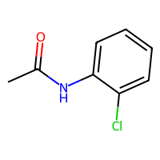
-5.61 | -4.1712856293 | -1.4387143707 | 1.4387143707 | -5.61 | CN1C(C(=O)Nc2cc(C)on2)=C(O)c2ccccc2S1(=O)=O | 335.05759152 | 1.48242 | 112.74 | 80.8093 | 23 | 6 | 120 | 8 | 131.60933486 | 2.0868272197 | 12.032004425 | -2.81 | 1 | 0 | 0 | 0.0010500843742 | 0.069528596511 | 131.34758911 | 23.534984974 | 1 | 127 | 161.12442929 | 0 | 180.03351332 | 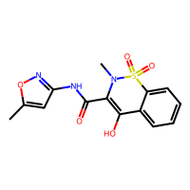
-0.72 | -0.67483741045 | -0.04516258955 | 0.04516258955 | -0.72 | CCCOC(C)=O | 102.06807956 | 0.9595 | 26.3 | 26.924 | 7 | 2 | 42 | 2 | 43.474086815 | 2.8219389371 | 3.4018521675 | -0.53 | 0 | 0 | 0 | 0.015816098452 | 0.10405849935 | 42.375883413 | 16.18791884 | 1 | 35 | 58.178454814 | 0 | 0 | 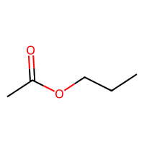
-2.333 | -2.3429861069 | 0.0099861068726 | 0.0099861068726 | -2.333 | CCC[C@H](C)C1(CC=C)C(=O)NC(=O)NC1=O | 238.13174244 | 1.3511 | 75.27 | 63.0004 | 17 | 3 | 94 | 5 | 100.64247077 | 3.1136488912 | 8.426729618 | -1.65 | 4 | 0 | 0 | 0.0016961891644 | 0.44773765706 | 99.960454305 | 20.897882143 | 1 | 91 | 0 | 0 | 162.97187604 | 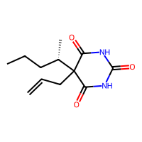
-0.4 | -0.48114192486 | 0.081141924858 | 0.081141924858 | -0.4 | OCc1ccccc1 | 108.05751488 | 1.1789 | 20.23 | 32.3648 | 8 | 1 | 42 | 1 | 48.590578986 | 2.832085835 | 4.5257771045 | -0.82 | 0 | 0 | 0 | 0.0088491005718 | 0.096010461872 | 47.608696193 | 16.380883375 | 1 | 39 | 0 | 0 | 0 | 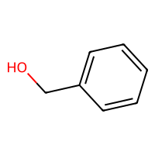
-1.655 | -1.7666486502 | 0.11164865017 | 0.11164865017 | -1.655 | C\N=C(/NCCSCc1[nH]cnc1C)NC#N | 252.11571551 | 0.5974 | 88.89 | 69.5971 | 17 | 4 | 92 | 6 | 104.92554288 | 2.1309410302 | 9.0360715077 | -1.68 | 0 | 0 | 0 | 0.0021818107287 | 0.12648583445 | 104.50747502 | 22.868547813 | 1 | 92 | 130.38169188 | 0 | 135.58625426 | 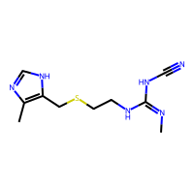
-4.699 | -4.1556639671 | -0.54333603287 | 0.54333603287 | -4.699 | C[C@@H](C(O)=O)c1ccc2c(c1)[nH]c1ccc(Cl)cc21 | 273.0556563 | 4.1626 | 53.09 | 76.8655 | 19 | 1 | 96 | 3 | 114.35774103 | 2.2432169558 | 10.298342737 | -2 | 0 | 0 | 0 | 0.00214688843 | 0.092356215266 | 114.0870686 | 22.655135972 | 1 | 101 | 136.66991128 | 0 | 169.02829162 | 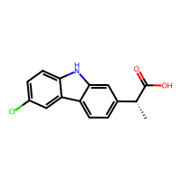
-2.46 | -2.1551542282 | -0.30484577179 | 0.30484577179 | -2.46 | CC(C)=CCC\C(C)=C/CO | 154.1357652 | 2.6714 | 20.23 | 49.5078 | 11 | 1 | 64 | 1 | 69.438757745 | 3.5443874314 | 5.3215218566 | -0.56 | 0 | 0 | 0 | 0.0052584109263 | 0.10957890614 | 68.624513478 | 19.589702462 | 1 | 52 | 51.77401762 | 0 | 105.20127845 | 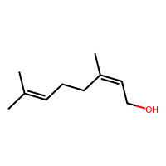
-1.47 | -1.3991529942 | -0.070847005844 | 0.070847005844 | -1.47 | CCCCCOC(N)=O | 131.09462866 | 1.2719 | 52.32 | 35.0604 | 9 | 2 | 54 | 3 | 55.178919626 | 2.8288681349 | 4.4500031547 | -0.73 | 1 | 0 | 0 | 0.015390311369 | 1.7093020573E-10 | 54.151391719 | 18.084180437 | 1 | 50 | 0 | 0 | 114.67725728 | 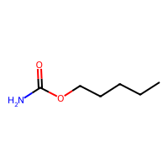
-0.55 | 0.035048879683 | -0.58504887968 | 0.58504887968 | -0.55 | N[C@@H](CCC(N)=O)C(O)=O | 146.06914218 | -1.3362 | 106.41 | 34.0396 | 10 | 3 | 58 | 5 | 57.996078832 | 3.4907296604 | 4.7188724821 | -1.1 | 1 | 0 | 0 | 0.0050608597072 | 0.069308275404 | 56.92290581 | 18.889072348 | 1 | 64 | 83.249126622 | 0 | 126.61189389 | 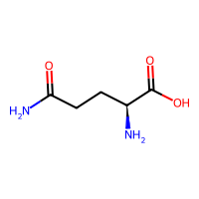
-1.805 | -1.2118536234 | -0.59314637661 | 0.59314637661 | -1.805 | CCCCn1cnc2n(C)c(=O)n(C)c(=O)c12 | 236.12732575 | 0.2338 | 61.82 | 65.123 | 17 | 6 | 92 | 6 | 98.123783361 | 2.7663397916 | 9.0990691736 | -1.85 | 0 | 0 | 0 | 0.0015933610666 | 0.083379724369 | 97.420040956 | 21.6259827 | 1 | 91 | 126.64430938 | 0 | 142.08923734 | 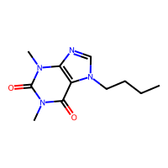
-2.78 | -2.422121048 | -0.35787895203 | 0.35787895203 | -2.78 | COc1ccc(Cl)cc1 | 142.01854252 | 2.3486 | 9.23 | 38.004 | 9 | 1 | 48 | 1 | 59.21315669 | 2.8815558776 | 4.8692670924 | -0.69 | 0 | 0 | 0 | 0.0094382619338 | 1.148488464E-13 | 58.485213806 | 17.827966623 | 1 | 41 | 0 | 0 | 135.02949655 | 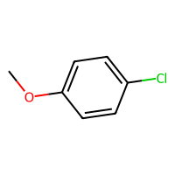
-0.39 | -0.62844926119 | 0.23844926119 | 0.23844926119 | -0.39 | CC(C)[C@H](C)CO | 102.10446507 | 1.2708 | 20.23 | 31.0878 | 7 | 1 | 44 | 1 | 45.358195352 | 3.1442082074 | 3.3665090825 | -0.04 | 0 | 0 | 0 | 0.0086846369756 | 0.43082150746 | 44.320433051 | 15.858248319 | 1 | 34 | -2.8722180233 | 0 | 0 | 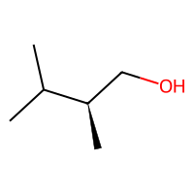
-0.88 | -1.1827400923 | 0.30274009228 | 0.30274009228 | -0.88 | C[C@H]1CC[C@H](O)CC1 | 114.10446507 | 1.5574 | 20.23 | 33.6388 | 8 | 1 | 48 | 1 | 50.717306313 | 2.192377158 | 4.2738708793 | -0.04 | 0 | 0 | 0 | 0.0099119400866 | 0.14867301168 | 49.73542352 | 16.240370205 | 1 | 38 | -2.4118227365 | 0 | 0 | 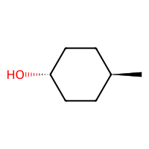
-2.124 | -2.2103729248 | 0.086372924805 | 0.086372924805 | -2.124 | O=c1cnc2cncnc2[nH]1 | 148.03851075 | -0.2869 | 71.53 | 37.9537 | 11 | 4 | 54 | 5 | 61.153181675 | 2.935350798 | 6.1920619804 | -1.78 | 0 | 0 | 0 | 0.0043680568312 | 1.6607973824E-12 | 60.174603319 | 18.43184638 | 1 | 63 | 79.182931693 | 0 | 143.91161792 | 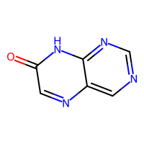
-2.59 | -2.2541205883 | -0.3358794117 | 0.3358794117 | -2.59 | CCc1cccs1 | 112.03467126 | 2.3105 | 0 | 33.697 | 7 | 1 | 38 | 0 | 47.801650619 | 2.7626083414 | 4.2093565001 | -0.3 | 0 | 0 | 0 | 0.0098764456323 | 0.13886774345 | 47.071288802 | 15.547159021 | 1 | 30 | 0 | 0 | 0 | 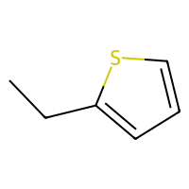
-3.875 | -4.1869068146 | 0.31190681458 | 0.31190681458 | -3.875 | CN1C(C(=O)Nc2ccccn2)=C(O)c2sccc2S1(=O)=O | 337.01909783 | 1.6425 | 99.6 | 81.6833 | 22 | 6 | 114 | 7 | 130.13907045 | 2.0606667496 | 11.725946217 | -2.39 | 1 | 0 | 0 | 0.0009168863958 | 0.030884979741 | 130.12884567 | 23.477841498 | 1 | 120 | 160.17161959 | 0 | 183.65438026 | 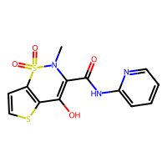
-2.93 | -2.5784282684 | -0.35157173157 | 0.35157173157 | -2.93 | CN(C)C(=O)Nc1cccc(OC(=O)NC(C)(C)C)c1 | 279.15829153 | 2.667 | 70.67 | 78.0604 | 20 | 3 | 110 | 6 | 118.6470875 | 2.687869436 | 9.5590501827 | -2.24 | 3 | 0 | 0 | 0.0011283826592 | 0.072498763279 | 118.09162604 | 23.161217894 | 1 | 102 | 141.01472608 | 0 | 152.17349929 | 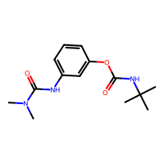
-2.68 | -2.2843744755 | -0.39562552452 | 0.39562552452 | -2.68 | CCC(Br)(CC)C(=O)NC(N)=O | 236.01603976 | 1.135 | 72.19 | 49.9661 | 12 | 2 | 70 | 4 | 80.009248401 | 4.3183677964 | 5.7012151231 | -0.58 | 3 | 0 | 0 | 0.002802836067 | 0.31406998185 | 79.521144728 | 19.996574768 | 1 | 65 | 0 | 0 | 145.45120332 | 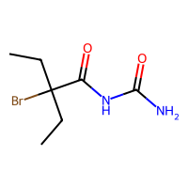
-6.308 | -4.7244768143 | -1.5835231857 | 1.5835231857 | -6.308 | CN(C)CC\C=C1\c2ccccc2Sc2ccc(Cl)cc12 | 315.08484826 | 5.188 | 3.24 | 92.267 | 21 | 2 | 108 | 1 | 135.16892575 | 2.0628909751 | 11.193410872 | -1.22 | 0 | 0 | 0 | 0.00049703888027 | 0.0538425317 | 135.37785393 | 23.405438103 | 1 | 100 | 143.00974788 | 0 | 162.89092598 | 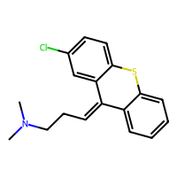
-4.173 | -4.5454645157 | 0.37246451569 | 0.37246451569 | -4.173 | CC(=O)S[C@@H]1CC2=CC(=O)CC[C@]2(C)[C@H]2CC[C@@]3(C)[C@@H](CC[C@@]33CCC(=O)O3)[C@H]12 | 416.2021305 | 4.8523 | 60.44 | 112.21 | 29 | 5 | 158 | 4 | 177.13538241 | 1.5572210087 | 15.293177068 | -1.1 | 0 | 1 | 0 | 0.00035644455673 | 0.091205259301 | 177.39260538 | 24.743318603 | 1 | 148 | 153.80526324 | 0 | 170.54133336 | 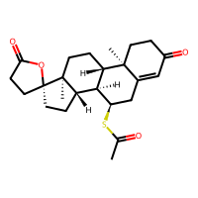
0.48 | -1.2538844347 | 1.7338844347 | 1.7338844347 | 0.48 | Cc1cc(=O)n(-c2ccccc2)n1C | 188.094963 | 1.48442 | 26.93 | 55.747 | 14 | 3 | 72 | 3 | 82.197108598 | 2.6880057867 | 7.6579555317 | -1.77 | 0 | 0 | 0 | 0.0021071358699 | 0.12624221591 | 81.468335812 | 19.982576397 | 1 | 67 | 99.799062272 | 0 | 151.13870471 | 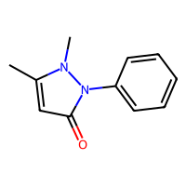
-2.365 | -1.4061688185 | -0.95883118153 | 0.95883118153 | -2.365 | CSc1ncnc2nccnc12 | 178.03131719 | 1.1417 | 51.56 | 46.909 | 12 | 5 | 60 | 4 | 73.479711715 | 2.7909670297 | 6.8058487354 | -1.23 | 0 | 0 | 0 | 0.0019950583679 | 0.075569551622 | 72.864413352 | 19.325518887 | 1 | 63 | 0 | 0 | 139.02909203 | 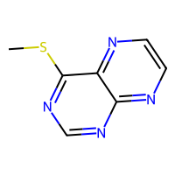
-2.55 | -2.5829205513 | 0.0329205513 | 0.0329205513 | -2.55 | [O-][N+](=O)c1ccccc1Cl | 156.99305605 | 2.2482 | 43.14 | 38.1064 | 10 | 2 | 52 | 3 | 62.387645069 | 3.1529414467 | 5.2107875967 | -1.09 | 0 | 0 | 0 | 0.0018149400816 | 0.032633110925 | 61.61405707 | 18.473493227 | 1 | 53 | 0 | 0 | 0 | 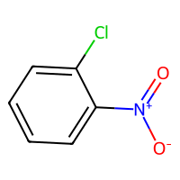
-1.13725 | -1.0747878551 | -0.062462144852 | 0.062462144852 | -1.13725 | CC(C)C(O)C(C)C | 116.12011513 | 1.6593 | 20.23 | 35.6828 | 8 | 1 | 50 | 1 | 51.723137466 | 3.4642268472 | 3.698041493 | -0.04 | 0 | 0 | 0 | 0.0041993305863 | 0.54859140758 | 50.741254674 | 16.474173646 | 1 | 38 | 41.388763488 | 0 | 0 | 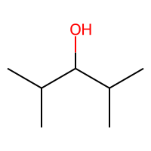
-1.3 | -1.2053257227 | -0.094674277306 | 0.094674277306 | -1.3 | CC(C)C(=O)C(C)C | 114.10446507 | 1.8675 | 17.07 | 34.683 | 8 | 1 | 48 | 1 | 51.090425814 | 3.6512335789 | 3.698041493 | -0.33 | 0 | 0 | 0 | 0.0041993305863 | 0.26010552984 | 50.108543022 | 16.474173646 | 1 | 36 | 45.558523292 | 0 | 0 | 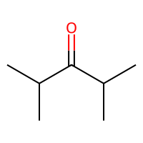
-4.845 | -4.6526613235 | -0.19233867645 | 0.19233867645 | -4.845 | C[C@]12CC[C@H]3[C@@H](CCc4cc(O)ccc34)[C@@H]1CC[C@@H]2O | 272.17763001 | 3.6092 | 40.46 | 78.7306 | 20 | 2 | 108 | 2 | 120.38168254 | 1.7111998765 | 11.044044231 | -1.02 | 0 | 0 | 0 | 0.0020426096418 | 0.070524498497 | 120.00991274 | 22.116263364 | 1 | 106 | 118.70459194 | 0 | 142.5254755 | 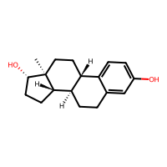
-0.959 | -1.0150206089 | 0.056020608902 | 0.056020608902 | -0.959 | Nc1nc(=O)[nH]cc1F | 129.03383997 | -0.5088 | 71.77 | 29.2281 | 9 | 3 | 48 | 4 | 49.537647281 | 3.336092887 | 4.6558729895 | -1.39 | 0 | 0 | 0 | 0.00444174839 | 1.2699450474E-11 | 48.40824734 | 17.565277631 | 1 | 51 | 0 | 0 | 0 | 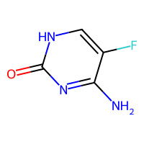
-0.98 | -1.619630456 | 0.63963045597 | 0.63963045597 | -0.98 | CC(=O)Nc1ccc(N)cc1 | 150.07931294 | 1.2272 | 55.12 | 45.1581 | 11 | 2 | 58 | 3 | 65.212562329 | 2.7362980721 | 5.6577763732 | -1.51 | 1 | 0 | 0 | 0.0061032996994 | 0.14687101669 | 64.316151017 | 18.608879175 | 1 | 58 | 99.152264189 | 0 | 144.21254408 | 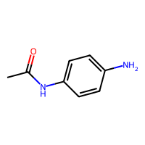
-3.301029996 | -1.8555972576 | -1.4454327384 | 1.4454327384 | -3.301029996 | NCCc1c[nH]c2ccccc12 | 160.10004838 | 1.6691 | 41.81 | 51.0571 | 12 | 1 | 62 | 2 | 71.392002998 | 2.5484054472 | 6.9653341942 | -1.28 | 0 | 0 | 0 | 0.0038125388584 | 0.048481729013 | 70.611912296 | 19.196234775 | 1 | 65 | 0 | 0 | 135.56786445 | 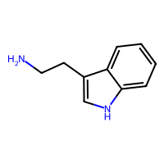
-2.87 | -2.4083135128 | -0.4616864872 | 0.4616864872 | -2.87 | COc1cc(Cc2cnc(N)nc2N)cc(OC)c1OC | 290.13789044 | 1.2576 | 105.51 | 79.7608 | 21 | 7 | 112 | 7 | 122.40797883 | 2.3975621374 | 10.863435823 | -2.7 | 0 | 0 | 0 | 0.00095131458823 | 0.18042445224 | 121.86731335 | 23.20539706 | 1 | 115 | 139.63257848 | 0 | 144.73407116 | 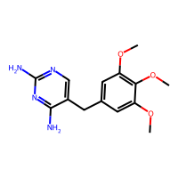
-0.41 | -0.43724375963 | 0.027243759632 | 0.027243759632 | -0.41 | CC(C)C(C)(C)O | 102.10446507 | 1.4133 | 20.23 | 31.1358 | 7 | 1 | 44 | 1 | 45.358195352 | 3.5411969651 | 2.8951528838 | -0.04 | 0 | 0 | 0 | 0.0066195059611 | 0.48058766252 | 44.320433051 | 15.16870828 | 1 | 33 | 30.520415695 | 0 | 0 | 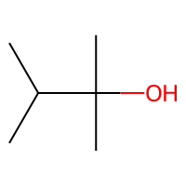
-3.952 | -3.4484300613 | -0.50356993866 | 0.50356993866 | -3.952 | O[C@@H]1N=C(c2ccccc2)c2cc(Cl)ccc2NC1=O | 286.05090527 | 2.4479 | 61.69 | 78.1695 | 20 | 3 | 100 | 4 | 120.28169926 | 2.2315864555 | 10.790079544 | -2.17 | 1 | 0 | 0 | 0.00043136155836 | 0.1062294578 | 120.02582283 | 22.89127832 | 1 | 103 | 139.79513969 | 0 | 175.74563684 | 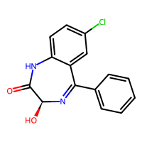
-1 | -1.5825222731 | 0.58252227306 | 0.58252227306 | -1 | N#Cc1ccccc1 | 103.04219916 | 1.55828 | 23.79 | 31.157 | 8 | 1 | 38 | 1 | 48.188924915 | 3.0493889082 | 4.5257771045 | -1.29 | 0 | 0 | 0 | 0.010130925843 | 3.8544105274E-06 | 47.226399702 | 16.451172239 | 1 | 35 | 13.11225442 | 0 | 0 | 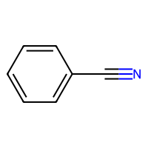
-2.89 | -2.9537703991 | 0.063770399094 | 0.063770399094 | -2.89 | [O-][N+](=O)c1cc(cc(c1)[N+]([O-])=O)[N+]([O-])=O | 213.00218482 | 1.4112 | 129.42 | 46.4052 | 15 | 6 | 78 | 9 | 81.390330287 | 3.3873800755 | 7.4366172429 | -2.58 | 0 | 0 | 0 | 0.00048727173147 | 1.5203703769E-10 | 80.374147982 | 21.496206791 | 1 | 97 | 99.578246011 | 0 | 160.46438668 | 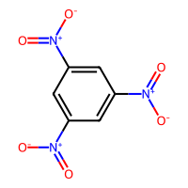
-1.81 | -3.5792343616 | 1.7692343616 | 1.7692343616 | -1.81 | CCCCCCCN(CC)CCC[C@@H](O)c1ccc(NS(C)(=O)=O)cc1 | 384.24466401 | 4.164 | 69.64 | 109.9753 | 26 | 4 | 150 | 5 | 159.40529822 | 2.3224081976 | 12.809701969 | -1.11 | 0 | 0 | 0 | 0.00097177405702 | 0.12085766467 | 159.47315672 | 25.901627616 | 1 | 136 | 145.97286538 | 0 | 150.06872577 | 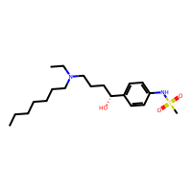
-2.689 | -2.7899649143 | 0.10096491432 | 0.10096491432 | -2.689 | NS(=O)(=O)c1cc2c(NCNS2(=O)=O)cc1Cl | 296.96447542 | -0.3513 | 118.36 | 61.6364 | 17 | 5 | 94 | 7 | 103.05494716 | 2.790493724 | 8.3674993434 | -0.87 | 0 | 0 | 0 | 0.001167531583 | 0.13466307434 | 102.96338524 | 21.899043285 | 1 | 100 | 0 | 0 | 178.14232138 | 
-2.432 | -2.1439599991 | -0.28804000092 | 0.28804000092 | -2.432 | Nc1ncnc2nc[nH]c12 | 135.05449516 | -0.0649 | 80.48 | 36.0961 | 10 | 4 | 50 | 5 | 56.321062712 | 2.9500903053 | 5.9227097902 | -1.65 | 0 | 0 | 0 | 0.0026657741109 | 3.3927808832E-12 | 55.305962427 | 17.687727889 | 1 | 61 | 56.401822942 | 0 | 0 | 
-3.92 | -3.9225087166 | 0.0025087165833 | 0.0025087165833 | -3.92 | CNCC[C@H](Oc1ccc(cc1)C(F)(F)F)c1ccccc1 | 309.13404886 | 4.435 | 21.26 | 79.7987 | 22 | 2 | 118 | 2 | 127.47322152 | 2.1304560501 | 11.345151786 | -2.01 | 0 | 0 | 0 | 0.001208839269 | 0.14389954541 | 126.99213005 | 23.314743515 | 1 | 104 | 145.90614147 | 0 | 175.88517108 | 
-0.66 | -0.96334987879 | 0.30334987879 | 0.30334987879 | -0.66 | CCCOCC | 88.088815004 | 1.4329 | 9.23 | 26.784 | 6 | 1 | 38 | 1 | 39.312564715 | 2.339092315 | 3.0904241194 | -0.04 | 0 | 0 | 0 | 0.10056895553 | 0.21471010014 | 38.218922905 | 14.157760376 | 1 | 29 | 39.696401606 | 0 | 0 | 
0.22 | -0.083251528442 | 0.30325152844 | 0.30325152844 | 0.22 | C\C(O)=C\C(C)=O | 100.0524295 | 1.0372 | 37.3 | 27.0668 | 7 | 2 | 40 | 2 | 42.465172305 | 3.679228032 | 3.0004055333 | -0.79 | 0 | 0 | 0 | 0.0085248450277 | 1.3485335884E-10 | 41.366968903 | 15.87860352 | 1 | 36 | 50.812975357 | 0 | 0 | 
-3.434 | -3.1594703197 | -0.27452968025 | 0.27452968025 | -3.434 | C[C@]12C[C@H](O)[C@@]3(F)[C@@H](CCC4=CC(=O)CC[C@]34C)[C@@H]1CC[C@]2(O)C(=O)CO | 380.19990225 | 1.8737 | 94.83 | 95.4914 | 27 | 5 | 150 | 5 | 158.19644653 | 1.7976551043 | 13.848827536 | -1.11 | 0 | 0 | 0 | 0.0013097229107 | 0.24172532663 | 157.9543639 | 23.657483229 | 1 | 147 | 158.63017786 | 0 | 161.8107496 | 
-6.137 | -5.938085556 | -0.19891444397 | 0.19891444397 | -6.137 | OC(=O)c1cc(ccc1O)\N=N\c1ccc(cc1)S(=O)(=O)Nc1ccccn1 | 398.06849055 | 3.7016 | 141.31 | 100.7296 | 28 | 7 | 142 | 9 | 159.63758715 | 1.7658464965 | 14.402241651 | -3.79 | 0 | 0 | 0 | 0.00084300712836 | 0.054006665201 | 159.61415542 | 25.817321508 | 1 | 152 | 157.35768795 | 0 | 174.33092817 | 
-1.696 | -1.9326730967 | 0.23667309666 | 0.23667309666 | -1.696 | NC[C@@H](CC(O)=O)c1ccc(Cl)cc1 | 213.0556563 | 1.857 | 63.32 | 55.5002 | 14 | 2 | 76 | 3 | 87.490084353 | 2.7829771877 | 7.16440929 | -1.06 | 0 | 0 | 0 | 0.0035678519487 | 0.094259782954 | 86.940014389 | 20.966876992 | 1 | 74 | 0 | 0 | 149.4491274 | 
-5.454 | -5.1826562881 | -0.27134371185 | 0.27134371185 | -5.454 | Cc1cnc(cn1)C(=O)NCCc1ccc(cc1)S(=O)(=O)NC(=O)NC1CCCCC1 | 445.17837534 | 2.07812 | 130.15 | 114.9744 | 31 | 6 | 166 | 9 | 181.66973204 | 1.480862253 | 15.859109797 | -3.01 | 3 | 0 | 0 | 0.000703485354 | 0.16962702189 | 181.83329641 | 26.709303912 | 1 | 164 | 164.46184444 | 0 | 171.91403975 | 
-2.598 | -3.5733046532 | 0.97530465317 | 0.97530465317 | -2.598 | COc1ccc(cc1)[C@@](O)(C1CC1)c1cncnc1 | 256.12117775 | 2.1311 | 55.24 | 70.7488 | 19 | 4 | 98 | 4 | 111.65445169 | 2.0457220869 | 11.007127106 | -1.94 | 0 | 0 | 0 | 0.0010283806517 | 0.27006269799 | 111.14463534 | 21.863848833 | 1 | 97 | 131.33237926 | 0 | 153.12381524 | 
0.0205 | -0.30491000414 | 0.32541000414 | 0.32541000414 | 0.0205 | c1cnc2ncncc2n1 | 132.04359613 | 0.4198 | 51.56 | 35.128 | 10 | 4 | 48 | 4 | 56.991659575 | 2.8880516017 | 5.856705435 | -1.58 | 0 | 0 | 0 | 0.004438038427 | 2.0641254811E-13 | 56.017642812 | 17.550098661 | 1 | 54 | 62.449044561 | 0 | 0 | 
-2.453 | -1.9315510988 | -0.52144890118 | 0.52144890118 | -2.453 | O=c1nc[nH]c2n[nH]cc12 | 136.03851075 | -0.3538 | 74.43 | 34.5094 | 10 | 3 | 50 | 5 | 55.111147684 | 3.09291205 | 5.9227097902 | -1.65 | 0 | 0 | 0 | 0.0026150386395 | 1.9770563276E-11 | 54.076689819 | 17.796517163 | 1 | 61 | 58.854742808 | 0 | 0 | 
-2.313 | -1.8155853748 | -0.49741462517 | 0.49741462517 | -2.313 | Nc1ncnc2nccnc12 | 147.05449516 | 0.002 | 77.58 | 39.5404 | 11 | 5 | 54 | 5 | 62.331550272 | 2.9131611636 | 6.2280450855 | -1.78 | 0 | 0 | 0 | 0.0023998205793 | 5.4167149536E-13 | 61.372329495 | 18.312387078 | 1 | 63 | 68.399164804 | 0 | 0 | 
-1.93 | -2.3828663826 | 0.4528663826 | 0.4528663826 | -1.93 | CC(C)NC[C@H](O)COc1ccc(COCCOC(C)C)cc1 | 325.22530847 | 2.3659 | 59.95 | 91.8265 | 23 | 5 | 132 | 5 | 139.49544012 | 2.1971600403 | 11.485094734 | -1.14 | 0 | 0 | 0 | 0.0030812373202 | 0.063912081218 | 139.12934313 | 24.46191813 | 1 | 123 | 135.6181102 | 0 | 140.5583315 | 
-1.96 | -2.2280285358 | 0.26802853584 | 0.26802853584 | -1.96 | Nc1ccccc1[N+]([O-])=O | 138.04292743 | 1.177 | 69.16 | 37.5088 | 10 | 3 | 52 | 4 | 57.424269539 | 3.1529414467 | 5.2107875967 | -1.58 | 0 | 0 | 0 | 0.0030279171274 | 0.044361299844 | 56.411537618 | 17.959325577 | 1 | 58 | 0 | 0 | 0 | 
-2.25 | -2.3989295959 | 0.14892959595 | 0.14892959595 | -2.25 | CCCCCOC(=O)CC | 144.11502975 | 2.1298 | 26.3 | 40.775 | 10 | 2 | 60 | 2 | 62.568913158 | 2.9617756062 | 5.0815101174 | -0.53 | 0 | 0 | 0 | 0.015873960634 | 0.029513927162 | 61.638348281 | 18.527304639 | 1 | 50 | 93.162599989 | 0 | 119.38405877 | 
0.54 | 0.025477774441 | 0.51452222556 | 0.51452222556 | 0.54 | CO[P@@](=O)(NC(C)=O)SC | 183.01190081 | 1.24 | 55.4 | 41.9472 | 10 | 4 | 60 | 4 | 63.963181067 | 4.0741188846 | 4.7273595383 | 0.01 | 1 | 0 | 0 | 0.001901829272 | 0.38810853089 | 63.270254943 | 18.03127373 | 1 | 55 | 81.702601566 | 0 | 0 | 
-5.25 | -4.7763957977 | -0.47360420227 | 0.47360420227 | -5.25 | CN(CCOc1ccc(C[C@H]2SC(=O)NC2=O)cc1)c1ccccn1 | 357.11471247 | 2.4909 | 71.53 | 98.0657 | 25 | 6 | 130 | 6 | 150.12630426 | 1.4618097017 | 13.353597439 | -2.54 | 2 | 0 | 0 | 0.0012410061266 | 0.089399964859 | 150.09719973 | 24.793128402 | 1 | 129 | 146.95685671 | 0 | 168.76868143 | 
-2.24 | -3.3665471077 | 1.1265471077 | 1.1265471077 | -2.24 | COc1cccc(c1)[C@@]1(O)CCCC[C@@H]1CN(C)C | 263.18852904 | 2.6346 | 32.7 | 77.4028 | 19 | 3 | 106 | 3 | 115.74260576 | 2.2975939053 | 9.8842294314 | -1.06 | 0 | 0 | 0 | 0.0015855778732 | 0.37838134018 | 115.27387294 | 22.014820332 | 1 | 93 | 126.37987576 | 0 | 142.53010169 | 
-0.46 | -0.79794853926 | 0.33794853926 | 0.33794853926 | -0.46 | COC(=O)c1cccnc1 | 137.04767846 | 0.8682 | 39.19 | 35.5765 | 10 | 3 | 52 | 3 | 58.656002659 | 2.8526279288 | 5.4747361919 | -1.38 | 0 | 0 | 0 | 0.0054041077314 | 4.3507065514E-11 | 57.68435426 | 18.075995193 | 1 | 50 | 73.990220651 | 0 | 137.89128073 | 
-0.88 | -0.53059381247 | -0.34940618753 | 0.34940618753 | -0.88 | OC1CCCCCC1 | 114.10446507 | 1.7015 | 20.23 | 33.7088 | 8 | 1 | 48 | 1 | 50.717306313 | 2.1659635855 | 4.4589732328 | -0.04 | 0 | 0 | 0 | 0.0054057633222 | 0.31216753876 | 49.73542352 | 16.399392798 | 1 | 38 | -1.5676622183 | 0 | 0 | 
-8.7585 | -5.743710041 | -3.014789959 | 3.014789959 | -8.7585 | CC(C)(C)NC(=O)[C@H]1CC[C@H]2[C@@H]3CC=C4C=C(CC[C@]4(C)[C@H]3CC[C@]12C)C(O)=O | 399.27734404 | 5.101 | 66.4 | 114.1905 | 29 | 2 | 160 | 4 | 174.76247123 | 1.600582646 | 14.717697664 | -1.58 | 1 | 0 | 0 | 0.0013410464849 | 0.081618332702 | 174.79209239 | 24.639362136 | 1 | 149 | 140.36135643 | 0 | 164.59647734 | 
-4.3125 | -4.4106221199 | 0.098122119904 | 0.098122119904 | -4.3125 | CN(C)CCCN1c2ccccc2CCc2ccccc12 | 280.19394877 | 3.875 | 6.48 | 90.469 | 21 | 2 | 110 | 2 | 127.55692831 | 1.9460857282 | 11.397935654 | -1.8 | 0 | 0 | 0 | 0.00063864496533 | 0.026346455989 | 127.27975319 | 22.816538604 | 1 | 103 | 132.31646059 | 0 | 154.89255017 | 
-1.92 | -1.7673710585 | -0.15262894154 | 0.15262894154 | -1.92 | CCCOC(=O)CCC | 130.09937969 | 1.7397 | 26.3 | 36.158 | 9 | 2 | 54 | 2 | 56.203971044 | 3.0613168394 | 4.5156891947 | -0.53 | 0 | 0 | 0 | 0.014716027021 | 0.041499254687 | 55.217526658 | 17.748784309 | 1 | 45 | 77.123746463 | 0 | 114.63877343 | 
-1.92 | -1.4667953253 | -0.45320467472 | 0.45320467472 | -1.92 | CC(C)CCOC(C)=O | 130.09937969 | 1.5956 | 26.3 | 36.088 | 9 | 2 | 54 | 2 | 56.203971044 | 3.0061050301 | 4.1918803095 | -0.53 | 0 | 0 | 0 | 0.0096950017066 | 0.30642093857 | 55.217526658 | 17.919820772 | 1 | 44 | 73.460253332 | 0 | 108.9852897 | 
-4.7 | -5.0793442726 | 0.37934427261 | 0.37934427261 | -4.7 | O[C@@](CCN1CCCC1)(C1CCCCC1)c1ccccc1 | 287.22491455 | 3.9404 | 23.47 | 87.2048 | 21 | 2 | 116 | 2 | 128.71805572 | 1.7530078069 | 11.767564608 | -0.86 | 0 | 0 | 0 | 0.0012100314945 | 0.093240486815 | 128.42152302 | 22.338332766 | 1 | 101 | 127.20377572 | 0 | 150.31851897 | 
-2.46 | -2.4554736614 | -0.0045263385773 | 0.0045263385773 | -2.46 | CCCCCCOC(C)=O | 144.11502975 | 2.1298 | 26.3 | 40.775 | 10 | 2 | 60 | 2 | 62.568913158 | 2.8385891218 | 4.9642091574 | -0.53 | 0 | 0 | 0 | 0.015901724156 | 0.10431518887 | 61.638348281 | 18.720331145 | 1 | 50 | 96.484994577 | 0 | 119.40310152 | 
-1.618 | -2.2112374306 | 0.59323743057 | 0.59323743057 | -1.618 | c1cnc2c(c1)ccc1cccnc21 | 180.06874826 | 2.783 | 25.78 | 57.044 | 14 | 2 | 66 | 2 | 81.234028145 | 2.6103186874 | 8.1344112235 | -1.96 | 0 | 0 | 0 | 0.0023895732012 | 2.7374676262E-12 | 80.56569646 | 19.678090463 | 1 | 71 | 90.123025972 | 0 | 151.26266625 | 
-1.67 | -1.8103387356 | 0.14033873558 | 0.14033873558 | -1.67 | CC(=O)OC1CCCCC1 | 142.09937969 | 1.8822 | 26.3 | 38.639 | 10 | 2 | 58 | 2 | 61.563082005 | 2.1919163912 | 5.2813012197 | -0.53 | 0 | 0 | 0 | 0.0060985481407 | 0.21287611235 | 60.632517128 | 17.897704461 | 1 | 48 | 76.551419131 | 0 | 122.45201654 | 
-1.91 | -2.5650186539 | 0.65501865387 | 0.65501865387 | -1.91 | CC(=O)Nc1ccccc1[N+]([O-])=O | 180.05349212 | 1.5532 | 72.24 | 47.4001 | 13 | 3 | 68 | 5 | 74.525647354 | 3.0435273546 | 6.5939767746 | -1.91 | 1 | 0 | 0 | 0.0013452307613 | 0.13962869687 | 73.620112858 | 19.902930825 | 1 | 73 | 99.505100645 | 0 | 157.21113102 | 
-2.63 | -1.7874048948 | -0.84259510517 | 0.84259510517 | -2.63 | [O-][N+](=O)O[C@@H]1CO[C@@H]2[C@H](CO[C@H]12)O[N+]([O-])=O | 236.02806522 | -1.0622 | 123.2 | 43.2148 | 16 | 8 | 90 | 10 | 88.220508655 | 1.948118235 | 8.550379158 | -1.68 | 0 | 0 | 0 | 0.0024550452492 | 0.18163052444 | 87.180407178 | 21.266101406 | 1 | 108 | 0 | 0 | 161.77257768 | 
-4.217 | -5.2516727448 | 1.0346727448 | 1.0346727448 | -4.217 | C[C@]12CC[C@H]3[C@@H](CCc4cc(O)ccc34)[C@@H]1CC[C@@]2(O)C#C | 296.17763001 | 3.6126 | 40.46 | 86.5066 | 22 | 2 | 116 | 2 | 132.11079216 | 1.7217049645 | 11.904977627 | -1.46 | 0 | 0 | 0 | 0.0019854340574 | 0.15455657325 | 131.85078138 | 22.641875326 | 1 | 114 | 123.73762627 | 0 | 147.67173001 | 
-0.143 | -1.7894051075 | 1.6464051075 | 1.6464051075 | -0.143 | Cn1nnnc1SCC1=C(N2[C@H](SC1)[C@H](NC(=O)[C@H](O)c1ccccc1)C2=O)C(O)=O | 462.07800968 | -0.2256 | 150.54 | 110.6083 | 31 | 10 | 162 | 11 | 184.41398151 | 1.4610850555 | 16.216682992 | -2.9 | 2 | 0 | 0 | 0.00084297213602 | 0.19913411946 | 184.72298064 | 26.031261107 | 1 | 174 | 175.99096388 | 0 | 179.90850264 | 

