Gel Image
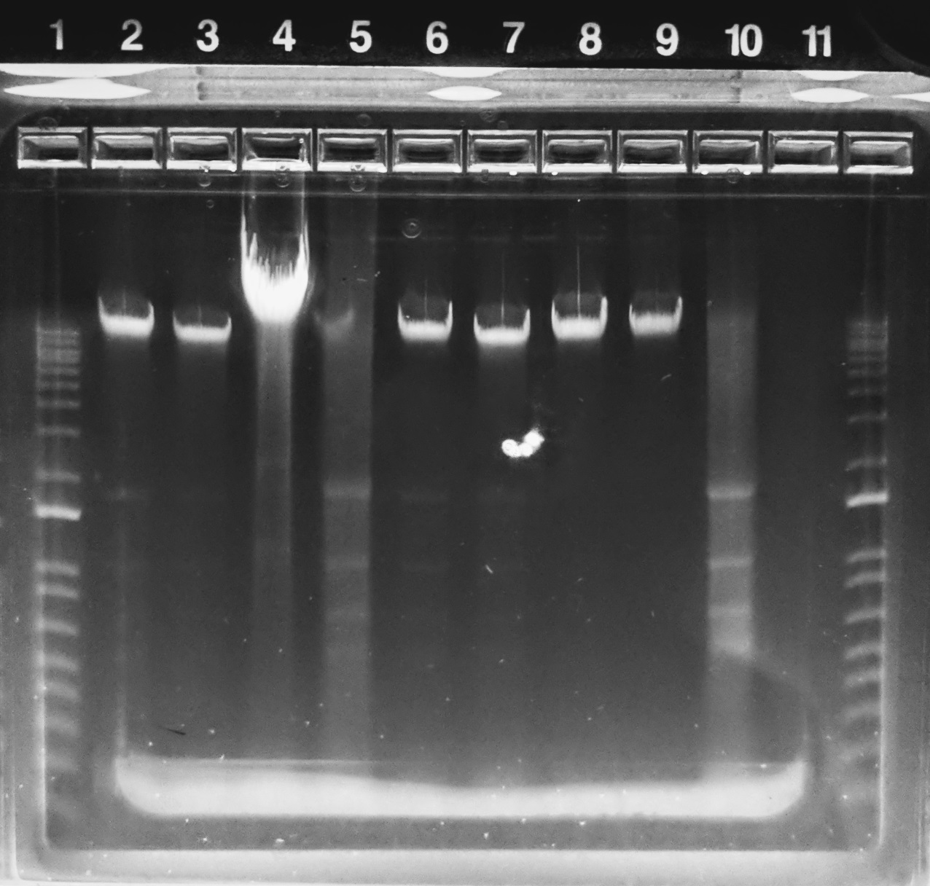
Lane | Sample
1 | 1kb DNA plus ladder
2 | 1
3 | 2
4 | 3
5 | 5
6 | 6
7 | 7
8 | 8
9 | 9
10 | 10
11 | NTC
12 | 1kb DNA plus ladder

