Sheet1
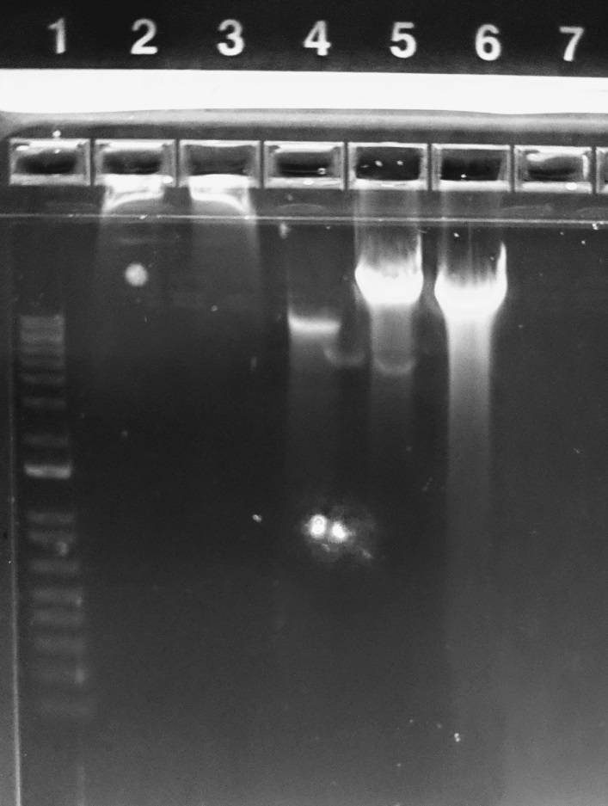
Lane | Sample
1 | 1kb DNA plus ladder
2 | S2
3 | S3
4 | Q3
5 | Glass
6 | Garnet
7 | NTC

Samples | **all are pseudomonas cultures from MIRA003_021618

S2 | Sigma GenElute Kit - 10 colonies
S3 | Sigma GenElute Kit - "bacteria ball"
Q3 | Qiagen DNEASY Kit - "bacteria ball"
Glass | 1/2 plate bacteria + bead beating + PC extraction + Rnase treatment
Garnet

Qubit | ng/uL

S2 | 28.4
S3 | 33.6
Q3 | 15.4
Glass | 34
Garnet | 125

