Cover
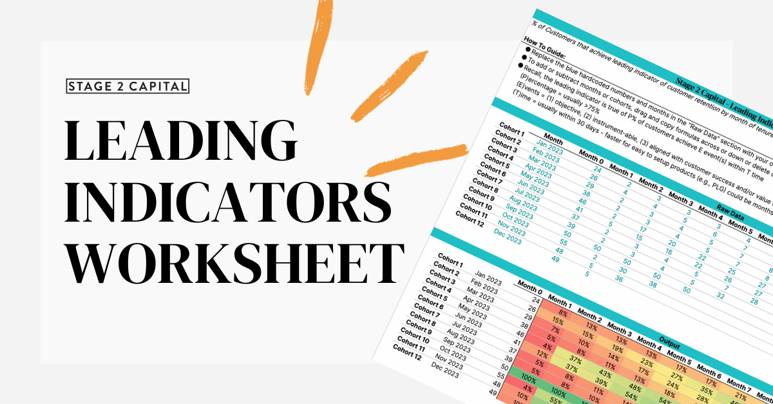

For assistance with these templates, use this article.

