Cover
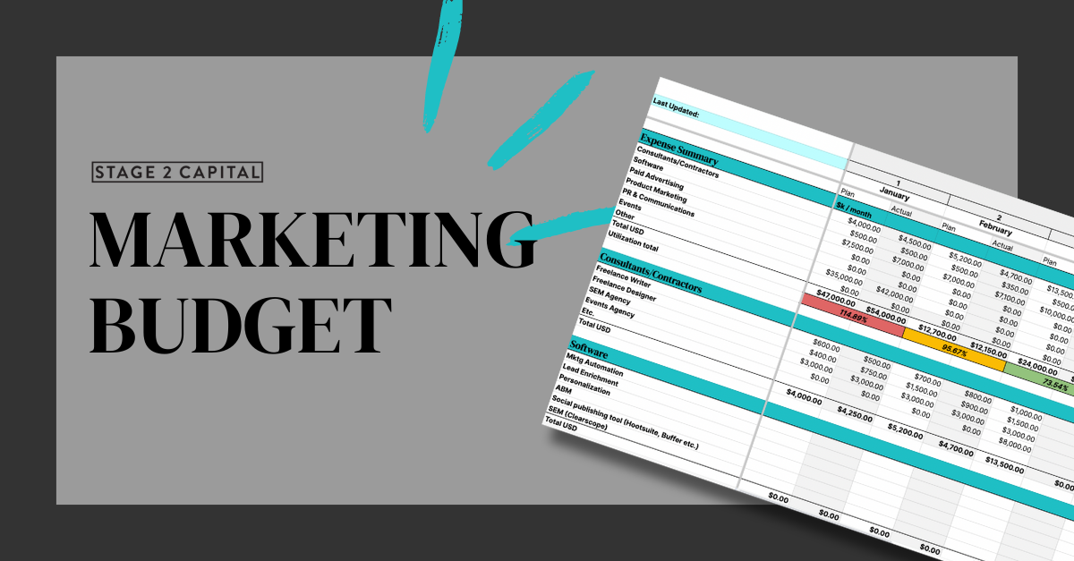

Year
 | 2024 |  |  |  |  |  |  |  |  |  |  |  |  |  |  |  |  |  |  |  |  |  |  |  |  |  |  | Q1 | Q2 | Q3 | Q4 | TOTAL
Last Updated: | 1 |  | 2 |  | 3 |  | 4 |  | 5 |  | 6 |  | 7 |  | 8 |  | 9 |  | 10 |  | 11 |  | 12 |  |  |  | Plan | $83,700.00 | $0.00 | $0.00 | $0.00 | $83,700.00
 | January |  | February |  | March |  | April |  | May |  | June |  | July |  | August |  | September |  | October |  | November |  | December |  | Program |  | Actual | $83,800.00 | $0.00 | $0.00 | $0.00 | $17,650.00
 | Plan | Actual | Plan | Actual | Plan | Actual | Plan | Actual | Plan | Actual | Plan | Actual | Plan | Actual | Plan | Actual | Plan | Actual | Plan | Actual | Plan | Actual | Plan | Actual | Plan | Actual | % Spent | 100.12% | #DIV/0! | #DIV/0! | #DIV/0! | 21.09%
Expense Summary | $k / month
Annual Spend by Program
Consultants/Contractors | $4,000.00 | $4,500.00 | $5,200.00 | $4,700.00 | $13,500.00 | $9,500.00 | $0.00 | $0.00 | $0.00 | $0.00 | $0.00 | $0.00 | $0.00 | $0.00 | $0.00 | $0.00 | $0.00 | $0.00 | $0.00 | $0.00 | $0.00 | $0.00 | $0.00 | $0.00 | $22,700.00 | $18,700.00
Software | $500.00 | $500.00 | $500.00 | $350.00 | $500.00 | $350.00 | $0.00 | $0.00 | $0.00 | $0.00 | $0.00 | $0.00 | $0.00 | $0.00 | $0.00 | $0.00 | $0.00 | $0.00 | $0.00 | $0.00 | $0.00 | $0.00 | $0.00 | $0.00 | $1,500.00 | $1,200.00
Paid Advertising | $7,500.00 | $7,000.00 | $7,000.00 | $7,100.00 | $10,000.00 | $7,800.00 | $0.00 | $0.00 | $0.00 | $0.00 | $0.00 | $0.00 | $0.00 | $0.00 | $0.00 | $0.00 | $0.00 | $0.00 | $0.00 | $0.00 | $0.00 | $0.00 | $0.00 | $0.00 | $24,500.00 | $21,900.00
Product Marketing | $0.00 | $0.00 | $0.00 | $0.00 | $0.00 | $0.00 | $0.00 | $0.00 | $0.00 | $0.00 | $0.00 | $0.00 | $0.00 | $0.00 | $0.00 | $0.00 | $0.00 | $0.00 | $0.00 | $0.00 | $0.00 | $0.00 | $0.00 | $0.00 | $0.00 | $0.00
PR & Communications | $0.00 | $0.00 | $0.00 | $0.00 | $0.00 | $0.00 | $0.00 | $0.00 | $0.00 | $0.00 | $0.00 | $0.00 | $0.00 | $0.00 | $0.00 | $0.00 | $0.00 | $0.00 | $0.00 | $0.00 | $0.00 | $0.00 | $0.00 | $0.00 | $0.00 | $0.00
Events | $35,000.00 | $42,000.00 | $0.00 | $0.00 | $0.00 | $0.00 | $0.00 | $0.00 | $0.00 | $0.00 | $0.00 | $0.00 | $0.00 | $0.00 | $0.00 | $0.00 | $0.00 | $0.00 | $0.00 | $0.00 | $0.00 | $0.00 | $0.00 | $0.00 | $35,000.00 | $42,000.00
Other | $0.00 | $0.00 | $0.00 | $0.00 | $0.00 | $0.00 | $0.00 | $0.00 | $0.00 | $0.00 | $0.00 | $0.00 | $0.00 | $0.00 | $0.00 | $0.00 | $0.00 | $0.00 | $0.00 | $0.00 | $0.00 | $0.00 | $0.00 | $0.00 | $0.00 | $0.00
Total USD | $47,000.00 | $54,000.00 | $12,700.00 | $12,150.00 | $24,000.00 | $17,650.00 | $0.00 | $0.00 | $0.00 | $0.00 | $0.00 | $0.00 | $0.00 | $0.00 | $0.00 | $0.00 | $0.00 | $0.00 | $0.00 | $0.00 | $0.00 | $0.00 | $0.00 | $0.00 | $83,700.00 | $83,800.00
Utilization total | 114.89% |  | 95.67% |  | 73.54% |  | #DIV/0! |  | #DIV/0! |  | #DIV/0! |  | #DIV/0! |  | #DIV/0! |  | #DIV/0! |  | #DIV/0! |  | #DIV/0! |  | #DIV/0! |  | 100.12%

Consultants/Contractors
Freelance Writer | $600.00 | $500.00 | $700.00 | $800.00 | $1,000.00
Freelance Designer | $400.00 | $750.00 | $1,500.00 | $900.00 | $1,500.00
SEM Agency | $3,000.00 | $3,000.00 | $3,000.00 | $3,000.00 | $3,000.00
Events Agency | $0.00 | $0.00 | $0.00 | $0.00 | $8,000.00
Etc.
Total USD | $4,000.00 | $4,250.00 | $5,200.00 | $4,700.00 | $13,500.00 | $0.00 | $0.00 | $0.00 | $0.00 | $0.00 | $0.00 | $0.00 | $0.00 | $0.00 | $0.00 | $0.00 | $0.00 | $0.00 | $0.00 | $0.00 | $0.00 | $0.00 | $0.00 | $0.00

Software
Mktg Automation
Lead Enrichment
Personalization
ABM
Social publishing tool (Hootsuite, Buffer etc.)
SEM (Clearscope)
Total USD | $0.00 | $0.00 | $0.00 | $0.00 | $0.00 | $0.00 | $0.00 | $0.00 | $0.00 | $0.00 | $0.00 | $0.00 | $0.00 | $0.00 | $0.00 | $0.00 | $0.00 | $0.00 | $0.00 | $0.00 | $0.00 | $0.00 | $0.00 | $0.00

Paid Advertising/Sponsorships
Paid Search (Google, Bing, etc)
Google Display Ads
Podcasts/Newsletter Sponsorships
OOH
Total USD | $0.00 | $0.00 | $0.00 | $0.00 | $0.00 | $0.00 | $0.00 | $0.00 | $0.00 | $0.00 | $0.00 | $0.00 | $0.00 | $0.00 | $0.00 | $0.00 | $0.00 | $0.00 | $0.00 | $0.00 | $0.00 | $0.00 | $0.00 | $0.00

Product Marketing
Product Releases
Product Video
Total USD in month | $0.00 | $0.00 | $0.00 | $0.00 | $0.00 | $0.00 | $0.00 | $0.00 | $0.00 | $0.00 | $0.00 | $0.00 | $0.00 | $0.00 | $0.00 | $0.00 | $0.00 | $0.00 | $0.00 | $0.00 | $0.00 | $0.00 | $0.00 | $0.00

PR & Comms
Media and social media monitoring and reporting software
Executive speaking agency
Award entry fees
News wires
Analyst Relations
Total USD in month | $0.00 | $0.00 | $0.00 | $0.00 | $0.00 | $0.00 | $0.00 | $0.00 | $0.00 | $0.00 | $0.00 | $0.00 | $0.00 | $0.00 | $0.00 | $0.00 | $0.00 | $0.00 | $0.00 | $0.00 | $0.00 | $0.00 | $0.00 | $0.00

Events
Tradeshow
Tradeshow
Event sponsorship
Total USD in month | $0.00 | $0.00 | $0.00 | $0.00 | $0.00 | $0.00 | $0.00 | $0.00 | $0.00 | $0.00 | $0.00 | $0.00 | $0.00 | $0.00 | $0.00 | $0.00 | $0.00 | $0.00 | $0.00 | $0.00 | $0.00 | $0.00 | $0.00 | $0.00

Other
Swag
Team offsites
Total USD in month | $0.00 | $0.00 | $0.00 | $0.00 | $0.00 | $0.00 | $0.00 | $0.00 | $0.00 | $0.00 | $0.00 | $0.00 | $0.00 | $0.00 | $0.00 | $0.00 | $0.00 | $0.00 | $0.00 | $0.00 | $0.00 | $0.00 | $0.00 | $0.00

