downstream volumes
Experiment | Cycle | Ds Volume | Ds volume | Volume PumpA | Volume pipe | Volume vessel (done with jacketed gouge holder)
 |  | mL | mm3 | mL | mL | mL
s1995 | 4 | 442.015284 | 442015.284 | 297.640284 | 5.15 | 139.225
s1995 | 5 | 442.01528 | 442015.28 | 297.64028 | 5.15 | 139.225
s1996 | 3 | 431.78075 | 431780.75 | 287.40575 | 5.15 | 139.225
s1997 | 2 | 599.055601 | 599055.601 | 454.680601 | 5.15 | 139.225
s1997 | 3 | 599.055601 | 599055.601 | 454.680601 | 5.15 | 139.225
s1997 | 4 | 599.055601 | 599055.601 | 454.680601 | 5.15 | 139.225

In prima approssimazione il volume nel vessel col giacchetto e il portacampioni in gouge può essere considerato.
La parte downstream con GEMS non è chiusa, solo la PumpA era STOP a volume costante.

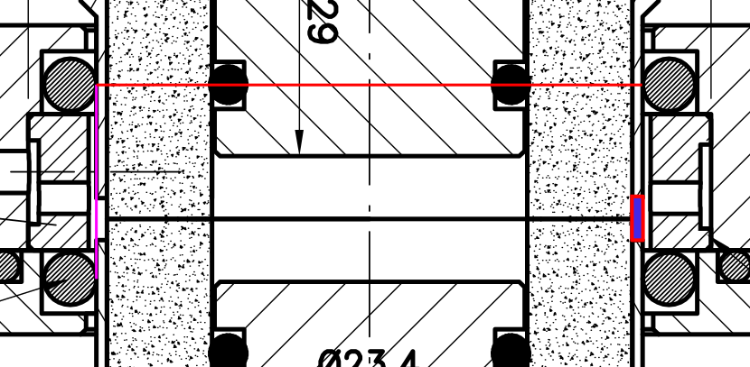

 |  |  |  |  |  |  | red | 52

 |  |  |  |  |  |  | purple | 18.5

 |  |  |  |  |  |  | rettangolo | 1.4 x 4.5 | depends on sample

