General Site Information
1. General Site Information

 | General Site Information |  |  | Remarks |  |  |  |  |  |  | Site location | RSRP MR Discovery before site OA
 | Tower ID |  |  | SUM-SU-KBJ-0106 |  |  |  | SUM-SU-KBJ-0106
 | DU ID SON |  |  | SUM-SU-KBJ-0106_WLUAL_MSE_L1800 |  |  |  | SUM-SU-KBJ-0106_WLUAL_MSE_L1800
 | Site ID |  |  | 4222520E |  |  |  | 4222520E
 | Site Name |  |  | 4222520E_LTE_UJUNG_AJI |  |  |  | 4222520E_LTE_UJUNG_AJI
2.3 KM
 | Site Address |  |  | Jl. Ujung Aji No. 56 Desa Ujung Aji Kec. Berastagi - SUMUT
 | Long / Lat |  |  | 98.52151111/3.171561111
1.4 KM
 | Azimuth |  |  | 65/ 110 /315
2.4KM
2.5KM
1.5KM
2.4KM
3.2KM
 | Tilt (E/M) |  |  | (RET SN/2) (RET SN/1) (RET SN/1)
 | Antenna Height |  |  | 38M
Open Area
 | RRU Type: Existing / Plan / Implemented |  |  | RF900: Existing-6xMRFU_V2 RF1800: New-1xRRU5866 + Existing-1xRRU5502+1xRRU5909 RF2100: New-1xRRU5866 + Existing-1xRRU5502+1xRRU5905
1.3 KM
 | SoW BoQ: Plan/Implemented |  |  | MS 4T6S (1800+2100)_Sec_2
 | ALL System |  |  | GSM+L1800+L2100 |  |  |  | GSM+L1800+L2100
 | Frequency Layer / EUARFCN / Bandwidth |  |  | L1800/1325/20Mhz |  |  |  | L1800/1325/20Mhz
 | PCI information Sect 1 / Sect 2 / Sect 3 |  |  | 432/ 433/ 434 |  |  |  | 432/ 433/ 434
 | TAC Configuration |  |  | 22039 |  |  |  | 22039
 | Antenna Type / MIMO |  |  | Sector1 (2T2R)/ Sector 2&4(8T8R)/3 (4T4R)
 | Area Class |  |  | Inner

 | Sector | Site ID | ENodeB Name |  | Cell Name | Cell Index | PCI | Azimuth | M-Tilt | E-Tilt
 | 1 | 4222520E | 4222520E_LTE_UJUNG_AJI |  | MD4G18_4222520E_4 | 4 | 432 | 65 | 2 | RET SN
 | 2 | 4222520E | 4222520E_LTE_UJUNG_AJI |  | MD4G18_4222520E_5 | 5 | 433 | 110 | 1 | RET SN
 | 3 | 4222520E | 4222520E_LTE_UJUNG_AJI |  | MD4G18_4222520E_6 | 6 | 434 | 315 | 1 | RET SN
 | 4 | 4222520E | 4222520E_LTE_UJUNG_AJI |  | MD4G18_4222520E_25_M | 25 | 249 | 170 | 1 | RET SN
 | 5 | 4222520E | 4222520E_LTE_UJUNG_AJI
 | 6 | 4222520E | 4222520E_LTE_UJUNG_AJI
2024

VDT View
 2. VDT View

Dominant Cell

 |  | Note : MDT 20^20 |  |  |  | Note : MDT 50^50

 |  |  |  |  | Sectoral |  | Status

 |  |  |  |  | Sector 1 |  | Match
 |  |  |  |  | Sector 2 |  | Match
 |  |  |  |  | Sector 3 |  | Match
 |  |  |  |  | Sector 4 |  | Match
 |  |  |  |  | Remark |  | PASS

 | MD4G18_4222520E_4 |  | MD4G18_4222520E_5 |  |  |  |  | MD4G18_4222520E_6

 | MD4G18_4222520E_25_M

Virtual RSRP (Reference Signal Received Power)

 | Before |  |  | After
 |  |  |  |  |  |  |  |  | Table sample polygon ISD 60%
 |  |  |  |  |  |  |  |  | Range (dBm) | Colour | Sample |  | Percentage Sample
 |  |  |  |  |  |  |  |  |  |  | Before | After | Before | After
 |  |  |  |  |  |  |  |  | -40 to -85 |  | 24 | 31 | 24.49% | 28.70%
 |  |  |  |  |  |  |  |  | -85 to -95 |  | 22 | 47 | 22.45% | 43.52%
 |  |  |  |  |  |  |  |  | -95 to -100 |  | 29 | 21 | 29.59% | 19.44%
 |  |  |  |  |  |  |  |  | -100 to -105 |  | 9 | 2 | 9.18% | 1.85%
 |  |  |  |  |  |  |  |  | -105 to -110 |  | 10 | 5 | 10.20% | 4.63%
 |  |  |  |  |  |  |  |  | -110 to -140 |  | 4 | 2 | 4.08% | 1.85%
 |  |  |  |  |  |  |  |  | Total |  | 98 | 108 | 100.00% | 100.00%
 |  |  |  |  |  |  |  |  | >=-105 Inner |  | 84 | 101 | 85.71% | 93.52%
 |  |  |  |  |  |  |  |  |  |  |  |  |  | 7.80%

 |  |  |  |  |  |  |  |  | BEFORE |  | AFTER |  | Remark
 |  |  |  |  |  |  |  |  | 85.71% |  | 93.52% |  | 7.80% | Increased
 |  |  |  |  |  |  |  |  |  | 85.71% | 93.52%

Virtual CQI

 | Before |  |  | After

 |  |  |  |  |  |  |  |  | Table sample polygon ISD 60%
 |  |  |  |  |  |  |  |  | Range | Colour | Sample |  | Percentage Sample

 |  |  |  |  |  |  |  |  |  |  | Before | After | Before | After
 |  |  |  |  |  |  |  |  | [10,15] |  | 50 | 66 | 60.98% | 69.47%
 |  |  |  |  |  |  |  |  | [8.10] |  | 16 | 15 | 19.51% | 15.79%
 |  |  |  |  |  |  |  |  | [5,8] |  | 13 | 14 | 15.85% | 14.74%
 |  |  |  |  |  |  |  |  | [2,5] |  | 3 | 0 | 3.66% | 0.00%
 |  |  |  |  |  |  |  |  | [0.2] |  | 0 | 0 | 0.00% | 0.00%
 |  |  |  |  |  |  |  |  | Total |  | 82 | 95 | 100.00% | 100.00%
 |  |  |  |  |  |  |  |  | >=8 |  | 66 | 81 | 80.49% | 85.26%
 |  |  |  |  |  |  |  |  |  |  |  |  |  | 4.78%

 |  |  |  |  |  |  |  |  | BEFORE |  | AFTER |  | Remark
 |  |  |  |  |  |  |  |  | 80.49% |  | 85.26% |  | 4.78% | Increased
 |  |  |  |  |  |  |  |  |  | 80.49% | 85.26%

Intra Freq Cell Relations

 | MD4G18_4222520E_4 |  | MD4G18_4222520E_5 |  |  |  |  | MD4G18_4222520E_6

 | MD4G18_4222520E_25_M |  | 0 |  |  |  |  | 0

VDT KPI Summary
 3. VDT KPI

 |  |  |  |  |  | Before | After |  |  |  |  |  | Remark
No | Test Item | KPI Source | Unit | Reference | 4G KPI Huawei | Baseline | Sec 1 | Sec 2 | Sec 3 | Sec 4 | Sec 5 | Sec 6
1 | Cross feeder Check | MDT | % | Per Sector | No Crossfeeder | NA | No Cross Feeder | No Cross Feeder | No Cross Feeder | No Cross Feeder | No Cross Feeder | No Cross Feeder | PASS
2 | DL Single User Throughput (Max – Best Spot) | MDT | Mbps | Per Sector | > 3 Mbps Per Sector | NA | 91.99 | 81.86 | 70.95 | 70.95 | 70.95 | 70.95 | PASS
3 | RSRP >-105dBm | MDT | % | Total Site | ISD 60% (L21 40%) Inner (-105 dBm) >= 90%, (L21: 80%) Outer (-110 dBm) >= 85%, (L21: 75%) For Rural (-110 dBm) >= 85%, (L21: 75%) ISD follow 80% TA | 86% | 93.52% |  |  |  |  |  | PASS
4 | CQI>8 (RSRP >-105dBm) | MDT | % | Total Site | ISD 60% ≥75% (L21 ISD 40%) For Rural ISD follow 80% TA | 80% | 85.26% |  |  |  |  |  | PASS
5 | Intra-Frequency Handover | MDT | % | Per Sector | ≥ 97% | NA | 99.63 | 99.76 | 99.78 | 99.78 | 99.78 | 99.78 | PASS

Crossfeeder partial check from U2020

Timing Advance
 5. Timing Advance

 | Timing Advance Distribution | Timing Advance Neighbor Cell (Info Only)
Sector 1 -> 2.3 KM -> 97.50%
Sector 2 -> 2.3 KM -> 94.61%

Sector 2 -> Open Area -> 100.00%
Sector 2 -> Open Area-> 100.00%

Sector 3 -> 1.3 KM -> 95.65%
Sector 2 -> 1.3 KM -> 96.19%

Sector 4 -> 1.3 KM -> 55.76%
Sector 1 -> 1.3 KM -> 98.96%
Sector 2 -> 1.1 KM -> 61.47%

2024
Sector 5 -> 1.3 KM -> 55.76%
Sector 1 -> 1.3 KM -> 98.96%

Justification
6. Justification

 | KPI | Finding Issue |  | Remark
 | NMS and VDT already Pass | RSRP improve and CQI improve RSRP Before 85.71%, After 93.52%, Improve 7.80% CQI Before 80.49%, After 85.26%, Improve 4.78% |  | Done visit site SUM-SU-KBJ-0106_WLUAL_MSE_L1800_IT 4222520E_LTE_UJUNG_AJI Date : 07 June 2024 AZ : 65/155/315 > 65/140/315 MT :2/0/1 > 2/1/1 ET : RET 20 / RET 20 / RET 20 Height Antenna : 41 M Antenna Type :Sect 1&3 =ATR4518R6v07, Sect 2= A08260PD05v06

 | RSRP MDT 20^20 |  |  | RSRP MDT 50^50

 | CQI MDT 20^20 |  |  | CQI MDT 50^50

 | MOD 3 Collosion Clear

 | PCI

 | Population
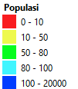

 | Payload & User Site Level

ITR
before
after

 | Payload & User Site Level Comparison

 | Payload & User Cluster Level

 | Payload & User Cluster Level Comparison

Sector 2 MSE
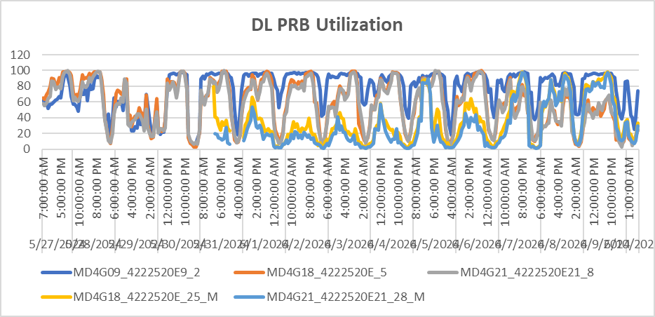
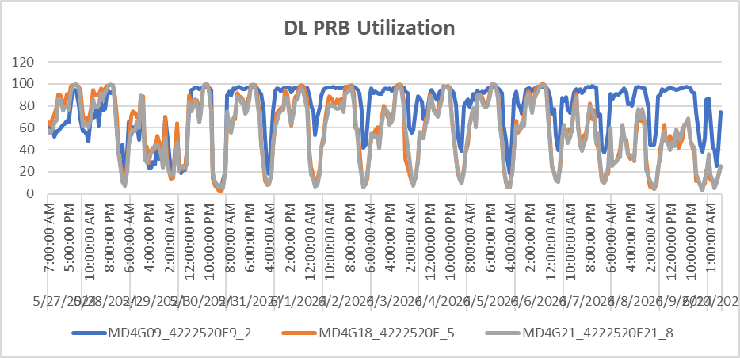
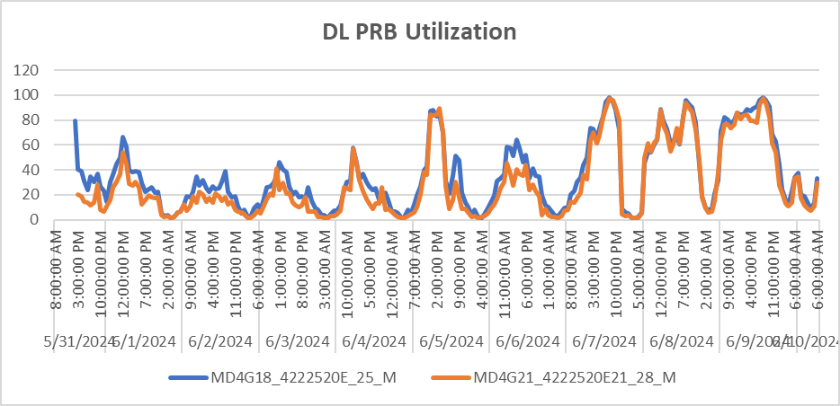
 | PRB Utilasi
 | Sector 2 All |  | Sector 2 existing

TA NPM WEEK25
MD4G18_4222520E_4 |  |  | MD4G18_4222520E_5 |  |  | MD4G18_4222520E_6

MD4G18_4222520E_25_M |  |  | 0 |  | 0

