General Site Information
1. General Site Information

 | General Site Information |  |  | Remarks |  |  |  |  |  |  | Site location | RSRP MR Discovery before site OA
 | Tower ID |  |  | SUM-AC-LSM-0131 |  |  |  | SUM-AC-LSM-0131
 | DU ID SON |  |  | SUM-AC-LSM-0131_WLUAL_R4T_L1800 |  |  |  | SUM-AC-LSM-0131_WLUAL_R4T_L1800
 | Site ID |  |  | 4214270E |  |  |  | 4214270E
 | Site Name |  |  | 4214270E_LTE_Poltek Lhokseumawe |  |  |  | 4214270E_LTE_Poltek Lhokseumawe
 | Site Address |  |  | Gempong Meunasah Masjid Puenteut, Kec. Blang Mangat, Kota Lhoksumawe, NAD
 | Long / Lat |  |  | 97.15961111/5.121333333
 | Azimuth |  |  | 140/ 245 /310
 | Tilt (E/M) |  |  | (RET SN/4) (RET SN/3) (RET SN/4)
 | Antenna Height |  |  | 43M
1.1 KM
 | RRU Type: Existing / Plan / Implemented |  |  | RF900: Existing-3xRRU5909 RF1800: New-1xRRU5866 - Sharing RRU + Existing-1xRRU3959 RF2100: New-1xRRU5866 - Sharing RRU + Existing-1xRRU5905
3.2 KM
 | SoW BoQ: Plan/Implemented |  |  | Upgrade 4T4R (1800+2100)_Sec_1&2
 | ALL System |  |  | GSM+L1800+L2100 |  |  |  | GSM+L1800+L2100
 | Frequency Layer / EUARFCN / Bandwidth |  |  | L1800/1325/20Mhz |  |  |  | L1800/1325/20Mhz
 | PCI information Sect 1 / Sect 2 / Sect 3 |  |  | 409/ 408/ 410 |  |  |  | 409/ 408/ 410
 | TAC Configuration |  |  | 21007 |  |  |  | 21007
 | Antenna Type / MIMO |  |  | Sector1 (4T4R)/ Sector 2&3 (2T2R)
Open Area
 | Area Class |  |  | Inner

 | Sector | Site ID | ENodeB Name |  | Cell Name | Cell Index | PCI | Azimuth | M-Tilt | E-Tilt
 | 1 | 4214270E | 4214270E_LTE_Poltek Lhokseumawe |  | AC4G18_4214270E_4 | 4 | 409 | 140 | 4 | RET SN
 | 2 | 4214270E | 4214270E_LTE_Poltek Lhokseumawe |  | AC4G18_4214270E_5 | 5 | 408 | 245 | 3 | RET SN
 | 3 | 4214270E | 4214270E_LTE_Poltek Lhokseumawe |  | AC4G18_4214270E_6 | 6 | 410 | 310 | 4 | RET SN
2024

VDT View
 2. VDT View

Dominant Cell

 |  | Note : MDT 20^20 |  |  |  | Note : MDT 50^50

 |  |  |  | Sectoral | Status

 |  |  |  | Sector 1 | Match
 |  |  |  | Sector 2 | Match
 |  |  |  | Sector 3 | Match
 |  |  |  | Remark | PASS

 | AC4G18_4214270E_4 |  | AC4G18_4214270E_5 |  |  |  | AC4G18_4214270E_6

Virtual RSRP (Reference Signal Received Power)

 | Before |  |  | After
 |  |  |  |  |  |  |  | Table sample polygon ISD 60%
 |  |  |  |  |  |  |  | Range (dBm) | Colour | Sample |  | Percentage Sample
 |  |  |  |  |  |  |  |  |  | Before | After | Before | After
 |  |  |  |  |  |  |  | -40 to -85 |  | 186 | 216 | 25.44% | 24.55%
 |  |  |  |  |  |  |  | -85 to -95 |  | 343 | 377 | 46.92% | 42.84%
 |  |  |  |  |  |  |  | -95 to -100 |  | 78 | 134 | 10.67% | 15.23%
 |  |  |  |  |  |  |  | -100 to -105 |  | 63 | 89 | 8.62% | 10.11%
 |  |  |  |  |  |  |  | -105 to -110 |  | 49 | 53 | 6.70% | 6.02%
 |  |  |  |  |  |  |  | -110 to -140 |  | 12 | 11 | 1.64% | 1.25%
 |  |  |  |  |  |  |  | Total |  | 731 | 880 | 100.00% | 100.00%
 |  |  |  |  |  |  |  | >=-105 Inner |  | 670 | 816 | 91.66% | 92.73%
 |  |  |  |  |  |  |  |  |  |  |  |  |  | -92.73%

 |  |  |  |  |  |  |  | BEFORE |  | AFTER |  | Remark
 |  |  |  |  |  |  |  | 91.66% |  | 92.73% |  | 1.07% | Maintained
 |  |  |  |  |  |  |  |  |  | 91.66% | 92.73% | 1.07%

Virtual CQI

 | Before |  |  | After

 |  |  |  |  |  |  |  | Table sample polygon ISD 60%
 |  |  |  |  |  |  |  | Range | Colour | Sample |  | Percentage Sample

 |  |  |  |  |  |  |  |  |  | Before | After | Before | After
 |  |  |  |  |  |  |  | [10,15] |  | 226 | 331 | 33.73% | 40.42%
 |  |  |  |  |  |  |  | [8.10] |  | 209 | 213 | 31.19% | 26.01%
 |  |  |  |  |  |  |  | [5,8] |  | 200 | 232 | 29.85% | 28.33%
 |  |  |  |  |  |  |  | [2,5] |  | 33 | 39 | 4.93% | 4.76%
 |  |  |  |  |  |  |  | [0.2] |  | 2 | 4 | 0.30% | 0.49%
 |  |  |  |  |  |  |  | Total |  | 670 | 819 | 100.00% | 100.00%
 |  |  |  |  |  |  |  | >=8 |  | 435 | 544 | 64.93% | 66.42%
 |  |  |  |  |  |  |  |  |  |  |  |  |  | 66.42%

 |  |  |  |  |  |  |  | BEFORE |  | AFTER |  | Remark
 |  |  |  |  |  |  |  | 64.93% |  | 66.42% |  | 1.50% | Maintained
 |  |  |  |  |  |  |  |  |  | 64.93% | 66.42% | 1.50%

Intra Freq Cell Relations

 | AC4G18_4214270E_4 |  | AC4G18_4214270E_5 |  |  |  | AC4G18_4214270E_6

VDT KPI Summary
 3. VDT KPI

 |  |  |  |  |  | Before | After |  |  | Remark
No | Test Item | KPI Source | Unit | Reference | 4G KPI Huawei | Baseline | Sec 1 | Sec 2 | Sec 3
1 | Cross feeder Check | MDT | % | Per Sector | No Crossfeeder | NA | No Cross Feeder | No Cross Feeder | No Cross Feeder | PASS
2 | DL Single User Throughput (Max – Best Spot) | MDT | Mbps | Per Sector | > 3 Mbps Per Sector | NA | 91.99 | 81.86 | 70.95 | PASS
3 | RSRP >-105dBm | MDT | % | Total Site | ISD 60% (L21 40%) Inner (-105 dBm) >= 90%, (L21: 80%) Outer (-110 dBm) >= 85%, (L21: 75%) For Rural (-110 dBm) >= 85%, (L21: 75%) ISD follow 80% TA | 92% | 92.73% |  |  | PASS
4 | CQI>8 (RSRP >-105dBm) | MDT | % | Total Site | ISD 60% ≥75% (L21 ISD 40%) For Rural ISD follow 80% TA | 65% | 66.42% |  |  | PASS
5 | Intra-Frequency Handover | MDT | % | Per Sector | ≥ 97% | NA | 99.63 | 99.76 | 99.78 | PASS

Crossfeeder partial check from U2020

Timing Advance
 5. Timing Advance

 | Timing Advance Distribution | Timing Advance Neighbor Cell (Info Only)
Sector 1 -> 3.2 KM -> 98.46%
Sector 3 -> 3.2 KM -> 99.31%

Sector 2 -> 3.2 KM -> 100.00%
Sector 2 -> 3.2 KM -> 100.00%

Sector 3 -> 1.1 KM -> 59.59%
Sector 2 -> 1.1 KM -> 61.47%

2024

Justification
6. Justification

 | KPI | Finding Issue |  | Remark
 | NMS and VDT already Pass | RSRP improve and CQI improve RSRP Before 40.76%, After 65.37%, Improve 24.61% CQI Before 59.37%, After 74.67%, Improve 15.30%

 | RSRP MDT 20^20 |  |  | RSRP MDT 50^50

 | CQI MDT 20^20 |  |  | CQI MDT 50^50

 | MOD 3 Collosion Clear

 | PCI

 | Population
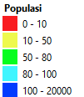

TA NPM WEEK34
AC4G18_4214270E_4 |  |  | AC4G18_4214270E_5 |  | AC4G18_4214270E_6

INFO
Info

Check Point
1. GE 1st Tier ✅ OK
2. PAYLOAD Cluster ❌ Degrade -2.24%
3. PAYLOAD Site Level ✅ Improve 4.77%
4. PCI Homogen ✅
5. PRB ✅ SOW Balance
6. RANK2 ✅ Sector SOW Improve
7. PORT UNBALANCE ✅ balance (Info Only)
8. ATP ✅ ATP Approved (Info Only)
9. MR RSRP ✅ Improve 4.36% from 89.31% to 93.67%
10. MR CQI ✅ improve 5.36% from 65.77% to 71.13%
11. TA Overshoot ✅ safe >80%
12. ALARM ✅ NOK
13. VSWR ✅ clear
14. CRS PORT ✅ 4ports
15. LICENSE ✅ clear
16. PCI MOD3 ✅ clear
17. Capture review CO NPM ❌

1 | GE 1st Tier | OK |  |  |  |  |  | ✅
2 | PAYLOAD Cluster | Improve |  |  |  |  |  | ✅
3 | PAYLOAD Site Level | Improve |  |  |  |  |  | ✅
4 | PCI Homogen | OK |  |  |  |  |  | ✅
5 | PRB | SOW Balance |  |  |  |  |  | ✅
6 | RANK2 | Sector SOW Improve |  |  |  |  |  | ✅
7 | PORT UNBALANCE | Balance | Info only |  |  |  |  | ✅
8 | ATP | ATP Approved | Info only |  |  |  |  | ✅
9 | MR RSRP | Maintained | 1.07% | from | 91.66% | to | 92.73% | ✅
10 | MR CQI | Maintained | 1.50% | from | 64.93% | to | 66.42% | ✅
11 | TA Overshoot | safe >80% |  |  |  |  |  | ✅
12 | ALARM | OK |  |  |  |  |  | ✅
13 | VSWR | Clear |  |  |  |  |  | ✅
14 | CRS PORT | 4 Port |  |  |  |  |  | ✅
15 | LICENSE | Clear |  |  |  |  |  | ✅
16 | PCI MOD3 | Clear |  |  |  |  |  | ✅
17 | Capture review CO NPM |  |  |  |  |  |  | ❌

1. RET Info

2. Capture Active Alarm

3. Capture VSWR Setting

4. LTE Bandwidth and MIMO Config

5. Power Info

6. DSP ETHPORT

7. TA ISD

8. All KPI
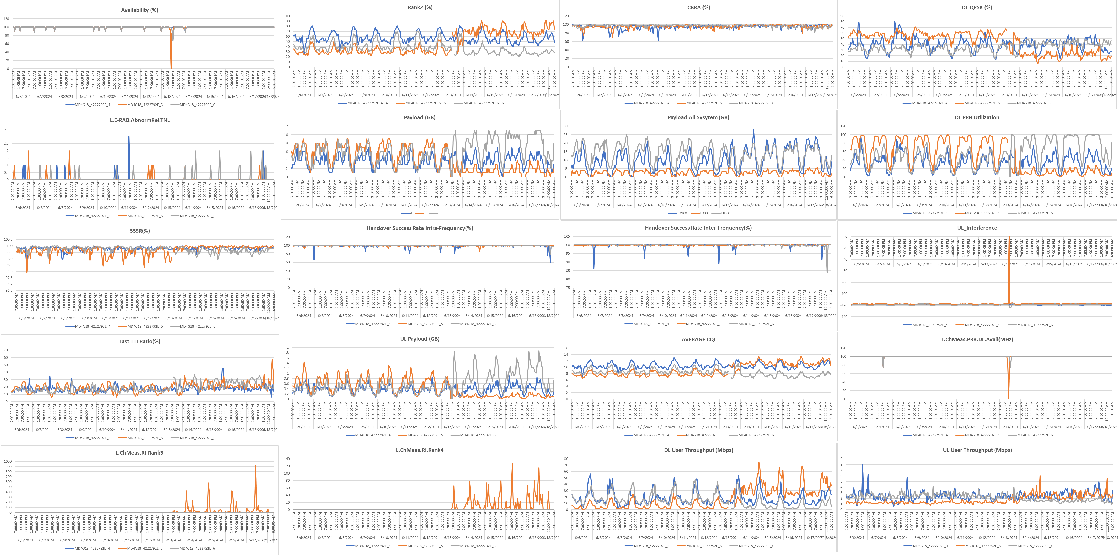

 | Payload & User Site Level

Audit
Before
After
Integrasi

