General Site Information
1. General Site Information

 | General Site Information |  |  | Remarks |  |  |  |  |  |  | Site location | RSRP MR Discovery before site OA
 | Tower ID |  |  | SUM-AC-LSM-0131 |  |  |  | SUM-AC-LSM-0131
 | DU ID SON |  |  | SUM-AC-LSM-0131_WLUAL_R4T_L1800 |  |  |  | SUM-AC-LSM-0131_WLUAL_R4T_L1800
 | Site ID |  |  | 4214270E |  |  |  | 4214270E
 | Site Name |  |  | 4214270E_LTE_Poltek Lhokseumawe |  |  |  | 4214270E_LTE_Poltek Lhokseumawe
 | Site Address |  |  | Gempong Meunasah Masjid Puenteut, Kec. Blang Mangat, Kota Lhoksumawe, NAD
 | Long / Lat |  |  | 97.15961111/5.121333333
 | Azimuth |  |  | 140/ 245 /310
 | Tilt (E/M) |  |  | (RET SN/4) (RET SN/3) (RET SN/4)
 | Antenna Height |  |  | 43M
1.1 KM
 | RRU Type: Existing / Plan / Implemented |  |  | RF900: Existing-3xRRU5909 RF1800: New-1xRRU5866 - Sharing RRU + Existing-1xRRU3959 RF2100: New-1xRRU5866 - Sharing RRU + Existing-1xRRU5905
3.2 KM
 | SoW BoQ: Plan/Implemented |  |  | Upgrade 4T4R (1800+2100)_Sec_1&2
 | ALL System |  |  | GSM+L1800+L2100 |  |  |  | GSM+L1800+L2100
 | Frequency Layer / EUARFCN / Bandwidth |  |  | L1800/1325/20Mhz |  |  |  | L1800/1325/20Mhz
 | PCI information Sect 1 / Sect 2 / Sect 3 |  |  | 409/ 408/ 410 |  |  |  | 409/ 408/ 410
 | TAC Configuration |  |  | 21007 |  |  |  | 21007
 | Antenna Type / MIMO |  |  | Sector1 (4T4R)/ Sector 2&3 (2T2R)
Open Area
 | Area Class |  |  | Inner

 | Sector | Site ID | ENodeB Name |  | Cell Name | Cell Index | PCI | Azimuth | M-Tilt | E-Tilt
 | 1 | 4214270E | 4214270E_LTE_Poltek Lhokseumawe |  | AC4G18_4214270E_4 | 4 | 409 | 140 | 4 | RET SN
 | 2 | 4214270E | 4214270E_LTE_Poltek Lhokseumawe |  | AC4G18_4214270E_5 | 5 | 408 | 245 | 3 | RET SN
 | 3 | 4214270E | 4214270E_LTE_Poltek Lhokseumawe |  | AC4G18_4214270E_6 | 6 | 410 | 310 | 4 | RET SN
2024

VDT View
 2. VDT View

Dominant Cell

 | Note : MDT 20^20 |  |  |  |  |  |  |  | Note : MDT 50^50
 |  | Sectoral |  |  |  | Status

 |  | Sector 1 |  |  |  | Match
 |  | Sector 2 |  |  |  | Match
 |  | Sector 3 |  |  |  | Match
 |  | Remark |  |  |  | PASS

 | AC4G18_4214270E_4 |  | AC4G18_4214270E_5 |  |  |  |  | AC4G18_4214270E_6

Virtual RSRP (Reference Signal Received Power)

1.950 Km
 |  |  |  | Table sample polygon ISD 60%
 |  |  |  | Range (dBm) | Colour | Sample | Percentage Sample

 |  |  |  | -40 to -85 |  | 2 | 2.53%
 |  |  |  | -85 to -95 |  | 5 | 6.33%
 |  |  |  | -95 to -100 |  | 0 | 0.00%
 |  |  |  | -100 to -105 |  | 10 | 12.66%
 |  |  |  | -105 to -110 |  | 20 | 25.32%
 |  |  |  | -110 to -140 |  | 42 | 53.16%
 |  |  |  | Total |  | 79 | 100.00%
 |  |  |  | >=-105 Inner |  | 17 | 21.52%

Virtual CQI

1.950 Km
 |  |  |  | Table sample polygon ISD 60%
 |  |  |  | Range | Colour | Sample | Percentage Sample

 |  |  |  | [10,15] |  | 36 | 55.38%
 |  |  |  | [8.10] |  | 15 | 23.08%
 |  |  |  | [5,8] |  | 11 | 16.92%
 |  |  |  | [2,5] |  | 1 | 1.54%
 |  |  |  | [0.2] |  | 2 | 3.08%
 |  |  |  | Total |  | 65 | 100.00%
 |  |  |  | >=8 |  | 51 | 78.46%

Intra Freq Cell Relations

 | AC4G18_4214270E_4 |  | AC4G18_4214270E_5 |  |  |  |  | AC4G18_4214270E_6

VDT KPI Summary
 3. VDT KPI

 |  |  |  |  |  | After |  |  | Remark
No | Test Item | KPI Source | Unit | Reference | 4G KPI Huawei | Sec 1 | Sec 2 | Sec 3
1 | Cross feeder Check | MDT | % | Per Sector | No Crossfeeder | No Cross Feeder | No Cross Feeder | No Cross Feeder | PASS
2 | DL Single User Throughput (Max – Best Spot) | MDT | Mbps | Per Sector | > 3 Mbps Per Sector | 91.99 | 81.86 | 70.95 | PASS
3 | RSRP >-105dBm | MDT | % | Total Site | ISD 60% (L21 40%) Inner (-105 dBm) >= 90%, (L21: 80%) Outer (-110 dBm) >= 85%, (L21: 75%) For Rural (-110 dBm) >= 85%, (L21: 75%) ISD follow 80% TA | 21.52% |  |  | NOT PASS
4 | CQI>8 (RSRP >-105dBm) | MDT | % | Total Site | ISD 60% ≥75% (L21 ISD 40%) For Rural ISD follow 80% TA | 78.46% |  |  | PASS
5 | Intra-Frequency Handover | MDT | % | Per Sector | ≥ 97% | 99.63 | 99.76 | 99.78 | PASS

Crossfeeder partial check from U2020

Timing Advance
 5. Timing Advance

 | Timing Advance Distribution | Timing Advance Neighbor Cell (Info Only)
Sector 1 -> 3.2 KM -> 98.46%
Sector 3 -> 3.2 KM -> 99.31%

Sector 2 -> 3.2 KM -> 100.00%
Sector 2 -> 3.2 KM -> 100.00%

Sector 3 -> 1.1 KM -> 59.59%
Sector 2 -> 1.1 KM -> 61.47%

2024

Justification
6. Justification

 | KPI | Finding Issue |  | Remark
 | NMS and VDT already Pass | RSRP improve and CQI improve RSRP Before 40.76%, After 65.37%, Improve 24.61% CQI Before 59.37%, After 74.67%, Improve 15.30%

 | RSRP MDT 20^20 |  |  | RSRP MDT 50^50

 | CQI MDT 20^20 |  |  | CQI MDT 50^50

 | MOD 3 Collosion Clear

 | PCI

 | Population
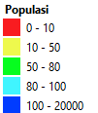

TA NPM WEEK34
AC4G18_4214270E_4 |  |  | AC4G18_4214270E_5 |  | AC4G18_4214270E_6

INFO
Info

Check Point
New Site
Check Point
1. GE 1st Tier ✅ OK
2. PCI HOMOGEN✅ OK
3. PRB ❌ Unbalance Sec 1 & Sec 3
4. RANK2 ✅ Sector SOW Improve > 21.6%
5. PORT ✅ balance (Info Only)
6. ATP ✅ ATP NY Approved (Info Only)
7. MR RSRP ❌ RSRP > -105 dBm 46.84%
8. MR CQI ✅ CQI > 78.46%
9. TA Overshoot ✅ safe >80%
10. ALARM ✅ OK
11. VSWR ✅ clear
12. CRS PORT ✅ 2ports
13. LICENSE ✅ clear
14. PCI MOD3 ✅ OK
15. Capture review CO NPM

1 | GE 1st Tier | OK |  | ✅
2 | PAYLOAD Cluster | Improve |  | ✅
3 | PAYLOAD Site Level | Improve |  | ✅
4 | PCI Homogen | OK |  | ✅
5 | PRB | SOW Balance |  | ✅
6 | RANK2 | Sector SOW Improve |  | ✅
7 | PORT UNBALANCE | Balance | Info only | ✅
8 | ATP | ATP Approved | Info only | ✅
9 | MR RSRP | #REF! | 21.52% | ✅
10 | MR CQI | #REF! | 78.46% | ✅
11 | TA Overshoot | safe >80% |  | ✅
12 | ALARM | OK |  | ✅
13 | VSWR | Clear |  | ✅
14 | CRS PORT | 4 Port |  | ✅
15 | LICENSE | Clear |  | ✅
16 | PCI MOD3 | Clear |  | ✅
17 | Capture review CO NPM |  |  | ❌

1. RET Info

2. Capture Active Alarm

3. Capture VSWR Setting

4. LTE Bandwidth and MIMO Config

5. Power Info

6. DSP ETHPORT

7. TA ISD

8. All KPI
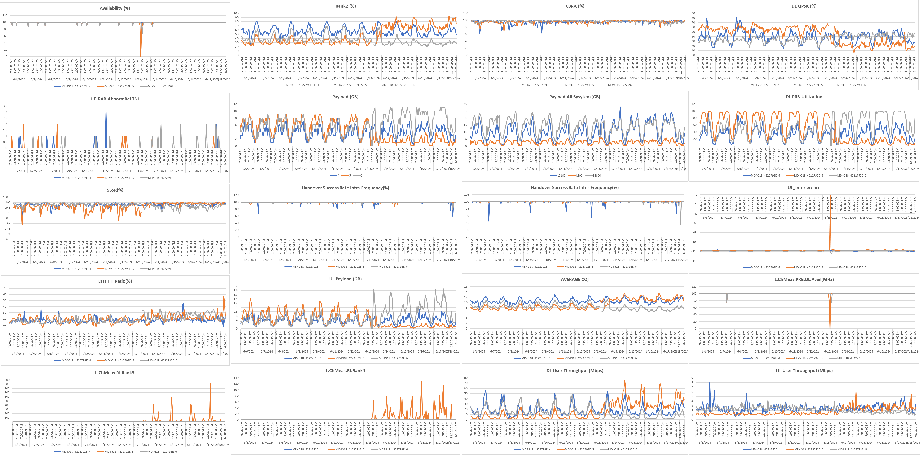

 | Payload & User Site Level

Audit
Before
After
Integrasi

