r12_2018
r12 | Renewable Power Generation Costs in 2017 |  |  | resources and energy investment
 | https://www.irena.org/-/media/Files/IRENA/Agency/Publication/2018/Jan/IRENA_2017_Power_Costs_2018.pdf

 | page
 | 65 | utility-scale solar PV total installed cost, 2010-2017
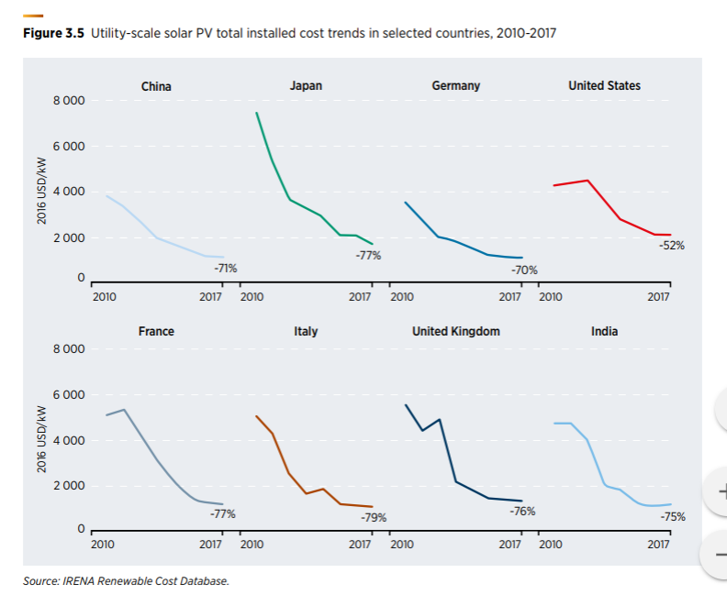

 | 67 | detailed breakdown of utility-scale solar PV costs, 2-16
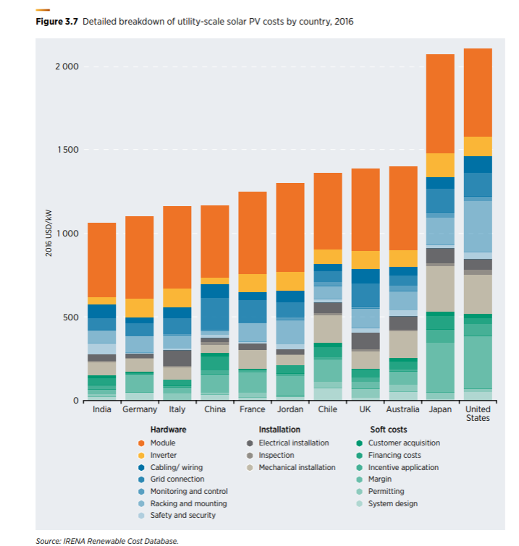

 | 68 | average total installed costs of residential solar PV systems, 2007-2017

 | reference which has japan in the title | Friedman, B., R. Margolis and J. Seel (2014), “Comparing Photovoltaic (PV) Costs and Deployment Drivers in the Japanese and US Residential and Commercial Markets”, NREL, Golden, Colorado.
 |  | Kimura, K. and R. Zissler (2016), “Comparing prices and costs of solar PV in Japan and Germany: The reasons why solar PV is more expensive in Japan”, Tokyo, Renewable Energy Institute
 |  |  | https://www.renewable-ei.org/en/images/pdf/20160331/JREF_Japan_Germany_solarpower_costcomparison_en.pdf
 |  |  | Is "cost of solar PV systems" investment cost????

