r9_2018
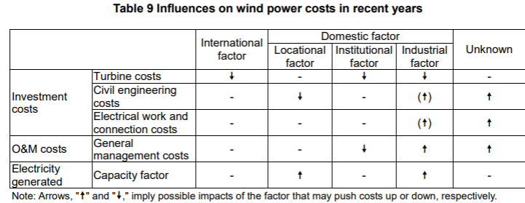
Jan-18 | Analysis of Wind Power Costs in Japan
 | https://www.renewable-ei.org/en/activities/reports/img/pdf/20180125/JapanWindPowerCostReport_EN_20180124.pdf
 | This paper says its data might be biased. The points are noticed at each sections needed.
 | it seems that this report takes only onshore wind power into account ("offshore" does not appear in this report)
 | onshore costs

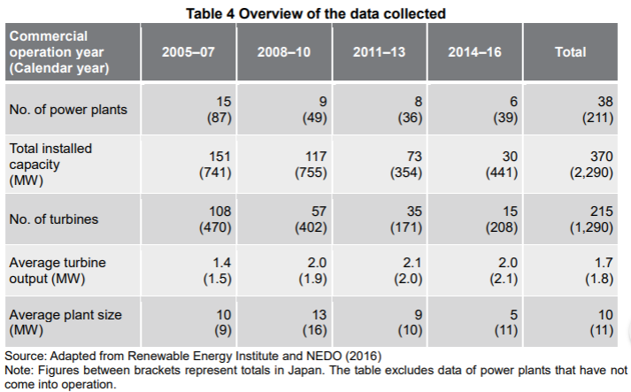
page
15(10)

 | 1.8 MW | the average output per turbine
 | 11 MW | the average output per turbine in terms of sizes
 |  | *the turbines that started commercial operation in 2008-2010 or 2014-2016 are smaller in size than the average

16(11) | O&M costs seems to be biased, because the data collected for this research (right column) only covers the plants coming to operation in 2005 or later, while ANRE covers those before 2005 as well.
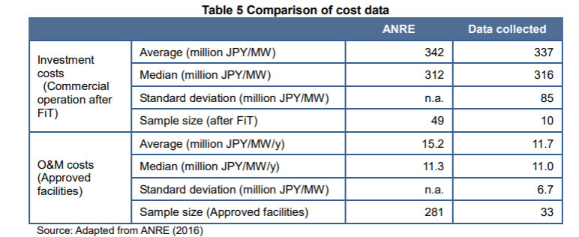

17(12) | locational distribution seems to be biased, because the data on power plants located in Central Japan are anavailable for the period between 2011 and 2013.

20(15)

25(20) | investment costs (compared to Germany)
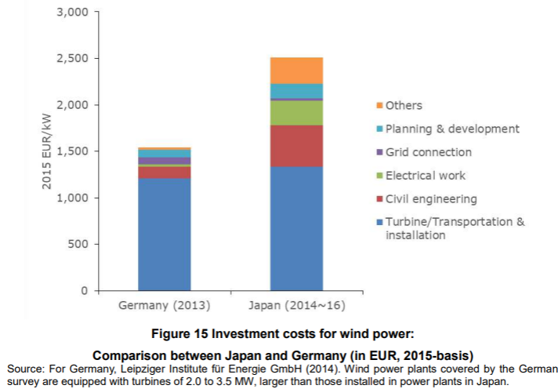

followings show changes of the costs listed above
26(21) | turbine costs
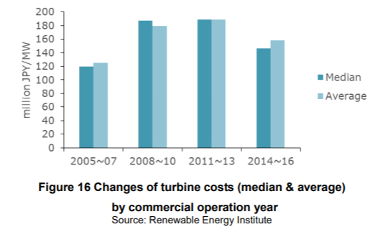

31(26) | civil engineering costs and electrical work & connection costs
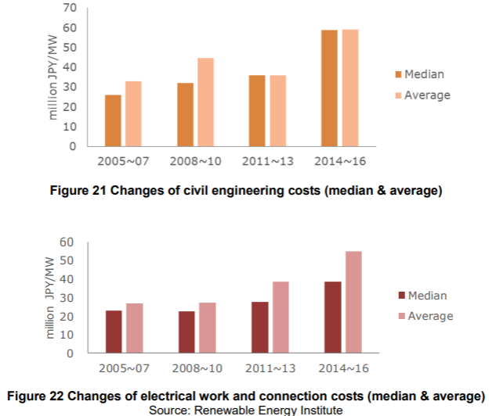

O&M costs

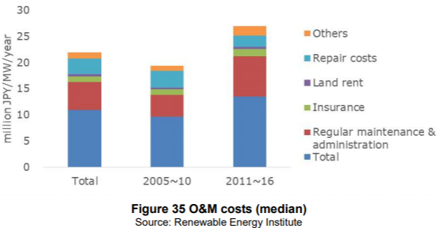
40(35) | O&M costs

 | *it shows totl at the bottom and put desctiptions on the top of it, so it seems twice as large as it actually is at first look.

41(36) | comparison with Germany
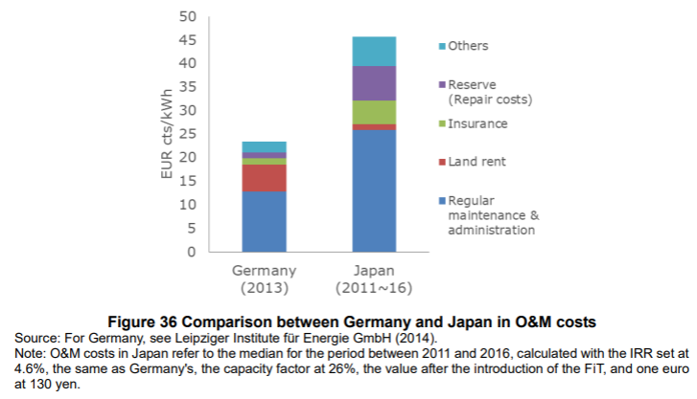

Availability factors and capacity factor

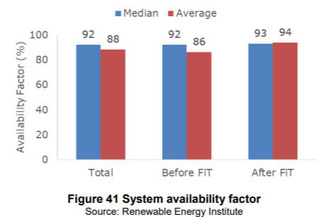
45(40)

 | *FiT was introduced in July 2012

47(42) | avarage capacity facto by region
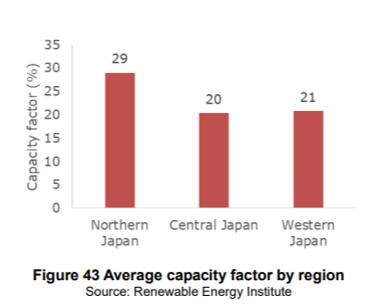

 | capacity factor
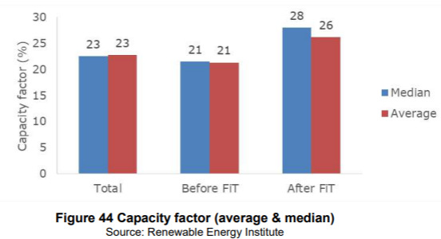

48(43) | this might be useful to predict future costs

r14_2018
Sep-18 | statsitics of wind power
 | https://www.renewable-ei.org/en/statistics/resources/

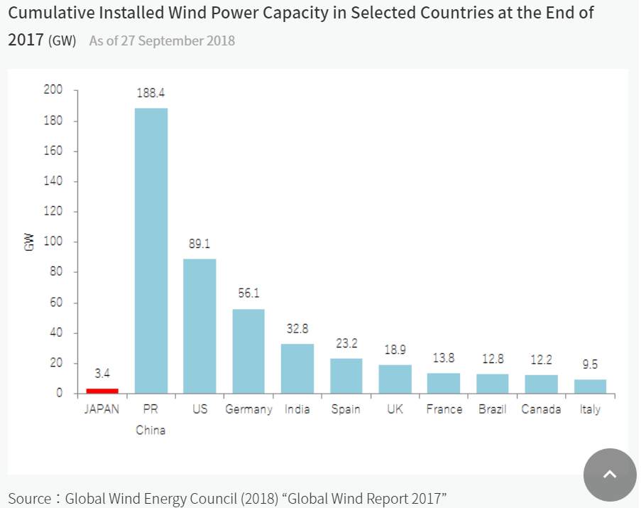
1

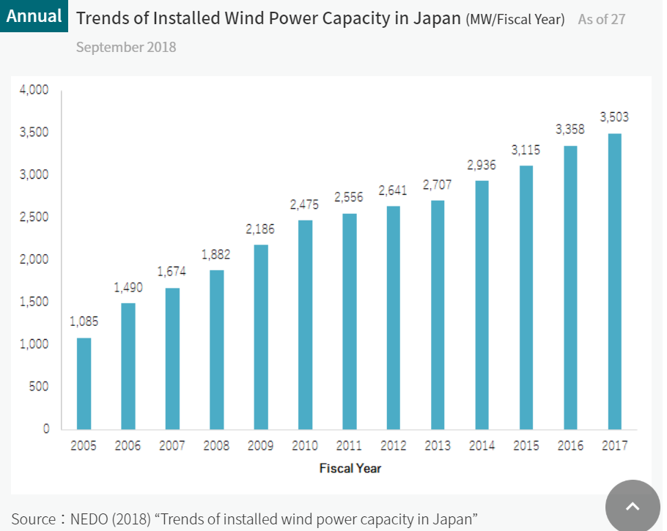
2

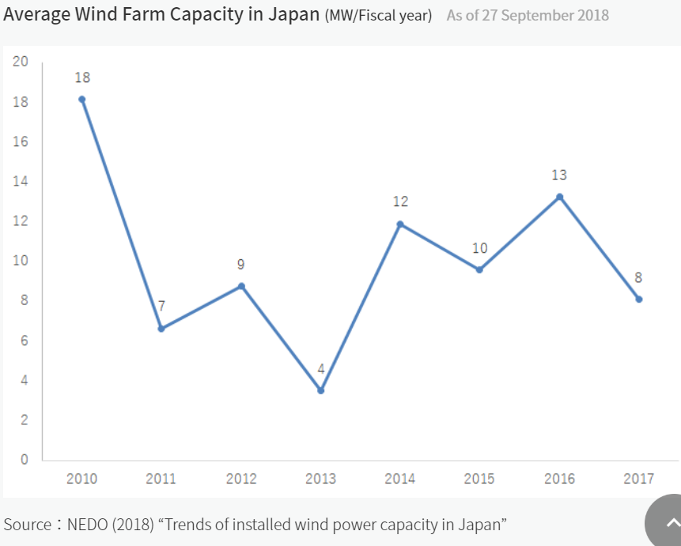
3

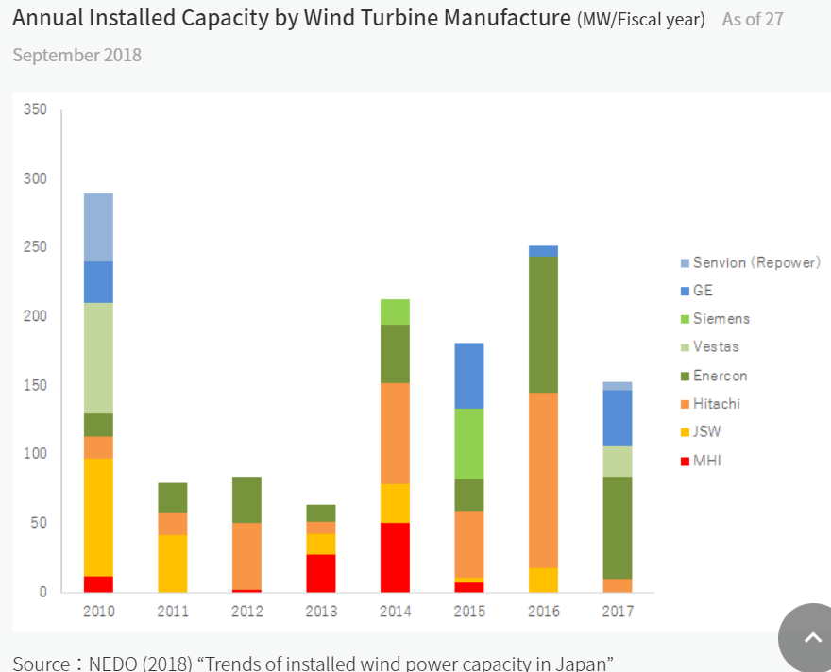
4

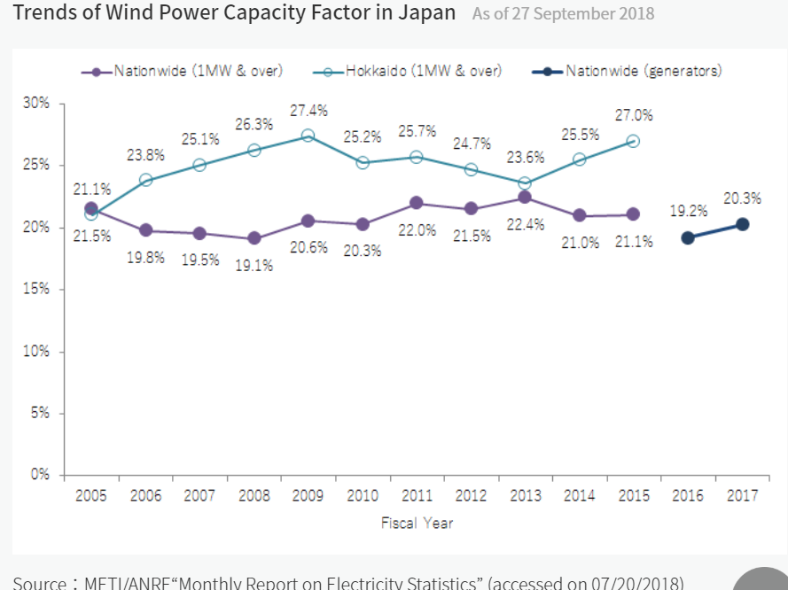
5

Fukushima_FORWARD
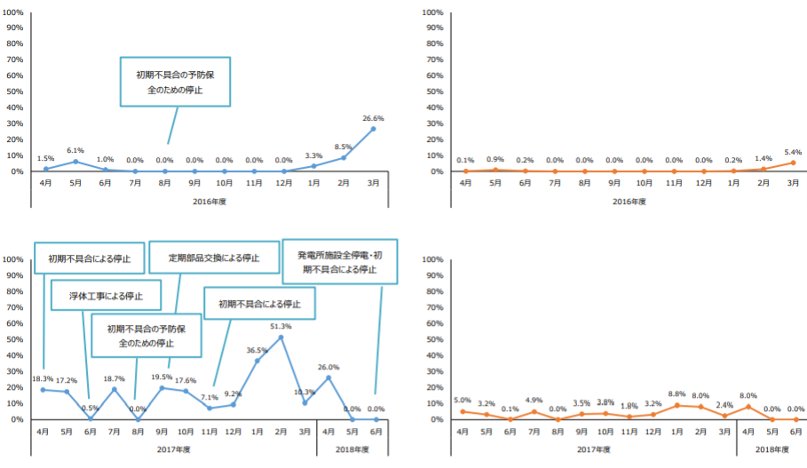
 | Fukushima Floating Offshore Wind Farm Demostration Project (Fukushima FORWARD project)
 | *data hasn't been updated since 2015 in English site: http://www.fukushima-forward.jp/english/index.html

1 | Aug-18 | report of experimantal study on floating offshore power generating system off coast of Fukushima
 |  | （福島沖での浮体式洋上風力発電システム 実証研究事業 総括委員会 報告書）
 |  | http://www.enecho.meti.go.jp/category/saving_and_new/new/information/180824a/pdf/report_2018.pdf
 |  | https://www.enecho.meti.go.jp/category/saving_and_new/new/information/180824a/pdf/report_2018_01.pdf
 |  | offshore: monthly availability factor and capacity factor

 |  | 研究通信 (research report)(numbers in this report are shown in the graphs below)
 |  | http://www.fukushima-forward.jp/magazine/index.html
 |  | http://www.cerpo.t.u-tokyo.ac.jp/news/upload/25f4a217b6c9bd23cddb11ca10ee4e07f0281cc3.pdf

2 | 2013 | cost-benefit analysis for fukushima project
 |  | 福島県沖合での大規模浮体式洋上風力発電所建設 についての費用便益分析
 |  | http://www.pp.u-tokyo.ac.jp/graspp-old/courses/2013/documents/graspp2013-5113090-4.pdf

 |  | Business consignment costs
 |  | 2019 | http://www.meti.go.jp/main/yosangaisan/fy2019/pr/en/shoshin_taka_20.pdf
i |  | 2017 | http://www.meti.go.jp/main/yosan/yosan_fy2017/pr/energy/e_enecho_e_30.pdf

 |  | english pamphlet | http://www.fukushima-forward.jp/english/pdf/pamphlet3.pdf
 |  | Hitachi wind turbine | http://www.hitachi.com/products/power/wind-turbine/index.html

reference | page
1 | 5(2) | overview of this project
 |  | total capacity | 14MW
 |  | starting year of operation | substation: 2013
 |  |  | 2MW: 2013
 |  |  | 7MW: 2015
 |  |  | 5MW: 2016
 |  | windmill | 2MW, 5MW: Hitachi
 |  |  | 7MW: Mitsubishi Heavy Industry
 |  | type of floating | 2MW, 7MW: semi-submersible |  | https://www.modec.com/jp/business/semisub/index.html
 |  |  | substation, 5MW: advanced spar
 |  | transmission capacity | 25MW
 |  | depth | 120m
 |  | distance from shore | 20km

 | 6(3) | overview of windmills
 |  | capacity | 2MW | 5MW | 7MW
 |  | manufacturer | Hitachi, Ltd. | Hitachi, Ltd. | Mitsubishi Heavy Industry
 |  | model? | mass-production model | 2nd demonstrator | 2nd demonstrator
 |  | accelerating method | fixed gear | fixed gear | variable hygraulic transmission
 |  | rotor position | downwind | downwind | upwind
 |  | rotor diameter | 80m | 126m | 167m
 |  | height of hub | 66.2m | 86.4m | 105m
 |  | installation date | Nov-13 | Feb-17 | Dec-15
 |  | duration in operation (at the point of june 2018) | 4yrs 8months | 1yr 5months | 2yrs 7months
 |  | *2MW one might be this: | http://www.hitachi.com/products/power/wind-turbine/products/htw2000_80/specification/index.html

 | Availability Factor and Capacity Factor (monthly)
 | *in this report, those are given as different factors. Here are definitions:
 | 稼働率 | blue graph on the left | (availability factor) = (monthly hours in operation) / { 24 hrs * (the number of days in a month)}
 | 設備利用率 | orange graph on the right | (capacity factor) = (total power generated in a month [kWh/month]) / { (capacity [kW]) * 24 hrs * (the number of days in a month)}
 |  | light green graph on the right | avarage wind speed

 | 8(5) | 2MW windmill
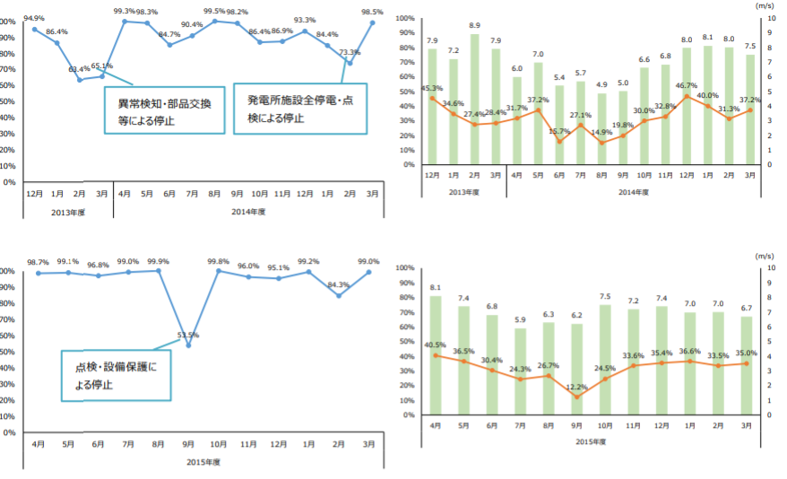

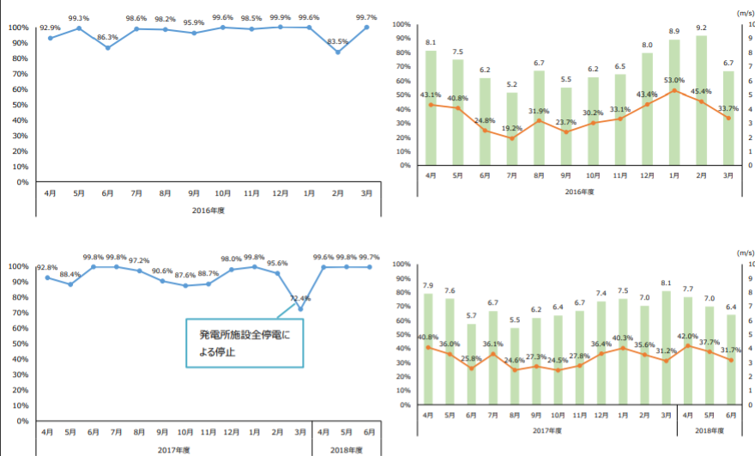

 | 10(7) | 5MW windmill

 | 12(9) | 7MW windmill

1
1 | Oct-16 | 風力発電競争力強化研究会
 |  | http://www.meti.go.jp/committee/kenkyukai/energy_environment/furyoku/pdf/report_01_01.pdf

2 | Mar-15 | 再生可能エネルギー各電源の導入の動向について（資源エネルギー庁）
 |  | http://www.enecho.meti.go.jp/committee/council/basic_policy_subcommittee/mitoshi/004/pdf/004_06.pdf

3 | Feb-17 | Offshore Wind Power Development in Japan
 |  | http://jwpa.jp/pdf/20170228_OffshoreWindPower_inJapan_r1.pdf

1 | 7(6) | cumulative capacity (blue one on the top) and annual introduced capacity (red one)
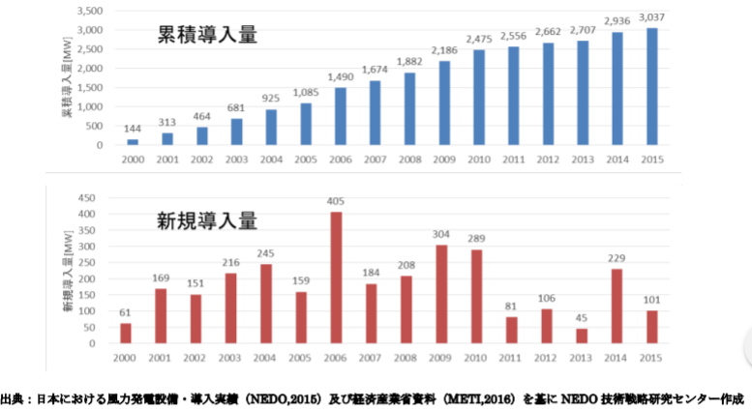

 | 9(8) | Japanese costs
 |  |  | capital costs [$/kW] | O&M costs [$/kW/year] | capacity factor [%] | power producing costs [$/MWh] | FIT costs [¢/kWh]
 |  | Germany | 1897 | 26 | 24 | 79 | 9.7
 |  | Japan | 2611 | 37 | 22 | 156 | 18.3
 |  | *capital cost here is probably investment cost
 |  | *there are also data for France, UK, Spain, Denmark, USA, Brazil, Australia, India, China

