r9_2018
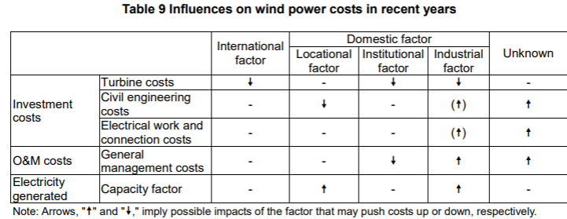
Jan-18 | Analysis of Wind Power Costs in Japan
 | https://www.renewable-ei.org/en/activities/reports/img/pdf/20180125/JapanWindPowerCostReport_EN_20180124.pdf
 | This paper says its data might be biased. The points are noticed at each sections needed.
 | it seems that this report takes only onshore wind power into account ("offshore" does not appear in this report)

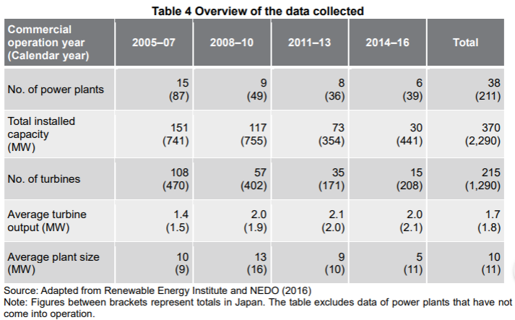
page
15(10)

 | 1.8 MW | the average output per turbine
 | 11 MW | the average output per turbine in terms of sizes
 |  | *the turbines that started commercial operation in 2008-2010 or 2014-2016 are smaller in size than the average

16(11) | O&M costs seems to be biased, because the data collected for this research (right column) only covers the plantes coming to operation in 2005 or later, while ANRE covers those before 2005 as well.
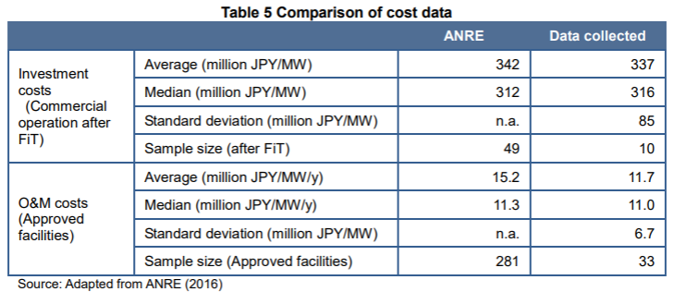

17(12) | locational distribution seems to be biased, because the data on power plants located in Central Japan are anavailable for the period between 2011 and 2013.

20(15)

25(20) | investment costs (compared to Germany)
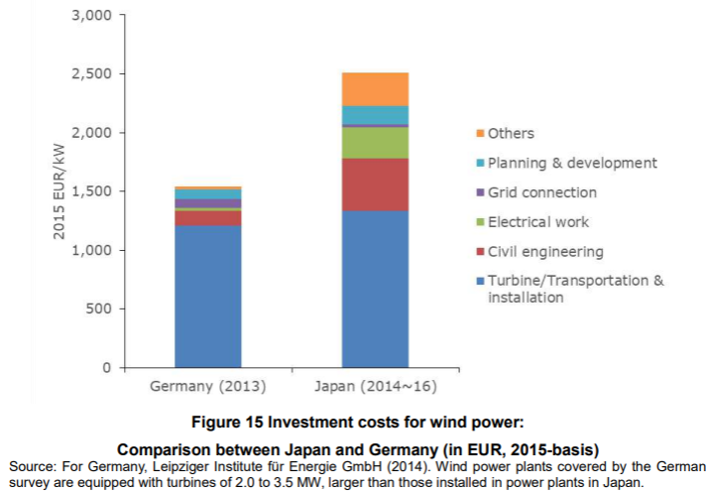

followings show changes of the costs listed above
26(21) | turbine costs
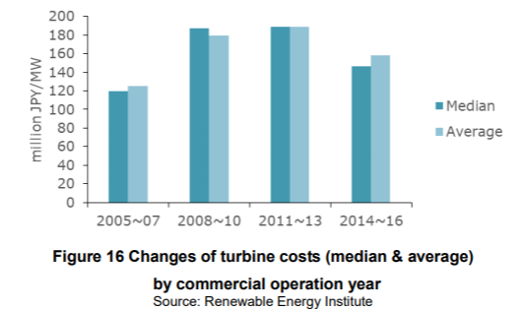

31(26) | civil engineering costs and electrical work & connection costs
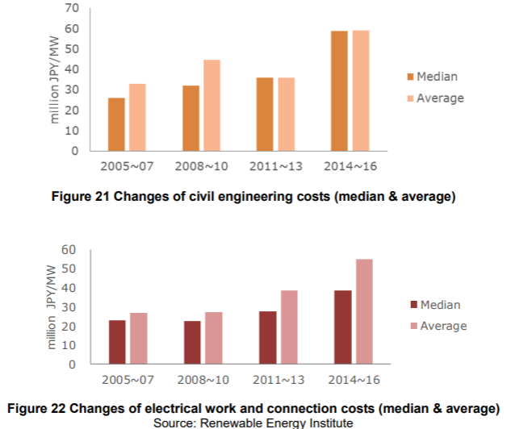

O&M costs

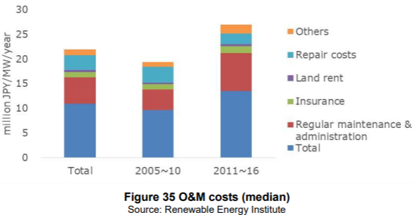
40(35) | O&M costs

 | *it shows totl at the bottom and put desctiptions on the top of it, so it seems twice as large as it actually is at first look.

41(36) | comparison with Germany
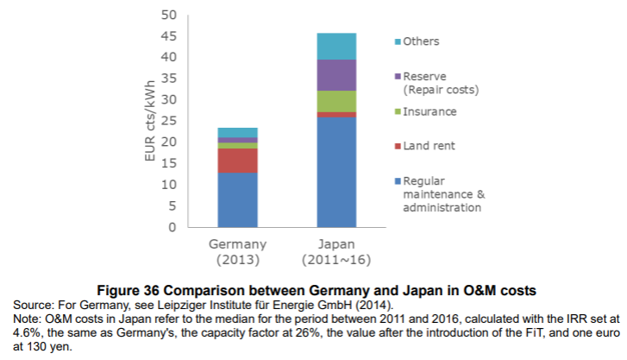

Availability factors and capacity factor

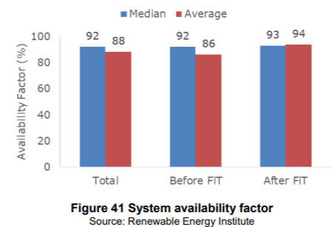
45(40)

 | *FiT was introduced in July 2012

47(42) | avarage capacity facto by region
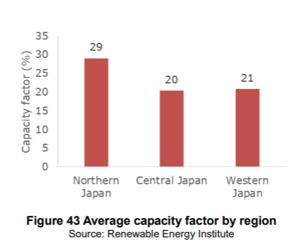

 | capacity factor
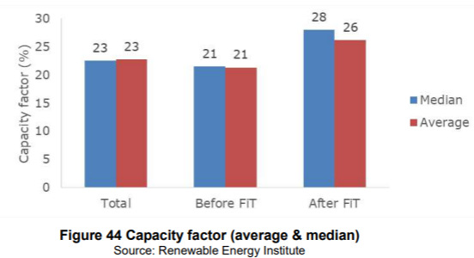

48(43) | this might be useful to predict future costs

r14_2018
Sep-18 | statsitics of wind power
 | https://www.renewable-ei.org/en/statistics/resources/
 | https://www.renewable-ei.org/en/statistics/resources/

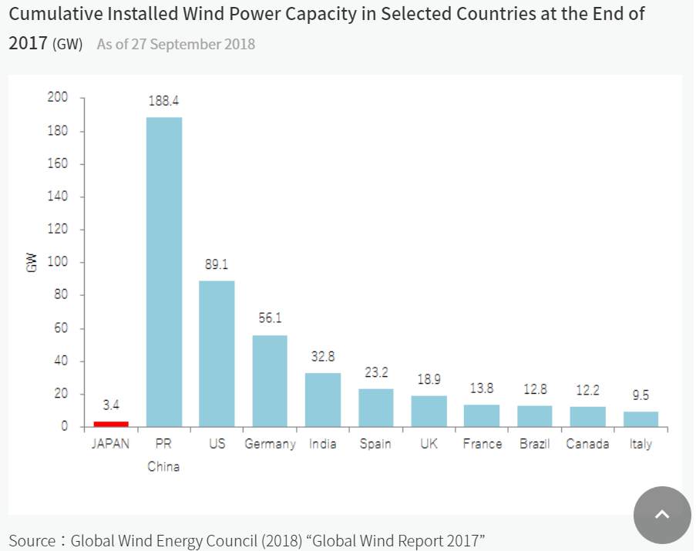
1

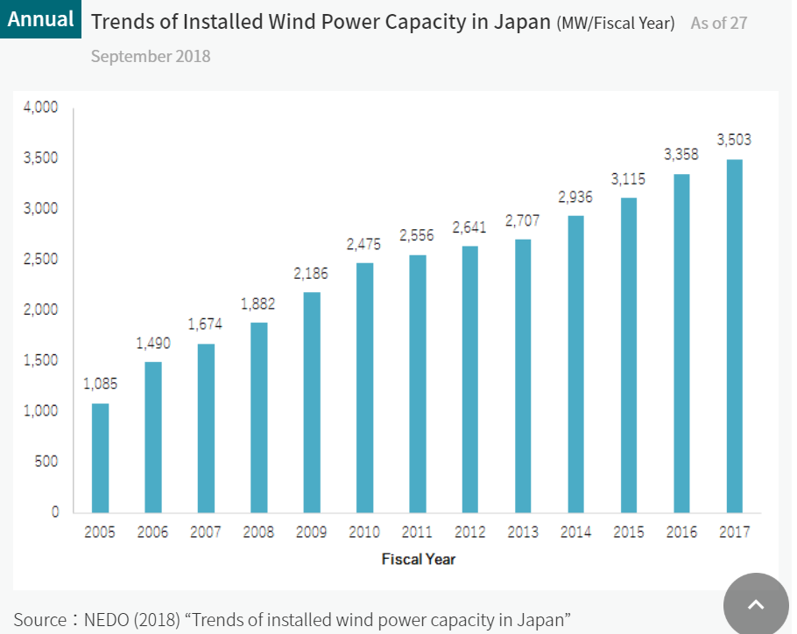
2

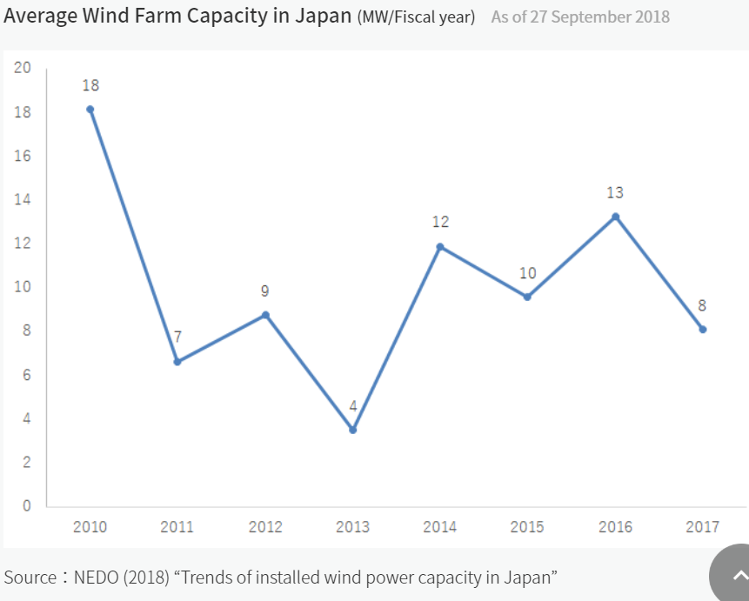
3

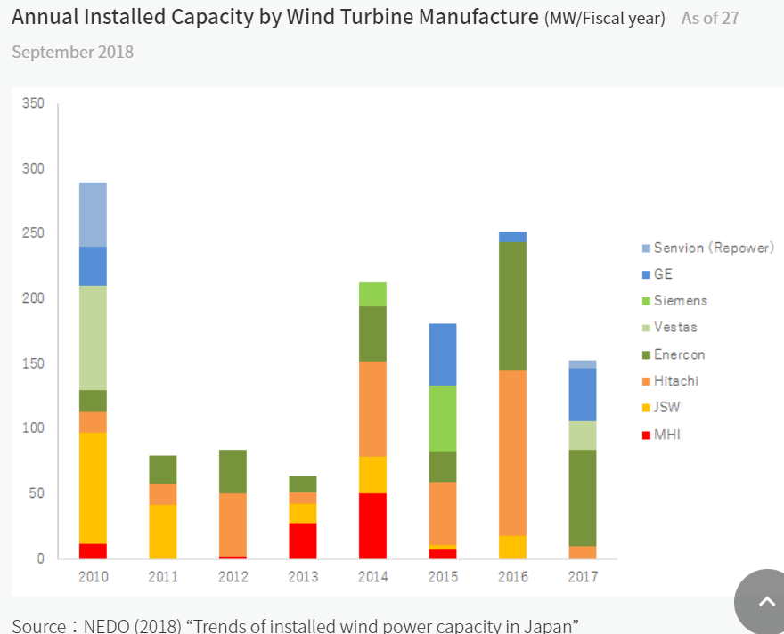
4

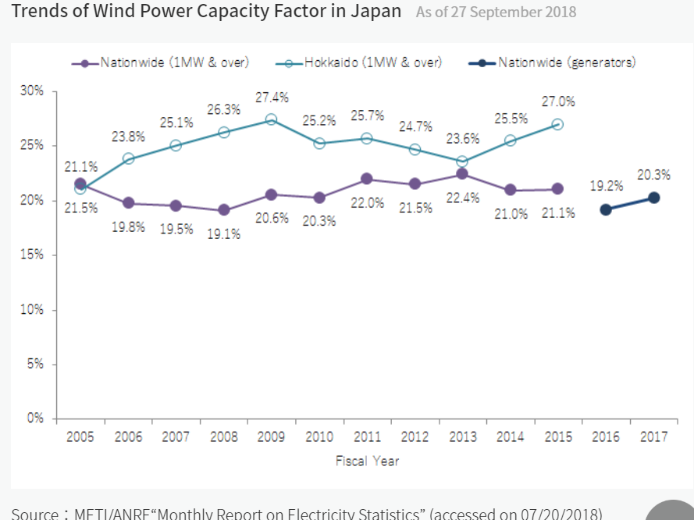
5

