r9_2018
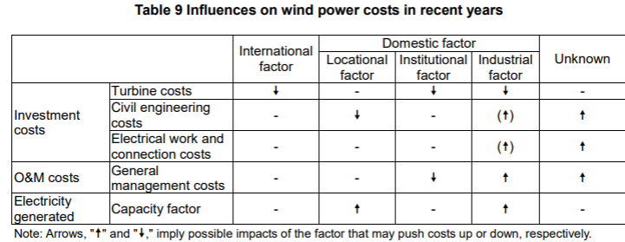
Jan-18 | Analysis of Wind Power Costs in Japan
 | https://www.renewable-ei.org/en/activities/reports/img/pdf/20180125/JapanWindPowerCostReport_EN_20180124.pdf
 | This paper says its data might be biased. The points are noticed at each sections needed.
 | it seems that this report takes only onshore wind power into account ("offshore" does not appear in this report)
 | onshore costs

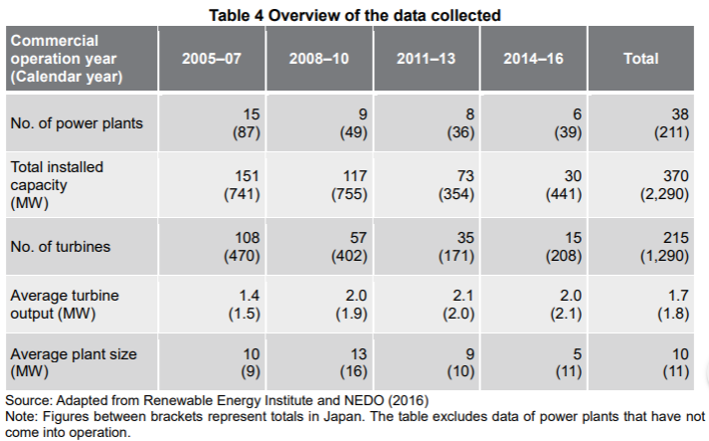
page
15(10)

 | 1.8 MW | the average output per turbine
 | 11 MW | the average output per turbine in terms of sizes
 |  | *the turbines that started commercial operation in 2008-2010 or 2014-2016 are smaller in size than the average

16(11) | O&M costs seems to be biased, because the data collected for this research (right column) only covers the plants coming to operation in 2005 or later, while ANRE covers those before 2005 as well.
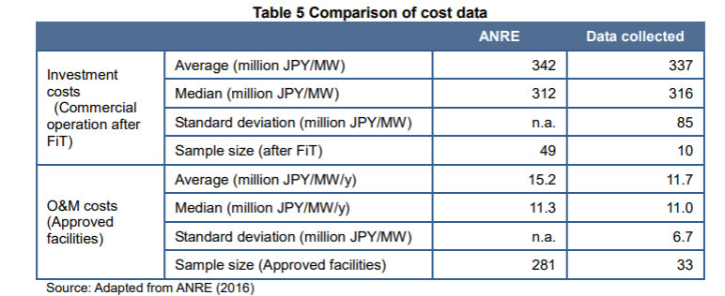

17(12) | locational distribution seems to be biased, because the data on power plants located in Central Japan are anavailable for the period between 2011 and 2013.

20(15)

25(20) | investment costs (compared to Germany)
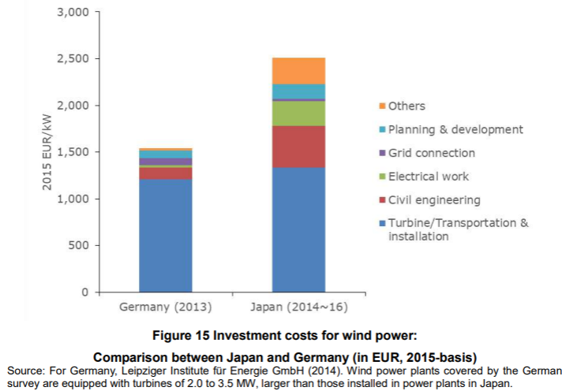

followings show changes of the costs listed above
26(21) | turbine costs
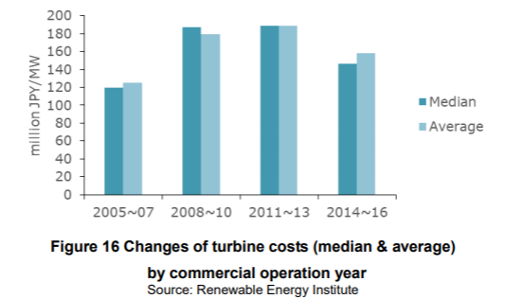

31(26) | civil engineering costs and electrical work & connection costs
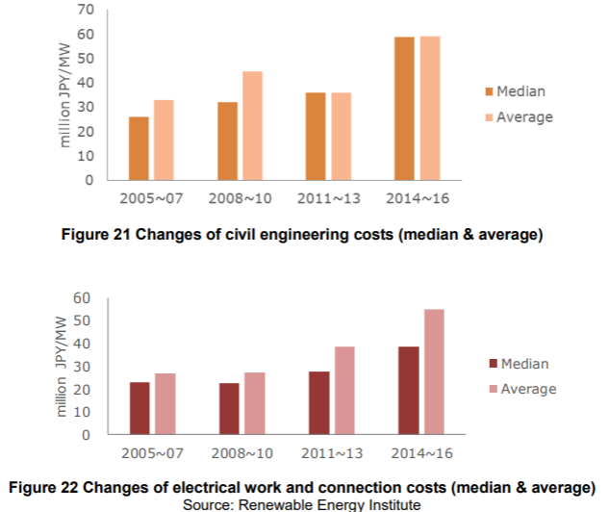

O&M costs

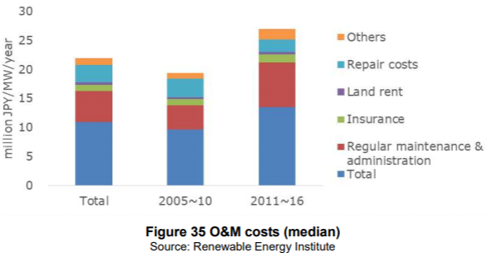
40(35) | O&M costs

 | *it shows totl at the bottom and put desctiptions on the top of it, so it seems twice as large as it actually is at first look.

41(36) | comparison with Germany
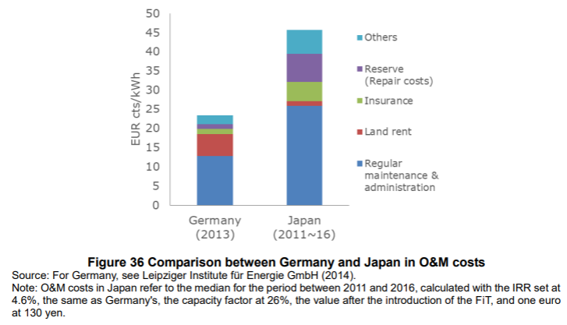

Availability factors and capacity factor

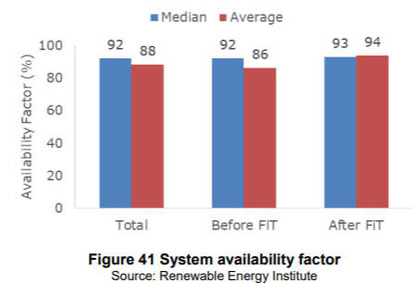
45(40)

 | *FiT was introduced in July 2012

47(42) | avarage capacity facto by region
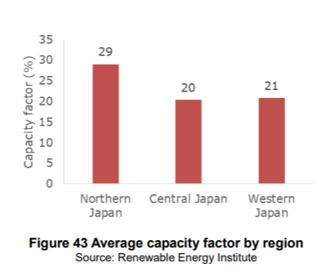

 | capacity factor
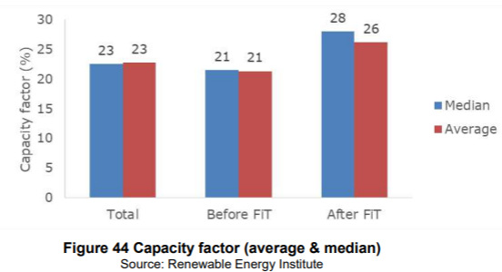

48(43) | this might be useful to predict future costs

r14_2018
Sep-18 | statsitics of wind power
 | https://www.renewable-ei.org/en/statistics/resources/

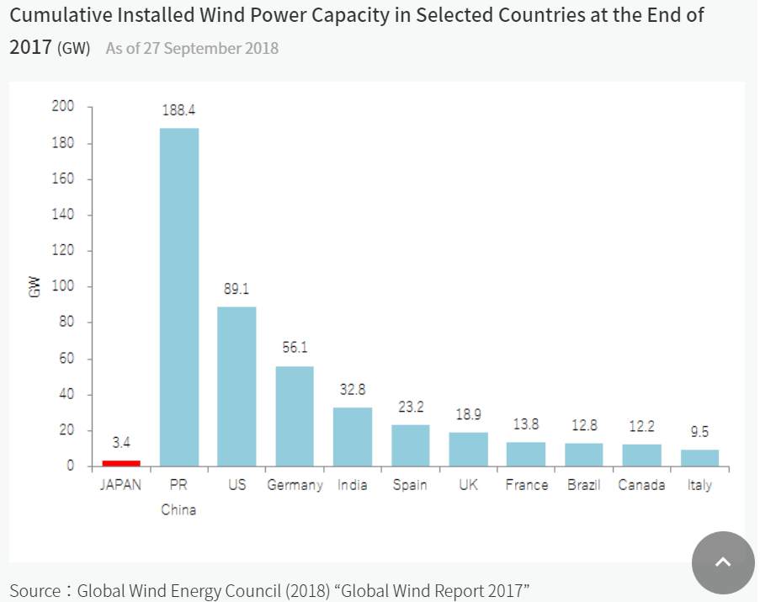
1

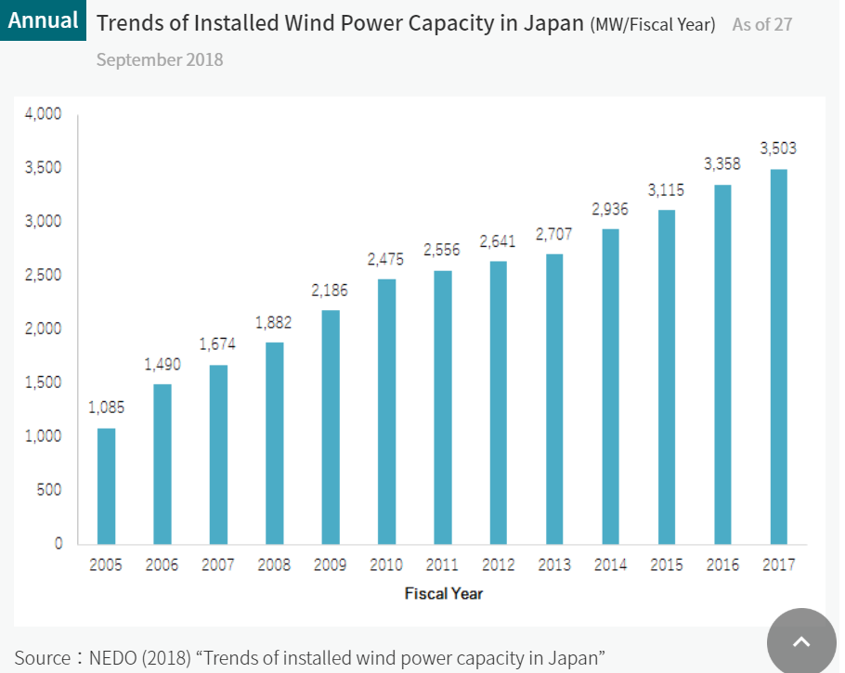
2

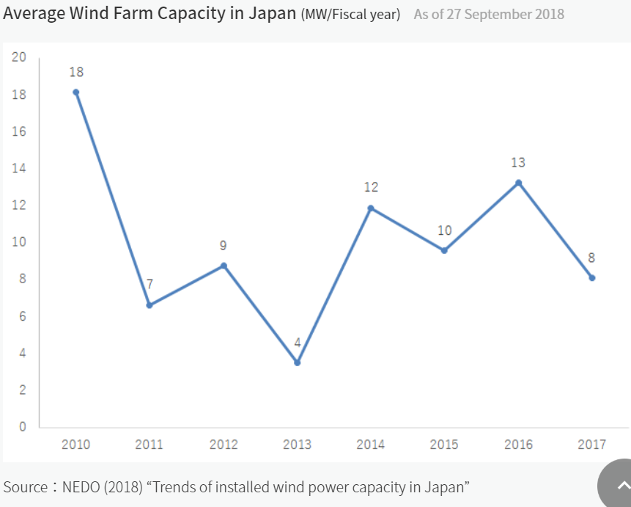
3

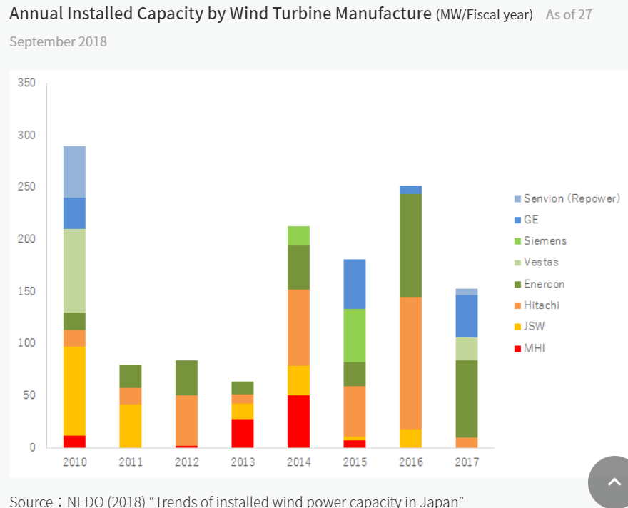
4

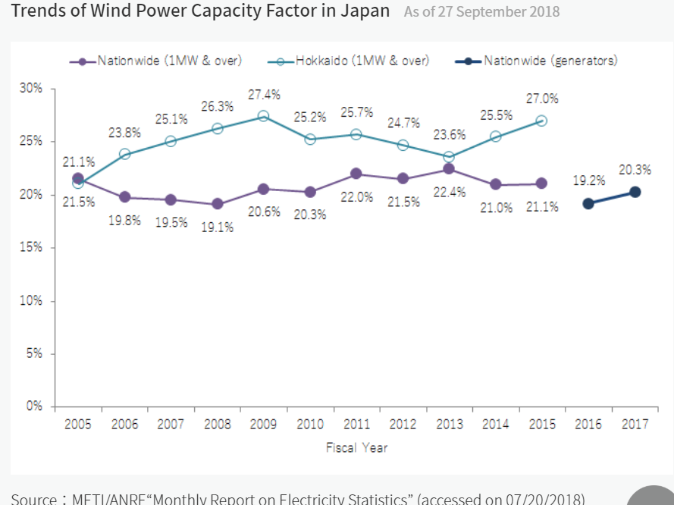
5

others2
1 | Oct-16 | 風力発電競争力強化研究会
 |  | http://www.meti.go.jp/committee/kenkyukai/energy_environment/furyoku/pdf/report_01_01.pdf

2 | Mar-15 | 再生可能エネルギー各電源の導入の動向について（資源エネルギー庁）
 |  | http://www.enecho.meti.go.jp/committee/council/basic_policy_subcommittee/mitoshi/004/pdf/004_06.pdf

3 | Feb-17 | Offshore Wind Power Development in Japan
 |  | http://jwpa.jp/pdf/20170228_OffshoreWindPower_inJapan_r1.pdf

1 | 7(6) | cumulative capacity (blue one on the top) and annual introduced capacity (red one)
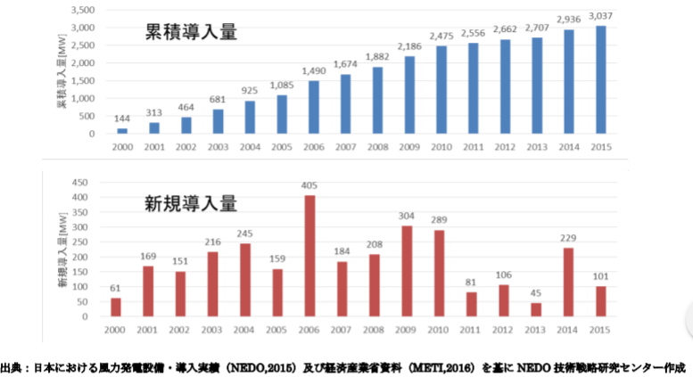

 | 9(8) | Japanese costs
 |  |  | capital costs [$/kW] | O&M costs [$/kW/year] | capacity factor [%] | power producing costs [$/MWh] | FIT costs [¢/kWh]
 |  | Germany | 1897 | 26 | 24 | 79 | 9.7
 |  | Japan | 2611 | 37 | 22 | 156 | 18.3
 |  | *capital cost here is probably investment cost
 |  | *there are also data for France, UK, Spain, Denmark, USA, Brazil, Australia, India, China

