字句表
 |  |  |  |  |  | 26% |  |  | 37% |  |  | 28% |  |  | 89%
 |  |  | 18493 |  |  | 23354 |  |  | 25379 |  |  | 29788 | 8260 | 27681 | 35000
CPU | 7820X | 15,000 |  | 7920X | 20,000 |  | 9940X | 37,000 |  | 9980X | 51000 |  | 8180 | 14,000
主機板 | 贈品 | 0 | 15,000 | ASUS R6E | 12,000 | 32,000 |  | 12,000 | 49,000 | ROG Dominus Extreme | 12000 | 63000 | X11DPH-i | 18,786 | 32786
GPU |  | 1,000 |  | GTX 2G | 1,000 |  |  |  |  |  | 18,000 |  |  | 20,000 | 2080TI 創始版

NVME | INTEL 760 512 M.2 | 3,000 |  | INTEL 760 512 M.2 | 3,000 | 技嘉GEN4 512GB | 5700 |  |  |  | 2,000 |  |  | 2,000
RAM | 16-18-18-38 1.35V | 6,000 | F4-3200C16D-32GTZR | 16G*2 | 5,980 |  |  |  |  |  | 6,010 |  | HX2933 | 5,582 | 16G*2 | 5,456 | 2933 超微專用32G/pcs
 | F4-3200C16D-32GTZR |  | F4-3200C16D-32GVK |  |  |  |  |  |  |  |  |  |  |  |  | 7,310 | 32G ECC 2933
電源 |  | 3,100 |  | 1000W | 2,000 |  |  |  |  |  | 2,000 |  |  | 2,000 |  | 3000 | 32G/pcs | 2666美光
機殼 |  | 2,700 |  | EEB | 2,700 |  |  |  |  |  | 2,700 |  |  | 2,700
散熱器3647 |  | 900 | 16,700 | 鐮刀 | 900 | 15,580 |  |  | 15,580 |  | 900 | 31,610 |  | 900 | 33,182
 |  |  | 31,700 |  |  | 47,580 |  |  | 64,580 |  |  | 94,610 |  |  | 65,968
 |  | C/P | 1.7141621154 |  | C/P | 2.0373383575 |  | C/P | 2.5446235076 |  | C/P | 3.1761111857 |  | C/P | 1.8848
 |  |  |  |  |  | 19% |  |  | 48% |  |  | 85% |  |  | 10%
 |  |  |  |  |  |  |  |  | 148% |  |  | 185% |  |  | 93%
 |  |  | 18493 | 31,700
 |  |  | 23354 | 47,580
 |  |  | 25379 | 64,580 |  |  |  |  |  |  |  |  |  | 5394
 |  |  | 29788 | 94,610
 |  |  | 35000 | 65,968

CPU
100% | 100%
109% | 126%
116% | 107%
118% | 164%
129% | 170%
137% | 188%
143% | 233%
140% | 204%
151% | 274%
CPU | 備註 |  | 蝦皮 | 露天 | 奇摩 |  |  | 分數 |  |  |  | 效能 | 費用 |  |  |  | 拍賣
Core i5-7640X (4.0G,112W,L3:6M,4C,rev:B0) | Kabylake-X |  |  |  |  |  |  | CPU BENCHMARK
Core i7-7740X (4.3G,112W,L3:8M,4C,rev:B0) | Kabylake-X
Core i7-7800X (3.5G,140W,L3:8.25M,6C,rev:M0) | Skylake-X | 28
Core i7-7820X (3.6G,140W,L3:11M,8C,rev:U0) |  | 28
Core I7-9800X (3.8G,165W,L3:16.5M,8C) | Skylake-X | 44 | $18,600 | $19,800 | $19,701 | $18,600 | 36% | 19,777 | 66% | 1.88 | $1.06 | 100% | 100% | 1.00 |  |  | -$32,400 | (10,094) | 3.2
Core i9-7900X (3.3G,140W,L3:13.75M,10C,rev:U0) |  | 44 | $25,000
Core i9-7940X (3.1G,165W,L3:19.25M,14C) |  | 44 | $42,300 | $42,300 | $42,200
Core i9-7960X (2.8G,165W,L3:22M,16C) |  | 44 |  | $54,600 | $52,600
Core I9-9820X (3.3G,165W,L3:16.5M,10C) | Skylake-X | 44 | $26,800 | $26,000 | $23,500 | $23,500 | 46% | 21,616 | 72% | 1.95 | $0.92 | 109% | 126% | 0.87 |  |  | -$27,500 | (8,255) | 3.3
Core I9-9900X(3.5G,165W,L3:19.25M,10C) | Skylake-X | 44 | $29,600 | $28,500 | $19,948 | $19,948 | 39% | 23,010 | 77% | 2.65 | $1.15 | 116% | 107% | 1.08 |  |  | -$31,052 | (6,861) | 4.5
Core i9-7920X (2.9G,140W,L3:16.5M,12C,rev:M0) | Skylake-X | 44 | $31,650 | $36,000 | $30,500 | $30,500 | 60% | 23,343 | 78% | 1.84 | $0.77 | 118% | 164% | 0.72 |  |  | -$20,500 | (6,528) | 3.1
Core I9-9920X (3.5G,165W,L3:19.25M,12C) |  | 44 | $31,600 | $34,599 | $32,000 | $31,600 | 62% | 25,415 | 85% | 2.55 | $0.80 | 129% | 170% | 0.76 | 1.4951539263 | 1.8220511042 | -$19,400 | (4,456) | 4.4
Core I9-9940X (3.3G,165W,L3:19.25M,14C) |  | 44 | $35,000 | $40,000 | $37,000 | $35,000 | 69% | 27,133 | 91% | 3.42 | $0.78 | 137% | 188% | 0.73 |  |  | -$16,000 | (2,738) | 5.8
Core I9-9960X (3.1G,165W,L3:22M,16C) |  | 44 | $43,300 | $47,399 | $49,500 | $43,300 | 85% | 28,200 | 94% | 2.70 | $0.65 | 143% | 233% | 0.61 |  |  | -$7,700 | (1,671) | 4.6
Core i9-7980XE (2.6G,165W,L3:24.75M,18C) |  | 44 | $38,000 | $51,000 | $60,990 | $38,000 | 75% | 27,736 | 93% | 3.57 | $0.73 | 140% | 204% | 0.69 |  |  | -$13,000 | (2,135) | 6.1
Core I9-9980XE (3.0G,165W,L3:24.75M,18C) |  | 44 | $57,700 | $56,000 | $51,000 | $51,000 | 100% | 29,871 | 100% | 0.00 | $0.59 | 151% | 274% | 0.55
 |  |  |  |  |  | $51,000 |  | 29,871 |  |  |  |  |  |  |  |  |  | 平均 | 4.6
 |  |  | BUYEE | 標9900X
 |  |  | 日幣 | 60,480 | 700 | 61,180 | 2,100 | 1,400 | 64,680
 |  |  | 台幣 | 18,644 | 218 | 18,862 | 654 | 432 | 19,948
 |  |  |  |  |  |  |  |  | 107%

Core | (4.0G | ,112W |  |  |  |  |  |  |  |  |  |  |  |  |  |  | ,L3:6M,4C,rev:B0)
Core | (4.3G | ,112W |  |  |  |  |  |  |  |  |  |  |  |  |  |  | ,L3:8M,4C,rev:B0)
Core | (3.5G | ,140W |  |  |  |  |  |  |  |  |  |  |  |  |  |  | ,L3:8.25M,6C,rev:M0)
Core | (3.6G | ,140W |  |  |  |  |  |  |  |  |  |  |  |  |  |  | ,L3:11M,8C,rev:U0)
Core | (3.8G | ,165W |  |  | 36.5% |  |  |  |  | 66.3% | -33.7% |  |  |  |  |  | ,L3:16.5M,8C)
Core | (3.3G | ,140W |  |  |  |  |  |  |  |  |  |  |  |  |  |  | ,L3:13.75M,10C,rev:U0)
Core | (2.9G | ,140W |  |  | 59.8% |  |  |  |  | 78.3% | -21.7% |  |  |  |  |  | ,L3:16.5M,12C,rev:M0)
Core | (3.1G | ,165W |  |  |  |  |  |  |  |  |  |  |  |  |  |  | ,L3:19.25M,14C)
Core | (2.8G | ,165W |  |  |  |  |  |  |  |  |  |  |  |  |  |  | ,L3:22M,16C)
Core | (2.6 | G,165 |  |  | 74.5% | -25.5% |  |  |  | 93.0% | -7.0% |  |  |  |  |  | W,L3:24.75M,18C)
Core | (3.3G | ,165W |  |  | 46.1% | -53.9% |  |  |  | 72.6% | -27.4% |  |  |  |  |  | ,L3:16.5M,10C)
Core | 3.5G, | 165W, |  |  | 55.9% | -44.1% |  |  |  | 77.1% | -22.9% |  |  |  |  |  | L3:19.25M,10C)
Core | (3.5G | ,165W |  |  | 62.0% | -38.0% |  |  |  | 85.0% | -15.0% |  |  |  |  |  | ,L3:19.25M,12C)
Core | (3.3G | ,165W |  |  | 68.6% | -31.4% |  |  |  | 91.0% | -9.0% |  |  |  |  |  | ,L3:19.25M,14C)
Core | (3.1G | ,165W |  |  | 84.9% | -15.1% |  |  |  | 94.2% | -5.8% |  |  |  |  |  | ,L3:22M,16C)
Core | (3.0 | G,165 |  |  |  |  |  |  |  |  |  |  |  |  |  |  | W,L3:24.75M,18C)

Sheet2
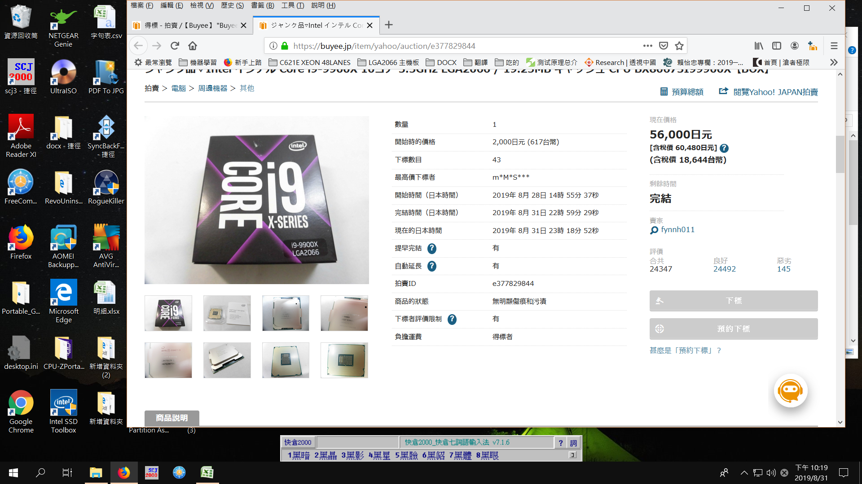

Sheet1
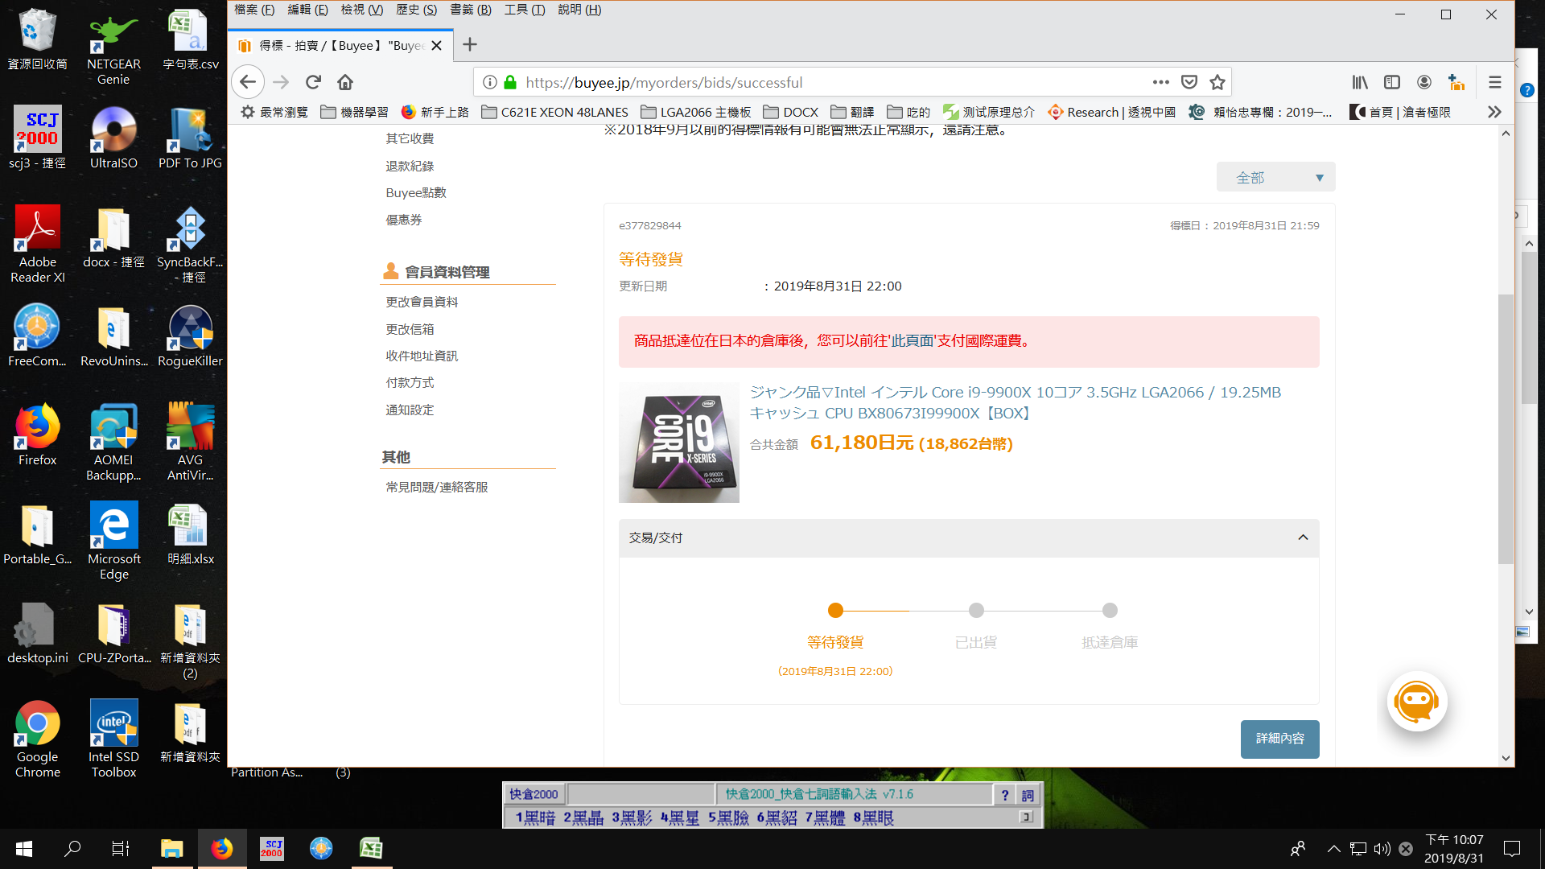

Sheet3
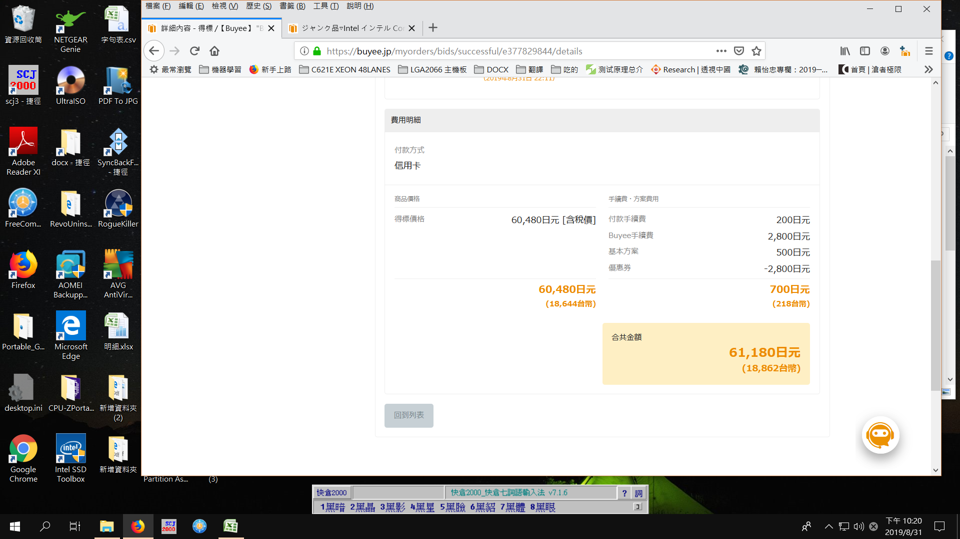

Sheet4
