Sheet1
Before Execution |  |  |  |  |  |  | After Execution |  |  |  |  | Snapshot | QA Notes
Test Case ID | Test Scenario | Test Case Title | Pre-requisites | Actions/Test Steps | Input / Test Data | Expected Result(ER) | Bug | Actual Result | Priority | Result | Comments
<<Test Scenarios
TC_ZIPPY_RIDER_DASHBOARD_PROFILE_001 | Verify My Profile card responsiveness on dashboard | My Profile card should respond and open profile details | Rider account exists Rider logged in successfully Dashboard accessible | 1. Launch Zippy Rider app 2. Login as Rider 3. Navigate to Dashboard 4. Click on My Profile card | Rider credentials: Mobile 9876543210 | On clicking My Profile, system should open the rider’s profile page showing personal details, emergency contacts, medical info, etc. | Functional Bug – Card Unresponsive Severity: High | My Profile card is unresponsive; no action triggered, profile page not displayed. | High (critical – user cannot access profile) | Fail | UI event binding missing or backend profile service not integrated. Needs fix in click event mapping and navigation logic. | 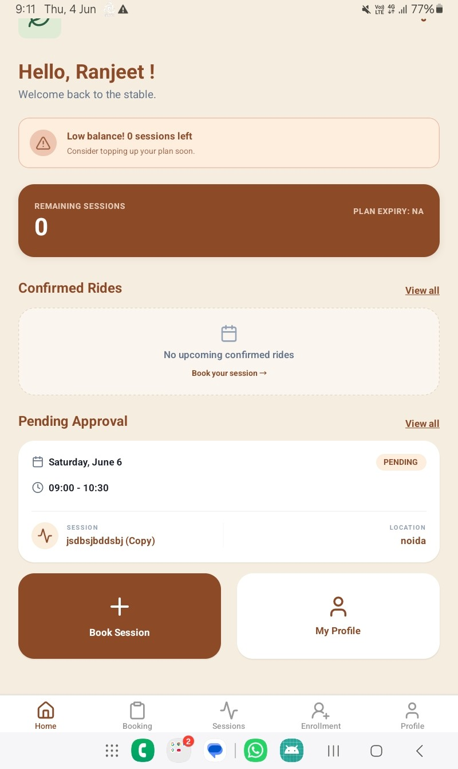
TC_ZIPPY_RIDER_PROFILE_EMERGENCY_001 | Verify Emergency Contact card responsiveness | Emergency Contact card should open editable contact details | Rider account exists Rider logged in successfully Profile accessible | 1. Launch Zippy Rider app 2. Login as Rider 3. Navigate to Profile tab 4. Tap Emergency Contact card | Rider credentials: Mobile 9876543210 | Card should open a form or section allowing rider to view/edit emergency contact details | Functional Bug – Card Unresponsive Severity: High | Emergency Contact card is unresponsive; no action triggered | High | Fail | Click event missing or navigation not mapped to Emergency Contact module | 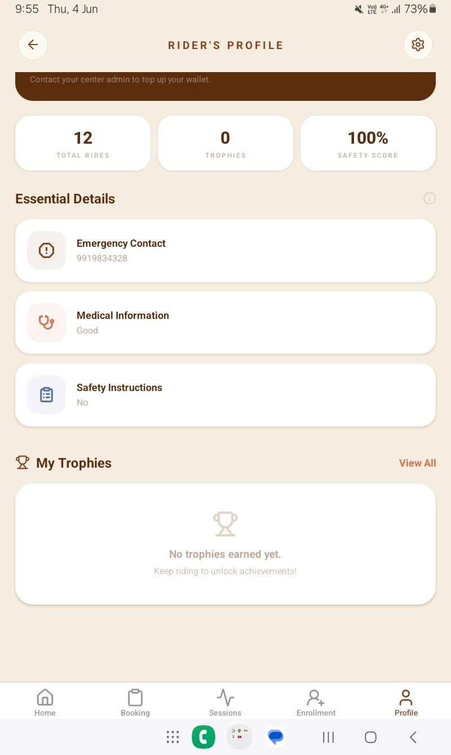
TC_ZIPPY_RIDER_PROFILE_MEDICAL_002 | Verify Medical Information card responsiveness | Medical Information card should open editable medical details | Rider account exists Rider logged in successfully Profile accessible | 1. Launch Zippy Rider app 2. Login as Rider 3. Navigate to Profile tab 4. Tap Medical Information card | Rider credentials: Mobile 9876543210 | Card should open a section displaying rider’s medical details (e.g., allergies, conditions) | Functional Bug – Card Unresponsive Severity: High | Medical Information card is unresponsive; no action triggered | High | Fail | UI click event not mapped or backend endpoint missing
TC_ZIPPY_RIDER_PROFILE_SAFETY_003 | Verify Safety Instructions card responsiveness | Safety Instructions card should display safety guidelines | Rider account exists Rider logged in successfully Profile accessible | 1. Launch Zippy Rider app 2. Login as Rider 3. Navigate to Profile tab 4. Tap Safety Instructions card | Rider credentials: Mobile 9876543210 | Card should open a section showing safety rules and instructions | Functional Bug – Card Unresponsive Severity: Medium | Safety Instructions card is unresponsive; no action triggered | Medium | Fail | Missing navigation link or inactive component binding
TC_ZIPPY_ADMIN_LOGOUTBTN_001 | Verify visibility and accessibility of Logout button under System Admin section | Logout button should be visible and clickable for all admin users | Admin account exists Admin logged in successfully Admin dashboard accessible | 1. Launch Zippy Admin Panel (https://admin.zippyapp.online) 2. Login as System Admin 3. Scroll down the left navigation panel 4. Observe System Admin section and Logout Securely button | Admin credentials: admin@zippyapp.online | Logout button should be clearly visible and clickable without UI overlap or hidden state. Clicking should log out the admin securely and redirect to login page. | UI/UX Bug – Hidden Logout Button Severity: Medium‑High | Logout button is partially or fully hidden below the System Admin section; not visible or accessible without resizing or scrolling. | High (security and usability impact) | Fail | Sidebar layout issue; needs CSS/UI fix to ensure button visibility across screen resolutions and zoom levels. | 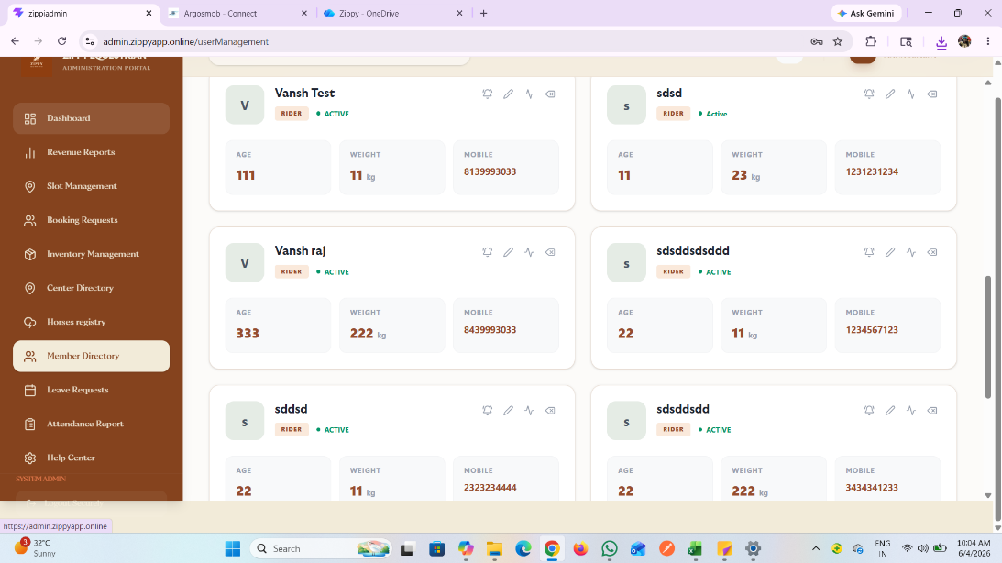
TC_ZIPPY_TRAINER_SCHEDULE_CREATESESSION_001 | Verify session creation and visibility in schedule | Created session should appear in the schedule for the selected date | Trainer account exists Trainer logged in successfully Schedule module accessible | 1. Launch Zippy Trainer app 2. Login as Trainer 3. Navigate to Dashboard → Schedule 4. Click + button to create a new session 5. Fill required fields: • Session Title: New Test Session • Session Date: 10 June 2026 • Location: Noida Sec‑4 • Assign Horse: Horse‑01 6. Click Generate Session 7. Observe alert message and verify session visibility for the same date | Session Title: New Test Session Date: 10 June 2026 Location: Noida Sec‑4 Horse: Horse‑01 | System should display alert “Session created successfully” and the newly created session should appear under 10 June 2026 in the schedule list. | Functional Bug – Session Not Displayed After Creation Severity: High | Alert shows “Session created successfully” but session does not appear in the schedule for the same date. | High (critical – data inconsistency) | Fail | Backend not updating session list or frontend not fetching updated data. Needs fix in session creation API response handling and schedule refresh logic. | 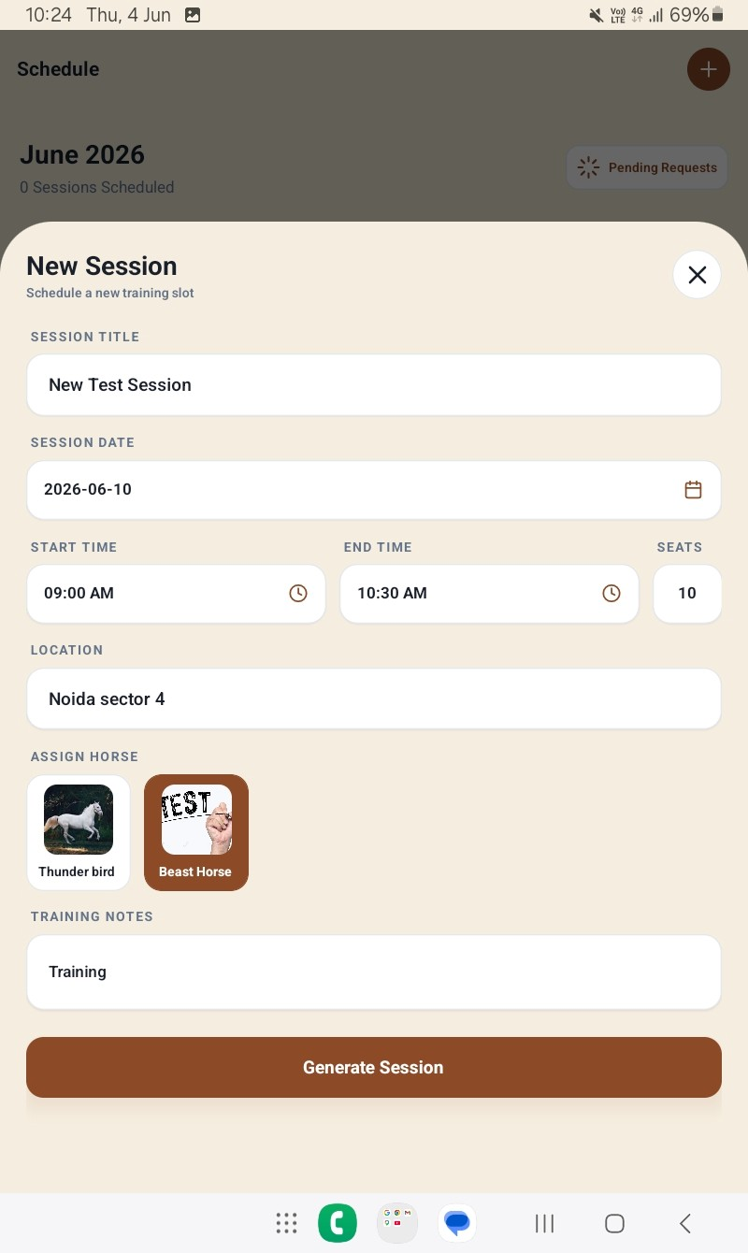 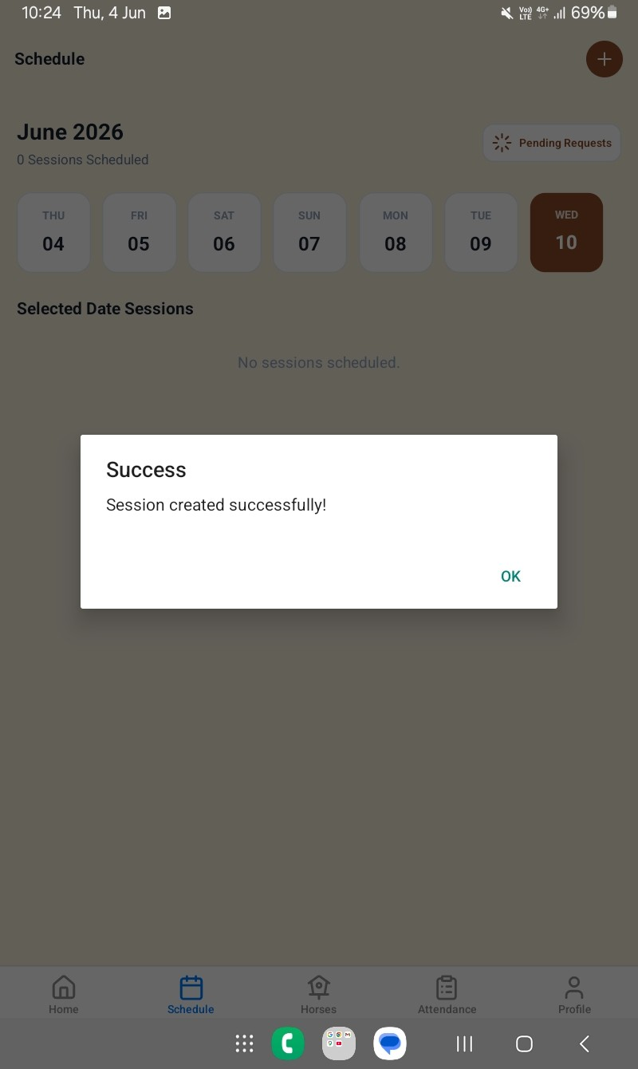 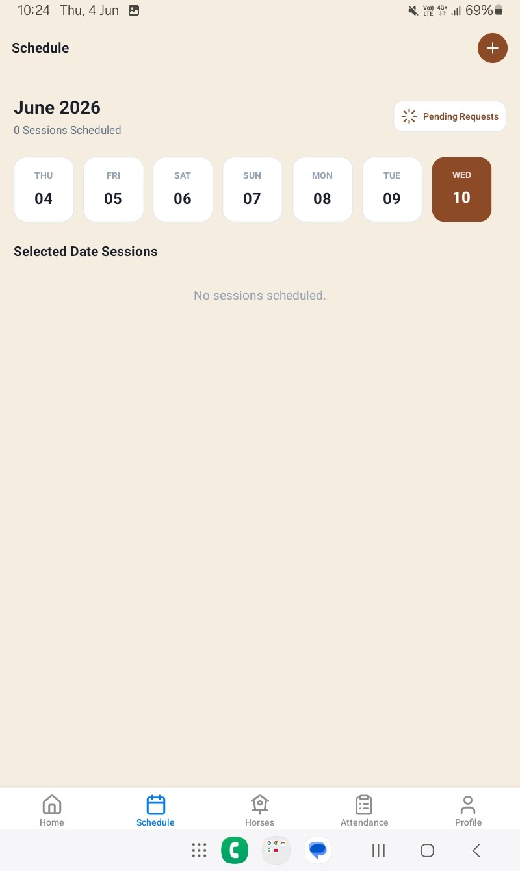
TC_ZIPPY_TRAINER_PROFILE_CERTIFICATION_001 | Verify responsiveness of Certifications badge in Trainer Profile | Certifications badge should open detailed certification information or edit view | Trainer account exists Trainer logged in successfully Profile module accessible | 1. Launch Zippy Trainer app 2. Login as Trainer 3. Navigate to Profile tab 4. Tap on Certifications badge under Account Overview | Trainer credentials: Mobile 9876543210 Certification: BHS Stage 4, Expert Rating | On tapping Certifications, system should open a detailed view showing certification name, level, issuing authority, and validity period. Option to edit or update should be available. | Functional Bug – Badge Unresponsive Severity: Medium‑High | Certifications badge is unresponsive; no action triggered or navigation occurs. | High (affects trainer profile completeness and usability) | Fail | Click event not mapped or backend endpoint missing. Needs fix in UI event binding and navigation routing. | 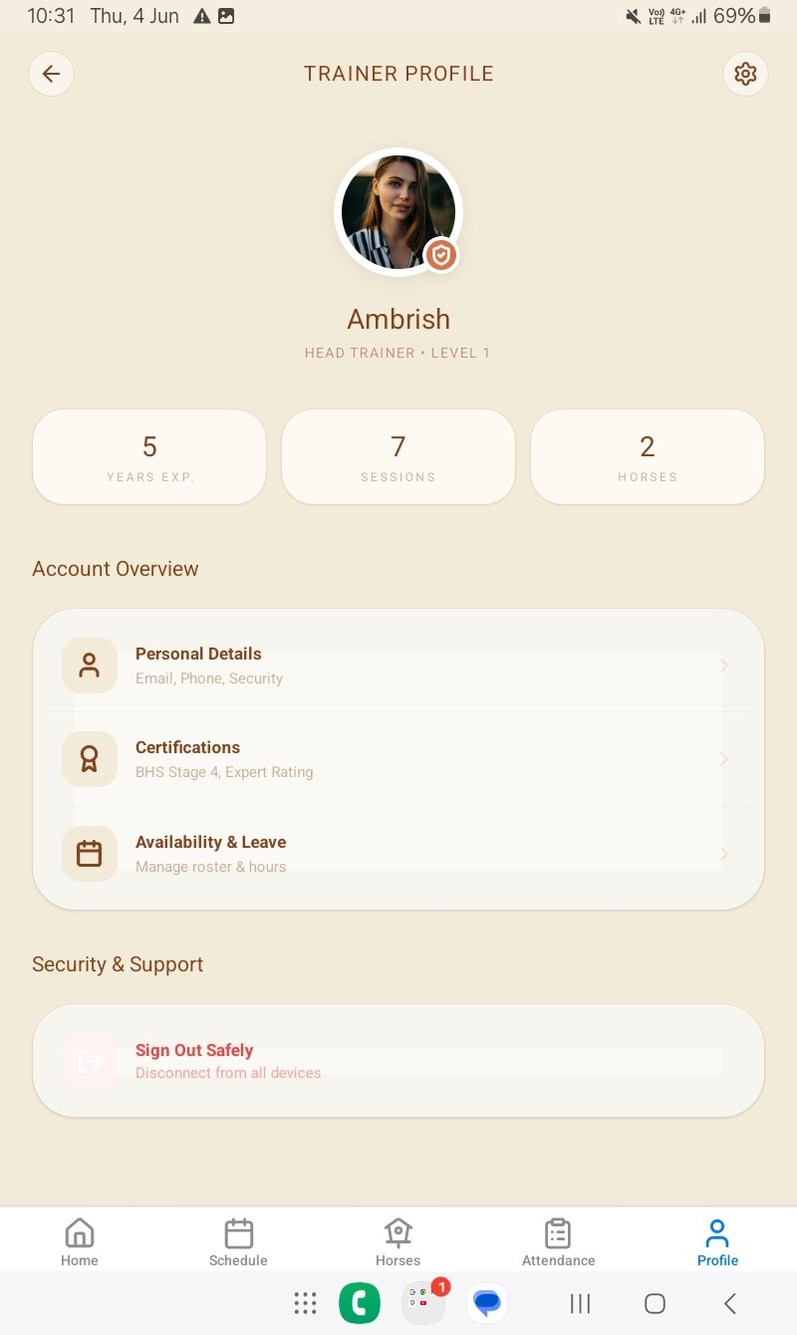
TC_ZIPPY_TRAINER_SLOT_CREATESESSION_001 | Verify session creation with all mandatory fields | Session should be created successfully when all required fields are filled | Trainer account exists Trainer logged in successfully Slot Management module accessible | 1. Launch Zippy Trainer app 2. Navigate to Dashboard → Slot Management 3. Click + Add Session 4. Fill required fields: • Session Title: Test Session • Session Date: 10 June 2026 • Capacity Limit: 10 • Daily Recurring Session: Checked • Assigned Trainer: None Assigned • Assigned Fleet: None 5. Click Save Session | Session Title: Test Session Date: 10 June 2026 Capacity: 10 | System should validate all mandatory fields and create the session successfully. If any required field (e.g., joining amount) is missing, system should prompt user to fill it before saving. | Functional Bug – Missing Field Validation / Database Constraint Violation Severity: Critical | Error displayed: “null value in column ‘joining_amount’ of relation ‘sessions’ violates not‑null constraint.” Session not created. | Critical (data integrity and workflow blocker) | Fail | Backend expects non‑null value for joining_amount but frontend does not enforce or capture it. Needs fix in form validation and API payload mapping. | 