6.Star Schema
Star Schema

Star Schema Image | Possible Star Schema Queries
 | Sno | Business Question Addressed | SQL query
 | 1 | How many customers does the bank have? | SELECT COUNT(*) AS total_customers FROM public_customer_dim;
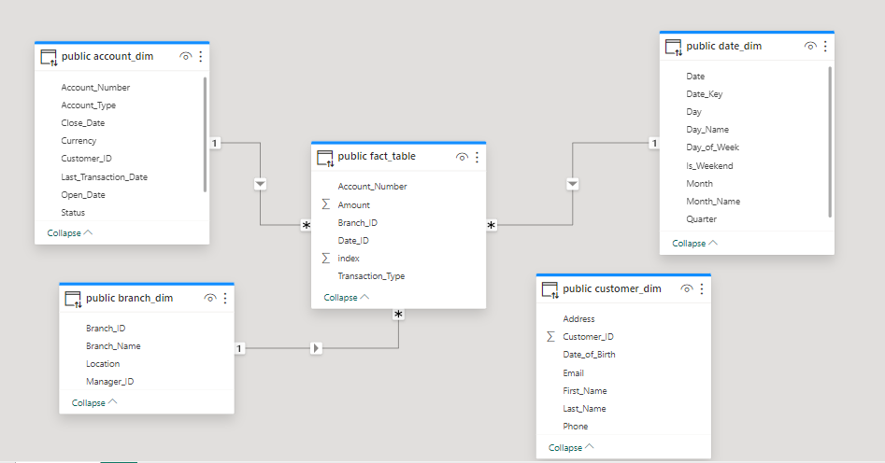 | 2 | What is the demographic distribution of customers by age group, location, or account type? | SELECT CASE WHEN DATE_PART('year', AGE(Date_of_Birth)) < 18 THEN 'Under 18' WHEN DATE_PART('year', AGE(Date_of_Birth)) BETWEEN 18 AND 29 THEN '18-29' WHEN DATE_PART('year', AGE(Date_of_Birth)) BETWEEN 30 AND 39 THEN '30-39' WHEN DATE_PART('year', AGE(Date_of_Birth)) BETWEEN 40 AND 49 THEN '40-49' WHEN DATE_PART('year', AGE(Date_of_Birth)) BETWEEN 50 AND 59 THEN '50-59' ELSE '60+' END AS age_group, COUNT(*) AS customer_count FROM public_customer_dim GROUP BY age_group ORDER BY age_group;
 | 3 | What is the total balance of all accounts held at the bank? | SELECT SUM(Balance) AS total_balance FROM public_account_dim;
 | 4 | What is the average transaction amount per customer? | SELECT AVG(t.Amount) AS average_transaction_amount FROM public_fact_table t JOIN public_account_dim a ON t.Account_Number = a.Account_Number JOIN public_customer_dim c ON a.Customer_ID = c.Customer_ID;
 | 5 | Which branch has the highest number of accounts? | SELECT b.Branch_Name, COUNT(a.Account_Number) AS account_count FROM public_account_dim a JOIN public_branch_dim b ON a.Branch_ID = b.Branch_ID GROUP BY b.Branch_Name ORDER BY account_count DESC LIMIT 1;
 | 6 | How does the performance of each branch compare in terms of customer satisfaction or profitability? | SELECT b.Branch_Name, AVG(s.Customer_Satisfaction_Score) AS average_satisfaction, SUM(t.Amount * CASE WHEN t.Transaction_Type = 'Deposit' THEN 1 ELSE -1 END) AS net_profit FROM public_fact_table t JOIN public_branch_dim b ON t.Branch_ID = b.Branch_ID JOIN public_customer_dim c ON t.Customer_ID = c.Customer_ID JOIN public_satisfaction_dim s ON c.Customer_ID = s.Customer_ID GROUP BY b.Branch_Name;

