164
 | SALES TAX INVOICE

 | Seller Name | Noor Adhesive Agencies (Pvt.) Ltd.
 | Seller Address | 1-C/7 Canal Park, Gulberg 2, Lahore
 | City | Lahore |  |  | invoiceNo | 5417
 | Province | Punjab |  |  | invoiceDate | 23.06.2025
 | sellerNTNCNIC | 4242880
 |  |  |  |  | FBR Invoice No, | 4242880DI1752648778822
 | Buyer Name | WALI AZAM S/O AHMAD KHAN
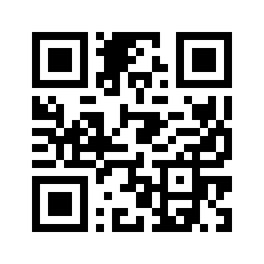
 | Buyer Address | VILL.SARW, GHWARGOW, QOOM WATIZAI
 | Province | Punjab
 | buyerNTNCNIC | 3520228588553

Sr. No. | Quantity | Description | hsCode | Price | valueSalesExcludingST | salesTaxApplicable | V.Incl Sales Tax
1 | 1 |  | 8701.9290 | 25.00 | 1,190,560 | 297,640 | 1,488,200
 |  |  |  | TOTAL | 1,190,560 | 297,640 | 1,488,200

 | Sales Tax: |  | 297,640
 | Inclusive Value: |  | 1,488,200
 |  |  |  |  | NOOR AGENCY

