dictionary
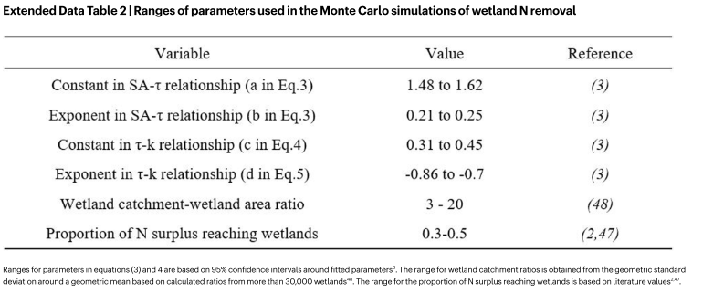
variable | description | equation or source or value | units | notes
p | removal efficiency percent | p = 100*[1 - e ^ (-k*T)] | %
k | effective removal rate constant | k = c*T^d | d-1
T | hydraulic residence time | τ = a(SA)^b | d
SA | surface area of wetland | input variable | m2
a | intercept parameter for power law k ~ T relationship | 1.48 to 1.62
b | slope parameter for power law k ~ T relationship | 0.21 to 0.25
c | intercept parameter for power law T~SA relationship | 0.31 to 0.45
d | slope parameter for power law T~SA relationship | -0.86 to -0.7
R | removal | R = M * p/100 | kg yr-1
M | mass input to wetland | Q * C or y*N*CA | kg yr-1
y | upland/upstream attenuation factor | 0.3 - 0.5
CA | wetland contrubuting area | CA = x * (SA) where x is range from 3 to 20 | if CA is greater than the area of the HUC8 Basin then CA of the ith wetland = A_HUC8 / sum(CA for all wetlands)

