Calib5
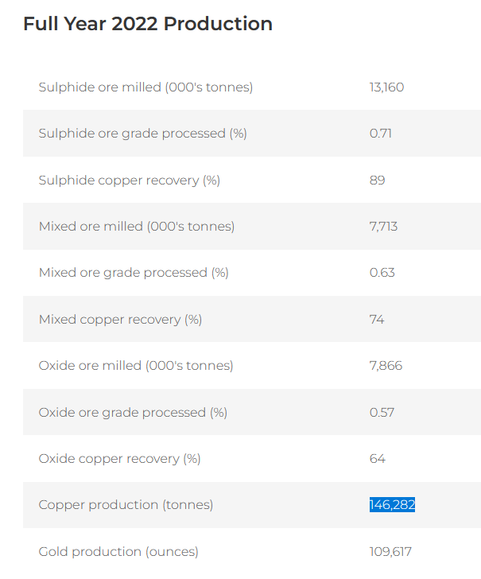
FeatureNam | Smelter/refinery | Proces | DsgAttr03 | DsgAttr06 | MemoOther | Memo AK | MemoLoc | DsgAttr07 | Production (t) | Spec. Energy Elec | Spec. Energy Diesel | Energy Elec (TJ) | Energy Diesel (TJ) | Production (Cu) | S&P | mines_zambia.csv |  |  |  | mines_USGS.xlsx
Baluba Center Underground Mine |  | Underground | Ore and concentrate | 2017 | Ore. Operations suspended. Facility on care-and-maintenance status. | Orig. DsgAttr03 = Concentrate | <null> | 1,500,000 | 1200000 | 0.07285 | 0.01333 | 87.42 | 15.996 | 7,440 | 1,294 | NA | NA | 13,836 | 13,612 | 24,000 Cu; 1 | t / yr | 725,000 | t / yr
Chambishi Main Mine |  |  | Ore and concentrate | 2017 | Ore, which yields about 50,000 copper in concentrate. | 35,464 | 75 kilometers northwest of Ndola | 2,145,000 | 1716000 | 0.07285 | 0.01333 | 125.0106 | 22.87428 | 10,639 | 14,187 |  |  | x | x
Chambishi West Mine |  |  | Ore and concentrate | 2017 | <null> |  | 76 kilometers northwest of Ndola | 990,000 | 792000 | 0.07285 | 0.01333 | 57.6972 | 10.55736 | 4,910 | 1,294 |  |  | NA | NA | 450,000 | t / yr | 8,400 | t / yr
Chibuluma South Mine |  |  | Ore and concentrate | 2017 | Jinchuan Group International Resources Co. Ltd. owns an 100% share split between Metorex Ltd. and Zambia Consolidated Copper Mines Investments Holdings Plc (ZCCMâ€“IH). Ore, which yields about 19,000 copper in concentrate. |  | About 12 kilometers west of Kitwe | 600,000 | 480000 | 0.07285 | 0.01333 | 34.968 | 6.3984 | 2,976 | 8,174 | 188,916 | NA | 3,051 | 8,023 |  |  | 16,500 | t / yr
Chingola Open Pit A Mine |  | Open Pit | Ore and concentrate | 2017 | Ore. Capacity is a combination of Chingola open pit A and Nchanga open pit. |  | Chingola | 4,500,000 | 1800000 | 0.07285 | 0.01333 | 131.13 | 23.994 | 11,160
Fitwaola Open Pit Mine |  | Open Pit | Ore and concentrate | 2017 | <null> |  | Chingola |  |  | 0.07285 | 0.01333
Kansanshi Mine |  |  | Ore and concentrate | 2017 | Sulfide ore. 8,800,000 oxide ore. 8,600,000 mixed ore. | 23,593,871 | North of Solwezi, Northwestern Province | 12,000,000 | 23593870.968 | 0.07285 | 0.01333 | 1718.8135 | 314.5063 | 146,282 | 232,243 | 28,151,000 | 29,134,000 | 202,159 | 221,487
Konkola Mine |  |  | Ore and concentrate | 2017 | <null> |  | Chililabombwe | 2,400,000 | 1920000 | 0.07285 | 0.01333 | 139.872 | 25.5936 | 11,904 | 1,294 |  |  |  |  | 50,000 |  | 220,000
Luanshya Slag Recovery |  | Slag recovery? | Ore and concentrate | 2017 | Slag, which yields 3,500 copper in concentrate. | 8,267 | Luanshya | 500,000 | 400000 | 0.07285 | 0.01333 | 29.14 | 5.332 | 2,480
Luanshya North Mine |  |  | Ore and concentrate | 2017 | <null> |  | Luanshya | 4,500,000 | 3600000 | 0.07285 | 0.01333 | 262.26 | 47.988 | 22,320
Lubambe Copper Mine |  |  | Ore and concentrate | 2017 | Ore, which yields about 45,000 copper in concentrate. | 41,333 | Near Chililabombwe | 2,500,000 | 2000000 | 0.07285 | 0.01333 | 145.7 | 26.66 | 12,400 | 1,294 | 2,654,100 | 2,520,000 | 45,584 | 43,659
Lumwana Mine (Chimiwungo and Malundwe pits) |  | Open Pit? | Ore and concentrate | 2017 | <null> |  | 20 kilometers west of Chingola | 21,000,000 | 16800000 | 0.07285 | 0.01333 | 1223.88 | 223.944 | 104,160 | 107,955 | NA | 25,290,000 | 109,769 | 125,191
Mkushi Heap Leach |  | Heap Leach? | Ore and concentrate | 2017 | Joint venture. |  | <null> |  |  | 0.07285 | 0.01333
Mufulira Mine |  |  | Ore and concentrate | 2017 | <null> |  | <null> | 2,500,000 | 2000000 | 0.07285 | 0.01333 | 145.7 | 26.66 | 12,400 | 61,900 | 1,440,000 | NA | 30,551 | 82,500 | 125,000 | t / yr | 2,500,000 | t / yr
Nchanga Open Pit Mine |  | Open Pit | Ore and concentrate | 2017 | Ore. Capacity is a combination of Chingola open pit A and Nchanga open pit. |  | Chingola | 4,500,000 | 1800000 | 0.07285 | 0.01333 | 131.13 | 23.994 | 11,160 | 65,544 |  |  |  |  |  |  | 4,500,000 | t / yr
Nchanga Underground Mine |  | Underground | Ore and concentrate | 2017 | <null> |  | Chingola | 2,800,000 | 2240000 | 0.07285 | 0.01333 | 163.184 | 29.8592 | 13,888 | 1,294 | 2,820,706 | 2,820,706 | 65,544 | 65,544 |  |  | 2,800,000 | t / yr
Nkana Mine (Area A- open pit), southwest of Kitwe |  | Open Pit | Ore and concentrate | 2017 | Ore. Capacity is a combination of Nkana Mine areas, which includes Central, Mindola North, Mindola Sub-Vertical, and South Ore Body underground shafts, as well as Area A, Area E, and Mindola open pits. |  | Southwest of Kitwe | 5,500,000 | 628571.42857 | 0.07285 | 0.01333 | 45.791428571 | 8.3788571429 | 3,897 | 21,270 | NA | NA | 55,068 | 17,900
Nkana Mine (Area E- open pit), southwest of Kitwe |  | Open Pit | Ore and concentrate | 2017 | Ore. Capacity is a combination of Nkana Mine areas, which includes Central, Mindola North, Mindola Sub-Vertical, and South Ore Body underground shafts, as well as Area A, Area E, and Mindola open pits. |  | Southwest of Kitwe | 5,500,000 | 628571.42857 | 0.07285 | 0.01333 | 45.791428571 | 8.3788571429 | 3,897
Nkana Mine (Central Ore Body shaft-underground), southwest of Kitwe |  | Underground | Ore and concentrate | 2017 | Ore. Capacity is a combination of Nkana Mine areas, which includes Central, Mindola North, Mindola Sub-Vertical, and South Ore Body underground shafts, as well as Area A, Area E, and Mindola open pits. |  | Southwest of Kitwe | 5,500,000 | 628571.42857 | 0.07285 | 0.01333 | 45.791428571 | 8.3788571429 | 3,897
Nkana Mine (Mindola North Ore Body shaft-underground), southwest of Kitwe |  | Underground | Ore and concentrate | 2017 | Ore. Capacity is a combination of Nkana Mine areas, which includes Central, Mindola North, Mindola Sub-Vertical, and South Ore Body underground shafts, as well as Area A, Area E, and Mindola open pits. |  | Southwest of Kitwe | 5,500,000 | 628571.42857 | 0.07285 | 0.01333 | 45.791428571 | 8.3788571429 | 3,897
Nkana Mine (Mindola- open pit), southwest of Kitwe |  | Open Pit | Ore and concentrate | 2017 | Ore. Capacity is a combination of Nkana Mine areas, which includes Central, Mindola North, Mindola Sub-Vertical, and South Ore Body underground shafts, as well as Area A, Area E, and Mindola open pits. |  | Southwest of Kitwe | 5,500,000 | 628571.42857 | 0.07285 | 0.01333 | 45.791428571 | 8.3788571429 | 3,897
Nkana Mine (South Ore Body shaft-underground), southwest of Kitwe |  | Underground | Ore and concentrate | 2017 | Ore. Capacity is a combination of Nkana Mine areas, which includes Central, Mindola North, Mindola Sub-Vertical, and South Ore Body underground shafts, as well as Area A, Area E, and Mindola open pits. |  | Southwest of Kitwe | 5,500,000 | 628571.42857 | 0.07285 | 0.01333 | 45.791428571 | 8.3788571429 | 3,897
Nkana Mine (Sub-Vertical Ore Body shaft-underground), southwest of Kitwe |  | Underground | Ore and concentrate | 2017 | Ore. Capacity is a combination of Nkana Mine areas, which includes Central, Mindola North, Mindola Sub-Vertical, and South Ore Body underground shafts, as well as Area A, Area E, and Mindola open pits. |  | Southwest of Kitwe | 5,500,000 | 628571.42857 | 0.07285 | 0.01333 | 45.791428571 | 8.3788571429 | 3,897
Sentinel Mine |  |  | Ore and concentrate | 2017 | <null> |  | Northwestern Province |  | 39,105,000 | 0.07285 | 0.01333 | 2848.79925 | 521.26965 | 242,451 | 220,006 | 56,329,000 | 56,589,000 | 232,688 | 251,216

 |  |  |  |  | Kansanshi |  |  | Sentinel > Production Statistics Production Statistics
 |  |  |  |  | https://www.first-quantum.com/English/our-operations/operating-mines/kansanshi/production-statistics/default.aspx |  |  | https://www.first-quantum.com/English/our-operations/operating-mines/sentinel/production-statistics/default.aspx

