Progress 1
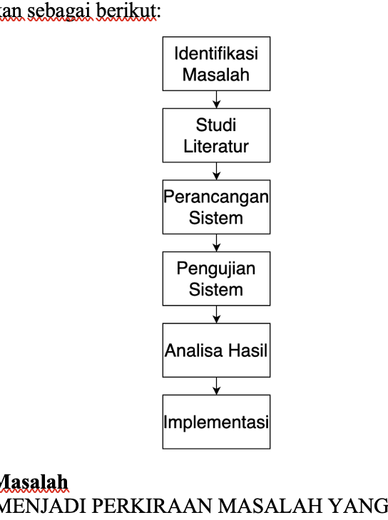
NO | PR | TODO
1 | Perpanjang Latar belakang | Pindahin identifikasi masalah di bab 3 ke latar belakang, karena harusnya di identifikasi masalah itu isinya tentang "struggle" pada penelitian, bukan data dan pengenalan kayak yang tertulis di v3 | DONE
2 | Perbanyak sitasi | coba baca lagi skripsinya secara keseluruhan supaya tahu dimana penambahan yang pas, tapi untuk sekarang yang jelas di bab 2 perlu penambahan studi literatur Bahan : 1. CNN(udah, mungkin kita perpanjang aja lagi ya) 2. Darknet 3. Pytorch | DONE
3 | Batasan masalah 2 saja | Perubahan batasan masalah karena ga jadi buat API dan antarmuka | DONE
4 | Metode penelitian hapus | hapus | DONE
5 | Bab 3 tahapan kerangka kerja | masih belum ada gambaran, belum review skripsi lain juga, masih nunggu proses dari PR yang diatas atas-nya | NOT YET
6 | Bab 2 aristektur yolov8 | ntar kita liat lagi framework atau teori teori yang bersangkutan, masih nunggu proses dari PR yang lain | DONE
7 | Bab 1 manfaat bagi penulis dan perkembangan teknologi | masih belum ada gambaran, belum review skripsi lain juga, masih nunggu proses dari PR yang diatas atas-nya | DONE
8 | bab 2 tambah teori app atau framework pendukung | sebenernya ini sama kayak nomor 6 | DONE
9 | bab 3 tulis identifikasi masalah | udah dapat poin poinnya, itu ada Pengumpulan data Anotasi gambar Pelatihan model Pengujian model | DONE

To search | K means in CNN or YOLO or Deep Learning
 | What is CUDA and what is alternative for it
 | Compare CUDA and it alternatives or without CUDA
 | Darknet (All information and journal)
 | Pytorch (All information and journal)

.. | CUDA Bingungin cokkkk
 | go to darknet aelah

