test
pyinstaller --onefile createmaacro_compare_table.py | 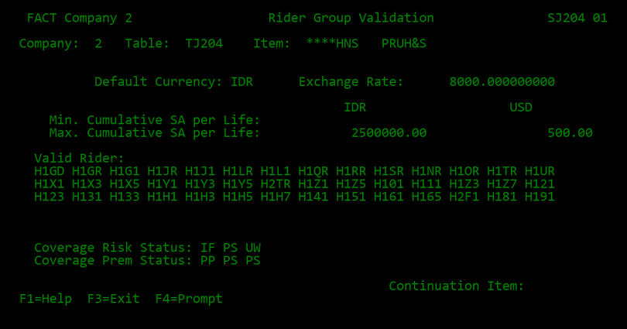 | Testme about this NCR

