Sheet1
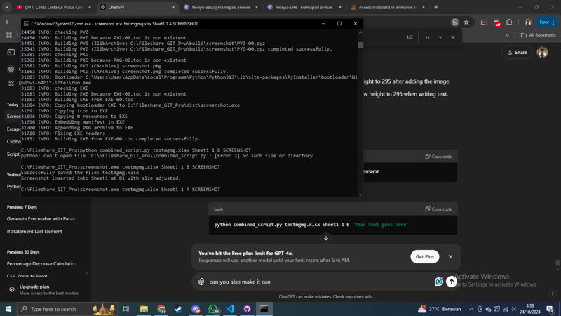 | 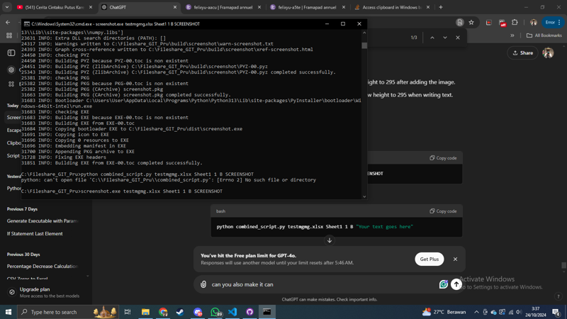
TeXt Me Darling | TeXt Me Omaga

