Simple Linear Regression - Temp
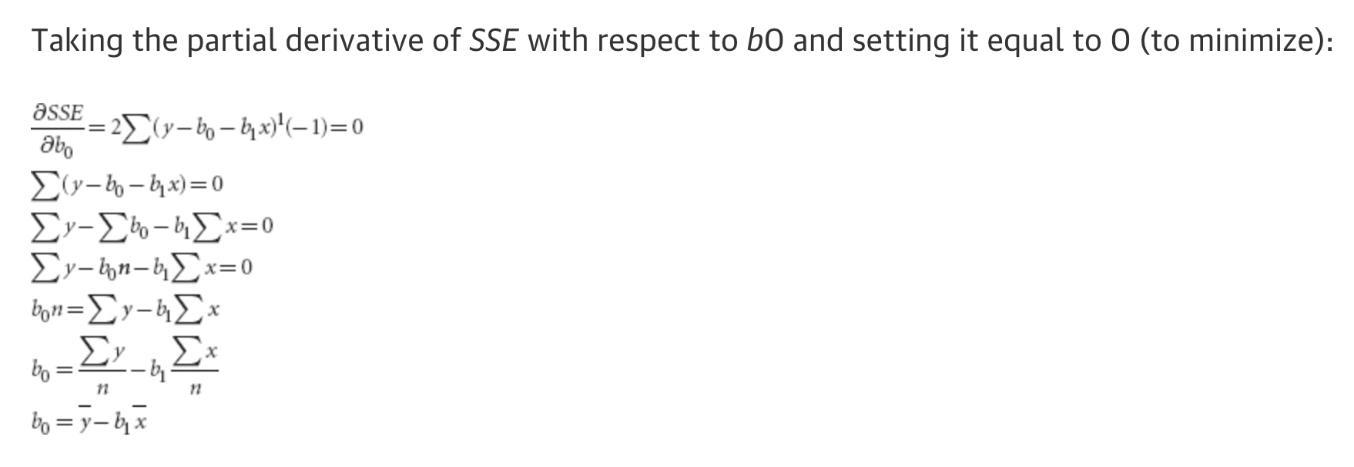
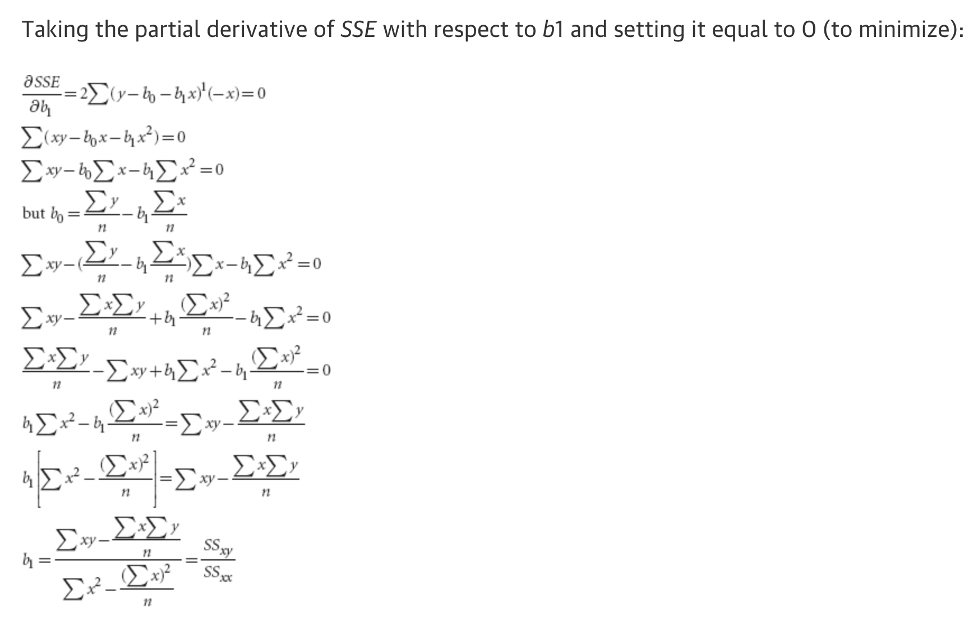
STEP 1: GETTING FEATURE COMPONENTS |  |  | STEP 2: CALCULATE FEATURE INTERACTIONS |  |  |  |  | STEP 3: CALCULATE b1 |  | STEP 4: CALCULATE b0
 | x(i) | y(i) |  | (x(i)-x_mean) | (y(i)-y_mean) | (x(i)-x_mean)*(y(i)-y_mean) | (x(i)-x_mean)**2 | Variable Name | Result | Variable Name | Result
 |  |  |  | #DIV/0! | #DIV/0! | #DIV/0! | #DIV/0! | b1 | #DIV/0! | b0 | #DIV/0!
 |  |  |  | #DIV/0! | #DIV/0! | #DIV/0! | #DIV/0!
 |  |  |  | #DIV/0! | #DIV/0! | #DIV/0! | #DIV/0!
Total | 0 | 0 | Total |  |  | #DIV/0! | #DIV/0!
Mean | #DIV/0! | #DIV/0!

