Outlier_Check
Outlier_Check Sheet |  | Calculate IQR
Metric | Formula | Metric | Value
Minimum | 0 | Q1 | 0
Q1 | 0 | Q3 | 0
Median | 0 | IQR | 0
Q3 | 0
Maximum | 8610.72

Revenue is highly skewed with most users generating zero revenue. Traditional IQR-based outlier detection is not meaningful because Q1, Median, and Q3 are all zero.

Revenue is highly right-skewed. Most users generated zero revenue. No records were removed. Revenue outliers were retained as they may represent legitimate high-value customers.

Segment_Check
 | Region Check |  |  |  | Device Type Check
Count of user_id | Column Labels |  |  | Count of user_id | Column Labels
Row Labels | Control | Treatment | Grand Total | Row Labels | Control | Treatment | Grand Total
East | 158 | 172 | 330 | Desktop | 200 | 214 | 414
North | 203 | 180 | 383 | Mobile | 428 | 436 | 864
South | 184 | 184 | 368 | Tablet | 56 | 56 | 112
West | 148 | 179 | 327 | (blank) | 9 | 9 | 18
Grand Total | 693 | 715 | 1408 | Grand Total | 693 | 715 | 1408

 | Traffic Source Check |  |  |  | Plan Type Check
Count of user_id | Column Labels |  |  | Count of user_id | Column Labels
Row Labels | Control | Treatment | Grand Total | Row Labels | Control | Treatment | Grand Total
Email | 74 | 56 | 130 | Basic | 223 | 235 | 458
Organic | 246 | 241 | 487 | Free | 361 | 368 | 729
Paid Search | 156 | 176 | 332 | Premium | 109 | 112 | 221
Referral | 81 | 91 | 172 | Grand Total | 693 | 715 | 1408
Social | 130 | 133 | 263
(blank) | 6 | 18 | 24
Grand Total | 693 | 715 | 1408

Control and Treatment groups are reasonably balanced across Region, Device Type, Traffic Source, and Plan Type. No significant segment imbalance was observed. The experiment groups appear suitable for comparison.

KPI_Framework
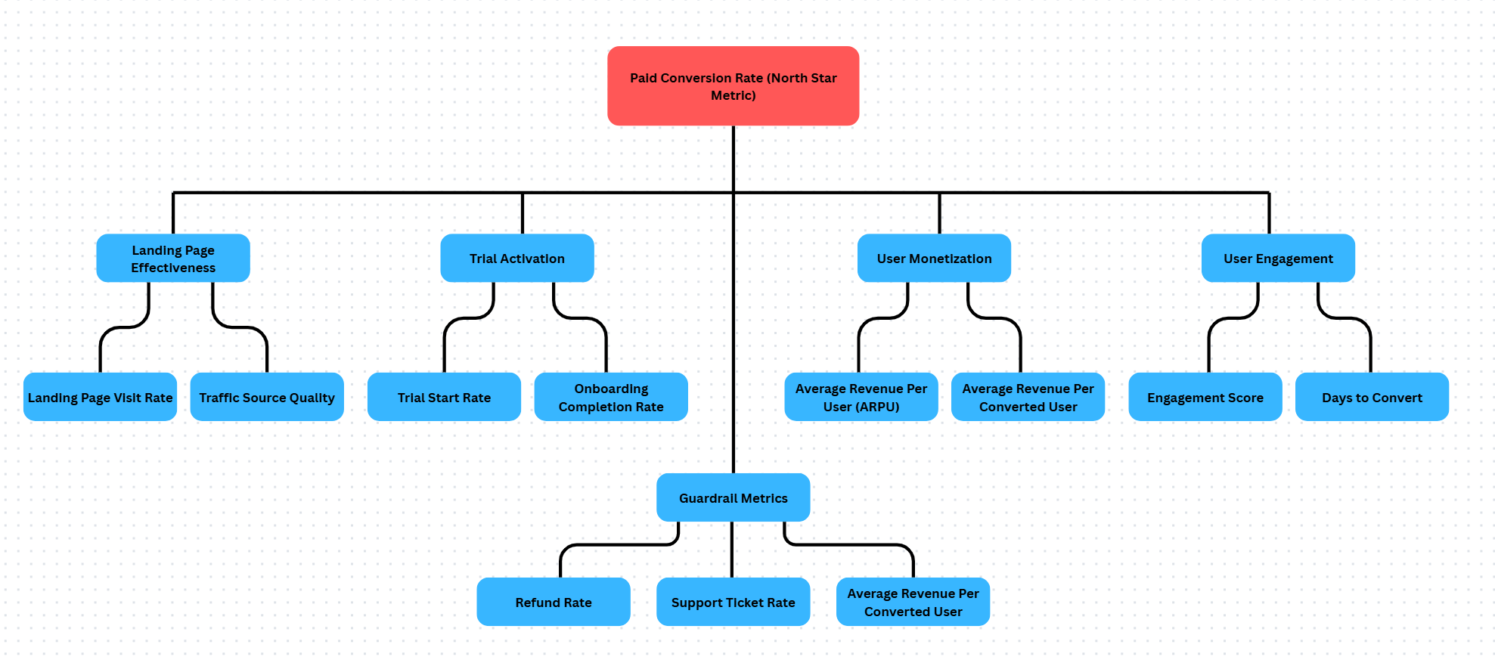

North Star Metric: Paid Conversion Rate was selected because the primary objective of the onboarding experiment is to increase the number of users converting to paid subscriptions.
Guardrail Metrics: Refund Rate, Support Ticket Rate, and Average Revenue Per Converted User were selected to ensure conversion improvements do not negatively impact customer experience, support workload, or revenue quality.

Hypothesis_Testing
Null Hypothesis (H₀)
The new onboarding experience does not improve the paid conversion rate. Control Conversion Rate = Treatment Conversion Rate.
Alternative Hypothesis (H₁)
The new onboarding experience improves the paid conversion rate. Treatment Conversion Rate > Control Conversion Rate.

Parameter | Value | Metric | Result
Control Users (n₁) | 693 | p₁ | 0.031746031746
Control Conversions (x₁) | 22 | p₂ | 0.06993006993
Treatment Users (n₂) | 715
Treatment Conversions (x₂) | 50
Significance Level (α) | 0.05

Result | Value
Test Used | Two-Proportion Z-Test
Z-score | 3.41
p-value | 0.0003
Decision | Reject H₀

Since the p-value (0.0003) is less than the significance level (0.05), the Null Hypothesis is rejected. The analysis provides strong statistical evidence that the new onboarding experience significantly improves the paid conversion rate. Therefore, the observed increase in conversion rate is unlikely to be due to random chance.

