Sheet1
All CSS Pseudo Classes
Selector | Example | Example description
:active | a:active | Selects the active link
:checked | input:checked | Selects every checked <input> element
:disabled | input:disabled | Selects every disabled <input> element
:empty | p:empty | Selects every <p> element that has no children
:enabled | input:enabled | Selects every enabled <input> element
:first-child | p:first-child | Selects every <p> elements that is the first child of its parent
:first-of-type | p:first-of-type | Selects every <p> element that is the first <p> element of its parent
:focus | input:focus | Selects the <input> element that has focus
:hover | a:hover | Selects links on mouse over
:in-range | input:in-range | Selects <input> elements with a value within a specified range
:invalid | input:invalid | Selects all <input> elements with an invalid value
:lang(language) | p:lang(it) | Selects every <p> element with a lang attribute value starting with "it"
:last-child | p:last-child | Selects every <p> elements that is the last child of its parent
:last-of-type | p:last-of-type | Selects every <p> element that is the last <p> element of its parent
:link | a:link | Selects all unvisited links
:not(selector) | :not(p) | Selects every element that is not a <p> element
:nth-child(n) | p:nth-child(2) | Selects every <p> element that is the second child of its parent
:nth-last-child(n) | p:nth-last-child(2) | Selects every <p> element that is the second child of its parent, counting from the last child
:nth-last-of-type(n) | p:nth-last-of-type(2) | Selects every <p> element that is the second <p> element of its parent, counting from the last child
:nth-of-type(n) | p:nth-of-type(2) | Selects every <p> element that is the second <p> element of its parent
:only-of-type | p:only-of-type | Selects every <p> element that is the only <p> element of its parent
:only-child | p:only-child | Selects every <p> element that is the only child of its parent
:optional | input:optional | Selects <input> elements with no "required" attribute
:out-of-range | input:out-of-range | Selects <input> elements with a value outside a specified range
:read-only | input:read-only | Selects <input> elements with a "readonly" attribute specified
:read-write | input:read-write | Selects <input> elements with no "readonly" attribute
:required | input:required | Selects <input> elements with a "required" attribute specified
:root | root | Selects the document's root element
:target | #news:target | Selects the current active #news element (clicked on a URL containing that anchor name)
:valid | input:valid | Selects all <input> elements with a valid value
:visited | a:visited | Selects all visited links
All CSS Pseudo Elements
Selector | Example | Example description
::after | p::after | Insert content after every <p> element
::before | p::before | Insert content before every <p> element
::first-letter | p::first-letter | Selects the first letter of every <p> element
::first-line | p::first-line | Selects the first line of every <p> element
::selection | p::selection | Selects the portion of an element that is selected by a user

selector::pseudo-element {
property: value;
}
Selector | Example | Example description
::after | p::after | Insert something after the content of each <p> element
::before | p::before | Insert something before the content of each <p> element
::first-letter | p::first-letter | Selects the first letter of each <p> element
::first-line | p::first-line | Selects the first line of each <p> element
::marker | ::marker | Selects the markers of list items
::selection | p::selection | Selects the portion of an element that is selected by a user
All CSS Pseudo Classes
Selector | Example | Example description
:active | a:active | Selects the active link
:checked | input:checked | Selects every checked <input> element
:disabled | input:disabled | Selects every disabled <input> element
:empty | p:empty | Selects every <p> element that has no children
:enabled | input:enabled | Selects every enabled <input> element
:first-child | p:first-child | Selects every <p> elements that is the first child of its parent
:first-of-type | p:first-of-type | Selects every <p> element that is the first <p> element of its parent
:focus | input:focus | Selects the <input> element that has focus
:hover | a:hover | Selects links on mouse over
:in-range | input:in-range | Selects <input> elements with a value within a specified range
:invalid | input:invalid | Selects all <input> elements with an invalid value
:lang(language) | p:lang(it) | Selects every <p> element with a lang attribute value starting with "it"
:last-child | p:last-child | Selects every <p> elements that is the last child of its parent
:last-of-type | p:last-of-type | Selects every <p> element that is the last <p> element of its parent
:link | a:link | Selects all unvisited links
:not(selector) | :not(p) | Selects every element that is not a <p> element
:nth-child(n) | p:nth-child(2) | Selects every <p> element that is the second child of its parent
:nth-last-child(n) | p:nth-last-child(2) | Selects every <p> element that is the second child of its parent, counting from the last child
:nth-last-of-type(n) | p:nth-last-of-type(2) | Selects every <p> element that is the second <p> element of its parent, counting from the last child
:nth-of-type(n) | p:nth-of-type(2) | Selects every <p> element that is the second <p> element of its parent
:only-of-type | p:only-of-type | Selects every <p> element that is the only <p> element of its parent
:only-child | p:only-child | Selects every <p> element that is the only child of its parent
:optional | input:optional | Selects <input> elements with no "required" attribute
:out-of-range | input:out-of-range | Selects <input> elements with a value outside a specified range
:read-only | input:read-only | Selects <input> elements with a "readonly" attribute specified
:read-write | input:read-write | Selects <input> elements with no "readonly" attribute
:required | input:required | Selects <input> elements with a "required" attribute specified
:root | root | Selects the document's root element
:target | #news:target | Selects the current active #news element (clicked on a URL containing that anchor name)
:valid | input:valid | Selects all <input> elements with a valid value
:visited | a:visited | Selects all visited links

img {
opacity: 0.5;
}
Fixed Top
ul {
position: fixed;
top: 0;
width: 100%;
}
Try it Yourself »
Fixed Bottom
ul {
position: fixed;
bottom: 0;
width: 100%;
}

Active/Current Navigation Link

Example
ul {
list-style-type: none;
margin: 0;
padding: 0;
overflow: hidden;
background-color: #333;
}

li {
float: left;
}

li a {
display: block;
color: white;
text-align: center;
padding: 14px 16px;
text-decoration: none;
}

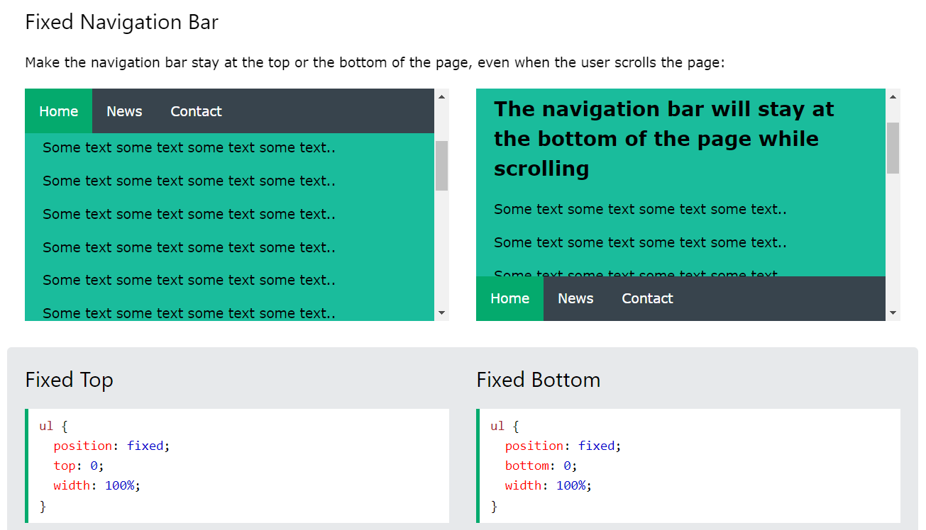
/* Change the link color to #111 (black) on hover */
li a:hover {
background-color: #111;
}

ul {
position: -webkit-sticky; /* Safari */
position: sticky;
top: 0;
}

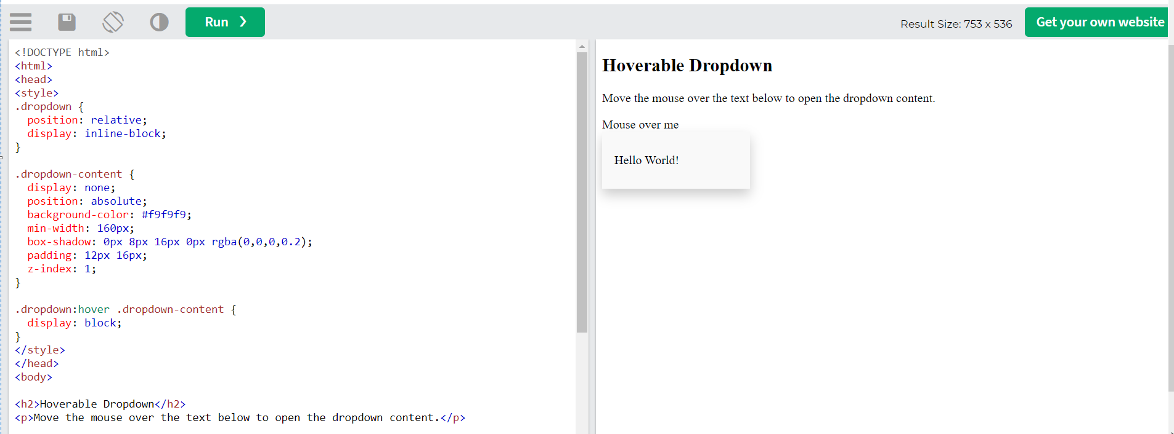

What is !important?

The !important rule in CSS is used to add more importance to a property/value than normal.

In fact, if you use the !important rule, it will override ALL previous styling rules (Others ID and Class) for that specific property on that element!

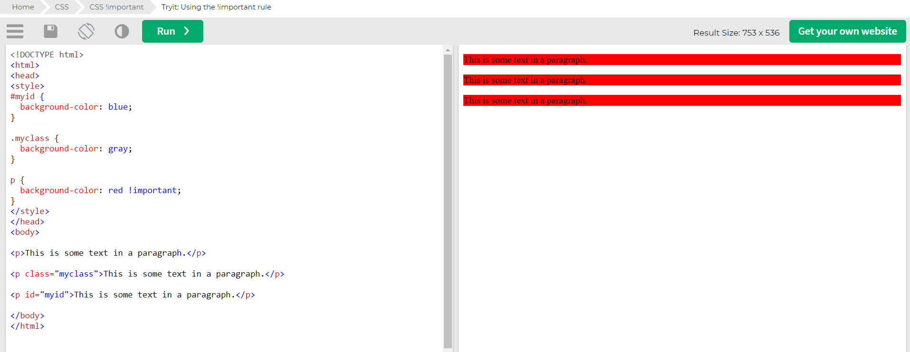
Let us look at an example:

All CSS Math Functions
Function | Description
calc() | Allows you to perform calculations to determine CSS property values
max() | Uses the largest value, from a comma-separated list of values, as the property value
min() | Uses the smallest value, from a comma-separated list of values, as the property value

What is Specificity?

If there are two or more CSS rules that point to the same element, the selector with the highest specificity value will "win", and its style declaration will be applied to that HTML element.

Think of specificity as a score/rank that determines which style declaration are ultimately applied to an element.

CSS Animations

CSS allows animation of HTML elements without using JavaScript or Flash!

CSS

In this chapter you will learn about the following properties:
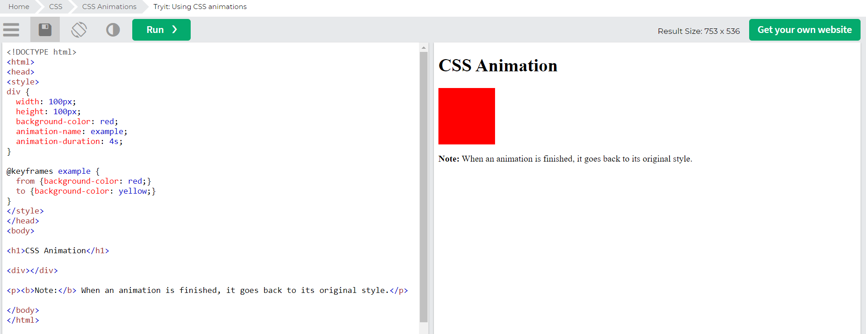
@keyframes
animation-name
animation-duration
animation-delay
animation-iteration-count
animation-direction
animation-timing-function
animation-fill-mode
animation

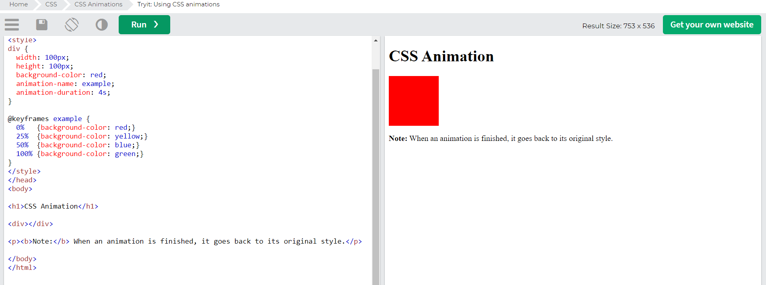
width: 100px;
height: 100px;
background-color: red;
position: relative;
animation-name: example;
animation-duration: 4s;
animation-iteration-count: infinite;

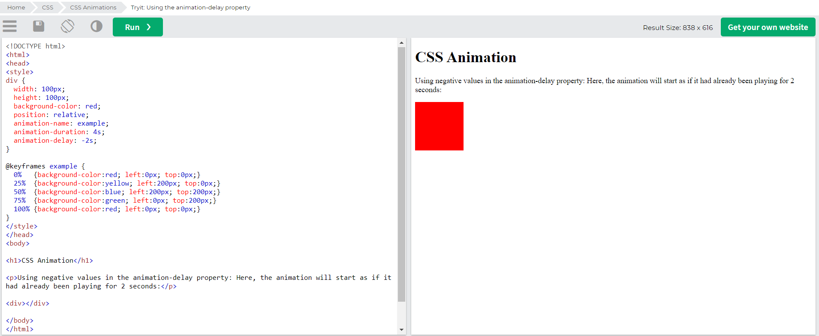

Run Animation in Reverse Direction or Alternate Cycles

The animation-direction property specifies whether an animation should be played forwards, backwards or in alternate cycles.
 |  | div {
The animation-direction property can have the following values: |  | animation-name: example;
 |  | animation-duration: 5s;
normal - The animation is played as normal (forwards). This is default |  | animation-timing-function: linear;
reverse - The animation is played in reverse direction (backwards) |  | animation-delay: 2s;
alternate - The animation is played forwards first, then backwards |  | animation-iteration-count: infinite;
alternate-reverse - The animation is played backwards first, then forwards |  | animation-direction: alternate;
 |  | }
Specify the Speed Curve of the Animation
 |  | div {
 |  | animation: example 5s linear 2s infinite alternate;
 |  | }
The animation-timing-function property specifies the speed curve of the animation.
 |  | The same animation effect as above can be achieved by using the shorthand animation property:
The animation-timing-function property can have the following values:

ease - Specifies an animation with a slow start, then fast, then end slowly (this is default)
linear - Specifies an animation with the same speed from start to end
ease-in - Specifies an animation with a slow start
ease-out - Specifies an animation with a slow end
ease-in-out - Specifies an animation with a slow start and end
cubic-bezier(n,n,n,n) - Lets you define your own values in a cubic-bezier function

The following example shows some of the different speed curves that can be used:

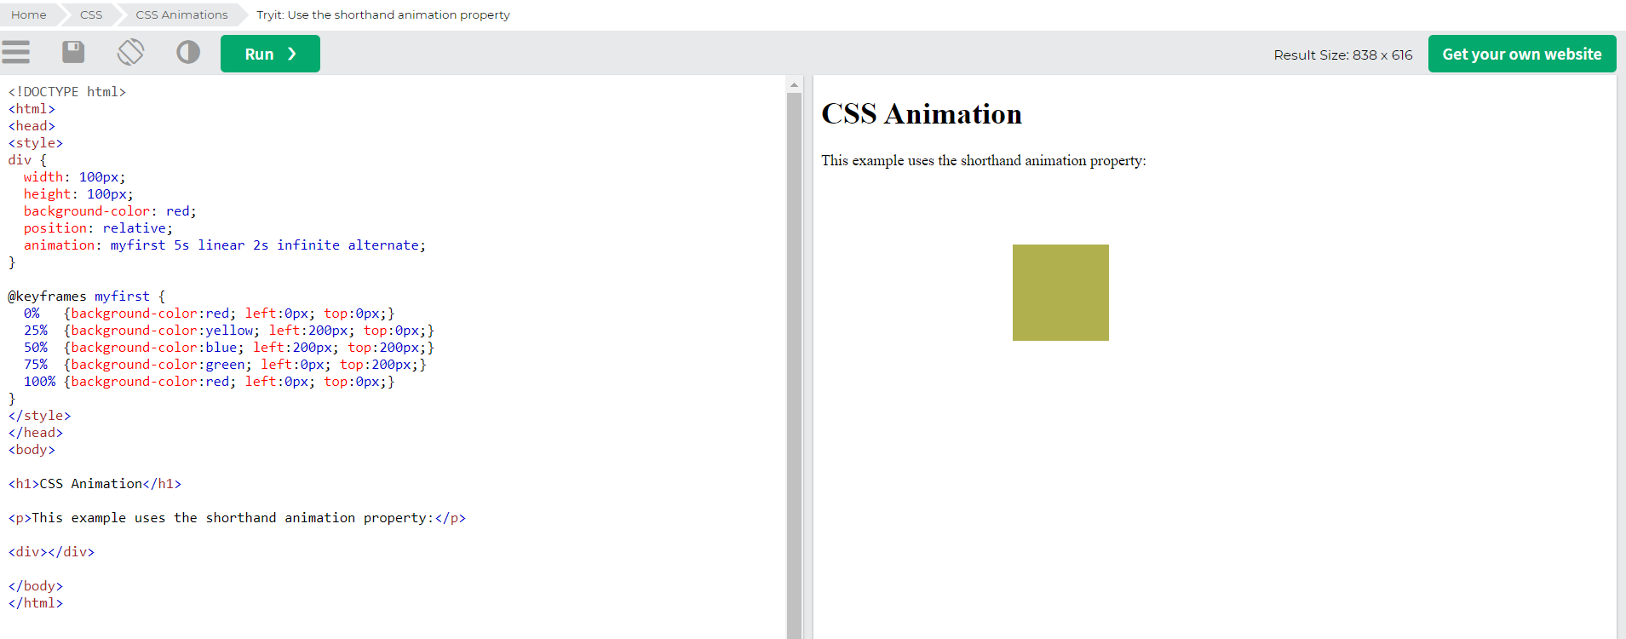

CSS Animation Properties

The following table lists the @keyframes rule and all the CSS animation properties:

Property | Description
@keyframes | Specifies the animation code
animation | A shorthand property for setting all the animation properties
animation-delay | Specifies a delay for the start of an animation
animation-direction | Specifies whether an animation should be played forwards, backwards or in alternate cycles
animation-duration | Specifies how long time an animation should take to complete one cycle
animation-fill-mode | Specifies a style for the element when the animation is not playing (before it starts, after it ends, or both)
animation-iteration-count | Specifies the number of times an animation should be played
animation-name | Specifies the name of the @keyframes animation
animation-play-state | Specifies whether the animation is running or paused
animation-timing-function | Specifies the speed curve of the animation

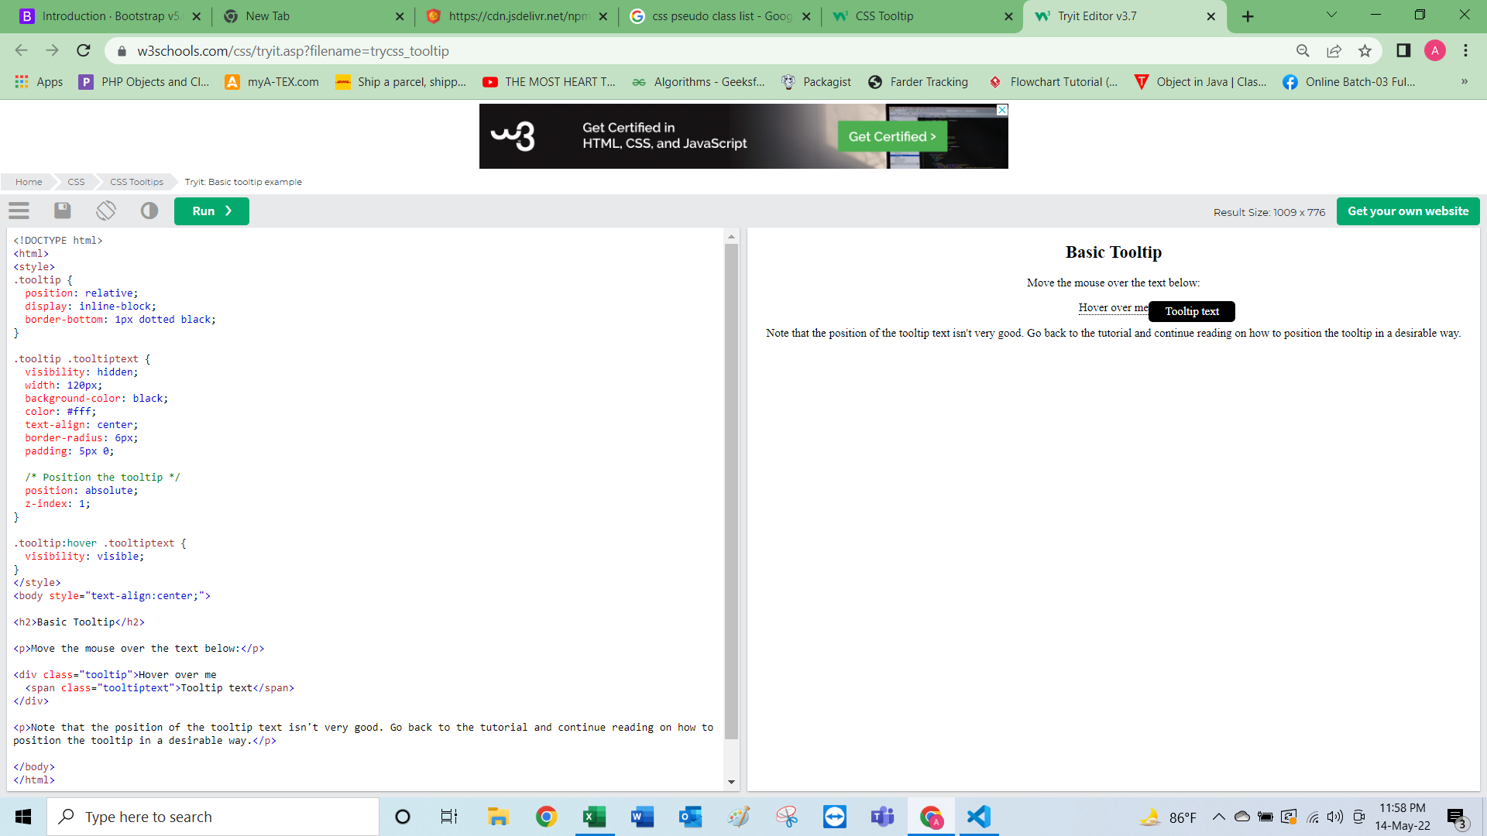

Always Design for Mobile First

Mobile First means designing for mobile before designing for desktop or any other device (This will make the page display faster on smaller devices).

This means that we must make some changes in our CSS.

Instead of changing styles when the width gets smaller than 768px, we should change the design when the width gets larger than 768px. This will make our design Mobile First:

Example
/* For mobile phones: */
[class*="col-"] {
width: 100%;
}

@media only screen and (min-width: 768px) {
/* For desktop: */
.col-1 {width: 8.33%;}
.col-2 {width: 16.66%;}
.col-3 {width: 25%;}
.col-4 {width: 33.33%;}
.col-5 {width: 41.66%;}
.col-6 {width: 50%;}
.col-7 {width: 58.33%;}
.col-8 {width: 66.66%;}
.col-9 {width: 75%;}
.col-10 {width: 83.33%;}
.col-11 {width: 91.66%;}
.col-12 {width: 100%;}
}

Typical Device Breakpoints

There are tons of screens and devices with different heights and widths, so it is hard to create an exact breakpoint for each device. To keep things simple you could target five groups:

Example
/* Extra small devices (phones, 600px and down) */
@media only screen and (max-width: 600px) {...}

/* Small devices (portrait tablets and large phones, 600px and up) */
@media only screen and (min-width: 600px) {...}

/* Medium devices (landscape tablets, 768px and up) */
@media only screen and (min-width: 768px) {...}

/* Large devices (laptops/desktops, 992px and up) */
@media only screen and (min-width: 992px) {...}

/* Extra large devices (large laptops and desktops, 1200px and up) */
@media only screen and (min-width: 1200px) {...}
Try it Yourself »

Orientation: Portrait / Landscape

Media queries can also be used to change layout of a page depending on the orientation of the browser.

You can have a set of CSS properties that will only apply when the browser window is wider than its height, a so called "Landscape" orientation:

Example

The web page will have a lightblue background if the orientation is in landscape mode:

@media only screen and (orientation: landscape) {
body {
background-color: lightblue;
}
}

Try it Yourself »

Hide Elements With Media Queries

Another common use of media queries, is to hide elements on different screen sizes:

I will be hidden on small screens.
Example
/* If the screen size is 600px wide or less, hide the element */
@media only screen and (max-width: 600px) {
div.example {
display: none;
}
}
Try it Yourself »

Change Font Size With Media Queries

You can also use media queries to change the font size of an element on different screen sizes:

Variable Font Size. |  | Sass is a CSS pre-processor.
Example
/* If the screen size is 601px or more, set the font-size of <div> to 80px */ |  | Sass reduces repetition of CSS and therefore saves time.
@media only screen and (min-width: 601px) { |  | <!DOCTYPE html>
div.example { |  | <html>
font-size: 80px; |  | <link rel="stylesheet" href="mystyle.css">
} |  | <body>
}
 |  | <h1>Hello World</h1>
/* If the screen size is 600px or less, set the font-size of <div> to 30px */
@media only screen and (max-width: 600px) { |  | <p>This is a paragraph.</p>
div.example {
font-size: 30px; |  | </body>
} |  | </html>
}
 |  | /* Define standard variables and values for website */
 |  | $bgcolor: lightblue;
Sass Function References |  | $textcolor: darkblue;
 |  | $fontsize: 18px;
At W3Schools you will find complete references of all Sass functions with syntax and examples.
 |  | /* Use the variables */
Sass String Functions |  | body {
 |  | background-color: $bgcolor;
Sass Numeric Functions |  | color: $textcolor;
 |  | font-size: $fontsize;
Sass List Functions |  | }

Sass Map Functions

Sass Selector Functions

Sass Introspection Functions

Sass Color Functions

Sass String Functions

The string functions are used to manipulate and get information about strings.

Sass strings are 1-based. The first character in a string is at index 1, not 0.

The following table lists all string functions in Sass:

Function | Description & Example
quote(string) | Adds quotes to string, and returns the result.

 | Example:
 | quote(Hello world!)
 | Result: "Hello world!"
str-index(string, substring) | Returns the index of the first occurrence of the substring within string.

 | Example:
 | str-index("Hello world!", "H")
 | Result: 1
str-insert(string, insert, index) | Returns string with insert inserted at the specified index position.

 | Example:
 | str-insert("Hello world!", " wonderful", 6)
 | Result: "Hello wonderful world!"
str-length(string) | Returns the length of string (in characters).

 | Example:
 | str-length("Hello world!")
 | Result: 12
str-slice(string, start, end) | Extracts characters from string; start at start and end at end, and returns the slice.

 | Example:
 | str-slice("Hello world!", 2, 5)
 | Result: "ello"
to-lower-case(string) | Returns a copy of string converted to lower case.

 | Example:
 | to-lower-case("Hello World!")
 | Result: "hello world!"
to-upper-case(string) | Returns a copy of string converted to upper case.

 | Example:
 | to-upper-case("Hello World!")
 | Result: "HELLO WORLD!"
unique-id() | Returns a unique randomly generated unquoted string (guaranteed to be unique within the current sass session).

 | Example:
 | unique-id()
 | Result: tyghefnsv
unquote(string) | Removes quotes around string (if any), and returns the result.

 | Example:
 | unquote("Hello world!")
 | Result: Hello world!
Sass Numeric Functions

The numeric functions are used to manipulate numeric values.

The following table lists all numeric functions in Sass:

Function | Description & Example
abs(number) | Returns the absolute value of number.

 | Example:
 | abs(15)
 | Result: 15
 | abs(-15)
 | Result: 15
ceil(number) | Rounds number up to the nearest integer.

 | Example:
 | ceil(15.20)
 | Result: 16
comparable(num1, num2) | Returns whether num1 and num2 are comparable.

 | Example:
 | comparable(15px, 10px)
 | Result: true
 | comparable(20mm, 1cm)
 | Result: true
 | comparable(35px, 2em)
 | Result: false
floor(number) | Rounds number down to the nearest integer.

 | Example:
 | floor(15.80)
 | Result: 15
max(number...) | Returns the highest value of several numbers.

 | Example:
 | max(5, 7, 9, 0, -3, -7)
 | Result: 9
min(number...) | Returns the lowest value of several numbers.

 | Example:
 | min(5, 7, 9, 0, -3, -7)
 | Result: -7
percentage(number) | Converts number to a percentage (multiplies the number with 100).

 | Example:
 | percentage(1.2)
 | Result: 120
random() | Returns a random number between 0 and 1.

 | Example:
 | random()
 | Result: 0.45673
random(number) | Returns a random integer between 1 and number.

 | Example:
 | random(6)
 | Result: 4
round(number) | Rounds number to the nearest integer.

 | Example:
 | round(15.20)
 | Result: 15
 | round(15.80)
 | Result: 16
Sass List Functions

The list functions are used to access values in a list, combine lists, and add items to lists.

Sass lists are immutable (they cannot change). So, the list functions that return a list, will return a new list, and not change the original list.

Sass lists are 1-based. The first list item in a list is at index 1, not 0.

The following table lists all list functions in Sass:

Function | Description & Example
append(list, value, [separator]) | Adds a single value to the end of the list. separator can be auto, comma, or space. auto is default.

 | Example:
 | append((a b c), d)
 | Result: a b c d
 | append((a b c), (d), comma)
 | Result: a, b, c, d
index(list, value) | Returns the index position for the value in list.

 | Example:
 | index(a b c, b)
 | Result: 2
 | index(a b c, f)
 | Result: null
is-bracketed(list) | Checks whether the list has square brackets.

 | Example:
 | is-bracketed([a b c])
 | Result: true
 | is-bracketed(a b c)
 | Result: false
join(list1, list2, [separator, bracketed]) | Appends list2 to the end of list1. separator can be auto, comma, or space. auto is default (will use the separator in the first list). bracketed can be auto, true, or false. auto is default.

 | Example:
 | join(a b c, d e f)
 | Result: a b c d e f
 | join((a b c), (d e f), comma)
 | Result: a, b, c, d, e, f
 | join(a b c, d e f, $bracketed: true)
 | Result: [a b c d e f]
length(list) | Returns the length of the list.

 | Example:
 | length(a b c)
 | Result: 3
list-separator(list) | Returns the list separator used, as a string. Can be either space or comma.

 | Example:
 | list-separator(a b c)
 | Result: "space"
 | list-separator(a, b, c)
 | Result: "comma"
nth(list, n) | Returns the nth element in the list.

 | Example:
 | nth(a b c, 3)
 | Result: c
set-nth(list, n, value) | Sets the nth list element to the value specified.

 | Example:
 | set-nth(a b c, 2, x)
 | Result: a x c
zip(lists) | Combines lists into a single multidimensional list.

 | Example:
 | zip(1px 2px 3px, solid dashed dotted, red green blue)
 | Result: 1px solid red, 2px dashed green, 3px dotted blue

Sass Map Functions

In Sass, the map data type represents one or more key/value pairs.

Tip: It is also possible to use the List functions from the previous page, with maps. Then the map will be treated as a list with two elements.

Sass maps are immutable (they cannot change). So, the map functions that return a map, will return a new map, and not change the original map.

The following table lists all map functions in Sass:

Function | Description & Example
map-get(map, key) | Returns the value for the specified key in the map.

 | Example:
 | $font-sizes: ("small": 12px, "normal": 18px, "large": 24px)
 | map-get($font-sizes, "small")
 | Result: 12px
map-has-key(map, key) | Checks whether map has the specified key. Returns true or false.

 | Example:
 | $font-sizes: ("small": 12px, "normal": 18px, "large": 24px)
 | map-has-key($font-sizes, "big")
 | Result: false
map-keys(map) | Returns a list of all keys in map.

 | Example:
 | $font-sizes: ("small": 12px, "normal": 18px, "large": 24px)
 | map-keys($font-sizes)
 | Result: "small", "normal, "large"
map-merge(map1, map2) | Appends map2 to the end of map1.

 | Example:
 | $font-sizes: ("small": 12px, "normal": 18px, "large": 24px)
 | $font-sizes2: ("x-large": 30px, "xx-large": 36px)
 | map-merge($font-sizes, $font-sizes2)
 | Result: "small": 12px, "normal": 18px, "large": 24px, "x-large": 30px, "xx-large": 36px
map-remove(map, keys...) | Removes the specified keys from map.

 | Example:
 | $font-sizes: ("small": 12px, "normal": 18px, "large": 24px)
 | map-remove($font-sizes, "small")
 | Result: ("normal": 18px, "large": 24px)
 | map-remove($font-sizes, "small", "large")
 | Result: ("normal": 18px)
map-values(map) | Returns a list of all values in map.

 | Example:
 | $font-sizes: ("small": 12px, "normal": 18px, "large": 24px)
 | map-values($font-sizes)
 | Result: 12px, 18px, 24px
Sass Selector Functions

The selector functions are used to check and manipulate selectors.

The following table lists all selector functions in Sass:

Function | Description & Example
is-superselector(super, sub) | Checks whether the super selector matches all the elements that sub matches.

 | Example:
 | is-superselector("div", "div.myInput")
 | Result: true
 | is-superselector("div.myInput", "div")
 | Result: false
 | is-superselector("div", "div")
 | Result: true
selector-append(selectors) | Appends the second (and third/fourth etc.) selector to the first selector.

 | Example:
 | selector-append("div", ".myInput")
 | Result: div.myInput
 | selector-append(".warning", "__a")
 | Result: .warning__a
selector-extend(selector, extendee, extender)
selector-nest(selectors) | Returns a new selector containing a nested list of CSS selectors based on the list provided.

 | Example:
 | selector-nest("ul", "li")
 | Result: ul li
 | selector-nest(".warning", "alert", "div")
 | Result: .warning div, alert div
selector-parse(selector) | Returns a list of strings contained in selector using the same format as the parent selector.

 | Example:
 | selector-parse("h1 .myInput .warning")
 | Result: ('h1' '.myInput' '.warning')
selector-replace(selector, original, replacement) | Returns a new selector with the selectors specified in replacement in place of selectors specified in original.

 | Example:
 | selector-replace("p.warning", "p", "div")
 | Result: div.warning
selector-unify(selector1, selector2) | Returns a new selector that matches only elements matched by both selector1 and selector2.

 | Example:
 | selector-unify("myInput", ".disabled")
 | Result: myInput.disabled
 | selector-unify("p", "h1")
 | Result: null
simple-selectors(selectors) | Returns a list of the individual selectors in selectors.

 | Example:
 | simple-selectors("div.myInput")
 | Result: div, .myInput
 | simple-selectors("div.myInput:before")
 | Result: div, .myInput, :before
Sass Introspection Functions

The introspection functions are rarely used when building a stylesheet. However, they are valuable if something does not work properly - to figure out what's going on: like debugging functions.

The following table lists all introspection functions in Sass:

Function | Description & Example
call(function, arguments...) | Calls a function with arguments, and returns the result.
content-exists() | Checks whether the current mixin was passed a @content block.
feature-exists(feature) | Checks whether feature is supported by the current Sass implementation.

 | Example:
 | feature-exists("at-error");
 | Result: true
function-exists(functionname) | Checks whether the specified function exists.

 | Example:
 | function-exists("nonsense")
 | Result: false
get-function(functionname, css: false) | Returns the specified function. If css is true, it returns a plain CSS function instead.
global-variable-exists(variablename) | Checks whether the specified global variable exists.

 | Example:
 | variable-exists(a)
 | Result: true
inspect(value) | Returns a string representation of value.
mixin-exists(mixinname) | Checks whether the specified mixin exists.

 | Example:
 | mixin-exists("important-text")
 | Result: true
type-of(value) | Returns the type of value. Can be number, string, color, list, map, bool, null, function, arglist.

 | Example:
 | type-of(15px)
 | Result: number
 | type-of(#ff0000)
 | Result: color
unit(number) | Returns the unit associated with a number.

 | Example:
 | unit(15px)
 | Result: px
unitless(number) | Checks whether the specified number has a unit associated with it.

 | Example:
 | unitless(15px)
 | Result: false
 | unitless(15)
 | Result: true
variable-exists(variablename) | Checks whether the specified variable exists in the current scope.

 | Example:
 | variable-exists(b)
 | Result: true
Sass Color Functions

We have divided the color functions in Sass into three parts: Set color functions, Get color functions, and Manipulate color functions:

Sass Set Color Functions
Function | Description & Example
rgb(red, green, blue) | Sets a color using the Red-Green-Blue (RGB) model. An RGB color value is specified with: rgb(red, green, blue). Each parameter defines the intensity of that color and can be an integer between 0 and 255, or a percentage value (from 0% to 100%).

 | Example:
 | rgb(0, 0, 255); // rendered as blue because the blue parameter is set to its highest value (255) and the others are set to 0
rgba(red, green, blue, alpha) | Sets a color using the Red-Green-Blue-Alpha (RGBA) model. RGBA color values are an extension of RGB color values with an alpha channel - which specifies the opacity of the color. The alpha parameter is a number between 0.0 (fully transparent) and 1.0 (fully opaque).

 | Example:
 | rgba(0, 0, 255, 0.3); // rendered as blue with opacity
hsl(hue, saturation, lightness) | Sets a color using the Hue-Saturation-Lightness (HSL) model - and represents a cylindrical-coordinate representation of colors. Hue is a degree on the color wheel (from 0 to 360) - 0 or 360 is red, 120 is green, 240 is blue. Saturation is a percentage value; 0% means a shade of gray and 100% is the full color. Lightness is also a percentage; 0% is black, 100% is white.

 | Example:
 | hsl(120, 100%, 50%); // green
 | hsl(120, 100%, 75%); // light green
 | hsl(120, 100%, 25%); // dark green
 | hsl(120, 60%, 70%); // pastel green
hsla(hue, saturation, lightness, alpha) | Sets a color using the Hue-Saturation-Lightness-Alpha (HSLA) model. HSLA color values are an extension of HSL color values with an alpha channel - which specifies the opacity of the color. The alpha parameter is a number between 0.0 (fully transparent) and 1.0 (fully opaque).

 | Example:
 | hsl(120, 100%, 50%, 0.3); // green with opacity
 | hsl(120, 100%, 75%, 0.3); // light green with opacity
grayscale(color) | Sets a gray color with the same lightness as color.

 | Example:
 | grayscale(#7fffd4);
 | Result: #c6c6c6
complement(color) | Sets a color that is the complementary color of color.

 | Example:
 | complement(#7fffd4);
 | Result: #ff7faa
invert(color, weight) | Sets a color that is the inverse or negative color of color. The weight parameter is optional and must be a number between 0% and 100%. Default is 100%.

 | Example:
 | invert(white);
 | Result: black
Sass Get Color Functions
Function | Description & Example
red(color) | Returns the red value of color as a number between 0 and 255.

 | Example:
 | red(#7fffd4);
 | Result: 127
 | red(red);
 | Result: 255
green(color) | Returns the green value of color as a number between 0 and 255.

 | Example:
 | green(#7fffd4);
 | Result: 255
 | green(blue);
 | Result: 0
blue(color) | Returns the blue value of color as a number between 0 and 255.

 | Example:
 | blue(#7fffd4);
 | Result: 212
 | blue(blue);
 | Result: 255
hue(color) | Returns the hue of color as a number between 0deg and 360deg.

 | Example:
 | hue(#7fffd4);
 | Result: 160deg
saturation(color) | Returns the HSL saturation of color as a number between 0% and 100%.

 | Example:
 | saturation(#7fffd4);
 | Result: 100%
lightness(color) | Returns the HSL lightness of color as a number between 0% and 100%.

 | Example:
 | lightness(#7fffd4);
 | Result: 74.9%
alpha(color) | Returns the alpha channel of color as a number between 0 and 1.

 | Example:
 | alpha(#7fffd4);
 | Result: 1
opacity(color) | Returns the alpha channel of color as a number between 0 and 1.

 | Example:
 | opacity(rgba(127, 255, 212, 0.5));
 | Result: 0.5
Sass Manipulate Color Functions
Function | Description & Example
mix(color1, color2, weight) | Creates a color that is a mix of color1 and color2. The weight parameter must be between 0% and 100%. A larger weight means that more of color1 should be used. A smaller weight means that more of color2 should be used. Default is 50%.

adjust-hue(color, degrees) | Adjusts the color's hue with a degree from -360deg to 360deg.

 | Example:
 | adjust-hue(#7fffd4, 80deg);
 | Result: #8080ff
adjust-color(color, red, green, blue, hue, saturation, lightness, alpha) | Adjusts one or more parameters by the specified amount. This function adds or subtracts the specified amount to/from the existing color value.

 | Example:
 | adjust-color(#7fffd4, blue: 25);
 | Result:
change-color(color, red, green, blue, hue, saturation, lightness, alpha) | Sets one or more parameters of a color to new values.

 | Example:
 | change-color(#7fffd4, red: 255);
 | Result: #ffffd4
scale-color(color, red, green, blue, saturation, lightness, alpha) | Scales one or more parameters of color.
rgba(color, alpha) | Creates a new color of color with the given alpha channel.

 | Example:
 | rgba(#7fffd4, 30%);
 | Result: rgba(127, 255, 212, 0.3)
lighten(color, amount) | Creates a lighter color of color with an amount between 0% and 100%. The amount parameter increases the HSL lightness by that percent.
darken(color, amount) | Creates a darker color of color with an amount between 0% and 100%. The amount parameter decreases the HSL lightness by that percent.
saturate(color, amount) | Creates a more saturated color of color with an amount between 0% and 100%. The amount parameter increases the HSL saturation by that percent.
desaturate(color, amount) | Creates a less saturated color of color with an amount between 0% and 100%. The amount parameter decreases the HSL saturation by that percent.
opacify(color, amount) | Creates a more opaque color of color with an amount between 0 and 1. The amount parameter increases the alpha channel by that amount.
fade-in(color, amount) | Creates a more opaque color of color with an amount between 0 and 1. The amount parameter increases the alpha channel by that amount.
transparentize(color, amount) | Creates a more transparent color of color with an amount between 0 and 1. The amount parameter decreases the alpha channel by that amount.
fade-out(color, amount) | Creates a more transparent color of color with an amount between 0 and 1. The amount parameter decreases the alpha channel by that amount.

