U-Pb results
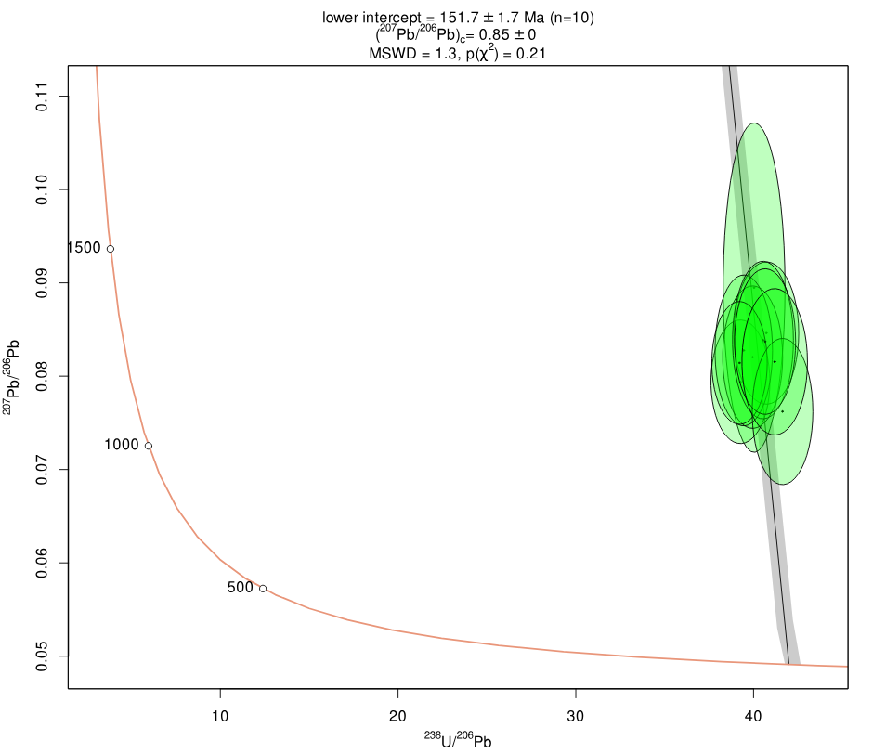
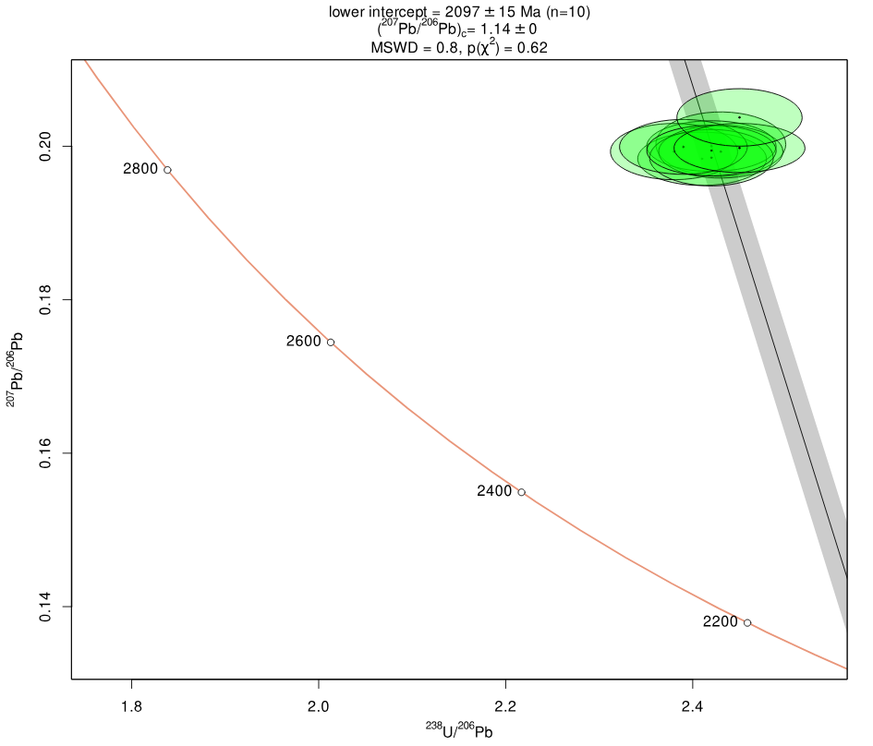
26 March 2024, LAPS Facility, Earth and Environmental Sciences, The University of Manchester |  |  |  |  | Data for Tera-Wasserburg plot
Identifier | Comments | Uppm | Th/U | Pbppm | 238U/206Pb | 2se% | 207Pb/206Pb | 2se% | % conc
Mad_1 |  | 22.5 | 26.0 | 25 | 13.00 | 2.7 | 0.05720 | 0.00 | 99.0
Mad_2 |  | 23.0 | 26.5 | 26 | 13.20 | 2.9 | 0.05720 | 0.00 | 98.8
Mad_3 |  | 23.4 | 25.3 | 26 | 13.11 | 2.8 | 0.05720 | 0.00 | 98.9
Standard MRC-1
Mad_4 |  | 22.8 | 25.6 | 26 | 12.97 | 2.7 | 0.05720 | 0.00 | 99.1
Mad_5 |  | 23.4 | 26.1 | 27 | 13.16 | 2.6 | 0.05720 | 0.00 | 98.8
Mad_6 |  | 23.1 | 25.9 | 26 | 13.07 | 3.1 | 0.05720 | 0.00 | 99.0
Mad_7 |  | 23.0 | 26.1 | 26 | 13.24 | 2.8 | 0.05720 | 0.00 | 98.8
Mad_8 |  | 23.1 | 26.1 | 26 | 13.26 | 2.8 | 0.05720 | 0.00 | 98.7
Mad_9 |  | 23.0 | 26.0 | 26 | 13.12 | 2.7 | 0.05720 | 0.00 | 98.9
Mad_10 |  | 22.8 | 25.9 | 26 | 12.96 | 2.4 | 0.05720 | 0.00 | 99.1

MRC_1 |  | 18.7 | 1.3 | 2 | 40.03 | 3.5 | 0.08949 | 15.87 | 58.6
MRC_2 |  | 18.8 | 1.3 | 2 | 39.26 | 3.4 | 0.07940 | 6.71 | 65.4
MRC_3 |  | 18.8 | 1.3 | 2 | 40.72 | 3.6 | 0.08462 | 7.25 | 61.2
MRC_4 |  | 18.2 | 1.2 | 2 | 39.95 | 3.4 | 0.08204 | 7.49 | 63.6
MRC_5 |  | 17.9 | 1.2 | 2 | 39.45 | 3.3 | 0.08276 | 7.86 | 63.9
MRC_6 |  | 18.1 | 1.2 | 2 | 40.53 | 3.4 | 0.08387 | 8.10 | 61.4
MRC_7 |  | 17.9 | 1.2 | 2 | 39.21 | 3.2 | 0.08142 | 6.50 | 63.6
MRC_8 |  | 18.1 | 1.1 | 2 | 41.63 | 3.3 | 0.07621 | 8.27 | 68.3
MRC_9 |  | 17.7 | 1.2 | 2 | 40.65 | 3.4 | 0.08371 | 7.50 | 62.4
MRC_10 |  | 16.8 | 1.3 | 2 | 41.19 | 3.6 | 0.08154 | 7.74 | 62.8

Standard BRZ-1
BRZ_1 |  | 52.6 | 21.7 | 200 | 2.43 | 2.3 | 0.20027 | 1.69 | 78.7
BRZ_2 |  | 52.1 | 23.2 | 195 | 2.41 | 2.3 | 0.19837 | 1.41 | 79.4
BRZ_3 |  | 51.3 | 22.1 | 194 | 2.42 | 2.3 | 0.20002 | 1.33 | 79.0
BRZ_4 |  | 50.0 | 22.2 | 193 | 2.38 | 2.3 | 0.19931 | 1.48 | 80.2
BRZ_5 |  | 51.3 | 21.8 | 193 | 2.43 | 2.2 | 0.19930 | 1.39 | 78.8
BRZ_6 |  | 50.0 | 21.7 | 192 | 2.42 | 2.2 | 0.19851 | 1.49 | 79.2
BRZ_7 |  | 49.5 | 21.6 | 191 | 2.39 | 2.3 | 0.19992 | 1.44 | 79.7
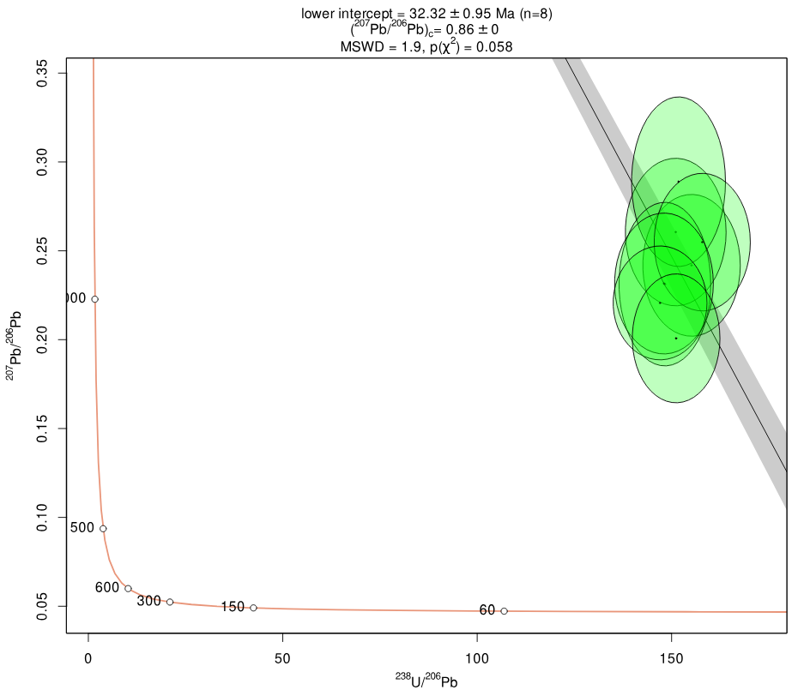
BRZ_8 |  | 49.3 | 22.1 | 190 | 2.42 | 2.3 | 0.19944 | 1.33 | 79.1
BRZ_9 |  | 49.9 | 21.9 | 194 | 2.45 | 2.3 | 0.19978 | 1.29 | 78.2
BRZ_10 |  | 48.8 | 22.0 | 190 | 2.45 | 2.2 | 0.20376 | 1.48 | 77.2
Standard Durango
Dur_1 |  | 10.5 | 4.1 | 1 | 155.13 | 6.5 | 0.24183 | 13.27 | 22.1
Dur_2 |  | 10.6 | 4.0 | 1 | 151.06 | 6.9 | 0.26055 | 12.82 | 20.8
Dur_3 |  | 10.2 | 4.1 | 1 | 151.78 | 6.4 | 0.28888 | 13.29 | 19.2
Dur_4 |  | 10.3 | 4.0 | 1 | 148.27 | 6.4 | 0.23126 | 16.01 | 23.4
Dur_5 |  | 10.1 | 3.8 | 1 | 157.88 | 6.3 | 0.25487 | 12.22 | 21.0
Dur_6 |  | 10.1 | 3.8 | 1 | 148.03 | 6.9 | 0.23160 | 13.77 | 22.6
Dur_7 |  | 10.1 | 3.6 | 1 | 147.03 | 6.6 | 0.22068 | 11.68 | 23.2
Dur_8 |  | 10.0 | 3.7 | 1 | 151.16 | 6.0 | 0.20075 | 14.53 | 25.8

612_1 |  | 29.1 | 0.2 | 32 | 3.69 | 2.2 | 0.90395 | 2.15 | 30.3
612_2 |  | 29.4 | 0.2 | 32 | 3.73 | 2.2 | 0.89478 | 2.12 | 30.1
612_3 |  | 28.1 | 0.2 | 31 | 3.63 | 2.2 | 0.88705 | 1.88 | 30.9
612_4 |  | 27.9 | 0.2 | 31 | 3.61 | 2.1 | 0.90057 | 1.68 | 30.9
612_5 |  | 28.0 | 0.2 | 31 | 3.57 | 2.3 | 0.87976 | 1.76 | 31.5
612_6 |  | 27.6 | 0.2 | 31 | 3.57 | 2.3 | 0.90158 | 1.66 | 31.3
612_7 |  | 27.4 | 0.2 | 31 | 3.61 | 2.2 | 0.90233 | 1.68 | 31.0
612_8 |  | 27.3 | 0.2 | 31 | 3.64 | 2.2 | 0.91455 | 1.84 | 30.6

SF3-AP1_1 |  | 0.1 | 0.3 | 3 | 0.09 | 25.3 | 0.89761 | 9.06 | 322.7
SF3-AP2_1 |  | 0.5 | 0.4 | 4 | 0.39 | 9.6 | 0.70909 | 8.06 | 171.5
SF3-AP4_1 |  | 0.1 | 0.4 | 3 | 0.13 | 11.0 | 0.81028 | 3.92 | 286.2
SF3-AP11_1 |  | 0.6 | 0.3 | 2 | 1.18 | 6.7 | 0.69042 | 7.80 | 83.8
SF3-AP12_1 | low P, high U | 7.7 | 0.4 | 6 | 2.34 | 6.0 | 0.28728 | 7.23 | 67.4
SF3-AP13_1 |  | 0.1 | 0.3 | 3 | 0.10 | 15.5 | 0.90527 | 3.32 | 303.8
SF3-AP16_1 | X | 0.1 | 0.3 | 4 | 0.06 | 14.5 | 0.83059 | 2.52 | 368.8
SF3-AP20_1 |  | 0.0 | 0.2 | 2 | 0.09 | 21.2 | 0.91211 | 5.86 | 321.3
SF3-AP22_1 |  | 0.0 | 0.2 | 1 | 0.08 | 13.8 | 0.88354 | 6.34 | 333.8
SF3-AP24_1 | X | 0.1 | 0.3 | 3 | 0.08 | 9.8 | 0.86868 | 3.91 | 337.6
SF3-AP25_1 |  | 0.2 | 0.3 | 1 | 0.38 | 16.8 | 0.80129 | 5.79 | 167.7
SF3-AP27_1 |  | 0.9 | 0.0 | 1 | 1.52 | 17.5 | 0.54932 | 6.38 | 74.5
SF3-AP28_1 |  | 0.0 | 0.1 | 3 | 0.02 | 28.8 | 0.78093 | 5.41 | 512.2
SF3-AP28_2 | X | 0.0 | 0.0 | 2 | 0.00 | -141.4 | 0.92303 | 7.98
 |  | 0.2 | 0.5 | 1 | 0.36 | 20.6 | 0.76275 | 12.53 | 176.1

SF4-AP3_1 |  | 0.1 | 0.4 | 16 | 0.01 | 31.9 | 0.78308 | 4.12 | 620.4
SF4-AP3_2 |  | 0.0 | 0.0 | 14 | 0.00 | 17.0 | 0.76771 | 4.41 | 737.3
SF4-AP3_3 |  | 0.0 | 0.0 | 25 | 0.00 | 35.5 | 0.76932 | 4.45 | 856.6
SF4-AP5_1 | X | 0.0 | 0.0 | 1 | 0.00 | -13.2 | 0.94168 | 6.11
SF4-AP5_2 | X | 0.0 | -0.1 | 1 | 0.00 | 77.0 | 0.87289 | 5.95 | 1307.8
SF4-AP6_1 |  | 0.0 | 0.3 | 2 | 0.06 | 20.3 | 0.93295 | 7.22 | 352.3
SF4-AP6_2 |  | 0.5 | 0.4 | 3 | 0.53 | 7.8 | 0.81580 | 5.02 | 137.9
SF4-AP6_3 |  | 0.1 | 0.3 | 3 | 0.12 | 21.6 | 0.74823 | 6.87 | 297.5
SF4-AP7_1 | X | 0.0 | -0.2 | 3 | 0.00 | -497.0 | 0.84514 | 4.31
SF4-AP7_2 |  | 0.0 | 0.2 | 3 | 0.04 | 11.8 | 0.90444 | 5.71 | 407.2
SF4-AP7_3 |  | 0.0 | 0.0 | 1 | 0.08 | 21.5 | 0.88987 | 12.04 | 327.7
 |  | 0.8 | 0.2 | 1 | 1.63 | 14.0 | 0.70601 | 8.28 | 65.0
SF4-AP9_1 |  | 0.0 | 0.1 | 2 | 0.03 | 28.3 | 0.90024 | 7.30 | 451.4
SF4-AP9_2 |  | 0.1 | 0.3 | 2 | 0.14 | 12.5 | 0.92668 | 6.81 | 267.3
SF4-AP8_1 | X | 0.0 | 0.0 | 1 | 0.00 | -28.1 | 0.79913 | 6.45
SF4-AP8_2 | X | 0.0 | 0.1 | 2 | 0.00 | -9.2 | 0.97805 | 4.94
SF4-AP10_1 |  | 0.0 | 0.8 | 2 | 0.05 | 25.0 | 0.87134 | 6.07 | 393.9
SF4-AP11_1 |  | 0.1 | 0.2 | 3 | 0.09 | 10.6 | 0.85864 | 4.81 | 324.4
SF4-AP12_1 |  | 0.3 | 0.2 | 4 | 0.31 | 8.4 | 0.83114 | 4.10 | 185.6
SF4-AP12_2 |  | 0.1 | 0.2 | 4 | 0.08 | 12.2 | 0.78740 | 4.79 | 339.2

