Gear Options Calculator
 | Gear Options Calculator

TRUE | Metric? |  | NO POSSIBLE SOLUTIONS
CALCULATE

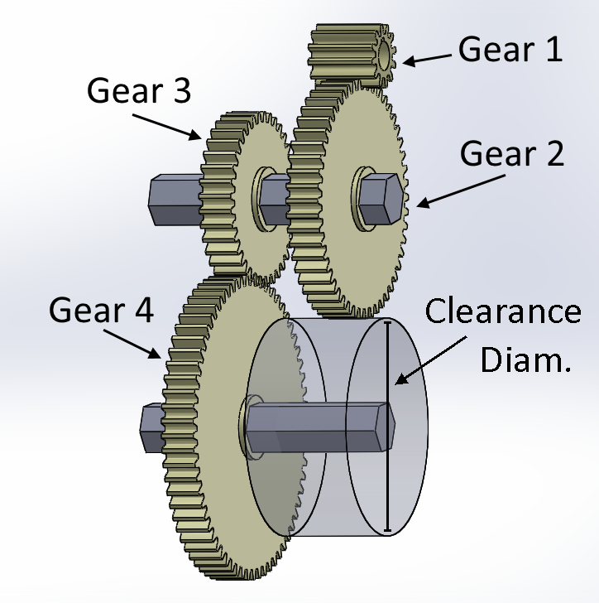
 |  |  | Gear 1 | Gear 2 | Gear 3 | Gear 4 | Ratio
 | Total Ratio | 13.00 : 1 | 9 | 52 | 20 | 45 | 13.00 : 1
 | Max. Ratio Deviation | 0% | 9 | 54 | 24 | 52 | 13.00 : 1
 |  |  | 9 | 52 | 24 | 54 | 13.00 : 1
 | Gear 1 Bore | CIM Pinion | 10 | 52 | 16 | 40 | 13.00 : 1
 | Gear 1 Diam. >= (mm) |  | 10 | 52 | 18 | 45 | 13.00 : 1
 | Gear 1 Diam. <= (mm) |  | 10 | 52 | 20 | 50 | 13.00 : 1
 |  |  | 10 | 40 | 16 | 52 | 13.00 : 1
 | Gears 1&4 C-C Dist. >= (mm) | 33.0 | 10 | 50 | 20 | 52 | 13.00 : 1
 | Gears 1&4 C-C Dist. <= (mm) |  | 10 | 52 | 24 | 60 | 13.00 : 1
 |  |  | 11 | 52 | 16 | 44 | 13.00 : 1
 | Gear 4 Bore | 1/2" Hex | 11 | 44 | 16 | 52 | 13.00 : 1
 | Gear 4 Diam. >= (mm) |  | 12 | 52 | 14 | 42 | 13.00 : 1
 | Gear 4 Diam. <= (mm) | 80.0 | 12 | 52 | 15 | 45 | 13.00 : 1
 |  |  | 12 | 52 | 16 | 48 | 13.00 : 1
 |  |  | 12 | 42 | 14 | 52 | 13.00 : 1
 | Allow 2 Stage? | Yes | 12 | 48 | 16 | 52 | 13.00 : 1
 |  |  | 12 | 54 | 18 | 52 | 13.00 : 1
 | Gears 2&3 Bore | 3/8" Hex | 12 | 52 | 18 | 54 | 13.00 : 1
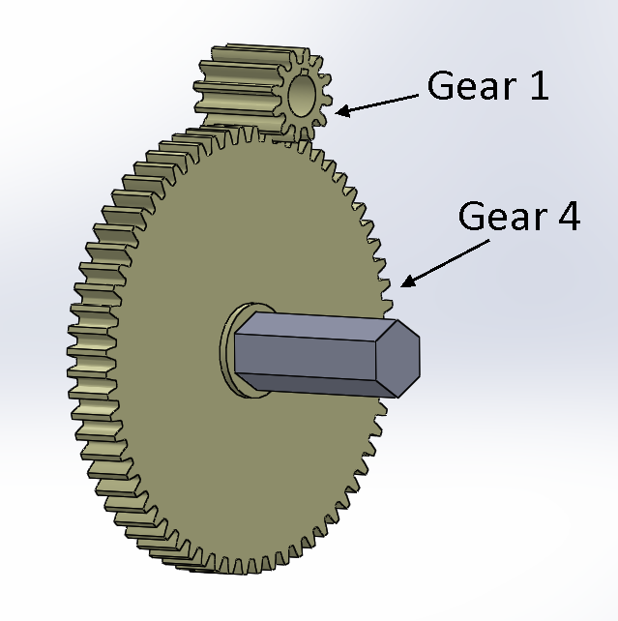
 |  |  | 12 | 52 | 20 | 60 | 13.00 : 1
 | Gear 2 Diam. >= (mm) |  | 13 | 52 | 16 | 52 | 13.00 : 1
 | Gear 2 Diam. <= (mm) |  | 14 | 52 | 16 | 56 | 13.00 : 1
 | Gears 1&2 C-C Dist. >= (mm) | 33.0 | 15 | 52 | 16 | 60 | 13.00 : 1
 | Gears 1&2 C-C Dist. <= (mm) |  | 16 | 52 | 14 | 56 | 13.00 : 1
 | Axle 1 Clearance Diam. (mm) | None | 16 | 52 | 15 | 60 | 13.00 : 1

 | Gear 3 Diam. >= (mm)
 | Gear 3 Diam. <= (mm)
 | Gears 3&4 C-C Dist. >= (mm)
 | Gears 3&4 C-C Dist. >= (mm)
 | Axle 4 Clearance Diam. (mm) | Use Bore Diam.

