DevOps-Project-Design-Proposal
DevOps Project
Name of the DevOps Project | Local DevOps Group | AAD Group Nested in Local DevOps Group | Members of AAD Group | Catalog | Catalog Owner & Access Package Manager | Access Package Client Assignment Manager
Business Application | Project Administrator | AM-Group-A | User-1 & User-2 | AM-Business-Application | User-1 and User-2 | User-3 & User-4
 | Contributor | AM-Group-B | User-3 & User-4

REPO
Name of the Repo | Local DevOps Group | Permissions | Who Has Access | Who Does Not Have Access | AAD Group Nested in Local DevOps Group | Members of AAD Group | Catalog | Catalog Owner & Access Package Manager | Access Package Client Assignment Manager
Proj-A | _Proj-A_Custom_Contributors | Contributors | _Proj-A_Custom_Contributors | _Proj-B_Custom_Contributors _Proj-C_Custom_Contributors | - | Team Members of Proj-A | AM_Business Application | - | -
Proj-B | _Proj-B_Custom_Contributors | Contributors | _Proj-B_Custom_Contributors | _Proj-A_Custom_Contributors _Proj-C_Custom_Contributors | - | Team Members of Proj-B | AM_Business Application | - | -
Proj-C | _Proj-C_Custom_Contributors | Contributors | _Proj-C_Custom_Contributors | _Proj-A_Custom_Contributors _Proj-B_Custom_Contributors | - | Team Members of Proj-C | AM_Business Application | - | -

PIPELINES
Name of the Pipeline Folder | Local DevOps Group | Who Has Access | Who Does Not Have Access | AAD Group Nested in Local DevOps Group | Members of AAD Group | Catalog | Catalog Owner & Access Package Manager | Access Package Client Assignment Manager
Proj-A | _Proj-A_Custom_Contributors | _Proj-A_Custom_Contributors | _Proj-B_Custom_Contributors _Proj-C_Custom_Contributors | - | Team Members of Proj-A | AM_Business Application | - | -
Proj-B | _Proj-B_Custom_Contributors | _Proj-B_Custom_Contributors | _Proj-A_Custom_Contributors _Proj-C_Custom_Contributors | - | Team Members of Proj-B | AM_Business Application | - | -
Proj-C | _Proj-C_Custom_Contributors | _Proj-C_Custom_Contributors | _Proj-A_Custom_Contributors _Proj-B_Custom_Contributors | - | Team Members of Proj-C | AM_Business Application | - | -
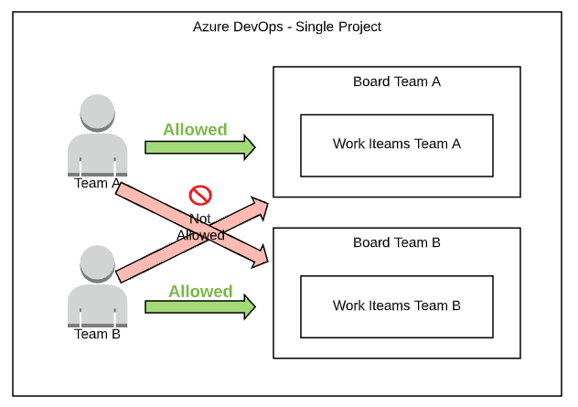
BOARDS
Points to Note
Point 1 | Microsoft Recommends to have One DevOps Project
Point 2 | We need to create Multiple Teams in DevOps Project to have Multiple Boards.
Point 3 | There is no concept of "team ownership" of workitems in Azure DevOps. Instead the each workitem belong to an Area Path. Area paths can then be added to one or multiple teams (see Add area path to team). The workitems belonging to Area Paths of a team is what is shown on the teams board.
How to Do ?
Step 1 | Create Teams Per Repository/Pipelines | DevOps Project > Project Settings > Teams > New Team
Step 2 | Define Area Path | DevOps Project > Project Settings > Project Configuration > Areas > New Child
Step 3 | Select the Area Path and Assign it to the Specific DevOps team | DevOps Project > Project Settings > Team Configuration > Areas
Step 4 | Validate if the Area Path has been assigned to Correct DevOps Team | DevOps Project > Project Settings > Project Configuration > Areas
Step 5 | Put Security Per Area Path | DevOps Project > Project Settings > Team Configuration > Areas
Step 6 | View Azure DevOps Boards to View the Multiple Boards Created Per DevOps Team
Name of the Team | Name of the Area Path | Who Has Access | Who Does Not Have Access | DevOps Local Group Nested to DevOps Team
Proj-A-Contrib-Team | Proj-A-Custom-Area | Proj-A-Custom-Contrib-Team | Proj-B-Custom-Contrib-Team | _Proj-A_Custom_Contributors
Proj-B-Contrib-Team | Proj-B-Custom-Area | Proj-B-Custom-Contrib-Team | Proj-A-Custom-Contrib-Team | _Proj-B_Custom_Contributors

