acf-pacf
ACF PACF

ACF: Reveals overall correlation between a time series and its lagged values at various time intervals.
PACF: Focuses on the direct correlation of a time series with its lagged values, removing the influence of intermediate lags.

GARCH models assume that volatility is conditionally heteroskedastic and exhibits autocorreletion over time.

IF there is no autocorrelation in the data, then there maybe no need of doing the GARCH modelling. |  | ** the code can be found in code/acf_pacf.ipynb
 |  | in this repo.
I have performed the ACF and PACF on the given data with squared returns as the variable of interest, below are my findings.

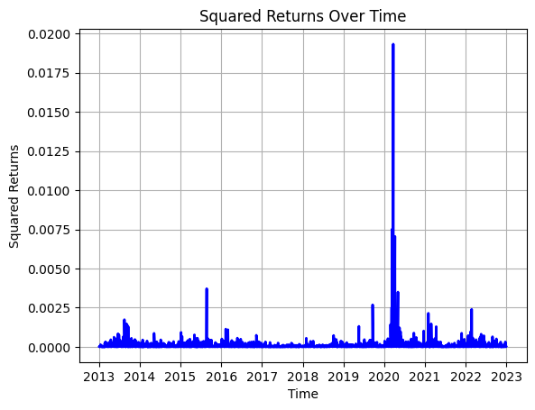
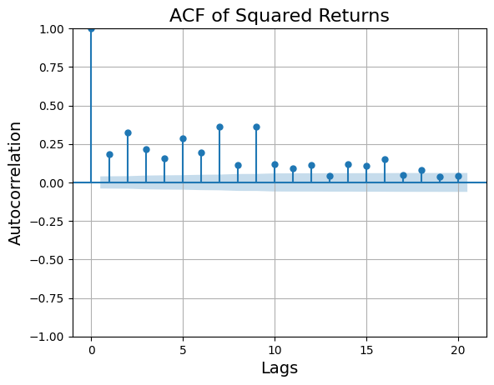
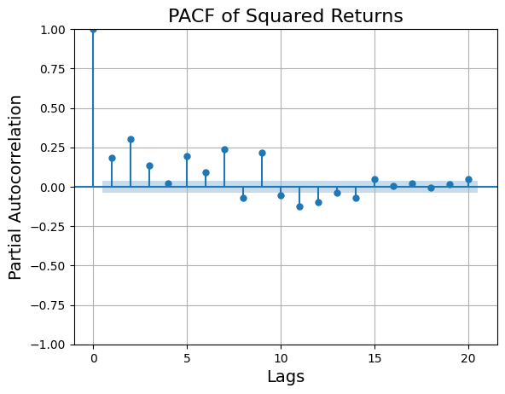

 | As we can observe that both ACF and PACF exhibit statistically significant lag values, we can go ahead with GARCH.

