CVP
ZTP/DHCP subnet (temporary addressing) | subnet/mask

CVP | Hostname (FQDN) | Mgmt ip address | Kimchi address (web interface KVM) | iDRAC
node-1
node-2
node-3

CVP wiremap | NIC1 remote host/port | NIC2 remote host/port
node-1
node-2
node-3

Note: OOB network & NTP, DNS required for the CVP cluster install.

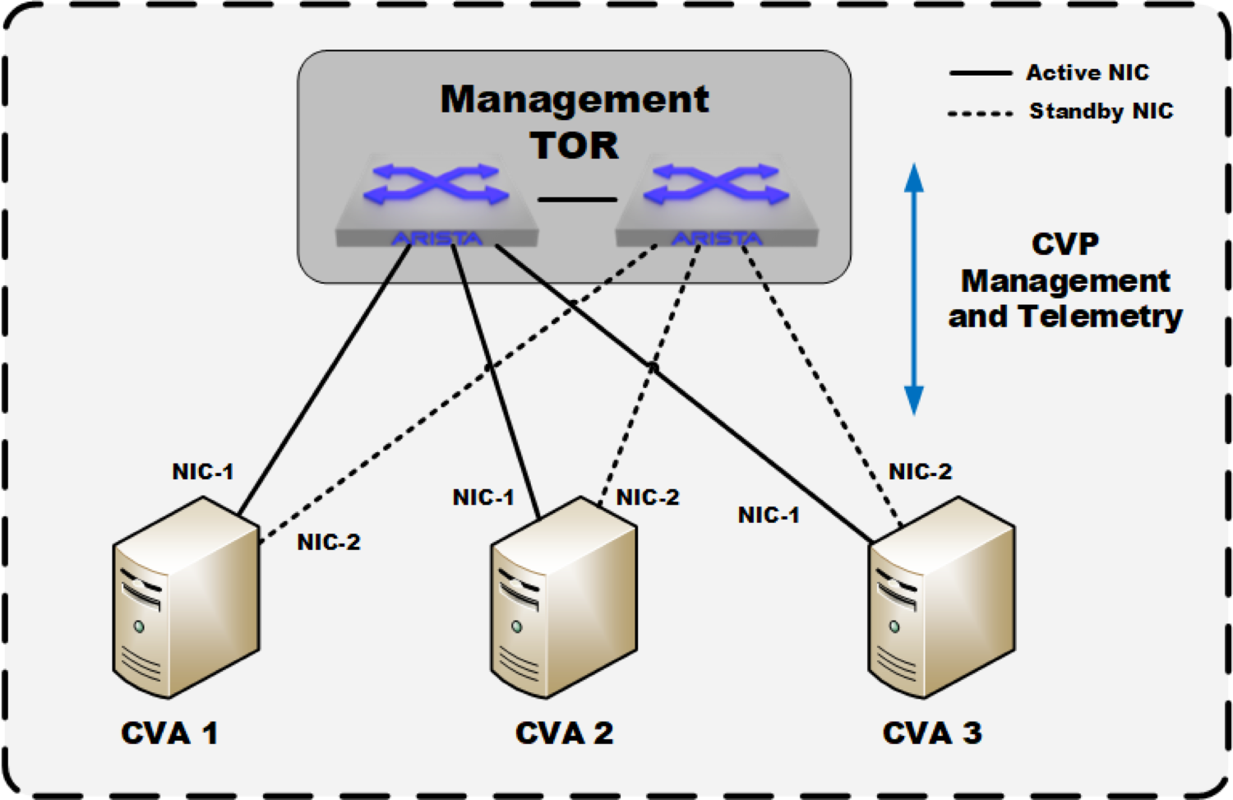

* nic3,4 will not be used. No CVX required.

CVP appliance guide:
https://www.arista.com/en/qsg-cva

Streaming agent : - On average a switch will stream 0.5 Mb/s-2.5 Mb/s of telemetry data depending on the EOS version, device type and scale. - From TerminAttr 1.3.1 versions and CVP 2018.1.1, we can enable gRPC compression which will reduce this numbers to 75 Kb/s-300 Kb/s. Note that these are not bandwidth requirements, but how much bandwidth the telemetry agent will use on average. The devices will automatically regulate down their bandwidth based on what's available. This is the aggregate rate of all traffic streamed to the cluster as a whole - so each cluster node sees roughly 1/3rd of this traffic from the device (though ultimately it all gets synchronized/written between the cluster nodes over the cluster interface).

