U.S. and States
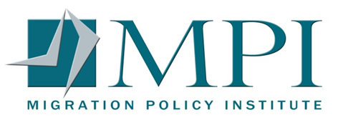

National and State Estimates of the Unauthorized Immigrant Population, 2016
State | Total Unauthorized Population
United States | 11,300,000
California | 3,059,000
Texas | 1,597,000
New York | 940,000
Florida | 656,000
New Jersey | 526,000
Illinois | 487,000
Georgia | 351,000
North Carolina | 321,000
Virginia | 269,000
Maryland | 247,000
Washington | 229,000
Arizona | 226,000
Massachusetts | 173,000
Colorado | 162,000
Pennsylvania | 141,000
Michigan | 129,000
Nevada | 129,000
Tennessee | 121,000
Oregon | 113,000
Ohio | 107,000
Connecticut | 102,000
Indiana | 92,000
South Carolina | 87,000
Wisconsin | 86,000
Minnesota | 83,000
Oklahoma | 82,000
Utah | 79,000
Kansas | 64,000
Alabama | 63,000
Arkansas | 63,000
Louisiana | 63,000
New Mexico | 58,000
Missouri | 54,000
Kentucky | 44,000
Iowa | 38,000
Nebraska | 38,000
Hawaii | 36,000
Idaho | 30,000
District of Columbia | 27,000
Rhode Island | 26,000
Mississippi | 25,000
Delaware | 22,000
Alaska | 11,000
New Hampshire | 9,000
South Dakota | 6,000
West Virginia | 6,000
Wyoming | 6,000
Maine | 5,000
Montana | 3,000

Notes: The Migration Policy Institute's estimates use commonly accepted benchmarks from other research studies to determine the size of the unauthorized population. These estimates have the same sampling and coverage errors as any other survey-based estimates that rely on American Community Survey (ACS) and other Census Bureau data.
Sources: Migration Policy Institute (MPI) analysis of U.S. Census Bureau data from the 2012-16 American Community Survey (ACS) pooled, and the 2008 Survey of Income and Program Participation (SIPP), drawing on a methodology developed in consultation with James Bachmeier of Temple University and Jennifer Van Hook of The Pennsylvania State University, Population Research Institute.
For more detail on the methodology, see DACA at the Two-Year Mark: A National and State Profile of Youth Eligible and Applying for Deferred Action (Washington, DC: MPI, 2014),
www.migrationpolicy.org/research/daca-two-year-mark-national-and-state-profile-youth-eligible-and-applying-deferred-action

