Sheet2
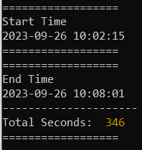
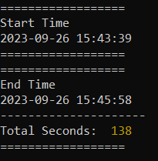
bulk insert 1jt rows | 5.4 menit | 2.3 menit

