NewData
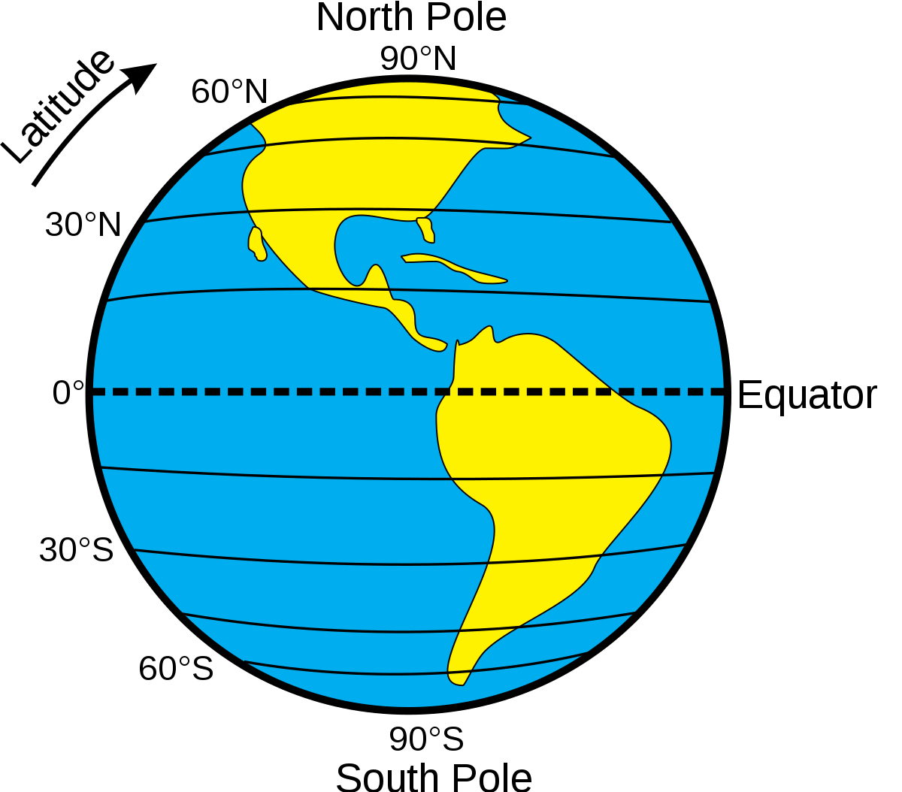
FID | Lat | Long | GR (Recharge)
- | - | - | mm/year
1 | 10 | 44.5 | 123.5 | Segadelli, S., Filippini, M., Monti, A., Celico, F., & Gargini, A. (2021). Estimation of recharge in mountain hard-rock aquifers based on discrete spring discharge monitoring during base-flow recession. Hydrogeology Journal, 29(3), 949-961.
2 | 10.2 | 44.5 | 124
3 | -23.495 | -67.988 | 2.1 | Boutt, D. F., Corenthal, L. G., Moran, B. J., Munk, L., & Hynek, S. A. (2021). Imbalance in the modern hydrologic budget of topographic catchments along the western slope of the Andes (21–25° S): implications for groundwater recharge assessment. Hydrogeology Journal, 29(3), 985-1007.
4 | -23.476 | -68.05 | 0.5
5 | -23.771 | -68.112 | 0.1
6 | -23.491 | -67.985 | 2.3
7 | -23.794 | -68.137 | 0.1
8 | -23.8 | -68.134 | 0.1
9 | -23.789 | -68.136 | 0.1
10 | -23.746 | -68.118 | 0.1
11 | -23.671 | -68.081 | 0.2
12 | -23.365 | -68.053 | 0.4
13 | -23.569 | -68.057 | 0.05
14 | -23.78 | -68.114 | 0.1
15 | -23.791 | -68.109 | 0.1
16 | -23.885 | -67.507 | 0.8
17 | -23.676 | -67.451 | 0.3
18 | -23.693 | -67.451 | 0.3
19 | -23.692 | -67.452 | 0.2
20 | -23.677 | -67.453 | 0.3
21 | -23.678 | -67.449 | 0.3
22 | -37.386 | 141.966 | 11.2 | Barua, S., Cartwright, I., Dresel, P. E., & Daly, E. (2021). Using multiple methods to investigate the effects of land-use changes on groundwater recharge in a semi-arid area. Hydrology and Earth System Sciences, 25(1), 89-104.
23 | 46.768633153 | 15.552250768 | 352 | Collenteur, R., Bakker, M., Klammler, G., & Birk, S. (2020). Estimating groundwater recharge from groundwater levels using non-linear transfer function noise models and comparison to lysimeter data. Hydrology and Earth System Sciences Discussions, 1-30.
24 | 11.103247205 | 76.853167927 | 69 | Bhanja, S. N., Mukherjee, A., Rangarajan, R., Scanlon, B. R., Malakar, P., & Verma, S. (2019). Long-term groundwater recharge rates across India by in situ measurements. Hydrology and Earth System Sciences, 23(2), 711-722.
25 | 10.765678042 | 75.925043689 | 61
26 | 10.967061707 | 77.685356141 | 61
27 | 12.804395089 | 77.564904075 | 39
28 | 14.417990928 | 77.302110584 | 25
29 | 14.56237999 | 77.688231383 | 24
30 | 23.273999669 | 87.03313889 | 179
31 | 18.961391727 | 82.503663089 | 166
32 | 23.584382823 | 81.500517161 | 98
33 | 26.262102175 | 86.470419774 | 97
34 | 13.537875897 | 78.666754965 | 34
35 | 17.141539155 | 78.419670651 | 22
36 | 17.537904435 | 78.42445164 | 37
37 | 10.687123866 | 76.427110373 | 71
38 | 17.73044591 | 79.180815494 | 43
39 | 29.699840694 | 76.926973144 | 64
40 | 16.944597054 | 79.212218627 | 27
41 | 11.114530832 | 76.647330275 | 149
42 | 8.7872594809 | 78.099171328 | 63
43 | 17.438933886 | 78.730975764 | 55
44 | 12.522868118 | 80.154246213 | 174
45 | 20.980059001 | 85.251324564 | 46
46 | 20.610557332 | 83.540094976 | 56
47 | 23.308614292 | 81.34424224 | 71
48 | 23.377576112 | 75.847987706 | 171
49 | 27.469831027 | 81.873791702 | 117
50 | 16.419624943 | 80.825852792 | 29
51 | 11.541166462 | 79.48324819 | 181
52 | 23.320595271 | 81.374626304 | 103
53 | 26.26133246 | 86.477114568 | 113
54 | 17.395682484 | 81.942322464 | 135
55 | 15.619993851 | 78.048559473 | 106
56 | 31.177356875 | 75.243056327 | 56
57 | 29.07229007 | 76.208875488 | 70
58 | 27.859311399 | 78.39257826 | 20
59 | 23.660606997 | 72.885552253 | 107
60 | 11.537550341 | 79.478184179 | 161
61 | 23.302381305 | 87.040691991 | 137
62 | 22.62873631 | 88.461738798 | 198
63 | 25.123031855 | 85.458285149 | 82
64 | 28.30913401 | 74.956668682 | 62
65 | 52.053524294 | 4.1919254196 | 517 | Huizer, S., Radermacher, M., Vries, S. D., Oude Essink, G. H., & Bierkens, M. F. (2018). Impact of coastal forcing and groundwater recharge on the growth of a fresh groundwater lens in a mega-scale beach nourishment. Hydrology and Earth System Sciences, 22(2), 1065-1080. | MacDon | ald, A.M., Lark, R.M., Taylor, R.G., Abiye, T., Fallas, H.C., Favreau, G., Goni, I.B., Kebede, S., Scanlon, B.R., Sorenson, J.P.R., Tijani, M., Upton, K.A., West, C. (2020): Groundwater recharge in Africa from ground based measurements. British Geological Survey. (Dataset). https://doi.org/10.5285/45d2b71c-d413-44d4-8b4b-6190527912ff
66 | 65.609949882 | 26.181622372 | 362.8 | Ala-Aho, P., Rossi, P. M., & Kløve, B. (2015). Estimation of temporal and spatial variations in groundwater recharge in unconfined sand aquifers using Scots pine inventories. Hydrology and Earth System Sciences, 19(4), 1961-1976.
67 | 52.5141618 | -2.7234221841 | 123 | Cuthbert, M. O., Mackay, R., & Nimmo, J. R. (2013). Linking soil moisture balance and source-responsive models to estimate diffuse and preferential components of groundwater recharge. Hydrology and Earth System Sciences, 17(3), 1003-1019.
68 | 41.410928795 | 2.2091784367 | 50 | Vázquez-Suñé, E., Carrera, J., Tubau, I., Sánchez-Vila, X., & Soler, A. (2010). An approach to identify urban groundwater recharge. Hydrology and Earth System Sciences, 14(10), 2085-2097.
69 | 8.49 | 4.48 | 253 | Houston, J (1992) RWS: comparative case histories from Nigeria and Zimbabwe, in Wright and Burgess (eds) The Hydrogeology of Crystalline Basement Aquifers in Africa, Geological Society Speical Publication No 66
70 | -20.27 | 30.09 | 22 | Houston, J (1992) RWS: comparative case histories from Nigeria and Zimbabwe, in Wright and Burgess (eds) The Hydrogeology of Crystalline Basement Aquifers in Africa, Geological Society Speical Publication No 66
71 | 0.46 | 32.96 | 245 | Nyenje & Batelaan (2009) Estimating the effects of climate change on GW recharge and baseflow in the upper Ssezibwa catchment, Uganda, Hydrol. Sci J. 54; 4, 713-726.
72 | 13.54 | 39.82 | 185 | Walraevens, Vandecasteele, Martens, Nyssen, Moeyersons, Gebreyohannes, De Smedt, Poesen, Deckers & Van Camp (2009) GW recharge and flow in a small mountain catchment in n Ethipoia, Hydrol. Sci. J. 54; 4, 739-753.
73 | 6.5 | 2.3 | 120 | Totin, Boko & Boukari (2009) GW recharge mechanisms and water management in the coastal sedimentary basin of Benin, in Proceedings of the Kampala Conference, June 2008, IAHS Publ. 334, 2009
74 | 2.45 | 34.45 | 30 | Gavigan, Mackay & Cuthbert (2009) Climate Change impacts on gw recharge in semi-arid Uganda and the role of GW in livelihood adaptation and peacebuilding, in Proceedings of the Kampala Conference, June 2008, IAHS Publ. 334, 2009
75 | -25.12 | 25.69 | 11 | Selaolo, Beekman, Gieske and de Vries (2003) Multiple Tracer Profiling in Botswana - GRES findings, in Xu&Beekman (eds) GW recharge estimation in Southern Africa, UNESCO, Paris.
76 | -24.53 | 24.7 | 4 | Verhagen B (2003) Recharge quantified with Radiocarbon in 3 studies of Karoo Aquifers in the Kalahari and Independent Corroboration, in Xu&Beekman (eds) GW recharge estimation in Southern Africa, UNESCO, Paris.
77 | -23.67 | 29.56 | 48 | Xu&Beekman, (2003) A box model for estimating recharge, in Xu&Beekman (eds) GW recharge estimation in Southern Africa, UNESCO, Paris.
78 | -32.71 | 25.98 | 4.5 | Sami (2003) A comparison of Recharge Estimates in a Karoo Aquifer from a CMB in GW and an integrated Surface-Subsurface model, in in Xu&Beekman (eds) GW recharge estimation in Southern Africa, UNESCO, Paris. Sami and Hughes 1996 - Journal of Hydrology https://doi.org/10.1016/0022-1694(95)02843-9
79 | -4.6 | 34.7 | 25 | MacDonald et al. 2002, Groundwater recharge in the Singida region of northern Tanzania.
80 | 13.37 | 30.84 | 6 | Abdalla O A E (2009) GW recharge/discharge in semi-arid regions interpreted from isotope and chloride concentrations in the White Nile Rift, Sudan, Hydrogeology J., 2009, 17; 679-692.
81 | -13.6 | 33.57 | 114 | Wright EP (1992) the hydrogeology of crystalline basement aquifers in Africa, in Wright & Burgess (eds) Hydrogeology of Crystalline Basement Aquifers in Africa, Geological Socitey Special Publication, No 66, 1-27.
82 | 26 | 32.8 | 0 | Sultan, Yan, Sturchio et al. (2007) Natural discharge: a key to sustainable utilization of fossil groundwater, J of Hydrol., 335; 25, 36.
83 | 27.26 | 31.3 | 1.5 | Sultan, Yan, Sturchio et al. (2007) Natural discharge: a key to sustainable utilization of fossil groundwater, J of Hydrol., 335; 25, 36.
84 | 13.5 | 2.5 | 20 | Leduc, Favreau & Schroeter (2001) Long-term rise in a Sahelian water-table: the Continental Terminal in South-West Niger, J. of Hydrol., 243; 43-54.
85 | -0.66 | 29.81 | 104 | Mileham, Taylor, Thompson, et al. (2008) Impact of rainfall distribution on the parameterisation of a soil moisture balance model of groundwater recharge in equatorial Africa, J. of Hydrol., 359; 46, p58.
86 | -22.42 | 26.65 | 4 | Osenbruck, Stadler, Sultenfuss et al. (2009) Impact of recharge variations on water quality as indicated by excess air in groundwater of the Kalahari, Botswana, Geochimica et Cosmochimica Actoa, 73; 911-922.
87 | -5.99 | 35.7 | 16 | Nkotagu (1996) Application of environmental isotopes to gw recharge stuides in semi-arid fractured basement area of Dodoma, Tanzania, J. of African Earth Sciences, 22; 4, 443-457.
88 | -20.75 | 30.75 | 22 | Butterworth, Mugabe, Simmonds & Hodnett (1999) Hydrological processes and water resources management in a dryland environemnt II: surface redistribution of rainfall within fields, HESS, 3; 3, 333-343.
89 | 13.25 | 11 | 44 | Edmunds, Fellman & Goni (1999) Lakes, groundwater and palaeohydrology in the Sahel of NE Nigeria: evidence from hydrochemistry, J. of Geol Soc London, 156; 345-355.
90 | -25.15 | 25.67 | 18 | Gieske, Selaolo & McMullan (1990) Groundwater recharge through the unsaturated zone of southeastern Botswana: a study of chlorides and enviornmental isotopes, Regionalisation in Hydrology, Proceedings of the Ljubljana Symposium, April 1990, IAHS Publ,191
91 | 26.22 | 29.89 | 0 | Dabous & Osmond (2001) Uranium isotopic study of artesian and luvial contributions to the Nubian Aquifer, Western Desert, Egypt, J. of Hydrol, 243; 242-253.
92 | 30.44 | -9.02 | 14 | Bouchaou, Michelot, Vengosh et al. (2008) Application of multiple isotopic and geochemical tracers for investigation of recharge, salinization and residence time of water in the Souss-Massa aquifer, southwest of Morocco, J. of Hydrol., 352; 267-287.
93 | -18.88 | 25 | 8 | Brunner, Bauer, Eugster and Kinzelbach (2004) Using remote sensing to regionalise local precipitation recharge rates from the Chloride Method, Journal of Hydrology, 294; 241-250.
94 | 27.74 | 29.97 | 1.3 | Gheith & Sultan (2002) Construction of a hydrologic model for estimating Wadi runoff and groundwater recharge in Eastern Desert, Egypt, J. of Hydrol, 36-55.
95 | 2.05 | 32.79 | 200 | Taylor and Howard (1996) Groundwater recharge in the Victoria Nile basin of east Africa: support for the soil moisture balance approach using stable isotope tracers and flow modelling, J. of Hydol., 180; 31-35.
96 | 28.25 | 21 | 0 | Wright, Benfield, Edmunds and Kitcing (1982) Hydrogeology of the Kufra and Sirte Basins, eastern Libya, Q. J. of Eng. Geology, London, 15; 83-103.
97 | 22.69 | 22.52 | 0 | Wright, Benfield, Edmunds and Kitcing (1982) Hydrogeology of the Kufra and Sirte Basins, eastern Libya, Q. J. of Eng. Geology, London, 15; 83-103.
98 | -14.47 | 28.78 | 80 | Houston JFT (1982) Rainfall and recharge to a dolomite aquifer in a semi-arid climate at Kabwe, Zambia, J. of Hydrol., 59; 173-187.
99 | -29.57 | 26.69 | 13 | Van Tonder GJ & Kirchner J (1990) Estimation of natural groundwater recharge in the Karoo Aquifers of South Africa, J. of Hydrol., 121, 395-419.
100 | -0.08 | 30.7 | 17 | Howard KWF & Karundu J (1992) Contraints on the exploitation of basment aquifers in East Africa - water balance implications and the role of the regolith, J. of Hydrol., 139; 183-196
101 | -24.03 | 24.93 | 5 | Foster SSD, Bath AH, Farr JL & Lewis WJ (1982) The likelihood of active groundwater recharge in the Botswana Kalahari, J. of Hydrol., 55; 113-136.
102 | 15.9 | 33.8 | 0.6 | Edmunds WM, Darling WG, Kinniburgh DG, Kotoub S & Mahgoub S (1992) Sources of recharge at Abu Delaig, Sudan, J. of Hydrol., 131; 1-24.
103 | 15.99 | -16.31 | 10.8 | Edmunds WM & Gaye CB (1994) Estimating the spatial variability of groundwater recharge in the Sahel using chloride, J. of Hydrol., 156; 47-59.
104 | 13.26 | 2.06 | 13 | Bromley J, Edmunds WM, Fellman E, Brouwer J, Gaze SR, Sudlow J & Taupin JD (1997) Estimation of rainfall inputs and direct recharge to the deep unsaturated zone of southern Niger using the chloride profile method,J. of Hydrology, 188-189; 139-154.
105 | 14.19 | -0.68 | 136 | Filippi C, Milville F & Thiery D (1990) Evaluation of natural recharge to aquifers in the Sudan-Sahel climate using global hydrogeological modelling: application to ten sites in Burkina Faso, Hydrological Sciences, 35; 1, 2, 29-49.
106 | -24.1 | 25.02 | 11 | Verhagen BTH, (1994) Semi-arid zone groundwater mineralization processes as revealed by environmental isotopes, Proceedings of the Vienna Symposium Agust 1994, on 'Application of Tracers in Arid Zone Hydrology, p245-267.
107 | 10.2 | -1.28 | 82 | Obuobie E (2008) Estimation of groundwater recharge in the context of future climate change in the White Volta Basin, W Africa, PhD Thesis, University of Bonn, 2008
108 | 24 | 23 | 0 | Swailem FM, Hamza MS & Aly AIM (1983) Isotopic composition of groundwater in Kufra Libya, International Journal of Water Resources Development, 1; 4, 331-341.
109 | 33.3 | 10.5 | 2 | Zouari K, Trabelsi R and Chkir N. (2011) Using env. Geochemical indicators to investigate gw mixing and residence time in the aquifer system of Djeffara of Medenine (SE Tunisia), Hydrogeology Journal, 19; 209-219.
110 | 1.74 | 33.58 | 147 | Cuthbert, MO and Tindimugaya C (2011) The importance of preferential flow in controlling gw recharge in tropical Africa and implications for modelling the impact of climate change on gw resources, Journal of Water and Climate Change, 1; 4, pp 234-245.
111 | 12.81 | 10.45 | 14 | Eilers, WHM, Carter RC and Rushton KR (2007) A single layer soil water balance model for estimating deep drainage (potential recharge): An application to cropped land in semi-arid NE Nigera, Geoderma, 140; 119-131.
112 | 9.75 | 1.75 | 147 | Seguis L, Kamagate B, Favreau G, et al (2011) Origins of streamflow in a crystalline basement catchment in a sub-humind Sudanian zone, Donga Basin (Benin), J. of Hydrology, doi: 10.1016/j.jhydrol.2011.01.054
113 | -32.35 | 22.58 | 11.8 | van Wyk E. 2010. Estimation of episodic groundwater recharge in semi-arid fractured hard rock aquifers, PhD Thesis, University of Free State, South Africa, August 2010.
114 | -33.16 | 19.33 | 48 | Vogel JC, Thilo L, van Dijken M. 1974. Determination of groundwater recharge with Tritium, J of Hydrology, 23; 131-140
115 | -19.6 | 20.5 | 11.5 | Wanke H, Dunkeloh A, Udluft P. 2008. Groundwater recharge assessment for the Kalahari Cathcment of NE Namibia and NW Botswana with a regional-scale water balance model, Water Resource Management 22; 1143-1158
116 | -4.5 | 15.3 | 420 | Ndembo LJ, Plummer N, Ravi Y, Vitvar T.2013. The use of multiple environmental tracers in age interpretation of the Mount Amba aquifer, Kinshasa, DR of Congo, IAEA conference Monoco 299-308
117 | 11.45 | 43.1 | 5 | Verhagen BTh, Geyh MA, Frohlich K, Wirth K. 1991. Isotope Hydrogeological methods for the quantitative evaluation of groundwater resources in arid areas: a development of a methodology, Report for Federal Ministry for Economic Cooperation, pp149.
...

