Vlog
Lab Notebook
This was all flown in Excel (for the sake of rapidity).
Part 0
Attached iOLab and recorded the data.
Took an image, which is in the images section of the Github.
Measured the masses to be 500g using the scale. Made sure the scale was not in the foam padding.
Took the time-averaged force measurements to reduce the effects fo noise.
The data is consistent with our expectations
Answered the analysis questions in the lab report.
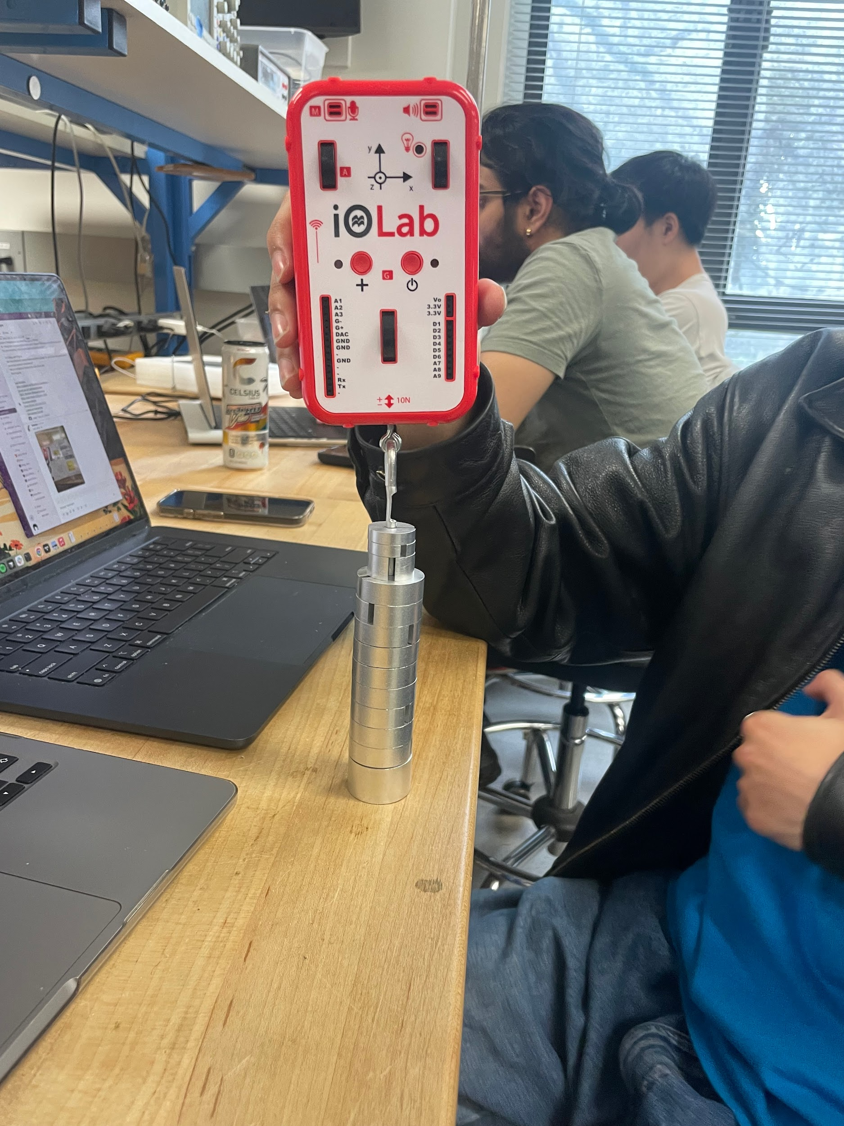
Part 1
Calibrated the iOLab again.
Our spring is extremely deformed, but there are no spare springs, so we have been advised to use it.
Discarded a set of a data because we handled the equipment badly and there was a huge hike in the data.
We re-zeroed the sensor.
We are rolling the iOLab back and forth and trying to be as gentle as possible, but it is hard.
We have discussed potential sources of error and decided to roll the iOLab as slowly as possible and parallel to the board.
We both recorded a dataset and we will concatenate them together later.
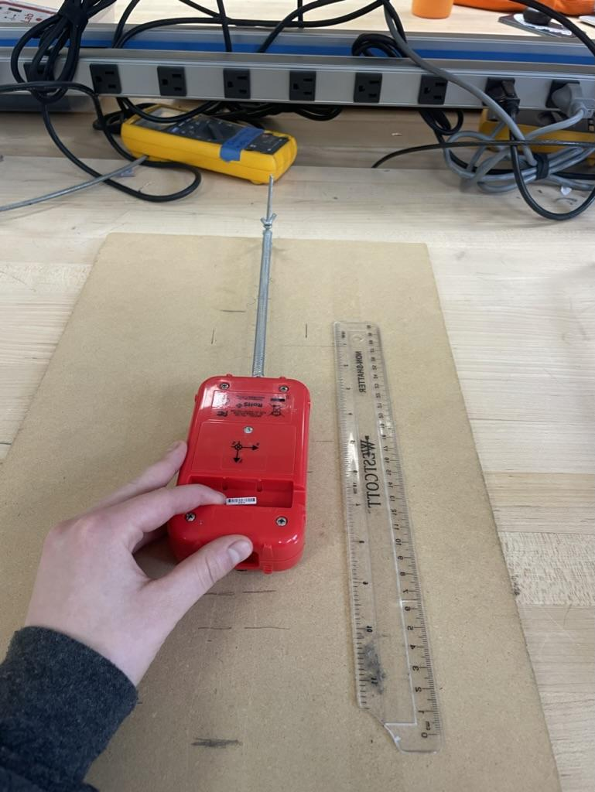
Part 2
We have hung the iOLab vertically.
We have put it on the edge of the dowel so that it is not above the table (cannot hit the table).
We are recording both force and acceleration data, can divide force by acceleration to get the mass, but we have decided to separately record it using the scale.
We measured the iOLab to weih 203.5g (the reading fluctuates between 203 and 204g, so we are taking the midpoint).
We have decided to each record 3 datasets so that we have a wide range to choose from.
We have discussed ideal oscillations, and have decided to release the spring such that there are substantial amplitude in oscillations, but not so large so as to further plastically deform our spring.
We have zeroed the sensor and have taken a range of measurements.
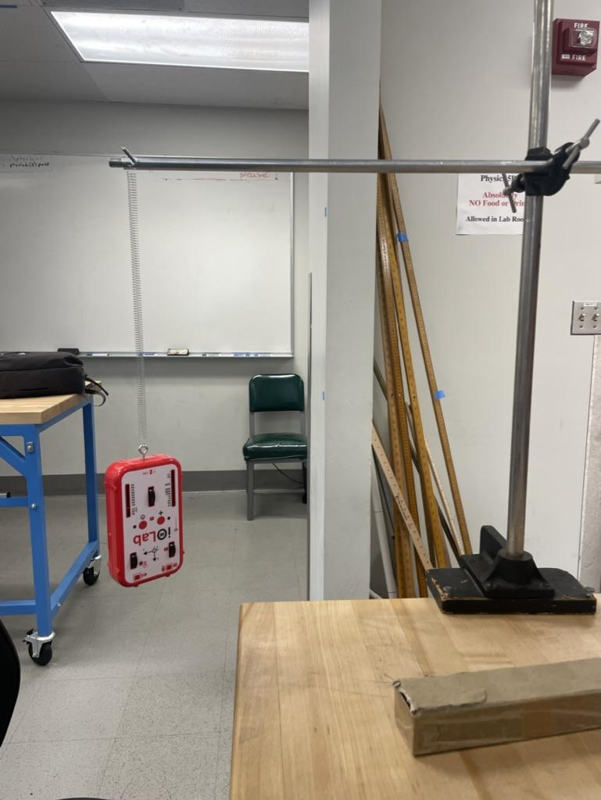

Part 3
Our iOLab died at the end of Part 2, so we have switched it out for another one.
We have thus recalibrated the sensor in order to make sure the sensors are ready to go.
We have hung the plank from the top of the table and then put the spring throught he screw and attached the iOLab to the spring.
The plank through the centre is 60 degrees.
The iOLab has its wheels on the planck, so we predict that friction will be constant.
We have discussed ideal oscillations, and have decided to release the spring such that there are substantial amplitude in oscillations, but not so large so as to further plastically deform our spring.
We are releasing the iOLab and ensuring it rolls back and forth rather parallel to the edge of the planck.
We are once again taking 6 datasets (3 each) and will pick the best one for our analysis.
All oscillations ran smoothly (no random jerks)
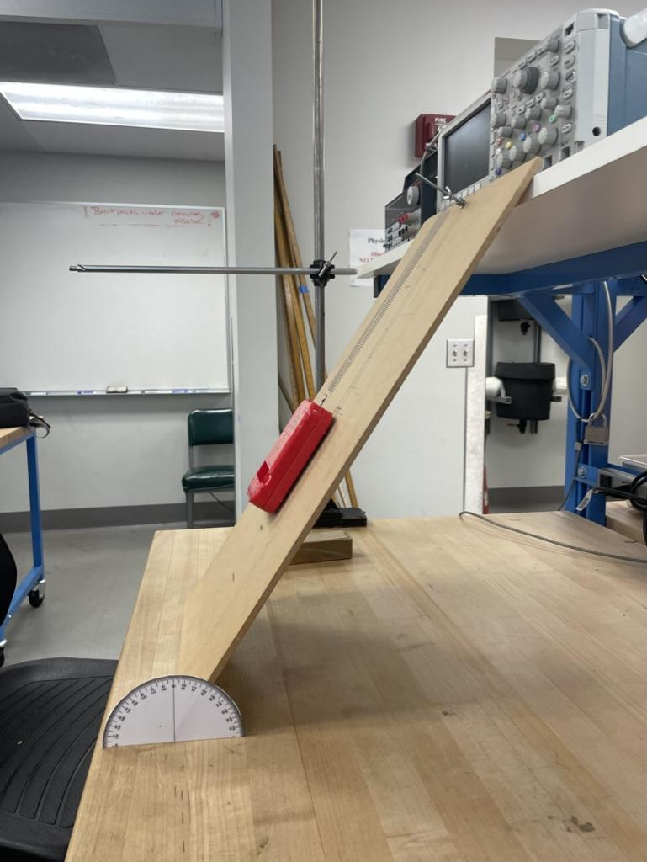

We are now transferring all the data from the iOLab repository to the Github repository (link: https://github.com/arjun-banerjee/5bl.git)

